Climatology_SQA
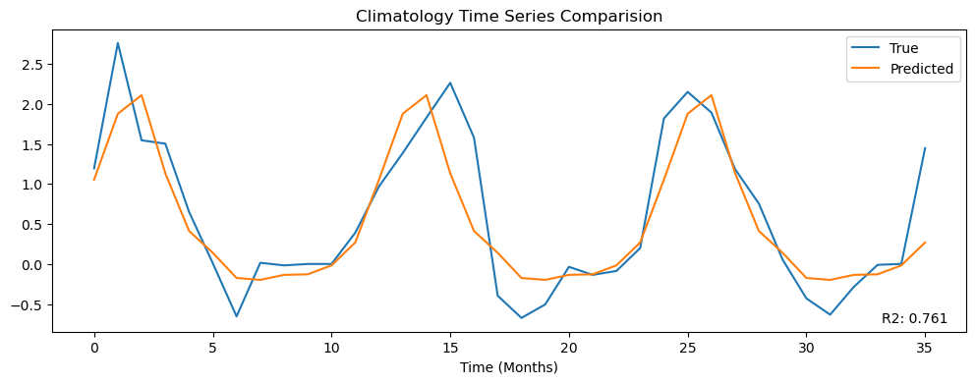
r2 | pearson_corr | r2_plot | mean_ssim | rmse | nrmse | mae | mbe | w_dist | spearman_corr | hit_rate_percent | mean_yearly_hit_rate | mean_monthly_hit_rate
0.41682709184 | 0.64753186149 | 0.76115351985 | 0.20983422878 | 1.2857404135 | 0.098732427017 | 0.72910231155 | -0.075536249108 | 0.40902361509 | 0.57476590451 | 0.64666666667 | 64.444444444 | 46.408846882

