StackedCNN3D_HKP
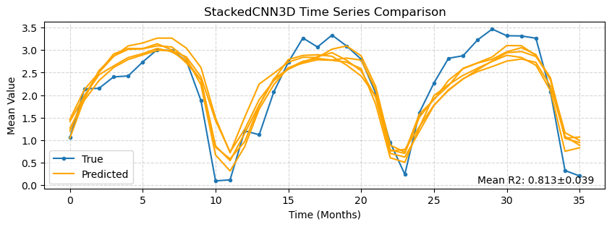
r2 | pearson_corr | r2_plot | mean_ssim | rmse | nrmse | mae | mbe | w_dist | spearman_corr | hit_rate_percent | mean_yearly_hit_rate | mean_monthly_hit_rate
0.554±0.007 | 0.746±0.005 | 0.813±0.039 | 0.540±0.011 | 1.740±0.014 | 0.175±0.001 | 1.156±0.032 | 0.019±0.091 | 0.689±0.047 | 0.709±0.005 | 55.867±0.595 | 54.756±1.093 | 38.938±0.769

variable | r2_importance | ssim_importance | loss_importance | r2_drop_%
vgo | 0.5506 ± 0.1623 | 0.1145 ± 0.0283 | 1.7265 ± 0.4441 | 100.2564 ± 29.7902
ugo | 0.3003 ± 0.1927 | 0.0516 ± 0.0179 | 0.9389 ± 0.5162 | 54.7423 ± 35.3597
zo | 0.1593 ± 0.0431 | 0.0298 ± 0.0290 | 0.5512 ± 0.1197 | 28.9765 ± 7.7910
to | 0.0987 ± 0.0388 | 0.0256 ± 0.0218 | 0.3789 ± 0.1400 | 17.9458 ± 7.0560
month_sin | 0.0885 ± 0.0702 | 0.0197 ± 0.0112 | 0.2801 ± 0.2026 | 16.1080 ± 12.8320
mlotst | 0.0882 ± 0.0253 | 0.0060 ± 0.0186 | 0.2819 ± 0.0588 | 16.0849 ± 4.7514
to_b | 0.0789 ± 0.0183 | 0.0438 ± 0.0397 | 0.2700 ± 0.0622 | 14.3418 ± 3.2688
month_cos | 0.0690 ± 0.0393 | 0.0102 ± 0.0265 | 0.2281 ± 0.1158 | 12.5980 ± 7.2265
so | 0.0167 ± 0.0173 | 0.0041 ± 0.0021 | 0.0519 ± 0.0564 | 3.0596 ± 3.1455
CDM | 0.0109 ± 0.0066 | -0.0059 ± 0.0172 | 0.0301 ± 0.0264 | 1.9972 ± 1.2146

UNet3D_HKP
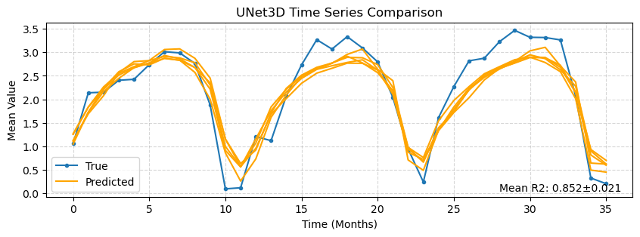
r2 | pearson_corr | r2_plot | mean_ssim | rmse | nrmse | mae | mbe | w_dist | spearman_corr | hit_rate_percent | mean_yearly_hit_rate | mean_monthly_hit_rate
0.578±0.004 | 0.761±0.003 | 0.852±0.021 | 0.553±0.007 | 1.692±0.009 | 0.170±0.001 | 1.130±0.033 | -0.077±0.035 | 0.733±0.056 | 0.721±0.002 | 56.578±0.848 | 55.533±0.467 | 38.409±0.551

variable | r2_importance | ssim_importance | loss_importance | r2_drop_%
vgo | 0.1603 ± 0.1203 | 0.0725 ± 0.0673 | 0.5863 ± 0.3978 | 28.0036 ± 21.2571
ugo | 0.1045 ± 0.0541 | 0.0472 ± 0.0173 | 0.3635 ± 0.1931 | 18.1423 ± 9.3093
mlotst | 0.0632 ± 0.0369 | 0.0255 ± 0.0406 | 0.2036 ± 0.1066 | 10.9988 ± 6.4031
month_cos | 0.0427 ± 0.0198 | 0.0323 ± 0.0150 | 0.1442 ± 0.0624 | 7.4401 ± 3.4554
month_sin | 0.0308 ± 0.0103 | 0.0244 ± 0.0481 | 0.1012 ± 0.0339 | 5.3554 ± 1.7722
to_b | 0.0249 ± 0.0175 | 0.0461 ± 0.0300 | 0.0964 ± 0.0603 | 4.3255 ± 3.0306
to | 0.0184 ± 0.0074 | 0.0083 ± 0.0278 | 0.0707 ± 0.0297 | 3.2059 ± 1.2690
CDM | 0.0142 ± 0.0135 | -0.0019 ± 0.0181 | 0.0455 ± 0.0535 | 2.4714 ± 2.3427
so | 0.0024 ± 0.0028 | 0.0127 ± 0.0262 | 0.0127 ± 0.0129 | 0.4166 ± 0.4887
zo | 0.0004 ± 0.0058 | 0.0035 ± 0.0221 | 0.0019 ± 0.0166 | 0.0684 ± 1.0132

StackedCNN3D_SQA
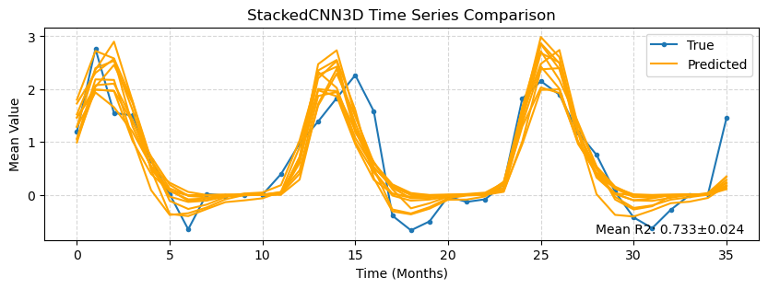
r2 | pearson_corr | r2_plot | mean_ssim | rmse | nrmse | mae | mbe | w_dist | spearman_corr | hit_rate_percent | mean_yearly_hit_rate | mean_monthly_hit_rate
0.416±0.021 | 0.652±0.015 | 0.733±0.024 | 0.279±0.025 | 1.286±0.023 | 0.099±0.002 | 0.702±0.019 | 0.005±0.068 | 0.376±0.048 | 0.572±0.030 | 66.244±1.416 | 66.744±1.198 | 30.575±2.325

variable | r2_importance | ssim_importance | loss_importance | r2_drop_%
vgo | 0.2622 ± 0.1028 | 0.0061 ± 0.0186 | 0.3960 ± 0.1348 | 63.1677 ± 24.1105
month_cos | 0.1489 ± 0.0983 | 0.0966 ± 0.0589 | 0.2506 ± 0.1616 | 36.1758 ± 24.5270
ugo | 0.1044 ± 0.0628 | 0.0223 ± 0.0232 | 0.2084 ± 0.1014 | 24.9164 ± 14.3228
mlotst | 0.0900 ± 0.0570 | 0.0078 ± 0.0368 | 0.1610 ± 0.0886 | 21.6520 ± 13.2215
month_sin | 0.0637 ± 0.0435 | 0.0387 ± 0.0232 | 0.0976 ± 0.0809 | 15.5136 ± 10.8010
to | 0.0593 ± 0.0546 | 0.0068 ± 0.0224 | 0.0919 ± 0.0926 | 14.4771 ± 13.3730
to_b | 0.0330 ± 0.0270 | 0.0292 ± 0.0379 | 0.0472 ± 0.0350 | 8.0970 ± 6.9188
zo | 0.0310 ± 0.0241 | 0.0175 ± 0.0345 | 0.0631 ± 0.0483 | 7.6451 ± 6.2370
so | 0.0288 ± 0.0326 | 0.0426 ± 0.0209 | 0.0558 ± 0.0525 | 6.7988 ± 7.4467
CDM | 0.0102 ± 0.0159 | -0.0037 ± 0.0176 | 0.0170 ± 0.0232 | 2.4248 ± 3.7555

