RandomForestRegressor_HKP
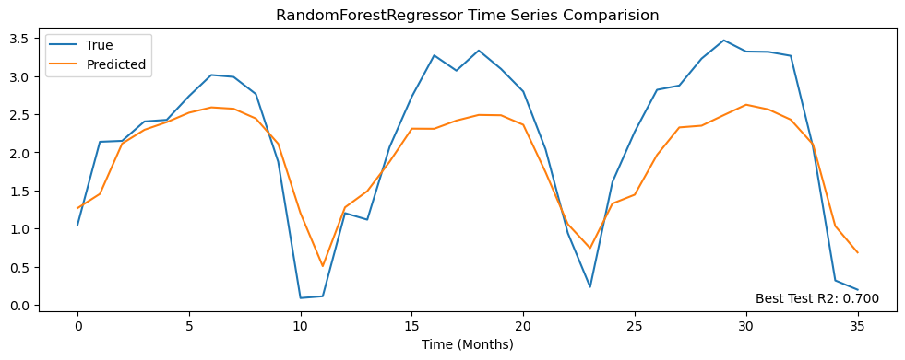
r2 | pearson_corr | r2_plot | mean_ssim | rmse | nrmse | mae | mbe | w_dist | spearman_corr | hit_rate_percent | mean_yearly_hit_rate | mean_monthly_hit_rate
0.53823910478 | 0.74195515127 | 0.70001001906 | 0.52231186628 | 1.7695273794 | 0.1776799274 | 1.2156113031 | -0.25109444532 | 0.87224009071 | 0.70759690767 | 54.666666667 | 53.777777778 | 39.597142597

Variable | Importance
to | 0.18163826
mlotst | 0.12692887362
PP | 0.12163376974
to_b | 0.073186905987
zo | 0.073163954822
CHL | 0.069955188652
so | 0.068683807158
ugo | 0.068328634851
vgo | 0.064764656984
CDM | 0.058430851472
moon_phase | 0.051323175942
month_cos | 0.021266668318
month_sin | 0.020695252454

ExtraTreesRegressor_HKP
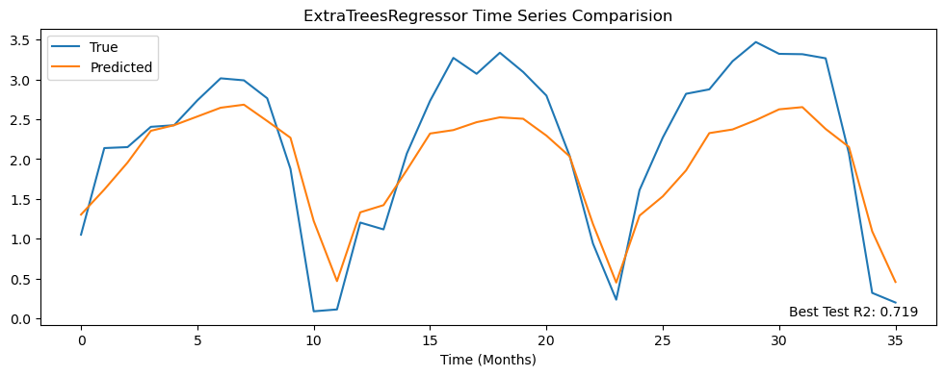
r2 | pearson_corr | r2_plot | mean_ssim | rmse | nrmse | mae | mbe | w_dist | spearman_corr | hit_rate_percent | mean_yearly_hit_rate | mean_monthly_hit_rate
0.53691153625 | 0.73911612879 | 0.71894491865 | 0.52377128601 | 1.7720692608 | 0.17793516012 | 1.199204469 | -0.235412135 | 0.83165608041 | 0.70608302771 | 53.555555556 | 53.666666667 | 38.756235574

KNeighborsRegressor_HKP
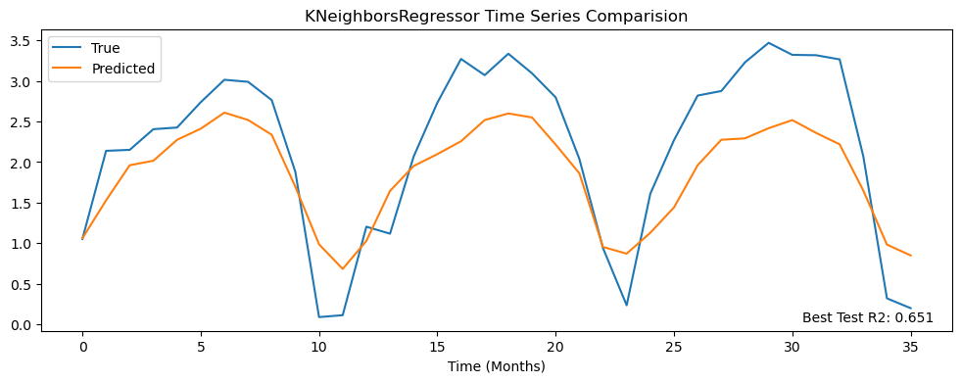
r2 | pearson_corr | r2_plot | mean_ssim | rmse | nrmse | mae | mbe | w_dist | spearman_corr | hit_rate_percent | mean_yearly_hit_rate | mean_monthly_hit_rate
0.50445012521 | 0.72207109774 | 0.65128548192 | 0.49947750568 | 1.8331263343 | 0.18406595895 | 1.2429439535 | -0.3249899559 | 0.88319929 | 0.69410611877 | 54.666666667 | 54.333333333 | 39.844389844

RandomForestRegressor_SQA
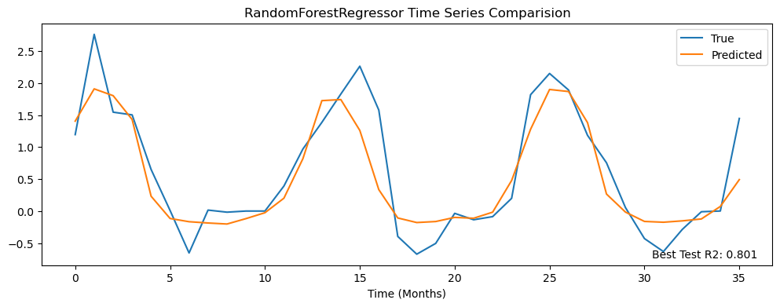
r2 | pearson_corr | r2_plot | mean_ssim | rmse | nrmse | mae | mbe | w_dist | spearman_corr | hit_rate_percent | mean_yearly_hit_rate | mean_monthly_hit_rate
0.44243707803 | 0.66908979672 | 0.8005935204 | 0.39569443464 | 1.2571918811 | 0.096540169958 | 0.74120963197 | -0.090599669194 | 0.44725056676 | 0.58970901367 | 64.555555556 | 64.666666667 | 32.6431406

Variable | Importance
PP | 0.20153418192
mlotst | 0.14538472427
to | 0.14267805816
CHL | 0.070813448423
to_b | 0.063034165429
moon_phase | 0.060702017058
zo | 0.057616986408
CDM | 0.056247715027
so | 0.0549727063
ugo | 0.053105583039
vgo | 0.049353954252
month_sin | 0.026303532888
month_cos | 0.018252926829

ExtraTreesRegressor_SQA
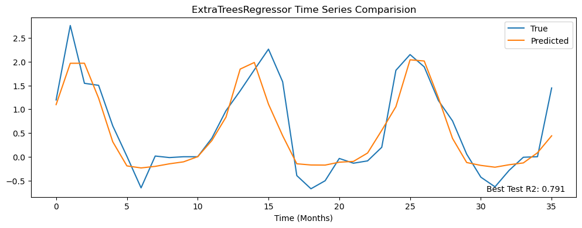
r2 | pearson_corr | r2_plot | mean_ssim | rmse | nrmse | mae | mbe | w_dist | spearman_corr | hit_rate_percent | mean_yearly_hit_rate | mean_monthly_hit_rate
0.43947356772 | 0.66509161629 | 0.79055389503 | 0.41027483344 | 1.2605285122 | 0.096796390937 | 0.72628768947 | -0.086663388995 | 0.43401968013 | 0.6052712986 | 65.444444444 | 65.555555556 | 34.212961401

KNeighborsRegressor_SQA
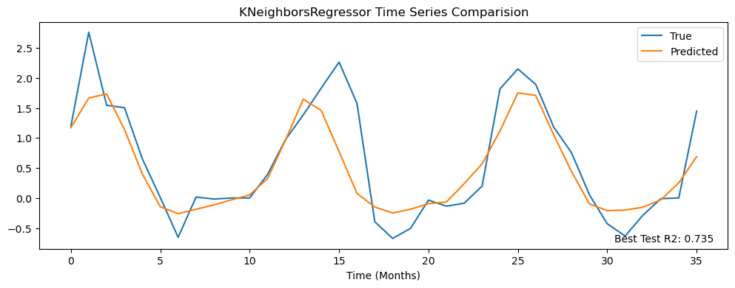
r2 | pearson_corr | r2_plot | mean_ssim | rmse | nrmse | mae | mbe | w_dist | spearman_corr | hit_rate_percent | mean_yearly_hit_rate | mean_monthly_hit_rate
0.40470635463 | 0.6429713396 | 0.73454992615 | 0.39299738407 | 1.2990331929 | 0.09975317778 | 0.74863594338 | -0.1302248792 | 0.45816536342 | 0.57641008539 | 63.888888889 | 63.555555556 | 44.777075623

Ridge_SQA
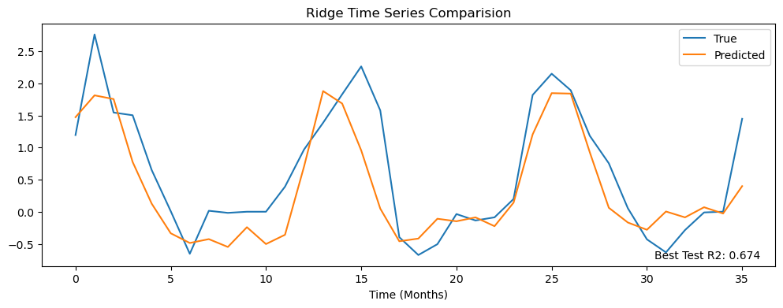
r2 | pearson_corr | r2_plot | mean_ssim | rmse | nrmse | mae | mbe | w_dist | spearman_corr | hit_rate_percent | mean_yearly_hit_rate | mean_monthly_hit_rate
0.23635596037 | 0.55778467655 | 0.67441872014 | 0.22903807461 | 1.4712961731 | 0.11298130758 | 0.99559277296 | -0.24820904434 | 0.53330096078 | 0.45546486685 | 58.666666667 | 59.111111111 | 30.801410484

Variable | Significant_Grid_Ratio | Overall_Impact | Direction
to | 0.30112903226 | 0.14798039198 | Negative (-)
so | 0.23752688172 | 0.028403744102 | Positive (+)
zo | 0.2447311828 | 0.11163769662 | Negative (-)
to_b | 0.28731182796 | 0.070272244513 | Negative (-)
vgo | 0.20634408602 | 0.24062757194 | Negative (-)
ugo | 0.17623655914 | 0.16363298893 | Positive (+)
mlotst | 0.19344086022 | 0.28128358722 | Positive (+)
CDM | 0.13532258065 | 0.39861524105 | Positive (+)
CHL | 0.18107526882 | 0.43528929353 | Negative (-)
PP | 0.21247311828 | 0.3550863266 | Negative (-)
month_sin | 0.83333333333 | 0.13683430851 | Positive (+)
month_cos | 0.83333333333 | 0.1368342936 | Negative (-)
moon_phase | 0 | 0.13110640645 | Negative (-)

Ridge_HKP
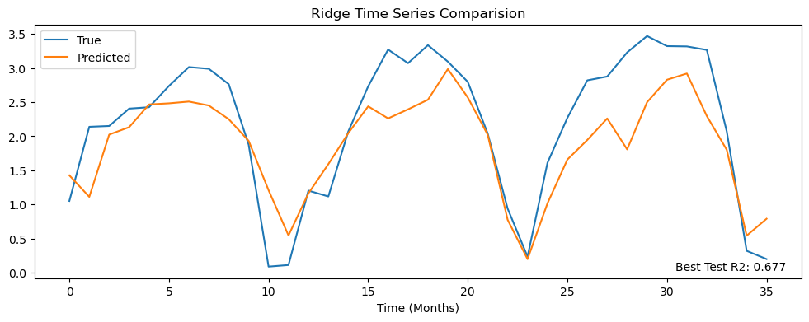
r2 | pearson_corr | r2_plot | mean_ssim | rmse | nrmse | mae | mbe | w_dist | spearman_corr | hit_rate_percent | mean_yearly_hit_rate | mean_monthly_hit_rate
0.4020588994 | 0.65873730183 | 0.67716554778 | 0.45615658164 | 2.0136217912 | 0.20218967947 | 1.3808727264 | -0.29255673289 | 0.798696868 | 0.6258356991 | 49.666666667 | 49.333333333 | 38.003482822

Variable | Significant_Grid_Ratio | Overall_Impact | Direction
to | 0.41946236559 | 0.11407146603 | Positive (+)
so | 0.11284946237 | 0.017711043358 | Negative (-)
zo | 0.13989247312 | 0.06035746634 | Positive (+)
to_b | 0.29069892473 | 0.047903884202 | Positive (+)
vgo | 0.14870967742 | 0.15432959795 | Negative (-)
ugo | 0.13209677419 | 0.11321648955 | Negative (-)
mlotst | 0.21505376344 | 0.21329317987 | Negative (-)
CDM | 0.14489247312 | 0.32195755839 | Negative (-)
CHL | 0.1773655914 | 0.34649136662 | Positive (+)
PP | 0.18870967742 | 0.27518367767 | Positive (+)
month_sin | 0.83333333333 | 0.048881076276 | Negative (-)
month_cos | 0.83333333333 | 0.048881076276 | Positive (+)
moon_phase | 0.083333333333 | 0.14575578272 | Positive (+)

Climatology_HKP
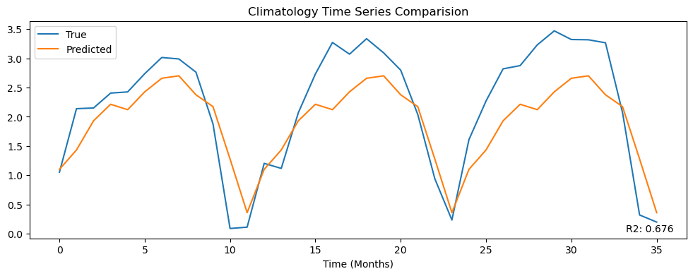
r2 | pearson_corr | r2_plot | mean_ssim | rmse | nrmse | mae | mbe | w_dist | spearman_corr | hit_rate_percent | mean_yearly_hit_rate | mean_monthly_hit_rate
0.52300017764 | 0.73127133934 | 0.67582200845 | 0.51917025726 | 1.7984891384 | 0.18058799271 | 1.1894774044 | -0.28054943066 | 0.78844736002 | 0.70002783374 | 0.54 | 53.888888889 | 40.066612067

Climatology_SQA
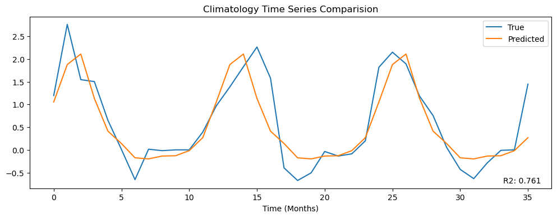
r2 | pearson_corr | r2_plot | mean_ssim | rmse | nrmse | mae | mbe | w_dist | spearman_corr | hit_rate_percent | mean_yearly_hit_rate | mean_monthly_hit_rate
0.41682709184 | 0.64753186149 | 0.76115351985 | 0.20983422878 | 1.2857404135 | 0.098732427017 | 0.72910231155 | -0.075536249108 | 0.40902361509 | 0.57476590451 | 0.64666666667 | 64.444444444 | 46.408846882

