Sheet2
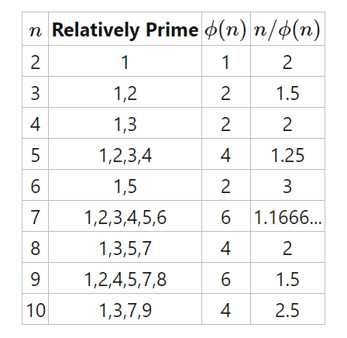

Sheet4
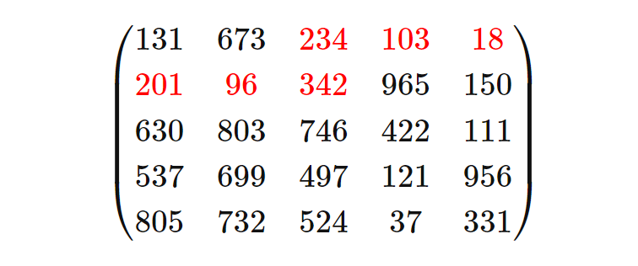
131 234} &amp; \color{red}{103} &amp; \color{red}{18}\\ \color{red}{201} &amp; \color{red}{96} &amp; \color{red}{342} &amp; 965 &amp; 150\\ 630 &amp; 803 &amp; 746 &amp; 422 &amp; 111\\ 537 &amp; 699 &amp; 497 &amp; 121 &amp; 956\\ 805 &amp; 732 &amp; 524 &amp; 37 &amp; 331 \end{pmatrix}
int[][] matrix = {
{131, 673, 234, 103, 18},
{201, 96, 342, 965, 150},
{630, 803, 746, 422, 111},
{537, 699, 497, 121, 956},
{805, 732, 524, 37, 331}
}

