Profits
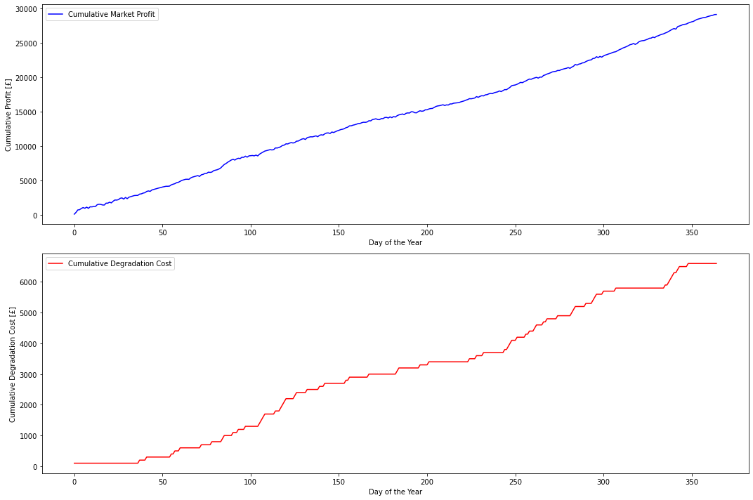
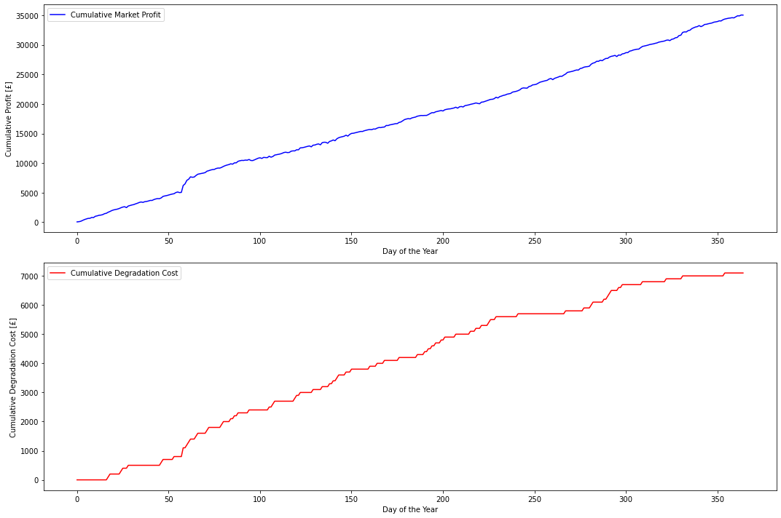
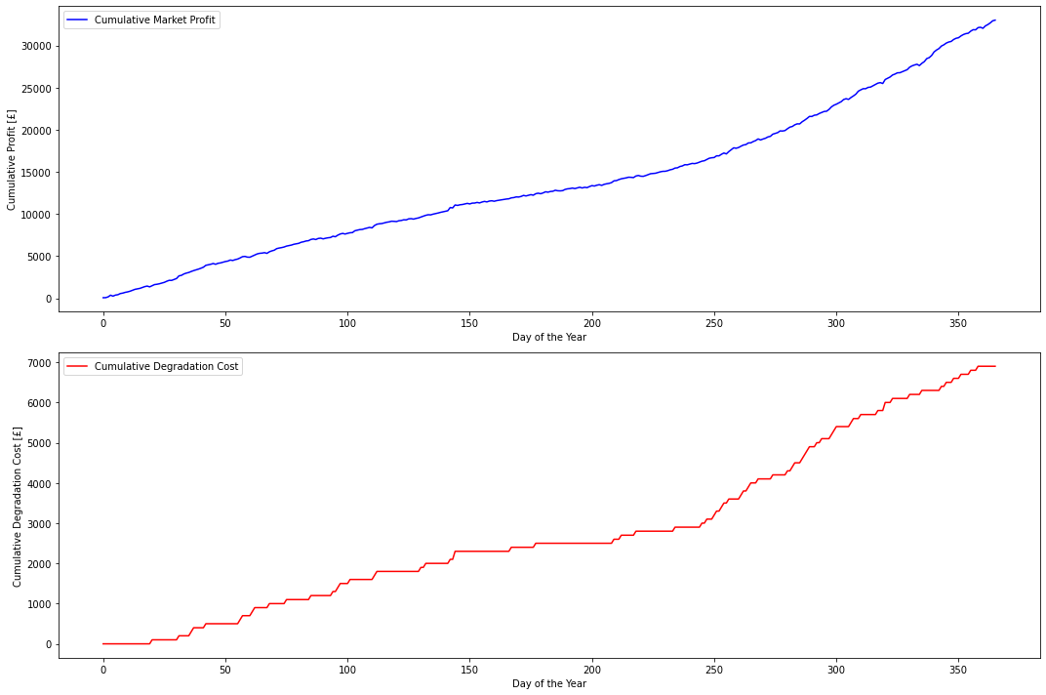
 | Yearly Profit | Yearly Degradation Cost
2018 | 35034.022276 | 7100
2019 | 29106.090639 | 6600
2020 | 33007.509691 | 6900

2018
2019

2020

Comparison_Approach
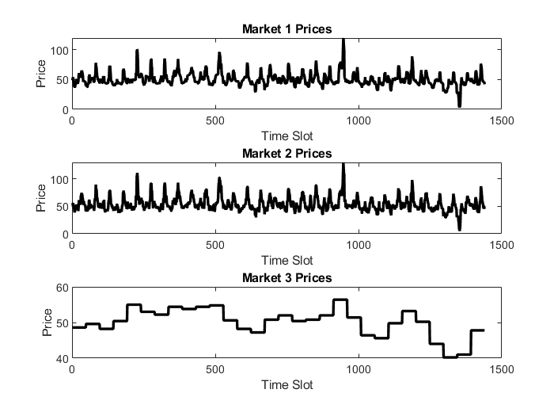
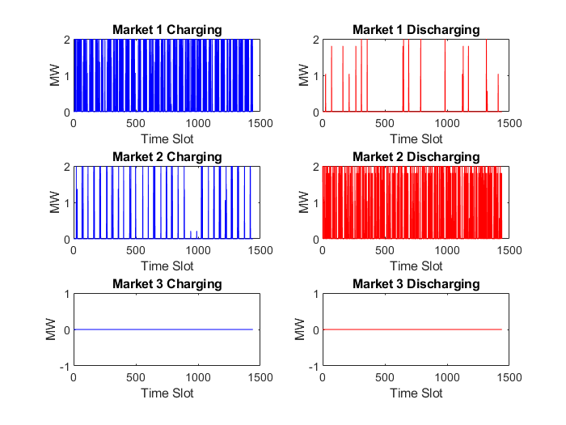
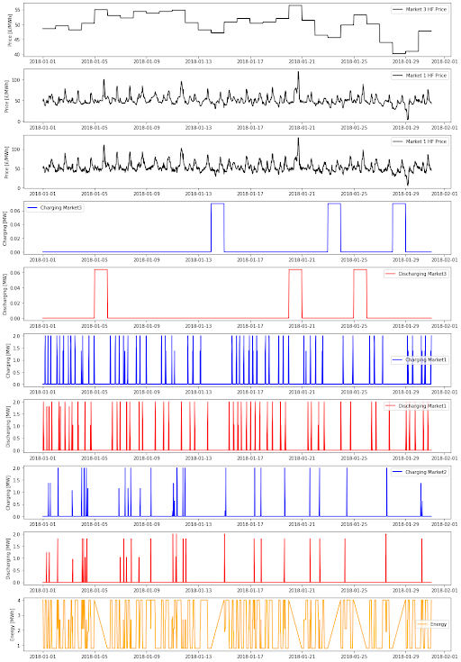
APPROACH 2 (PURELY DETERMINISTIC) NET REVENUE: 6404 Pounds | APPROACH 1 (SEQUENTIAL) NET REVENUE: 3919 Pounds

