KPI Dashboard
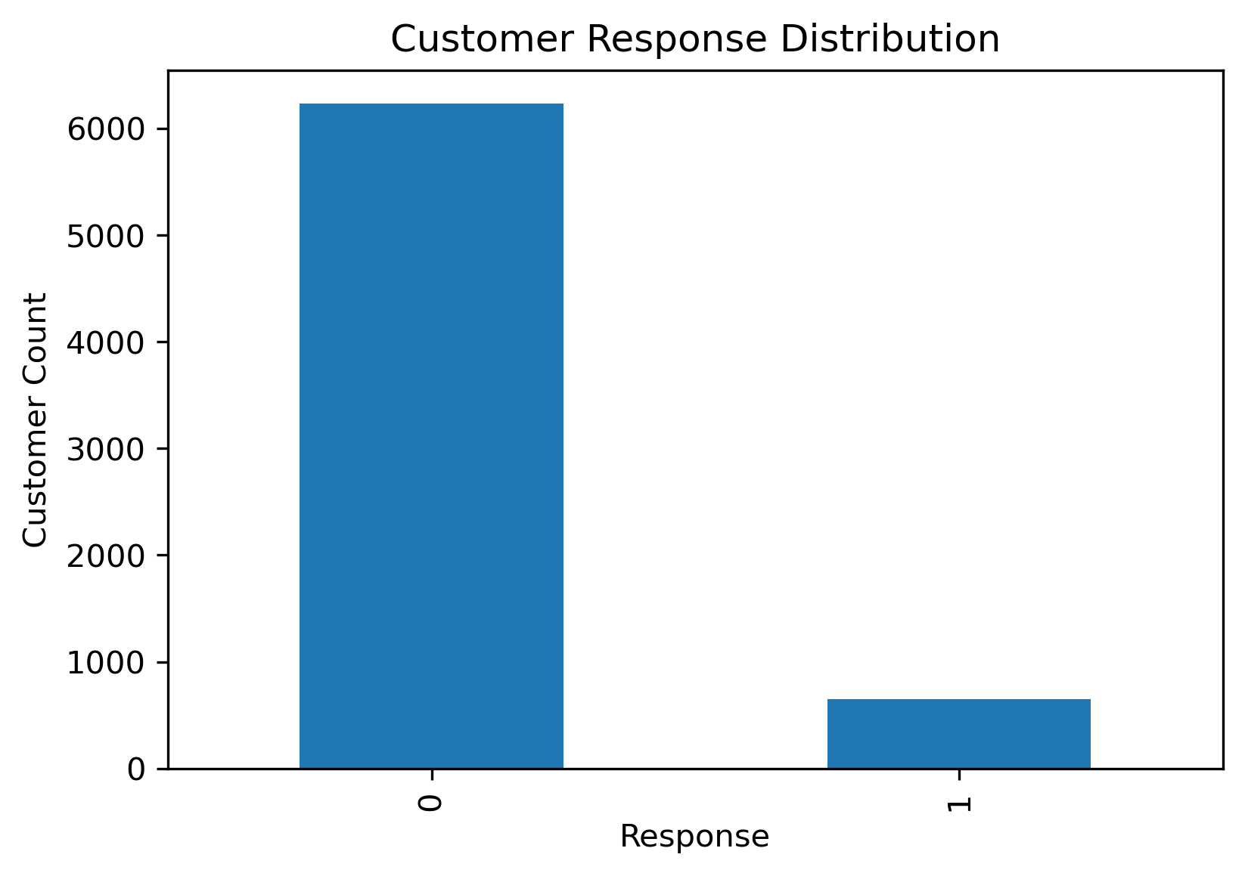
KPI | Value
Total Revenue | 8,123,989
Total Transactions | 125,000
Unique Customers | 6,889
Avg Transaction Value | 64.99
Response Rate | 9.40%

1. Monthly Sales Trend

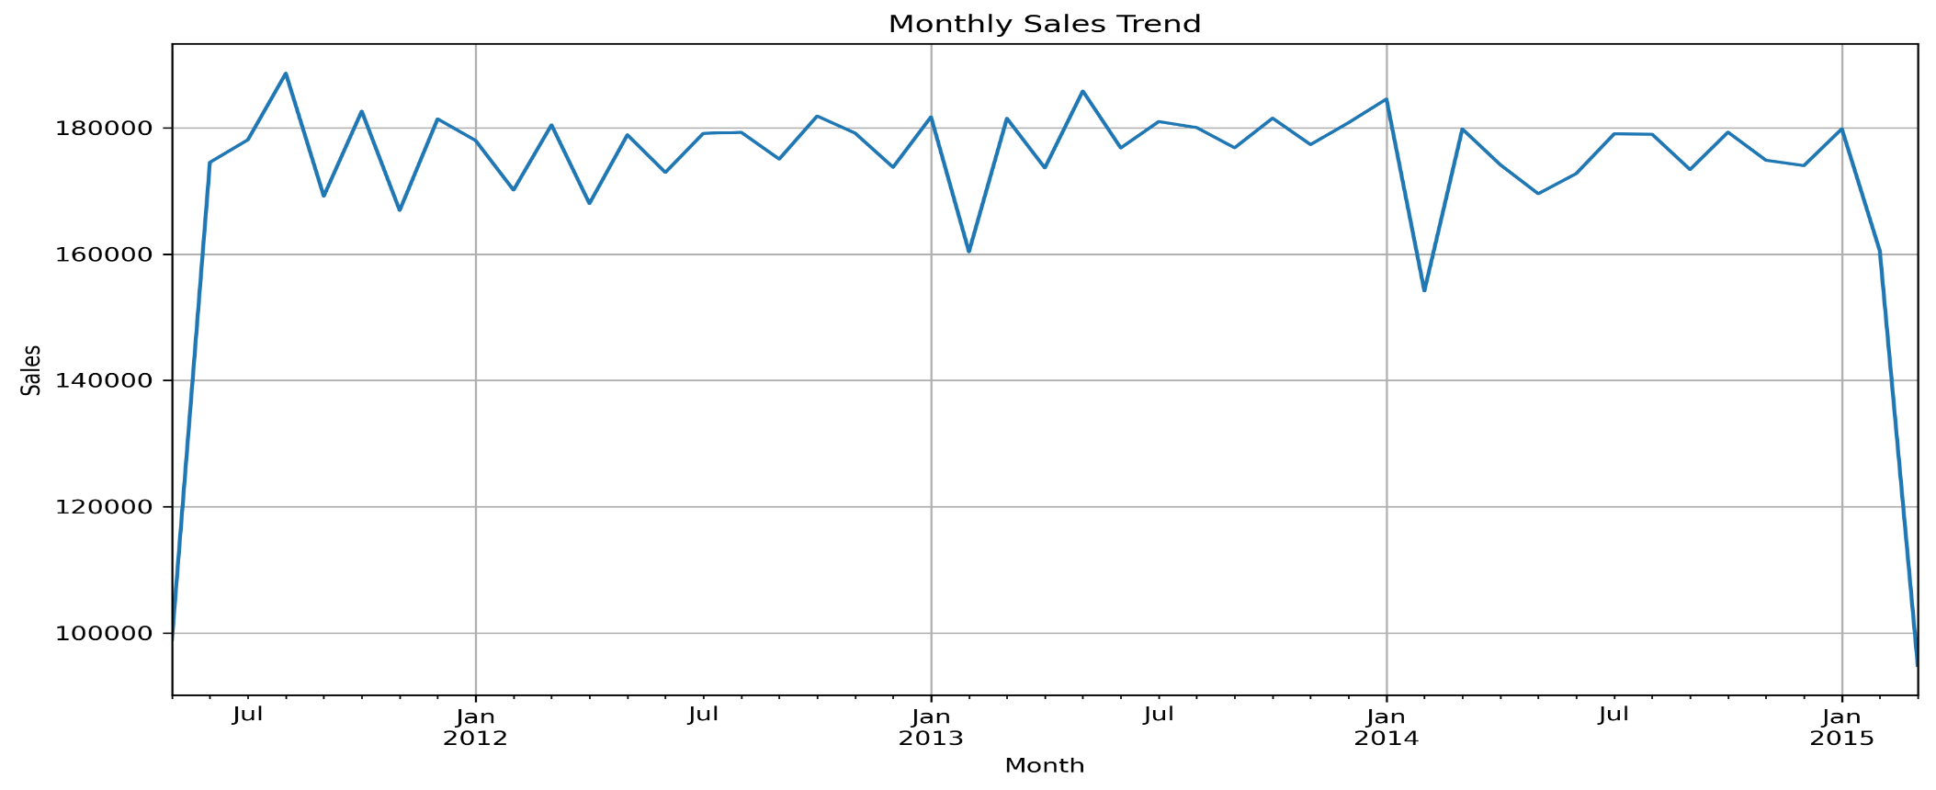

2. Top 10 Customers

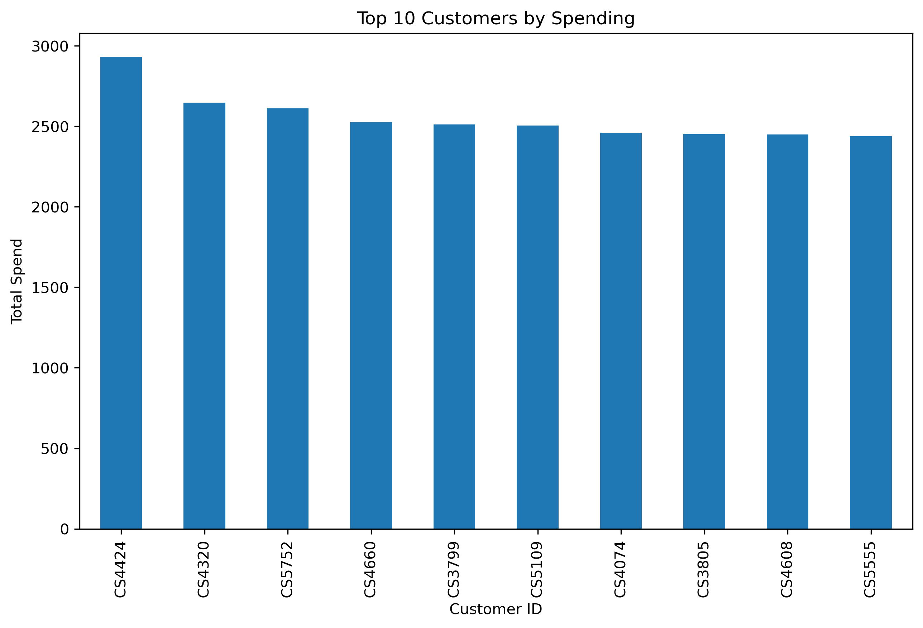

3. Customer Response Distribution

