Questions_with_images
Session | Level | Stem part | A | B | C | D | E | Answer | Explaination
4.4 |  | 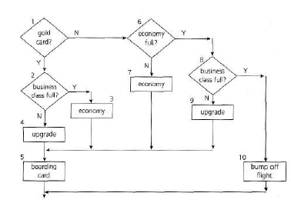 If you are flying with an economy ticket, there is a possibility that you may get upgraded to business class, especially if you hold a gold card in the airline's frequent flier program. If you don't hold a gold card, there is a possibility that you will get 'bumped' off the flight if it is full and you checking in late. This is shown in Figure. Note that each box (i.e. statement) has been numbered. Three tests have been run: Test 1: Gold card holder who gets upgraded to business class Test 2: Non-gold card holder who stays in economy Test 3: A person who is bumped from the flight What is the statement coverage of these three tests? | 60% | 70% | 80% | 90% |  | C
4.3 |  | Given the state diagram in Figure 2, which test case is the minimum series of valid transitions to cover every state? | SS-S1-S2-S4-S1-S3-ES | SS-S1-S2-S3-S4-ES | SS-S1-S2-S4-S1-S3-S4-S1-S3-ES | SS-S1-S4-S2-S1-S3-ES |  | A
4.4 |  | 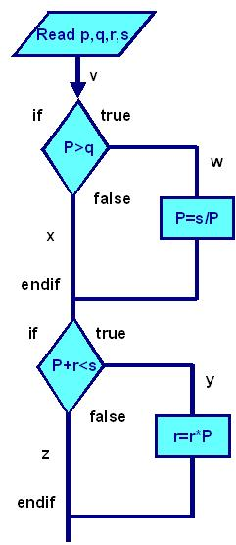 The above diagram represents the following paths through the code. A. vwy B. vwz C. vxy D. vxz What is the MINIMUM combination of paths required to provide full statement coverage? Exhibit: | A | ABD | ABCD | ACD |  | B
4.3 |  | 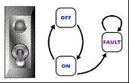 Consider the following state transition diagram of a switch. Which of the following represents an invalid state transition? | OFF to ON | ON to OFF | FAULT to ON | FAULT to FAUNT |  | C
4.3 |  | 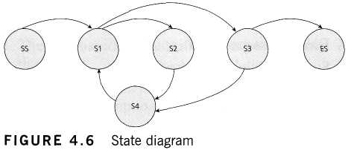 Given the state diagram in Figure 4.6, which test case is the minimum series of valid transitions to cover every state? | SS - S1 - S2 - S4 - S1- S3 - ES | SS - S1 - S2 - S3 - S4 - ES | SS - S1 - S2 - S4 - S1- S3 - S4 - S1- S3- ES | SS - S1 - S4 - S2 - S1- S3 - ES |  | A
4.3 |  | 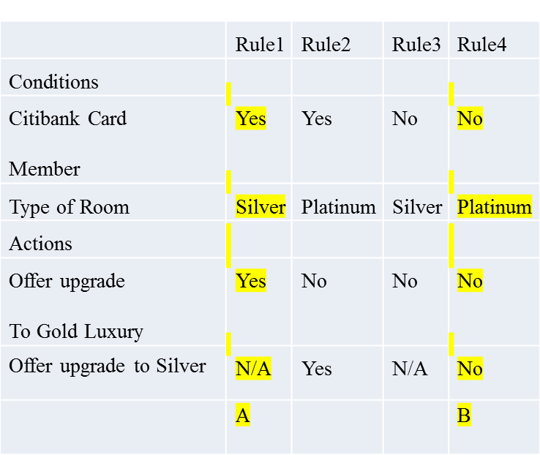 Consider the following decision table. Given this decision table on Card Issue, what is the expected result for the following test cases? A.TC1: Piyush is a 32 year old married, residing in Mumbai India. B.TC3: Yogindernath is a 65 year old married person, residing in Colombo. | A-Issue membership, 10% discount, B-Issue membership, offer no discount. | A-Don’t Issue membership, B-Don’t offer discount. | A-Issue membership, No discount, B-Don’t Issue membership. | Issue membership, No discount, B- Issue membership with 10% discount.
4.3 |  | How many test cases are required to cover 100% 0 - switch coverage respectively from X2? Exhibit: | 4 | 1 | 3 | 2 |  | C
4.3 |  | 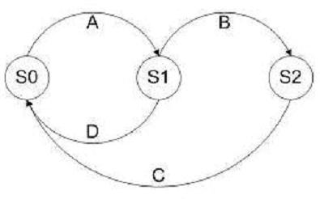 Given the following state transition table, which of the test cases below will cover the following series of state transitions? S1 SO S1 S2 SO | D, A, B, C. | A, B, C, D. | D, A, B. | A, B, C. |  | A
4.3 |  | Given the following state transition diagram Which of the following series of state transitions contains an INVALID transition which may indicate a fault in the system design? Exhibit: | Login Browse Basket Checkout Basket Checkout Pay Logout. | Login Browse Basket Checkout Pay Logout. | Login Browse Basket Checkout Basket Logout. | Login Browse Basket Browse Basket Checkout Pay Logout. |  | C
4.3 |  | 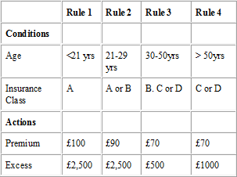 Given the following decision table: Which of the following test cases and expected results is VALID? | 23 year old in insurance class A Premium is 90 and excess is 2,500. | 51 year old in insurance class C Premium is 70 and excess is 500. | 31 year old in insurance class B Premium is 90 and excess is 2,500. | 43 year old in insurance class C Premium is 70 and excess is 1,000. |  | A
4.3 |  | 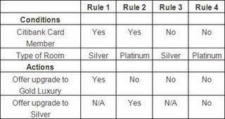 What is the expected result for each of the following test cases? A. Citibank card member, holding a Silver room B. Non Citibank-member, holding a Platinum room | A – Don’t offer any upgrade, B – Don’t offer any upgrade. | A – Don’t offer any upgrade, B – Offer upgrade to Gold. | A – Offer upgrade to Silver, B – Offer upgrade to Silver. | A – Offer upgrade to Gold, B – Don’t offer any upgrade. |  | D

