off_street_name
Replcaement Value
25-21 PARSONS BLVD P/LOT
F/O 2100 WILLIAMSBRIDGE RD
PARKING GMETROPOLITAN AVENUE |  |  |  | Generalisation
PKG. LOT. 40-24 COLLEGE PT.BLVD |  |  |  | Current Value | Replace Value
(BROOKLYN TERMINAL MARKET LOT) |  |  |  | BLVD | BOULEVARD
(BROOKLYN TERMINAL MARKET) |  |  |  | AVE | AVENUE
(LOT OF) 134 AVENUE AND 166 ST |  |  |  | ST | STREET
(LOT OF) 150-32 N CONDUIT AVE
(LOT OF) 170 STREET AND 130 AVENUE
(LOT OF) MERRICK BL AND SPRINGFIELD BLD |  |  |  | Gas station, Park lot
(LOT OF) MERRICK BLVD AND 113 AVE
(LOT OF) SPRINGFIELD BLVD AND 135 AVE
56 (LOT) 113 AVENUE && SUTPHIN BLVD | space
57 (LOT) 113-21 MERRICK BOULEVARD
58 (LOT) 114 AVENUE && FARMERS BLVD
(LOT) 170 STREET && 130 AVE
(LOT) 170 STREET && 130 AVENUE
(LOT) SPRINGFIELD BLVD && 134 AVENUE
(LOT) SPRINGFIELD BOULEVARD AND 134 AVE
(LOT)134 && SPRINGFIELD BLVD PATHMARK
(LOT)134 && SPRINGFIELD BOULEVARD
(LOT)134 AVE && SPRINGFIELD BLVD
(LOT)134 AVE && SPRINGFIELD PATHMARK
(LOT)134 AVENUE && 166 PLACE
(LOT)134 AVENUE && SPRINGFIELD BLVD
(LOT)134-50 SPRINGFIELD BLVD
(LOT)134-50 SPRINGFIELD BOULEVARD
(LOT)137 AVE && 168 ST
(LOT)137 AVE && 168 STREET
(LOT)137 STREET & 135 AVENUE
(LOT)BAISLEY BLVD && 166 STREET
(LOT)BAISLEY BOULEVARD && 166 STREET
(LOT)FARMERS BLVD && LINDEN BLVD
(LOT)FARMERS BLVD && LINDEN BOULEVARD
(LOT)FLB && HOLLIS AVE
(LOT)FLB && HOLLIS AVENUE
(LOT)FLB && HOLLIS AVE
(LOT)FLB && HOLLIS AVENUE
(LOT)HOLLIS AND FLB
(LOT)HOLLIS AVE && FLB
(LOT)SPRINGFIELD BLVD && 133 AVE
(LOT)SPRINGFIELD BLVD && 134 AVE
(LOT)SPRINGFIELD BLVD && 134 AVENUE
(LOT)SPRINGFIELD BLVD && 135 AVE
(LOT)SPRINGFIELD BLVD && 135 AVENUE
(LOT)ROCKAWAY BLVD && N CONDUIT AVE
(LOT)ROCKAWAY BLVD NORTH CONDUIT AVE
(LOT) MERRICK BOULEVARD AND SPRINGFIELD
(LOT)SPRINGFIELD BLVD && MERRICK BLVD
(LOT)SUTPHIN BLVD && 114
(LOT)SUTPHIN BLVD && 114 AVE
(LOT)SUTPHIN BLVD && 114 RD
(LOT) SUTPHIN BOULEVARD && 114 RD
(PARKING LOT #3) 2800 VICTORY BOULEVARD
(PARKING LOT#3) 2800 VICTORY BOULEVARD
10 Malcolm X boulevard
10 Malcolm X Blvd
100 Malcolm X Blvd
10102 Queens Blvd
104-04 DITMARS BOULEVARD
104-04 NORTHERN BOULEVARD
104-04 DITMARS BOULEVARD
104-04DITMARS BOULEVARD
104-05 NORTHERN BOULEVARD
104-04 DITMARS BLVD
104-05 NORTHERN BLVD
108-48 Guy R Brewer Boulevard
108-48 GUY R BREWER BLVD
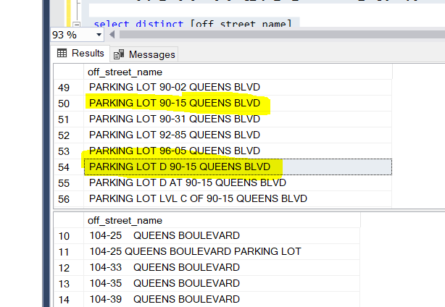
109-41 DITMARS BLVD
109-41 DITMARS BOULEVARD
109-72 FRANCIS LEWIS BOULEVARD
109-72 FRANCIS LEWIS BOULEVARD
110-32 DITMARS BOULEVARD
110-32 DITMARS BLVD
119-01 LEFFERTS BLVD GAS STATION OF
111-19 LEFFERTS BOULEVARD
114-001 BREWER BOULEVARD
114-01 BREWER BOULEVARD
119-13 BREWER BOULEVARD | 119-13 Guy R Brewer Blvd - found from maps

104-25 QUEENS BOULEVARD
104-25 QUEENS BOULEVARD PARKING LOT
125-01 QUEENS BOULEVARD
125-01 QUEENS BOULEVARD PARKING LOT OF |  | HOOK CREEK | HOOKCREEK

REAR LOADIG DOCK 96-05 QUEENS BLVD
REAR LOADING DOCK 96-05 QUEENS BLVD
PARKING LOT OF 153-55 CROSS IS PWY
PARKING LOT OF 153-55 CROSS ISLAND PKWY

120-86 QUEENS BOULEVARD
1200 VICTORY BOULEVARD | Available
1201 HYLAN BOULEVARD
121 BRUCKNER BOULEVARD
121-000 HOOK CREEK BOULEVARD
121-05 SUTPHIN BOULEVARD
121-07 SPRINGFIELD BOULEVARD
121-10 ROCKAWAY BOULEVARD
121-16 FARMERS BOULEVARD
121-39 BROOKVILLE BOULEVARD
1214 SOUTHERN BOULEVARD
1215 CAPODANNO BOULEVARD
122 MC GUINNESS BOULEVARD
122-05 MERRICK BOULEVARD
122-11 BREWER BOULEVARD

(PARKING LOT) 134-40 SPRINGFIELD BLVD
PARKING LOT OF 134-40 SPRINGFIELD BLVD
PARKING LOT 131-35 AVERY AVE
PARKING LOT OF 131-35 AVERY AVE
PARKING LOT OF 100 LUTEN AVE
PARKING LOT OF 100 LUTEN AVENUE
101-10 METROPOLITAN AVE PARKING LOT
101-10 METROPOLITAN AVENUE PARKING LOT
107-01 AVE D (PARKING LOT)
10701 AVENUE D (PARKING LOT)
PARKING LOT OF 110-00 ROCKAWAY BLVD
PARKING LOT OF 110-00 ROCKAWAY BOULEVARD
PARKING LOT OF 111 E. 210 ST
PARKING LOT OF 111 E. 210 STREET
1134 Parking lot
1200 WATERS PLACE - PARKING LOT
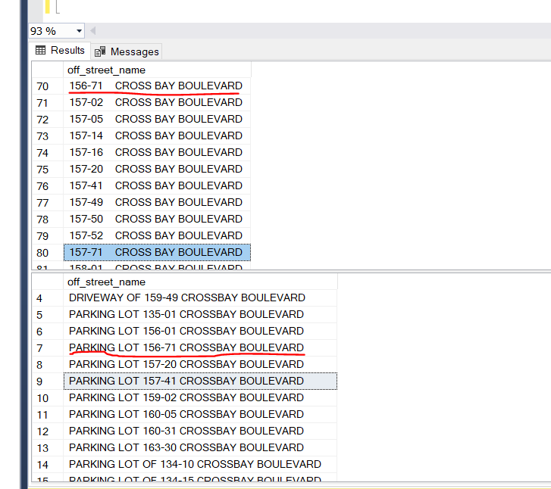
1200 WATERS PLACE PARKING LOT
123-12 101 AVE PARKING LOT OF
123-12 101 AVENUE PARKING LOT OF
125-01 QUEENS BLVD PARKING LOT
125-01 QUEENS BLVD PARKING LOT OF
125-01 QUEENS BOULEVARD PARKING LOT OF
1250 WATERS PLACE - PARKING LOT
1250 WATERS PLACE PARKING LOT
1250 WATERS PLACE/PARKING LOT
PARKING LOT OF 134-15 CROSS BAY BOULEVAR
PARKING LOT OF 134-15 CROSSBAY BOULEVARD
PARKING LOT OF 135-35 CROSSBAY BOULEVARD
PARKING LOT OF 135-45 CROSS BAY BOULEVAR
PARKING LOT OF 135-45 CROSSBAY BOULEVARD
PARKING LOT OF 137-05 20 AVE
PARKING LOT OF 137-05 20 AVENUE
137-05 20 AVENUE (PARKING LOT OF)
PARKING LOT OF 139-07 HILLSIDE AVE
PARKING LOT OF 139-07 HILLSIDE AVENUE
PARKING LOT OF 139-29 HILLSIDE AVE
PARKING LOT OF 139-29 HILLSIDE AVENUE
PARKING LOT OF 139-43 QUEENS BLVD
PARKING LOT OF 139-43 QUEENS BOULEVARD
PARKING LOT OF 140 58 ST
PARKING LOT OF 140 58 STREET
2800 VICTORY BOULEVARD
2800 VICTORY BOULEVARD
2800 VICTORY BOULEVARD PARKING LOT
2800 VICTORY BOULEVARD PARKING LOT
2800 VICTORY BOULEVARD (PARKING LOT #3)
2800 VICTORY BOULEVARD (PARKING LOT)
P/L OF VICTORY BLVD AND BRADLEY AVE
P/L OF VICTORY BLVD AND STEWART AVE
P/L RICHMOND AVE & VICTORY BLVD
P/L VICTORY BLVD & TRAVIS AVENUE
P/LOT OF 2800 VICTORY BLVD
PAKING LOT 2800 VICTORY BLVD
PARKING LOT 2800 VICTORY BLVD
PL OF 2800 VICTORY BLVD
PL 2070 VICTORY BLVD
PL 2800 VICTORY BLVD
PL 3135 VICTORY BLVD
PL 3579 VICTORY BLVD
PL OF 3521 VICTORY BLVD
PL OF RICHMOND AVE AND VICTORY BLVD
PL OF RICHMOND AVENUE AND VICTORY BLVD
PL OF VICTORY BLVD AND BRADLEY AVE
PL OF VICTORY BLVD AND BRADLEY AVENUE
PARKING LOT 104-25 QUEENS BLVD
PARKING LOT 10425 QUEENS BLVD
138-37 QUEENS BOULEVARD
PARKING LOT OF 138-37 QUEENS BLVD
1759 HYLAN BOULEVARD
P/L 1759 HYLAN BLVD
PARKING LOHYLAN BOULEVARD
P/L OF 2425 HYLAN BOULEVARD
P/L 2425 HYLAN BLVD
P/L OF 2626 HYLAN BOULEVARD
P/L 2626 HYLAN BLVD
BRUCKNER BLVD&HUTCH RVR PKWY
BRUCKNER BLVD&HUTCH. RVR. PKWAY
HUTCH.RVR.PKWY S & BRUCKNER BLVD
1505 BRUCKBRUCKNER BLVD
(LOT)SUTPHIN BOULEVARD && 114
119-14 SUTPHIN BOULEVARD
PARKING LOT 119-14 SUTPHIN BLVD
88-11 SUTPHIN BOULEVARD
PARKING LOT 88-11 SUTPHIN BLVD
(LOT)SPRINGFIELD BOULEVARD && 133 ROAD
(LOT)SPRINGFIELD BOULEVARD && 134 AVE
(LOT)SPRINGFIELD BOULEVARD && 135 AVE
(LOT) SPRINGFIELD BLVD && 134 AVENUE
(LOT OF) SPRINGFIELD BLVD AND 135 AVE
PARK LOT: 61-44 SPRINGFIELD BLVD
REAR 61-43 SPRINGFIELD BOULEVARD
REAR OF:61-43 SPRINGFIELD BOULEVARD
(LOT OF)N CONDUIT AVE AND ROCKAWAY BLVD
(LOT) ROCKAWAY BLVD && N CONDUIT AVE
(LOT)NORTH CONDUIT && ROCKAWAY BLVD
(LOT)ROCKAWAY BLVD && N CONDUIT
(LOT)ROCKAWAY BLVD && N CONDUIT AVE
(LOT)ROCKAWAY BLVD NORTH CONDUIT AVE
(LOT)ROCKAWAY BOULEVARD & N CONDIUT
156-08 ROCKAWAY BOULEVARD
P/L 156-08 ROCKAWAY BLVD
PKG LOT OF 254-02 ROCKAWAY BLVD
PKG LOT 168-35 ROCKAWAY BLVD
PARKING LOT: 110-00 ROCKAWAY BOULEVARD
PARKING LOT 110-00 ROCKAWAY BLVD
(LOT)FARMERS BLVD & LINDEN BLVD
(LOT)MERRICK BLVD && FARMERS BLVD
P/L 133-33 BROOKVILLE BLVD
P/L 138-20 BROOKVILLE BLVD
P/L 248-12 BROOKVILLE BLVD
248-12 BROOKVILLE BOULEVARD
1145 SOUTHERN BOULEVARD
PARKING LOT 1145 SOUTHERN BLVD
PARKING LOT 2900 SOUTHERN BLVD
PARKING LOT OF 2900 SOUTHERN BLVD
PARKING LOT OF 251 CAPODANNO BOULEVARD
P/L OF 251 CAPODANNO BLVD
625 CAPODANNO BOULEVARD
625 Father Capodanno Blvd
212 MCGUINNESS BLVD
212 MC GUINNESS BOULEVARD
(LOT)132-20 MERRICK BLVD
(LOT) 132-20 MERRICK BOULEVARD
(LOT)MERRICK BOULEVARD && FARMERS BOULEV
(LOT)BAISLEY BLVD && MERRICK BLVD
(LOT)MERRICK BLVD && BAISLEY BLVD
(LOT)MERRICK BLVD && FARMERS BLVD
(LOT)MERRICK BLVD && SPRINGFIELD BLVD
(LOT)SPRINGFIELD BLVD && MERRICK BLVD
PKG LOT 220-17 MERRICK BLVD
(LOT) BREWER BLVD && BAISLEY BLVD
(LOT)BAISLEY BLVD && BREWER BLVD
(LOT)BAISLEY BLVD BREWER BLVD
(LOT)BREWER BLVD && BAISLEY BLVD
(LOT)BREWER BLVD && BAISLY BLVD
PKG LOT 134-50 GUY R BREWER BLVD
134-50 GUY R BREWER
P/L OF 110 GUYON AVENUE
(LOT)137 AVE && 168 ST
(LOT)137 AVE && 168 STREET
(LOT)BAISLEY BOULEVARD AND 165 STREET
(LOT)BAISLEY BLVD AND 165 STREET
YORK AVENUEAST 62 ST
YORK AVENUEAST 62 STREET

