Defect Report-CaseStudy
Defect ID | Defect Description | Steps to Reproduce | Priority | Severity | Status | Created By | Assigned To | Screenshot
1 | System does not update the profile | 1.Open Microsoft Edge Browser 2.Navigate to MakeMyTrip.com 3.Create account 4.Click on My Profile 5.Update mobile number 6.Observe the system behaviour as it is not updating the mobile number | High | Critical | New | Ruchika Sharma | Raghavendra BN | 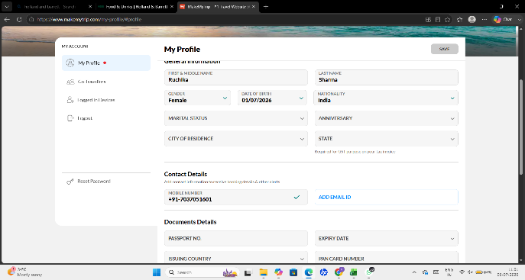
2 | Search Filters are not retained | 1.Open Microsoft Edge Browser 2.Navigate to MakeMyTrip.com 3.Create account 4. Search the flight by applying some filters 5. Click on Search 6. After navigating back to search results applied filters are reset | High | Major | New | Ruchika Sharma | Raghavendra BN
3 | Hotel listing is delayed even after the good internet connection | 1.Open Microsoft Edge Browser 2.Navigate to MakeMyTrip.com 3.Create account 4. Search for hotels in any location 5. Hotels are displayed after a noticable delay | Medium | Major | New | Ruchika Sharma | Raghavendra BN | 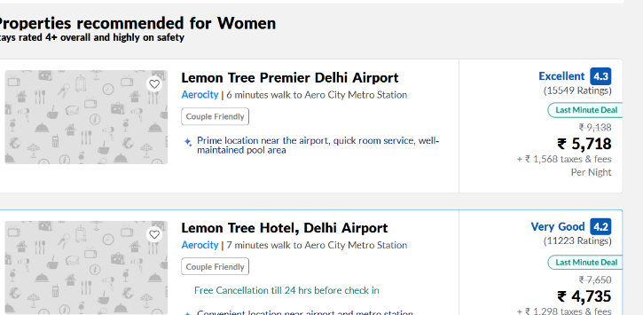
4 | There are 9 passengers allowed at one time but it is allowing 10 passengers | 1.Open Microsoft Edge Browser 2.Navigate to MakeMyTrip.com 3.Create account 4. Search for any flight 5. Select the number of travellers 6. Observe that the maximum number of travellers is more than 9 | Medium | Minor | New | Ruchika Sharma | Raghavendra BN | 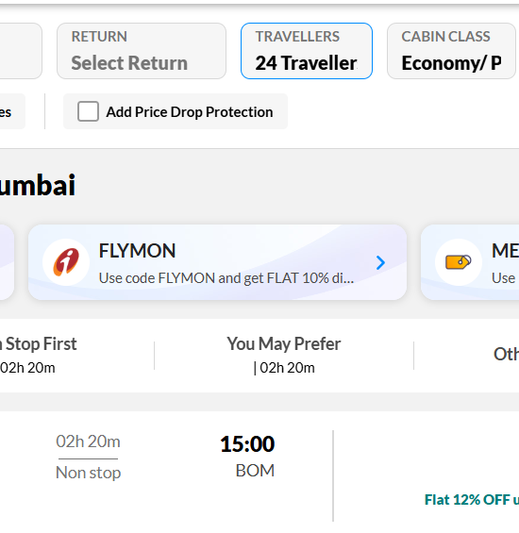
5 | Browser back button resets all the entered data | 1.Open Microsoft Edge Browser 2.Navigate to MakeMyTrip.com 3.Create account 4.Select hotels by applying filters 5.Click back button the browser 6.Observe that all the filters are reset | High | Major | New | Ruchika Sharma | Raghavendra BN

