GUI_Testing
S.No. | GUI Description | Actual Value | Expected Value | Status | Screenshot
1 | Verify MakeMyTrip logo is displayed properly on Home page. | Observed as Expected | UI should match design specification. | Passed | 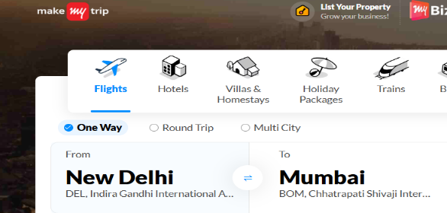
2 | Verify header navigation menu alignment. | Observed as Expected | UI should match design specification. | Passed
3 | Verify Flight search panel alignment and spacing. | Observed as Expected | UI should match design specification. | Passed | 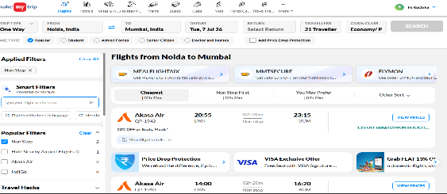
4 | Verify Source and Destination fields alignment. | Observed as Expected | UI should match design specification. | Passed | 
5 | Verify Date picker calendar UI. | Observed as Expected | UI should match design specification. | Passed | 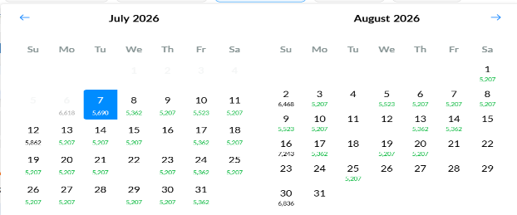
6 | Verify Search button appearance and alignment. | Observed as Expected | UI should match design specification. | Passed | 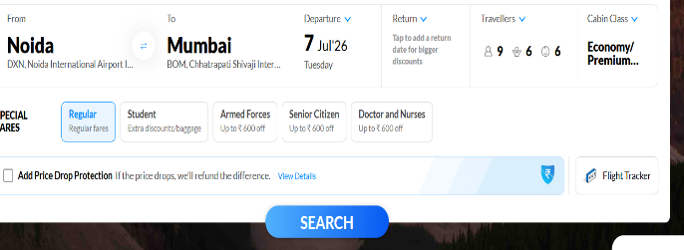
7 | Verify fonts, labels and hyperlinks readability. | Observed as Expected | UI should match design specification. | Passed | 
8 | Verify icons and images clarity. | Observed as Expected | UI should match design specification. | Passed | 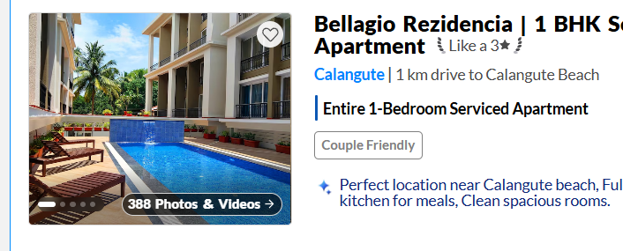
9 | Verify responsive layout without overlapping controls. | Observed as Expected | UI should match design specification. | Passed
10 | Verify validation message formatting for blank search. | Observed as Expected | UI should match design specification. | Passed | 