DataAnalysisDashbord
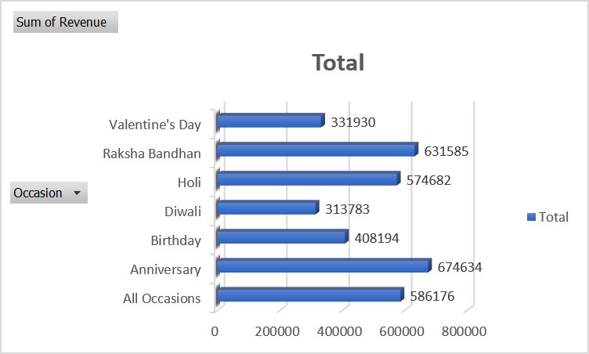
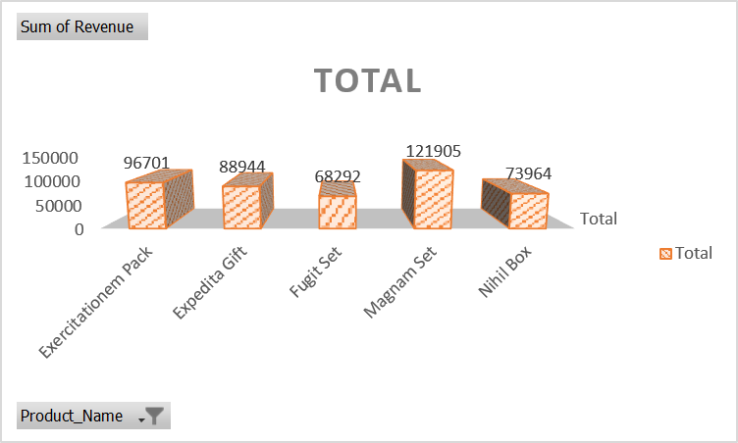
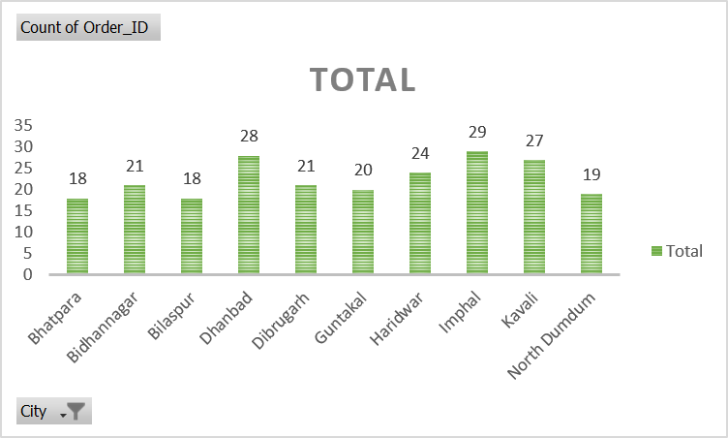
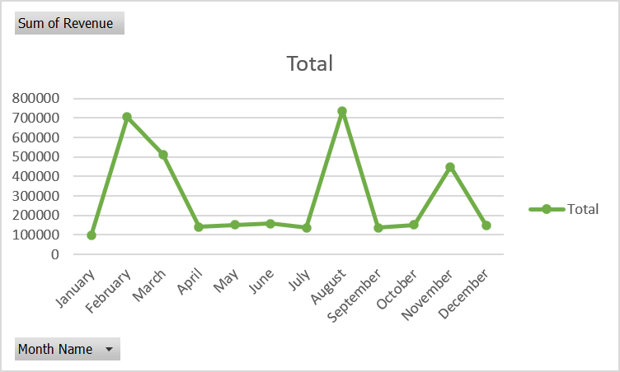
Revenue by Category
 | Total
Cake | 2204
Colors | 67557
Mugs | 1605
Plants | 44133
Raksha Bandhan | 74076
Soft Toys | 60422
Sweets | 199172
Sales Analysis
1000
Total Order
₹ 35,20,984.00
Total Revenew
5.53
Average Dayes O & D
₹ 3,520.98
Avg Cust's Spent

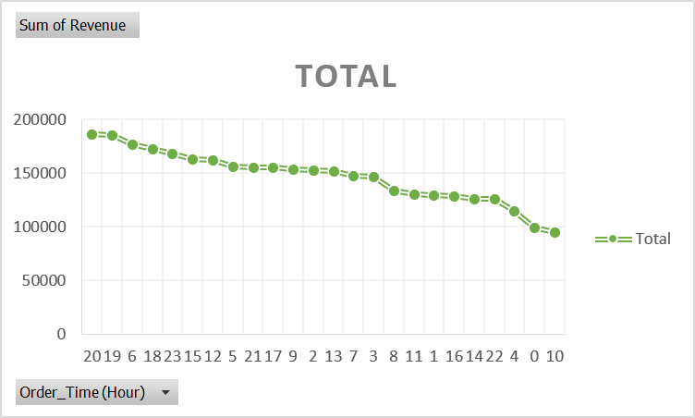
Revenue by Months
 | Total
January | 95468
February | 704509
March | 511823
April | 140393
May | 150346
June | 157913
July | 135826
August | 737389
September | 136938
October | 151619
November | 449169
December | 149591

