STEPS
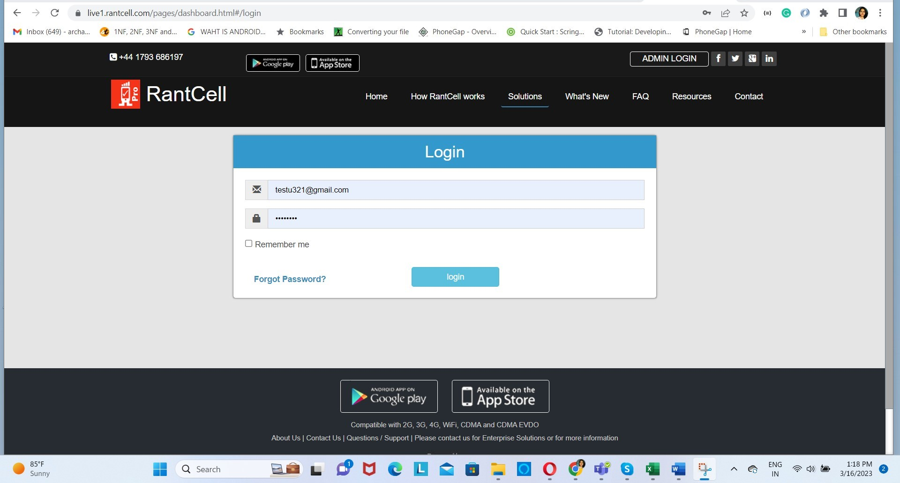
 | Steps to reach view
 | Open Chrome
 | Open URL(from UserInput_Login)
 | Click login
 | Enter User name-psw
 | Press login button

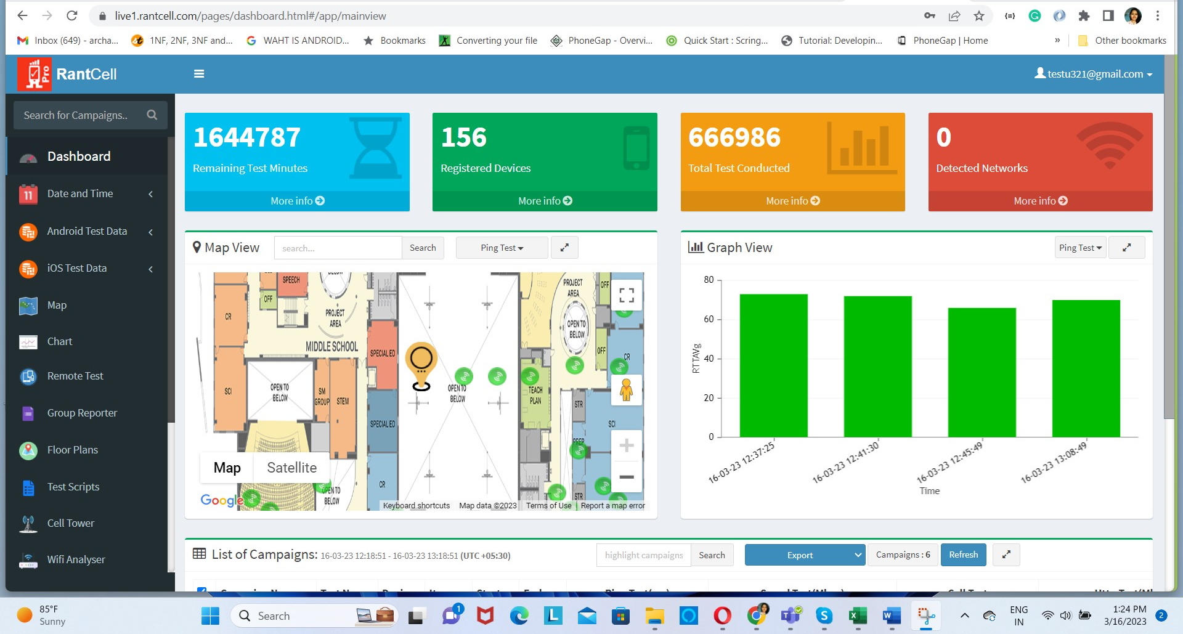
 | You are now on Landing page

 | Unselect all existing campaigns

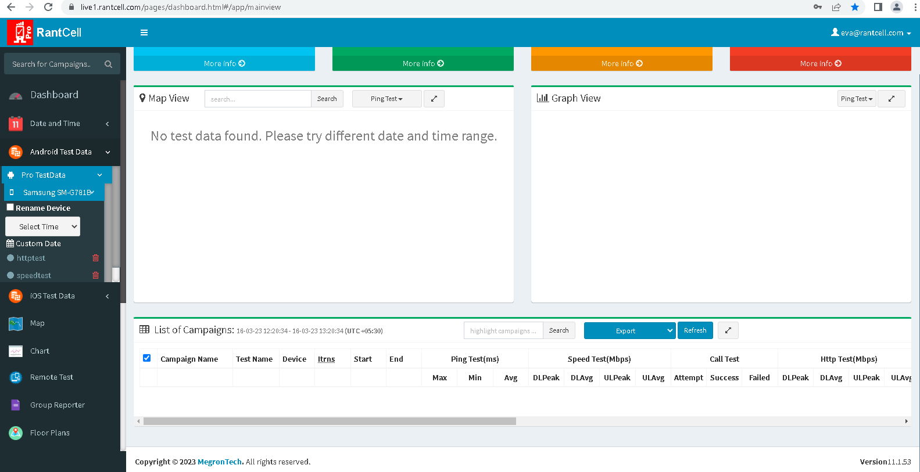

 | Go to Android Test Data
 | Go to Pro Test Data
 | Select required Device(From UserInput Data)
 | Select required Campaigns(From UserInput Data)

 | Campaign(s) are now loaded
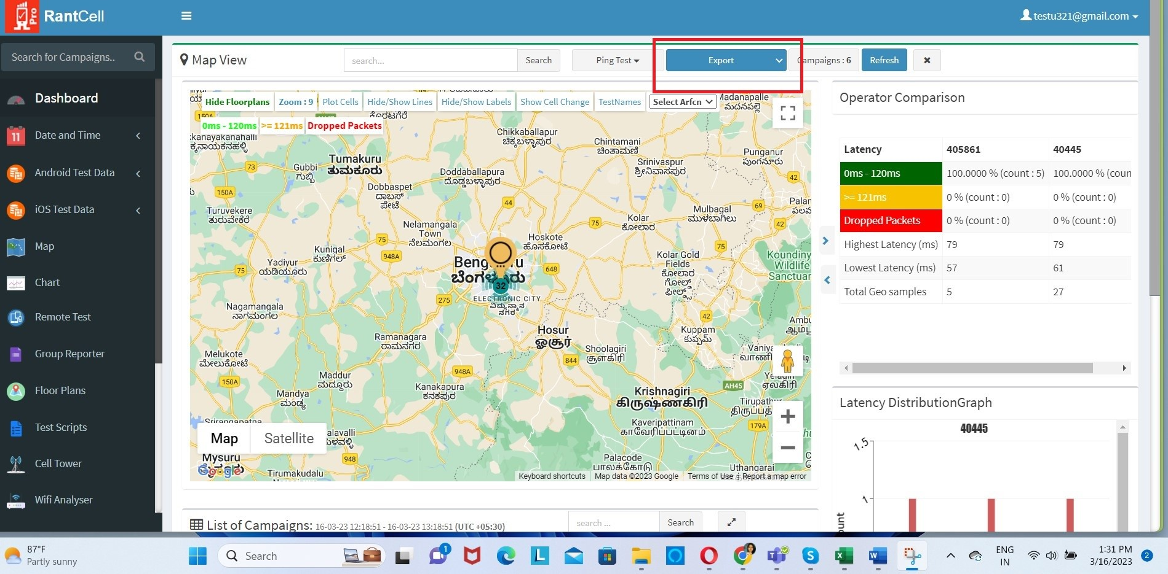
1 | Combined
2 | Combined Binary
3 | Survery Test Report(Only for Idle and SSV mode)
4 | HandOver Export
5 | Export as pdf(just new window)
6 | Export Summary
7 | Export Downloading
8 | Export Empty

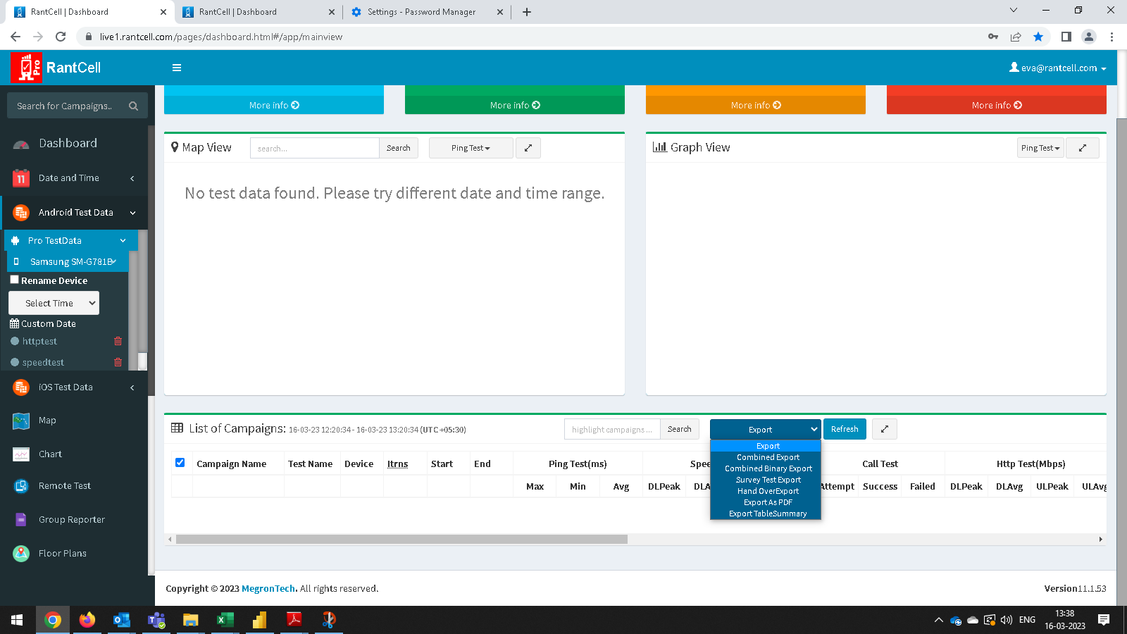
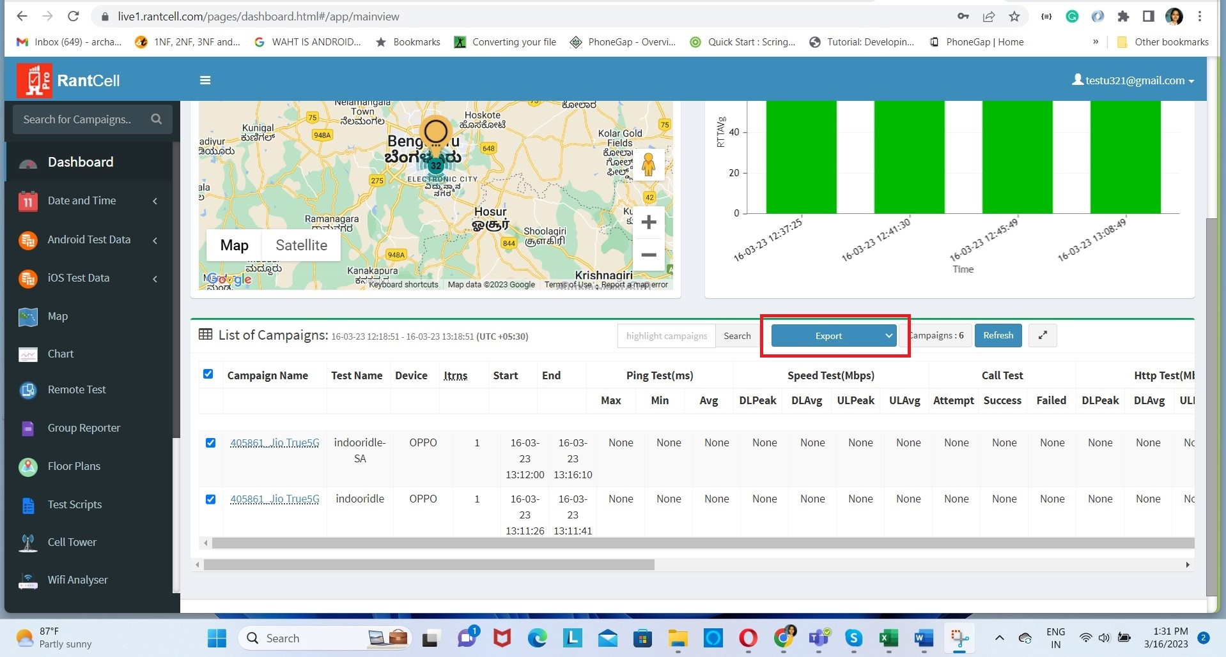

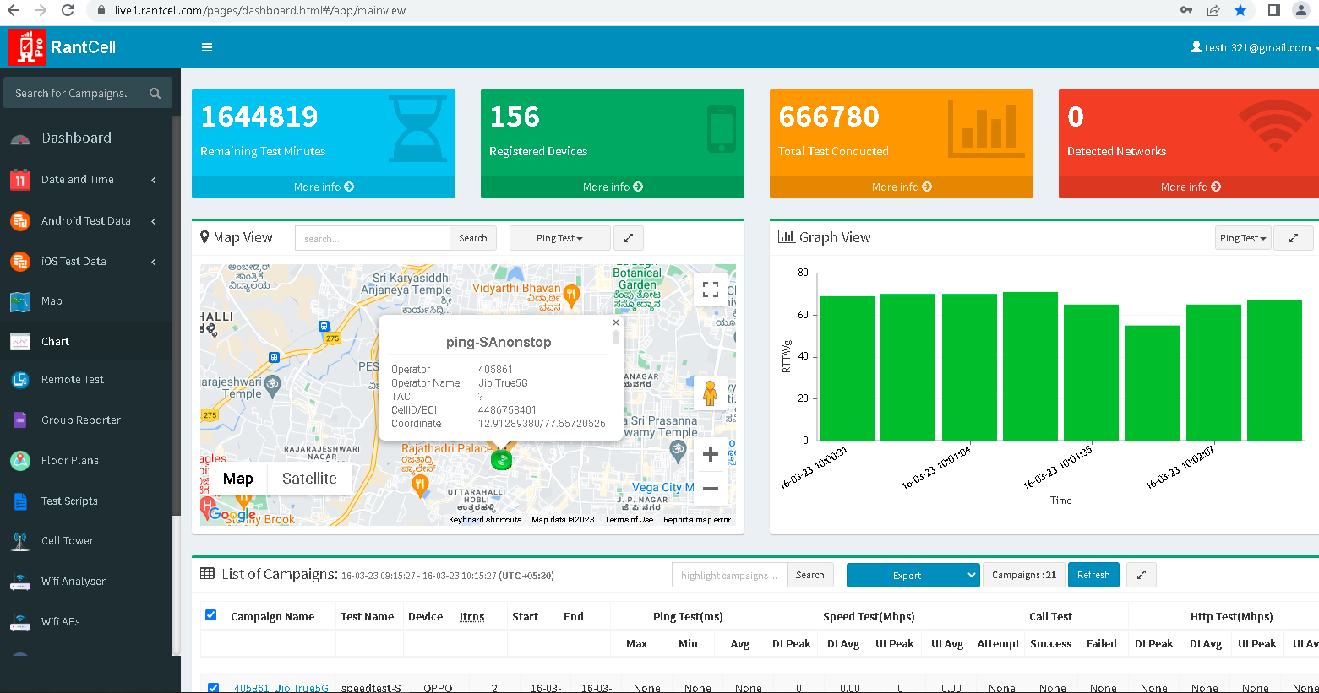

9 | Map View Loading
10 | Expanded Map View Loading
11 | Map View Data Points

12 | Graph View Loading
13 | Expanded Graph View Loading

15 | Table View Loading
16 | Expanded Table View Loading

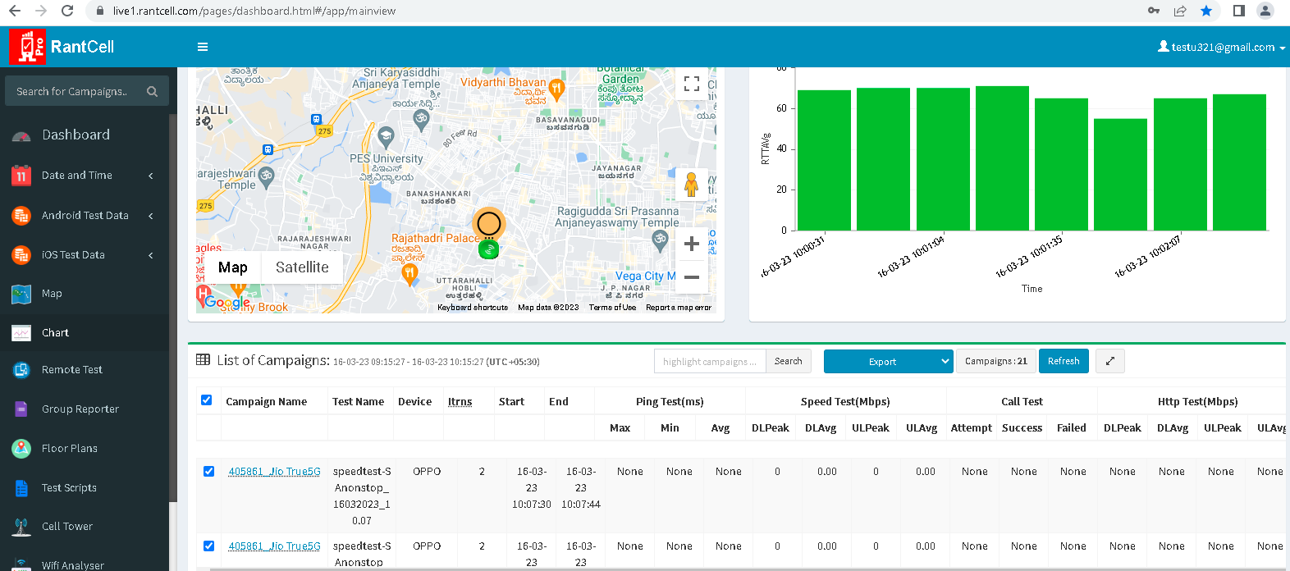

14 | Popup view loading

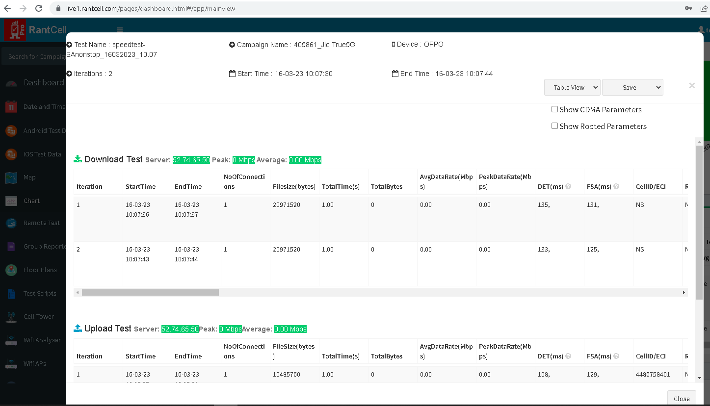

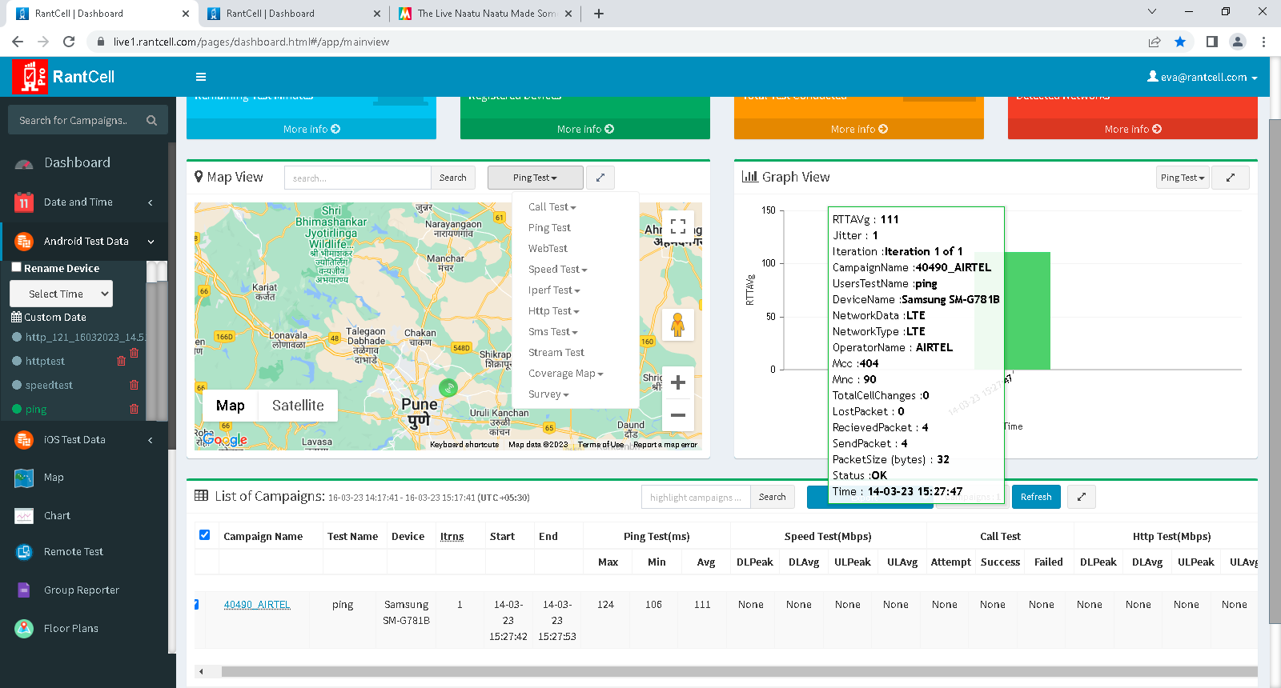
 | From the mail view Test views can be accesed:

