Sheet1
Change Request Items: | Details (if any) | Question

1. Customized special edition | Folder 'Customized edition' | Is the this customized theme button, if so then is this supported before prototype? This is A LOT OF WORK, since artist needs to provide equivalent arts for ALL the arts that needed to be customized. Milestone 3 is set to Dec 16 deadline and I don’t think this is doable.
2. Level access conditions | Word doc 'Level access conditions' | This is doable for Dec 16 (Milestone 3) deadline.
3. Redo graphics | Folder 'Graphics' | Please provide the graphics before Friday Dec 12.
lETS MAKE THIS INTO A SEPARATE SPRITESHEET
4. Admin Panel | in the monetization part, the pricing is not exactly in line with the « online shop pricing » from my consolidated feedback word document. Most important is that « purchasing 20 hits + 20 seconds » should come together as a package of « 20 hits AND 20 seconds ». No need to split between « hits » purchasing only and « seconds » purchasing only. Will be easier (and better deal for value) to have both hits and seconds mixed in the same purchase. Because now there will be a timer on every level | In Admin Panel, "Extra Seconds" and "Extra hits" prices are used in purchasing when a time runs out OR Hits runs out but NOT together. This prices appear at the bottom or the challenge message box, as described by Front End Screen Architecture Front End - Level 1-3 tutorial - WG - 23 oct 2014.pptx. If client is planning to make it like "20 hits + 20 seconds" the button is so small for that information and will NOT make sense if we offer 20 hits and 20 seconds IF user just run out of hits or run out of seconds only, and since the cost will be higher if individual, it will be costly to user. But if client decided to push on this then the following are needed. 1. FInal Decision from client 2. changed in admin page 3. change in pricing module in game 4. changed of entry in database (local and live) 5. changed of handling of the buttons in the game. .. this alone is an impact to the current pricing and monetization architecture, this is doable in Dec 16 deadline BUT because there are MORE things to support, this becomes imposible. For this to be implemented PLEASE finalize this with client as there are things that needed modification, including the button implementation (See image). |  | 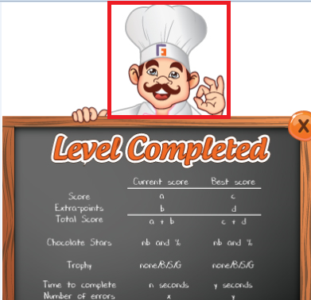
5. The unlock option should be accessible 1) at the end of the level if you missed it and if technically feasible 2) in the general level screen when you press the lock of the boxes of the Level N+1. | For each end level score, in the « level leaders » box, beside the « retry » and « share » buttons, please add a third one « next level ». If the player has unlocked the level, it will lead you to Level N+1. If the player has not unlocked the level, then it will propose you to pay to unlock (please refer to « online shop pricing » section in the word document). Such a « next level » button would be more intuitive than closing the box by pressing the X on top right. Online Shop Pricing: Instead of this « saving option » I have replaced by « unlock next level option ». In case, the player fails in unlocking the next level and wants to progress faster in the game, then he can pay 60 chocolate stars to unlock the solo Level N+1 and duo Level N. | Please provide the necessary art before Dec 12. Also if you can separate the Baker animation sprite sheets for "crying" and "happy" without the hands holding on the board, it will be better. For crying, separate the main baker sprite into animated spritesheet without its hand (see image for example) For level complete success, please separete only the right hand. This is doable in Dec 16(Milestone3) deadline IF ARTS are provided by Friday | 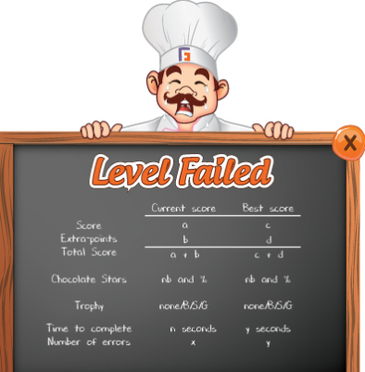
6. Please make sure that the player LOOSE 1 life when he clicks on Menu button while he is playing a challenge. All games make you loose a life when quitting. |  | Already implemented in Live version.
7. Please insert 5 minutes timer and associated scoring system. | For each 1-second remaining, you get the same number of extra-points as for 1 hit remaining. - Level statistics: extra-point should be given for each second remaining (same as for hit remaining). | Already implemented in Live version.
8. (a) Level 6: Too difficult, will need further adjustment (b) Level 7: Few Changes needed in the future. TBD. (c) Level 9: Few Changes needed in the future. TBD. | redesign a few features of Level 6/7/9 that will be shared this week at the latest | When will be the details of this be shared. Can it beat the deadline of Dec 16 (Milestone 3)? Please provide the details before Saturday Dec 13 so I can implement it on weekends.
9. The condition to access Level 8 should NOT be to reach bronze trophy anymore. I lost a life for such reason. Should be changed please. |  | Same concern as above.
10. The « freeze 2 icons » buttons: the player should be able to purchase it several times if he wants. For instance he could potentially buy it 4 times in the same level = 8 frozen icons. |  | Potentially freezing more than two icons is dangerous to the feature Example: IF HE FROZE 8 icons, how will switch 2 or switch 3 icons will be implemented? I remember previous discussion that assures me that there will be NO more than 2 frozen icon on the board because it will encounter problem. This is a conflict of specification and must be resolved.
11. Touchscreen technology support for tablets |  | Already implemented in Live version.

 |  | * What are the things needed for the Milestone 3 (Dec 16) deadline?
 |  | I do not think all of these are doable with less than a week notice.

