Top 5 stores
The top five stores, ranked by their total accumulated Weekly Sales, are as follows:
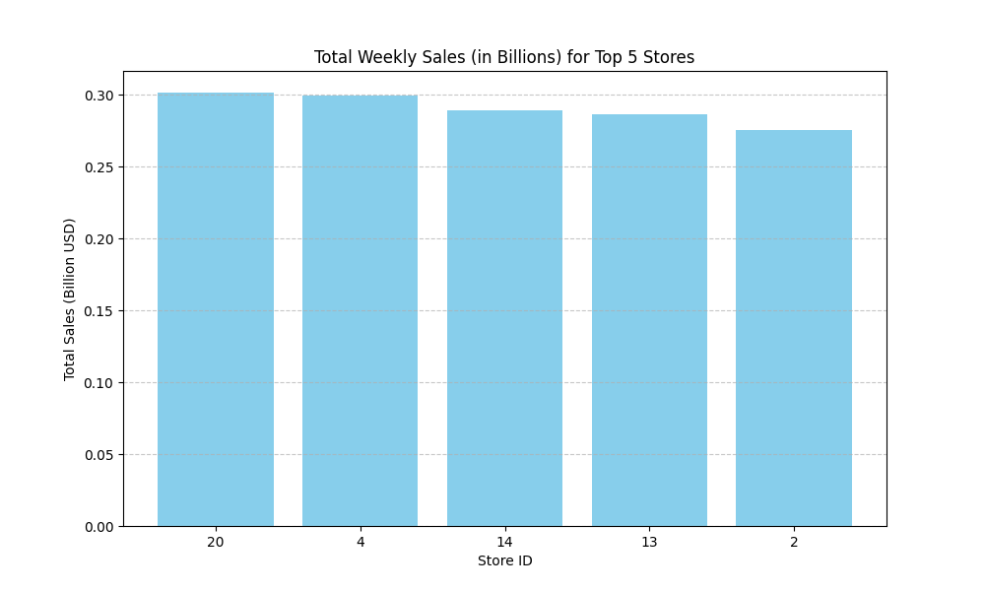

Store | Total_Sales (USD)
20 | $301,398,000$
4 | $299,544,000$
14 | $289,000,000$
13 | $286,518,000$
2 | $275,382,000$

Sales trends
Total Weekly Sales Trend Over Time
Seasonality: There are clear seasonal peaks, with the highest sales generally occurring around the end of the year (Thanksgiving and Christmas holidays) and a noticeable surge in February (likely due to the Super Bowl or Valentine's Day).

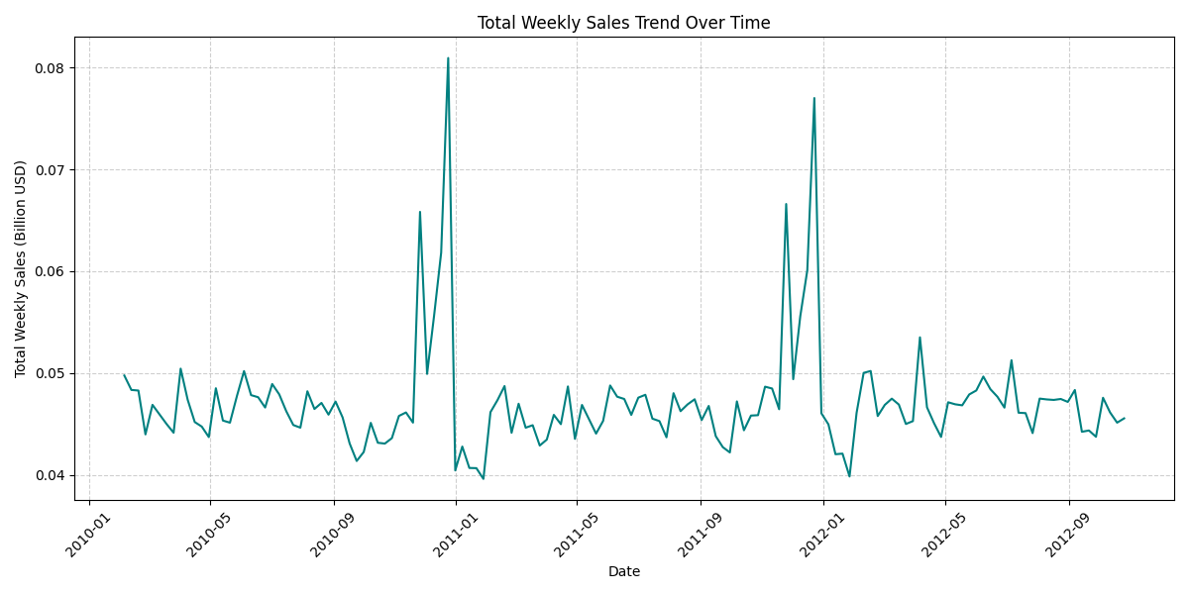
General Pattern: Sales exhibit a cyclical pattern of rises and falls, generally remaining within a consistent range over the period.

Impact of holidays
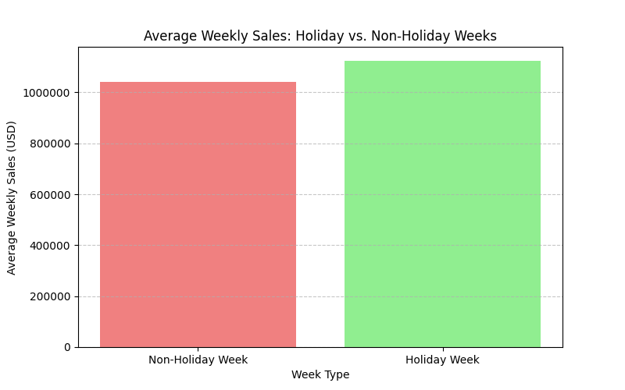
The comparison of average sales during holiday and non-holiday weeks shows a significant uplift in sales during holiday periods.

Week Type | Average_Weekly_Sales (USD)
Non-Holiday Week | $1,041,260$
Holiday Week | $1,122,890$
Average sales during a Holiday Week are higher ($1,122,890$) than during a Non-Holiday Week ($1,041,260$). This represents an average increase of about 8% in weekly sales during holiday periods, confirming the positive effect of holidays on performance.

Dashboard
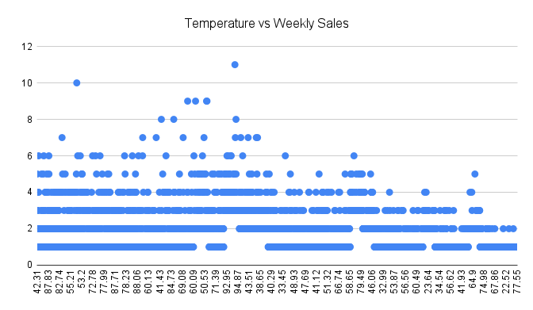

This analysis confirms that sales are highly concentrated, with Store 20 being the top overall performer across all 45 locations.

Sales exhibit clear seasonality and are strongly influenced by major holidays, which generate an average increase of approximately 8% in weekly revenue.

The overall sales trend is stable but cyclical, showing predictable peaks around the year-end holiday seasons.

Crucially, Fuel Price showed no significant correlation with overall Weekly Sales, indicating external economic pressure is not a primary, direct driver of consumer purchasing behavior at this level.

