Sheet1
Problem | 1
Search | Expansions | Goal Tests | New Nodes | Duration | Plan length
breadth-first | 43 | 56 | 180 | 0.15 | 6
depth-first | 21 | 22 | 84 | 0.07 | 20
uniform-cost | 55 | 57 | 224 | 0.18 | 6
a* ignore precond | 41 | 43 | 170 | 0.16 | 6
a*pg_level sum | 11 | 13 | 50 | 0.76 | 6

Problem | 2
Search | Expansions | Goal Tests | New Nodes | Duration | Plan length
breadth-first | 3343 | 4609 | 30509 | 61.1 | 9
depth-first | 624 | 625 | 5602 | 12.8 | 619
uniform-cost | 4780 | 4782 | 43381 | 72.1 | 9
a* ignore precond | 1450 | 1452 | 13303 | 17.8 | 9
a*pg_level sum | 86 | 88 | 841 | 129.8 | 9

Problem | 3
Search | 4 | Goal Tests | New Nodes | Duration | Plan length
breadth-first | 14663 | 18098 | 129631 | 339.3 | 12
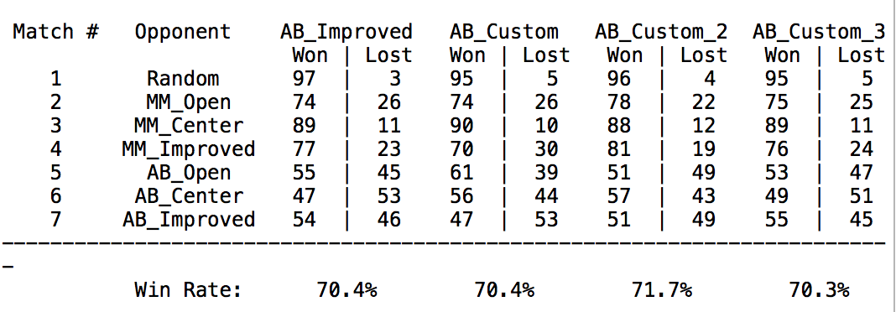
depth-first | 408 | 409 | 3364 | 6.8 | 392
uniform-cost | 17882 | 17884 | 156769 | 309.6 | 12
a* ignore precond | 5034 | 5036 | 44886 | 98.2 | 12
a*pg_level sum | 314 | 316 | 2894 | 370.4 | 12

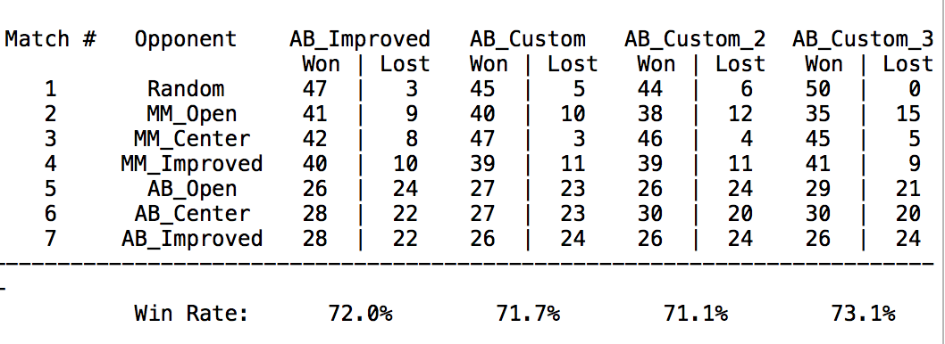
 |  |  |  |  |  | 47 | 45 | 44 | 50
 |  |  |  |  |  | 41 | 40 | 38 | 35
 |  |  |  |  |  | 42 | 47 | 46 | 45
 |  |  |  |  |  | 40 | 39 | 39 | 41
 |  |  |  |  |  | 26 | 27 | 26 | 29
 |  |  |  |  |  | 28 | 27 | 30 | 30
 |  |  |  |  |  | 28 | 26 | 26 | 26

 |  |  |  |  | 95 | 96 | 95 |  | 47
 |  |  |  |  | 74 | 78 | 75
 |  |  |  |  | 90 | 88 | 89
 |  |  |  |  | 70 | 81 | 76
 |  |  |  |  | 61 | 51 | 53
 |  |  |  |  | 56 | 57 | 49
 |  |  |  |  | 47 | 51 | 55

