Chart
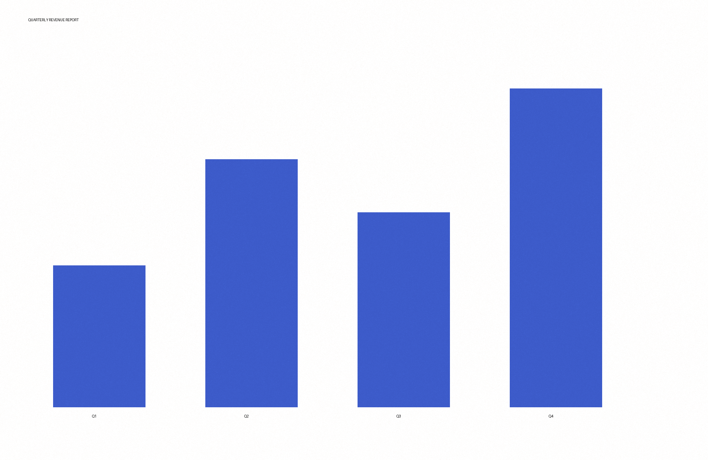
Quarter | Revenue
Q1 | 400000
Q2 | 700000

