Sheet1
If, user click this button, Show bottom-right popup like example.
損益計算
v

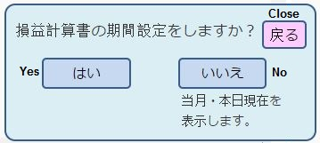
If, user click close button, just back to one step before.

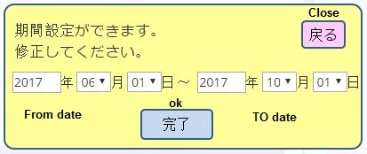
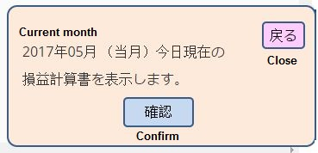

click button
click button
Generate report between From date to To date range only
Generate Current month report only

Here report example for june(06) to oct(10)
For Current month, only show current month report
If use press exit button, go to main page

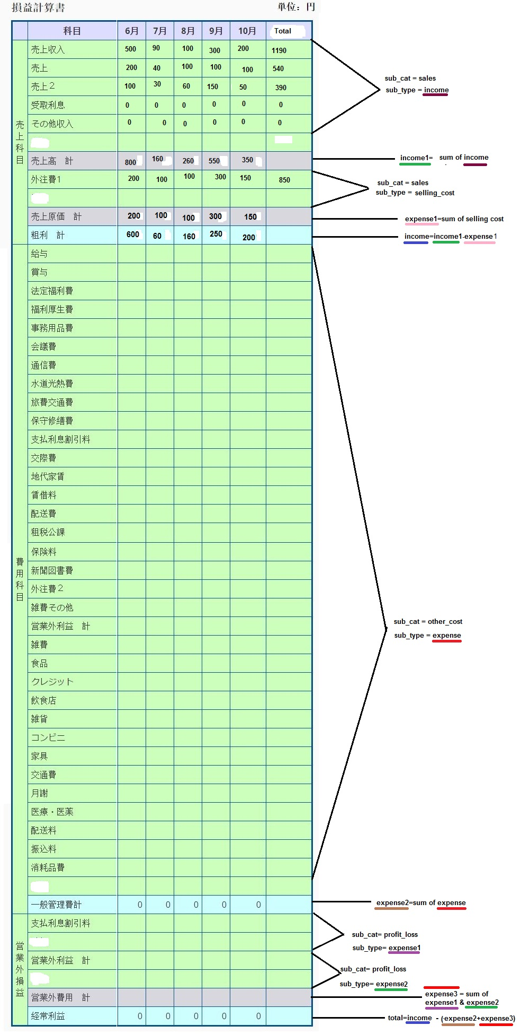
EXIT

Subject | inc_exp
sub_cat | date
sub_name | entry_date
sub_type | expense
 | income
 | subject

