Powerbi Que
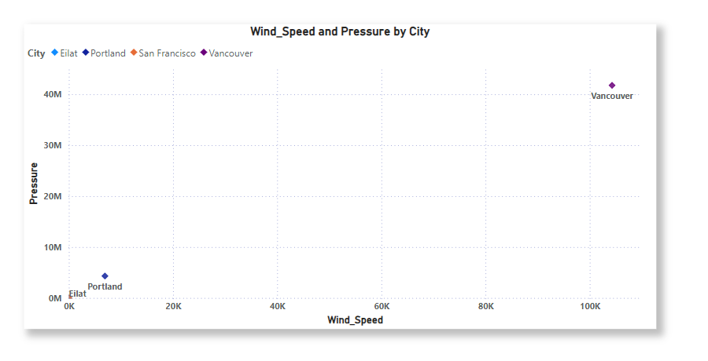
1. Can you create a geographical map in Power BI showing the distribution of cities in the dataset based on their latitude and longitude?

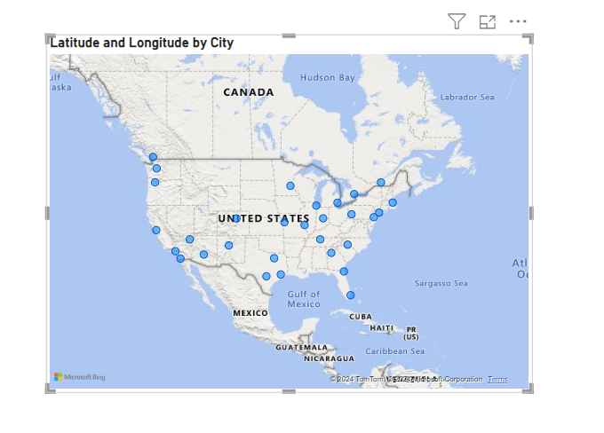

1. In Power BI, can you create a bar chart representing the top 10 countries with the highest number of cities in the dataset?

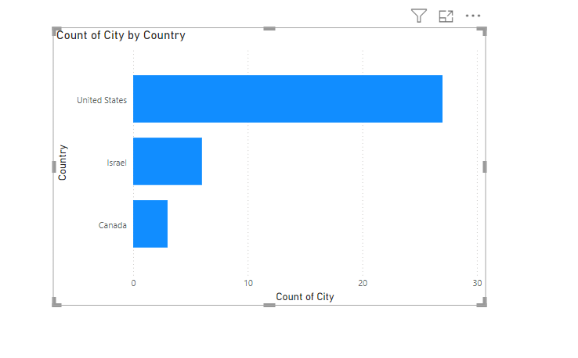

 | United States has highest no of cities

1. How does the distribution of cities in terms of latitude vary across different continents? Create a scatter plot in Power BI to illustrate this.
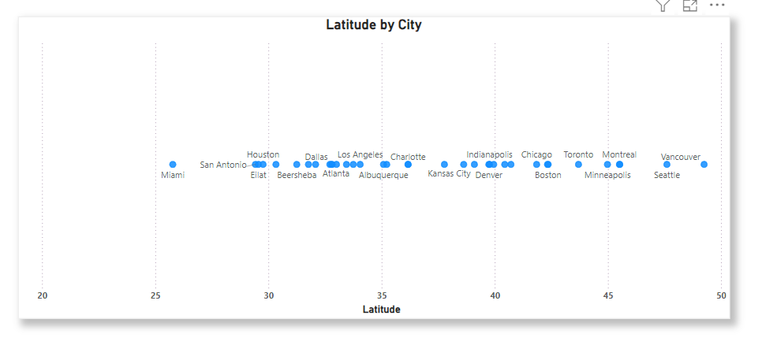

 |  | this Scatter plot shows the how latitude is distributed all over the city

1. Create a line chart in Power BI to display the temperature trends over time for a selected city. Highlight extreme temperature events.

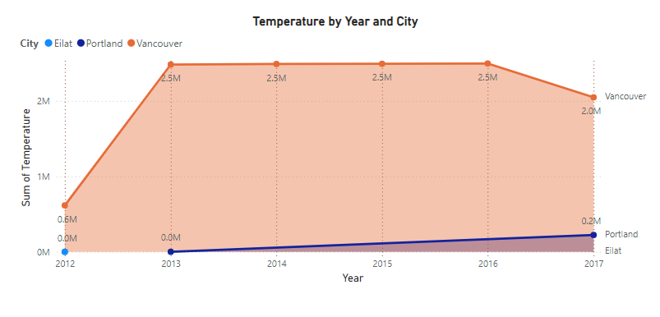

1. How does humidity vary across different cities? Generate a heatmap in Power BI to visualize this variation.
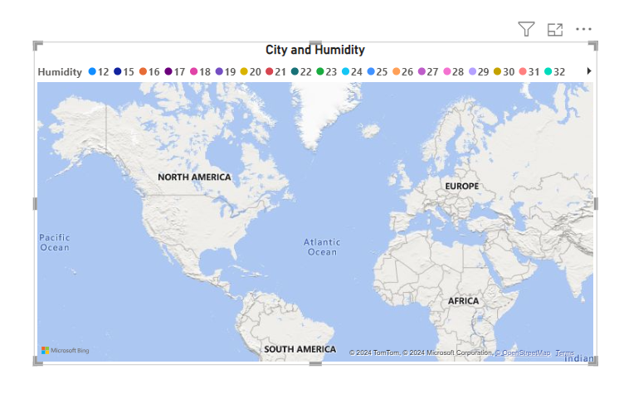

1. Can you create a time-series chart in Power BI showing the relationship between wind speed and air pressure for a specific city?

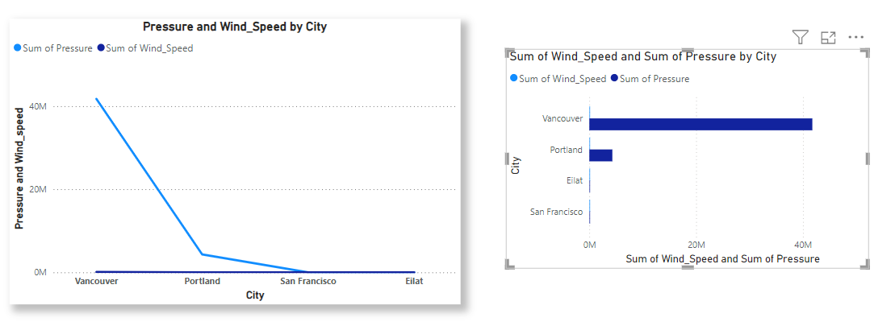

 |  |  | this both the charts are showing the relationship between the pressure and wind speed

1. Create a time-series line chart in Power BI to show the overall temperature trends over the entire dataset.

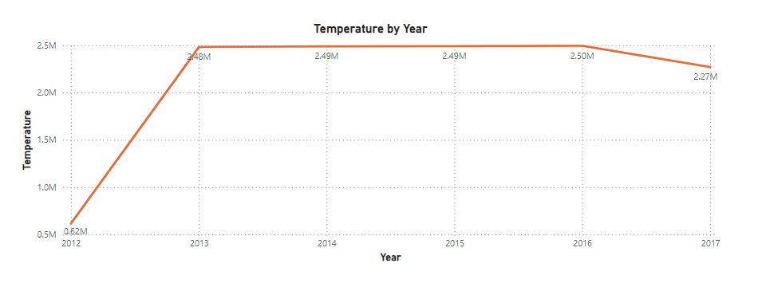

1. Can you create a heatmap in Power BI to visualize the busiest hours for specific weather conditions (e.g., "clear sky," "rainy")?
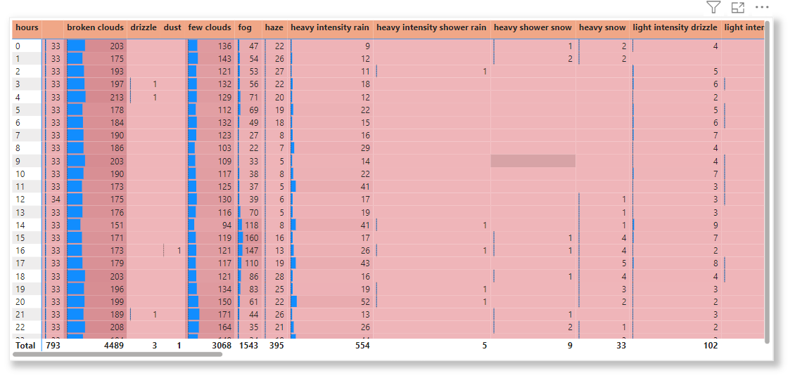

1. How does the wind speed change over the course of a day? Create a radial chart in Power BI to represent this.
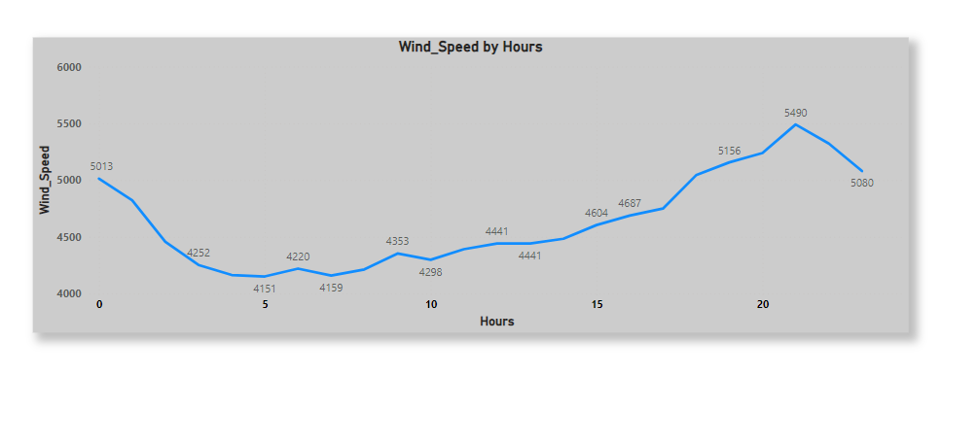

1. Create a Power BI chart comparing the temperature variations between two selected cities over a specific timeframe.
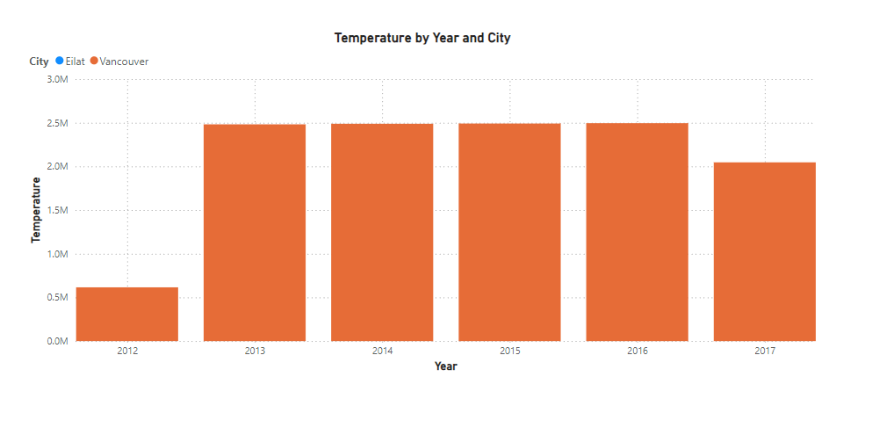

1. Can you build a heatmap in Power BI to show the temperature ranges for cities across different countries?

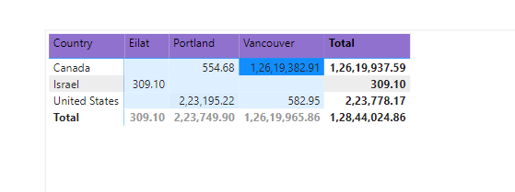

1. Create a bar chart in Power BI to highlight cities with the highest and lowest average temperatures in the dataset.

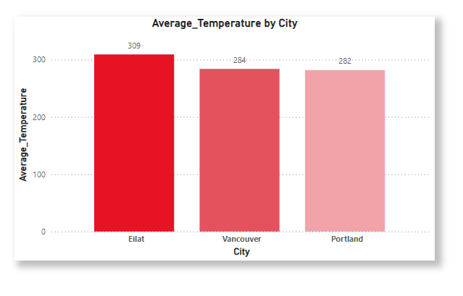

1. Create a wind rose chart in Power BI to visualize the prevailing wind directions for a selected city.

1. Can you generate a Power BI heatmap illustrating the average wind speeds across cities for different months of the year?

1. Create a Power BI scatter plot to show the relationship between wind speed and air pressure for a specific city.

EDA Que
1. Are there any countries with cities located at extreme latitudes, and how might this impact their climate?

 | SELECT City, Country, Latitude FROM weather_analytics.city_attributes

 | ORDER BY Latitude DESC
 | LIMIT 10;

 | City | Country | Latitude
 | Vancouver | Canada | 49.24966
 | Seattle | United States | 47.606209
 | Portland | United States | 45.523449
 | Montreal | Canada | 45.508839
 | Minneapolis | United States | 44.979969
 | Toronto | Canada | 43.700111
 | Boston | United States | 42.358429
 | Detroit | United States | 42.331429
 | Chicago | United States | 41.850029
 | New York | United States | 40.714272

1. Can you identify any clusters of cities with similar latitude and longitude values? What factors might explain these clusters?

 | SELECT City, Latitude, Longitude,
 | ROUND(latitude, 1) AS lat_cluster,
 | ROUND(longitude, 1) AS lon_cluster
 | FROM weather_analytics.city_attributes
 | ORDER BY lat_cluster, lon_cluster;

 | City | Latitude | Longitude | lat_cluster | lon_cluster
 | Miami | 25.774269 | -80.193657 | 25.8 | -80.2
 | San Antonio | 29.42412 | -98.493629 | 29.4 | -98.5
 | Eilat | 29.55805 | 34.948212 | 29.6 | 34.9
 | Houston | 29.763281 | -95.363274 | 29.8 | -95.4
 | Jacksonville | 30.33218 | -81.655647 | 30.3 | -81.7
 | Beersheba | 31.25181 | 34.791302 | 31.3 | 34.8
 | Jerusalem | 31.769039 | 35.216331 | 31.8 | 35.2
 | Tel Aviv District | 32.083328 | 34.799999 | 32.1 | 34.8
 | San Diego | 32.715328 | -117.157257 | 32.7 | -117.2
 | Dallas | 32.783058 | -96.806671 | 32.8 | -96.8
 | Haifa | 32.815559 | 34.98917 | 32.8 | 35
 | Nahariyya | 33.005859 | 35.09409 | 33 | 35.1
 | Phoenix | 33.44838 | -112.074043 | 33.4 | -112.1
 | Atlanta | 33.749001 | -84.387978 | 33.7 | -84.4
 | Los Angeles | 34.052231 | -118.243683 | 34.1 | -118.2
 | Albuquerque | 35.084492 | -106.651138 | 35.1 | -106.7
 | Charlotte | 35.227089 | -80.843132 | 35.2 | -80.8
 | Las Vegas | 36.174969 | -115.137222 | 36.2 | -115.1
 | Nashville | 36.16589 | -86.784439 | 36.2 | -86.8
 | San Francisco | 37.774929 | -122.419418 | 37.8 | -122.4
 | Saint Louis | 38.62727 | -90.197891 | 38.6 | -90.2
 | Kansas City | 39.099731 | -94.578568 | 39.1 | -94.6
 | Denver | 39.739151 | -104.984703 | 39.7 | -105
 | Indianapolis | 39.768379 | -86.158043 | 39.8 | -86.2
 | Philadelphia | 39.952339 | -75.163788 | 40 | -75.2
 | Pittsburgh | 40.44062 | -79.995888 | 40.4 | -80
 | New York | 40.714272 | -74.005966 | 40.7 | -74
 | Chicago | 41.850029 | -87.650047 | 41.9 | -87.7
 | Detroit | 42.331429 | -83.045753 | 42.3 | -83
 | Boston | 42.358429 | -71.059769 | 42.4 | -71.1
 | Toronto | 43.700111 | -79.416298 | 43.7 | -79.4
 | Minneapolis | 44.979969 | -93.26384 | 45 | -93.3
 | Portland | 45.523449 | -122.676208 | 45.5 | -122.7
 | Montreal | 45.508839 | -73.587807 | 45.5 | -73.6
 | Seattle | 47.606209 | -122.332069 | 47.6 | -122.3
 | Vancouver | 49.24966 | -123.119339 | 49.2 | -123.1

1. Are there any correlations between a city's geographical location (latitude and longitude) and its weather attributes, such as temperature or humidity?

1. Identify the top three cities with the most frequent occurrence of rainy weather based on weather descriptions. What are the seasonal patterns?

