Deployment
 |  |  |  |  |  |  |  |  |  |  |  |  |  | Only for Explanation not part of UI/ Page
 |  |  |  |  |  |  | Risk Management |  |  |  |  |  |  | User Input
AllUsers | User | PortfolioName | Broker | DeployedName | SetMultiplier | MarginRequired | Trailing Option | If Profit Reach | Lock Profit | For EveryIncrease of Profit by | Trail SL By | DeploymentStatus |  | Under Header Portfoilio name List all Portfolio assigned to user in profile
LIST OF USERS
 |  |  |  | PortfolioName_USE_BRO |  |  | Lock / Lock & Trail |  |  |  |  |  |  | Under Header Broker List only Broker assigned to user in profile
 |  | Strategy Name | Instrument | TradeSetup |  | MarginRequired | Trailing Option | If Profit Reach | Lock Profit | For EveryIncrease of Profit by | Trail SL By |  | oN clicking Portfolio name drop all strategy included | Radio Button select for deployment
TradeSetup
 |  |  |  |  |  |  |  |  |  |  |  |  | oN clicking Strategy name open Strategy in new tab/ window | Enable the radio button only if available marging is 10% greater than sum of margin required for all portfolios with respective user in respective Broker's account\
 |  |  |  |  |  |  |  |  |  |  |  |  | RiskManagemeny Column for Stratgy to be recalculatr as per SetMultiplier | eg. If we are deploying three portfoilio for a user in his same broker account and margin available is sufficient for 2 than do not activate the radio button for 3rd portfolio
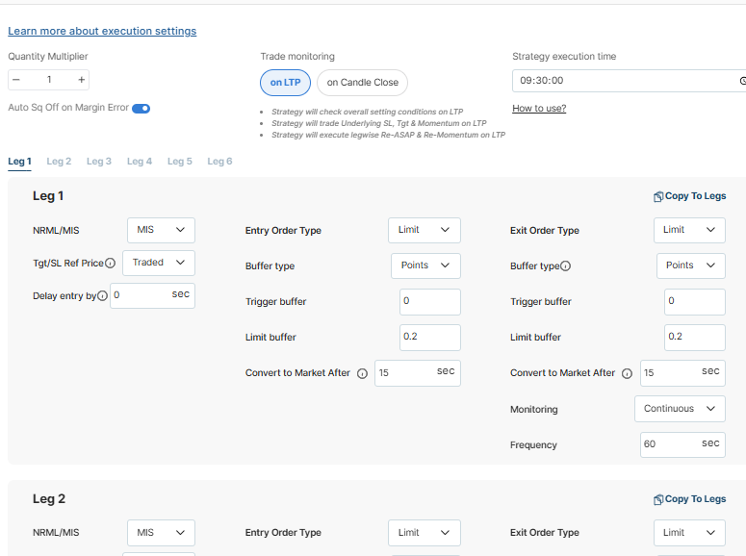
 |  |  |  |  |  |  |  |  |  |  |  |  |  | Pop Up on clicking trade setup button

Deploy

Monitoring
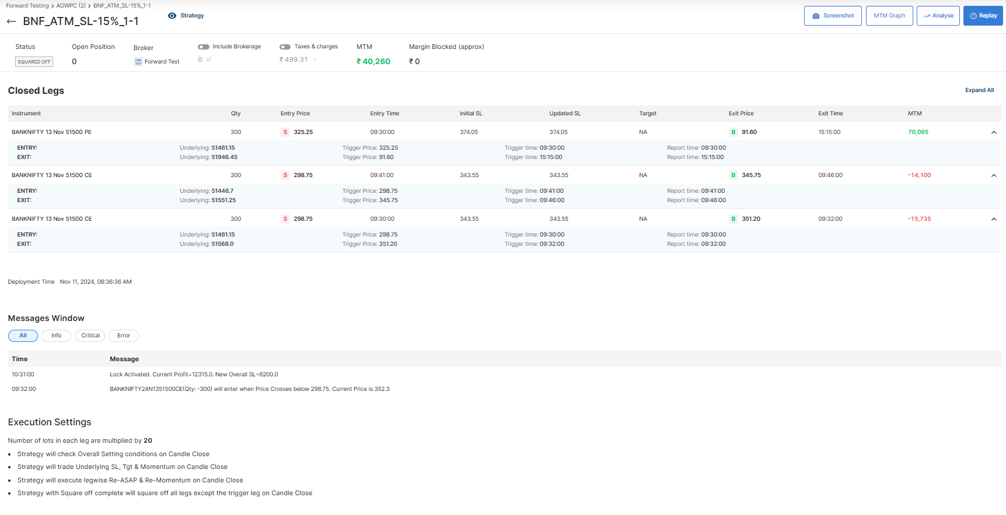
MTM
Sl-
TSL-
Profit Locked
 |  |  |  |  |  |  |  |  |  |  |  |  |  | Only for Explanation not part of UI/ Page
 |  |  | Show all Portfolios assosiated with User
AllUsers | Total MTM |  | Portfoilio-1_User-Bro |  | Portfoilio-2__User-Bro |  | Portfoilio-3__User-Bro |  | Portfoilio-4__User-Bro
LIST OF USERS
MTM
Sl-
TSL-
MTM
Sl-
TSL-
Profit Locked
MTM
Sl-
TSL-
Profit Locked
MTM
Sl-
TSL-
Profit Locked

creat dropbox to view

 |  | Name |  | Stop Loss | Target Profit | Trailing SL | Trailing Option |  | If Profit Reach | Lock Profit | For EveryIncrease of Profit by | Trail SL By
 |  | Portfoilio-1__User-Bro |  |  |  |  | Lock
 |  | Portfoilio-2__User-Bro |  |  |  |  | Lock & Trail
 |  | Portfoilio-3__User-Bro
 |  | Portfoilio-4__User-Bro

Square off
TradeBook
Square off
TradeBook
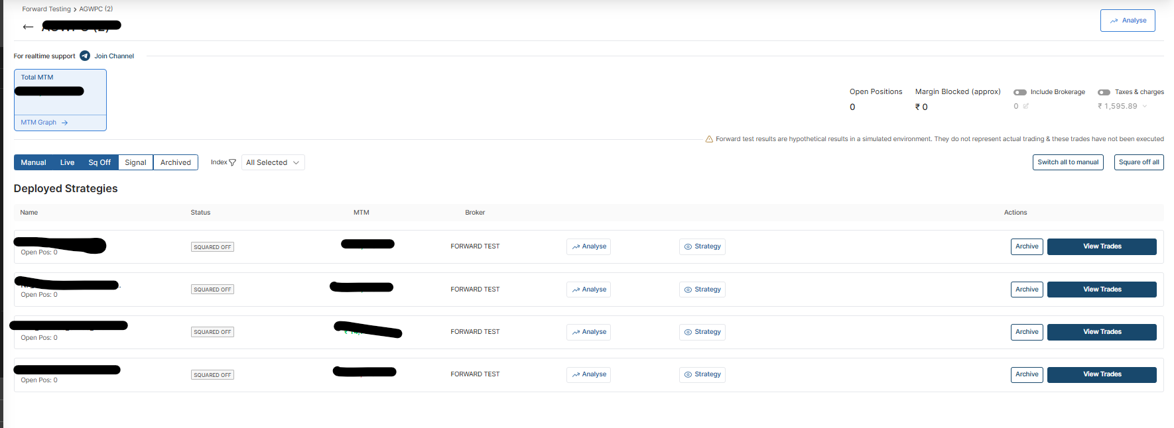
 | Portfolio Name |  | Status | No. of Str Deployed |  | MTM | Trailing SL | Broker | Margin Deployed | Brokerage | Taxes
 | Portfoilio-1__User-Bro |  | Active |  |  |  |  |  |  |  |  |  | On Clicking Portfolio Drop all the strategy below with same headers
 | Portfoilio-2__User-Bro |  | Closed
Square off
TradeBook
 | Portfoilio-3__User-Bro |  | Partially Active
Square off
TradeBook
 | Portfoilio-4__User-Bro |  | Active

 |  |  |  |  |  |  |  |  |  |  |  |  | On clicking strategy following details and squareoff button for all running strategy

