INTRODUCTION
INTRODUCTION :-
WHAT IS AMAZON PRIME ?
Amazon Prime is a subscription service where members receive benefits which include unlimited free fast delivery, streaming of movies, TV shows and music, exclusive access
to deals and selection, unlimited reading, and more.
This dataset contains the atttributes of Amazon Prime,
- favorite_genres
-device used
-title
-subscription plan etc.
LIST OF TABLES-
1. 'Customer'
where attributes are,
customer_id SERIAL PRIMARY KEY = Unique identification of each customer.
customer_name VARCHAR(100) = Name of the customer name.
email_address VARCHAR(100)n = customer email address.
username VARCHAR(50) = customer user name.
date_of_birth VARCHAR(100) = customer date of birth.
gender varchar (10) = gender of customer.
location varchar (50) = customer location.
2. 'Membership'
where attributes are,
membership_id SERIAL PRIMARY KEY=Unique identification of each membereship.
mem_start_date date = prime membership start date.
mem_end_date date = prime membership end date.
payment_info VARCHAR(15) = prime membership payment information.
renewal_status VARCHAR(15) = prime membership auto/manual renewal status.
3. 'TV_Show'
where attributes are,
tv_show_id SERIAL PRIMARY KEY = Unique identification of each customer.
favorite_genres VARCHAR(20) = name of the favorite tv_shows.
device_used VARCHAR(20) = check the device.
rating decimal = rating of tv shows.

ERD Table
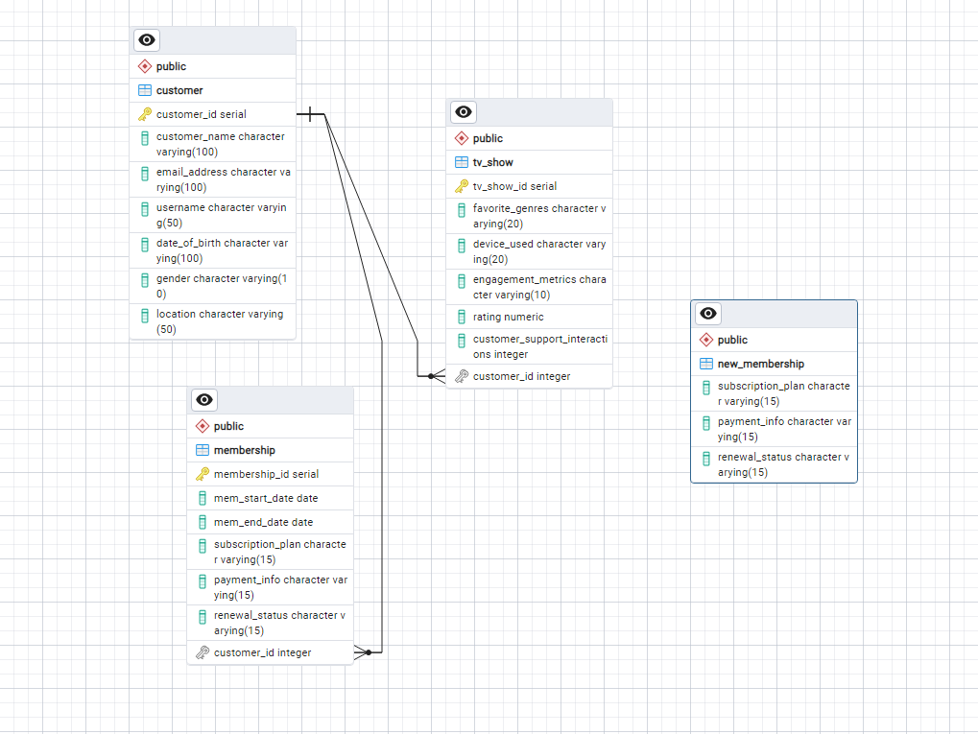

ERD TABLE

