Sheet1
Change ID | Implement | Sample | Reference | Implemented
CH01 | Add the payload to have the file name as well in there |  | 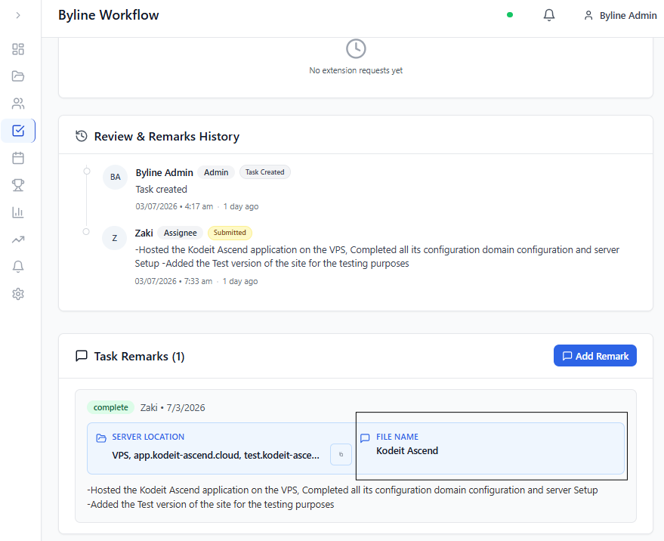 | FALSE
CH02 | Add Canban Board as Discussed, you cane check the samples. Plus it should have filter for Name Date Projects and other which are in the current task creation page | 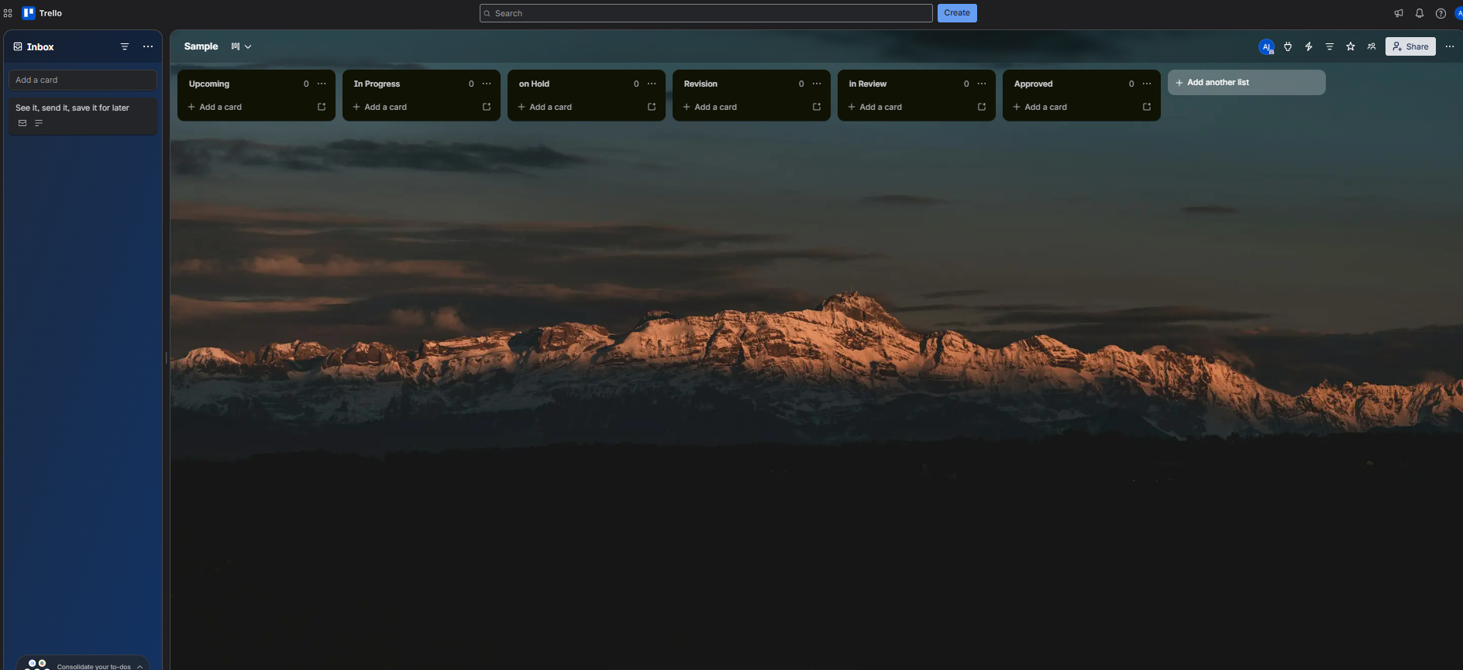 |  | FALSE
CH03 | The User profile should also show the active project and completed Project and Over Due Project Names |  | 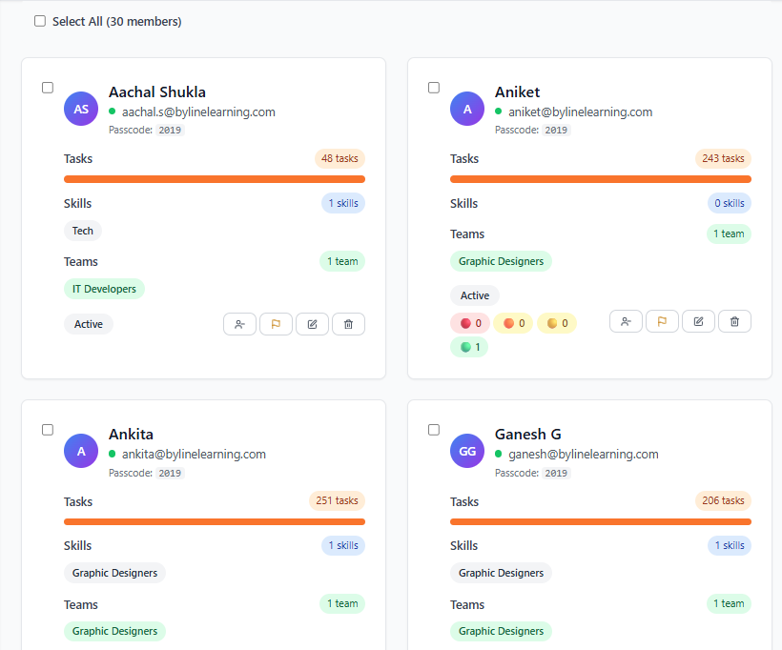 | FALSE
CH04 | Make sure this overdue doesn't shows the Under review and on hold task |  |  | FALSE

