Category Statistics
country | US

Parent Category outcomes
 | canceled | failed | live | successful
film & video | 31 | 130 |  | 261
food | 15 | 115 | 4 | 34
games |  | 96 |  | 52
journalism | 23
music | 19 | 110 | 17 | 490
photography |  | 72 |  | 62
publishing | 22 | 87 |  | 69
technology | 121 | 138 |  | 158
theater | 26 | 349 | 12 | 525
Count of outcomes | Column Labels
Row Labels | canceled | failed | live | successful | Grand Total
film & video | 31 | 130 |  | 261 | 422
food | 15 | 115 | 4 | 34 | 168
games |  | 96 |  | 52 | 148
journalism | 23 |  |  |  | 23
Parent Category outcomes
 | canceled | failed | live | successful
film & video | 31 | 130 |  | 261
food | 15 | 115 | 4 | 34
games |  | 96 |  | 52
journalism | 23
music | 19 | 110 | 17 | 490
photography |  | 72 |  | 62
publishing | 22 | 87 |  | 69
technology | 121 | 138 |  | 158
theater | 26 | 349 | 12 | 525
music | 19 | 110 | 17 | 490 | 636
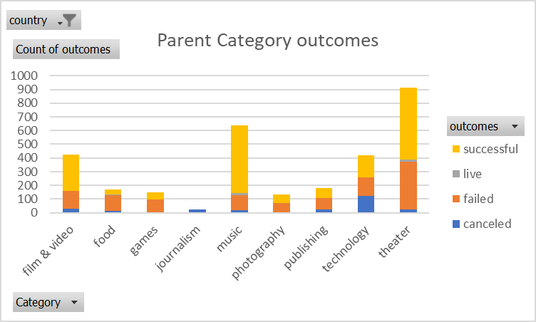
photography |  | 72 |  | 62 | 134
publishing | 22 | 87 |  | 69 | 178
technology | 121 | 138 |  | 158 | 417
theater | 26 | 349 | 12 | 525 | 912
Grand Total | 257 | 1097 | 33 | 1651 | 3038

Theater Outcomes by Launch Date
Parent Category | theater
Theater Outcomes Based on Launch Date
 | successful | failed | canceled
2010 | 3
2011 | 4
2012 | 8
2013 | 11
2014 | 241 | 152 | 10
2015 | 304 | 202 | 12
2016 | 249 | 130 | 12
2017 | 19 | 9 | 3
Count of outcomes | Column Labels
Row Labels | successful | failed | canceled | Grand Total
2010 | 3 |  |  | 3
2011 | 4 |  |  | 4
2012 | 8 |  |  | 8
2013 | 11 |  |  | 11
2014 | 241 | 152 | 10 | 403
2015 | 304 | 202 | 12 | 518
2016 | 249 | 130 | 12 | 391
2017 | 19 | 9 | 3 | 31
Grand Total | 839 | 493 | 37 | 1369

