Category Statistics
country | US

Parent Category outcomes
 | canceled | failed | live | successful
film & video | 31 | 130 |  | 261
food | 15 | 115 | 4 | 34
games |  | 96 |  | 52
journalism | 23
music | 19 | 110 | 17 | 490
photography |  | 72 |  | 62
publishing | 22 | 87 |  | 69
technology | 121 | 138 |  | 158
theater | 26 | 349 | 12 | 525
Count of outcomes | Column Labels
Row Labels | canceled | failed | live | successful | Grand Total
film & video | 31 | 130 |  | 261 | 422
food | 15 | 115 | 4 | 34 | 168
games |  | 96 |  | 52 | 148
journalism | 23 |  |  |  | 23
Parent Category outcomes
 | canceled | failed | live | successful
film & video | 31 | 130 |  | 261
food | 15 | 115 | 4 | 34
games |  | 96 |  | 52
journalism | 23
music | 19 | 110 | 17 | 490
photography |  | 72 |  | 62
publishing | 22 | 87 |  | 69
technology | 121 | 138 |  | 158
theater | 26 | 349 | 12 | 525
music | 19 | 110 | 17 | 490 | 636
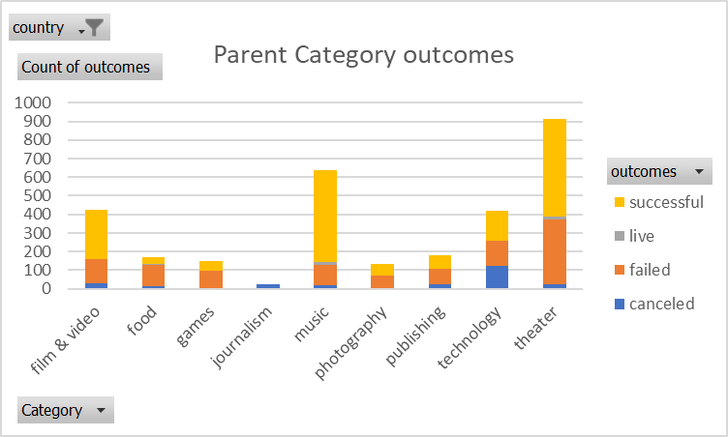
photography |  | 72 |  | 62 | 134
publishing | 22 | 87 |  | 69 | 178
technology | 121 | 138 |  | 158 | 417
theater | 26 | 349 | 12 | 525 | 912
Grand Total | 257 | 1097 | 33 | 1651 | 3038

Theater Outcomes by Launch Date
Parent Category | theater
Theater Outcomes Based on Launch Date
 | successful | failed | canceled
2010 | 3
2011 | 4
2012 | 8
2013 | 11
2014 | 241 | 152 | 10
2015 | 304 | 202 | 12
2016 | 249 | 130 | 12
2017 | 19 | 9 | 3
Count of outcomes | Column Labels
Row Labels | successful | failed | canceled | Grand Total
2010 | 3 |  |  | 3
2011 | 4 |  |  | 4
2012 | 8 |  |  | 8
2013 | 11 |  |  | 11
2014 | 241 | 152 | 10 | 403
2015 | 304 | 202 | 12 | 518
2016 | 249 | 130 | 12 | 391
2017 | 19 | 9 | 3 | 31
Grand Total | 839 | 493 | 37 | 1369

Outcomes Based on Goals
Count of outcomes2 | Column Labels
Row Labels | successful | failed | canceled | Grand Total
<1000 | 71.08% | 24.94% | 3.97% | 100.00%
1000-4999 | 62.99% | 31.95% | 5.06% | 100.00%
5000-9999 | 52.77% | 38.49% | 8.74% | 100.00%
10000-14999 | 45.49% | 45.10% | 9.41% | 100.00%
15000-19999 | 43.78% | 47.03% | 9.19% | 100.00%
20000-24999 | 43.92% | 43.92% | 12.16% | 100.00%
25000-29999 | 36.56% | 49.46% | 13.98% | 100.00%
30000-34999 | 50.91% | 38.18% | 10.91% | 100.00%
35000-39999 | 41.67% | 41.67% | 16.67% | 100.00%
40000-44999 | 42.11% | 47.37% | 10.53% | 100.00%
45000-49999 | 28.81% | 55.08% | 16.10% | 100.00%
>50000 | 16.37% | 58.93% | 24.70% | 100.00%
Grand Total | 53.76% | 37.65% | 8.59% | 100.00%

