Intro
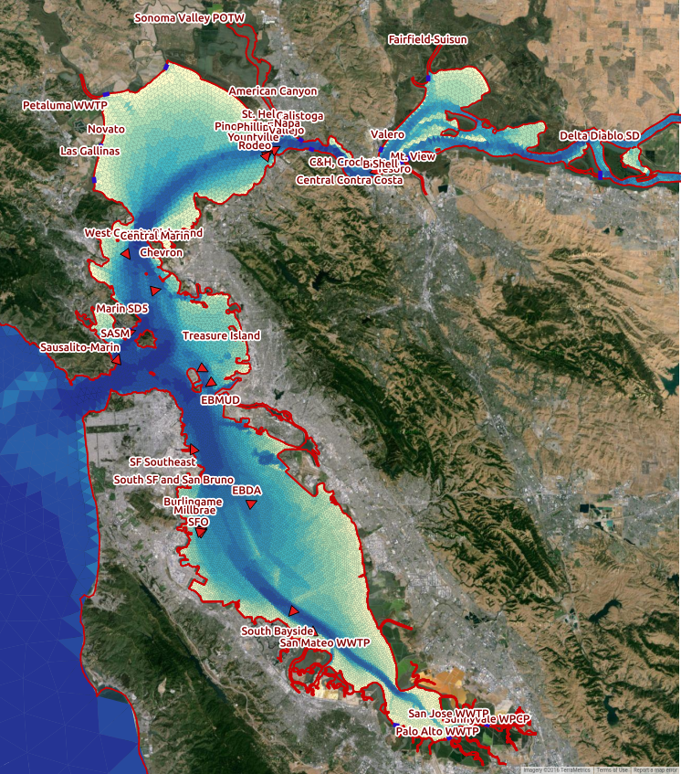
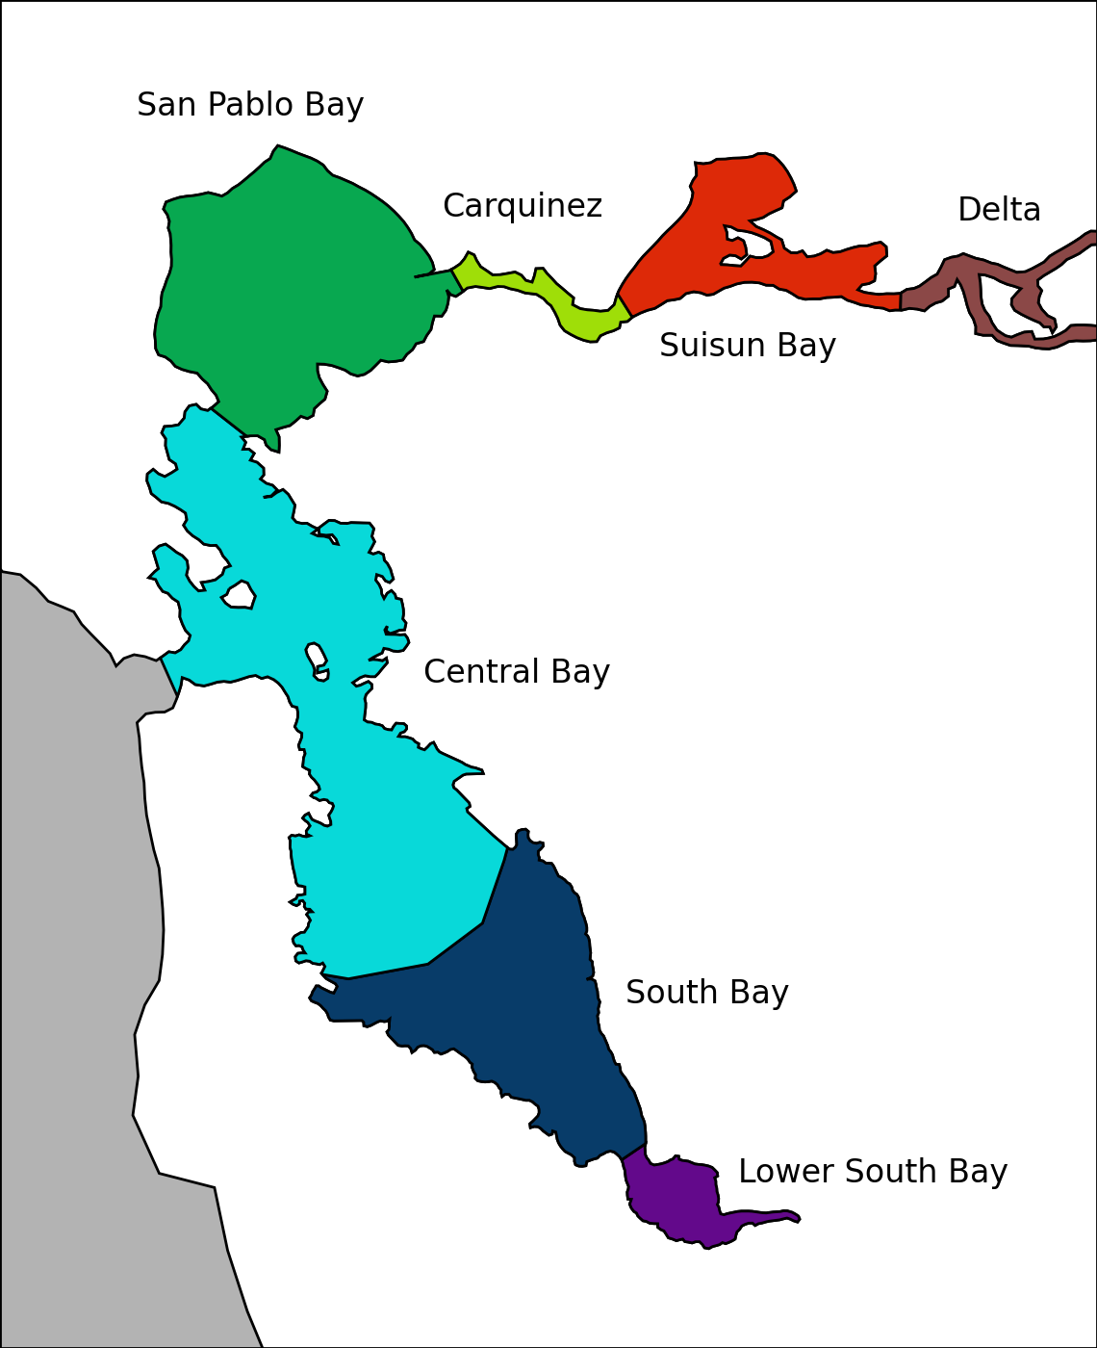
Conservative Tracer Estimate Worksheet
The sheets within this workbook allow for quick estimation of ambient concentrations based on concentrations in POTW and stormwater loads. Estimated POTW and stormwater flows were input into a hydrodynamic model which then simulated water year 2013, including a two month spin-up. For each two month period of WY2013 ambient concentrations for each source were summed within each region. These concnetrations are epressed as a percentage of the water mass. In each sheet a loads column is provided for entering estimated concentrations in effluent and stormwater. These concentrations are multiplied through with the model output to estimate concentrations integrated over each region, both in total and broken out by discharge.

