1
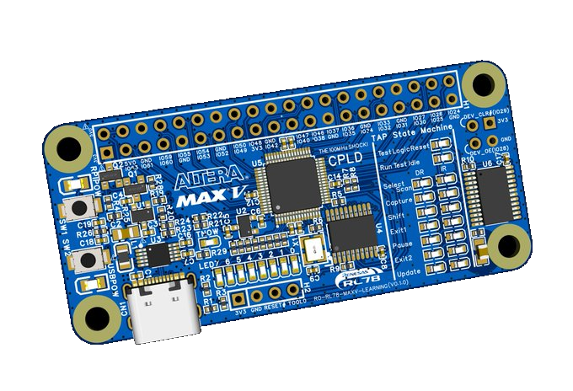
System Overview
RO-RL78-MAXV-LEARNING System

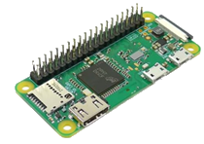

Build by e²studio (or CS+)

RO-RL78-MAXV-LEARNING-PCB
Raspberry Pi
USB
Users can hack Raspberry Pi GPIOs using custom digital logic running at up to 100 MHz. The RO-RL78-MAXV-LEARNING-PCB can also operate without a Raspberry Pi.
Debug I/F
C, C++ etc.
RO-RL78-MAXV-LEARNING-FW
(UART-to-JTAG Bridge Firmware)
A minimal firmware implementation written in C will be provided, and usersare free to modify it.

USB
RO-RL78-EASY-WRITER


or

e2 lite
or
e2
Users do not need to own any of these devices. Only users who want to modify the firmware need one of them.
Build by Quartus Prime

RO-RL78-MAXV-LEARNING-APP
(Boundary-Scan and Configuration Programming Application)
A minimal Python application will be provided, and users are free to modify it.


RO-RL78-MAXV-LEARNING-CFG
A minimal sample configuration will be provided. Users can create their own configurations.
VHDL, Verilog etc.

2
Block Diagram
RO-RL78-MAXV-LEARNING-PCB
JTAG and Digital Circuits Learning Board with Raspberry Pi-compatible 40-pin GPIO Header

Raspberry Pi 40-pin GPIO Header

Push
Switch
x 2
x 2
x 28
Configurable as DEV_OE and DEV_CLRn (×2)
EXT.
Header

3.3 V
5 V
16 LEDs
JTAG
TAP State
Machine
Monitor
MAX V
CPLD
40 LEs to 160 LEs
5M40Z, 5M80Z, 5M160Z
LDO1*¹
3.3 V
200mA
SEL
LDO2*²
1.8V
80mA
3.3 V
3.3 V
1.8 V
GPIO/SPI (x4)

3.3 V
JTAG (x4)
CH340X
USB-UART
Converter
UART (x 4)
TMS, TDI, TCK, TDO
x 16
4-to-16 Decoder
TX, RX, RTS, CTS
x 8
x 1
8 LEDs
User defined
OSC
100MHz
RL78/G12
MCU CPU: 24MHz
RAM: 768B
Program Flash: 8KB Data Flash: 2KB

USB
up to 12Mbps
UART (x 4)
x 4
TX, RX, RTS, CTS
5 V
USB-C
Connector
DBG Port
for RL78
x 2

*¹,*² LDO1 is for VCCIO. LDO2 is for VCCINT (VCC for Core) . Do NOT exceed these current limits in your design.

a
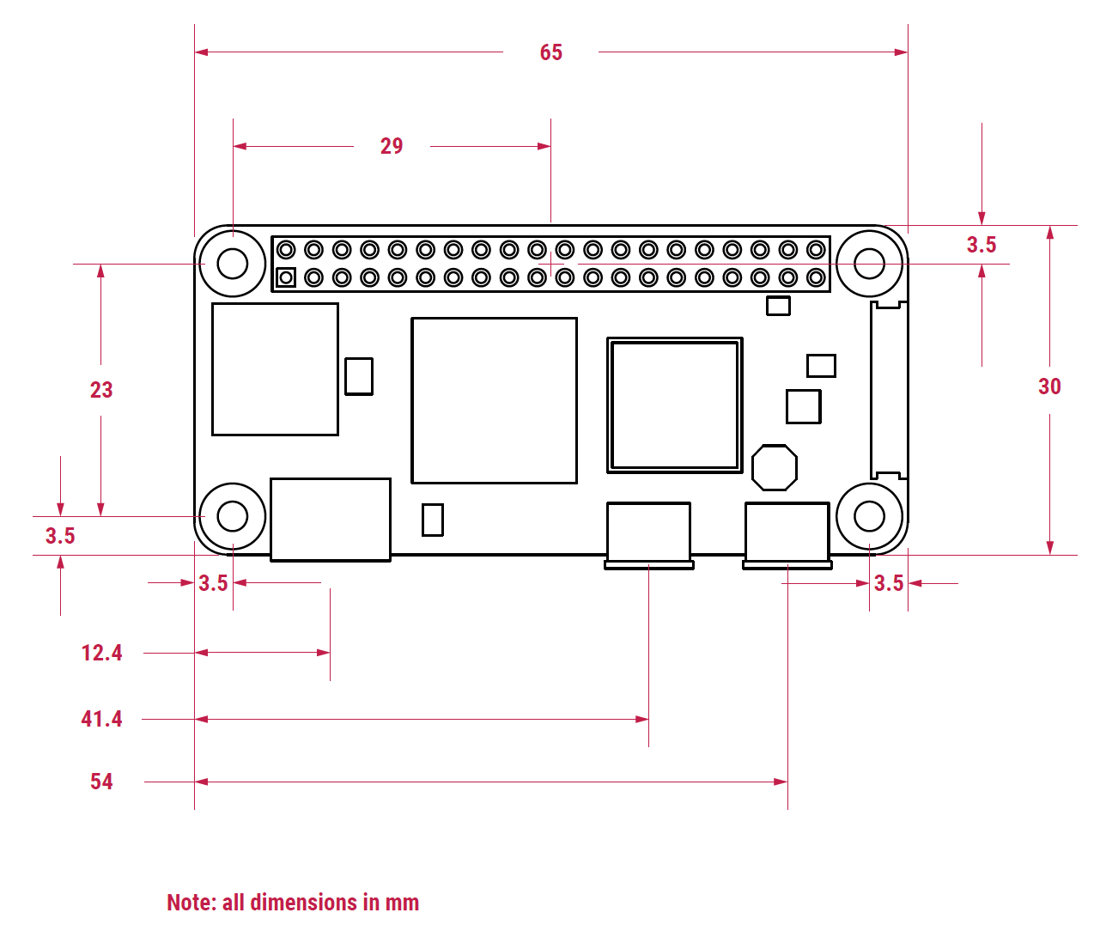
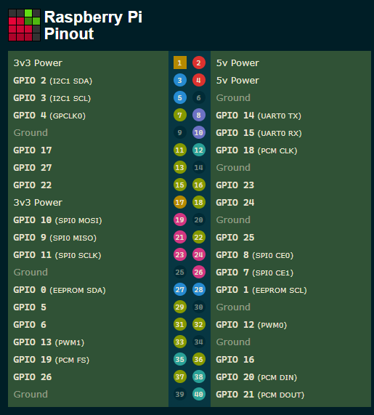

a

RL78CFG
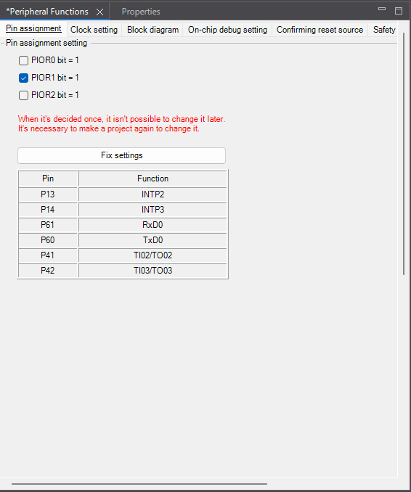

JTAG
TMS=1
Test-Logic-Reset
(0x00)
 |  |  | TCK
 |  |  | TDO
 |  |  | GND
TMS=0
 |  |  | TMS
TMS=0
Data Register
Instruction Register
 |  |  | TDI

Run-Test/Idle
(0x01)
TMS=1
Select-DR-Scan
(0x02)
Select-IR-Scan
(0x09)

TMS=0
TMS=1
TMS=0
TMS=1
TMS=1
Capture-DR
(0x03)
TMS=1
Capture-IR
(0x0A)
TMS | 1 | 20 | TCK
P42/SCK01 | 2 | 19 | TDI
P41/SO01 | 3 | 18 | TDO
TMS=0
TMS=0
TMS=0
TMS=0
TOOL0 | 4 | 17 | DEC0
P125/SI01/RESET# | 5 | 16 | DEC1
Shift-DR
(0x04)
Shift-IR
(0x0B)
INTP0 | 6 | 15 | DEC2
EXTCLK | 7 | 14 | DEC3
TMS=1
TMS=1
U4CTS# | 8 | 13 | U4RTS#
VSS | 9 | 12 | U4TXD
Exit1-DR
(0x05)
TMS=1
Exit1-IR
(0x0C)
TMS=1
VDD | 10 | 11 | U4RXD

TMS=0
TMS=0
TMS=0
TMS=0
Pause-DR
(0x06)
Pause-IR
(0x0D)
GND | 10 | 9 | TDI
nc | 8 | 7 | nc
nc | 6 | 5 | TMS
3V3 | 4 | 3 | TDO
TMS=1
TMS=1
GND | 2 | 1 | TCK

TMS=0
Exit2-DR
(0x07)
TMS=0
Exit2-IR
(0x0E)

TMS=1
TMS=1

Update-DR
(0x08)
Update-IR
(0x0F)

TMS=1
TMS=0
TMS=1
TMS=0

IDCODE
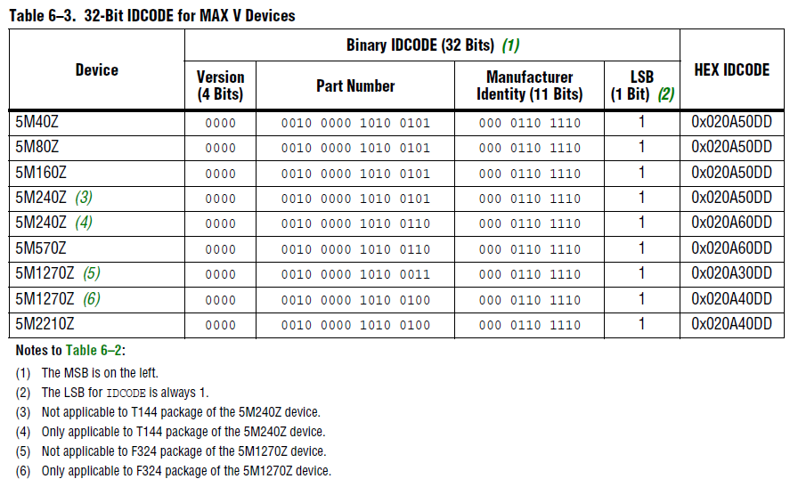
IDCODE

FW(BSW)
FW on RL78

UART
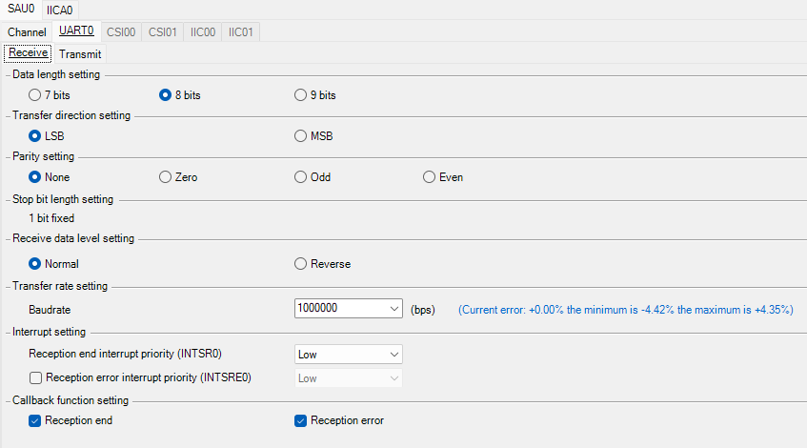
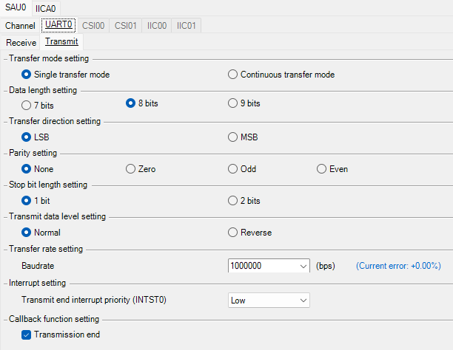

TIMER
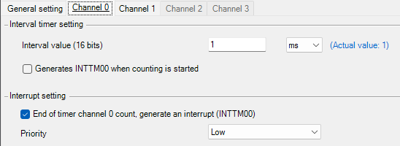
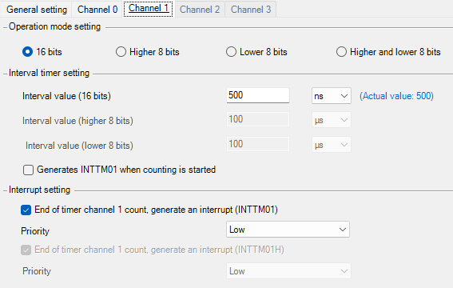

INTERRUPT
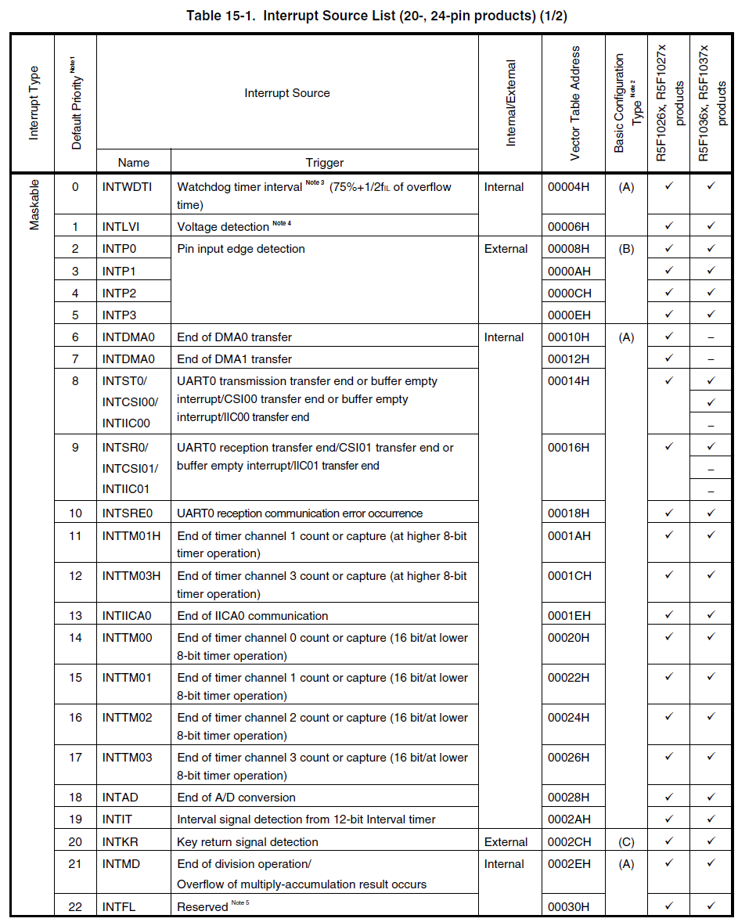

 | Priority Group | Priority

 | Low | 1st

 | Low | 2nd
 | Low | 3rd

FW
IDLE_L
(0x00)
TCK_OUT=Low
TDI_OUT=Low

REQ=1

IDLE_H
(0x01)
TCK_OUT=High
TDI_OUT=Z

DATA_OUT_L
(0x02)
TCK_OUT=Low
TDI_OUT=Data

DATA_OUT_H
(0x02)
TCK_OUT=High
TDI_OUT=Data

DBG
1 | 2 | 3 | 4 | 5 | 6 | 7 | 8 | 9 | 10 | 11 | 12 | 13
 |  |  | DEC3 | DEC2 | DEC1 | DEC0 | TDO | TDI | TCK | TMS | U4RXD | U4TXD

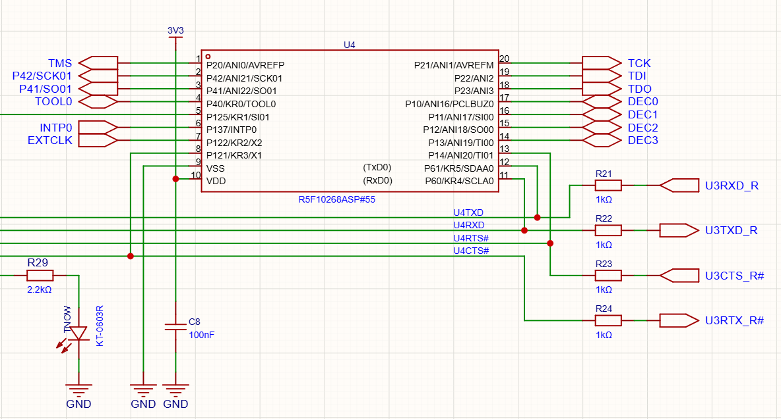

メモが間違ってる ヽ(`Д´)ﾉｳﾜｰﾝ

