1. Title Page
Instacart Grocery Basket Analysis

Project Name: Instacart Grocery Basket Analysis
Date: March 2023
Analyst Name: Ruth Agnew

Contents:
Population Flow
Consistency checks
Wrangling steps
Column derivations
Visualizations
Recommendations

Data frames and citation:
Instacart data set “The Instacart Online Grocery Shopping Dataset 2017”, Accessed from https://www.instacart.com/datasets/grocery-shopping-2017 on 23 January 2023.
Other data sets | Careerfoundry created a fabricated data set for the purpose of this project | Customers

2. Population Flow
Title page

Population flow
Exclusion flag
Condition: max_order < 5
Obervations to be removed: customer PII information (first name and surname).
Final total count of order_products_all: 21,695,423

Due to memory constraints, I had to use a randomised 70% sample for my final analyses

Orders_products_combined
Orders_products_merged
Orders_products_all
final_products

Total: 32,404,859
Total: 32,434,489
Total: 32,435,059
Total: 21,695,423

3. Consistency checks
 |  |  |  |  |  |  | Title page
Consistency checks

Dataset | Missing values | Missing values treatment | Anomalies | Anomalies treatment | Mixed-data types | Duplicates
orders | 206,209 missing values found in the days_since_prior_order column | Values equated to less than 6% of dataset so they were left as presumed to be new customers.* | None | None | None | None
products | 16 missing values were found in the product_name column | Created a new dataframe minus missing values | Maximum price was listed as 99,999 for dairy/eggs item. | Impacted results were set to NaNs and disregarded | None | 5 duplicates were removed
orders_products_prior | 0 | N/A | 0 | N/A | 0 | 0
customers | 11,259 in first_name column | First_name is not needed for our analyses, so it was removed | 0 | N/A | 0 | 0
 | * the client only wanted data from customers with more than 5 purchases, however, we could create a flag for new customers using this data point if we wanted to identify and target that group

4. Wrangling steps
 |  |  |  |  |  | Title page
Wrangling steps

Data set | columns | Columns dropped | Columns renamed | Columns' type changed | Comment/Reason
Orders | orders_id |  |  | Changed from int to string | No need to complete mathematical operations on this column
 | user_id |  |  | Changed from int64 to int32
 | eval_set | eval_set |  |  | Not needed for analysis
 | order_number |  |  | Changed from int64 to int32 | Space constraints
 | order_dow |  | orders_day_of_week | Changed from float64 to float8 | Name clarity; space constraints
 | order_hour_of_day |  |  | Changed from float64 to float8 | Space constraints
 | days_since_prior_order |  |  | Changed from float64 to float16 | Space constraints
Prods | product_id |  |  | Changed from int64 to int16 | Space constraints
 | product_name
 | aisle_id |  |  | Changed from float64 to float16 | Space constraints
 | department_id |  |  | Changed from float64 to float16 | Space constraints
 | prices
Departments | Transposed to better merge with data sets
Customers | user_id |  |  | Changed from int64 to int32 | Space constraints
 | First Name | First Name |  |  | Not needed for analysis
 | Surnam | Surnam |  |  | Not needed for analysis
 | Gender |  | Changed to 'gender' |  | Consistent naming conventions
 | STATE |  | Changed to 'state' |  | Consistent naming conventions
 | Age |  | Changed to 'age' | Changed from int64 to int8 | Consistent naming conventions; space constraints
 | date_joined |  |  | Changed from string to datetime
 | n_dependants |  |  | Changed from int64 to int16 | Space constraints
 | fam_status
 | income |  |  | Changed from int64 to int32 | Space constraints

5. Column derivations
Column derivations and aggregations

Dataset | New column | Column/s it was derived from | Conditions
full_merged | price_range_loc | prices | df_ords_prods_merged['prices'] > 15, 'price_range_loc'] = 'High-range product' 'prices' <= 15) & 'prices' > 5), 'price_range_loc'] = 'Mid-range product' 'prices' <= 5, 'price_range_loc'] = 'Low_range product'
 | busiest_days | order_day_of_week | for value in df_ords_prods_merged['orders_day_of_week']: if value == 0 or value == 1: result.append('Busiest days') elif value == 3 or value == 4: result.append('Slowest days') else: result.append('Regularly busy')
 | busiest_period_of_day | order_hour_of_day | for hour in df_ords_prods_merged['order_hour_of_day']: if hour in [10, 11, 14, 15, 13, 12, 16, 9]: result.append('Most orders') elif hour in [23, 6, 0, 1, 5, 2, 4, 3]: result.append('Fewest orders') else: result.append('Average orders')
full_merged4 | max_order | user_id order_number | ['max_order'] = df.groupby(['user_id'])['order_number'].transform(np.max)
 | loyalty_flag | max_order | ['max_order'] > 40, 'loyalty_flag'] = 'Loyal customer' ['max_order'] <= 40, 'loyalty_flag'] = 'Regular customer' ['max_order'] <= 10, 'loyalty_flag'] = 'New customer'
 | avg_price | user_id prices | ['avg_price'] = df.groupby(['user_id'])['prices'].transform(np.mean)
 | spending_flag | avg_price | ['avg_price'] >= 10, 'spending_flag']='High spender' ['avg_price'] < 10, 'spending_flag']='Low spender'
 | order_freq | user_id days_since_prior_order | ['order_freq'] > 20, 'order_freq_flag'] = 'Non-frequent customer' ['order_freq'] > 10) & (df['order_freq'] <= 20), 'order_freq_flag'] = 'Regular customer' ['order_freq'] <= 10, 'order_freq_flag'] = 'Frequent customer'
 | order_freq_flag | order_freq | order_freq' > 20, 'order_freq_flag'] = 'Non-frequent customer' 'order_freq' > 10 & 'order_freq' <= 20, 'order_freq_flag'] = 'Regular customer' 'order_freq' <= 10, 'order_freq_flag'] = 'Frequent customer'
customers | dependants_loc | n_dependants | n_dependants'] >= 1, 'dependants_loc'] = 'Has dependants' 'n_dependants'] < 1, 'dependants_loc'] = 'No dependants'
 | exclusion_flag | max_order | ['max_order'] < 5, 'exclusion_flag'] = 'low-activity' ['max_order'] >= 5, 'exclusion_flag'] = 'high-activity'
big_sample | region | state | region1_NE = ['ME', 'NH', 'VT', 'MA', 'RI', 'CT', 'NY', 'PA', 'NJ'] region2_MW = ['WI', 'MI', 'IL', 'IN', 'OH', 'ND', 'SD', 'NE', 'KS', 'MN', 'IA', 'MO'] region3_S = ['DE', 'MD', 'DC', 'VA', 'WV', 'NC', 'SC', 'GA', 'FL', 'KY', 'TN', 'MS', 'AL', 'OK', 'TX', 'AR', 'LA'] region4_W = ['ID', 'MT', 'WY', 'NV', 'UT', 'CO', 'AZ', 'NM', 'AK', 'WA', 'OR', 'CA', 'HI'] ['state'].isin(region1_NE), 'region'] = 'Northeast' ['state'].isin(region2_MW), 'region'] = 'Midwest' ['state'].isin(region3_S), 'region'] = 'South' ['state'].isin(region4_W), 'region'] = 'West
high_activity_customers | age_category | age | >= 18 & < 40 'Youth' >= 40 & < 65 'Middle Age' > 65 Senior
 | income_flag | income | < 70,000 'Low' >= 70,000 & < 120,000 'Middle' >= 120,000 'High'
 | profile_age | fam_status income_flag | (fam_status == 'single') & (income_flag == 'High') = 'high-income single adult' (fam_status == 'single') & (income_flag == 'Middle') = 'mid-income single adult' (fam_status == 'single') & ('income_flag == 'Low') = 'low-income single adult' (fam_status == 'married') & (income_flag == 'High') = 'high-income married adult' (fam_status == 'married') & (income_flag == 'Middle') = 'mid-income married adult' (fam_status == 'married') & (income_flag == 'Low') = 'low-income married adult' (fam_status == 'divorced/widowed') & (income_flag == 'High') = 'high-income divored/widowed adult' (fam_status == 'divorced/widowed') & (income_flag == 'Middle') = 'mid-income divorced/widowed adult' (fam_status == 'divorced/widowed') & (income_flag == 'Low') = 'low-income divorced/widowed adult' (fam_status == 'living with parents or siblings') & (income_flag == 'High') = 'high-income living with family adult' (fam_status == 'living with parents or siblings') & (income_flag == 'Middle') = 'mid-income living with family adult' (fam_status == 'living with parents or siblings') & (income_flag == 'Low') = 'low-income living with family adult'
 | profile_fam | dependants_loc income_flag | (dependants_loc == 'Has dependants') & (income_flag == 'High') = 'high-income family' (dependants_loc == 'Has dependants') & ('income_flag' == 'Middle') = 'mid-income family' (dependants_loc == 'Has dependants') & (income_flag' == 'Low') = 'low-income family' (dependants_loc == 'No dependants') & (income_flag == 'High') = 'high-income no dependants' (dependants_loc == 'No dependants') & (income_flag == 'Middle') = 'mid-income no dependants' (dependants_loc == 'No dependants') & (income_flag == 'Low') = 'low-income no dependants'
 | alcohol_drinker | department | ['department'] !='alcohol', 'alcohol_drinker'] = 'No' ['department'] =='alcohol', 'alcohol_drinker'] = 'Yes'
 | pet_owner |  | [df['department'] == 'pets', 'pet_owner'] = 'Yes' [df['department'] != 'pets', 'pet_owner'] = 'No'
 | order_time_period | order_hour_of_day | for hour in df['order_hour_of_day']: if hour in [0, 1, 2, 3, 4, 17, 18, 19, 20, 21, 22, 23]: result.append('Night owl') elif hour in [5, 6, 7, 8]: result.append('Early bird') else: result.append('Regular')

6. Visualizations
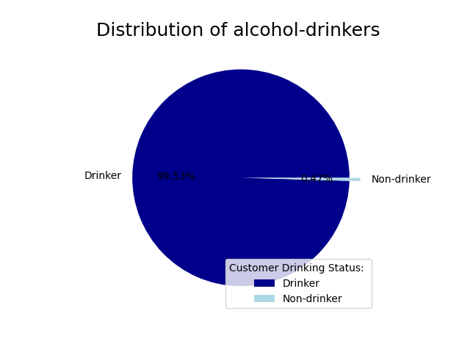
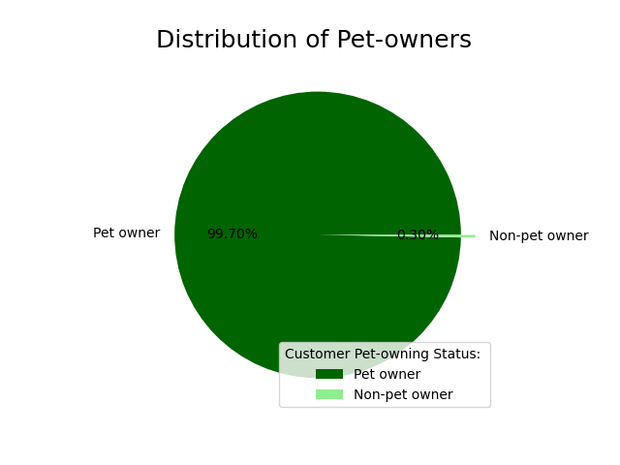
 |  |  |  |  |  |  |  |  |  | Title page

Visualisations

In this tab you should include all the visualtions from Exercises 4.9 and 4.10, alongside the questions from the project brief that they answer. Include any commentary on the relationship between different variables.

Question 1 | The Sales team needs to know what the busiest days of the week and hours of the day are (i.e., the days and times with the most orders) in order to schedule ads at times when there are fewer orders.

Answer: | Saturday and Sunday are the most popular days in terms of purchasing, followed by Friday and Monday.
 | The most popular times for purchasing is between 9am and 5pm, with a peak at 10am.
Recommendations: | Scheduling targeted ads from Thursday onwards shoppers are reminded of items in the run up to the weekend could help drive up sales.
 | You could also consider running ad campaigns highlighting particular weekend deals throughout the week, during less busy times and perhaps when many customers will be at computer screens, to help drive excitement and anticipation.

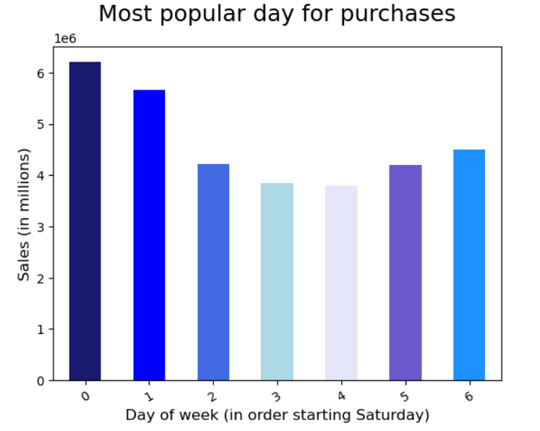
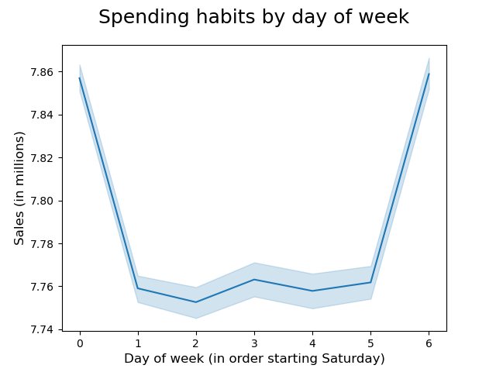
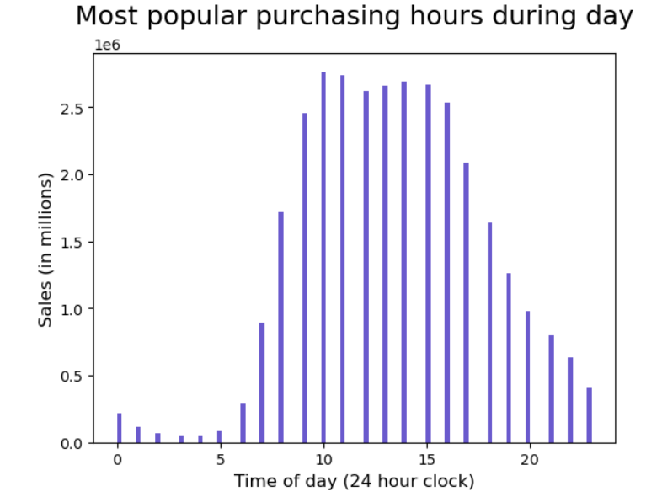

Question 2 | The Sales team also want to know whether there are particular times of the day when people spend the most money, as this might inform the type of products they advertise at these times.

Answer | The most popular purchasing times are within the central hours of the day, 9am and 5pm, with a peak between 10am and 3pm. In order to further understand customer behaviour, we grouped times in to three categories:
 |  | Standard: 9:00 - 17:00 | Night owl: 18:00 - 5:00 |  | Early bird: 5:00 - 8:00.
 | Unsurprisingly, regular hours accounted for the majority of purchases at 65%, followed by night owls with 25%, and finally early birds with a little over 9%.
 | Generally speaking, purchase prices are consistent throughout the day, averaging around $7.20 (for reference, the cheapest product within the data set is $1 and the most expensive is $25). There is a peak of $7.85 around 4am and a low of $7.75 around 9-10am.

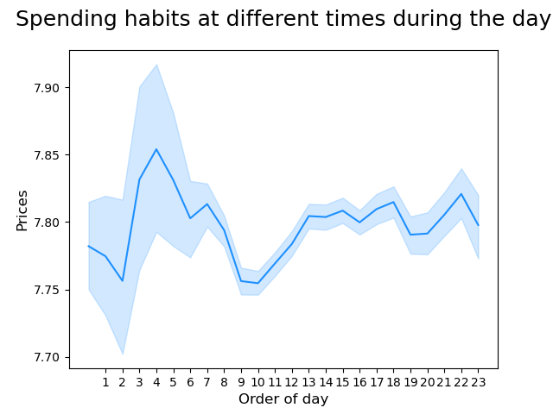
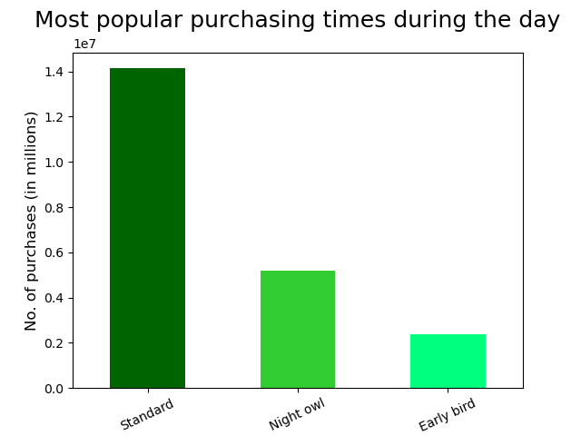

Question 3 | Instacart has a lot of products with different price tags. Marketing and sales want to use simpler price ranges groupings to help direct their efforts.

Answer: | Initial analysis shows that prices range from $1 and $25, with the majority of products being under $15. Products were therefore grouped into three categories: high, medium, and low-range.
 | Key findings detailed below.

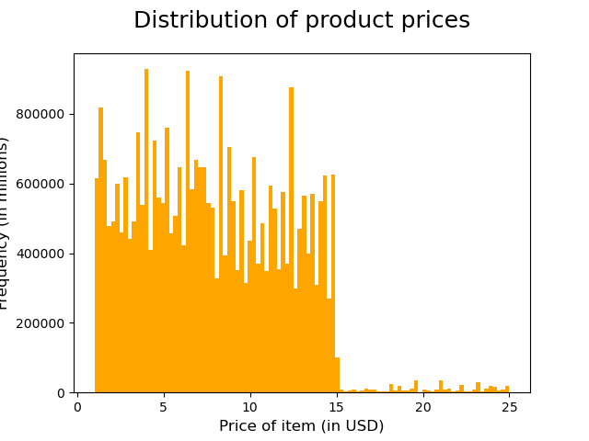

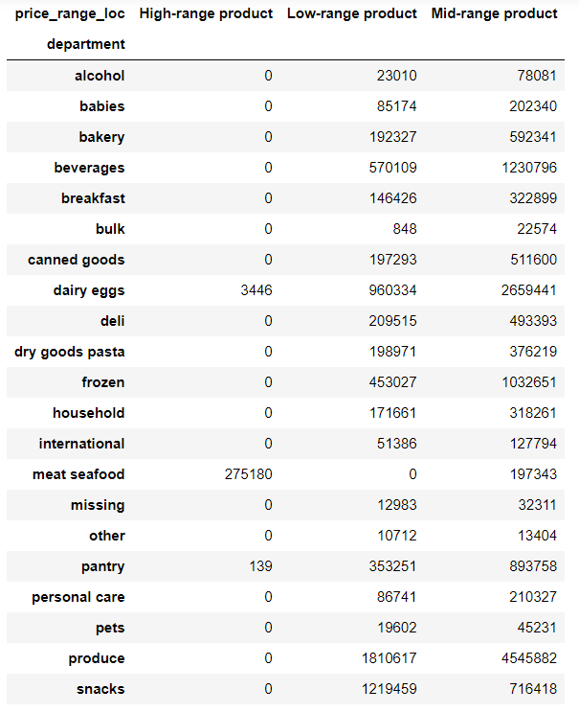
 |  |  |  |  | Price grouping conditions <= 5 : 'Low-range product' (> 5) & ( <= 15) : 'Mid-range product' > 15: 'High range' else: 'Not enough data'

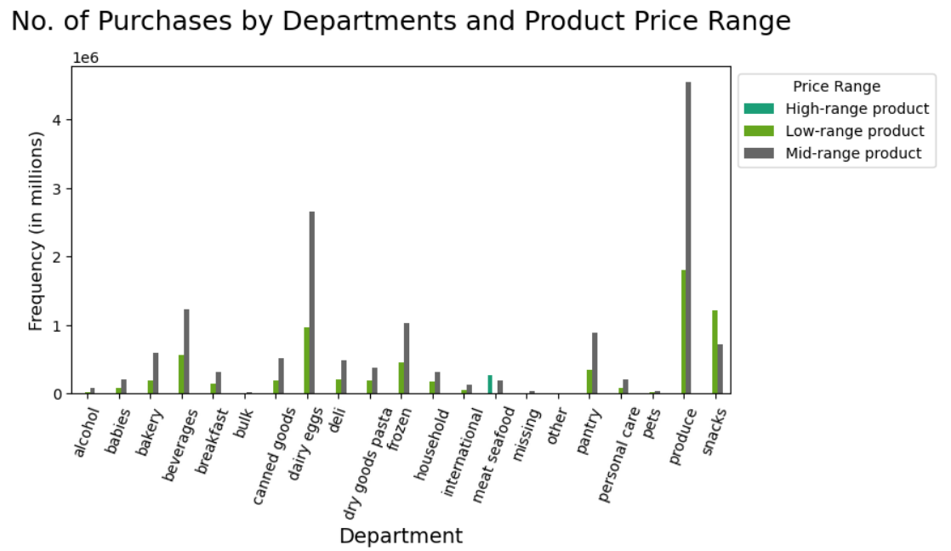

 |  |  |  |  |  |  |  |  |  |  |  | Key Findings The majority of products fall within the medium or low-range product groups. - Meat/seafood has the highest proportion of high-range products - Produce and dairy/eggs have the highest proportion of mid-range products. - Produce, snacks, and dairy/eggs have the highest proportion of low-range products. Meat/seafood has no mid-range products. Snacks is the only department with more low-range products than medium or high.

Question 4 | Are there certain types of products that are more popular than others? The marketing and sales teams want to know which departments have the highest frequency of product orders

Answer: | As stated above, the most popular departments are produce followed by dairy/eggs.
 | We see the same results when looking at the data across our grouped time periods, with produce and dairy/eggs being the most popular across the day and bulk being the least popular

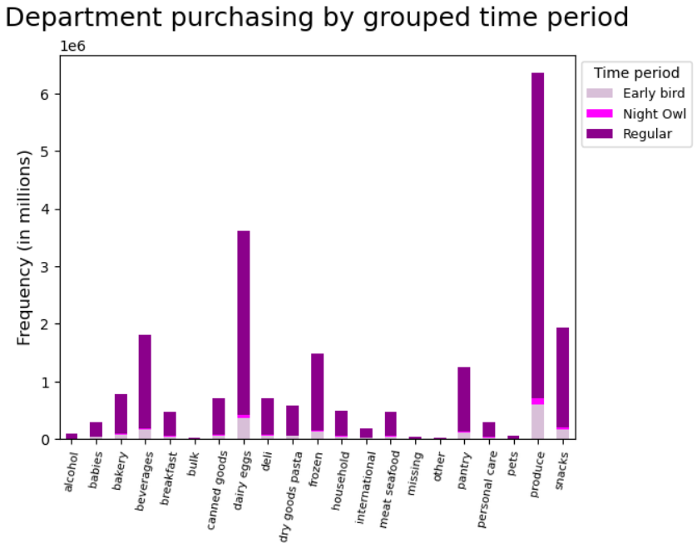
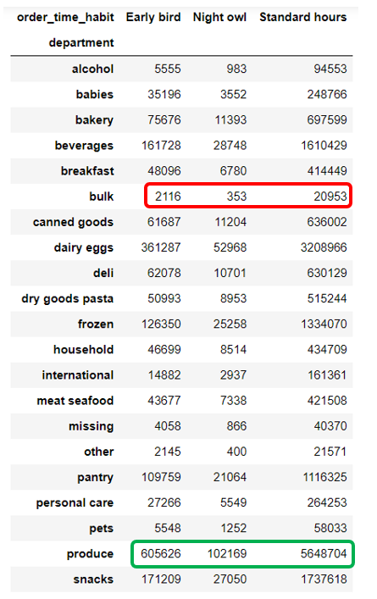

Question 5 | The marketing teams and sales teams are particularly interested in the different types of customers in their system and how their ordering behaviours differ. For example
 |  | 1. What's the distribution among users in regards to their brand loyalty (i.e., how often do they return to Instacart)?
 |  | 2. Are there differences in ordering habits based on a customer's loyalty status?
 |  | 3. Are there differences in ordering habits based on a customer's region?
 |  | 4. Is there a connection between age and family status in terms of ordering habits?
 |  | 5. What different types of classifications does the demographic information suggest? Age? Income? Certain types of goods? Family status?
 |  | 6. What differences can be found in ordering habits of different customer profiles? Consider the price of orders, the frequency of orders, the products customers are ordering, and anything else you can think of.

1. What's the distribution among users in regards to their brand loyalty (i.e., how often do they return to Instacart)?

Answer: | Firstly, we looked at the number of orders made by customers and found that the range was between 1 and 99, with a stead decline in frequency. This analysis also revealed many outliers at 99 which will require further investigation. They could be errors, or it could be that the system doesn't allow for values over 100.
 | We grouped order numbers into three categories:
 |  | Loyal customer: over 40 orders |  | Regular customer: between 10 and 40 orders |  |  | New customer: less than 10 orders (anyone with less than 5 orders were removed from the data set per client request)
 | We found that regular customers account for almost 49% of purchases, followed by loyal customers with 32%, and finally, new customers with 19%.

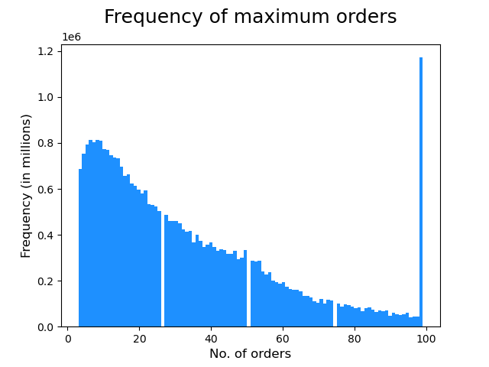
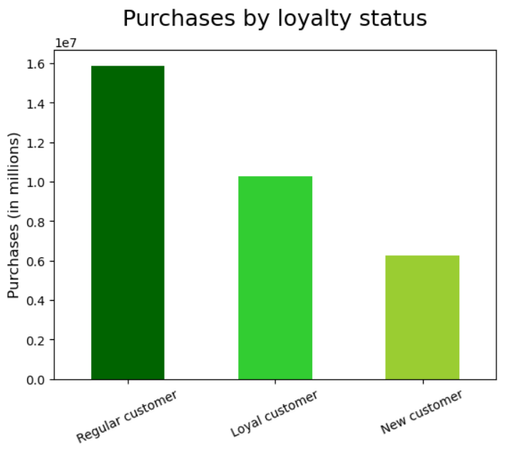

 |  |  |  |  | Loyalty status grouping conditions <= 10 : 'New customer' (> 10) & ( <= 40) : 'Regular customer' > 40: 'Loyal customer' else: 'Not enough data'

2. Are there differences in ordering habits based on a customer's loyalty status?
Answer: | Loyalty status doesn't appear to impact the types of products customers are purchasing. Across all departments we see regular customers purchase the most products, followed by loyal customers, and finally, new customers.

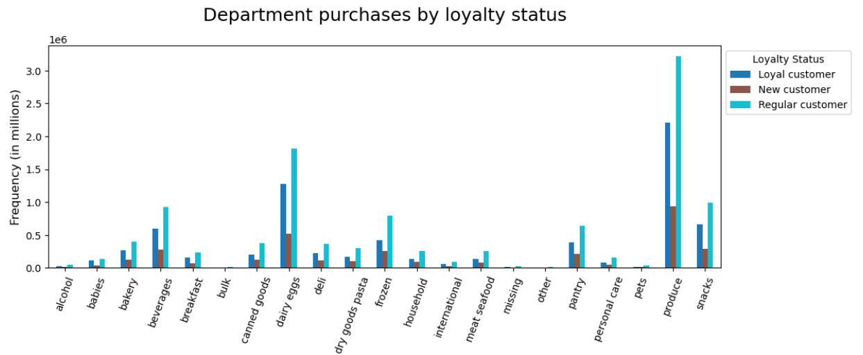

3. Are there differences in ordering habits based on a customer's region?

Answer: | We grouped the US states into four regional categories based on information supplied by the United States Census Bureau, Midwest, Northeast, South, and West.
 | The South region has the largest number of purchases, followed by the West, Midwest, and finally, Northeast. This tallies with the overall populations for those areas per the United States Central Bureau which you can see in the table below.
 | If we look at the numbers of purchases as percentages of the amount for that specific region, we see that is it very similar across all regions with regular customers accounting for a little over 50% of purchases, loyal for around 33% , and new for 15%, so the proportions of
 | regular, loyal, and new customers is consistent across all four regions, but the number of customers increases or descreases based on population size.
 | Similarly, purchases by grouped product price are broadly the same across all regions.
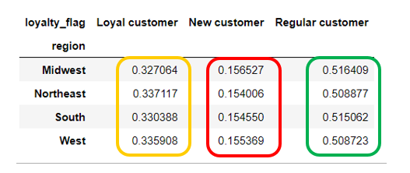
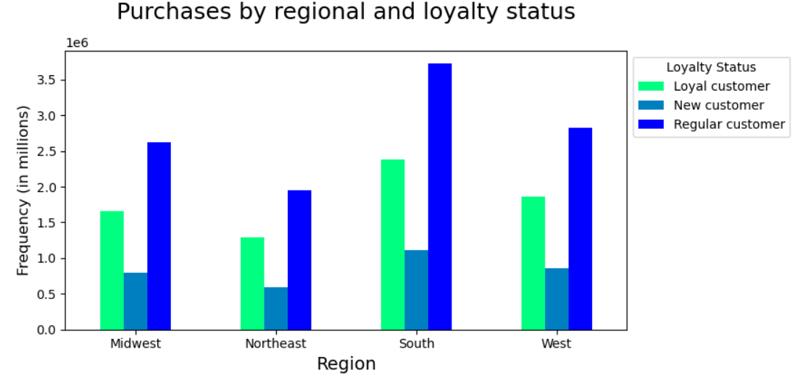

 |  |  |  |  |  |  |  |  | Pop. In millions |  | Pop. as %
 |  |  |  |  |  |  |  | Midwest | 68,787,595 |  | 20.6
 |  |  |  |  |  |  |  | Northeast | 57,040,406 |  | 17.1
 |  |  |  |  |  |  |  | South | 128,716,192 |  | 38.6
 |  |  |  |  |  |  |  | West | 78,743,364 |  | 26.6

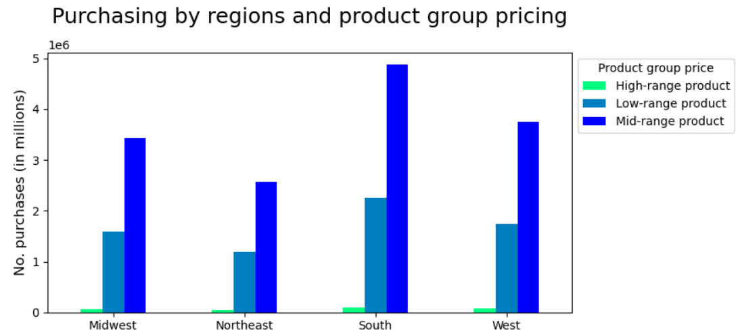

4. Is there a connection between age and family status in terms of ordering habits?

Answer: | We have more purchases from customers with dependants compared to those without, but this is in alignment with overall customer demographics as there are three times as many customers with dependants as customers without.

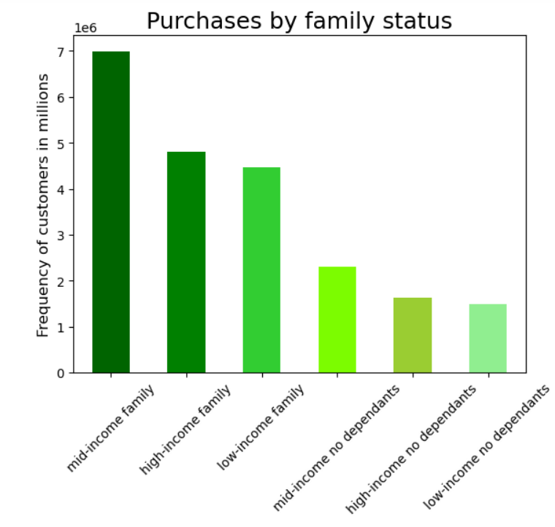
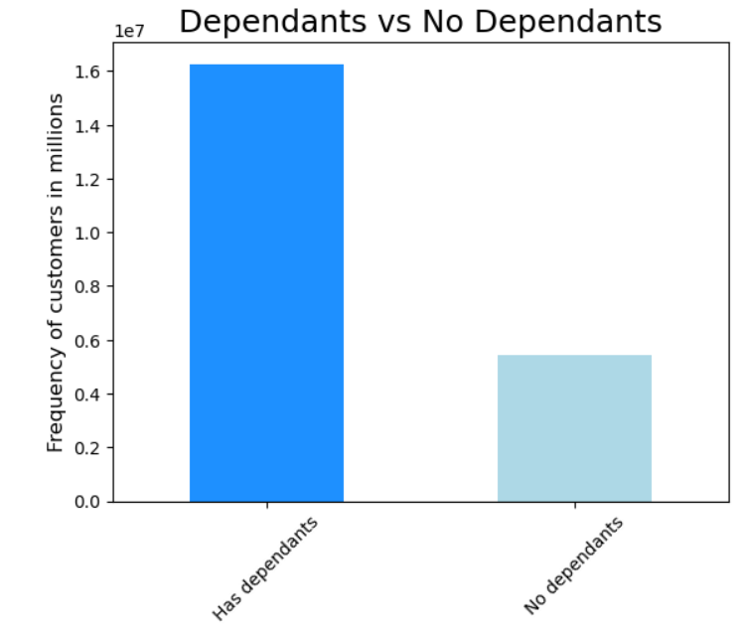

5. What different types of classifications does the demographic information suggest? Age? Income? Certain types of goods? Family status?

Age The youngest customer is 18 and the older is 81. We therefore grouped customers into three age categories: Youth: 18 - 39 Middle Age: 40 - 64 Senior: 65+ Purchasing days and times across all three age groups is similar

 |  |  |  |  |  | There are no days where an age group is making more purchases than the others

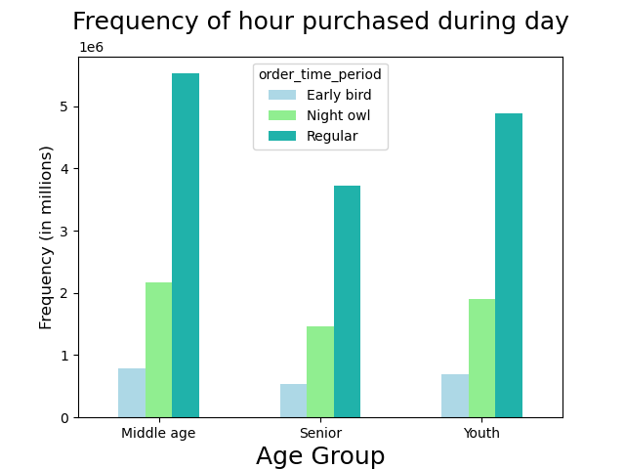
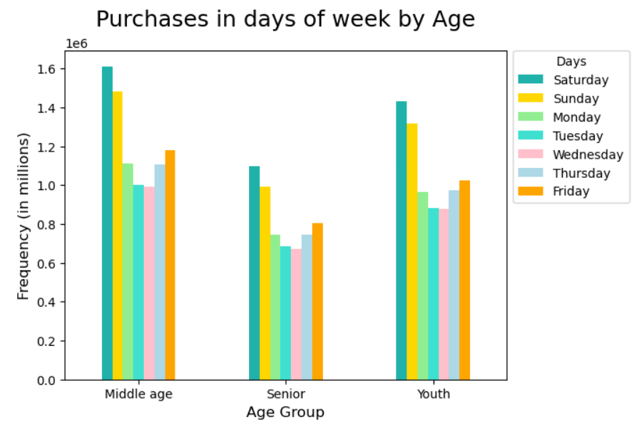

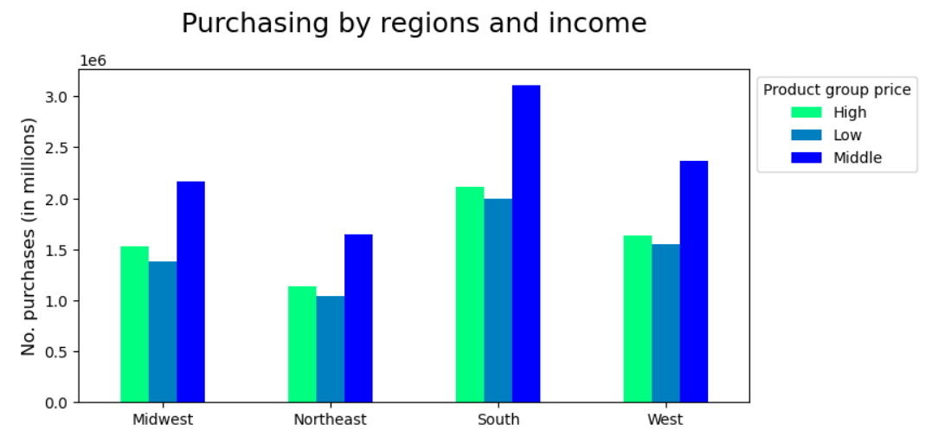
Income The lowest recorded salary is 25,000 USD and the highest is 593,901 USD, although the majority of customers earn less than 180,000 USD. We therefore grouped customers into three income categories: Low: < 70,000 Middle: >= 70,000 & < 120,000 High: >= 120,000 Purchasing across times for all three income groups is similar. Low-income customers slightly prefer Sunday to Saturday, and their mid-week days are more evenly distributed compared to high or middle income. Wednesday and Thursday are the least popular days for all three income groups.

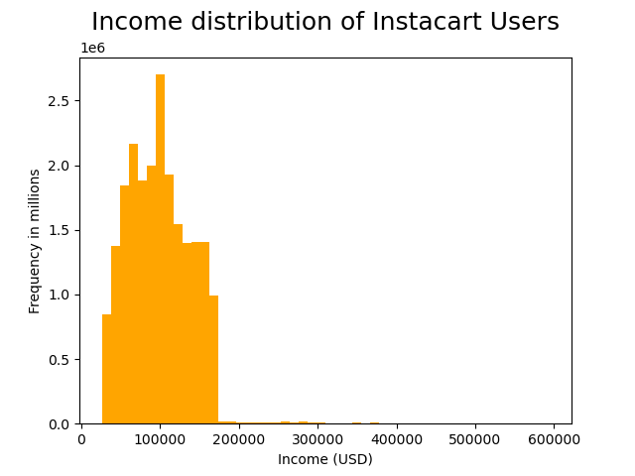

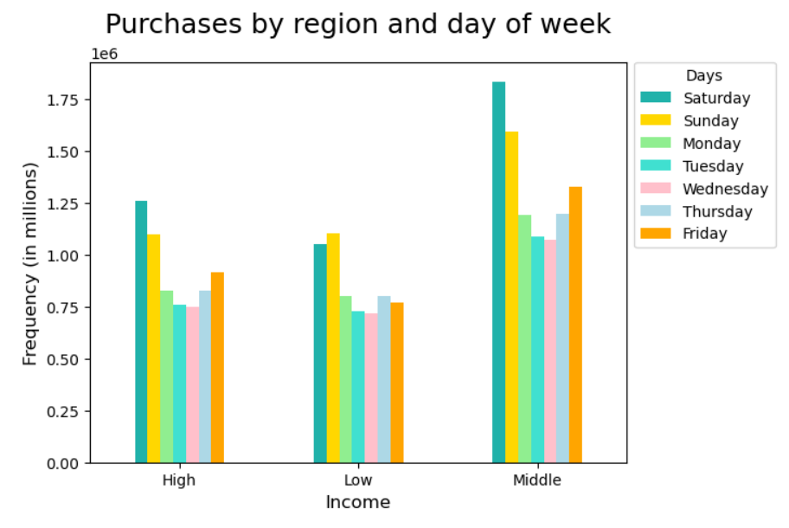

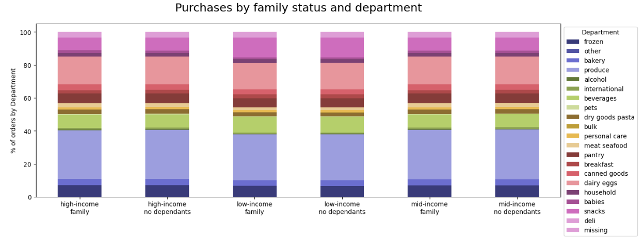
Family status We combined family status and income to investigate whether the combination of demographics would impact spending. This resulted in 6 groups: Family (i.e., those with dependants) High-income Middle-income Low-income No dependants High-income Middle-income Low-income There are some small differences between groups for example mid and high income families buy more produce compared to low-income familes, around 4% more. Low-income families buy more snacks compared to middle and high-income families, around 5% more. I would have expected families with dependants to spend significantly more in the babies department, but the difference between dependant and non-dependant families was only 0.1 - 0.3% of total spend. Spending by family status is broadly similar across all regions.

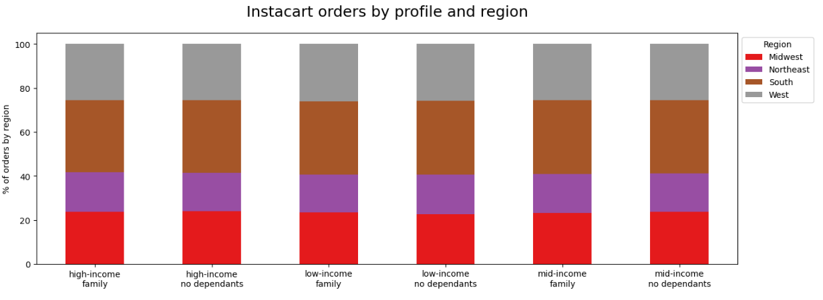

6. What differences can be found in ordering habits of different customer profiles? Consider the price of orders, the frequency of orders, the products customers are ordering, and anything else you can think of.

Answer: | The majority of customers have purchased products from the alcohol department at some point
 | The majority of customers have purchased products from the pet department at some point

7. Recommendations
 |  | Title page

Recommendations

In this tab you should include any recommendations you would made to Instcart in terms of their marketing strategy based on the questions posed in the brief. Every key question has been covered in the Tasks of the Exercises - here you need to add an item - a visualisation or table/crosstable that is showing the answer in the data, acompanied by a comment from you. Please, list the questions below and add the answer underneath.
Question | Answer and recommendations
Key Question 1 | Saturday and Sunday are the most popular days in terms of purchasing, followed by Friday and Monday. The most popular times for purchasing is between 9am and 5pm, with a peak at 10am, and a steady decline in the evening. Given the most popular days are around the weekend Instacart could consider scheduling targeted ads from Wednesday onwards highlighting particular weekend deals throughout the week so shoppers are reminded of items in the run up to the weekend, which could help drive up sales. A an email campaign could be run throughout the day-time when many customers may be at work on their computers.
Key Question 2 | 65% or purchases are made within regular hours, between 9am and 5pm; 25% are made after 5pm and before 5am, and only 9% are made in the morning, between 5am and 9am. purchase prices are consistent throughout the day, averaging around $7.20 (for reference, the cheapest product within the data set is $1 and the most expensive is $25). To take advantage of the peaks of high and low priced items, Instacart could consider an ap-based push notification campaign.
Key Question 3 | Products are priced between $1 and $25, with the majority of products being under $15. Products were therefore grouped into three categories: high (> $15), medium <$15 & > $5 >, and low-range (<$5). The departments which contributed the most purchases were produce and dairy/eggs, so Instacart should carry on advertising those producst and potentially offering deals to drive sales. The department with the most amount of high-range products is meat/seafood, Instacart should consider ways you could either increase the number of products available to maximise sales or A next step of this analysis would be to look at time series data, understanding when certain products are more popular throughout the year would help target ad campaigns, for example, I would expect meat/seafood to be popular across the summer, and potentially around public holidays.
Key Question 4 | The most popular departments in terms of numbers of purchases are produce and dairy/eggs. We see this across multiple demographics including family and loyalty status. Instacart could consider implementing some kind of loyalty scheme which rewards customers for repeat purchases, or introducing deals which encourgae muliple sales, for example, 3 for 2.
Key Question 5 | Loyal customers, or those with 40 or more purchases make up 32% of customers, followed by regular customers at 49% who have made between 10 and 40 purchases, and finally by new customers who make up 9% of the data set and have made between 5 and 9 purchases (anyone who had made less than 5 purchases was removed from the dataset per client request). Sales increase proportionally with population size. It's clear that Instacart has strong brand loyalty, customers return again and again. Creating a rewards scheme which rewards customers for repeat orders would encourage more brand loyalty. It's important however, to ensure that new customers continue to return so Instacart could consider giving percentage discounts for orders to new users to increase uptake. Instacart could consider soft launches of new products or initiatives in some of the smaller regions as a test run before rolling out nationwide.
Key Question 6 | Low income families more consistently use Instacart througout the working week compared to mid or high income families. Low-income have a higher percentage of snack purchases compared to mid and high income families. High and mid income families have a higher percentage of produce purchases compared to low-income familes. Instacart could consider a more active and consistent advertising campaign in low-income neighbourhoods. They could also consider targeted campaigns based for snacks and produce based on income background.
Key Question 7 | Whilst the data suggests that there is no difference in customer habits across age groups (youth, middle age, and senior), Instacart could consider offers and campaigns which target senior demographics during the day-time. This could help to increase sales during these low periods.
Key Question 8 | Families with dependants account for more sales than families without, however, it is broadly proportional to the numbers of customers Instacart has. It's not clear from the dataset whether dependants are just children, or also include elderly relatives or those with disabilities. Greater clarity and delineation on this point could help us target ads to the appropriate people.

Reflection: what could we change, and what else could we be looking at? | 1. If we can access timedate information regarding purchases we can look at seasonal and annual trends which would help inform advertising campaigns.
 | 2. For a couple of the derived variables, for example spending_flag, we could use variables such as '> mean + 1stdv' instead of hardcoding a quantitative value. This would allow more flexibility in the future should spending values change.
 | 3. We didn't include customers with fewer than 5 purchases in our dataset, however, analysis of their purchasing habits could uncover interesting information on how to retain new customers.
 | 4. We can also dig further into some regional nuances, for example, state by state comparisons.

