Sheet1
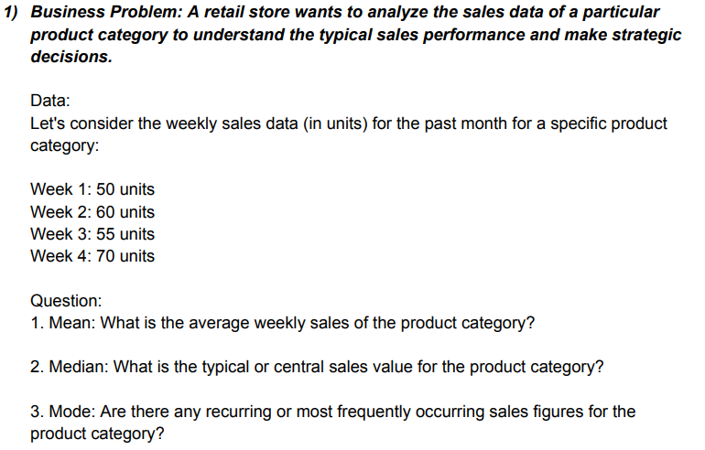

 | 50
 | 60
 | 55
 | 70

 | Mean | 58.75
 | Median | 57.5
 | Mode | #N/A

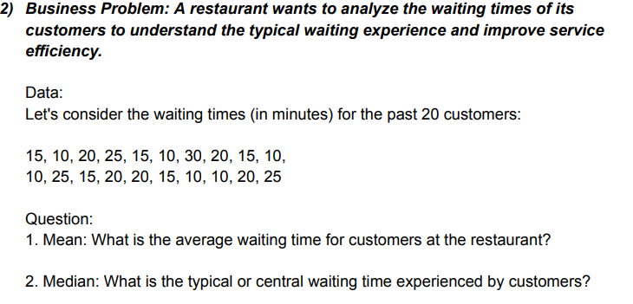
 |  | 15
 |  | 10
 |  | 20
 |  | 25
 |  | 15
 |  | 10
 |  | 30
 |  | 20 |  | Mean | 17
 |  | 15 |  | Median | 15
 |  | 10 |  | Mode | 10
 |  | 10
 |  | 25
 |  | 15
 |  | 20
 |  | 20
 |  | 15
 |  | 10
 |  | 10
 |  | 20
 |  | 25

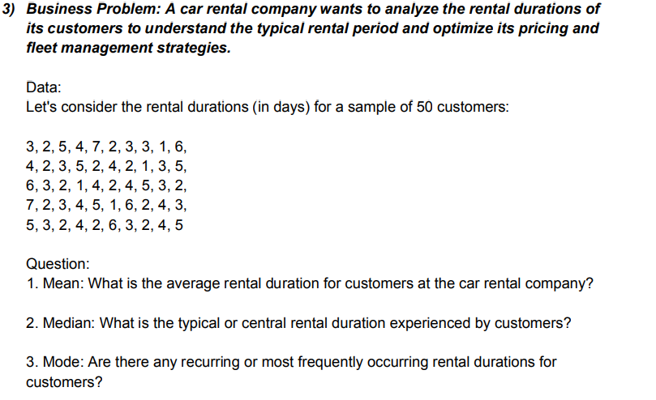
3 | 6 | 5
2 | 3 | 3
5 | 2 | 2
4 | 1 | 4
7 | 4 | 2
2 | 2 | 6
3 | 4 | 3 |  | Mean | 41.238095238
3 | 5 | 2 |  | Median | 6.5
1 | 3 | 4 |  | Mode | 3
6 | 2 | 5
4 | 7
2 | 2
3 | 3
5 | 4
2 | 5
4 | 1
2 | 6
1 | 2
3 | 4
5 | 3

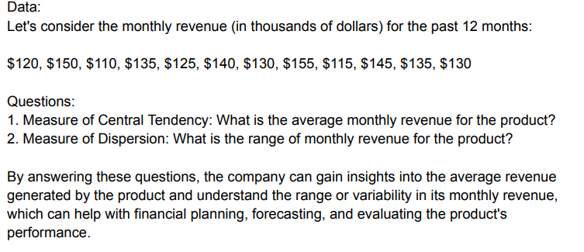
120
150 |  | Mean | 132.5
110 |  | Range | 45
135
125
140
130
155
115
145
135
130

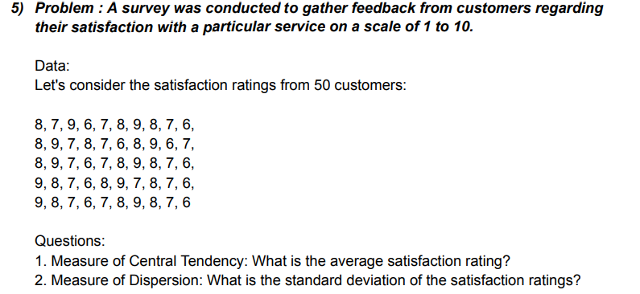
8 | 8 | 8 | 9 | 9 |  | mean | 7.5
7 | 9 | 9 | 8 | 8 |  | SD | 1.0246950766
9 | 7 | 7 | 7 | 7
6 | 8 | 6 | 6 | 6
7 | 7 | 7 | 8 | 7
8 | 6 | 8 | 9 | 8
9 | 8 | 9 | 7 | 9
8 | 9 | 8 | 8 | 8
7 | 6 | 7 | 7 | 7
6 | 7 | 6 | 6 | 6

10 | 9 | 13 | 15 | 25 | 14 | 16 | 15 | 15 | 17
15 | 17 | 10 | 20 | 18 | 16 | 14 | 16 | 13 | 14
12 | 11 | 18 | 26 | 16 | 23 | 18 | 13 | 16 | 12
18 | 13 | 16 | 13 | 13 | 18 | 20 | 14 | 14 | 20
20 | 19 | 12 | 12 | 21 | 15 | 25 | 18 | 22 | 23
25 | 23 | 14 | 14 | 20 | 11 | 13 | 20 | 21 | 19
8 | 21 | 19 | 22 | 15 | 19 | 11 | 19 | 19 | 15
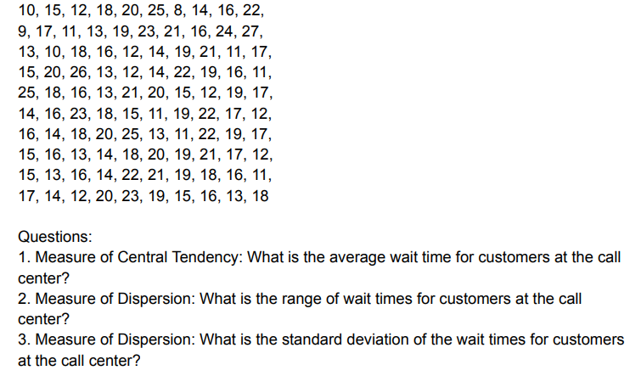
14 | 16 | 21 | 19 | 12 | 22 | 22 | 21 | 18 | 16
16 | 24 | 11 | 16 | 19 | 17 | 19 | 17 | 16 | 13
22 | 27 | 17 | 11 | 17 | 12 | 17 | 12 | 11 | 18

 |  | Mean | 16.74
 |  | Range | 19
 |  | SD | 4.1221838872

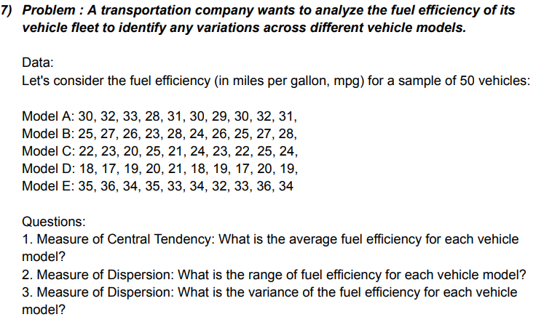
30 | 25 | 22 | 18 | 35
32 | 27 | 23 | 17 | 36
33 | 26 | 20 | 19 | 34 |  |  | Mean | 26.48
28 | 23 | 25 | 20 | 35 |  |  | Range | 19
31 | 28 | 21 | 21 | 33 |  |  | Varience | 31.7696
30 | 24 | 24 | 18 | 34
29 | 26 | 23 | 19 | 32
30 | 25 | 22 | 17 | 33
32 | 27 | 25 | 20 | 36
31 | 28 | 24 | 19 | 34

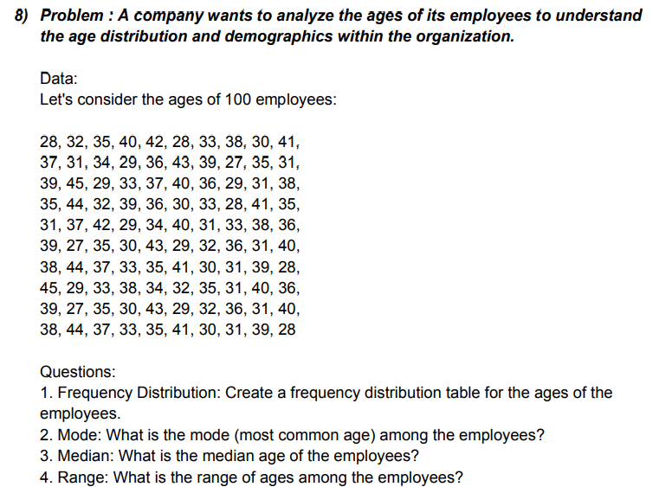

28 | 37 | 39 | 35 | 31 | 39 | 38 | 45 | 39 | 38
32 | 31 | 45 | 44 | 37 | 27 | 44 | 29 | 27 | 44
35 | 34 | 29 | 32 | 42 | 35 | 37 | 33 | 35 | 37
40 | 29 | 33 | 39 | 29 | 30 | 33 | 38 | 30 | 33
42 | 36 | 37 | 36 | 34 | 43 | 35 | 34 | 43 | 35
28 | 43 | 40 | 30 | 40 | 29 | 41 | 32 | 29 | 41
33 | 39 | 36 | 33 | 31 | 32 | 30 | 35 | 32 | 30
38 | 27 | 29 | 28 | 33 | 36 | 31 | 31 | 36 | 31
30 | 35 | 31 | 41 | 38 | 31 | 39 | 40 | 31 | 39
41 | 31 | 38 | 35 | 36 | 40 | 28 | 36 | 40 | 28

 |  | Mode | 31
 |  | Median | 35
 |  | Range | 18
Max | 45 |  |  |  | Bin | Frequency
Min | 27 |  |  |  | 20 | 0
 |  |  |  |  | 30 | 16
Bin |  |  |  |  | 40 | 53
20 |  |  |  |  | 50 | 11
30 |  |  |  |  | More | 0
40
50

56 | 52 | 52 | 59 | 58
40 | 44 | 63 | 45 | 62
28 | 38 | 41 | 47 | 49
73 | 60 | 48 | 51 | 59
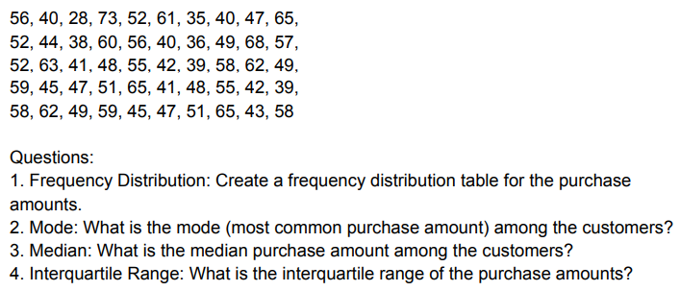
52 | 56 | 55 | 65 | 45
61 | 40 | 42 | 41 | 47
35 | 36 | 39 | 48 | 51
40 | 49 | 58 | 55 | 65
47 | 68 | 62 | 42 | 43
65 | 57 | 49 | 39 | 58

Mode | 52 |  | Bin |  | Bin | Frequency | Cumulative %
Median | 50 |  | 20 |  | 20 | 0 | 0.00%
Range | 45 |  | 30 |  | 30 | 1 | 2.00%
Max | 73 |  | 40 |  | 40 | 8 | 18.00%
Min | 28 |  | 50 |  | 50 | 16 | 50.00%
 |  |  | 60 |  | 60 | 16 | 82.00%
 |  |  | 70 |  | 70 | 8 | 98.00%
 |  |  | 80 |  | 80 | 1 | 100.00%
 |  |  |  |  | More | 0 | 100.00%

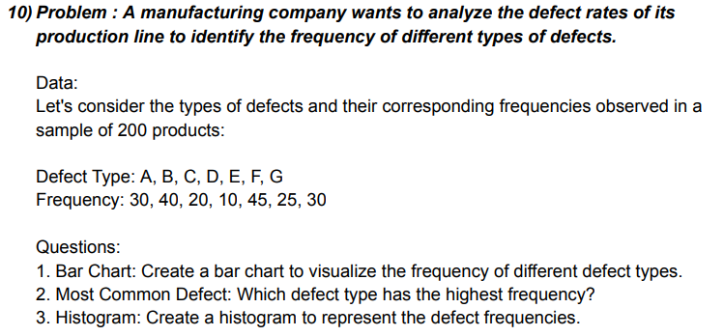
Histogram
Frequency | Type | bin
30 | A | 0 |  | Bin | Frequency
40 | B | 10 |  | 0 | 0
20 | C | 20 |  | 10 | 1
10 | D | 30 |  | 20 | 1
45 | E | 40 |  | 30 | 3
25 | F | 50 |  | 40 | 1
30 | G |  |  | 50 | 1
 |  |  |  | More | 0

highest frequency detect type |  |  | E

4 | 5 | 4 | 3 | 3 | 5 | 3 | 3 | 5 | 3 |  | 0
5 | 4 | 3 | 4 | 4 | 4 | 4 | 4 | 4 | 4 |  | 10
3 | 2 | 2 | 5 | 5 | 3 | 5 | 5 | 3 | 5 |  | 20
4 | 3 | 4 | 2 | 4 | 4 | 2 | 4 | 4 | 2 |  | 30
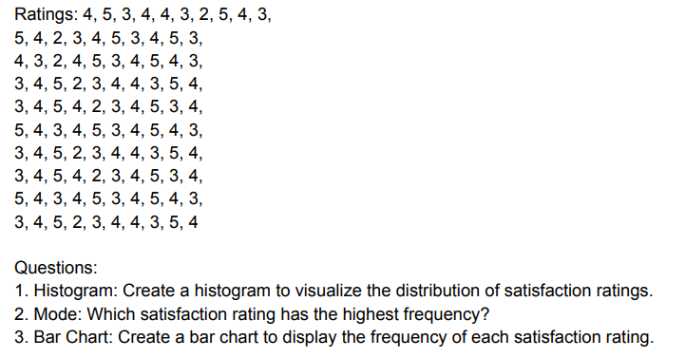
4 | 4 | 5 | 3 | 2 | 5 | 3 | 2 | 5 | 3 |  | 40
3 | 5 | 3 | 4 | 3 | 3 | 4 | 3 | 3 | 4 |  | 50
2 | 3 | 4 | 4 | 4 | 4 | 4 | 4 | 4 | 4
5 | 4 | 5 | 3 | 5 | 5 | 3 | 5 | 5 | 3
4 | 5 | 4 | 5 | 3 | 4 | 5 | 3 | 4 | 5
3 | 3 | 3 | 4 | 4 | 3 | 4 | 4 | 3 | 4

Histogram
Mode | 4 | Bin | Frequency
 |  | 0 | 0
 |  | 10 | 100
 |  | 20 | 0
 |  | 30 | 0
 |  | 40 | 0
 |  | 50 | 0
 |  | More | 0

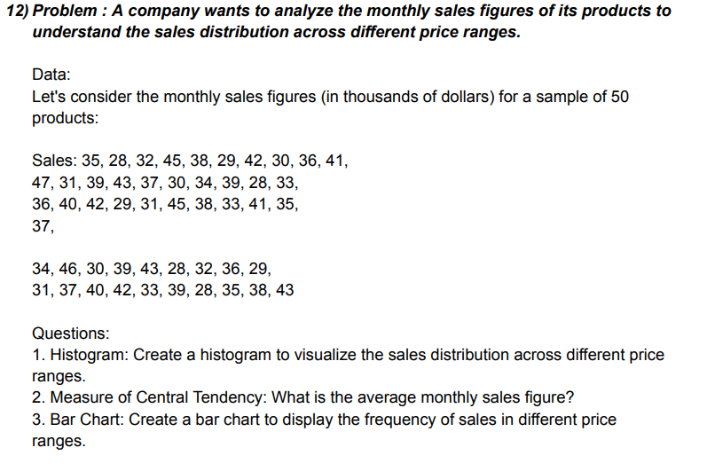
Histogram
 |  |  |  |  | bin |  | Bin | Frequency
35 | 47 | 36 | 37 | 31 | 20 |  | 20 | 0
28 | 31 | 40 | 34 | 37 | 30 |  | 30 | 10
32 | 39 | 42 | 46 | 40 | 40 |  | 40 | 28
45 | 43 | 29 | 30 | 42 | 50 |  | 50 | 12
38 | 37 | 31 | 39 | 33 |  |  | More | 0
29 | 30 | 45 | 43 | 39
42 | 34 | 38 | 28 | 28
30 | 39 | 33 | 32 | 35
36 | 28 | 41 | 36 | 38
41 | 33 | 35 | 29 | 43

max | 47
min | 28
Mean | 36.14

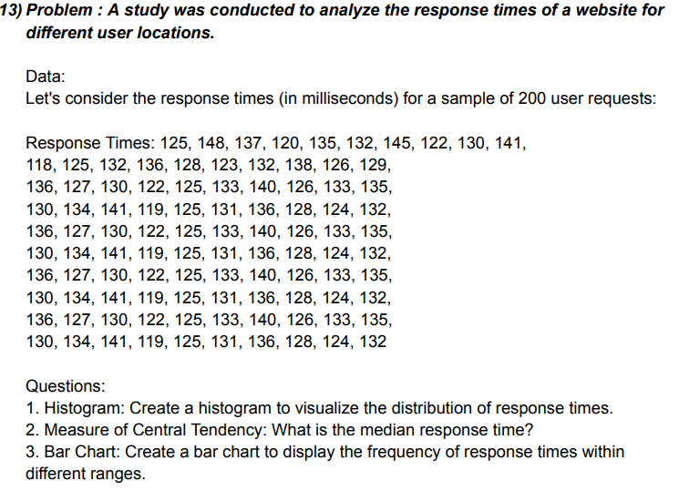
 |  |  |  |  |  |  |  |  |  |  | bin
125 | 118 | 136 | 130 | 136 | 130 | 136 | 130 | 136 | 130 |  | 110
148 | 125 | 127 | 134 | 127 | 134 | 127 | 134 | 127 | 134 |  | 120
137 | 132 | 130 | 141 | 130 | 141 | 130 | 141 | 130 | 141 |  | 130
120 | 136 | 122 | 119 | 122 | 119 | 122 | 119 | 122 | 119 |  | 140
135 | 128 | 125 | 125 | 125 | 125 | 125 | 125 | 125 | 125 |  | 150
132 | 123 | 133 | 133 | 133 | 131 | 133 | 131 | 133 | 131
145 | 132 | 140 | 140 | 140 | 136 | 140 | 136 | 140 | 136
122 | 138 | 126 | 126 | 126 | 128 | 126 | 128 | 126 | 128
130 | 126 | 133 | 133 | 133 | 124 | 133 | 124 | 133 | 124
141 | 129 | 135 | 135 | 135 | 132 | 135 | 132 | 135 | 132

Histogram
Max | 148 |  | Bin | Frequency
Min | 118 |  | 110 | 0
Median | 131 |  | 120 | 6
 |  |  | 130 | 43
 |  |  | 140 | 44
 |  |  | 150 | 7
 |  |  | More | 0

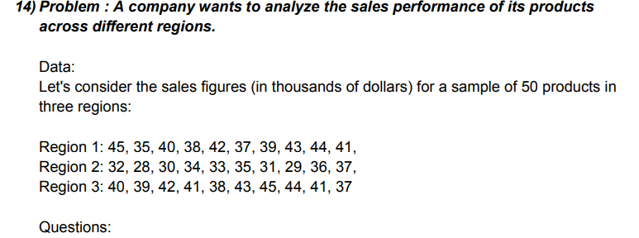
Region 1 | Region 2 | Region 3
45 | 32 | 40
35 | 28 | 39
40 | 30 | 42
38 | 34 | 41
42 | 33 | 38
37 | 35 | 43
39 | 31 | 45
43 | 29 | 44
44 | 36 | 41
41 | 37 | 37

Max | 45
Min | 28
Mean | 37.966666667
range | 17

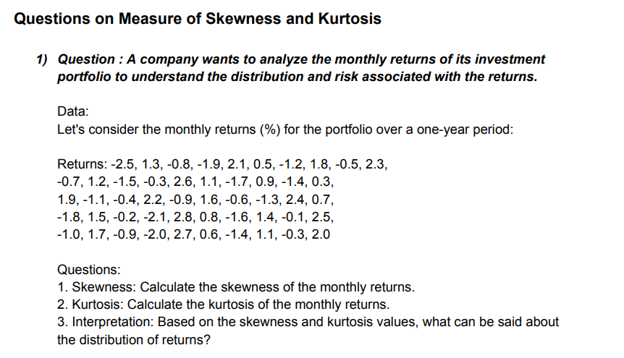

 | -2.5 | -0.7 | 1.9 | -1.8 | -1
 | 1.3 | 1.2 | -1.1 | 1.5 | 1.7
 | -0.8 | -1.5 | -0.4 | -0.2 | -0.9
 | -1.9 | -0.3 | 2.2 | -2.1 | -2
 | 2.1 | 2.6 | -0.9 | 2.8 | 2.7
 | 0.5 | 1.1 | 1.6 | 0.8 | 0.6
 | -1.2 | -1.7 | -0.6 | -1.6 | -1.4
 | 1.8 | 0.9 | -1.3 | 1.4 | 1.1
 | -0.5 | -1.4 | 2.4 | -0.1 | -0.3
 | 2.3 | 0.3 | 0.7 | 2.5 | 2
A skewness value of 0.054546017 indicates that your data distribution is nearly symmetrical, with a very slight positive skew. This suggests that the distribution is close to normal, with only a minor tendency for higher values to be slightly more spread out. For most statistical purposes, your data can be treated as approximately normal.A kurtosis value of -1.30425 indicates a plat
 | Skewness | 0.054546017084
 | Kurtosis | -1.3042496426

 | 2.5 | 2.8 | 2.2 | 3.1 | 2.8 | 2.2 | 3.1 | 2.8 | 2.2 | 3.1
 | 4.8 | 4.1 | 3.6 | 2.9 | 4.1 | 3.6 | 2.9 | 4.1 | 3.6 | 2.9
 | 3.2 | 2.6 | 4 | 4.6 | 2.6 | 4 | 4.6 | 2.6 | 4 | 4.6
 | 2.1 | 2.4 | 2.7 | 3.3 | 2.4 | 2.7 | 3.3 | 2.4 | 2.7 | 3.3
 | 4.5 | 4.7 | 3.8 | 2.5 | 4.7 | 3.8 | 2.5 | 4.7 | 3.8 | 2.5
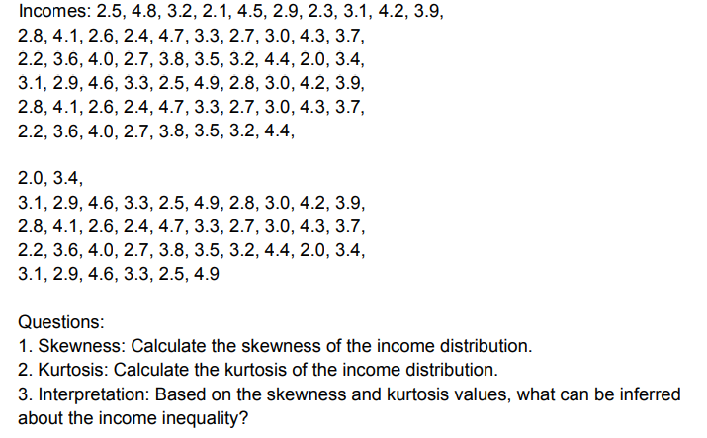
 | 2.9 | 3.3 | 3.5 | 4.9 | 3.3 | 3.5 | 4.9 | 3.3 | 3.5 | 4.9
 | 2.3 | 2.7 | 3.2 | 2.8 | 2.7 | 3.2 | 2.8 | 2.7 | 3.2
 | 3.1 | 3 | 4.4 | 3 | 3 | 4.4 | 3 | 3 | 4.4
 | 4.2 | 4.3 | 2 | 4.2 | 4.3 | 2 | 4.2 | 4.3 | 2
 | 3.9 | 3.7 | 3.4 | 3.9 | 3.7 | 3.4 | 3.9 | 3.7 | 3.4

A skewness value of 0.224025365 indicates a slightly positive skew in the data distribution. This suggests that the right tail (higher values) is marginally longer or has more extreme values than the left tail (lower values). For most practical purposes, the data is nearly symmetrical and close to normal.A kurtosis value of -0.931209125 indicates a platykurtic distribution. This means the data distribution has a flatter peak and thinner tails compared to a normal distribution. As a result, the data has fewer and less extreme outliers than a normal distribution.
 | Skewness | 0.22402536455
 | Kurtosis | -0.93120912453

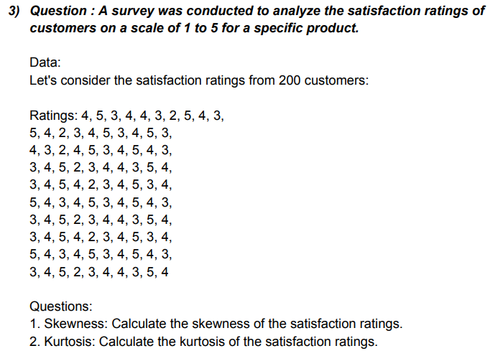

 | 4 | 5 | 4 | 3 | 3 | 5 | 3 | 3 | 5 | 3
 | 5 | 4 | 3 | 4 | 4 | 4 | 4 | 4 | 4 | 4
 | 3 | 2 | 2 | 5 | 5 | 3 | 5 | 5 | 3 | 5
 | 4 | 3 | 4 | 2 | 4 | 4 | 2 | 4 | 4 | 2
 | 4 | 4 | 5 | 3 | 2 | 5 | 3 | 2 | 5 | 3
 | 3 | 5 | 3 | 4 | 3 | 3 | 4 | 3 | 3 | 4
 | 2 | 3 | 4 | 4 | 4 | 4 | 4 | 4 | 4 | 4
 | 5 | 4 | 5 | 3 | 5 | 5 | 3 | 5 | 5 | 3
 | 4 | 5 | 4 | 5 | 3 | 4 | 5 | 3 | 4 | 5
 | 3 | 3 | 3 | 4 | 4 | 3 | 4 | 4 | 3 | 4

A skewness value of -0.21091 indicates a slightly negative skew in the data distribution. This suggests that the left tail (lower values) is marginally longer or has more extreme values than the right tail (higher values). For most practical purposes, the data is nearly symmetrical and close to normal.A kurtosis value of -0.745256272 indicates a platykurtic distribution. This means the data distribution has a flatter peak and thinner tails compared to a normal distribution, suggesting fewer and less extreme outliers in the data.
 |  | Skewness | -0.21090973977
 |  | Kurtosis | -0.74525627212

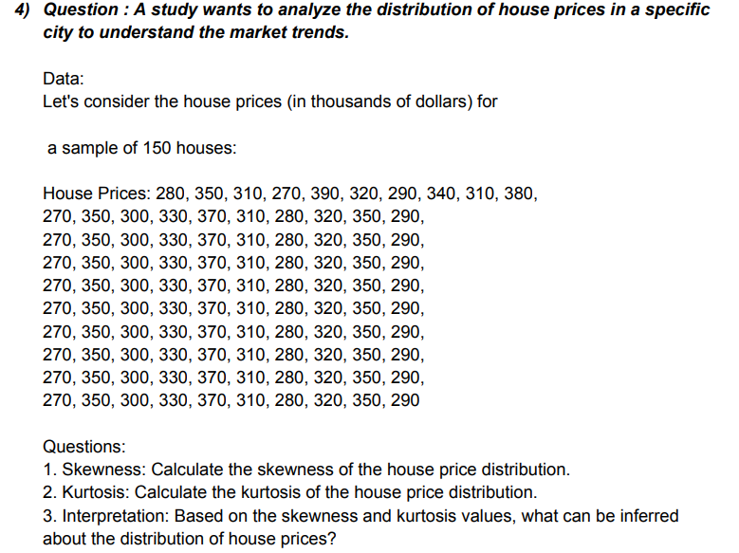

 |  | 280 | 270 | 270 | 270 | 270 | 270 | 270 | 270 | 270 | 270
 |  | 350 | 350 | 350 | 350 | 350 | 350 | 350 | 350 | 350 | 350
 |  | 310 | 300 | 300 | 300 | 300 | 300 | 300 | 300 | 300 | 300
 |  | 270 | 330 | 330 | 330 | 330 | 330 | 330 | 330 | 330 | 330
 |  | 390 | 370 | 370 | 370 | 370 | 370 | 370 | 370 | 370 | 370
 |  | 320 | 310 | 310 | 310 | 310 | 310 | 310 | 310 | 310 | 310
 |  | 290 | 280 | 280 | 280 | 280 | 280 | 280 | 280 | 280 | 280
 |  | 340 | 320 | 320 | 320 | 320 | 320 | 320 | 320 | 320 | 320
 |  | 310 | 350 | 350 | 350 | 350 | 350 | 350 | 350 | 350 | 350
 |  | 380 | 290 | 290 | 290 | 290 | 290 | 290 | 290 | 290 | 290

A skewness value of 0.209218625 indicates a slightly positive skew in the data distribution. This suggests that the right tail (higher values) is marginally longer or has more extreme values than the left tail (lower values). For most practical purposes, the data is nearly symmetrical and close to normal.A kurtosis value of -1.037 indicates a platykurtic distribution, implying thinner tails and a flatter peak compared to a normal distribution. This suggests fewer extreme values and a more dispersed data spread, but interpretation should consider other statistics and context.
 |  | Skeness | 0.2092186248
 |  | Kurtosis | -1.0374244845

 |  | 12 | 22 | 14 | 12 | 22 | 14 | 12 | 22 | 14 | 12
 |  | 18 | 19 | 20 | 18 | 19 | 20 | 18 | 19 | 20 | 18
 |  | 15 | 13 | 19 | 15 | 13 | 19 | 15 | 13 | 19 | 15
 |  | 22 | 16 | 17 | 22 | 16 | 17 | 22 | 16 | 17 | 22
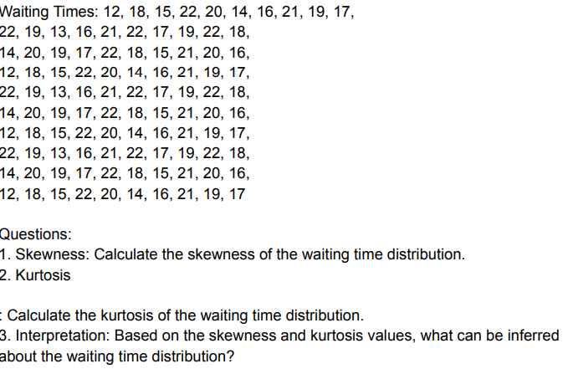
 |  | 20 | 21 | 22 | 20 | 21 | 22 | 20 | 21 | 22 | 20
 |  | 14 | 22 | 18 | 14 | 22 | 18 | 14 | 22 | 18 | 14
 |  | 16 | 17 | 15 | 16 | 17 | 15 | 16 | 17 | 15 | 16
 |  | 21 | 19 | 21 | 21 | 19 | 21 | 21 | 19 | 21 | 21
 |  | 19 | 22 | 20 | 19 | 22 | 20 | 19 | 22 | 20 | 19
 |  | 17 | 18 | 16 | 17 | 18 | 16 | 17 | 18 | 16 | 17

A skewness value of -0.335 suggests a slightly left-skewed distribution, indicating that the tail on the left side of the distribution is longer or more spread out than the right side. This implies that the majority of the data is concentrated on the right side, with a few lower values pulling the distribution to the left.
A kurtosis value of -0.881 suggests a slightly platykurtic distribution, meaning it has thinner tails and a flatter peak compared to a normal distribution. This indicates fewer extreme values or outliers and a relatively less concentrated distribution around the mean.3.5
 |  | Skeness | -0.33501287222
 |  | Kurtosis | -0.88101144669

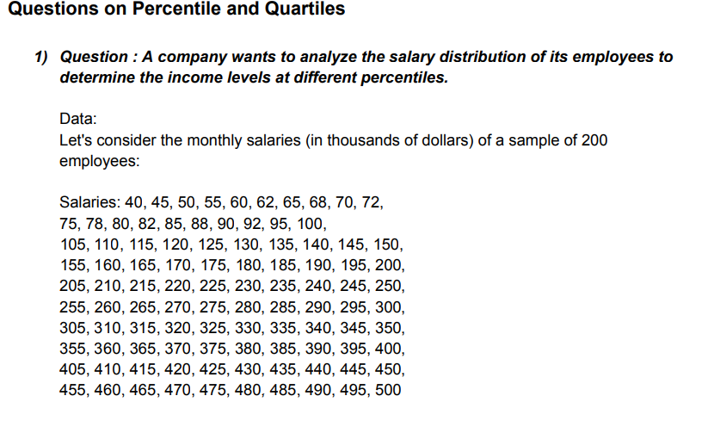

 |  |  | 40 | 45 | 50 | 55 | 60 | 62 | 65 | 68 | 70 | 72
 |  |  | 75 | 78 | 80 | 82 | 85 | 88 | 90 | 92 | 95 | 100
 |  |  | 105 | 110 | 115 | 120 | 125 | 130 | 135 | 140 | 145 | 150
 |  |  | 155 | 160 | 165 | 170 | 175 | 180 | 185 | 190 | 195 | 200
 |  |  | 205 | 210 | 215 | 220 | 225 | 230 | 235 | 240 | 245 | 250
 |  |  | 255 | 260 | 265 | 270 | 275 | 280 | 285 | 290 | 295 | 300
 |  |  | 305 | 310 | 315 | 320 | 325 | 330 | 335 | 340 | 345 | 350
 |  |  | 355 | 360 | 365 | 370 | 375 | 380 | 385 | 390 | 395 | 400
 |  |  | 405 | 410 | 415 | 420 | 425 | 430 | 435 | 440 | 445 | 450
 |  |  | 455 | 460 | 465 | 470 | 475 | 480 | 485 | 490 | 495 | 500

Q1 (the first quartile) at 128.75 means that 25% of the data falls below this value.Q2 (the second quartile), also known as the median, is 252.5, indicating that 50% of the data lies below and 50% above this value.Q3 (the third quartile) at 376.25 shows that 75% of the data falls below this value.
The given percentiles represent values below which a certain percentage of the dataset falls. For example, the 10th percentile is 72.3, meaning 10% of the data is at or below this value. The 90th percentile is 454.5, indicating that 90% of the data is at or below this value.
 |  | Q1 | 128.75 |  | 10TH PERCENTILE |  | 72.3
 |  | Q2 | 252.5 |  | 25TH PERCENTILE |  | 126.25
 |  | Q3 | 376.25 |  | 75TH PERCENTILE |  | 378.75
 |  |  |  |  | 90TH PERCENTILE |  | 454.5

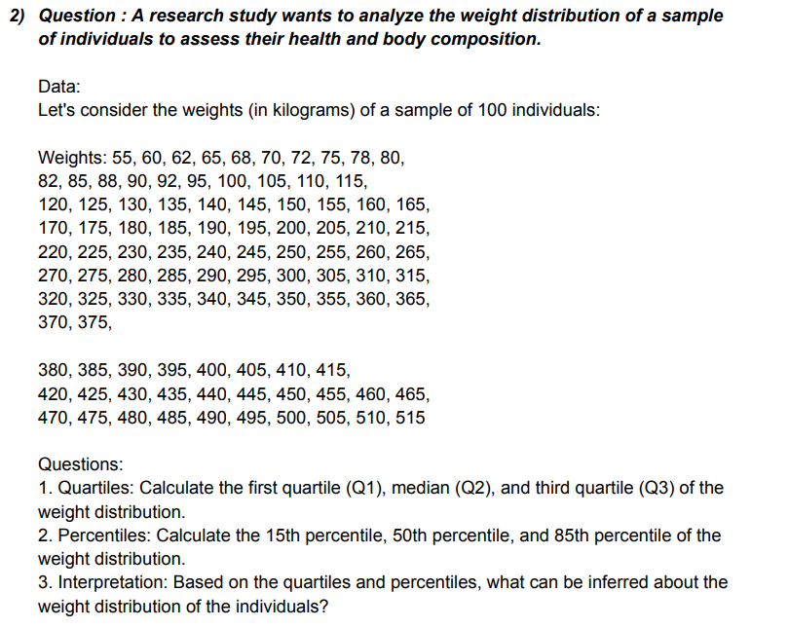
 |  |  | 55 | 60 | 62 | 65 | 68 | 70 | 72 | 75 | 78 | 80
 |  |  | 82 | 85 | 88 | 90 | 92 | 95 | 100 | 105 | 110 | 115
 |  |  | 120 | 125 | 130 | 135 | 140 | 145 | 150 | 155 | 160 | 165
 |  |  | 170 | 175 | 180 | 185 | 190 | 195 | 200 | 205 | 210 | 215
 |  |  | 220 | 225 | 230 | 235 | 240 | 245 | 250 | 255 | 260 | 265
 |  |  | 270 | 275 | 280 | 285 | 290 | 295 | 300 | 305 | 310 | 315
 |  |  | 320 | 325 | 330 | 335 | 340 | 345 | 350 | 355 | 360 | 365
 |  |  | 370 | 375 | 380 | 385 | 390 | 395 | 400 | 405 | 410 | 415
 |  |  | 420 | 425 | 430 | 435 | 440 | 445 | 450 | 455 | 460 | 465
 |  |  | 470 | 475 | 480 | 485 | 490 | 495 | 500 | 505 | 510 | 515

Q1, Q2 (median), and Q3 represent the first quartile, second quartile (median), and third quartile, respectively. Q1 at 143.75 indicates 25% of data falls below or at this value. Q2 at 267.5 divides the data into two equal parts. Q3 at 391.25 indicates 75% of the data falls below or at this value.3.5
The 15th percentile at 92.45 indicates that 15% of the data falls below or at this value. The 50th percentile at 267.5 is the median, dividing the data into two equal parts. The 85th percentile at 444.25 indicates that 85% of the data falls below or at this value.
 |  |  | Q1 | 143.75 |  | 15TH PERCENTILE |  | 92.45
 |  |  | Q2 | 267.5 |  | 50TH PERCENTILE |  | 267.5
 |  |  | Q3 | 391.25 |  | 85TH PERCENTILE |  | 444.25

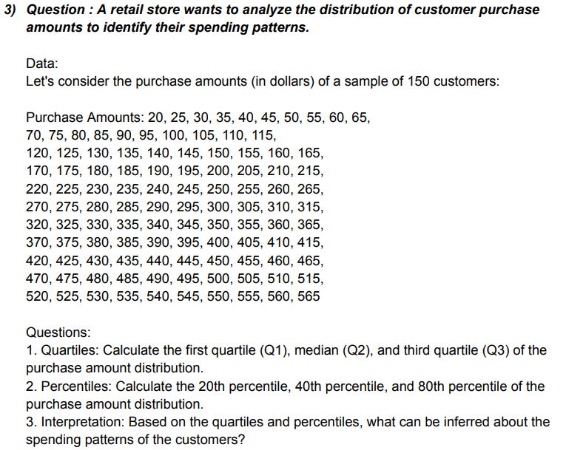
 |  | 20 | 25 | 30 | 35 | 40 | 45 | 50 | 55 | 60 | 65
 |  | 70 | 75 | 80 | 85 | 90 | 95 | 100 | 105 | 110 | 115
 |  | 120 | 125 | 130 | 135 | 140 | 145 | 150 | 155 | 160 | 165
 |  | 170 | 175 | 180 | 185 | 190 | 195 | 200 | 205 | 210 | 215
 |  | 220 | 225 | 230 | 235 | 240 | 245 | 250 | 255 | 260 | 265
 |  | 270 | 275 | 280 | 285 | 290 | 295 | 300 | 305 | 310 | 315
 |  | 320 | 325 | 330 | 335 | 340 | 345 | 350 | 355 | 360 | 365
 |  | 370 | 375 | 380 | 385 | 390 | 395 | 400 | 405 | 410 | 415
 |  | 420 | 425 | 430 | 435 | 440 | 445 | 450 | 455 | 460 | 465
 |  | 470 | 475 | 480 | 485 | 490 | 495 | 500 | 505 | 510 | 515
 |  | 520 | 525 | 530 | 535 | 540 | 545 | 550 | 555 | 560 | 565

Q1, Q2 (median), and Q3 represent the first quartile, second quartile (median), and third quartile, respectively. Q1 at 156.25 indicates 25% of the data falls below or at this value. Q2 at 292.5 divides the data into two equal parts. Q3 at 428.75 indicates 75% of the data falls below or at this value.
The 20th percentile at 126 indicates that 20% of the data falls below or at this value. The 40th percentile at 237 indicates that 40% of the data falls below or at this value. The 80th percentile at 459 indicates that 80% of the data falls below or at this value.

 |  |  |  |  | 20TH PERCENTILE |  | 126
 |  |  |  |  | 40TH PERCENTILE |  | 237
 |  | Q1 | 156.25 |  | 80TH PERCENTILE |  | 459
 |  | Q2 | 292.5
 |  | Q3 | 428.75

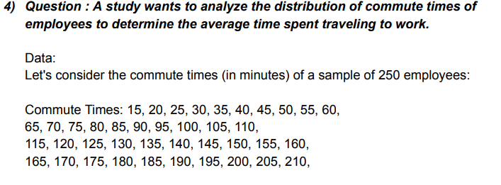

 |  | 15 | 20 | 25 | 30 | 35 | 40 | 45 | 50 | 55 | 60
 |  | 65 | 70 | 75 | 80 | 85 | 90 | 95 | 100 | 105 | 110
 |  | 115 | 120 | 125 | 130 | 135 | 140 | 145 | 150 | 155 | 160
 |  | 165 | 170 | 175 | 180 | 185 | 190 | 195 | 200 | 205 | 210
 |  | 215 | 220 | 225 | 230 | 235 | 240 | 245 | 250 | 255 | 260
 |  | 265 | 270 | 275 | 280 | 285 | 290 | 295 | 300 | 305 | 310
 |  | 315 | 320 | 325 | 330 | 335 | 340 | 345 | 350 | 355 | 360
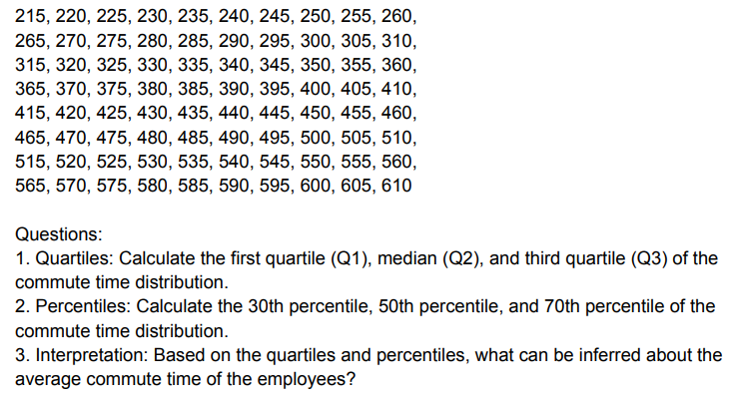
 |  | 365 | 370 | 375 | 380 | 385 | 390 | 395 | 400 | 405 | 410
 |  | 415 | 420 | 425 | 430 | 435 | 440 | 445 | 450 | 455 | 460
 |  | 465 | 470 | 475 | 480 | 485 | 490 | 495 | 500 | 505 | 510
 |  | 515 | 520 | 525 | 530 | 535 | 540 | 545 | 550 | 555 | 560
 |  | 565 | 570 | 575 | 580 | 585 | 590 | 595 | 600 | 605 | 610

Q1, Q2 (median), and Q3 represent the first quartile, second quartile (median), and third quartile, respectively. Q1 at 163.75 indicates 25% of the data falls below or at this value. Q2 at 312.5 divides the data into two equal parts. Q3 at 461.25 indicates 75% of the data falls below or at this value.
The 30th percentile at 191.5 indicates that 30% of the data falls below or at this value. The 50th percentile at 312.5 is the median, dividing the data into two equal parts. The 70th percentile at 433.5 indicates that 70% of the data falls below or at this value.
 |  | Q1 | 163.75 |  | 30TH PERCENTILE |  | 191.5
 |  | Q2 | 312.5 |  | 50TH PERCENTILE |  | 312.5
 |  | Q3 | 461.25 |  | 70TH PERCENTILE |  | 433.5

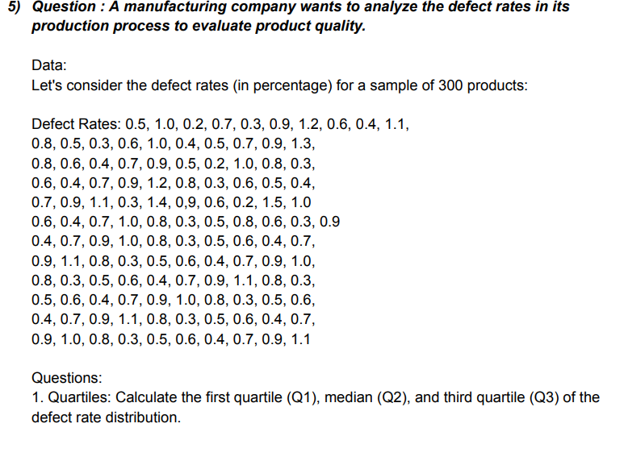
 |  |  | 0.5 | 1 | 0.2 | 0.7 | 0.3 | 0.9 | 1.2 | 0.6 | 0.4 | 1.1
 |  |  | 0.8 | 0.5 | 0.3 | 0.6 | 1 | 0.4 | 0.5 | 0.7 | 0.9 | 1.3
 |  |  | 0.8 | 0.6 | 0.4 | 0.7 | 0.9 | 0.5 | 0.2 | 1 | 0.8 | 0.3
 |  |  | 0.6 | 0.4 | 0.7 | 0.9 | 1.2 | 0.8 | 0.3 | 0.6 | 0.5 | 0.4
 |  |  | 0.7 | 0.9 | 1.1 | 0.3 | 1.4 | 0 | 9 | 0.6 | 0.2 | 1.5
 |  |  | 1 | 0.6 | 0.4 | 0.7 | 1 | 0.8 | 0.3 | 0.5 | 0.8 | 0.6
 |  |  | 0.3 | 0.9 | 0.4 | 0.7 | 0.9 | 1 | 0.8 | 0.3 | 0.5 | 0.6
 |  |  | 0.4 | 0.7 | 0.9 | 1.1 | 0.8 | 0.3 | 0.5 | 0.6 | 0.4 | 0.7
 |  |  | 0.9 | 1 | 0.8 | 0.3 | 0.5 | 0.6 | 0.4 | 0.7 | 0.9 | 1.1
 |  |  | 0.8 | 0.3 | 0.5 | 0.6 | 0.4 | 0.7 | 0.9 | 1 | 0.8 | 0.3
 |  |  | 0.5 | 0.6 | 0.4 | 0.7 | 0.9 | 1.1 | 0.8 | 0.3 | 0.5 | 0.6
 |  |  | 0.4 | 0.7 | 0.9 | 1 | 0.8 | 0.3 | 0.5 | 0.6 | 0.4 | 0.7
 |  |  | 0.9 | 1.1

Q1, Q2 (median), and Q3 represent the first quartile, second quartile (median), and third quartile, respectively. Q1 at 0.4 indicates that 25% of the data falls below or at this value. Q2 at 0.7 divides the data into two equal parts. Q3 at 0.9 indicates that 75% of the data falls below or at this value.
The values 0.4, 0.7, and 0.9 represent the 25th percentile, 50th percentile (median), and 75th percentile, respectively, in a dataset. For example, 0.4 at the 25th percentile means that 25% of the data falls below or at this value. Similarly, 0.7 at the 50th percentile indicates that 50% of the data falls below or at this value, and 0.9 at the 75th percentile means that 75% of the data falls below or at this value.
 |  |  | Q1 | 0.4 |  |  | 0.4 | 25TH PERCENTILE
 |  |  | Q2 | 0.7 |  |  | 0.7 | 50TH PERCENTILE
 |  |  | Q3 | 0.9 |  |  | 0.9 | 75TH PERCENTILE

