101-22
 |  |  |  |  |  |  |  |  | East Asia Point Travel & Tours
 |  |  |  |  |  |  |  |  | Travel in Uzbekistan and Central Asia
 |  |  |  |  |  |  |  |  | A.Qodiriy str. 13, 100128, Tashkent Uzbekistan
 |  |  |  |  |  |  |  |  | Tel: +99897 720-77-52

 |  |  | REVISED INVOICE |  | {groupNumber}

 | Customer: | Net Tours |  |  |  | Date: |  | {date}
 | Address: |  |  |  |  | Ref. Code: |  | {groupNumber}
 |  |  |  |  |  | Group, persons: |  | {personsCount}
 | Tel. / Fax: |  |  |  |  | Arrival dates: |  | {arrivalDate}
 |  |  |  |  |  | Departure dates |  | {departureDate}
 | Service: | Uzbekistan 10D/9N tour by TK flights |  |  |  | Type of Room: |  | {rooming}

No | Service |  |  |  |  |  | Price | Pax/night | Total
1 | Uzbekistan 10D/9N tour by TK flights {expensesList} |  |  |  |  |  | {paxPrice} | {pax} | {paxPriceTotal}
2 | {flightInfo} |  |  |  |  |  | {planePrice} | {planePax} | {planePriceTotal}
3 | Extra transfer airport-hotel-airport, Supplement for VIP class (train) |  |  |  |  |  | {extraPrice} | {extraPax} | {extraPriceTotal}
 |  |  |  |  |  |  |  | Total: | {priceTotal}
4 | Waived off charges of the Tour leader ({paxPrice}$+{planePrice}$) |  |  |  |  |  | {tourLeadersPrice} | {tourLeadersCount} | {tourLeaderPriceTotal}
 |  |  |  |  |  |  |  | Due Amount : | {dueTotal}
 |  |  |  | {dueTotalWithWords} USD
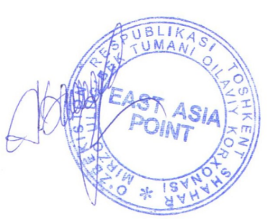

 |  | Rasulev Bakhrom
 |  | Director

 | To avoid delays in money transfers kindly fill in a payment order as follows:
 | Beneficiary: Rasulev Baxrom Baxtiyorivich Bank: "Main Operational" Banking Services Center of Tashkent City Main Department of Joint-Stock company "National Bank for Foreign Economy activity of the Republic of Uzbekistan" Bank address: Tashkent, Y.Gulomov str.95 Acc. USD 22618840191351723901 SWIFT: NBFA UZ2X, Bank Code 00450
 | BANK CHARGES DUE TO THE PAYER!

