PA-1 TODO
n | alg-1 (in ns) | alg-2 (in ns) | alg-3 (in ns)
0 | 9500.00 | 900.00 | 600.00 | Exponential
1 | 900.00 | 700.00 | 7400.00
2 | 900.00 | 900.00 | 3300.00
3 | 1000.00 | 900.00 | 8000.00
4 | 1000.00 | 900.00 | 9200.00
5 | 1100.00 | 900.00 | 9300.00
6 | 1800.00 | 1300.00 | 9300.00
7 | 1600.00 | 900.00 | 9600.00
8 | 1400.00 | 1500.00 | 17500.00
9 | 1400.00 | 1700.00 | 9700.00 | Linear
10 | 1800.00 | 1400.00 | 12000.00
11 | 3500.00 | 1400.00 | 22500.00
12 | 6100.00 | 1100.00 | 19000.00
13 | 4900.00 | 1000.00 | 13300.00
14 | 6200.00 | 1500.00 | 19000.00
15 | 6000.00 | 900.00 | 15300.00
16 | 8100.00 | 1500.00 | 19500.00
17 | 12400.00 | 1300.00 | 12300.00
18 | 18700.00 | 1400.00 | 29500.00
19 | 28500.00 | 1000.00 | 22200.00 | Log n
20 | 45400.00 | 1600.00 | 22900.00
21 | 72500.00 | 1200.00 | 17400.00
22 | 116400.00 | 1100.00 | 20500.00
23 | 199100.00 | 1100.00 | 19800.00
24 | 313400.00 | 1100.00 | 22200.00
25 | 488700.00 | 1100.00 | 27200.00
26 | 803500.00 | 1100.00 | 17700.00
27 | 1301600.00 | 1100.00 | 20200.00
28 | 2090800.00 | 1200.00 | 21800.00
29 | 3380700.00 | 2100.00 | 14600.00
30 | 6116700.00 | 1400.00 | 21400.00
31 | 8884300.00 | 1200.00 | 18700.00

EXAMPLE
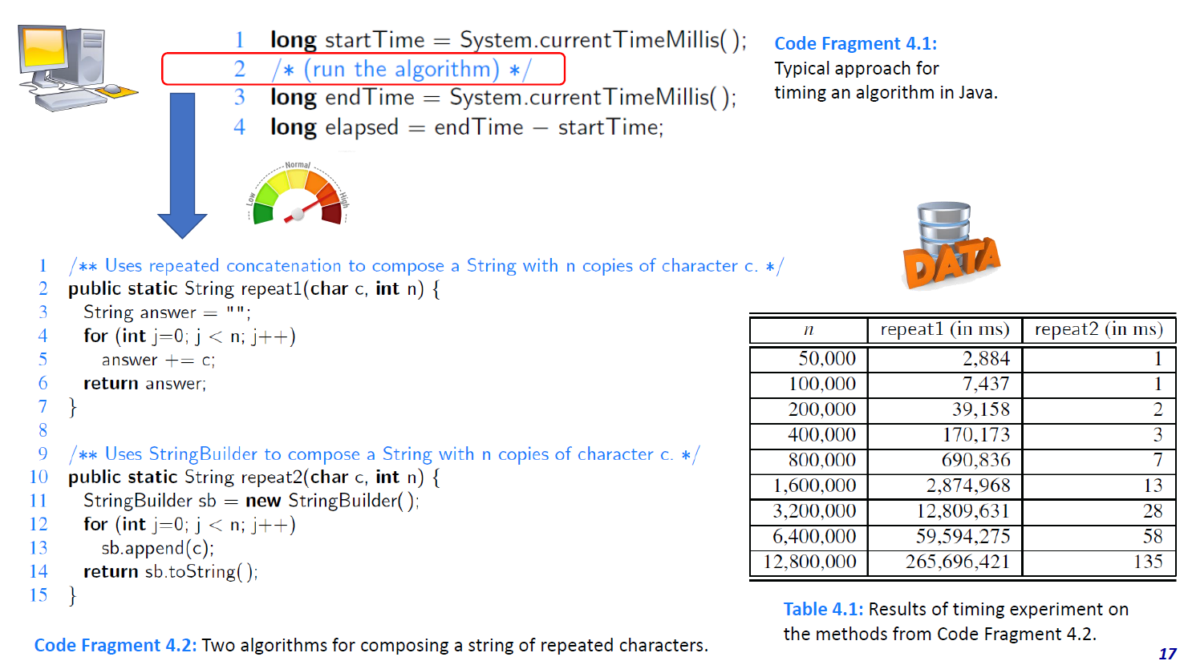
n | repeat1 (in ms) | repeat2 (in ms)
50,000 | 2,884.00 | 1.00
100,000 | 7,437.00 | 1.00
200,000 | 39,158.00 | 2.00
400,000 | 170,173.00 | 3.00
800,000 | 690,836.00 | 7.00
1,600,000 | 2,874,968.00 | 13.00
3,200,000 | 12,809,631.00 | 28.00
6,400,000 | 59,594,275.00 | 58.00
12,800,000 | 265,696,421.00 | 135.00 | Insert "Scatter (X, Y)" plot

n | repeat1 (in ms) |  |  | slide set "02 - Algorithm Analysis - (2) Experimental Studies"
50,000 | 2,884.00
100,000 | 7,437.00
200,000 | 39,158.00
400,000 | 170,173.00
800,000 | 690,836.00
1,600,000 | 2,874,968.00
3,200,000 | 12,809,631.00
6,400,000 | 59,594,275.00
12,800,000 | 265,696,421.00

n | repeat2 (in ms)
50,000 | 1.00
100,000 | 1.00
200,000 | 2.00
400,000 | 3.00
800,000 | 7.00
1,600,000 | 13.00
3,200,000 | 28.00
6,400,000 | 58.00
12,800,000 | 135.00

