Sheet1
1. 领取产品 | 直接弹出填写单号的页面，亚马逊链接不可见： | 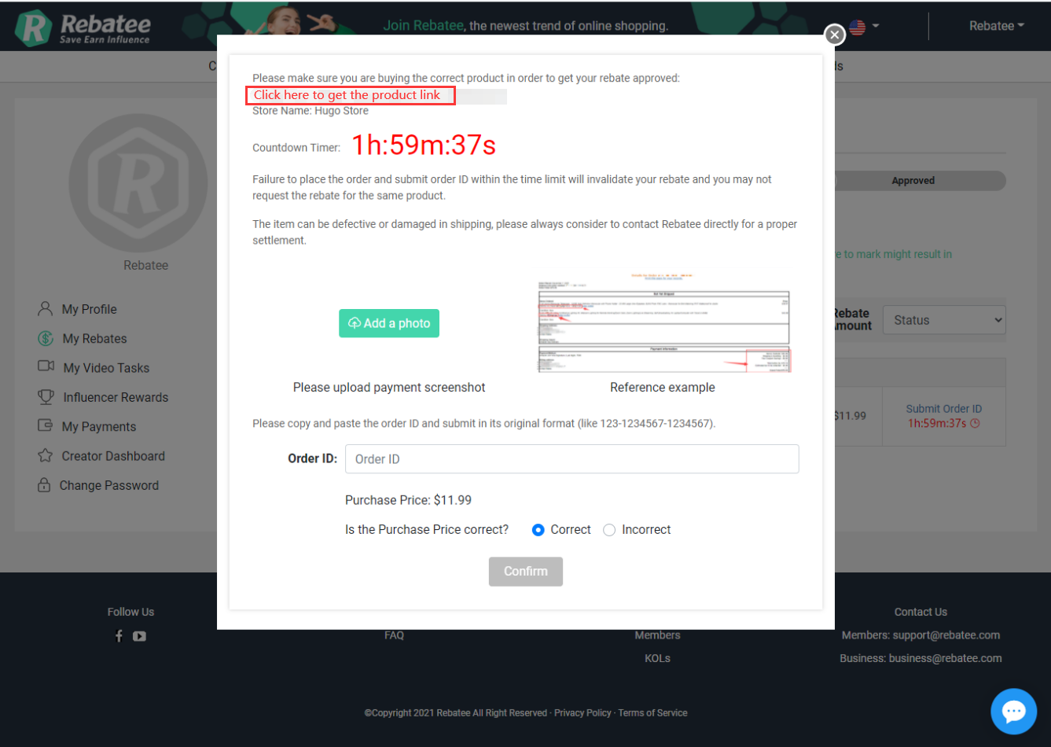
2. 点击"Get the Product Link",触发弹窗 | Do you want to play a product hunt game to earn extra 16 points and escalate to claim more products? (Find the product by yourself through provided hints) YES NO You will be directed to the purchase link if you decide not to do product hunt. | 
3. 点击YES | 弹出搜索关键词的页面
4. 点击YES并填写了正确的ASIN得到16积分 | 回到填写单号的页面，且亚马逊链接可见可复制 | 
5. 点击YES但填了两次错误的ASIN，触发弹窗 | You didn't get it right, but it's OK. You still have a chance to win 16 points for your next product. Let's move on and make the purchase now. Confirm | 点击confirm直接跳转到产品官网
6. 点击NO,触发弹窗或直接跳转到产品官网 | You will get purchase link from sponsor's website, please enter Buy on Amazon and make sure you are buying from the correct store. Confirm | 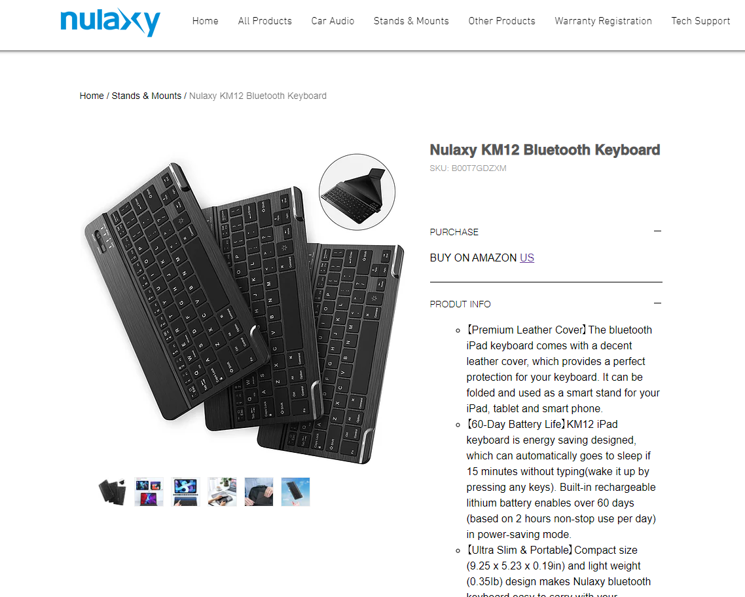 | 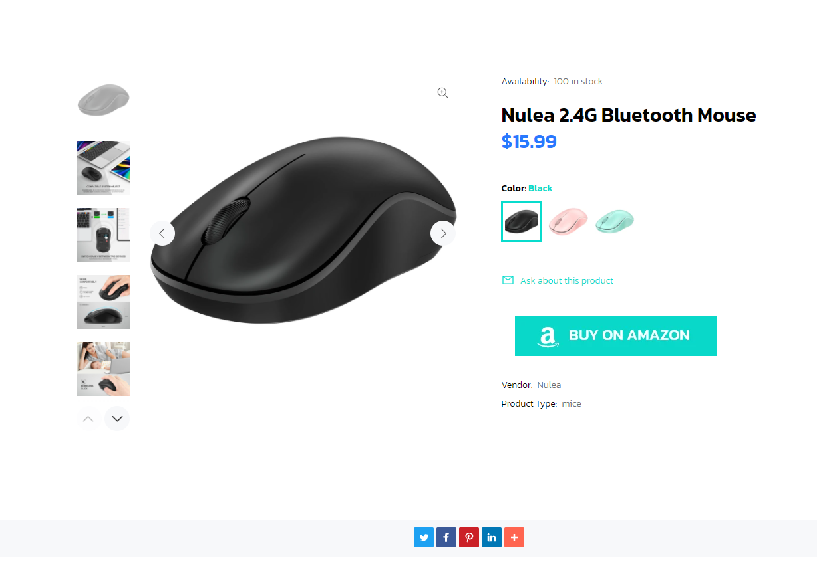 | 