refer info
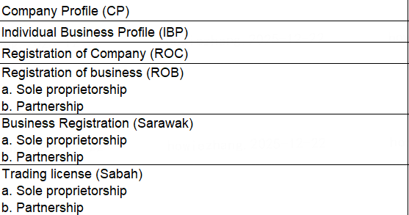
ROC/SSM search/INDIVIDUAL BUSINESS PROFILE (IBP) （west malaysia）OR Lesen perniagaan (Form I) /Cerificate of Practice (For east M'sia) need original sighted by sales | Directors in SSM must be in company resolution.
Partnership mandate --针对的是合伙人 same as company resolution --里面记录的是管理者 这两个材料的目的是，声明谁有权利来签署贷款协议 如果partnership的所有人都已经在HP agreement中签字，就不需要提供Partnership mandate | partnership mandate和company resolution中有如下描述 “xxxx to apply” "any one of xxx to " "any two of xxx to" 需要依据内容确定，签名的人数和签名的人是否正确，只需要any one或者any two的那一个签名即可
5. NRIC - Authorised Director/ All Partners/ Sole-Prop IC who execute HPA & documents company resolution --Authorised Director IC、passport 判断CRAR中的Rel.to APP.字段，如果是partner，所有的partner都需要提供IC 如果是solo prop,solo prop需要提供 所有CRA report下面客户信息下面的人都需要提供IC并且校验；如果guarantor 不是Authorised Director，还需要额外补充校验Authorised Director的IC | 判断CRAR中的Rel.to APP.字段，如果是partner，所有的partner都需要提供IC 如果是solo prop, 所有CRA report下面客户信息中的人都需要提供IC并且校验；如果guarantor 不是Authorised Director，还需要额外补充校验Authorised Director的IC --沟通一下，系统不处理了，太过复杂 | 1. 身份证存在, orignal sighted. 表名sales看过，需要签名和日期 2.对比company resolution，其中所有的人都需要有身份证
To obtain ALL partners Biometric | 3. Verification status pass/successful. If failed - Must provide passport or birth certificate & update remarks | 非规则，放其他地方实现
 | FIS result的样本有两类，一类是从los查fis接口拿到的，一般只用于FBR/FBT；另一类是用于正常情况，当FIS接口不能拿到结果是，sales可以去FIS网站上查询。 FIS网站有两个查询方式，一种是查询FIS自己数据，数据有24小时的延迟；一种是查询JPJ数据，可以查询到实时结果，这种方式查询时sales需要预先整的客户的同意。

 | 2027年1月，切换eir定价产品，计算校验的部分如何快速支持？

