Images
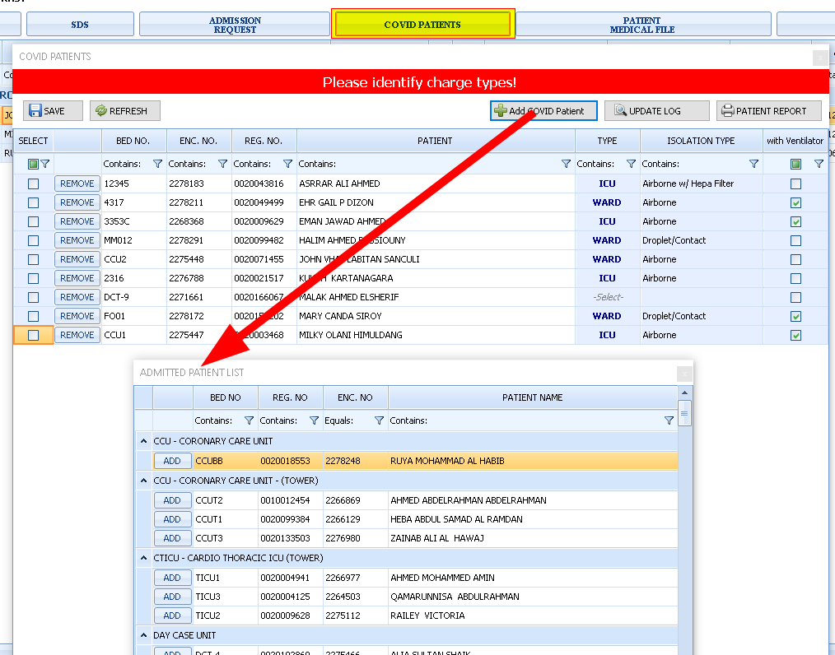
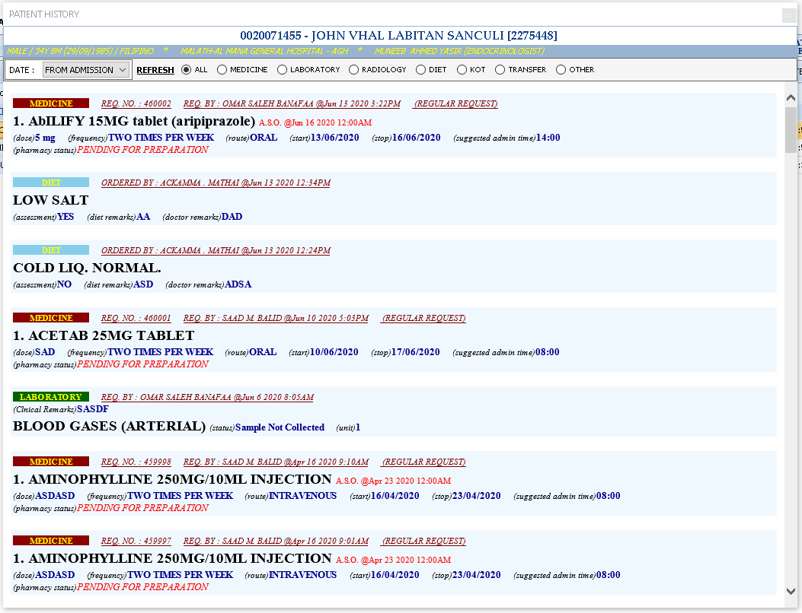
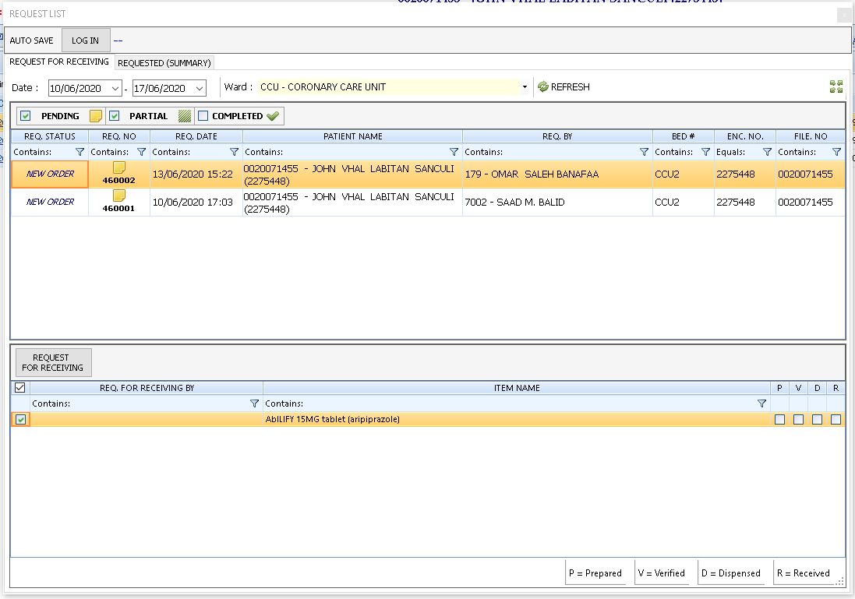
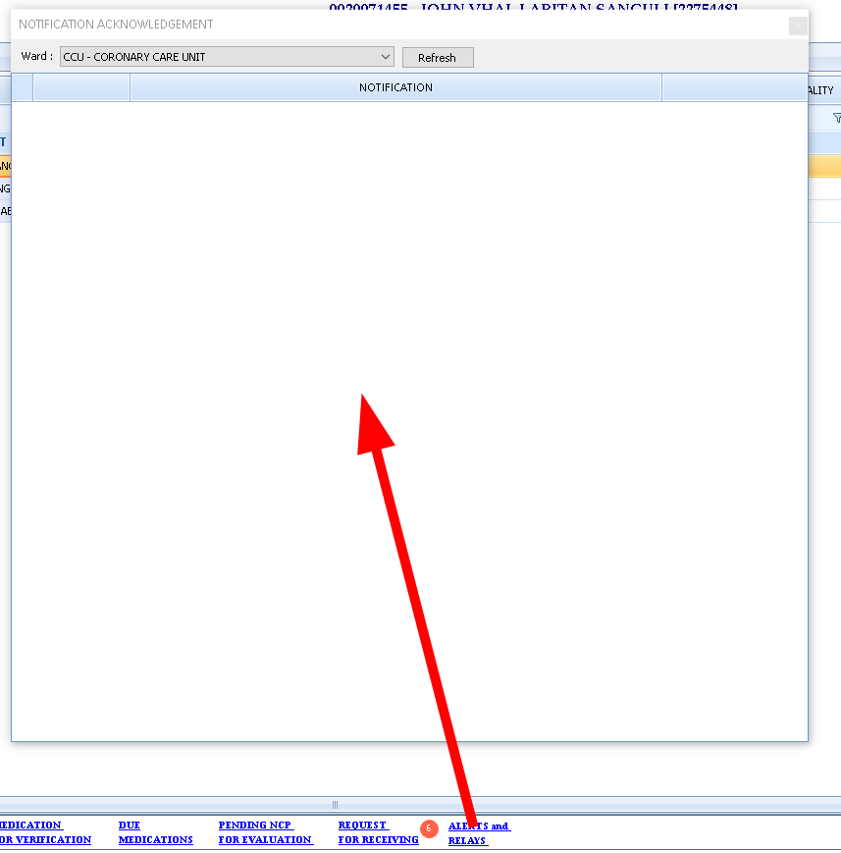
New IPD Dashboard
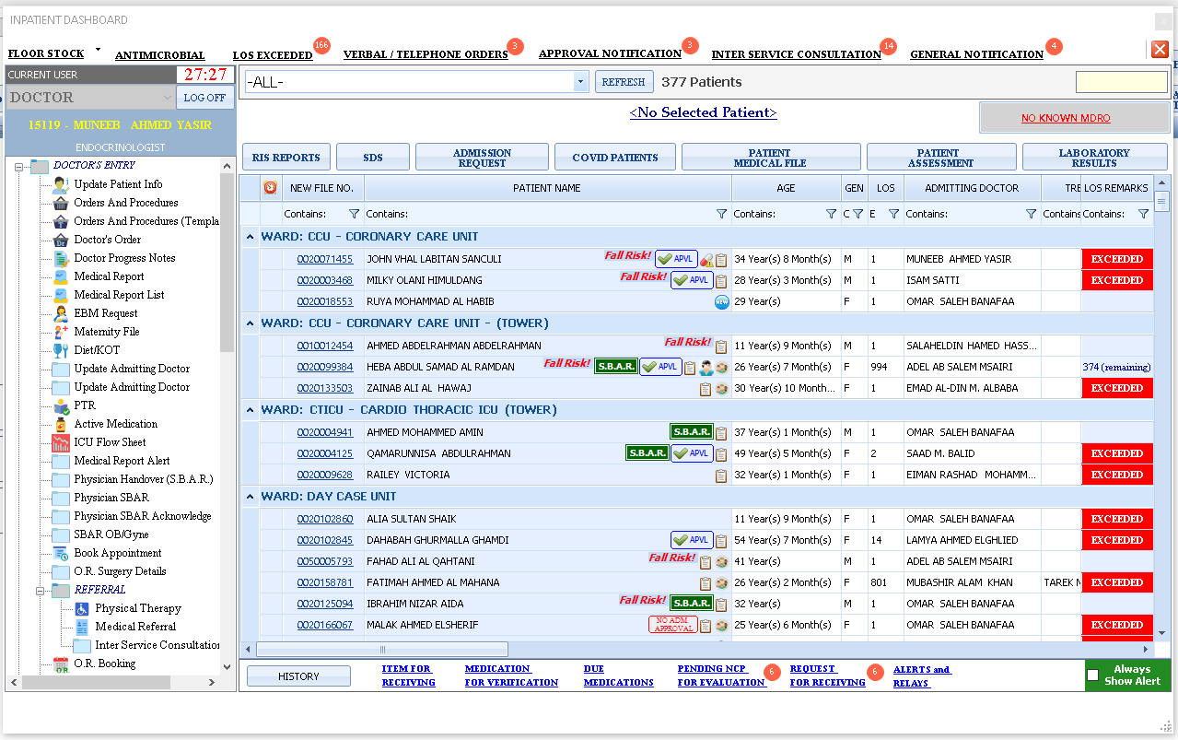

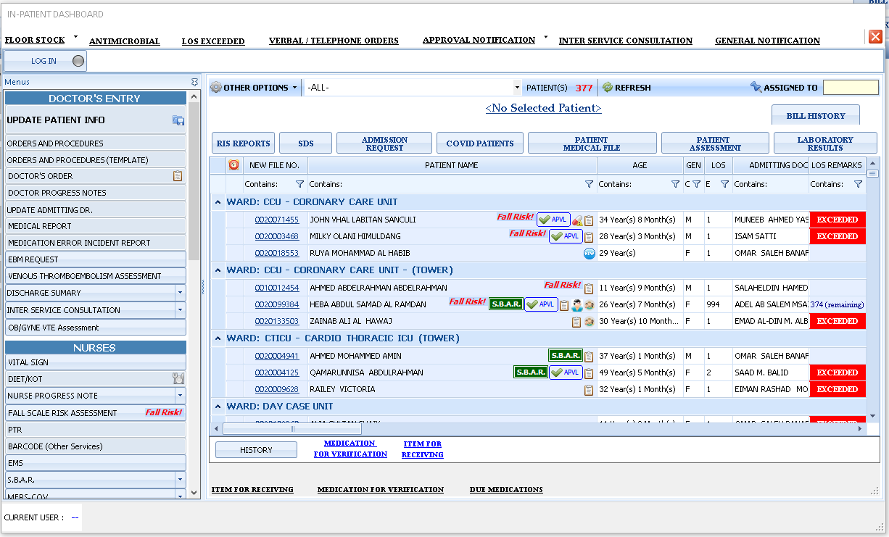
Old IPD Dashboard | Back

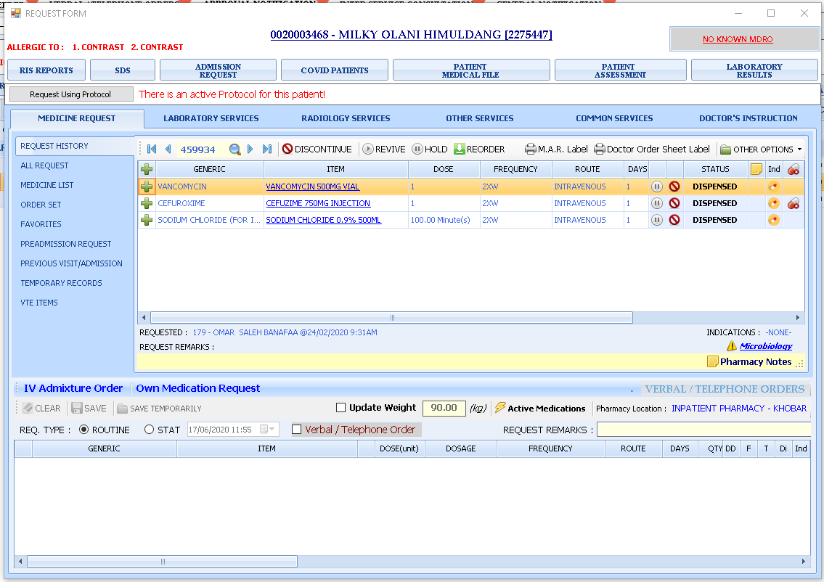
Orders And Procedures
Orders and Procedures
Orders and Procedures
Orders and Procedures
Orders and Procedures
Orders and Procedures
Orders and Procedures
Orders and Procedures
Orders and Procedures
Orders and Procedures
Orders and Procedures
Orders and Procedures
Orders and Procedures
Orders and Procedures
Orders and Procedures
Orders and Procedures
Orders and Procedures
Orders and Procedures
Orders and Procedures
Orders and Procedures
Orders and Procedures
Orders and Procedures
Orders and Procedures
Orders and Procedures

Orders And Procedures (Template) | Back

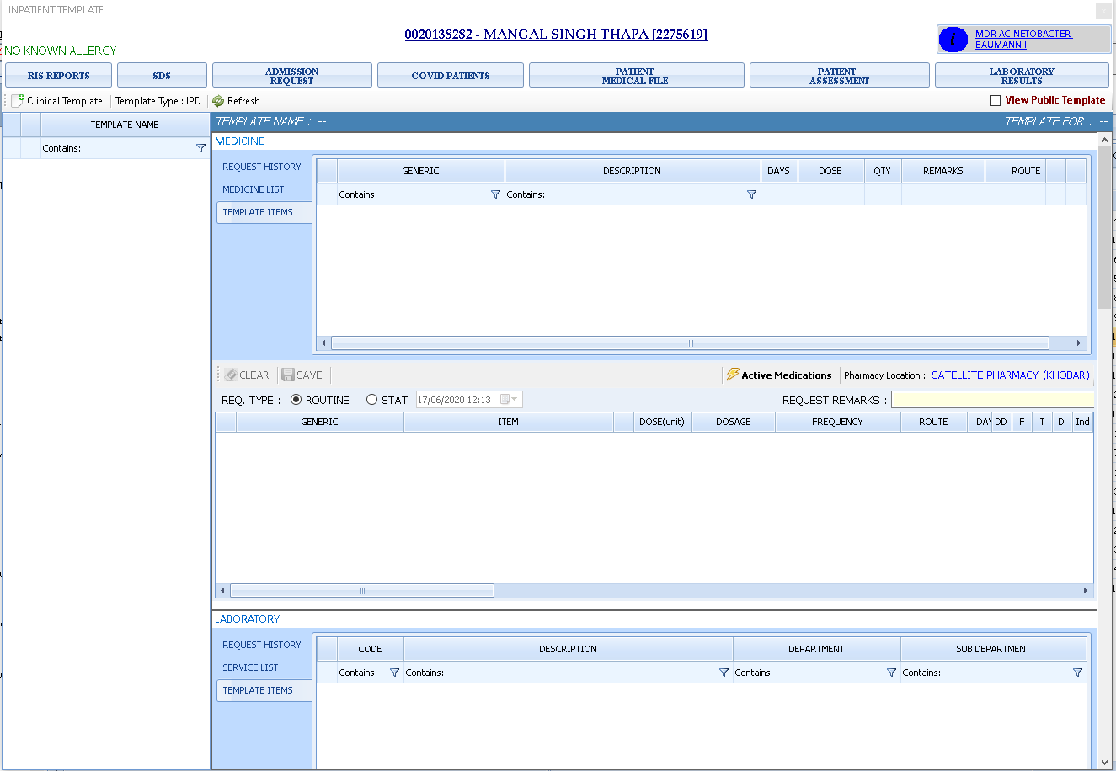

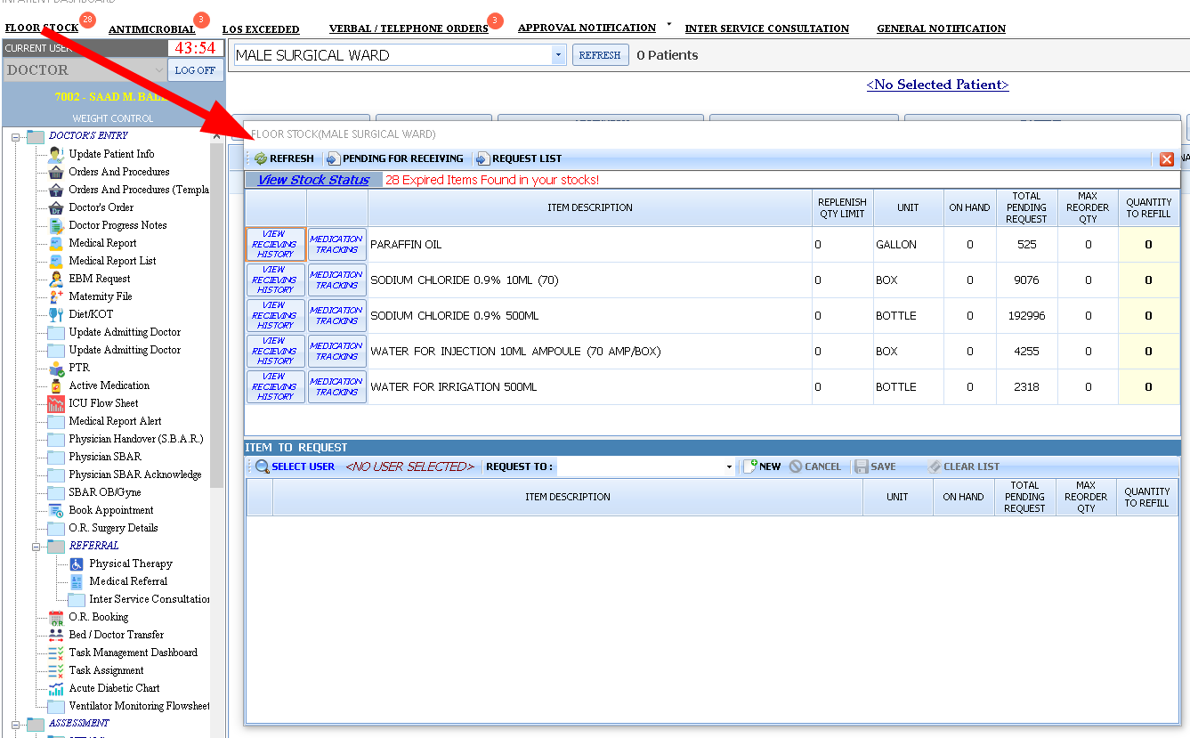
Floor Stock
.

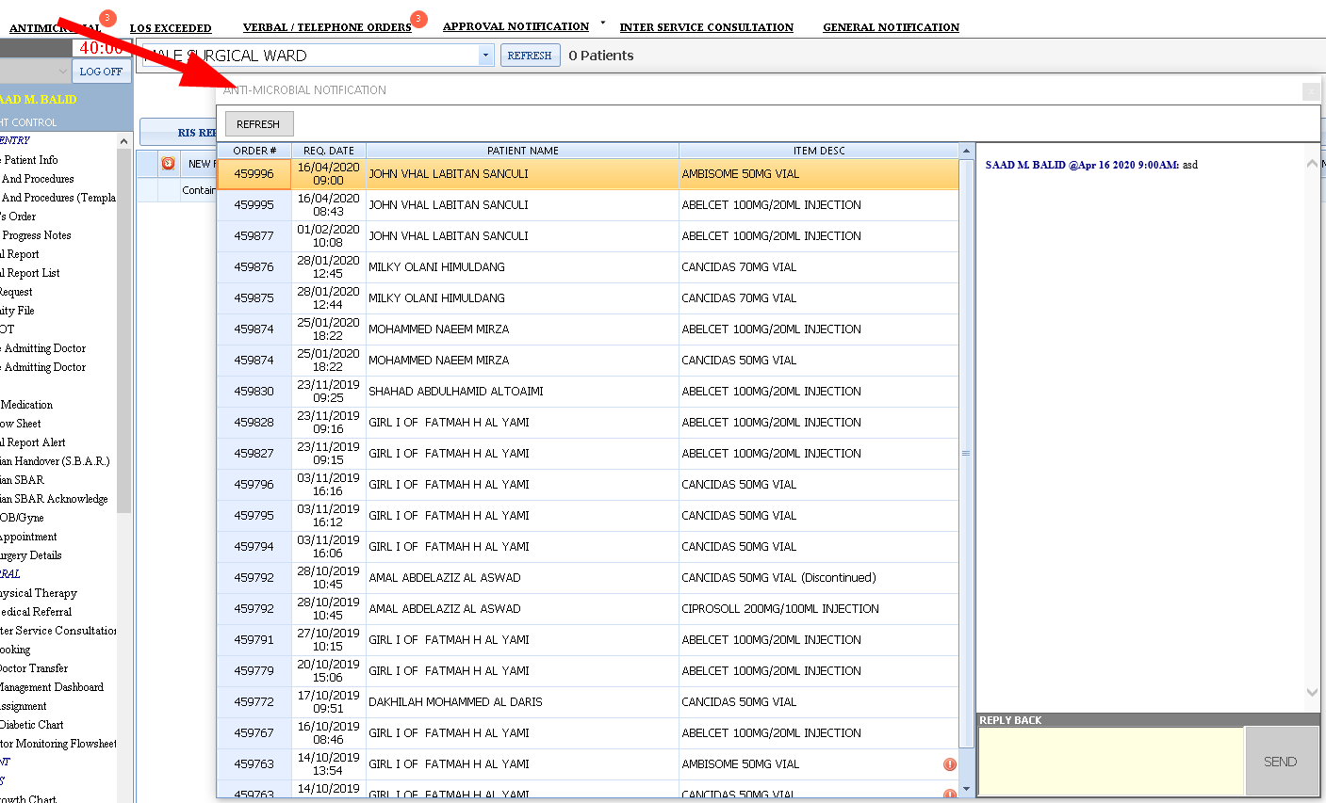

 | Anti-Microbial

Verbal / Telephone Orders
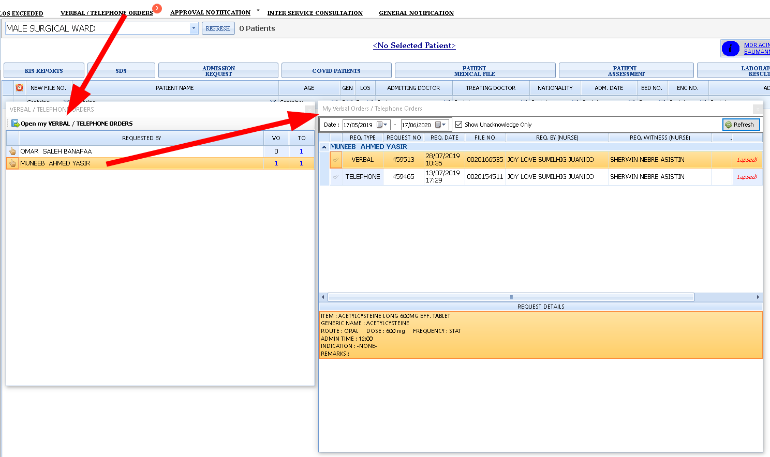

Approval Notification and Acknowledgement
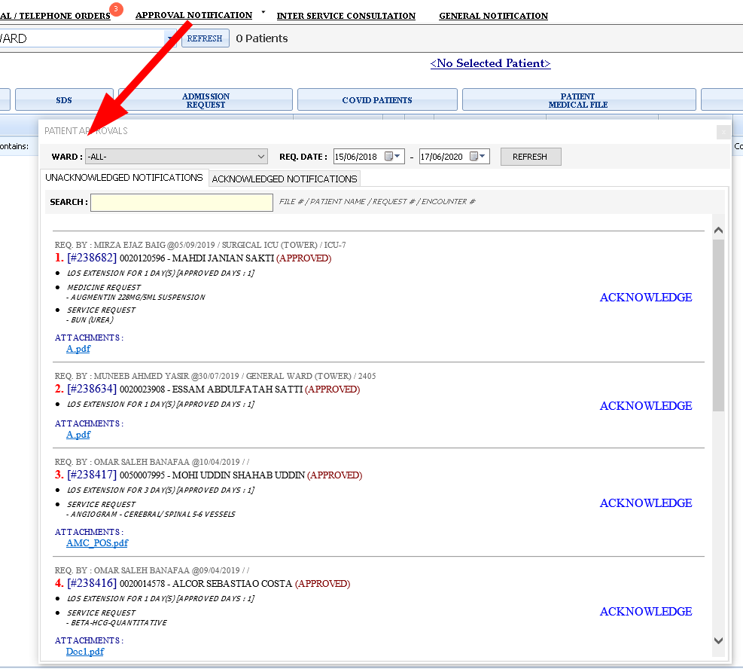

Inter Service Consultation
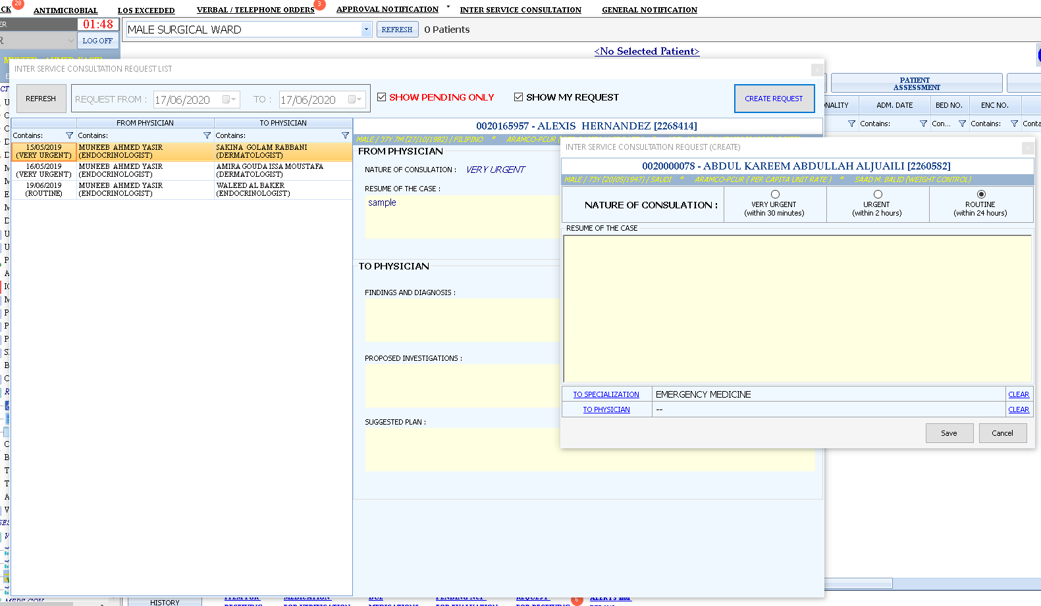

SIGNIFICATN DATA RECORD
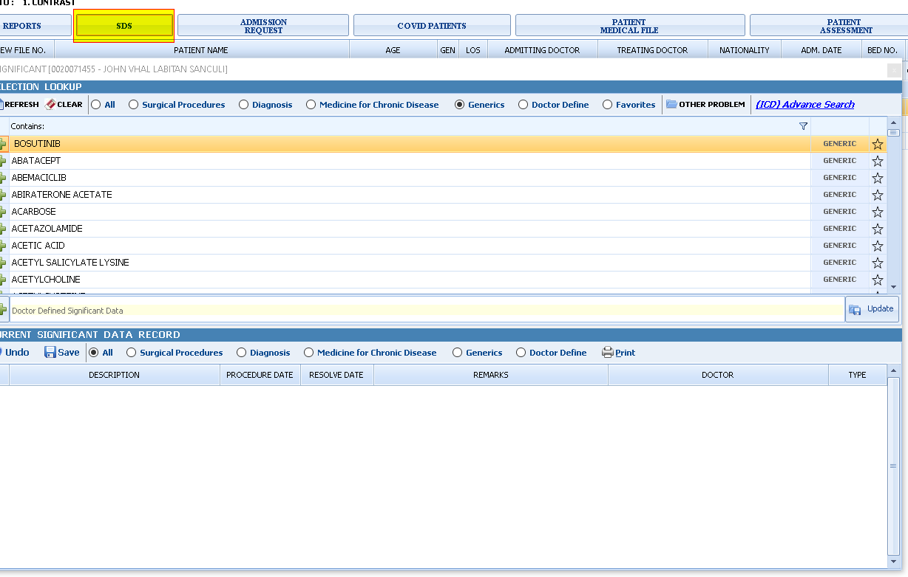

COVID PATIENT

