yield<70%, >10% for PD
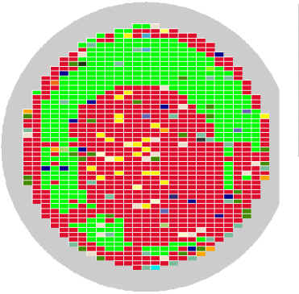
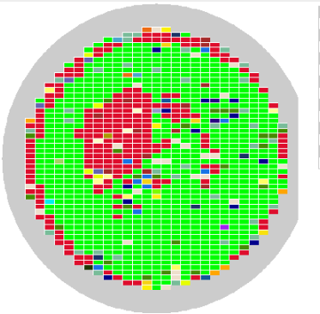
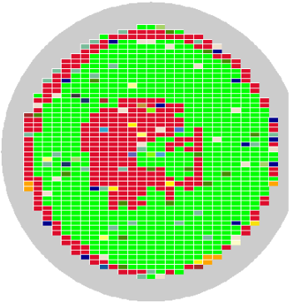
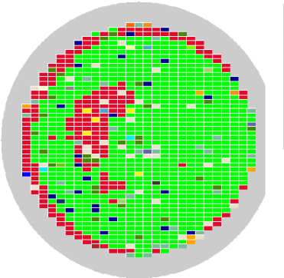
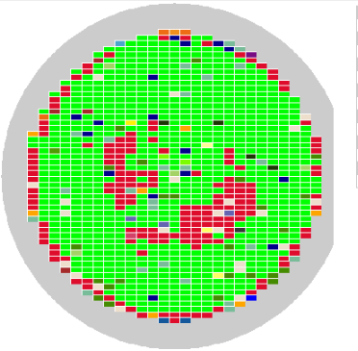
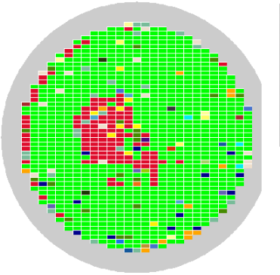
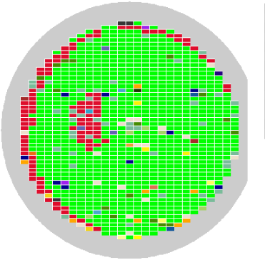
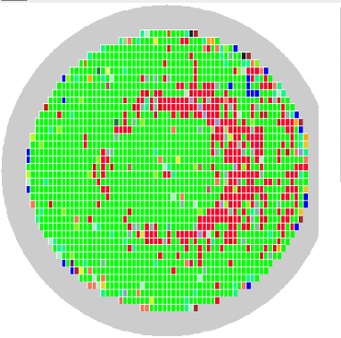
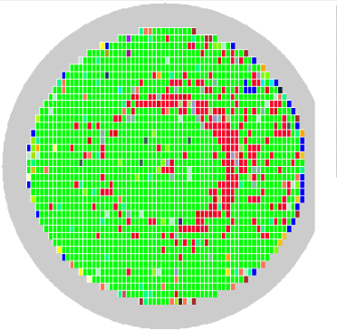
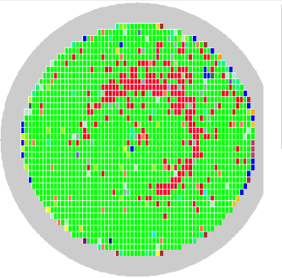
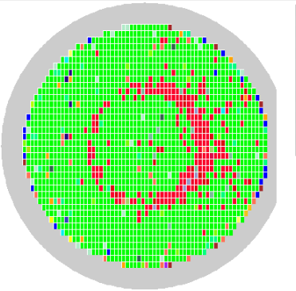
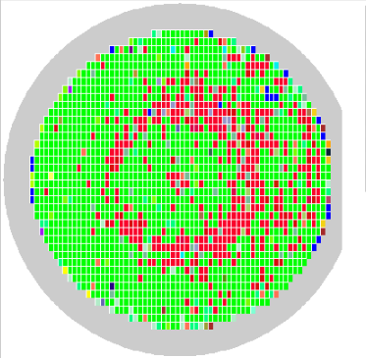
Project | Product | Lot ID | Wafer ID | Wafer NO. | Re-Test | ProbeCard | Yield | PASS BIN | yield <70% | item >10% | Fail Type | soft_bin | soft_bin_value
RL6982 | RL6982 | Q2EA7 | MBR687-21G6 | 21 | 2 | RL6982-PC-01 | 63.79% | 63.79% | V
RL6982 | RL6982 | Q2DV6 | MBR669-06C2 | 6 | 3 | RL6982-PC-05 | 68.01% | 68.01% | V | V | SAF | cp_mode2_saf_spc30_comp | 13.88%
RL6982 | RL6982 | Q2CX4 | MBR662-22A1 | 22 | 2 | RL6982-PC-22 | 77.30% | 77.30% |  | V | OS | OS_final | 13.69%

Project | Product | Lot ID | Wafer ID | Wafer NO. | Re-Test | ProbeCard | Yield | PASS BIN | yield <70% | item >10% | Fail Type | soft_bin | soft_bin_value
RL6963 | RL6963 | Q2F75 | PFNE35-17F2 | 17 | 2 | JP08996 | 16.84% | 16.84% | V | V | SAF | cp_mode1_saf_comp_B | 36.36%
 |  |  |  |  |  |  |  |  |  |  | SAF | cp_mode0_saf_comp | 31.06%

Project | Product | Lot ID | Wafer ID | Wafer NO. | Re-Test | ProbeCard | Yield | PASS BIN | yield <70% | item >10% | Fail Type | soft_bin | soft_bin_value
RL6963 | RL6963 | Q2GG4 | PFNA76-12A4 | 12 | 3 | JP08834 | 70.41% | 70.41% |  | V | BIST_LV | mac8p_scpu_bisr_bist_drf_etn_phy_LV_only_drf_0214 | 14.95%
RL6963 | RL6963 | Q2GG4 | PFNA76-07C3 | 7 | 1 | JP08834 | 76.39% | 76.39% |  | V | BIST_LV | mac8p_scpu_bisr_bist_drf_etn_phy_LV_only_drf_0214 | 10.65%
RL6963 | RL6963 | Q2GG4 | PFNA76-01G1 | 1 | 1 | JP08834 | 77.91% | 77.91% |  | V | BIST_LV | mac8p_scpu_bisr_bist_drf_etn_phy_LV_only_drf_0214 | 10.23%
RL6963 | RL6963 | Q2GG4 | PFNA76-17E6 | 17 | 1 | JP08996 | 78.28% | 78.28% |  | V | BIST_LV | mac8p_scpu_bisr_bist_drf_etn_phy_LV_only_drf_0214 | 10.55%
RL6963 | RL6963 | Q2GG4 | PFNA76-13H2 | 13 | 3 |  | 66.21% | 66.21% | V | V | BIST_LV | mac8p_scpu_bisr_bist_drf_etn_phy_LV_only_drf_0214 | 18.68%

Project | Product | Lot ID | Wafer ID | Wafer NO. | Re-Test | ProbeCard | Yield | PASS BIN | yield <70% | item >10% | Fail Type | soft_bin | soft_bin_value
RL6748 | RL6748C | Q2G93 | TEE978-17F0 | 17 | 3 | JP10412 | 71.29% | 71.29% |  | V | OS | PowerShort | 17.77%
RL6748 | RL6748C | Q2GE9 | TEE970-10C7 | 10 | 1 | JP10351 | 72.42% | 72.42% |  | V | OS | os | 12.39%
RL6748 | RL6748C | Q2GY4 | TEK455-02C6 | 2 | 1 | JP10351 | 74.55% | 74.55% |  | V | OS | os | 13.88%

Project | Product | Lot ID | Wafer ID | Wafer NO. | Re-Test | ProbeCard | Yield | PASS BIN | yield <70% | item >10% | Fail Type | soft_bin | soft_bin_value
RL6672 | RL6672F | Q2F37 | TEE109-15G4 | 15 | 2 | JP06557 | 32.81% | 32.81% | V | V | IDD | IDDQ_final_check_mln6 | 55.51%
RL6672 | RL6672F | Q2F37 | TEE109-05E1 | 5 | 2 | JP06557 | 64.34% | 64.34% | V | V | IDD | IDDQ_final_check_mln6 | 20.40%
RL6672 | RL6672F | Q2F37 | TEE109-16F7 | 16 | 2 | JP06557 | 64.80% | 64.80% | V | V | IDD | IDDQ_final_check_mln6 | 25.46%
RL6672 | RL6672F | Q2F37 | TEE109-13A3 | 13 | 2 | JP06557 | 69.94% | 69.94% | V | V | IDD | IDDQ_final_check_mln6 | 17.28%
RL6672 | RL6672F | Q2F37 | TEE109-01G5 | 1 | 2 | JP06557 | 72.33% | 72.33% |  | V | IDD | IDDQ_final_check_mln6 | 16.08%
RL6672 | RL6672F | Q2F37 | TEE109-06D4 | 6 | 2 | JP06557 | 78.03% | 78.03% |  | V | IDD | IDDQ_final_check_mln6 | 10.57%
RL6672 | RL6672F | Q2F37 | TEE109-02G0 | 2 | 2 | JP06557 | 78.12% | 78.13% |  | V | IDD | IDDQ_final_check_mln6 | 10.02%

Project | Product | Lot ID | Wafer ID | Wafer NO. | Re-Test | ProbeCard | Yield | PASS BIN | yield <70% | item >10% | Fail Type | soft_bin | soft_bin_value
RL6641 | RL6641B | Q2EW4-12 | TEB419-15F1 | 15 | 2 | JP10529 | 59.41% | 59.41% | V | V | IDD | IDD | 35.23%

