ML
ML

ML: Classical; DL (CL, CV, GN, RL), TS; NLP; RA |  |  |  |  |  | Jump to Bottom
1 | Book list | TS Book List: 1. Nielsen's Practical Time Series Analysis Prediction* 2. Brownlee's Introduction to Time Series Forecasting with Python* 3. Stoffer's Time Series Analysis and Its Applications 3.1 Bisgaard's Time Series Analysis and Forecasting 4. Hamilton's Time Series Analysis (bible) 5. Tsay's Analysis of Financial Time Series 6. Winterhalder - Recent Theoretical Developments/Applications in Time Series NLP Book List: 1. Loper's NLP with Python - Analyzing Text with NTLK* (2009) 2. Lane's Natural Language Processing In Action* 3. Jurafsky's Speech and Language Processing (bible) 4. Manning's Foundations of Statistical Natural Language Processing (bible) 5. Ravichandran's Getting Started with Google BERT - Build NLP Models* 6. Rothman's Transformers for NLP - PyTorch, TF, BERT* | Classical Book List: 5. Thakur's Approaching Any ML problem* 4. Geron's Hands On ML* 4.1 Brownlee's XGBoost with Python* 4.2 Wade's XGBoost Hands On* 6. Molnar's Interpretable ML (LIME, SHAP)* 1. Tibshirani's Elements of Statistical Learning 2. Bishop's Pattern Recognition and Machine Learning 3. Murphy's Adaptive Computation DL Book List (CL, CV, GN, RL) 3. Bengio's Deep Learning (bible) 2. Chollet's Deep Learning* 1. Steven's Deep Learning with PyTorch* | Order: TS NLP Classical DL Note: * Denotes more code oriented books.
 |  |  | Nielsen's Practical Time Series Analysis for Prediction
0 | Contents | Nielsen's Practical Time Series Analysis for Prediction: [Part 1 : Data Engineering for Time Series] ---1. Time Series: an overview and quick history--- 1.1 History of time series 1.2 Time series takes off 1.3 Origins of statistical time series analysis 1.4 Origins of ML time series analysis ---2. Finding and wrangling time series data--- 2.1 Where to find TS data 2.2 Retrofitting TS data from collection of tables 2.3 Timestamping troubles 2.4 Cleaning data ---3. EDA for time series--- 3.2 Time-series specific exploratory methods 3.3 Some useful visualizations ---4. Simulating time series data--- ---5. Storing temporal data--- | (Cont.): [Part 2: Statistical modelling] ---6. Statistical models for time series--- 6.1 Why not use a linear regression? 6.2 Statistical methods developed for time series 6.3 Advantages and disadvantages ---7. State space models for time series--- 7.1 State space models: pluses and minuses 7.2 The Kalman filter 7.3 Code for the Kalman filter 7.4 Hidden Markov Models (HMMs) 7.5 Bayesian structural time series (BSTS) ---8. Generating and selecting features for time series--- ---9. Machine learning for time series--- 9.1 Time series classification 9.2 Clustering | (Cont.): ---10. Deep learning for time series--- 10.1 Deep learning concepts 10.2 Programming an NN 10.3 Building training pipeline 10.4 Feed forward Nets 10.5 CNNs 10.6 RNNs 10.7 Combinatorial architectures [Part 3: Error measurement and model validation] ---11. Measuring error--- 11.1 Basics: how to test forecasts 11.2 When is your forecast good enough? 11.3 Estimate uncertainty of model w simulation 11.4 Predict multiple steps ahead 11.5 Model validation gotchas | (Cont.): ---12. Performance considerations in fitting/serving time series models--- 12.1 Working with tools built for more general use cases 12.2 Data storage formats: +s and -ves 12.3 Modifying analysis to suit performance considerations [Part 4: Applications and case studies] ---13. Healthcare applications--- ---14. Financial applications--- ---15. Time series for government--- [Part 5: Packages] ---16. Time series packages---
 |  | [Part 4: Applications and case studies] ---13. Healthcare applications--- 13.1 Predicting the flu 13.2 Predicting blood glucose levels ---14. Financial applications--- 14.1 Obtaining and explaining financial data 14.2 Preprocessing financial data for deep learning 14.3 Building and training an RNN | '---15. Time series for government--- 15.1 Obtaining governmental data 15.2 Exploring big time series data 15.3 Online statistical analysis of time series data [Part 5: Packages] ---16. Time series packages--- 16.1 Forecasting at scale (Google, Facebook) 16.2 Anomaly detection (Twitter's AnomalyDetection) 16.3 Other time series packages | Remarks: -50% on time series data engineering (sources, cleaning, EDA, storage) -30% of the book on modelling (no math and stats - surface level) -20% on practical use cases
1 | Time series overview and history | 1.1 History of time series 1.2 Time series takes off 1.3 Origins of statistical time series analysis 1.4 Origins of ML time series analysis
2 | Finding and wrangling TS data | 2.1 Where to find TS data 2.2 Retrofitting TS data from collection of tables 2.3 Timestamping troubles | 2.4 Cleaning data 2.4.1 Handling missing data (imputation, interpolation, deletion) 2.4.2 Upsampling and downsampling 2.4.3 Smoothing data 2.4.4 Seasonal data 2.4.5 Timezones 2.4.6 Preventing lookahead bias/mistakes
3 | Exploratory data analysis for Time Series | 3.1 Familiar methods 3.1.1 Plotting 3.1.2 Histograms 3.1.3 Scatter plots | 3.2 Time-series specific exploratory methods 3.2.1 Understanding stationarity (Augmented Dickey–Fuller test) 3.2.2 Applying window functions 3.2.3 Understanding autocorrelation The ACF of a periodic function has the same periodicity as the original process. You can see this in the preceding sine example plots. The autocorrelation of a sample of white noise will have a value of approximately 0 at all lags other than 0 3.3 Some useful visualizations
 |  |  | Brownlee's Introduction to Time Series Forecasting with Python
0 | Contents | Brownlee's Introduction to Time Series Forecasting with Python: [Part I - Fundamentals] ---1. Python environment--- ---2. What is time series forecasting?--- ---3. Time series as supervised learning--- [Part 2 - Data preparation] ---4. Load and explore time series data--- ---5. Basic feature engineering--- ---6. Data visualization--- ---7. Resampling and interpolation--- ---8. Power transforms--- ---9. Moving average smoothing--- | [Part 3 - Temporal structures] ---10. A gentle introduction to White Noise--- ---11. Gentle introduction to Random Walk--- ---12. Time series decomposition--- ---13. Use and remove trends--- ---14. Use and remove seasonality--- ---15. Stationarity in time series data--- [Part 4 - Evaluate models] ---16. Backtest forecast models--- ---17. Forecasting performance measures--- ---18. Persistence model for forecasting--- ---19. Visualizing residual forecast errors--- ---20. Reframe time series forecasting problems--- | [Part 5 - Forecast models] ---21. A gentle introduction to Box-Jenkins method--- ---22. Autoregression models--- ---23. Moving average models--- ---24. ARIMA models--- ---25. Autocorrelation and partial autocorrelation--- ---26. Gridsearch ARIMA model hyperparameters--- ---27. Save models and make predictions--- ---28. Forecast confidence intervals--- | [Part 6 - Projects] ---29. Time series forecast projects--- ---30. Project: Monthly armed robberies in Boston--- ---31. Project: Annual water usage in Baltimore--- ---32. Project: Monthly sales of French champagne---
 |  |  | Stoffer's Time Series Analysis and It's Application
0 | Contents | Stoffer's Time Series Analysis and It's Applications: ---1. Characteristics of Time Series--- 1.1 Nature of time series data 1.2 Time series statistical models 1.3 Measures of dependence 1.4 Stationary time series 1.5 Estimation of correlation ---2. Time series egression and Exploratory data analysis--- 2.1 Classical regression in the time series context 2.2 Exploratory data analysis 2.3 Smoothing in the time series context ---3. ARIMA models--- 3.1 Autoregressive moving average models 3.2 Difference equations 3.3 Autocorrelation and partial autocorrelation 3.4 Forecasting 3.5 Estimation 3.6 Integrated models for nonstationary data 3.7 Building ARIMA models 3.8 Regression with autocorrelated factors 3.9 Multiplicative seasonal ARIMA models | (Cont.): ---4. Spectral analysis and filtering--- 4.1 Cyclical behavior and periodicity 4.2 The spectral density 4.3 Periodogram and discrete Fourier transform 4.4 Nonparametric spectral estimation 4.5 Parametric spectral estimation 4.6 Multiple series and cross spectra 4.7 Linear filters 4.8 Lagged regression models 4.9 Signal extraction and optimum filtering 4.10 Spectral analysis of multidimensional series ---5. Additional time domain topics--- 5.1 Long memory ARMA and fractional differencing 5.2 Unit root testing 5.3 GARCH models 5.4 Threshold models 5.5 Lagged regression and transfer function modelling 5.6 Multivariate ARMAX models | (Cont.): ---6. State space models--- 6.1 Linear Gaussian model 6.2 Filtering, smoothing and forecasting 6.3 Maximum likelihood estimation 6.4 Missing data modifications 6.5 Structural models: signal extraction and forecasting 6.6 State space models with correlated errors (ARMAX) 6.7 Bootstrapping state space models 6.8 Smoothing splines and the Kalman smoother 6.9 Hidden Markov Models (HMMs) and switching autoregression 6.10 Dynamic linear models with switching 6.11 Stochastic volatility 6.12 Bayesian analysis of state space models | (Cont.): ---7. Statistical methods in the frequency domain--- 7.1 Introduction 7.2 Spectral matrices and likelihood functions 7.3 Regression for jointly stationary series 7.4 Regression for deterministic inputs 7.5 Random coefficient regression 7.6 Analysis of designed experiments 7.7 Discriminant and cluster analysis 7.8 Principal components and factor analysis 7.9 The spectral envelope ---Appendix A: Large sample theory--- ---Appendix B: Time domain theory--- ---Appendix C: Spectral domain theory---
1 | Characteristics of Time Series | 1.0 Introduction Diversity of time series - economics/finance (asset prices and macroeconomic indices), social science (population, birthrates, enrollments), epidemiology (virus cases), medicine (EEG, ECG, FMRI, blood pressure) Time series philosophy - time domain approach (views the investigation of lagged relationships as most important - how today impacts tommorrow), frequency domain approach (investigation of cycles, periodicity and cyclicity) 1.1 Nature of Time Series data EPS - J&J quarterly EPS (1960-present) Temperatures - Yearly average global temperature Speech - Speech recording (spectral analysis and wavelets) Market Index -DJIA (volatility heteroskedasticity - ARCH, GARCH, stochastic volatility models) El-Nino and fish population (several TS relationships - transfer function learning) FMRI imaging - testing an effect in two different parts of brain - spectral analysis of variance | 1.2 Time series statistical models 1.2.1 Time series - collection of random variables x1, x2, x3, . . . For i ∈ T 1.2.2 Stochastic process - collection of random variables indexed by t {Xt} - it generates the infinite collection (ensemble) of all possible time series that might have been observed. E.g power usage of a population of size n (n time series/n realizations) 1.2.3 Realization - one possible path of a time series of the infinite collection. E.g the power usage of one person in the population. 1.2.4 Sampling rate - granularity of the time index 1.2.5 White noise model - wt ∼ wn(0, σ2w). Key idea is that since mean is 0, it just makes a signal fuzzier but does not overall influence the direction/trend 1.2.6 Gaussian independent white noise model - wt ∼ iid N(0, σ2w) Random walk with drift - | 1.3 Measures of dependence 1.3.1 Joint distribution function - The probability density function of all the realizations of the process , Marginal distribution function ,Marginal density function 1.3.2 Mean function μxt = E(xt). Note this is for at one point t - the mean of all possible realizations of the process. 1.3.3 Autocovariance/autocorrelation (ACR/ACV) function for stochastic process: Definition - covariance between two different time points (for a stochastic process). Intuition - Describes strength linear relationship between two points. e.g if γ(s,t) = Ф=1, then the xs = f(xt) where f is a linear function. Think of a scatterplot of xs against xt for all n realizations, then draw the OLS line. | 1.3.4 Autocovariance of white noise - if s = t, then it is σ2 1.3.5 Covariance of linear combinations - covariance between two variables U,V that are linear combinations of x,y respectively is nothing more than the sum of covariances of x and y
 |  | 1.3.6 Autocovariance/autocorrelation (ACV/ACR) function for a time series: Interpretation - There are thus two ways of interpreting the above 2 formulas for ACV/ACR - either as a scatterplot of a time series at Xt against a (t-s) lagged copy of itself Xs, then finding the covariance/correlation. Intuition - In this case, the intuition is if a signal is highly autocorrelated with lag n steps (straight diagonal line), then as the signal increases the lagged copy increases. Stationarity/cyclicity - stationary processes have sharp drop to 0 ACF, whereas non stationary demonstrates a slow gradual ACF decline. Spikes indicate seasonality. | 1.3.7 Cross covariance/correlation functions (CCV/CCR) for two series: Intuition - if there is +ve XCV/XCR then if one signal goes up for n steps, the other signal is likely to go up for n steps.
 |  | 1.4 Stationarity 1.4.1 Weakly Stationary - Constant mean value function, finite variance, and autocovariance does not vary with respect to time (e.g it only varies as a function of lag). Thus, γ(s,t) depends on s and t only through their difference h=|s-t|. Also, ACV is defined only in terms of h, aka the lag. 1.4.2 Strictly Stationary - unconditional joint probability distribution is time invariant. This definition is too strict to be used practically. | 1.4.3 Trend Stationary - xt = α + βt + yt where yt is stationary, xt is not weakly stationary but γ is stationary. Thus, we can use the trend stationary term to describe xt, where it is ACV stationary but not in trend. 1.5 Estimating correlation 1.5.1 Sample autocovariance 1.5.2 Sample autocorrelation
2 | Time Series Regression and EDA | 2.1 Classical regression in the time series context 2.1 Estimating a linear trend Linear trend - Put an OLS through the TS. Now we have an equation/linear estimator for the data, μ hat = f(t). Random walk with drift - make μhat the result of a random walk with drift model. 2.1 Akaike's Information Criteria Use to find the model complexity with parameters k that minimizes AIC. 2.2 Bayesian Information Criteria/Schwarz 2.2 Exploratory data analysis 2.2.1 Detrending We simply subtract ˆµt from xt, to obtain the detrended series, yt 2.2.2 Differencing We obtain a new series Xhat(t) = X(t) - X(t-1) denoted by nabla X(t). 2.2.3 Backshift operator Backshift aka notational sugar. | 2.2.4 Differencing of Order D Combining B and Nabla, we have differences of order d. This is a fancy way of differencing xt with past values. Of course, n-order differencing yields a T-n sized time series. | 2.3 Smoothing in the time series context Moving average smoothing - k is the one sided period, m = 2k+1 is the overall window. Kernel smoothing - Lowess - Smoothing splines -
3 | ARIMA models
 |  |  | Loper's NLP with Python - Analyzing text with NLTK (2009)
0 | Contents | Loper's NLP with Python - Analyzing text with NTLK: ---1. Language processing with Python--- 1.1 Computing with language, texts and words 1.2 Closer look at Python: texts as lists of words 1.3 SImple statistics 1.5 Automatic natural language understanding ---2. Accessing text corpora and lexical resources--- 2.1 Accessing text corpora 2.2 Conditional frequency distributions 2.4 Lexical resources 2.5 WordNet ---3. Processing raw text--- 3.1 Accessing text from web and disk 3.2 Strings: text processing at the lowest level 3.4 Regex 3.6 Normalization 3.7 Regex for tokenization 3.8 Segmentation 3.9 Formatting: from lists to strings | (Cont.): ---4. Writing structured programs--- 4.2 Sequences 4.4 Functions 4.6 Program development 4.7 Algorithm design 4.8 A sample of Python libraries ---5. Categorizing and tagging works--- 5.1 Using a tagger 5.2 Tagged corpora 5.4 Automatic tagging 5.5 N-gram tagging 5.6 Transformation based tagging 5.7 Determining category of a word ---6. Learning to classify text--- 6.1 Supervised classification 6.4 Decision trees 6.5 Naive bayes classifiers 6.6 Maximum entropy classifiers 6.7 Modelling linguistic patterns | (Cont): ---7. Extracting information from text--- 7.1 Info extraction 7.2 Chunking 7.4 Recursion in linguistic structure 7.5 Named entity recognition 7.6 Relation extraction ---8. Analyzing sentence structure--- 8.1 Grammatical dilemmas 8.3 Context-free grammar 8.5 Dependencies and dependency based grammar 8.6 Grammar development ---9. Building feature-based grammars--- 9.1 Grammatical features 9.2 Processing feature structures 9.3 Extending a feature based grammar | (Cont): ---10. Analyzing the meaning of sentences-- 10.1 Natural language understanding 10.2 Propositional logic 10.3 First order logic 10.4 Semantics of English sentences 10.5 Discourse semantics ---11. Managing linguistic data--- 11.1 Corpus structure: a case study 11.2 Life cycle of a corpus 11.3 Acquiring data 11.4 Working with XML 11.5 Working with toolbox data
 |  |  | Lane's NLP in Action
0 | Contents | Lane's NLP in Action: [Part 1 - Wordy Machines] ---1. Packets of thought (NLP Overview)--- 1.1 Natural language vs programming language 1.2 The magic 1.3 Practical applications 1.4 Language through a computers eyes 1.5 A brief overflight of hyperspace 1.6 Word order and grammar 1.8 Processing in depth 1.9 Natural language IQ ---2. Build your vocabulary (tokenization)--- 2.1 Challenges (a preview of stemming) 2.2 Building vocab with a tokenizer 2.3 Sentiment ---3. Math with words (TF-IDF vectors)--- 3.1 Bag of words 3.2 Vectorizing 3.3 Zipf's law 3.4 Topic modelling | ---4. Finding meaning in word counts (semantic analysis)--- 4.1 From word counts to topic scores 4.2 Latent semantic analysis 4.3 SVD 4.4 PCA 4.5 Latent dirichlet allocation 4.6 Distance similarity 4.7 Linear discriminant analysis [Part 2 - Deeper learning (Neural Networks)] ---5. Baby steps with neural networks--- 5.1 Neural networks - the ingredient list ---6. Reasoning with word vectors--- 6.1 Semantic queries and analogies 6.2 Word vectors ---7. Getting words in order with CNNs--- 7.1 Learning meaning 7.2 Toolkit 7.3 CNN | (Cont.): ---8. Loopy (recurrent) neural network (RNNs)--- 8.1 Remembering with RNNS 8.2 Putting things together 8.3 Let’s get to learning our past selves 8.4 Hyperparameters 8.5 Predicting ---9. Improving retention with LSTMs--- 9.1 LSTMs ---10. Sequence-to-Sequence models and attention--- 10.1 Encoder-decoder architecture ---11. Information extraction--- 11.1 Named entity recognition 11.2 Regular patterns 11.4 Extracting relationships (relations) ---12. Dialog engines--- ---13. Scaling up (Optimization, parallelization, batch processing)---
 | NLP Overview | Examples: 1. Syntax analysis (structure) 2. Semantic analysis (meaning) 2a - named entity recognition: identify the entities in sentences. 2b - text classification: classify the nature of the text. 2c - topic modelling/latent semantic analysis: return a distribution of topics in the text. 2d - intent detection 3. Text prediction: predict the text that comes next. 4. Sentiment analysis (Naive Bayes, SVM, LogReg, LDA): measure sentiment. | 5. Summarization (extraction, abstraction - Seq2Seq, LSTM/RNN, BERT/Transformer) - summarize wall of texts. 6. Translation - translate languages 7. Chatbots 8. Language generation - generate text based on topics/inputs.
1 | Packets of Thought | 1.4 Language through a computers eyes 1.4.4 Another way Corpus - collection of documents Lexicon - component of a NLP system that contains information (semantic, grammatical) about individual words or word strings Token - a sequence of characters in a document grouped together as a useful semantic unit for processing
2 | Tokenization (Build your vocabulary) | 2.1 Challenges (A preview of stemming): Stemming - the process of reducing inflected (or sometimes derived) words to their word stem, base or root form
 |  |  | Jurafsky's Speech and Language Processing
0 | Contents | Jurafsky's Speech and Language Processing: ---1. Introduction--- ---2. Regular expressions, text normalization, edit distance--- 2.1 Regex 2.2 Words 2.3 Corpora 2.4 Text normalization 2.5 Minimum edit distance ---3. N-gram language models--- ---4. Naïve Bayes and sentiment classification--- ---5. Logistic regression--- | (Cont.): ---6. Vector semantics and embeddings--- ---7. Neural networks and neural language models--- ---8. Sequence labelling for parts of speech and named entities--- ---9. Deep learning architectures for sequence processing--- ---10. Contextual embeddings--- ---11. Machine translation and encoder-decoder models--- | (Cont): ---12. Constituency grammars--- ---13. Constituency parsing--- ---14. Dependency parsing--- ---15. Logical representations of sentence meaning--- ---16. Computational semantics and semantic parsing--- ---17. Information extraction--- ---18. Word Senses and WordNet--- ---19. Semantic role labelling--- ---20. Lexicons for sentiment, affect, and connotation--- ---21. Conference resolution--- | (Cont): ---22. Discourse tolerance--- ---23. Question answering--- ---24. Chatbots & Dialogue systems--- ---25. Phonetics--- ---26. Automatic speech recognition and text to speech---
2 | Regular expressions, text normalization, edit distance | 2.1 Regular expressions 2.1.0 Regular expression - an algebraic notation for characterizing a set of strings/sequence of characters that specifies a search pattern 2.1.1 Basic Regex patterns // Substring - /regex/, backslash to contain the regex. [] Disjunction - [wW], or/union of characters. Square braces [a-b] Range - /[1-5]/, OR/union or well defined sequence [^] Negation - /[^a]/, NOT. Caret. NOT operator inside of the bracket. ? Preceding optionality (0 or 1) - /Colou?r/, preceding character option, 0 or 1 instances of character. Question mark. Kleene star: * Preceding repetitive optionality (0 to n) - /[0-9][0-9]*/ for an integer. Kleene plus: + Preceding repetitive nonoptionality (1 to n) - /[0-9]+/ for an integer. . Wildcard - /C.ck/ - any character. fullstop. | 2.1.2 Disjunction, grouping and precedence Start anchor : ^ - outside of brackets, matches the word ^start at the start of the line. End anchor: xx?- matches the preceding word Word - a sequence of characters without spaces. Spaces - indicates a break between words Space operator - in regex, ␣ represents a space. Escape operator - \. Escapes the fullstop regex to become fullstop. Double escape operator - \\. Escapes the escape operator to search \. Logical disjunction operator - |: /cat|dog/ Parenthesis operator - (): /Gupp(y|ies)/ - precedence. Can use with Kleenes: /(Column_[0-9]+_*)*/. Nesting intuition. 2.1.2.1 Operator precedence hierarchy |  2.1.4 More operators | 2.1.6 Substitutions, capture groups and ELIZA Substitution operator: s/regexp1/pattern/. Aka find and replace with regex. Backreference: \x where x is a number, to refer to a capture group. Similar intuition to .format{} in Python. Capture group: use of parentheses to store a pattern in memory Example: /the (.*)er they (.*), the \1er we \2/ Non capturing group: when you use a () but you don't want it to store as a pattern. Example: /(?:some|a few) (people|cats) like some \1/ 2.1.7 Lookahead asserts Lookahead Zero-width Negative lookahead
 |  | 2.2 Words (These terms are from linguistics, NLP adopts them. Their original origin is linguistics) Corpus - computer readable collection of text or speech. Utterance - spoken correlate of a sentence. E.g any user speech. Disfluencies - interruptions in regular flow of speech Fragment - portion of a broken off word. Fillers/filled pauses - um, uh Lemma/Stem - canonical form of a set of words (Root word). E.g break, breaks, broken are forms of the same lexeme, and break is the lemma they are indexed. NOT lemma as in building block of a mathemetical proof! Wordform - full inflected or derived term of the word. The wordform of break is broken. Types - cardinality of the set of words in the Corpus. aka |V|. Tokens - total number N of running words. Basic semantic unit of processing. | 2.3 Corpora 2.4 Text normalization 2.4.2 Word Tokenization Segmentation - the process of breaking up text into smaller texts. Partitioning. (E.g document into paragraphs into sentences into phrases into tokens) Tokenization - the process of converting text into the respective tokens. The standard method for tokenization is therefore to use deterministic algorithms based on regular expressions compiled into very ef- ficient finite state automata. Scanner/lexer - a tokenizer that tokenizes. Vocabulary/lexicon - set of all valid tokens defined for a language. N-gram - a continuous sequence of n words. | 2.4.3 Byte Pair Encoding for Tokenization Some complex algorithm for tokenization 2.4.4 Word Normalization, Lemmatization and Stemming Procedure - normalization → lemmatization → tokenization Word normalization - task of putting words/tokens in a standard format (e.g US and USA → US). A function that maps words space to normal word space. Syntactic. Lemmatization - task of identifying root words. A function that maps from word space to root word (lemma) space. Semantic. Morphological parsing. Morphology - study of way words are built from smaller meaning bearing units called morphemes. Morphemes - stems (root) and affixes (affix additional meaning)
 |  |  | Ravichandran's Getting Started with Google BERT
0 | Contents | Ravichandran's Getting Started with Google BERT: [Part 1 - Introduction to BERT] ---1. A primer on Transformers--- ---2. Understanding the BERT model--- ---3. Getting hands on with BERT--- 3.1 Exploring pretrained BERT model 3.2 Extracting embeddings 3.3 Finetuning BERT for downstream tasks (Text classification, NER) [Part 2 - Exploring BERT variants] ---4. BERT variants I - ALBERT, RoBERTa, ELECTRA, SpanBERT--- ---5. BERT variatns II - Based on knowledge distillation--- | [Part 3 - Applications of BERT] ---6. Exploring BERTSUM for text summarization--- ---7. Applying BERT to other languages--- ---8. Exploring sentence and domain specific BERT--- ---9. Working with VideoBERT---
 |  |  | Rothman's Transformers for NLP - Build innovative deep neural network architectures for NLP with Python, PyTorch, TF, BERT, RoBERTa, GPT-2/3
0 | Contents | Rothman's Transformers for NLP: ---1. Getting started with the model architecture of the Transformer--- 1.1 The background of the Transformer 1.2 The rise of the Transformer: Attention is all you need 1.3 Training and performance ---2. Fine-tuning BERT models--- 2.1 The architecture of BERT 2.2 Fine-tuning BERT (HuggingFace PyTorch) ---3. Pretraininga RoBERTa model from scratch--- 3.1 Training a tokenizer and pretraining a Transformer 3.2 Building KantaiBERT from scratch ---4. Downstream NLP tasks with Transformers--- 4.1 Transduction and the inductive inheritance of Transformers 4.2 Transformer performances versus human baselines ---5. Machine translation with the Transformer--- 5.1 Defining machine translation 5.2 Preprocessing a WMT dataset 5.3 Evaluating machine translation with BLEU | (Cont.): ---6. Text generation with OpenAI GPT-2 and GPT-3--- 6.1 Rise of billion parameter transformer models 6.2 Transformers, reformers, PET or GPT? 6.3 It's time to make a decision 6.4 The architecture of OpenAI GPT models 6.5 Text completion with GPT-2 tutorial 6.6 Training a GPT-2 language model 6.7 Context and completion examples 6.8 Generating music with Transformers ---7. Applying Transformer to Legal and Financial documents for text summarization 7.1 Designing a universal text-to-text model 7.2 Text summarization with T5 (HuggingFace) ---8. Matching tokenizers and datasets--- 8.1 Matching datasets and tokenizers 8.2 Standard NLP tasks with specific vocabulary 8.3 T5 text summarization of the Bill of Rights | (Cont.): ---9. Semantic role learning with BERT based Transformers--- 9.1 Getting started with SRL 9.2 SRL experiments with the BERT based model 9.3 Basic samples 9.4 Difficult samples ---10. Let your data do the talking: story, questions and answers--- 10.1 Methodology 10.2 Method 0 : Trial and Error 10.3 Method 1: NER first 10.4 Method 2: SRL first 10.5 Next steps ---11. Detecting customer emotions to make predictions (Sentiment)--- 11.1 Getting started: Sentiment Analysis Transformers with SST 11.2 Predicting customer behavior with sentiment analysis ---12. Analyzing fake news with Transformers---
 |  |  | Thakur's Approaching Any Machine Learning Problem
0 | Content | Thakur's Approaching Any Machine Learning Problem: ---1. Setting up your working environment--- ---2. Supervised vs unsupervised learning--- ---3. Cross-validation--- 3.1 Kfolds 3.2 Stratified Kfold 3.3 Hold-out 3.4 Stratified Kfold for regression problems and Sturge's rule ---4. Evaluation metrics--- ---5. Arranging machine learning projects--- 5.1 Project structure and directory layout 5.2 create_folds.py 5.3 train.py 5.4 config.py integration 5.5 argparse.py integration 5.6 model_dispatcher.py | (Cont.): ---6. Approaching categorical variables--- 6.2 Ordinal encoding 6.3 Sparse encoding 6.4 One-hot encoding 6.5 Handling NaN values 6.6 Target encoding ---7. Feature engineering--- 7.1 Handling date and time data 7.2 Aggregated features 7.3 Time series features 7.4 Polynomial features 7.5 Binning | (Cont.): ---8. Feature selection--- 8.1 VarianceThreshold selection 8.2 Pearson correlation matrix 8.3 Univariate feature selection (SelectKBest, SelectPercentile) 8.4 Greedy feature selection 8.5 Recursive feature elimination ---9. Hyperparameter optimization--- 9.1 Grid search/GSCV 9.2 Bayesian optimization with Gaussian process 9.3 Hyperopt library ---10. Apporaching image classification and segmentation--- ---11. Approaching text classification/regression--- ---12. Approaching ensembling and stacking--- | (Cont.): ---13. Approaching reproducible code and model serving--- 13.1 Docker introduction 13.2 Flask 13.3 Gunicorn
3 | Cross validation | 3.1 K-folds Process - create kfold column and fill it with placeholder → randomly sample and reset_index → initialize kfold object → fill in the kfold column with a for loop with KFold class and kf.split → save to new csv file as "train_folds" 3.2 Stratified K folds Process - same as above, but using the StratifiedKfold class instead of Kfold. For imbalanced class labels. For imbclass, use imblearn/smote. 3.3 Hold out For very large datasets and time series data, we use hold-out, so merely 1-fold. 3.4 Stratified K-fold for regression and Sturge's law Do the same thing as above, but bin the y variables using Sturges' law to calculate the ideal number of bins for continuous y, and then use Stratified K fold. Handy pandas cut. | 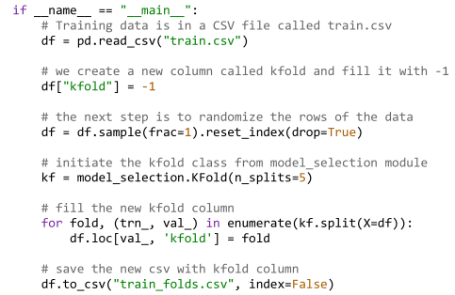 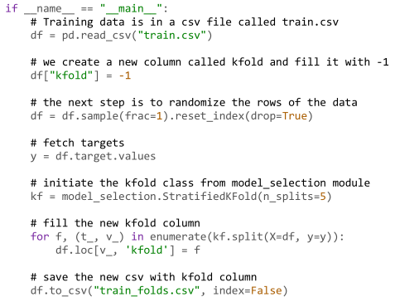 |  | 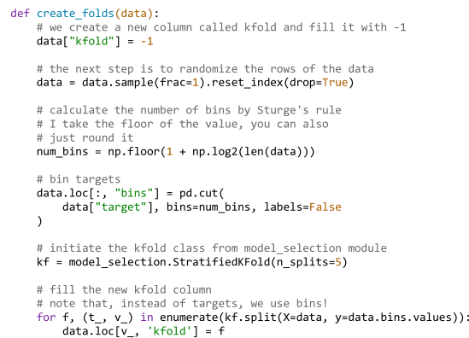
5 | Arranging ML projects | 5.1 Project Structure and directory layout Input - all the csv files, train, test, etc. If image, all images go to subfolder inside this folder. Src - all Python scripts. Models - all models, .bin files, aka serialized/pickled Python objects. Use Joblib or Pickle. Notebooks - all ipynb Jupyter notebooks Readme.md - instructions | 5.2 Train.py Thakur uses manual training and CV score reporting. However, I prefer to use the automated GSCV for ease of use. The function takes in a fold as integer and spits out the validation score for that fold, then you need to use a for loop to iterate over each fold. 5.3 Config.py integration Thakur then adds in a config file which consists of two variables, TRAINING_FILE and MODEL_OUTPUT as strings of filepaths. So train.py will use the filepath of the train.csv and dump the model in these locations. | 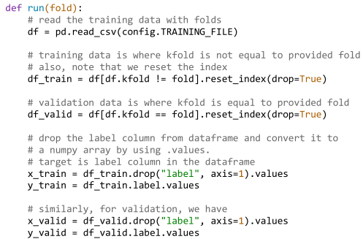 | 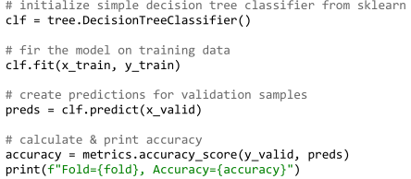
 |  | 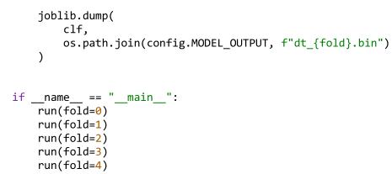 | 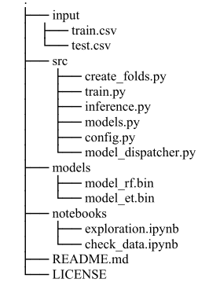
6 | Approaching categorical variables | 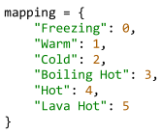 6.2 Ordinal encoding For ordinal encoding, use either the ordinal module of the Python package category_encoders, or use the pandas method map. Don't use LabelEncoder or OrdinalEncoder, these are very bad. | 6.3 Sparse encoding 6.4 One hot encoding Sklearn ColumnTransformer and OneHotEncoding. Transformer = ColumnTransformer(transformers=[(name,transformer,columns, remainder, sparse_threshold)]. Use this to quickly to 1HE on a dataset of mixed continuous and categorical variables. There is an option for sparsity as well to preserve memory (sparse_threshold) | 6.5 Handling NAN values Replacement - replace them with a unique category df.fillna("NONE") Imputation - for continuous Drop - drop 6.6 Target encoding Replaces a categorical variable with the mean of its target variable. category_encoders.target_encoder.TargetEncoder. Saves dimensionality compared to 1HE. | Closing Remarks: Either pandas map, get_dummies, sklearns columntransformer and onehotencoding, or consider the category_encoders library (1HE, ordinal, target) library.
7 | Feature engineering | 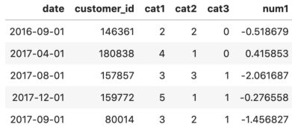 7.1 Handling date and time data Use the datetime module (dt) to manipulate. 7.2 Aggregated features Thakur uses clever use of groupby aggregation (agg), grouping by the primary key and passing in aggregation dictionary. | 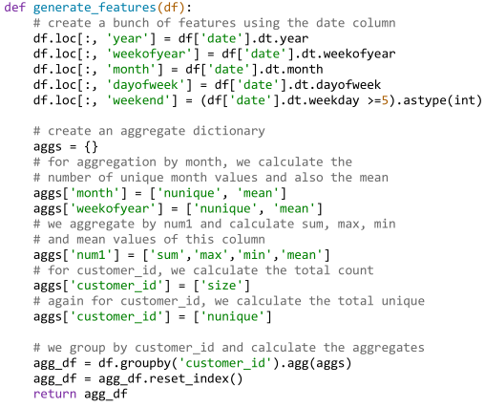 | 7.4 Polynomial features category_encoders.polynomial.PolynomialEncoder 7.5 Binning mean,max,min,etc. percentile features/binning - pd.cut/qcut. Binning allows you to treat numerical features as categorical
8 | Feature selection | 8.1 VarianceThreshold selection sklearns VarianceThreshold class simply removes features with very low variance var_thresh = VarianceThreshold(threshold=0.1) transformed_data = var_thresh.fit_transform(data) However this is generally not a good idea. 8.2 Pearson correlation matrix df.corr for a correlation matrix, and remove features that are highly correlated. Or consider using VIF. | 8.3 Univariate feature selection (SelectKBest, SelectPercentile) f-regression- sklearn.feature_selection.f_regression(X, y, *, center=True) f-classif SelectKbest- sklearn.feature_selection.SelectKBest- wrapper for a scoring function to select K best. 8.4 Greedy feature selection 8.5 Recursive feature elimination
 |  |  | Ensemble methods for regression (specific textbook chapters)
0 | Contents | 1. Geron's ML with SKL, TF, KS: ---6. Decision trees--- 6.1 Training and visualizing a decision tree 6.2 Making predictions 6.3 Estimating class probabilities 6.4 CART training algorithm 6.5 Computational complexity 6.6 Gini impurity or entropy? 6.7 Regularization hyperparameters ---7. Ensemble learning and random forests--- 7.1 Voting classifiers 7.2 Bagging and pasting 7.3 Random patches and random subspaces 7.4 Random forests 7.5 Boosting (AdaBoost, Gradient Boosting) 7.6 Stacking 7.7 XGBoost with XGboost library | 2. Tibshirani's ESL: ---9. Additive models, trees and related methods--- 9.1 Generalized additive models 9.2 Tree based models (background, regression trees, classification trees) 9.5 Hierarchical mixtures of experts 9.6 Missing data 9.7 Computational considerations ---10. Boosting and additive trees--- 10.1 Boosting methods 10.2 Boosting fits an additive model 10.3 Forward stagewise additive boosting 10.4 Exponential loss and AdaBoost 10.5 Why exponential loss? 10.9 Boosting trees 10.10 Numerical optimization via Gradient boosting 10.11 Right sized trees for boosting 10.12 Regularization 10.13 Interpretation | (Cont.): ---15. Random Forests--- 15.1 Introduction 15.2 Definition of random forests 15.3 Details of random forests 15.4 Analysis of random forests ---16. Ensemble learning--- 16.1 Introduction 16.2 Boosting and regularization paths 16.3 Learning ensembles | 3. Bishop's PRML: ---14. Combining models--- 14.1 Bayesian model averaging 14.2 Committees 14.3 Boosting 14.4 Tree-based models 14.5 Conditional mixture models 4. Murphy's ML:APP: ---16. Adaptive Basis function models--- 16.1 Introduction 16.2 CART 16.3 Generalized additive models 16.4 Boosting 16.6 Ensemble learning 16.7 Experimental comparison
 |  | 5. Molnar's Interpretable ML ---5. Model Agnostic Methods--- 5.1 Partial dependence plot (PDP) 5.2 Individual conditional expectation (ICE) 5.3 Accumulated local effects plot (ALE) 5.4 Feature interaction 5.5 Permutation feature importance 5.6 Global surrogate 5.7 Local surrogate (LIME) 5.8 Scoped values (Anchors) 5.9 Shapely values 5.10 SHAP (Shapely additive explanations) | Algorithm Sampling List: ---1. Trees--- 1.1 CART ---2. Forests--- 1.2 RF ---3. Bagging--- 3.1 XGBoost/Gboost 3.2 AdaBoost 3.3 CatBoost ---4. Interpretability (SHAP)--- | Book Sampling List: ---1. Geron's ML with SKL, TF, KS--- ---2. Tibshirani's ESL--- 9. Additive models, Trees and Related Methods 10. Boosting and additive trees 15. Random Forests ---3. Bishop's PRML--- 14. Combining Models (Decision Trees) ---4. Murphy's MLAPP--- 16. Adaptive Basis Function models ---5. Molnar's Interpretability--- 5. Model agnostic methods (5.9 Shapely Values)
1 | Geron's ML with SKL, TF, KS | 6. Decision Trees: 6.1 Training and visualizing a decision tree sklearn.tree module and tree.export_graphviz module, which allows you to visualize the tree as .dot file, then use command line to convert it to a png file 6.3 CART training algorithm Iterative, greedy algorithm that does binary split of nodes according to a singular feature decision rule (optimal decision rule decided by which split reduces entropy/impurity the most - this is constructed from a weighted average of the entropy/impurity reduction in the two child nodes) 6.4 Computational complexity Making predictions requires traversing tree from node to leaf, which requires going through O(log2(m)) nodes. | 6.5 Gini impurity or entropy? Does not really make a difference (minor difference) 6.6 Regularization hyperparameters max_depth - if none, unlimited min_samples_split - floor samples for splitting (cannot split if less) min_samples_leaf - min number of samples leaf node) min_weight_fraction_leaf max_leaf_nodes - number of leaf nodes max_features - number of features evaluated to choose split at each node. 6.6 Regression Intuition - instead of predicting a class, it predicts the value, which is the average target value of the n training instances associated with the leaf node. Recursive average/MSE evaluation. Split criteria - it will split based on which feature criteria will result in greatest MSE reduction, which is a weighted average of the predicted MSEs in the child nodes. This probably requires quite a huge number of iterations within one feature to decide on the optimal quality, and then across features | 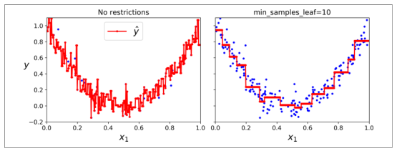 6.7 Instability Orthogonal decision boundary, and very sensitive to training data
 |  | 7. Ensemble learning and random forests: 7.1 Voting classifiers Intuition - have an ensemble/group of classifiers/regressors that for one data point will produce n outputs for that one data point (either a value in regression or a class). Then predict the modal class, or average value. Intuition - law of large numbers (many trials will converge to the true value) Independence of predictors (ensemble members) - ensemble methods work best when predictors are as independent from one another as possible so their errors are uncorrelated/their construction samples subsets as disjoint as possible to cover all the "information" embedded in the training data to make a prediction | 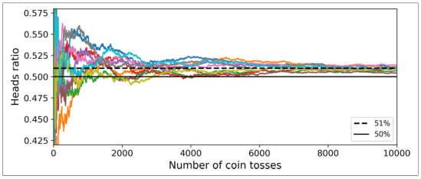 | 7.2 Bagging and pasting Bagging (bootstrap aggregation) - use the same training algorithm for every predictor member but train it on a random subsets of the training set. Sampling with replacement Pasting - sampling without replacement. Bagging and pasting in sklearn - sklearn offers BaggingClassifier/BaggingRegressor. Out-of-bag evaluation - Out-of-bag - the complement of the bagged subset. Each bagged subset has a OOB complement, for that predictor. Thus, it can function as a pseudo-replacement for validation, using oob_score = True and oob_score_ variable, by validating on OOB samples. | 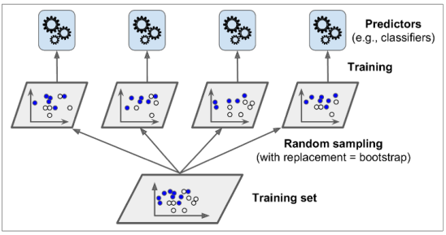
 |  | 7.3 Random Forests Intuition (training bagging and feature bagging)- ensemble of decision trees, using both bagging and random subset of features (subset of both training data and features) - greater tree diversity. In Sklearns RandomForestRegressor, the weighted impurity decrease ↔ weighted MSE (variance) decrease. ExtraTreesRegressor/Classifier - third dimension of randomness in using random threshold for each feature rather than best possible. | Feature Importance - Computation methods: FI built-in the RF algo/Permutation method/SHAP values. FI with built-in RF: Gini importance - Each feature importance is the sum of total entropy/impurity reduction for each node using that feature in the forest / number of nodes. Mean decrease accuracy - not included in SKLearn | 7.4 Boosting Definition -Combines multiple weak learners into strong learners. Adaboost - The purpose of boosting is to sequentially apply the weak classification algorithm (less complex tree/stump) to repeatedly modified versions of the data, thereby producing a sequence of weak classifiers Gm(x), m = 1, 2, . . . , M. It thus uses the residuals as weights. Wrongly classified samples (observations) are given increased sample weights, then this is used in a weighted gini index to score a node. Weak classifier - a predictor whose error rate is only slightly better than random guessing | 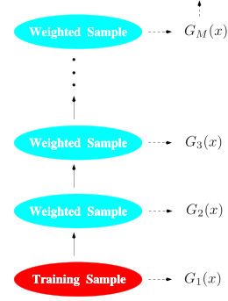
 |  | (Cont.): 7.4.1 Adaboost hyperparameters/implentation - sklearn.ensemble.AdaBoostRegressor n_estimators - number of consecutive learners to chain learning_rate - float to apply to update weights at each boosting iteration (by updating residuals) loss - type of loss to use when updating weights - linear, square, exponential feature_importances_ - AdaBoost also has feature importances. 7.4.2 Adaboost caveats - Dramatically boost weak classifier From ESL: The power of AdaBoost to dramatically increase the performance of even a very weak classifier. Not as scalable as RF: since Adaboost is sequential - cannot run it in parallel like RF, so for large datasets is slower. |  | 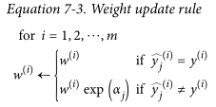 | 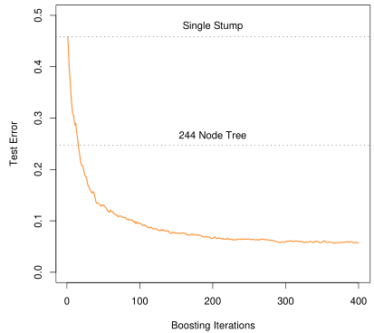
 |  | 7.5 SklearnGradient boosting (GBM): Definition/intuition - instead of tweaking the instance weights at every iteration like AdaBoost does, GBM fits the new predictor to the residual errors made by the previous predictor. Huge amount of hyperparameters. Each tree builts a tree predicting pseudo-residuals, and then you add all the trees together (generalized additive model). Also has feature_importances_ Staged_predict() - to find the optimal number of trees, one uses early stopping - staged_predict records prediction (on val) on each tree, which can then be plugged into a new GBMRegressor as a hyperparameter (n_estimators) | 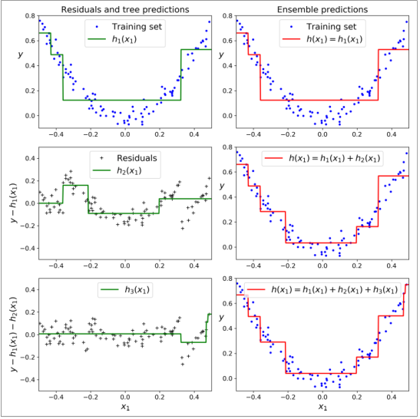 | 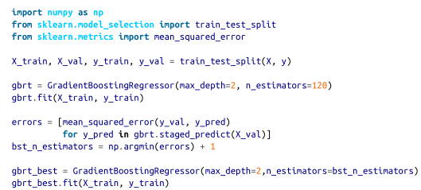
 |  | 7.7 XGBoost with XGBoost Library: Definition/Intuition - super OP gradient boosting that won Higgs Boson Kaggle competition. Same as Gboosting, but builds special XGBoost trees on residuals. Something to do with regularization. Essentially, you define a model consisting of the additive basis functions/trees, then compute a regularized loss function and use second order Taylor series approximation to approximate the overall loss function. Hooray! Caveats - native dmatrices - xgb.Dmatrix() - the class for data objects in XGB. Have to load them in from np arrays and pd dfs (Sparsity) parallel computing - options for multithreading. works with sklearn gscv/rscv/cv - xgb object works with sklearn cv modules. feature importances - xgb objects have a feature_importances_ attribute. Alternatively, xgboost library comes with a module, plot_importance(model) that does the job too. | 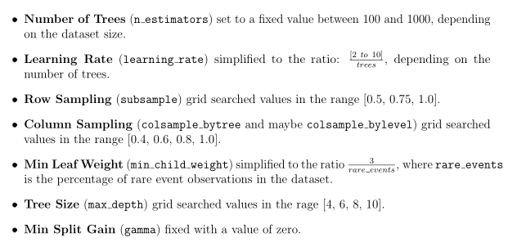 Hyperparameters - from the official xgb docs, it recommends to focus on. |  | 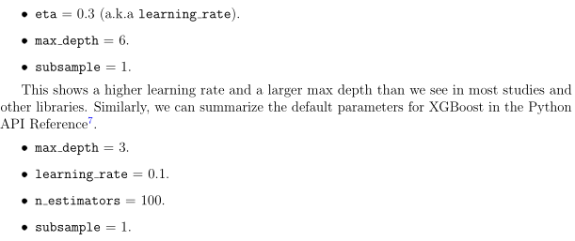
5 | Molnar's Interpretable ML | 5. Model Agnostic Methods 5.1 Partial dependence plot (PDP) Definition - PDP is a plot of how varying one feature impacts the target variable with all others held constant. There is a PDP function (mathematical). PDP's show marginal effects, which assumes independence between variables, so take it with a grain of salt. Code - sklearn.inspection.plot_partial_dependence(estimator,X,features,kind) is the module (under inspection library) that can conveniently generate PDPs for the requested features. Kind is the string parameter of {"individual","average","both} which plots PDP/ICE both. 5.2 Individual conditional expectation (ICE) Definition - Simply put, a PDP is an average of all the lines of an ICE plot. For simplicty I would only focus on PDP's not ICEs. | (Cont.) 5.3 Accumulated local effects plot (ALE) Intuition - the math/calculations are quite complex with quite abit of notation, which I have no time to go through, so the black box intuition is that ALE plots will show on y-axis the impact that variable has on the target for all values of the predictor (x-axis). The difference is that ICE/PDP will show predicted value on y (which will include multicollinearity/interaction), ALE will show "impact" for that feature, so ALE isolates the feature impact better. Code - Alibi library is used for ALE, very good docs and walkthrough of ALE for reg/class problems. Or use ALEPython. | 5.4 Feature interaction (Friedman's H) Intuition - in 2 feature model, prediction = k + f1 + f2 + int(f1,f2) Friedman's H statistic intuitively gives, for a feature, the amount of interaction effect it has with others. Measure the difference between the observed partial dependence function and the decomposed one without interactions. Code - Use sklearn-gbmi - implements Friedman's H stat for sklearn gradient boosting models only. Can look at feature interaction against all features, or 2-way feature interaction. | 5.5 Permutation feature importance 5.6 Global surrogate Intuition - train a black box model, make predictions on train data, then train an interpretable model on the train + black box predictions. Then interpret the model. This is abit of a cheap shot - substituting one model for another. 5.7 Local surrogate (LIME) This sucks. Don't bother. 5.8 Scoped values (Anchors)
 |  | 5.9 Shapely values Intuition - Some kind of method of estimating feature importance linked to game theory. Very black box. Average marginal contribution of a feature value across all possible coalitions, whatever this means. Skipped for time. 5.10 SHAP (Shapely additive explanations) Intuition - the Shap package that implements Shapely values to create interesting variations of feature importance plots. Skipped details, only black box. Code - Use Shap package, read docs for explanation, has very detailed explanation. Mostly for tree-based/ensemble/boosting models, but works for all models | (Cont.) 5.10 SHAP continued: Waterfall plot - see feature contribution in waterfall style Beeswarm plot - see feature contribution as each feature varies Examples are in docs. Try experimenting if needed
 |  |  | Brownlee's XGB with Python
0 | Contents | Brownlee's XGB with Python: ---1. Welcome--- ---2. A gentle intro to boosting--- ---3. A gentle intro to XGBoost--- ---4. Develop first XGB model in Python with XGB and SKL--- ---5. Data prep for XGB--- ---6. How to evaluate XGB models--- ---7. Visualize indiv trees within models--- [III - XGBoost advanced] ---8. Save and load XGB models--- ---9. Feature importance with XGBoost and feature selection--- ---10. Monitor training performance and early stopping--- ---11. Tune Multithreading support for XGB--- ---12. Train XGB in cloud with AWS--- | [IV - XGBoost Tuning] ---13. How to configure XGB algorithm (Hyperparameter Tuning)--- ---14. Tune number and size of trees with XGB--- ---15. Tune learning rate with XGB--- ---16. Tune stochastic GD with XGB---
 |  |  | Tibshirani's ESL
 |  |  | Murphy's ML:APP
 |  |  | Bengio's Deep Learning
0 | Contents | Bengio's Deep Learning: [I - Applied Math and Machine Learning Basics] ---1. Introduction--- ---2. Linear algebra--- ---3. Probability and information theory--- ---4. Numerical computation--- ---5. Machine learning basics--- [II - Deep Networks: Modern Practices] ---6. Deep feedforward networks--- ---7. Regularization for deep learning--- ---8. Optimization for deep models--- ---9. Convolutional networks--- ---10. Sequence modelling: recurrent and recursive nets--- ---11. Practical methodology--- ---12. Applications--- | [III - Deep Learning Research] ---13. Linear factor models--- ---14. Autoencoders--- ---15. Representation learning--- ---16. Structured probabilistic models for deep learning--- ---17. Monte carlo methods--- ---18. Confronting the partition function--- ---19. Approximate inference--- ---20.Deep generative models---
 |  |  | Chollet's Deep Learning with Python
0 | Contents | Chollet's Deep Learning: [I - Fundamentals] ---1. What is deep learning?--- 1.1 AI, Machine Learning, Deep Learning 1.2 Before DL: a history of Machine Learning ---2. Before we begin: the mathematical building blocks of neural networks--- 2.1 A first look at a neural network 2.2 Data representations for NN 2.3 The gears of NNs: Tensor operations 2.4 The engine of NNs: Gradient-based optimization ---3. Getting started with NNs--- 3.1 Anatomy of an NN 3.2 Introduction to Keras 3.3 Setting up a DL workstation 3.4 Classifying movie reviews: a binary classification example 3.5 Classifying newswires: a multiclass classification example 3.6 Predicting house prices: a regression example | ---4. Fundamentals of Machine learning--- 4.1 Four branches of Machine Learning 4.2 Evaluating Machine Learning models 4.3 Data preprocessing, feature engineering, feature learning 4.4 Overfitting & underfitting 4.5 The universal workflow of Machine Learning [II - Deep Learning In Practice] ---5. Deep Learning for Computer Vision--- 5.1 Introduction to ConvNets 5.2 Training a ConvNet from scratch on a small dataset 5.3 Using a pretrained convnet 5.4 Visualizing what convnets learn ---6. Deep learning for text and sequences--- 6.1 Working with text data 6.2 Understanding recurrent neural networks (RNN) 6.3 Advanced use of recurrent neural networks 6.4 Sequence processing with convnets | (Cont.): ---7. Advanced Deep Learning practices--- 7.1 Going beyond sequential model: the Keras functional API 7.2 Inspecting and monitoring deep-learning models using Keras callbacks and TensorBoard 7.3 Getting the most out of your models ---8. Generative deep learning--- 8.1 Text generation with LSTM 8.2 DeepDream 8.3 Neural style transfer 8.4 Generative images with VAEs: Variational AutoEncoders 8.5 Introduction to GANs - Generative Adversarial Networks | (Cont.): ---9. Key concepts in review--- 9.1 Key concepts in review 9.2 The limitations of deep learning 9.3 The future of deep learning 9.4 Staying up to date in a fast-moving field
 |  |  | Steven's Deep Learning with PyTorch |  |  | x
0 | Content | Steven's Deep Learning with PyTorch: [I - Core PyTorch] ---1. Introducing DL and the PyTorch library--- ---2. Pretrained networks--- ---3. It starts with a tensor--- ---4. Real world data representation using tensors--- ---5. The mechanics of learning--- ---6. Using a neural network to fit the data--- ---7. Telling birds from airplanes: learning from images--- ---8. Using convolutions to generalize--- | [II - Learning from real world images - Early detection of lung cancer] ---9. Using PyTorch to fight cancer--- ---10. Combining raw sources into a unified dataset--- ---11. Training a classification model to detect suspected tumours--- ---12. Improving training with metrics and augmentation--- ---13. Using segmentation to find suspected modules--- ---14. End-to-end nodule analysis, and where to go next--- [III - Deployment] ---15. Deploying to production---

