Math
Math
Math: Contents |  |  |  |  |  | Jump to bottom
0 | Contents | Contents: 1. Spivak - Calculus 2. Anton - Introduction to Linear Algebra 2.1 Axler's Linear Algebra Done Right 3. Susanna - Discrete Math 4. Hubbard - Vector Calculus 5. Gould - Graph Theory 6. Zill - Differential Equations 7. Chalmard - Proof 8. Tao - Real Analysis I 9. Tao- Real Analysis II 10. Functional Analysis 11. Complex Analysis | Remarks: Coverage not comprehensive, skipped many exercises and proofs. Most books incomplete.

 |  |  | Calc (Spivak's Calculus)
0 | Contents | Spivak's Calculus ---A. Prologue--- 1. Basic properties of numbers 2. Numbers of various sorts ---B. Foundations--- 3. Functions 4. Graphs 5. Limits 6. Three Hard Theorems 8. Least upper bounds | (Cont.): ---C. Derivatives and Integrals--- 9. Derivatives 10. Differentiation 11. Significance of the derivative 12. Inverse functions 13. Integrals 14. FTC 15. Trigonometric functions 17. Logarithms and exponential functions 18. Integration in elementary terms (parts, substitutions, change of variable) | (Cont.): ---D. Infinite Sequences and Infinite Series--- 20. Approximation by Polynomial Functions 21. Euler's e 22. Infinite Sequences 23. Infinite Series 24. Uniform convergence and power series 25. Complex Numbers 26. Complex Functions 27. Complex Power series | (Cont.): ---D. Infinite Sequences and Infinite Series--- 28. Fields 29. Construction of the Real numbers 30. Uniqueness of the Real numbers
3 | Functions | 3.1 Definition: a rule which assigns, to each of certain real numbers, some other real number. Domain, range, image. | 3.2 Function graph: the mapping of two sets, each set represented by an axis, or the real number line
5 | Limits | 5.1 Function approaches limit formal definition: for every error (Epsilon) or deviation of the output from the limit, there is a delta (nudge on input) that will reduce the error of output. | 5.2 Limit formal definition (epsilon-delta) |f(x)-L|< e whenever 0 < |x-c| < d right hand limit, left hand limit, both sided limit, limits at infinity 5.3 Continuity: a function is continuous if f(x) = L as x -> a for all a. There is a limit for every point in the function.
9 | Derivatives | 9.1 Definition: f'(x) = lim {h->0} [f(x+h) - f(x)] / h: difference quotient with increment h as h approaches 0. Or f'(x) = lim {z->x} [f(z)-(fx)]/(z-x): as z approaches x. intuition: calculating the difference between two points, but making the difference tend to 0. 9.2 Differentiable function: f' exists at every point of the domain of f. | 9.3 Proofs: Constant function proof Identity function proof Addition of two derivative functions proof Product rule proof (add to numerator trick) Power rule proof (induction on n, identity function and product rule proof) Reciprocal rule proof ( d (1/f) = -f'/f^2 for f !=0, use difference quotient and increment, then manipulate algebraicly ) Quotient rule proof (product rule & reciprocal rule combined) Triple product rule (f g h, use product rule. f'gh + fg'h + fgh') Chain rule (composition of functions: f o g a = f'(g) g')-triple composition f o g o h)
11 | Significance of the derivative | 11.1 Maximum/minimum point: f(x) >= f(y) for every y in a, x is maximum point, a being set of numbers in domain of f. local maximum/minimum: some δ > 0 such that x is maximum/min for f on A ⋂ (x-d,x+d). 11.2 Critical point: f'(x) = 0 is critical point 11.3 Mean value theorem: some x in (a,b) such that f'(x) = f(b)-f(a) / (b-a). Proof is built on Rolle's theorem (skipped) 11.4 Rolle's theorem: if f continuous & differentiable on [a,b] and f(a)=f(b), there is x in (a,b) such that f'(x) = 0 | 11.5 Increasing/decreasing: f(a) < f(b) if a < b, f(a) > f(b) if b > a 11.6 Cauchy mean value theorem: if f,g continuous & differentiable on [a,b], some x in (a,b) such that f(b)-f(a) g'x = g(b) - g(a) f'x. Proof and intuition: skipped. 11.7 Convexity/concavity: function is convex on interval if line segment joining a to b lies above f. Concave if line segment from a to b lies below f. OR [f(x) - f(a) / x - a] < [ f(b) - f(a) / b - a ] for a < x < b.
12 | Inverse functions | 12.1 One-to-one: f(a) != f(b) whenever a != b. 12.2 Inverse: f-1 is set of all pairs (a,b) for which pair (a,b) is in f. ordered pairs. 12.3 Parametric functions: defined by a common parameter, t, and multiple functions acting on parameter as coordinates. C(t) = (u(t),(v(t))
13 | Integration | 13.1 Geometric intuition: A = R(f,a,b) area of heavily shaded region - area of lightly shaded region s = m1((t1-t0) + m2(t2-t1) + m3(t3-t2) + m4(t4-t3) S = M1(t1-t0) + M2(t2-t1) + M3(t3-t2) + M4(t4-t3) s <= A and A<= S regardless of how [a,b] is subdivided par[a,b]: {a = t0 < t1 < tn-1 < tn = b} inf/sup- inf/sup of subset S of partially ordered set T is greatest/smallest element in T <=/>= S, if it exists. Can be outside S. greatest lower bound/least upper bound. mi = inf{}, Mi = sup{} | 13.2 Lower & upper sums theorems: L(f,P), U(f,P). L underhits and converges to R(f,a,b) from below with specificity, U overhits and converges to R(f,a,b) from above. L(f,P) <= L(f,Q) & U(f,P) >= U(f,Q) if Q contains P (Q is more specific than P) L(f,P1)<=U(f,P2) 13.3 Integrable definition: F bounded by [a,b] is integrable if sup{L(f,P)} = inf{U(f,P)}, thus L(f,P)<= ∫(b,a) f <= U(f,p) for all partitions P there is є>0 there is P of [a,b] such that U(f,P)- L(f,P) < є | 13.4 Intuition: x*f(x)- very loosely. Height of function (f(x)) * Δx the infinitesmal sum, of the height of the function f(x), multiplied by the small increment of the input of the function Δx or dx. Caveat- dynamic height must be y=f(x) and dx, if not, treat variable as constant height. | 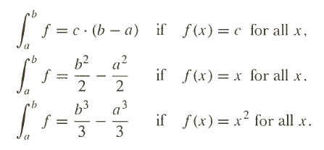
 |  | 13.5 Partitioning intervals: let a < c < b. Thus: 13.6 Interval scalar: thus: 13.7 Discontinuity: discont. F's cannot be differentiated (limit issue) but can be integrated. Why (???) | 13.8 Integral continuity: if f is integrable, then F is continuous. The area plotted as a function of any integrable function is always a continuous function
14 | Fundamental Theorem of Calculus | 14.1 FTC Theorem 1 geometric intuition: F'© --> formal limit definition --> geometric area interpretation --> area shrinks to a single straight line --> the width becomes negligible, reducing the area to a vertical line --> shrink width until a point remains --> that is the height of function, f(c). | 14.2 FTC theorem 2:
15 | The Trigonometric Functions | 15.1 Introduction: Angle - union of two half-lines with a common initial point. Radians - defined anticlockwise. 2π = complete rotation = 360deg Reason: 2π/π = 2 = diameter of unit circle, 2/2 = 1 = radius of unit circle. Thus, radians is connected to the unit circle. 15.2 Area of unit semicircle: |  | 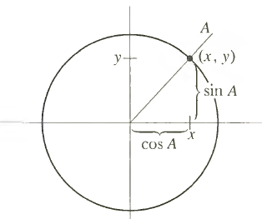
19 | Integration in Elementary Terms | 19.1 Theorem 1 - Integration by parts | 19.2 Theorem 2 - The substitution formula
20 | Approximation by polynomial functions | 20.1 Introduction: Polynomial function - "stacking/layering functions on top of another" p(x) = a0 + a1x + … + anxn 20.2 constant: Derivative and substitution x=0 gives constant. Connect constant an to derivative evaluated at 0 (intercept) | 19.3 Taylor polynomial for degree n at f: A function can be approximated by a Taylor polynomial, provided it is smooth (infinitely many derivatives C∞) Pn,a(x) approximes F where F need not be a polynomial function. Can approximate non-polynomials with Taylor polynomials. 19.4 Conditions for taylor series: the taylor series is a function of an infinite sum of terms expressed in terms of the functions derivatives at a single point. conditions for function to be approximated by a Taylor series: something to do with smoothness, continuity, C, differentiability?
 |  | 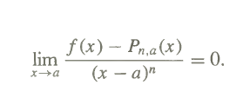 19.5 Intuition for approximation/approximation "theorem": lim x-->a for f(x) - P1a(x) / (x-a) = 0. Thus, as x --> a, the difference between their heights approaches 0. | 19.6 L Hopitals Rule: Indeterminate limits (0/0, inf/inf, etc). Intuition: even though the value of the fraction is indeterminate, what matters is their respective rates of change at the infinitesmal level. Lim {x-->c} f(x)/g(x) = lim {x-->c} f'(x)/g'(x)
22 | Infinite sequences | 22.1 Infinite sequence definition: An infinite sequence of real numbers is a function with domain N (the set of natural numbers) {αn}. No summation 22.2 Convergence definition: a sequence {αn} converges to l (lim [n--> ∞] αn = l) if for every є > 0 there is a natural number N such that for all n, if n>N, then |an - l|<є. | 22.3 Sequence properties: for every є > 0 increasing: an+1 > an for all n nonincreasing an+1 >= an for all n. bounded above M such that an <= M (any nonincreasing + bounded sequence converges) cauchy: N for m,n > N, then |an - am| < є- a sequence which the last two terms keep getting closer and closer to each other. all convergent sequences are cauchy, but not all cauchy are convergence (something about metric spaces- topology) | 22.4 Sequence summability/cauchy criterion: 22.5 Vanishing condition:
23 | Infinite series | 23.1 Definition: Series is a sum of a sequence Partial sum: Sn = a1 + a2 + a3 + … + an 23.2 Summability definition: If {Sn} converges where Sn = a1 + … + an 23.3 Convergence definition: The sequence {an} converges if sequence {Sn} converges: lim [n-->∞] sn = Σan | 23.4 Series types: Geometric- constant ratio between the previous term and the next. aka constant with increasing power arn , r = common ratio, if |r|<1, converge. If |r|=1, does not converge. if |r|>=1, diverge. Harmonic- 1 + 1/2 + 1/3 + 1/4 + … + 1/N, sum of reciprocals of natural numbers N? | 23.5 Absolutely convergent and summable series: A series is absolutely convergent if it's absolute series is convergent, and summability inherits absoluteness.
24 | Uniform convergence and power series | 24.1 Sequences of functions: functional sequence {fn} limiting function/functional limit: f(x) 24.2 Uniform vs pointwise convergence: Pointwise convergence: functional convergence that is convergent at different points at different rates (pointwise) Uniform convergence: functional convergence that is uniform (an entire domain of x converging) | 24.3 Uniform convergence formal definition: ∀є>0,∀x>D, ƎN∈N , ∀n∈N: n>N --> |fn(x) - f(x)| < є Idea - N depends on both є and x now (double for loop)- this condition implies uniform convergence (same rate for entire domain)
 |  |  | Linear Algebra (Messer, Anton)
0 | Contents | Anton's Elementary Linear Algebra: ---A. Systems of linear equations and matrices--- 1. Introduction to systems of linear eqns 2. Gaussian elimination 3. Matrices and matrix operations 4. Inverses and algebraic properties of matrices 5. Diagonal, triangular, symmetric matrices 6. Introduction to Linear transformation 7. Compositions of matrix transformations ---B. Determinants --- 8. Determinants by cofactor expansion 9. Determinants by row reduction 10. Properties of determinants and cramers rule ---C. Euclidean vector spaces--- 11. Vectors in 2, 3, n-space 12. Norm, dot product, distance 13. Orthogonality 14. Geometry of Linear Systems 15. Cross Product | (Cont.): ---D. General vector spaces--- 16. Real vector spaces 17. Subspaces 18. Spanning sets 19. Linear independence 20. Coordinates, basis 21. Dimension 22. Change of Basis 23. Row space, column space, null space 24. Rank, nullity, fundamental matrix spaces ---E. Eigenvalues and eigenvectors--- 25. Eigenvalues and eigenvectors 26. Diagonalization 27. Complex vector spaces 28. Dynamical systems | (Cont.): ---F. Inner product spaces--- 29. Inner products 30. Angle and orthogonality 31. Gram-Schmidt, QR-Decomposition 32. Least Squares 33. Fourier Series and function approximation ---G. Diagonalization and quadratic forms--- 34. Orthogonal matrices 35. Orthogonal diagonalization 36. Quadratic forms 37. Optimization with Quadratic forms 38. Hermitian, Unitary, and normal matrices | (Cont.): ---H. General linear transformations--- 39. General linear transformations 40. Compositions and inverse transformatios 41. Isomorphism 42. Matrices for general linear transforms 43. Similarity 44. Geometry of matrix operators ---I. Numerical methods--- 45. LU Decompositions 46. The power method 47. Comparison of procedures for solving linear systems 48. SVD 49. Data compression with SVD
0 | Families of vector spaces (Messer) | 0.1 Euclidean spaces: Ordered pairs/lists as a set element Ordered pairs are only a vector space if the axioms hold! Euclidean vector space (axioms hold) for ordered tuples. | 0.2 Matrices: Matrix shape concept Matrix element notation concept Matrix addition & scalar multiplication 0.3 Matrix vector multiplication: As a dotproduct or linear combination (each element in vector becomes scalar multiplied by each column in the matrix) 0.4 Matrix matrix multiplication: As a matrix multiplying many vectors | 0.3 Function spaces: Ordinary functions Real values functions (Rn) Range, domain, image Well-defined functions | 0.4 Subspaces: Subspace object (subset object with closed under additional and scalar multiplication)
1 | Introduction to systems of linear equations |  1.1 Linear equation: Linear equation of n variables 1.2 Linear system: A system of linear equations 1.3 Solution: S = (s1,s2, … sn)- an ordered n-tuple. In n-dimensions, either 0S, 1S, or ∞S, unique, trivial (all 0s), general (parameterized) 1.4 Consistency: Consistent if at least one s exists, Inconsistent if no s exists 1.5 Geometric intuition: Two variables - line (x,y 2d plane) Three variables- plane (x,y,z 3d) | 1.6 Augmented matrix: Matrix describing the linear system with constraints as the last column 1.6 Elementary row operations: kR (scale) Rn <--> Rm (swap) kR + Rn (add a scaled row to another) goal- reduce original matrix to reduced row echelon form 1.7 Leading ones: First-non-zero 1 in a row. | 1.8 (Reduced) Row Echelon Form (R)REF: -Each row must have leading 1. -Full zero rows are pushed to the bottom of the matrix -In two successive non 0 rows, leading 1 on lower row is farther right than the leading 1 in the higher row. -Each column with leading 1 contains only 0s in that column (reduced) | 1.9 Inspection: When a matrix is in RREF, solution can be deduced by inspection leading variables: 1.10 Free/leading variables: The variables corresponding to the leading 1s and not leading 1s (column wise) 1.11 Parametric solution: Free variable becomes parameter (express leading in terms of free), e.g t.
2 | Gaussian elimination | 2.1 Gaussian elimination- forward, REF 2.2 Gauss jordan elimination- forward & backward, RREF 1. find leftmost column that is not all 0s. 2. swap rows to bring a nonzero entry to the top left hand corner 3. divide by 1/a or factorize to engineer a leading 1. 4. add suitable multiples of top row such that all entries below leading 1 become zeros 5. cover top row and repeat process 6. to convert from REF to RREF, use step 4, but with suitable multiples of the bottom row instead. forward phase and backwards phase | 2.3 Homogenous linear equations: if RHS column is all 0s. If S = (0,…,0), S is trivial. Either only trivial or both trivial & nontrivial (infinitely many) solutions. If #unknowns > #eqns, then has trivial & nontrivial solution 2.4 Free variable theorem for homogenous linear equations: If homo has n unknowns & RREF has r nonzero rows, then system has n-r free variables | 2.5 Back substitution (alternative to backwards elimination, after Gaussian): After Gaussian elimination to REF, find eqns for leading variables, then successively substitute from the bottom equation into all the equations above it. 2.6 Pivots: pivot position - positions where the leading 1s occur in the RREF. pivot rows- rows that contain a pivot position pivot columns- rows that contain a pivot column
3 | Matrices and matrix operations | 3.1 Scalar multiple: Scalar c applied to matrix A: cA 3.2 Trace: The sum of diagonals of square matrix. Tr(A) tranpose properties: (AB)T = BTAT 3.3 Inverse properties: AA-1 = A-1A = I 3.4 Singular matrices: A is singular if det[A] = 0. It takes the eigenvector and pushes it into the null space with eigenvalue 0. | 3.5 Elementary matrix: E is elementary matrix if it can be obtained from an identity matrix by performing a single elementary row operation 3.6 Diagonal matrix: D is diagonal if all entries off main diagonal are 0
6 | Introduction to Linear transformations | 8.1 Basis vectors: x can be written as LC of basis vectors in Rn 8.2 Image: the output of a function or subset of range | 8.3 Standard matrices: Standard matrix for any linear transformation (expressed as an LC on the basis vectors) | 8.4 Matrices as geometric operators on a vector: Reflection operators (along whichever axis or plane) Projection operators (along whichever axis or plane) Rotation operators (using cosϴ and sinϴ)
8 | Determinants | 8.1 Intuition: how the linear map scales the vector "area". If 0, the transformation scales to 0 area (line or point), thus information loss through a reduction in dimension. 8.2 Invertibility of 2x2 matrix: det(A) = ad-bc, invertible if det(A) != 0 | 8.3 Minor of entry aij: Mij- determinant of submatrix that remains after the ith row and jth column are deleted from A. 8.4 Cofactor of entry aij: (-1)i+j Mij = Cij 8.5 Cofactor homogeneity theorem: if A is nxn, then regardless of which I or j, entries * cofactors and summing them up will give the same number. | 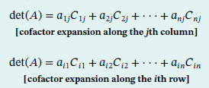 8.6 Determinants as cofactor expansions: 8.7 Determinants by row reductions: | 8.8 Properties of determinants: scalar- det(kA) = kndet(A) addition- det(A+B) != det(A) + det(B) multiplication- det(AB) = det(A)*det(B) if A,B are both Rnxn
 |  | 8.9 Adjoint: C = cofactor matrix adj(A) = CT 8.10 Inverse of a matrix using adjoint: | 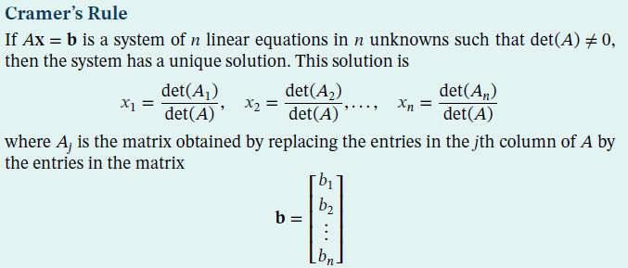
C | Euclidean vector spaces | C.1 Ordered n-tuple Ordered n-tuple - sequence of real numbers representing points in n-dimensional space C.2 Real n-space: Set of allordered n-tuples C.3 2-norm/euclidean length: ||v||2 = sqrt(v12 , … vn2) C.4 Axioms: | C.5 Normalization of vector: u = v/||v||2 - divide it by the norm to get a ||u||2 = 1 distance: d(u,v) = ||u-v|| C.6 Dot product: angular form - u · v = ‖u‖‖v‖ cosϴ component form- u · v = u1v1 + u2v2 + ⋅ ⋅ ⋅ + unvn connected by law of cosines. | C.7 Cauchy-Schwarz inequality: |u.v| <= ||u||||v|| - connected to cosϴ and angular form C.8 Geometry in Rn: triangle ineq for vectors & distance: ||u+v||<=||u|| + ||v||, d(u,v)<= d(u,w)+d(w,v) |  C.9 Cross product: (determinant sum trick, area intuition)
D | Real vector spaces | D.1 Subspace (closure under operations) W is subspace of V if W is itself a vector space under addition and scalar multiplication defined on V | D.2 Linear combination: | D.3 Span/generation: W = span(S) = set of linear combinations of S = {w1, w2, . . . , wr} = smallest linear subspace of V. W spans/generates V. Det(W) != 0 D.4 Linear independence: k1i + k2j + k3k = 0, (k1,k2,k3) = (0,0,0), no nontrivial solutions. If there are, then one vector can be expressed as an LC of the other | D.5 Basis: linearly independent span W = span(S) thus, W is basis for V ordered basis - basis in which order of component vectors matters if S = {v1,v2, …, vn} is ordered basis for V, and v = c1v1 + c2v2 + … + cnvn, then the coordinate vector of v relative to S is (V)s = (c1,c2, .. cn). ORdered
 |  | D.6 Dimension: dim(V) is defined to be number of vectors in basis for V or len(S). If S is a basis for V. D.7 Change of basis: converting coordinate systems. Express old basis in terms of new basis, then express old vector in old basis as new vector in new basis by substitution (skipped) | D.8 Matrix spaces: Row vectors and column vectors, Rnm D.9 Row space: Subspace Rn spanned by row vectors of A - e.g the set of all possible linear combinations of the row vectors of A D.10 Column space: subspace Rm spanned by column vectors of A - e.g the set of all possible linear combinations of the column vectors of A. D.11 Null space/kernel: null(A)- the solution space of homogenous system of equations Ax = 0 = Null(A) | D.12 Consistency: Ax = b consistent only if b is in the column space of A D.13 Bases of row and column space: if matrix R In row echelon, row vectors with leading 1s form basis for row space of R, column vectors with leading 1s form basis for column space. dim(R) = dim(C) D.14 Rank: dim(R) = dim(C) = Rank of A. Rank is number of dimensions of row space/col space. Rank intuition- "redundancy of matrix". The rank explains the number of dimensions of the output space. D.15 Nullity: dim(null(A)) = nullity of A. Nullity is number of dimensions of null space. | D.16 Application of rank: if A is mxn matrix of rank k, then n-k of column vectors and m-k of row vectors can be expressed in terms of k linearly dependent row/column vectors. Data compression.
E | eigenvalues & eigenvectors | Eigen eigen = German for "own"/"characteristic"/"peculiar to". Only restricted to square matrix. E.1 Eigenvector/value: if A is nxn, then x in Rn is eigenvector if : Ax = λx. Applying A to x only scales it by λ. maps to a multiple of itself E.2 Characteristic equation of matrix A: Ax = λx --> Ax = λIx --> Ax - λIx = 0 --> (A-λI)x = 0 or (λI-A)x = 0 --> det(λI-A) = 0 (since it scales x to 0) | E.3 Characteristic polynomial p(λ): Where n is Rnxn of matrix. E.4 Basis of eigenspace Solution space of characteristic polynomial. Null space of matrix (λI - A), kernel, or set of vectors solve by solving characteristic eqn: (λI-A)x = 0, solve for x1, … xn --> basis vectors e.g projection matrix that operates on a vector in ℝ3 - all vectors in that plane are technically eigenvectors (e.g they are the same after transformation) E.5 Properties of symmetric matrices: real eigenvalues, and orthogonal eigenvectors (from different eigenspaces) | E.6 Similarity transformation: similarity transformation: A --> P-1AP where P is an invertible matrix. Similarity invariant - any property that is preserved under similarity transformation. Examples: determinant, invertibility, rank, nullity, trace, cp, eigenvalues, eigenspace dimension E.7 Similarity: if A and B are square, B is similar to A if there is P such that B = P-1AP | E.8 Diagonalizability: if D = P-1AP is diagonal, then A is diagonalizable and P is said to diagonalize A (by means of similarity transform) diagonalizability property: if A is diagonalizable, then A has n linearly independent eigenvectors (v1 ..vn) E.9 Diagonalizing a matrix: P = matrix of basis vectors of eigenspace solutions. uses- PCA, etc. Allows you to convert it to a "simple" form but retains invariant properties under similarity transform, and diagonal matrices are easy for calculations. Making things simpler.
F | Inner product spaces | F.1 Norm: ||v|| - notion of length of a vector. However, can be mapped to different types of inner products depending on the type of inner product space ||v|| = sqrt(<u,v>) F.2 Inner products: <u,v> - notation for inner product. can define different types of inner product for different uses. Ultimately, just an operation between two vectors that satisfies inner product space axioms. powerful because can connect to length, angle (orthogonality) and distance in different inner product spaces F.3 Examples of inner products: standard euclidean innerproduct weighted euclidean inner product (Weighted average) matrix inner product | F.4 Orthonormality and orthogonality: orthogonal- set S of vectors in real inner product space is orthogonal if all distinct pairs orthogonal. Orthonormal- orthogonal set with each ||vn|| = 1 (normalized, orthogonal) F.5 Orthonormal set: divide each vector by ||vn|| | F.6 Projection of vector on orthogonal subspace: linear combination of inner products (projections) onto the subspace vectors | F.9 Gram-Schidt process: linearly independent S = {v1, ..., vk} and produce S'. Procedure to take a basis and produce a orthonormal basis. Skipped. Intuition- step by step, anchor v1 = u1 and construct u iteratively. F.10 QR decomp- numerical algorithm for computing Gram Schmidt.
G | Diagonalization & orthogonal forms | G.1 Orthogonal matrix: A-1 = AT , AAT = ATA = I. Multiplying itself by its transpose returns Identity matrix. G.2 Positive definite and positive semidefinite matrices: Symmetric matrix that has only positive eigenvalues A matrix A is positive definite if XTAX > 0 A matrix B is positive semidefinite if XTAX >= 0 G.3 Orthogonal diagonalization (orthogonal similarity transform resulting in diagonal): D = PTAP , P is orthogonal, A is symmetric G.4 Conditions for OD orthonormal set of n eigenvectors symmetric and real | G.5 Procedure for matrix P that orthogonally diagonalizes A: -find basis for each eigenspace of A (find eigenvectors) -apply gram schmidt process to orthonormalize each basis -form matrix P from bases as columns (eigenvectors) | 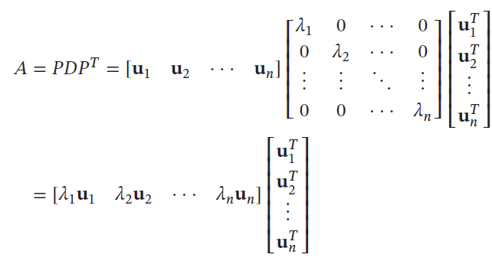 G.6 Spectral decomposition: D = PTAP --> A = PDPT | G.7 Spectral decomposition/spectral theorem for symmetric matrices: spectrum - set of eigenvalues of the matrix. Each term in spectral decomposition has form λuuT, where ui is a unit row eigenvector for each λ, and thus each uuT is a projection matrix Assuming A is a symmetric, real matrix, then it can be decomposed into the spectrum of it's eigenvalues multiplied by the eigenvectors.
 |  | G.8 Complex numbers z: z = a + bi, then Re(z) = a, im(z) = b, a real part & imaginary part |z| = sqrt (a2 + b2) - absolute value Ф- angle, argument of z z = a-bi, complex conjugate Re(z) = |z|cosФ, im(z) = |z|sinФ z = |z|(cosФ + isinФ) - polar form of z | G.9 Conjugate transpose: A* = AT - the matrix as a result of transposing A then taking the complex conjugate G.10 Hermitian/unitary matrices: hermitian A* = A- conjugate transpose = itself unitary if A* = A-1- conjugate tranpose = it's inverse
H | general linear transformations | H.1 Transformation as a function: TA : Rn --> Rm H.2 Linear transformation: T(kU) = kT(u) - homogeneity property T(u + v ) = T(u) + T(v) - additivity property any T satisfying these conditions is a linear transformation H.3 Linear operator: T : V --> W where V = W, and is a linear transformation. | H.4 Examples of linear transformations: matrix transformations (T: Rn-->Rm), zero transformations (T(v) = 0), identity (T(v) = I(v) = I, dilation & contraction operators, inner product transformations T(x) = <x,v0> H.5 Examples of nonlinear transformations: det(), translation H.6 Linear transformation of a vector into a linear combination of images of standard basis vectors: where c are coefficients and vn is basis vector of vector space V | H.7 Kernel: nullspace, but for linear transformation T : V --> W, set of vectors which T{} maps to 0. H.8 Dimension theorem for linear transformations: rank(T) + nullity(T) = dim(V), where one-to-one: T: V --> W is one to one if T maps distinct vectors from V to distinct vectors on W. H.9 onto: every vector in W is the image of at least one vector in V | H.10 Isomorphism: T:V-->W one to one & onto is said to be isomorphism. And V is thusly isomorphic to W
I | numerical methods | I.1 LU decomposition: A factorization of square matrix A as A = LU where L is lower triangular and U is upper triangular I.2 Solving linear systems with LU decomp/factor: Ax = b --> LUx = b --> Ly = b --> solve for y --> Ux = y --> solve for x. Breaking down solving linear equations into two components. I.3 Solving for y (Ly = b): Forward substitution (solve from top down to bottom)- solve the lower triangular. 1.4 Solving for Ux = y: Backward substitution | 1.5 Advantage of LU decomp over Gaussian methods: When solving a sequence of linear systems Ax = b1 …. Ax = bk, Factorize A = LU once, then Ly = b and Ux = y many times. Saves time in certain situations 1.6 Condition for LU decomp: Reduce a square matrix to REF without row interchanges (pivoting), then A will have an LU decomposition | I.7 Steps for LU decomp: Reduce A to row echelon form (without swapping rows), keep track of sole row scalar multiplications for each row. L diagonal entries are the reciprocals of each row's sole scalar multiple. Below the diagonal are the negatives of scalar addition of rows, placed in the 0's spot they induced. | 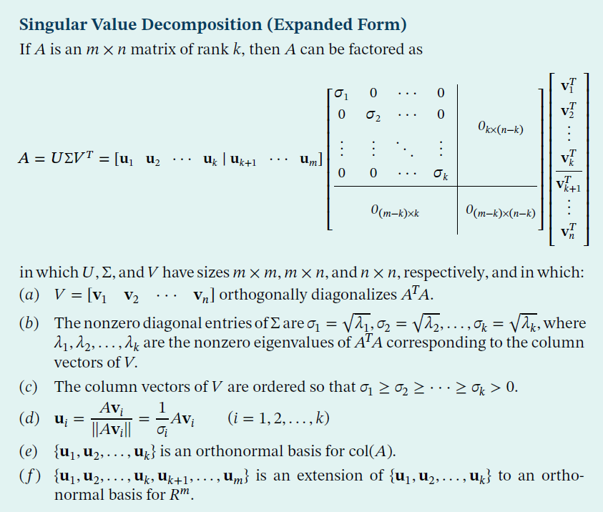
 |  | I.9 Types of decompositions: Eigenvalue - A = PDPT - D as diagonal eigenvalue matrix for symmetric A Hesseberg - A = PHPT - H as upper Hessenberg form for non-symmetric A Schur - A = PSPT - S as upper triangular form for non-symmetric A with real eigenvalues | I.10 Properties of Singular Values (ATA & sqrtλ) if A is mxn, then A and ATA - has same null space, row space, column space & rank, is orthogonally diagonalizable, and positive real eigenvalues. Where λ1 > λ2 > …. > λn | I.11 Main diagonal: for mxn where m!=n, main diagonal = start from left and move diagonally- diagonal entries I.12 SVD: A = UΣVT Vi = eigenvectors of ATA
 |  |  | Axler's Linear Algebra Done Right
0 | Contents | Axler's Linear Algebra Done Right: ---1. Vector spaces--- 1.1 Rn and Cn 1.2 Definition of vector space 1.3 Subspaces ---2. Finite-dimensional vector spaces--- 2.1 Span and linear independence 2.2 Bases 2.3 Dimension ---3. Linear maps--- 3.1 The vector space of linear maps 3.2 Null spaces and ranges 3.3 Matrices 3.4 Invertibility and isomorphic vector spaces 3.5 Products and quotients of vector spaces ---4. Polynomials--- | (Cont.): ---5. Eigenvalues, eigenvectors and invariant subspaces--- 5.1 Invariant subspaces 5.2 Eigenvectors and upper-triangular matrices 5.3 Eigenspaces and diagonal matrices ---6. Inner product spaces--- 6.1 Inner products and norms 6.2 Orthonormal bases 6.3 Orthogonal complements and minimization problems ---7. Operators on inner product spaces--- 7.1 Self-adjoint and normal operators 7.2 The spectral theorem 7.3 Positive operators and isometries 7.4 Polar decomposition and the singular value decomposition | (Cont.): ---8. Operators on complex vector spaces--- 8.1 Generalized eigenvectors and nilpotent operators 8.2 Decomposition of an operator 8.3 Characteristic and minimal polynomials 8.4 Jordan form ---9. Operators on real vector spaces--- 9.1 Complexification 9.2 Operators on real inner product spaces ---10. Trace and determinants--- 10.1 Trace 10.2 Determinant

 |  |  | Discrete Math: Susanna/Kolman, Busby & Ross
0 | Contents | Susanna's Discrete Math: ---1. Speaking mathematically--- ---2. Compound statements--- ---3. Quantifier statements, predicate logic--- ---4. Elementary number theory--- ---5. Sequences, induction, recursion--- ---6. Set theory--- ---7. Properties of functions--- ---8. Properties of relations--- ---9. Counting and probability--- ---10. Graphs--- ---11. Analysis of algorithms--- ---12. Regular expressions and finite-state automata---
1 | sets | variable: placeholder value that varies, often represented by a letter. OR: a mathematical John Doe. Statements: universal - a certain property is true for all elements in a set "for every/all" conditional - if this is true, then another truth existential - there exists a something universal conditional - for every truth, then another truth universal existential - for every there exists existential universal - there exists for every | set: a collection of elements/objects {} - e,pty set є - belongs to/is an element of/contained ∀ - universal quantifier: for every/all ∃ - existential quantifier: there exists axiom of extension: a set is defined by it's extensionality, not order. If two sets have entirely same elements, then they are the same set. | common sets: R (real), Z (integers), Q (rationals) set builder notation: {x є S | condition} - LHS (the elements in a set), RHS (that meet a condition) subset: A ⊆ B, ∀ x, if x є A then x є B. every element in A is in B. proper subset - subset but one element in B that is not in A. | ordered pairs/ordered n-tuple: (a,b) - a set but order matters OR {{a},{a,b}} - formal definition of an ordered pair/n-tuple. Thus (1,1) is still {1} cartesian product X: (element wise joining of ordered n-tuples)
 |  | cardinality |A|: |A|- number of elements of the set powerset P(A): set of all subsets of a set. Operations on sets: union - A ∪ B ∪ C = {x | x ∈ A or x ∈ B or x ∈ C} Intersect - A ∩ B ∩ C = {x | x ∈ A and x ∈ B and x ∈ C} disjoint/mutually exclusive set: A ∩ B = ∅ - the union of A and B yields the empty set --> they are disjoint pairwise disjoint/mutually disjoint sets: Ai ∩ Bj = ∅ wherever i != j | 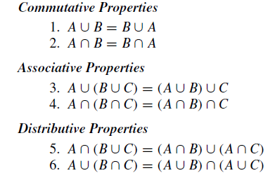 algebraic properties of set operations: | sequences (recursive/explicit, finite/infinite): S is a list of objects arranged in a definite order, finite (n) and infinite (forever) subscript index - position in sequence recursive- refers to previous terms to define the next term xn = f(Xn-1) explicit- Xn = f(n) set corresponding to a sequence: set of distinct elements within sequence linear array/lists: sequences in computer science | characteristic function: fA(x) = 1 if x ∈ A, 0 if x !∈ A , e.g fA∩B strings & regular expressions: alphabet- A words - A* or the set of all finite sequences of elements of A. catenation- w1w2 (concatenation)
7 | functions | terminology: functions - mappings/transformations. Think of one "area" and an arrow of the function that connects to another "area" F: X --> Y argument- a in f(a) codomain/range - object or space that the function maps to from one element in domain to codomain. image - set of f(a). subset of the codomain/range. injective function, surjective functions, bijective function identity functions, functions on sequences, functions on powersets/sets, functions on cartesian product properties: injective (one-to-one), surjective (onto), bijective (both) | surjective/onto: range F(x) equals codomain Y. Preimage:
 |  |  | Multivariable (John Hubbard's Vector Calculus and Gil Strang's Calculus)
0 | contents | Hubbard's Vector Calculus: ---0. Preliminaries--- 0.1 Reading mathematics 0.2 Quantifiers and negation 0.3 Set theory 0.4 Functions 0.5 Real numbers 0.6 Infinite sets 0.7 Complex numbers ---1. Vectors, matrices and derivatives--- 1.1 Points and vectors 1.2 Matrices 1.3 What the actors do: matrix multiplication as a linear transformation 1.4 Geometry of Rn 1.5 Limits and continuity 1.6 Five big theorems 1.7 Derivatives in several variables as linear transformations 1.8 Rules for computing derivatives 1.9 Mean value theorem and criteria for differentiability | ---2. Solving equations--- 2.1 The main algorithm: row reduction 2.2 Solving eqns with row reduction 2.3 Matrix inverses and elementary matrices 2.4 Linear combinations, span, and linear independence 2.5 Kernels, images and the dimension formula 2.6 Abstract vector spaces 2.7 Eigenvectors and eigenvalues 2.8 Newton's method 2.9 Superconvergence 2.10 The Inverse and Implicit Function theorems ---3. Manifolds, Taylor polynomial, quadratic forms, and curvature--- 3.1 Manifolds 3.2 Tangent spaces 3.3 Taylor polynomials in several variables 3.4 Rules for computing Taylor polynomials 3.5 Quadratic forms 3.6 Classifying critical points of functions 3.7 Constrained critical points and Lagrange multipliers 3.8 Probability and the SVD 3.9 Geometry of curves and surfaces (Gaussian curvature) | ---4. Integration--- 4.1 Defining the integral 4.2 Probability and centres of gravity 4.3 Criterion for integrateability 4.4 Measure Zero 4.5 Fubini's Theorem and iterated integrals 4.6 Numerical methods of integration 4.7 Other pavings 4.8 Determinants 4.9 Volumes and determinants 4.10 The Change of variables formula 4.11 Lebesgue Integral (Fourier and Laplace transforms) ---5. Volumes of manifolds--- 5.1 Paralleograms and their volumes 5.2 Parametrizations 5.3 Computing volumes of manifolds 5.4 Integration and curvature (Gauss map) 5.5 Fractals ---6. Forms and vector calculus--- ---7. Appendix--- | (Cont.): ---6. Forms and vector calculus--- 6.1 Forms on Rn 6.2 Form field integration over parametrized domains 6.3 Orientation of manifolds 6.4 Integrating forms over oriented manifolds 6.5 Forms in the language of vector calculus (fields) 6.6 Boundary orientation 6.7 Exterior derivative 6.8 Grad, div, curl, Stokes 6.9 The pullback 6.10 The generalized Stokes' theorem 6.11 Integral theorems of vector calculus 6.12 Electromagnetism 6.13 Potentials ---7. Appendix--- | 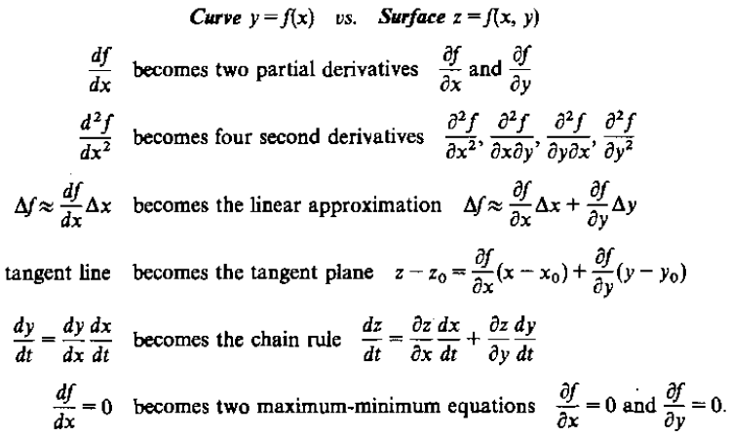
13 | Gil Strang's Calculus - Chapter 13 - Partial Derivatives | 13.1 Intuition: There is a function f, the variables move a little bit, and f moves. The question is how much and how fast. Curve - y = f(x), surface - z = f(x,y) 13.2 Summary: single derivatives --> two partial derivatives second derivative --> four second derivatives tangent line --> tangent plane chain rule --> 4 terms total minimum/max point --> two minimum/max derivatives = 0 | 13.3 Surfaces, level curves: Level curve/contour line - of z = f(x,y): all points (x,y) such that f(x,y)=c, Contour map - (x,y) for f(x,y) = c for c є z 13.4 Properties: Need not be parallel, e.g in spiral slide z=y/x Need not be straight (can be curved) 13.5 Max/min: Level curves form loops around min/max point | 13.6 Partial derivatives: Vary x and y one at a time. First, x moves but y is constant. Then, y moves but x is constant. Wrt x moves, but everything else becomes a constant (variable that is a constant) notation - ∂f/∂x or fx visual intuition - the constant variable (y) as a line, then a line (y) for every value of the other variable (x) forms a plane | 13.7 Fields: Field - A point of data for every element in the set. Or a function f that takes in input at ℝn and outputs a piece of information f(ℝn). Vector field - a function that assigns a vector to it's input. Notation: F with arrow on top.
1 | Vectors, matrices and derivatives | 1.5 Limits and continuity Saddle point (minimax point): A saddle point (x,y) is a point where fx and fy both are 0 , the slopes in orthogonal directions are all zero, but it is not a local extremum of the function. | 1.5.1 Open ball: The open ball - open ball of radius r centered around point x of y points, whereby the |y-x| < r. 1.5.2 Open set: Subset U ⊂ ℝn is open ∀ x є U, ∃ r>0 such that Br(x) is contained in U. Key intuition is the existential quantifier - as long as there is one open ball fit in, the whole set is open (hole in fence = open fence) | 1.5.4 Closed set: A subset C ⊂ ℝn is closed if it's complement ℝn - C is open closed sets need not be bounded. 1.5.7 Neighbourhood: Neighbourhood - a set is a neighbourhood of point x if the set itself contains an infinitesimally small open ball around a point x neighbourhood x є Rn is a subset such that є > 0 with Bє(x) ⊆ X 1.5.8 Closure: A - the closure of a closed set is itself. | 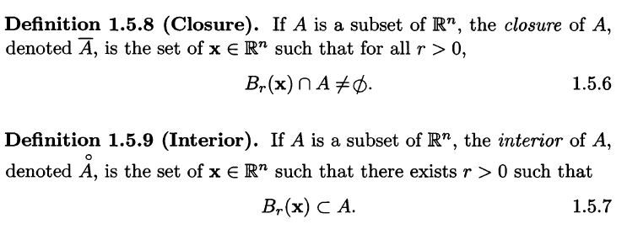 1.5.10 Boundary: dA - the boundary consists of those points x є ℝn such that every neighbourhood of x intersects both A, complement of A. 1.5.11 Compact set: A set that is bounded and closed
 |  | 15.12 Eulers number (e): d/dx ex = ex. Take the limit for a small increment, factor out the dx, and find that any exponent function ax's derivative is itself (ax) * P, where P = proportionality constant (adx - 1 / dx). E is the number a where P = 1 for any x, meaning it is equal to it's rate of change Euler's number intuition - nature has many phenomena to which the rate of change of a variable (e.g population, interest) is proportional to size of t. motivating ekx or e-kx | 15.13 Exp(x)- the exponential function: Intuition - see e^x as exp(x) - as a function. Eulers formula intuition: eiπ = -1 connect exp() to the taylor series expansion (powers and derivatives) connect the i to the complex plane and multiplication of i as rotation connect each component of the expansion with powers of i as rotation. vectors. realize that the series converges to a point on the unit circle by going in straight lines with 90 degree rotations. | 1.5.27 Continuous functions: Continuity at a point - lim{X→X0} f(x) = f(x0) continuity on X - f is continuous on X if it is continuous at every point on X. 1.6 Five big theorems 1.6.13 Mean value theorem If f: [a,b] --> ℝ is continuous and f is differentiable on (a,b) then ∃ c ∈ (a,b) such that f'(c) = f(b) - f(a) / b - a. In other words, there is a point c that has a tangent parallel to drawing a line from a to b. | 1.7 Partial derivatives 1.7.3 Partial derivative of a vector valued function: see right.
 |  | 1.7.9 Transformation/function intuition: a map from one point in the space of the function , to another point in the output space of the function (transformation)- ∀ points | 1.7.10 Jacobian matrix: U⊂ℝn then f: U → ℝm is the m x n matrix composed of n partial derivatives of f evaluated at at a. m - column length (output), n - row width (number of variables). jacobian is the "derivative" for a vector valued function. Jacobian matrix applied to a vector-valued function: where [Jf(a)]h is the Jacobian matrix is the matrix representing the best linear map approximation of f at a/near a. Intuition - at a point where the function is differentiable, J describes the amount of stretching/rotating/transforming f imposes locally via that point. Why locally? because if you zoom in on a transformation (f) enough, the neighbourhood is linear. Local linearity | 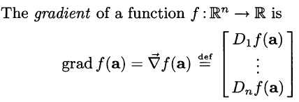 1.7.22 Gradient(grad): Gradient - a vector of partial derivatives for a scalar valued function. Grad is a special case of the Jacobian for m=1. This points in the direction of steepest ascent. Why? Because of directional derivatives. Intuition - to do with dot product, projection, and the steepest directional derivative | (Misc) Multivariate/scalar function: f: ℝn → ℝ (differential represented by gradient, aka grad or ∇) - different geometric intuition (Misc) Vector valued function: f: ℝn → ℝm (differential represented by Jacobian) where m != 1
 |  | (Misc) directional derivatives: Partial - nudge in a basis vector Directional - nudge in a non-neat direction, e.g vector v in input space. Intuition- since v is a linear combi of the input basis vectors, we can apply the Jacobian (and by extension gradient) to it. | 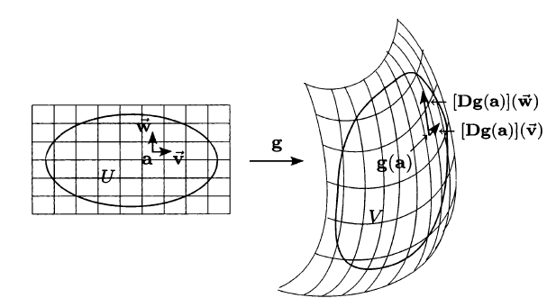
3 | Manifolds | 3.1 Manifolds 3.1.1 Graph: Graph of a function f: ℝk → ℝn-k Γ(f) - set of points (x,y) є ℝn such that f(x) = y lives on space whose dimension is sum of dim(domain) + dim(range) of f. | 3.1.2 Manifold: A subset M ⊂ ℝn is a smooth k-dimensional manifold if locally it is Γ(f) of a C1 mapping f expressing n-k variables as functions of the other k variables local homeomorphism to euclidean space intuition- ∀ x є M has a local neighbourhood that is homeomorphic to euclidean space of n | (Misc) Smoothness: Non rigorous- a function that has continuous derivatives up to a certain order, no sudden spiky changes (Misc) Continuous: Non rigorous- the limit exists at each point or epsilon delta definition, no breaks or "gaps" | (Misc) n-dimensional manifolds and Rn not as space but information: Alternate view of ℝn: not as points in physical space, but quantities of information, thus a point in n-dimensional space can be described by n quantities, and these quantities need not be coordinates, but information
 |  | 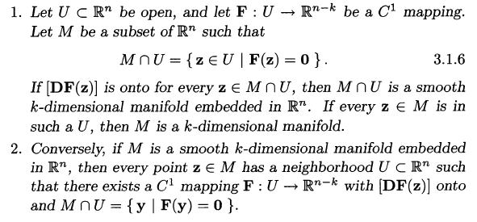 3.2 Tangent Spaces 3.2.1 Tangent space of a manifold: In differential geometry, one can attach to every point in a differentiable manifold a tangent space - tangent plane analogue in a 2-manifold. Connects to key idea of describing a manifold with the equation f(z) = 0 | 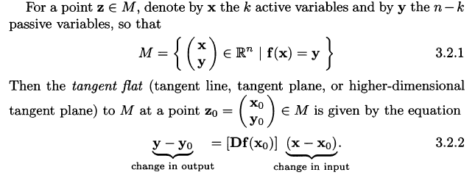 | 3.2.11 Tangent space as kernel: Connecting the idea of the eqn of manifold to f(z) = 0, then connect it to the idea of the kernel in linear algebra and vector spaces.
 |  | 3.3 Taylor polynomials in several variables 3.2.2 Multi-exponent notation for polynomials in higher dimensions: I =def= (i1, … in) - a tuple of powers for each term | 3.3.4 The set of multi-exponents and notation: Entries - total number of entries per term Degree - total power of that term
 |  | 3.5 Quadratic Forms 3.5.1 Quadratic form: A quadratic form Q:ℝn → ℝ is a polynomial function in the variables x1, … xn all of whose terms are in degree 2. | 3.5.3 Quadratic forms as sums of squares and signature: m = k+l, the signature is thus the integer pair (k,l) | 3.5.17 Quadratic forms and symmetric matrices: If we have a symmetric matrix A, then QA(v) =vA.v, which reduces to a quadratic form.
 |  | 3.6 Classifying critical points of functions 3.6.2 Critical points/values: Critical point - coordinates where can be minimum, maximum or saddle. Where the derivative vanishes [DF(a)] = 0, a point (coordinates) Critical value - the value of f at a critical point |  | (Misc) Determining critical points for higher dimensional case: Solve for the [DF(a)]=0, to find the critical point. (Misc) the signature of a quadratic form/critical point for : evaluate the signature of the quadratic form given by the terms of degree 2 of it's Taylor Polynomial. This is the Hessian. The characteristics of the Hessian explain the nature of the critical point (is it a minimum, maximum, or saddle). Skipped details | (Misc) Hessian (for scalar valued functions): f → J/D → H for scalar valued functions - Hessian is a square, symmetric matrix of second order partial derivatives of the scalar value functions |H|>0, then maximum or minimum. |H|<0, then saddle. (Misc) Hessian (for vector valued functions): 3-tensor.
 |  | 3.7 Constrained critical points and Lagrange multipliers 3.7.1 Critical points of functions defined on manifolds: I have no idea. Find the J/D of each constraint (F/f) and substitute their intersection points into J/D. Then, find ker(J/D). 3.7.2 Constraints: Restricting the set of values of the variables. You need to impose the constraints on the problem |  3.7.2 Constraint functions: F1, … Fm are constraint functions that define the manifold to which f is restricted, where f is the objective function. 3.7.5 Lagrange multipliers derivative of f at critical point a resricted to manifold X (as a result of the interaction of f with {F} is a linear combination of the derivatives of the constraint functions. Set up and solve for x,y in terms of λ, then solve for λ, then solve for a. | 3.7.12 Classifying constrained critical points: to rigorously classify critical points solved by lagrange multipliers, we need to use parametrization and the augmented Hessian matrix.
4 | Integration | 4.5.1 Fubinis theorem: Integrate from outside to in, "unravel" multiple integrals into a chain of separate integrals, aka iterated integrals. 4.5.2 Limits of each integral: Each non-outermost integral demands a different upper and lower limit, which is dependent on the limits of the rest of the outer integrals as you go deeper and deeper in.
 |  |  | Graph Theory (Gould's Graph Theory)
0 | Contents | Gould's Graph Theory: ---1. Graphs--- ---2. Paths and searching--- ---3. Trees--- ---4. Networks--- ---5. Cycles and circuits--- ---6. Planar graphs--- ---7. Matchings--- ---8. Independence--- ---9. Special topics and applications---
1 | Graphs | intuition: modelling the structure of relationships (edges) between entities (nodes) as a graph graph set theory definition: graph G = (V,E) is a finite nonempty set V of vertices, and set E of two element subsets e ∈ E where e = {vi,vj} | order: number of vertices in V or cardinality - |V| size: number of edges in E or |E| notation G(p,q): if G has order p and size q, then we say G(p,q) adjacency (vertex): two V that are joined by an E - an adjacent pair of vertices (connected0 two E that are joined by a V - an adjacent pair of edges independence: two vertices or edges that are not adjacent. | neighbourhood: the set N(v) of all vertices adjacent to V end vertex: an adjacent pair of vertices (u,v) is said to have u or v as an end vertex incident edge/domination: if u--v, then edge is said to be incident with respect to u or v, and u dominates v or v dominates u. degree: deg(v) / degGv - number of edges with vertex (v) δ(G)- minimum degree Δ(G)- maximum degree G with deg(v) = r ∀v is called r-regular graph | first theorem of graph theory: the sum of degrees of vertices is always twice the size ∀G. proof - every edge has exactly two end vertices. By consequence, number of vertices with odd degrees is even.
 |  | isomorphism (geometry/distance invariance): G1 and G2 are isomorphic if there exists a bijective function f : V(G1) → V(G2) but xy ∈ E(G1) if, and only if, f(x) f(y) ∈ E(G2). As long as adjacency and independence are preserved, f is isomorphic function. subgraph: V(H) ⊆ V(G) and E(H) ⊆ E(G), then H is a subgraph of G. if V(H) ⊆ V(G), then it is a spanning subgraph. if S ⊆ V(G), then <S> is the subgraph induced | multigraph: a graph with possible multiple edges between vertices pseudograph: a possible multigraph with edges that begin and end at the same vertex (loop) arcs: a directed edge (x,y) which is an ordered pair instead of a 2-tuple digraphs/directed graphs: graphs in which ∀E in V are arcs (directed edge) outdegree- #arcs directed away from v (od v) indegree- #arcs directed towards v (id v) deg v = id v + od v | x-y walk: an x-y walk in G is a finite alternating sequence of vertices and edges that begins with x and ends with y x-y trail: x-y walk in which there are no repeated edges x-y path: x-y walk in which there are no repeated vertices Walk/trail/path/circuit/cycle properties: closed- x = y open- x != y length - number of edges in the sequence walk/path theorem: in graph G, every x-y walk contains an x-y path. | circuit: closed trail (x=y) cycle: nontrivial circuit with no repeated vertices acyclic: G such that there !∃ cycle. It has no cycle n-cycle/n-path (Cn or Pn): a graph of order n that consists of only one cycle (or path) is denoted Cn or Pn
 |  | completeness: graphs are complete that contain an edge between all pairs of vertices, of order p is Kp connectivity: connected graphs exists path in G between any two vertices, and disconnected otherwise. Component: a component of a graph is a maximal connected subgraph | digraph connectivity: strong connectivity - for a digraph D, ∀ v ∃ directed path from v to any other vertex of D. weak connectivity - if we remove orientation from arcs (arcs -> edges), a connected graph | tree: connected acyclic graph forest: several trees that are components. Union: G1 ∪ G2 is G with V(G) = V(G1) ∪ V(G2 ) and E(G) = E(G1) ∪ E(G2 ) mG - the union of m isomorphic copies of G. | complement G: G bar where V(G) = V(G) and e ∈ V€. Take the same vertices but complement their edges join : G + H or join of graphs with disjoint vertex sets is to connect each vertex in each graph to the vertex of the joined graph. Union then connect.
 |  | bipartite: graph whose vertices can be divided into two disjoint sets U and V such that every edge connects a vertex U to to one in V. complete bipartite: two way bipartite
2 | Alternative representations of graphs | adjacency matrix: consider G = (V,E) be a (p,q)-graph. Then p x p matrix A = [Aij], where each row and column corresponds to a distinct vertex of V. aij = 1 if vi is adjacent to vj in G and aij = 0 otherwise. Symmetric (0,1) matrix, zeros down main diagonal. | adjacency list: list of each nodes with a list of adjacent nodes incidence matrix: the matrix with row entries as vertices and column entries as edges. Encodes vertex-edges relationships degree sequence: sequence of degrees of a graph's vertices of ℤ+ graphical - a sequence is said to be graphical if it is a degree sequence of some graph realization: graph G with degree sequence S is called the realization of S | condition of a sequence to be graphical: S: {d1,d2…dn} is graphical if S1{d2-1,d3-1….} is graphical, recursively. the pigeonhole priniciple: if m pigeons are placed in k holes, then one hole will contain at least ceiling(m/k) pigeons number of graphs isomorphic: number of subgraphs of Kn isomorphic to Pk is n!/2(n-k)! where Pk is a path on k vertices
3 | Paths | distance: d(x,y) = min length of (x-y) path metric space: a set together with a metric on the set - a metric being a function that defines a concept of distance between any two members of the set eccentricity: є(v) = max(uєV) - d(v,u) - the greatest distance of a node and another node in a graph diameter/radius: d = diam(v) = max (vєV) є(v) - maximum eccentricity possible r = rad(v) = min (vєV) є(v) - minimum eccentricity possible | diam/rad relationship: rad(G) <= diam(G) <= 2rad(G) isometricity: a connected graph H is isometric from a connected graph G if (.........) BFS: for vertex v, return distances from v for each other vertex reachable from v, and construct a breadth first tree djikstra's algorithm (shortest path tree) for initial vertex v1, label each v with (L(v), pred(V)), and generate a shortest path tree - spanning tree T of G, such that ...
 |  |  | Differential Equations (Zill's Differential Equations with Boundary Value Problems)
0 | Contents | Zill's Differential Equations with Applications: ---1. Introduction to differential equations--- 1.1 Definitions and terminology 1.2 Initial value problems ---2. First order differential equations--- 2.1 Solution curves without a solution 2.2 Separable equations 2.3 Linear equations 2.4 Exact equations 2.5 Solutions by substitutions 2.6 A Numerical method ---3. Modelling with first order differential equations--- 3.1 Linear models 3.2 Nonlinear models 3.3 Modelling with systems of First order DEs | (Cont.): ---4. Higher order differential equations--- 4.1 Preliminary theory 4.2 Reduction of order 4.3 Homogenous linear equations with constant 4.4 Undetermined coefficients - superposition approach 4.5 Undetermined coefficients - annihilator approach 4.6 Variation of parameters 4.7 Cauchy-Euler equations ---5. Modelling with higher order differential equations--- ---6. Series solutions of linear equations--- | (Cont.): ---7. The Laplace transform--- 7.1 Definition of Laplace transform 7.2 Inverse transforms and transforms of derivatives 7.3 Operational properties I 7.4 Operational properties II 7.5 The Dirac delta function 7.6 Systems of linear differential equations ---8. Systems of linear first order differential equations--- 8.1 Preliminary theory - linear systems 8.2 Homogenous linear systems 8.3 Nonhomogenous linear systems 8.4 Matrix exponential | (Cont.): ---9. Numerical solutions of ordinary differential equations--- 9.1 Euler methods and Error analysis 9.2 Runge-Kutta methods 9.3 Multistep methods 9.4 Higher-order equations and methods 9.5 Second-order boundary value problems ---10. Systems of nonlinear first order differential equations--- ---11. Fourier series--- 11.1 Orthogonal functions 11.2 Fourier series 11.3 Fourier cosine and sine series 11.4 Sturm-liouville problem 11.5 Bessel and Legendre series
 |  | (Cont.): ---12. Boundary value problems in rectangular coordinates--- 12.1 Separable partial differential equations 12.2 Classical PDEs and boundary value problems 12.3 Heat equation 12.4 Wave equation 12.5 Laplace's equation 12.6 Nonhomogenous boundary-value problems ---13. Boundary value problems in other coordinate systems--- | (Cont.): ---14. Integral transforms--- 14.1 Error functions 14.2 Laplace's transforms 14.3 Fourier integral 14.4 Fourier transforms ---15. Numerical solutions of PDEs--- 15.1 Laplace's equation 15.2 Heat equation 15.3 Wave equation
1 | Introduction to differential equations | 1.1 Definitions and terminology Differential equation definition Type Order Linearity Leibniz Prime Dot Subscript Differential form
 |  |  | Proofing (Chalmard's Mathematical Proofs: A Transition to Advanced Mathematics)
0 | contents | Chartrand's Mathematical Proofs: ---0. Writing mathematics effectively--- ---1. Introduction to sets--- ---2. Logic--- ---3. Direct proof and proof by contrapositive--- ---4. Divisibility--- ---5. Proof by contradiction--- ---6. Strong principle of mathematical induction--- ---7. Review of all proof techniques--- ---8 Prove or disprove--- | (cont.): ---9. Relations and equivalence relations--- ---10. Functions--- ---11. Infinite sets and cardinalities--- ---12. Number theory proofs--- ---13. Combinatorics proofs--- ---14. Calculus proofs--- ---15. Modern algebra proofs--- | Vocabulary: Definition - a precise definition of a mathematical theorem/relation Theorem - a mathematical statement that has been proved. Usually reserved for important results, aka big fucks. Lemma - minor result, or a stepping stone to prove a theorem (building block) Corollary - result that has been proved using a given theorem Proposition - a proved result that is less big fuck than a theorem Conjecture - a statement that is unproved but believed to be true Claim - an informal lemma Axiom/Postulate - a statement that we assume to be true without proof. Induction - prove you can step as high as you like on a ladder, by proving we can climb onto the bottom rung (the base case/basis). An inductive assumption is a assumption of a base proof as true, which you then connect up the ladder. | Latin: A priori - a belief we assume, before the evidence. A posteriori - a belief we assume, after factoring in the evidence. Q.E.D - quod erat demonstrandum, "what was to be shown"
2 | chapter 1 sets | power set P(A): given a set A, the powerset P(A) is the set of all possible subsets of A. note that if A = ∅, then |P(A)| = 1 but |A| = 0. interpretation of ∅: {∅} is a set containing the empty set. Analogy - a box containing an empty box.
 |  |  | Tao's Analysis I
0 | contents | Tao's Analysis 1: ---1. Natural numbers--- 1.1 The Peano axioms 1.2 Addition 1.3 Multiplication ---2. Set theory--- 2.1 Fundamentals 2.2 Russell's paradox 2.3 Functions 2.4 Images and inverse images 2.5 Cartesian products 2.6 Cardinality of sets ---3. Integers and rationals--- 3.1 The integers 3.2 The rationals 3.3 Absolute value and exponentiation 3.4 Gaps in the rational numbers | (Cont.): ---4. Real numbers--- 4.1 Cauchy sequences 4.2 Equivalent Cauchy sequences 4.3 Construction of the real numbers 4.4 Ordering the Reals 4.5 Least upper bound property 4.6 Real exponentiation, part I ---5. Limits of sequences--- 5.1 Convergence and limit laws 5.2 The extended real number system 5.3 Suprema and infima of sequences 5.4 Limsup, liminf, and limit points 5.5 Some standard limits 5.6 Subsequences 5.7 Real exponentiation, part II | (Cont.): ---6. Series--- 6.1 Finite series 6.2 Infinite series 6.3 Sums of non-negative numbers 6.4 Rearrangement of series 6.5 The root and ratio tests ---7. Infinite sets--- 7.1 Countability 7.2 Summation on infinite sets 7.3 Uncountable sets 7.4 The axiom of choice 7.5 Ordered sets | (Cont.): ---8. Continuous functions on R--- 8.1 Subsets of the real line 8.2 The algebra of real-valued functions 8.3 Limiting values of functions 8.4 Continuous functions 8.5 Left and right limits 8.6 Maximum principle 8.7 Intermediate value theorem 8.8 Monotonic continuity 8.9 Uniform continuity 8.10 Limits at infinity ---9. Differentiation of functions--- 9.1 Basic definitions 9.2 Local maxima, minima, derivatives 9.3 Inverse functions and derivatives 9.4 L'H'opital's Rule
 |  | (Cont.): ---10. Riemann Integral--- 10.1 Partitions 10.2 Piecewise constant functions 10.3 Upper and lower Riemann integrals 10.4 Basic properties of the Riemann integral 10.5 Riemann integratibility of continuous functions 10.6 Riemann integratibility of monotone functions 10.7 A non-Riemann integrable function 10.8 The Riemann-Stieltjes integral 10.9 Two fundamental theorems of calculus 10.10 Consequences of fundamental theorem
2 | The natural numbers (N) | 2.0.1 Order of building: ℕ→ℤ→ℚ→ℝ ℕ⊆ℤ⊆ℚ⊆ℝ natural numbers are used to build the integers, which are then used to build the rationals, which are then used to build the reals. Constructing the logic/rules of the number system | 2.1 Peano axioms 2.1.1 Natural numbers set of all numbers created starting with 0 and counting forward indefinitely. The idea is to define an increment operation (+1), and start from 0. Increment - ++ Successor - n++ is successor of n. | 2.1.2 Peano axioms: -naturality of 0: 0 is natural number -naturality inheritance from an increment operation: if n is natural, then n++ is natural. -0 is not a successor: n++ != 0 (to prevent wraparound/integer overflow). 0 cannot be a successor in Peano logic. -Inheritability/universality of properties in N: a property P(n) is true for ∀n. | 2.1.14 Tao's definition of axiomatic vs constructive: constructive - what something is, like a physical object axiomatic - treat the object abstractly, only caring about what properties the objects have, not what they are or what they mean 2.1.16 Recursive building of the sequence an of natural numbers: define a sequence recursively. Then:
 |  | 2.2. Addition 2.2.1 Additional of natural numbers The proof is to connect the concept of addition to a recursive increment, starting with 0 + m := m, then define a (n++)+m := (n+m)++. | 2.2.n Rest of lemmas: Proving n+0 = 0 ➝ proving n + (m++) = (n+m)++ ➝ n+m = m+n (thus commutativeness is proved). ➝ associativity law ➝ cancellation law ➝ positivity ➝ addition ➝ ordering (as addition) 2.12 Properties of natural numbers: Reflexivity, transitive, anti-symmetric, addition preserves order, etc 2.3 Multiplication 2.3.1 Multiplication of natural numbers Mutliplication is iterative addition, as addition is iterative incrementing
3 | Set Theory | 3.1 Fundamentals 3.1.1 Informal definition - sets as objects: if A is a set, then A is an object. Given A and B as sets, it Is meaningful to ask if A is an element of B. 3.1.4 Equality of sets: Two sets A and B are equal, A = B, iff every element of A is an element of B and vice versa (axiom of extensionality) 3.1.6 empty set properties: ∅ The empty set contains no elements (0 elements), x !∈ ∅. ∅ and ∅' were both empty, then by definition they are equal. |∅| = 0 | 3.1.6 Single choice: Let A be a non-empty set. Then there exists an object x such that x ∈ A 3.1.9 The singleton set and pair sets: There exists the singleton set {a} whose only element is a, and a pair set, {a,b}. | 3.1.15 subset and proper subset: 3.1.18 Partial ordering of subsets by set inclusion: Let A,B,C be sets. If A ⊆ B and B ⊆ C then A ⊆ C. If A ⊆ B and B ⊆ A, then A = B. Finally, if A⊂B and B⊂C then A⊂C. | 3.1.22 The axiom of specification/separation: 3.1.23 Intersection of two sets:
 |  | 3.3 Functions (Misc) Terms: Definition, domain, range, compositions, injectivity (1-to-1), surjectivity (onto), bijective (injective and surjective), images, inverse images (preimage) | (Misc) ZFC axioms - Zermelo Fraenkel axioms: The axioms of extension, separation, pairing, union, infinity, powerset, choice | 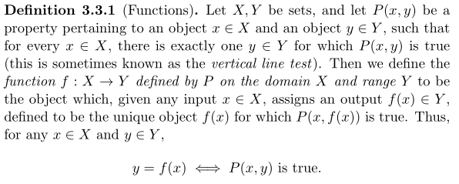
4 | integers (Z) and Rationals | 4.1 The integers (Skipped) Summary: definition, sum, well-defineness of addition and multiplication, negation, laws of algebra for integers, subtraction, no zero divisors, cancellation law (non-zero), ordering, properties of order (addition/positive multiplication are order preserving, negation reverses order, transitivity of order, order trichotomy).
 |  | 4.2 The rationals 4.2.1 Rational numbers: N was built from the Peano axioms, then Z was built from N, then we construct Q from Z, saying that a rational number is a\\b, where a and b are integers (Z), where a rational number is a result of the division between two integers. | 4.2.2 The rational as defined as the result of two integer division: Q forms from a\\b. 4.2.5 Field: a set on which +/-/x/÷ are well-defined and behave as the corresponding operations on Q and R do. 4.2.6 Distance: |x-y| or d(x,y) is defined as distance between two rationals. Some nice properties: non-degeneracy, symmetry, and triangle inequality
 |  | 4.4 Gaps in the rational numbers 4.4.0 Gaps in the rational numbers: Let x be a rational number. Then there exists an integer n such that n ≤ x < n+1. n =LxL (integer part of x) 4.4.1 Interspersing/density property: | 4.4.5 Irrationality of sqrt(2) as a rational gap: Proof by contradiction ➝ x2 = 2 and x = p/q ➝ p2 = 2q2 ➝ if p is odd, then p2 is odd, then 2q2 must be odd, but 2q2 cannot be odd.
5 | Real numbers (R) | 5.0 From Q➝R intuition: From a "discrete" system to a "continuous" system. Thus we must introduce limits. Real numbers are the limits of sequences of rational numbers. | 5.1 Cauchy Sequences 5.1.1 Epsilon-steadiness: Note that 10,0,0,0… is 10-steady, but converges to 0 straight away. We need a more potent form. | 5.1.6 Eventual epsilon-steadiness: A sequence is eventually e-steady if it is e-steady for some N≥0. As long as it gets there, it is.
 |  | 5.1.8 Cauchy sequences: An eventually epsilon close sequence of rationals for every ε What you are saying is - if for every rational ε>0, the sequence is eventually ε-steady. It eventually gets there, no matter how big or small ε is. | 5.1.12 Bounded sequence: Let M ≥ 0 be rational. A finite sequence a1, a2, . . . , an is bounded by M iff |ai| ≤ M for all 1 ≤ i ≤ n. For infinite sequence to be bounded, it is bounded for 0 ≤i. | 5.2 Equivalent Cauchy Sequences 5.2.1 ε-close sequences: |an − bn| ≤ ε, ∀ε We say that the sequence (an)∞ n=0 is ε-close to (bn)∞ n=0 iff an is ε-close to bn for each n ∈ N. 5.2.3 Eventually ε-close sequences: The two sequences are eventually ε-close sequences if ∃N ≥ 0, they are ε-close | 5.2.6 Equivalent sequences: No matter how small you let ε be, they will be close.
 |  | 5.3 Construction of the Real numbers: A real number is simply defined as the limit of a Cauchy sequence of rationals. | (Misc) A note on e-steadiness intra and inter sequence: The original definition of e-close/e-steady is comparison of concurrent terms intra sequence. E-close/e-steady sequences, the comparison is done inter sequence for the same index. | (Misc) Further properties and proofs: Tao then goes on to prove all the properties of R, including the standard operations and the algebraic properties.
 |  | 5.5 The least upper bound property 5.5.1 Upper bounds of Reals: Let E be a subset of R, and let M be a real number. We say that M is an upper bound for E, iff we have x ≤ M for every element x in E. 5.5.10 Least upper bound (supremum/sup) of Reals: Let E be a subset of R, and M be a real number. We say that M is a least upper bound for E iff (a) M = up(E), and also (b) any other upper bound M' ≥ M, then M=sup(E). Least upper bounds are unique. Any X ⊆ R has unique Sup. | 5.6 Real exponentiation: Defining an nth root as the supremum of a set.
6 | Limits of Sequences | 6.1 Convergence and limit laws: 6.1.1 Distance between two real numbers 6.1.2 ε-close real numbers 6.1.3 Cauchy sequences of reals 6.1.5 Convergence of Sequences: Convergence is defined as eventually ε-close for all ε > 0. | 6.1.7 Uniqueness of Limits: Proof by contradiction, distance and triangle inequality 6.1.8 Limit: A limit is defined as a real number L that a sequence converges to a limit. A sequence that does not have a limit is not convergent and is divergent. | 6.1.9 Boundedness and convergence relationship: Every convergent real sequence is bounded 6.2 The extended real number system: R* | 6.3 Suprema and Infima of Sequences: Similar to Sup/Infs of sets of reals, we extend the notion to sequences, which is also a set technically. 6.3.8 Convergence of Monotone bounded sequences: The limit of such a sequence, is simply the supremum.
 |  | 6.4 Liminf, limsup and limit points 6.4.1 Limit points: ε-adherence. The idea is that a sequence can not be convergent to a single unique limit, but rather "want to converge" to "multiple limits"/limit points. A limit point is an x that is continually e-adherent. | 6.4.6 Limit superior and limit inferior another sequence that characterizes limit points. | 6.5 some standard limits: 6.5.0 Limit of a sequence of a constant 6.5.1 Limit of a reciprocal sequence 6.6 Subsequences: The idea is to take a a subset of a sequence, or a a subsequence, but it must be increasing in index order. Properties: reflexive, transitive, not symmetric. | 
 |  | 6.6.8 Bolzano-Weistrauss Theorem: Every bounded sequence has a convergent subsequence. | 6.7 Real exponentiation part II: | 6.7.2 Definition of real exponentiation: Connects to replacing the real as the limit L of a sequence of convergent rational numbers
7 | Series | 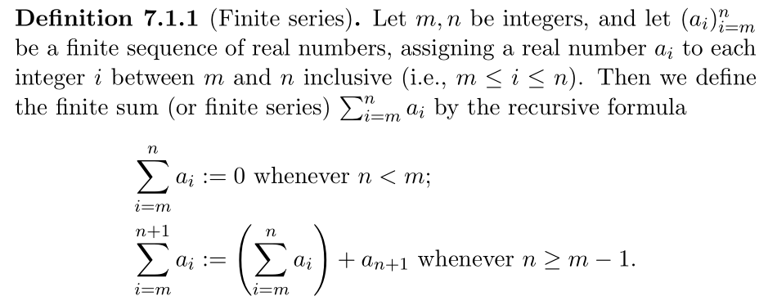 | 7.1 Finite Series: Definition of a finite series: recursive. Bound/dummy variable i. Properties of the finite series: splitting a series into two disjoint whole subseries, sum of two series, scalar multiplication of a series, triangle inequality of a series, comparison test for finite series Summations over finite sets: bijection g. Summation over a finite set with a function f acting on the indexes of that set (f(1), f(2)) to yield the finite set. Finite summations are well defined: Fubini's theorem for finite series: double summation order | 7.2 Infinite Series Formal definition of an infinite series Limit L as the sum of an infinite series that is convergent: If an infinite series converges, then it's sum is defined as L, if it does not converge, it diverges, then we cannot assign any real number value to that series | 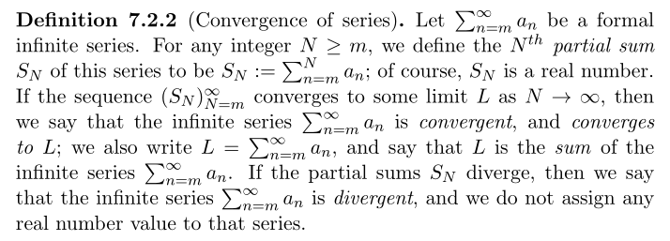 Partial sum of an infinite series: we define the Nth partial sum SN of this series for any integer N≥m.
 |  | Formal definition of convergence of a series and the zero test: remember that convergence of a series is different from the convergence of a sequence! | Zero test and alternating series test: Corollaries of the formal definition of infinite sequence convergence, different ways to test for convergence. Alternating series test is for series that can be expressed as an alternating series, and allows you to look at the absolute value of the term to determine convergence. | Absolute convergence of an infinite series: An infinite series sum(an) is absolutely convergent iff sum|(an)| is convergent. Conditional convergence of an infinite series: normal convergence but no absolute convergence. A subset of absolute convergence.
 |  | 7.3 Sums of non-negative numbers: …. 7.4 Rearrangement of series: …. | 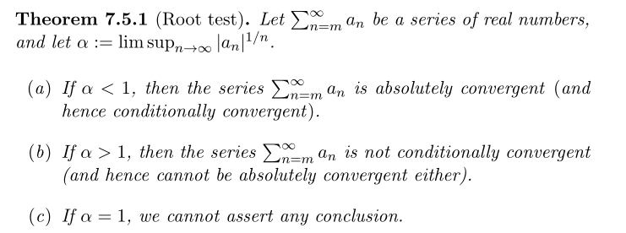 | 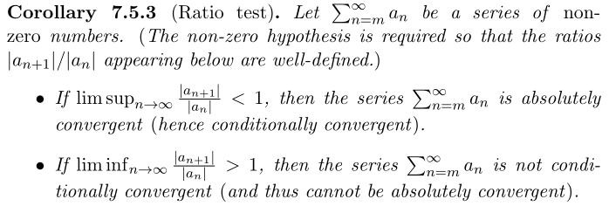
8 | Infinite sets | 8.1 Countability: 8.1.1 Countable/countably infinite/denumerable sets: A set is said to be countably infinite iff it has equal cardinality with the natural numbers N. Connect to unique bijection F: N → X where F(n+1)>F(n) ∀n ∈ N X = {f(0), f(1), f(2), f(3), . . .} 8.1.2 At Most Countable sets: Either countable or finite 8.1.3 Uncountable: infinite but not countable | 8.1.4 Well ordering principle: If X is a non-empty subset of the natural numbers N, then there exists exactly one element n ∈ X such that n ≤ m for all m ∈ X. Every non-empty set of natural numbers has a minimum element 8.1.5 Countability of the Rationals (Q): Need to relate countability to cartesian products (NxN) Z x (Z - {0}) = {(a,b):a,b ∈ Z, b != 0} | 8.2 Summations on Infinite Sets: 8.2.1 Fubini's Theorem for Infinite Sums: For order of layered infinite sums. The order of summations is commutative if the entire sum is absolutely convergent. 8.2.2 Absolutely convergent series laws: Provided their sum is absolutely convergent, some laws can be established.
 |  | 8.3 Uncountable sets and Cantors Theorem: 8.3.1 Cantor's Theorem: For some arbitrary set N, card(Powerset(N) > card(N) |A| < |P(A)|. cardinality of powerset: if |X|=n, then |P(X)|= 2n proof by induction or combinatorics. 8.3.4 Uncountability of R: Cantor's diagonal argument, continuum hypothesis (interval between 0,1) | 8.4 Infinite Cartesian Products and the Axiom of Choice: I cannot understand or parse Tao's notation for the infinite Cartesian product, so I will just take the analogy as drawing one ball each from infinite urns to yield a collection of infinite balls. | 8.5 Ordered sets: 8.5.1 Partially ordered set - is a set X with a relation <=x on x, such that the relation obeys reflexivity, anti-symmetry, transitivity. 8.5.2 Totally ordered set - the relation exists between all members of the set, but only exists for some members of the set in the partially ordered case.
9 | Continuous functions on R | 9.1 Subsets of the Real Line: 9.1.1 Closed/open/half open interval definitions: Express intervals as set of values contained in R* (extended reals) subject to inequality conditions, left and right endpoints 9.1.5 є-adherent points: Let X ⊆ ℝ and є>0, and x ∈ ℝ. Then x is є-adherent to X iff there exists a y ∈ X which is є-close to x (i.e, |x-y|≤ ε) 9.1.8 Adherent points: 9.1.10 Closure: 9.1.11 Elementary properties of closure: 9.1.12 Closure of intervals: 9.1.13 Bounded set: 9.1.24 Heine-Borel theorem of the real line: | 9.2 The Algebra of Real Valued Functions: 9.3 Limiting Values of Functions: 9.3.1 Functional є-closeness 9.3.3 Functional local є-closeness 9.3.6 Convergence of functions at a point 9.3.14 Limit laws for functions 9.3.18 Limits are local | 9.4 Continuous Functions: 9.4.1 Continuity of a function A function F is continuous on X if it is continuous ∀ x0 ∈ X 9.4.7 Equivalent formulations of continuity 9.4.9 Arithmetic preserves continuity 9.4.10 Exponentiation is continuous 9.4.12 Absolute value is continuous 9.4.13 Composition preserves continuity | 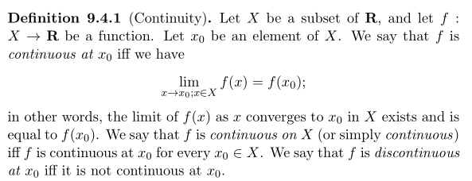
 |  | 9.5 Left and right limits: 9.5.1 Definition of left and right limit 9.5.2 Continuity if both left and right limits are equal (jump discontinuities, asymptotic discontinuities, oscillatory discontinuities) 9.6 The maximum principle 9.6.1 Bounded from above, bounded from below, bounded | 9.7 Intermediate value theorem: 9.7.1 Intermediate value theorem definition: Let a < b, and let f : [a, b] → R be a continuous function on [a, b]. Let y be a real number etween f(a) and f(b), i.e., either f(a) ≤ y ≤ f(b) or f(a) ≥ y ≥ f(b). Then there exists c ∈ [a, b] such that f(c) = y. 9.8 Monotonic functions: 9.8.1 Monotone increasing/decreasing, strictly monotone increasing/decreasing
 |  | 9.9 Uniform continuity: 9.9.2 Definition of uniform continuity Cannot get "too steep" in an asymptotic sense 9.9.5 Equivalent sequences Then (an)∞ n=1 and (bn)∞ n=1 are equivalent if and only if lim n→∞(an − bn) = 0 |  | 9.10 Limits at infinity 9.10.1 Infinite adherent points We say that +∞ is adherent to X iff for every M ∈ R there exists an x ∈ X such that x > M; we say that −∞ is adherent to X iff for every M ∈ R there exists an x ∈ X such that x < M. In other words, +∞ is adherent to X iff X has no upper bound, or equivalently iff sup(X) = +∞. 9.10.3 Limits at infinity
10 | Differentiation of functions | 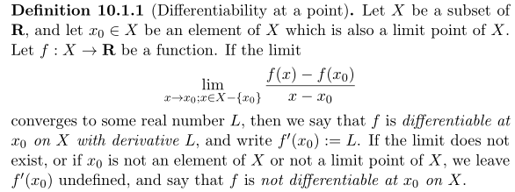 | 10.1 Basic Definitions 10.1.1 Differentiability at a point (compute left and right limits) 10.1.7 Newton's approximation 10.1.10 Differentiability implies continuity (smoothness) 10.1.11 Differentiability on a domain 10.1.13 Differential calculus properties | Local Maxima, Minima and Derivatives 10.2.1 Local maxima and minima 10.2.7 Rolle's Theorem (Rolle’s theorem). Let a < b be real numbers, and let g : [a, b] → R be a continuous function which is differentiable on (a, b). Suppose also that g(a) = g(b). Then there exists an x ∈ (a, b) such that g′(x) = 0 10.2.9 Mean value theorem (corollory of Rolle's Theorem) | 10.3 Monotone Functions and Derivatives 10.4 Inverse Functions and Derivatives 10.5 L'Ho^pital's Rule 10.5.1 L'Hopital's Rule - Proven by Rolle's Theorem.
11 | The Riemann Integral | 11.1 Partitions 11.1.1 Connectedness 11.1.8 Length of intervals 11.1.10 Partitions 11.1.13 Length is finitely additive 11.1.14 Finer and coarser partitions 11.1.16 Common refinement 11.2 Piecewise constant functions 11.2.1 Constant functions 11.2.3 Piecewise constant functions 11.2.9 Piecewise constant integral 11.2.13 Piecewise constant integral is independent of partition 11.2.16 Laws of integration | 11.3 Upper and lower Riemann integrals 11.3.1 Majorization/minorization (above and below of functions) 11.3.2 Upper and lower Riemann integrals 11.3.4 Riemann integral 11.3.9 Riemann sums 11.4 Basic properties of the Riemann integral 11.4.1 Laws of Riemann integration 11.4.3 Max and min preserve integrability 11.4.4 Absolute values preserve integrability 11.5 Riemann integrability of continuous functions 11.6 Riemann integrabilitiy of monotone functions | 11.7 A non-Riemann integrable function 11.7.1 The discontinuous function 11.8 The Riemann-Stieltjes Integral 11.8.1 α-length 11.8.5 Riemann-Stieltjes integral definition Non-uniform scaling applied to the x-axis with respect to another function, α
 |  | 11.9 Two fundamental theorems of calculus: 11.9.1 First fundamental theorem of calculus 11.9.3 Antiderivatives 11.9.4 Second fundamental theorem of calculus | 11.10 Consequences of the fundamental theorem: 11.10.1 Integration by parts formula 11.10.5 Change of variables formula I 11.10.6 Change of variables formula II 11.10.7 Change of variables formula III
 |  |  | Tao's Analysis II
0 | Contents | Tao's Analysis 2: ---1. Metric spaces--- 1.1 Definitions and examples 1.2 Some point-set topology of metric spaces 1.3 Relative topology 1.4 Cauchy sequences and complete metric spaces 1.5 Compact metric spaces ---2. Continuous functions on metric spaces 2.1 Continuous functions 2.2 Continuity and product spaces 2.3 Continuity and compactness 2.4 Continuity and connectedness 2.5 Topological spaces (optional) | (Cont.): ---3. Uniform convergence--- 3.1 Limiting values of functions 3.2 Pointwise and uniform convergence 3.3 Uniform convergence and continuity 3.4 The matric of uniform convergence 3.5 Series of functions, Weierstrass M-test 3.6 Uniform convergence and integration 3.7 Uniform convergence and derivatives 3.8 Uniform approximation by polynomials ---4. Power series--- 4.1 Formal power series 4.2 Real analytic functions 4.3 Abel's theorem 4.4 Multiplication of power series 4.5/6 Exponentiation and logarithm functions, complex numbers 4.7 Trigonometric functions | (Cont.): ---5. Fourier series--- 5.1 Periodic functions 5.2 Inner products on periodic functions 5.3 Trigonometric polynomials 5.4 Periodic convolutions 5.5 The Fourier and Plancherel Theorems ---6. Several variable differential calculus--- 6.1 Linear transformations 6.2 Derivatives in several variable calculus 6.3 Partial and directional derivatives 6.5 Double derivatives and Clairaut's Theorem 6.6 The Contraction mapping theorem 6.7 The inverse function theorem in several variable calculus 6.8 The implicit function theorem | (Cont.): ---7. Lebesgue measure--- 7.1 The goal: Lebesgue measure 7.2 First attempt: Outer measure 7.3 Outer measure is not additive 7.4 Measurable sets 7.5 Measurable functions ---8. Lebesque integration--- 8.1 Simple functions 8.2 Integration of non-negative measurable functions 8.3 Integration of absolutely integrable functions 8.4 Comparison with the Riemann integral 8.5 Fubini's theorem
1 | Metric spaces | 1.1 Definitions and examples 1.1.1 Sequence convergence definition using limits and the distance function 1.1.2 Metric space Definition (X,d) - d : X × X → [0, +∞), which associates to each pair x, y of points in X a non-negative real number d(x, y) ≥ 0 Properties of d - zero distance (idempotence of distance), positivity, symmetry, and triangle inequality Intuition - Euclidean distance is simply a special case of the notion of distance | 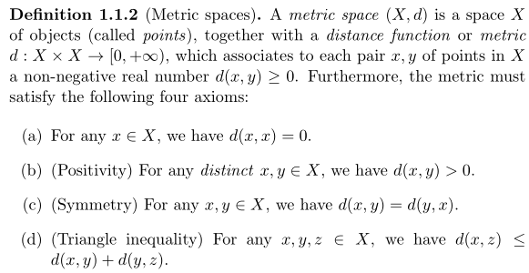 | 1.1.4 The Real Line as a metric space (R,d) 1.1.6 Euclidean space as a metric space 1.1.7 Taxicab distance metric 1.1.8 Error correction in binary strings as a use of TaxiCab metric space | 1.1.9 Sup norm metric spaces 1.1.10 LP metric spaces 1.1.11 Discrete metric 1.1.12 Geodesics 1.1.13 Shortest paths
 |  | 1.1.14 Convergence of sequences in metric spaces Definition A sequence (xn) of points in a metric space (X, d) converges to a limit α if the real sequence (|d(xn, α)| converges to 0 in R, e.g lim n→∞ d(x(n), x) = 0 Intuition Generalizes real convergence. 1.1.15 Induced metric spaces aka subsets: Let (X, d) be any metric space, and let Y be a subset of X. Then we can restrict the metric function d : X × X → [0, +∞) to the subset Y × Y of X × X to create a restricted metric function d|Y ×Y : Y × Y → [0, +∞) of Y ; this is a subspace. 1.1.18 Equivalence of (Equivalence of l1, l2, l∞) | 1.2 Point set topology of metric spaces 1.2.1 Balls (metric ball)- ball in R2 (open disc), ball in Taxicab (open diamond), ball in discrete metric (single point). The idea is to connect the open ball to a distance metric and a metric space by extension. 1.2.5 Interior, exterior, boundary, closure Interior - x0 is interior point of E if ∃ r>0, B(x0, r) ⊆ E Exterior- ∃ r>0, B(x0, r) such that B(x0, r) ∩ E = ∅. To simplify, int(E) means the open ball does not touch the boundary from inside, ext(E) means the open ball does not touch the boundary from the outside. Quaint. Boundary- ∂E - it is not int(E) or ext(E). Closure- the union of the interior and the boundary. The set of all adherent points of E is closure. Adherent: B(x0, r) ∩ E != ∅. | 1.2.12 Open and closed sets Open- ∂E ∩ E = ∅ - contains none of its boundary points Closed - ∂E ⊆ E - contains all of its boundary points. By semantic logic, a set can be open and closed if it has no boundary. Don't even try to visualize this, just use logic.. 1.2.15 Basic properties of open and closed sets 1.3 Relative topology | Cauchy sequences and complete metric spaces Compact metric spaces

 |  |  | Functional Analysis (Kreyszig's Introduction to Functional Analysis, Bogachev and Smolyanov's Real and Functional Analysis)
0 | Contents | Kreyszig's Introduction to Functional Analysis: ---1. Metric spaces--- ---2. Normed spaces and Banach spaces--- ---3. Inner product spaces, Hilbert spaces--- ---4. Fundamental theorem for Normed and Banach spaces--- ---5. Further applications - Banach fixed point theorem--- ---6. Further applications - Approximation theory--- ---7. Spectral theory of linear operators in normed spaces--- ---8. Compact linear operators on normed spaces and their spectrum--- ---9. Spectral theory of bounded self-adjoint linear operators--- ---10. Unbounded linear operators in Hilbert space--- ---11. Unbounded linear operators in quantum mechanics--- | Bogachev and Smolyanov's Real and Functional Analysis: ---1. Metric and topological spaces--- ---2. Fundamentals of measure theory--- ---3. The Lebesque integral--- ---4. Connections between the integral and the derivative--- ---5. Normed and Euclidean spaces--- ---6. Linear operators and functionals--- ---7. Spectral theory--- ---8. Locally convex spaces and distributions--- ---9. The Fourier transform and Sobolev spaces--- ---10. Unbounded operators and and operator semigroups--- ---11. Banach Algebras--- ---12. Infinite dimensional analysis---

 |  |  | Complex Analysis (Churchill's Complex Variables and their Applications)
0 | Contents | Churchill's Complex Variables and their Applications: ---1. Complex numbers--- ---2. Analytic functions--- ---3. Elementary functions--- ---4. Integrals--- ---5. Series--- ---6. Residues and poles--- ---7. Applications of residues--- ---8. Mapping by elementary functions--- ---9. Conformal mapping--- ---10. The application of conformal mapping--- ---11. The Scharwz-Christoffel transformation--- --12. Integral formulas of the Poisson type--- |  |  |  | x

