Math
Math |  |  |  |  |  | resume planning
s/n | term | remarks | remarks 2 | cat | cat | s/n | term | remarks | remarks 2 | cat | cat
 |  |  | Calc (Spivak and Thomas)- Differentiation & Integration
1 | functions | definition: a rule which assigns, to each of certain real numbers, some other real number. Domain, range, image. | function graph: the mapping of two sets, each set represented by an axis, or the real number line | function subtypes: linear, parabola, power, polynomials, circle, ellipse, hyperbola | number types: Real [R], Integer [Z], Positive Integer [N], irrational (cannot be expressed in p/q form), rational (p/q, where p & q are integers)
2 | limit | lines: secant (two points connecting a line) & tangent Function approaches limit formal definition: for every error (Epsilon) or deviation of the output from the limit, there is a delta (nudge on input) that will reduce the error of output. | limit formal definition (epsilon-delta) |f(x)-L|< e whenever 0 < |x-c| < d right hand limit, left hand limit, both sided limit, limits at infinity continuity: a function is continuous if f(x) = L as x -> a for all a. There is a limit for every point in the function.
3 | derivative | definition: f'(x) = lim {h->0} [f(x+h) - f(x)] / h: difference quotient with increment h as h approaches 0. Or f'(x) = lim {z->x} [f(z)-(fx)]/(z-x): as z approaches x. intuition: calculating the difference between two points, but making the difference tend to 0. Differentiable function: f' exists at every point of the domain of f. | proofs (done by clever algebraic manipulation. each law builds upon the previous laws.): constant function proof identity function proof addition of two derivative functions proof product rule proof (add to numerator trick) power rule proof (induction on n, identity function and product rule proof) reciprocal rule proof ( d (1/f) = -f'/f^2 for f !=0, use difference quotient and increment, then manipulate algebraicly ) quotient rule proof (product rule & reciprocal rule combined) triple product rule (f g h, use product rule. f'gh + fg'h + fgh') chain rule (composition of functions: f o g a = f'(g) g')-triple composition f o g o h- nesting. proof: can't understand Spivak's proof, Turkvids YouTube proof makes more sense to me. First prove Ф(h) is continuous at 0, then do clever algebraic substitutions to derive)
4 | significance of derivative | maximum/minimum: f(x) >= f(y) for every y in a, x is maximum point, a being set of numbers in domain of f. local maximum/minimum: some δ > 0 such that x is maximum/min for f on A ⋂ (x-d,x+d). Critical point: f'(x) = 0 is critical point Mean value theorem: some x in (a,b) such that f'(x) = f(b)-f(a) / (b-a). Proof is built on Rolle's theorem (skipped) rolle's theorem: if f continuous & differentiable on [a,b] and f(a)=f(b), there is x in (a,b) such that f'(x) = 0 | increasing/decreasing: f(a) < f(b) if a < b, f(a) > f(b) if b > a Cauchy mean value theorem: if f,g continuous & differentiable on [a,b], some x in (a,b) such that f(b)-f(a) g'x = g(b) - g(a) f'x. Proof and intuition: skipped. Convexity/concavity: function is convex on interval if line segment joining a to b lies above f. Concave if line segment from a to b lies below f. OR [f(x) - f(a) / x - a] < [ f(b) - f(a) / b - a ] for a < x < b.
5 | inverse functions | one one: f(a) != f(b) whenever a != b. inverse: f^-1 is set of all pairs (a,b) for which pair (a,b) is in f. ordered pairs. Parametric functions: defined by a common parameter, t, and multiple functions acting on parameter as coordinates. C(t) = (u(t),(v(t)) |  |  | 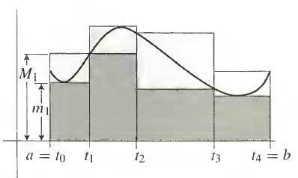
6 | integration | geometric intuition: A = R(f,a,b) area of heavily shaded region - area of lightly shaded region s = m1((t1-t0) + m2(t2-t1) + m3(t3-t2) + m4(t4-t3) S = M1(t1-t0) + M2(t2-t1) + M3(t3-t2) + M4(t4-t3) s <= A and A<= S regardless of how [a,b] is subdivided par[a,b]: {a = t0 < t1 < tn-1 < tn = b} inf/sup- inf/sup of subset S of partially ordered set T is greatest/smallest element in T <=/>= S, if it exists. Can be outside S. greatest lower bound/least upper bound. mi = inf{}, Mi = sup{} | lower & upper sums theorems: L(f,P), U(f,P). L underhits and converges to R(f,a,b) from below with specificity, U overhits and converges to R(f,a,b) from above. L(f,P) <= L(f,Q) & U(f,P) >= U(f,Q) if Q contains P (Q is more specific than P) L(f,P1)<=U(f,P2) integrable definition: f bounded by [a,b] is integrable if sup{L(f,P)} = inf{U(f,P)}, thus L(f,P)<= ∫(b,a) f <= U(f,p) for all partitions P there is є>0 there is P of [a,b] such that U(f,P)- L(f,P) < є | intuition: x*f(x)- very loosely. Height of function (f(x)) * Δx the infinitesmal sum, of the height of the function f(x), multiplied by the small increment of the input of the function Δx or dx. Caveat- dynamic height must be y=f(x) and dx, if not, treat variable as constant height. | 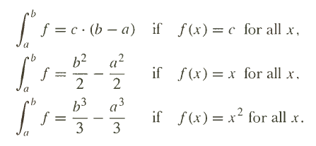
 |  | partitioning intervals: let a < c < b. Thus: Interval scalar: thus: discontinuity: discont. F's cannot be differentiated (limit issue) but can be integrated. Why (???) | integral continuity: if f is integrable, then F is continuous. The area plotted as a function of any integrable function is always a continuous function
7 | FTC | FTC theorem 1 geometric intuition: F'© --> formal limit definition --> geometric area interpretation --> area shrinks to a single straight line --> the width becomes negligible, reducing the area to a vertical line --> shrink width until a point remains --> that is the height of function, f(c). | ftc theorem 2:
8 | Trigonometric derivatives and integrals | introduction: angle- union of two half-lines with a common initial point. Radians- defined anticlockwise. 2π = complete rotation = 360deg Reason: 2π/π = 2 = diameter of unit circle, 2/2 = 1 = radius of unit circle. Thus, radians is connected to the unit circle. area of unit semicircle: π | skipped | 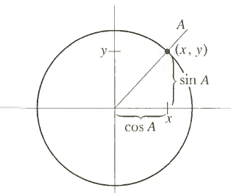
9 | exponentials | introduction: logx/lnx = ∫[1,x] 1/x dx
10 | integration in elementary terms | parts and substitution:
 |  |  | Calc (Spivak and Thomas)- Sequences & Infinite Series
1 | the taylor polynomial | introduction: polynomial function - "stacking/layering functions on top of another" p(x) = a0 + a1x + … + anxn constant: derivative and substitution x=0 gives constant. Connect constant an to derivative evaluated at 0 (intercept) | taylor polynomial for degree n at f: A function can be approximated by a Taylor polynomial, provided it is smooth (infinitely many derivatives C∞) Pn,a(x) approximes F where F need not be a polynomial function. Can approximate non-polynomials with Taylor polynomials | 
 |  | 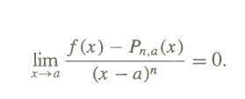 intuition for approximation/approximation "theorem": lim x-->a for f(x) - P1a(x) / (x-a) = 0. Thus, as x --> a, the difference between their heights approaches 0. | L Hopitals Rule: indeterminate limits (0/0, inf/inf, etc). Intuition: even though the value of the fraction is indeterminate, what matters is their respective rates of change at the infinitesmal level. Lim {x-->c} f(x)/g(x) = lim {x-->c} f'(x)/g'(x)
2 | infinite sequences | infinite sequence definition: an infinite sequence of real numbers is a function with domain N (the set of natural numbers) {αn}. No summation convergence definition: a sequence {αn} converges to l (lim [n--> ∞] αn = l) if for every є > 0 there is a natural number N such that for all n, if n>N, then |an - l|<є. | sequence properties: for every є > 0 increasing: an+1 > an for all n nonincreasing an+1 >= an for all n. bounded above M such that an <= M (any nonincreasing + bounded sequence converges) cauchy: N for m,n > N, then |an - am| < є- a sequence which the last two terms keep getting closer and closer to each other. all convergent sequences are cauchy, but not all cauchy are convergence (something about metric spaces- topology) | sequence summability/cauchy criterion: vanishing condition:
3 | infinite series | definition: series is a sum of a sequence partial sum: Sn = a1 + a2 + a3 + … + an summability definition: if {Sn} converges where Sn = a1 + … + an convergence definition: the sequence {an} converges if sequence {Sn} converges: lim [n-->∞] sn = Σan | series types: geometric- constant ratio between the previous term and the next. aka constant with increasing power arn , r = common ratio, if |r|<1, converge. If |r|=1, does not converge. if |r|>=1, diverge. harmonic- 1 + 1/2 + 1/3 + 1/4 + … + 1/N, sum of reciprocals of natural numbers N? | absolutely convergent and summable series: a series is absolutely convergent if it's absolute series is convergent, and summability inherits absoluteness.
4 | sequences of functions | sequences of functions: functional sequence {fn} limiting function/functional limit: f(x) uniform vs pointwise convergence: pointwise convergence: functional convergence that is convergent at different points at different rates (pointwise) Uniform convergence: functional convergence that is uniform (an entire domain of x converging) | uniform convergence formal definition: ∀є>0,∀x>D, ƎN∈N , ∀n∈N: n>N --> |fn(x) - f(x)| < є idea- N depends on both є and x now (double for loop)- this condition implies uniform convergence (same rate for entire domain)
 |  |  | Linear Algebra (Messer, Anton)
1 | sets and vector spaces | set: set intuition (collection of elements, need not be discrete, can be continuous) union definition intersection definition subset definition commutative nature of union breaking up a proof into direct parts direct sum of sets subset (logical containment, if then condition) condition set rule notation (x is an element of … | rule) direct sum/multiplication (element wise) | vector spaces: vector intuition (physical quantity, geometric objects) definition of vector space (closed under scalar mult and addition) 8 vector space axioms (commutative addition, associative addition, additive identity, additive inverse, distributive law, associative law of multiplication, scalar identity law) closure (arbitrary checks and explicit counterexample presence) closure of vector space subtraction (as additive inverse add-on to existing vector space axioms) |  | meta: theorem (statement with proof, hypothesis, and conclusion - condition implying another condition- a solid link) proof (complex equality expansion)
2 | families of vector spaces | euclidean spaces: ordered pairs/lists as a set element ordered pairs are only a vector space if the axioms hold! Euclidean vector space (axioms hold) for ordered tuples. | matrices: matrix shape concept matrix element notation concept matrix addition & scalar multiplication matrix vector multiplication: as a dotproduct or linear combination (each element in vector becomes scalar multiplied by each column in the matrix) matrix matrix multiplication: as a matrix multiplying many vectors | function spaces: ordinary functions real values functions (Rn) range, domain, image well-defined functions | subspaces: subspace object (subset object with closed under additional and scalar multiplication)
3 | systems of linear equations |  linear equation: linear equation of n variables linear system: a system of linear equations solution: S = (s1,s2, … sn)- an ordered n-tuple. in n-dimensions, either 0S, 1S, or ∞S, unique, trivial (all 0s), general (parameterized) consistency: consistent if at least one s exists, inconsistent if no s exists geometric intuition: two variables - line (x,y 2d plane) three variables- plane (x,y,z 3d) | augmented matrix: matrix describing the linear system with constraints as the last column elementary row operations: kR (scale) Rn <--> Rm (swap) kR + Rn (add a scaled row to another) goal- reduce original matrix to reduced row echelon form leading 1: first-non-zero 1 in a row. (reduced) row echelon form (R)REF: -each row must have leading 1. -full zero rows are pushed to the bottom of the matrix -in two successive non 0 rows, leading 1 on lower row is farther right than the leading 1 in the higher row. -each column with leading 1 contains only 0s in that column (reduced) | inspection: when a matrix is in RREF, solution can be deduced by inspection leading variables: free/leading variables: the variables corresponding to the leading 1s and not leading 1s (column wise) parametric solution: free variable becomes parameter (express leading in terms of free), e.g t. | gaussian elimination- forward, REF gauss jordan elimination- forward & backward, RREF 1. find leftmost column that is not all 0s. 2. swap rows to bring a nonzero entry to the top left hand corner 3. divide by 1/a or factorize to engineer a leading 1. 4. add suitable multiples of top row such that all entries below leading 1 become zeros 5. cover top row and repeat process 6. to convert from REF to RREF, use step 4, but with suitable multiples of the bottom row instead. forward phase and backwards phase
 |  | homogenous linear equations: if RHS column is all 0s. If S = (0,…,0), S is trivial. Either only trivial or both trivial & nontrivial (infinitely many) solutions. If #unknowns > #eqns, then has trivial & nontrivial solution free variable theorem for homogenous linear equations: if homo has n unknowns & RREF has r nonzero rows, then system has n-r free variables | back substitution (alternative to backwards elimination, after Gaussian): After Gaussian elimination to REF, find eqns for leading variables, then successively substitute from the bottom equation into all the equations above it. Pivots: pivot position - positions where the leading 1s occur in the RREF. pivot rows- rows that contain a pivot position pivot columns- rows that contain a pivot column | scalar multiple: scalar c applied to matrix A: cA trace: the sum of diagonals of square matrix. Tr(A) tranpose properties: (AB)T = BTAT inverse properties: AA-1 = A-1A = I singular = no inverse | elementary matrix: E is elementary matrix if it can be obtained from an identity matrix by performing a single elementary row operation diagonal matrix: D is diagonal if all entries off main diagonal are 0
 |  | 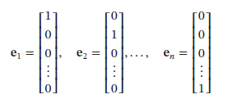 basis vectors: x can be written as LC of basis vectors in Rn image: the output of a function or subset of range | standard matrices: standard matrix for any linear transformation (expressed as an LC on the basis vectors) | matrices as geometric operators on a vector: reflection operators (along whichever axis or plane) projection operators (along whichever axis or plane) rotation operators (using cosϴ and sinϴ)
4 | determinants | intuition: how the linear map scales the vector "area". If 0, the transformation scales to 0 area (line or point), thus information loss through a reduction in dimension. Invertibility of 2x2 matrix: det(A) = ad-bc, invertible if det(A) != 0 | minor of entry aij: Mij- determinant of submatrix that remains after the ith row and jth column are deleted from A. cofactor of entry aij: (-1)i+j Mij = Cij cofactor homogeneity theorem: if A is nxn, then regardless of which I or j, entries * cofactors and summing them up will give the same number. | 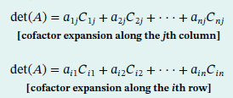 determinants as cofactor expansions: determinants by row reductions: | properties of determinants: scalar- det(kA) = kndet(A) addition- det(A+B) != det(A) + det(B) multiplication- det(AB) = det(A)*det(B) if A,B are both Rnxn
 |  | adjoint: C = cofactor matrix adj(A) = CT inverse of a matrix using adjoint: | 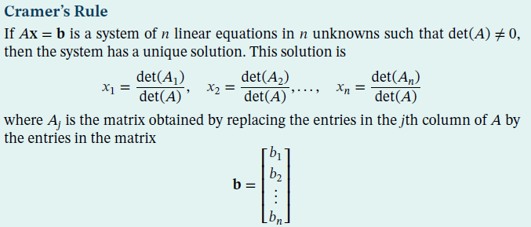
5 | vector spaces | ordered n-tuple ordered n-tuple - sequence of real numbers representing points in n-dimensional space real n-space: set of allordered n-tuples 2-norm/euclidean length: ||v||2 = sqrt(v12 , … vn2) axioms: | normalization of vector: u = v/||v||2 - divide it by the norm to get a ||u||2 = 1 distance: d(u,v) = ||u-v|| dot product: angular form - u · v = ‖u‖‖v‖ cosϴ component form- u · v = u1v1 + u2v2 + ⋅ ⋅ ⋅ + unvn connected by law of cosines. | cauchy schwarz ineq: |u.v| <= ||u||||v|| - connected to cosϴ and angular form geometry in Rn: triangle ineq for vectors & distance: ||u+v||<=||u|| + ||v||, d(u,v)<= d(u,w)+d(w,v) |  cross product: (determinant sum trick, area intuition)
 |  | subspace (closure under operations) W is subspace of V if W is itself a vector space under addition and scalar multiplication defined on V | linear combination: | span/generation: W = span(S) = set of linear combinations of S = {w1, w2, . . . , wr} = smallest linear subspace of V. W spans/generates V. Det(W) != 0 linear independence: k1i + k2j + k3k = 0, (k1,k2,k3) = (0,0,0), no nontrivial solutions. If there are, then one vector can be expressed as an LC of the other | basis: linearly independent span W = span(S) thus, W is basis for V ordered basis - basis in which order of component vectors matters if S = {v1,v2, …, vn} is ordered basis for V, and v = c1v1 + c2v2 + … + cnvn, then the coordinate vector of v relative to S is (V)s = (c1,c2, .. cn). ORdered
 |  | dimension: dim(V) is defined to be number of vectors in basis for V or len(S). If S is a basis for V. Change of basis: converting coordinate systems. Express old basis in terms of new basis, then express old vector in old basis as new vector in new basis by substitution (skipped) | matrix spaces: row vectors and column vectors, Rnm Row space: subspace Rn spanned by row vectors of A Column space: subspace Rm spanned by column vectors of A Null space/kernel: null(A)- the solution space of homogenous system of equations Ax = 0 = Null(A) | consistency: Ax = b consistent only if b is in the column space of A bases of row and column space: if matrix R In row echelon, row vectors with leading 1s form basis for row space of R, column vectors with leading 1s form basis for column space. dim(R) = dim(C) Rank: dim(R) = dim(C) = Rank of A. Rank is number of dimensions of row space/col space. Rank intuition- "redundancy of matrix" nullity: dim(null(A)) = nullity of A. Nullity is number of dimensions of null space. | application of rank: if A is mxn matrix of rank k, then n-k of column vectors and m-k of row vectors can be expressed in terms of k linearly dependent row/column vectors. Data compression.
9 | eigenvalues & eigenvectors | eigen eigen = German for "own"/"characteristic"/"peculiar to". Only restricted to square matrix. Eigenvector/value: if A is nxn, then x in Rn is eigenvector if : Ax = λx. Applying A to x only scales it by λ. maps to a multiple of itself Characteristic equation of matrix A: Ax = λx --> Ax = λIx --> Ax - λIx = 0 --> (A-λI)x = 0 or (λI-A)x = 0 --> det(λI-A) = 0 (since it scales x to 0) | characteristic polynomial p(λ): where n is Rnxn of matrix. Basis of eigenspace solution space of characteristic polynomial. Null space of matrix (λI - A), kernel, or set of vectors solve by solving characteristic eqn: (λI-A)x = 0, solve for x1, … xn --> basis vectors properties of symmetric matrices: real eigenvalues, and orthogonal eigenvectors (from different eigenspaces) | similarity transformation: similarity transformation: A --> P-1AP where P is an invertible matrix. Similarity invariant - any property that is preserved under similarity transformation. Examples: determinant, invertibility, rank, nullity, trace, cp, eigenvalues, eigenspace dimension similarity: if A and B are square, B is similar to A if there is P such that B = P-1AP | diagonalizability: if D = P-1AP is diagonal, then A is diagonalizable and P is said to diagonalize A (by means of similarity transform) diagonalizability property: if A is diagonalizable, then A has n linearly independent eigenvectors (v1 ..vn) diagonalizing a matrix: P = matrix of basis vectors of eigenspace solutions. uses- PCA, etc. Allows you to convert it to a "simple" form but retains invariant properties under similarity transform, and diagonal matrices are easy for calculations. Making things simpler.
10 | inner product spaces | norm: ||v|| - notion of length of a vector. However, can be mapped to different types of inner products depending on the type of inner product space ||v|| = sqrt(<u,v>) inner products: <u,v> - notation for inner product. can define different types of inner product for different uses. Ultimately, just an operation between two vectors that satisfies inner product space axioms. powerful because can connect to length, angle (orthogonality) and distance in different inner product spaces examples of inner products: standard euclidean innerproduct weighted euclidean inner product (Weighted average) matrix inner product | orthonormality and orthogonality: orthogonal- set S of vectors in real inner product space is orthogonal if all distinct pairs orthogonal. Orthonormal- orthogonal set with each ||vn|| = 1 (normalized, orthogonal) orthonormal set: divide each vector by ||vn|| | projection of vector on orthogonal subspace: linear combination of inner products (projections) onto the subspace vectors | gram schidt process: linearly independent S = {v1, ..., vk} and produce S'. Procedure to take a basis and produce a orthonormal basis. Skipped. Intuition- step by step, anchor v1 = u1 and construct u iteratively. QR decomp- numerical algorithm for computing Gram Schmidt.
11 | diagonalization & orthogonal forms | orthogonal matrix: A-1 = AT , AAT = ATA = I. Multiplying itself by its transpose returns Identity matrix. positive definite matrix: symmetric matrix that has only positive eigenvalues Orthogonal diagonalization (orthogonal similarity transform resulting in diagonal): D = PTAP , P is orthogonal, A is symmetric conditions for OD orthonormal set of n eigenvectors symmetric and real | procedure for matrix P that orthogonally diagonalizes A: -find basis for each eigenspace of A (find eigenvectors) -apply gram schmidt process to orthonormalize each basis -form matrix P from bases as columns (eigenvectors) | 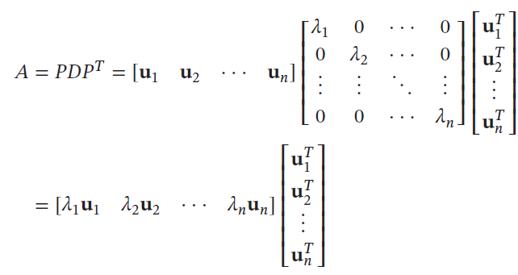 spectral decomposition: D = PTAP --> A = PDPT | spectral decomposition: spectrum- set of eigenvalues of the matrix. Each term in spectral decomposition has form λuuT, where u = unit eigenvector for each λ
12 | complex matrices | complex numbers z: z = a + bi, then Re(z) = a, im(z) = b, a real part & imaginary part |z| = sqrt (a2 + b2) - absolute value Ф- angle, argument of z z = a-bi, complex conjugate Re(z) = |z|cosФ, im(z) = |z|sinФ z = |z|(cosФ + isinФ) - polar form of z | conjugate transpose: A* = AT - the matrix as a result of transposing A then taking the complex conjugate hermitian/unitary matrices: hermitian A* = A- conjugate transpose = itself unitary if A* = A-1- conjugate tranpose = it's inverse
13 | general linear transformations | transformation as a function: TA : Rn --> Rm linear transformation: T(kU) = kT(u) - homogeneity property T(u + v ) = T(u) + T(v) - additivity property any T satisfying these conditions is a linear transformation linear operator: T : V --> W where V = W, and is a linear transformation. | examples of linear transformations: matrix transformations (T: Rn-->Rm), zero transformations (T(v) = 0), identity (T(v) = I(v) = I, dilation & contraction operators, inner product transformations T(x) = <x,v0> examples of nonlinear transformations: det(), translation linear transformation of a vector into a linear combination of images of standard basis vectors: where c are coefficients and vn is basis vector of vector space V | kernel: nullspace, but for linear transformation T : V --> W, set of vectors which T{} maps to 0. dimension theorem for linear transformations: rank(T) + nullity(T) = dim(V), where one-to-one: T: V --> W is one to one if T maps distinct vectors from V to distinct vectors on W. onto: every vector in W is the image of at least one vector in V | isomorphism: T:V-->W one to one & onto is said to be isomorphism. And V is thusly isomorphic to W
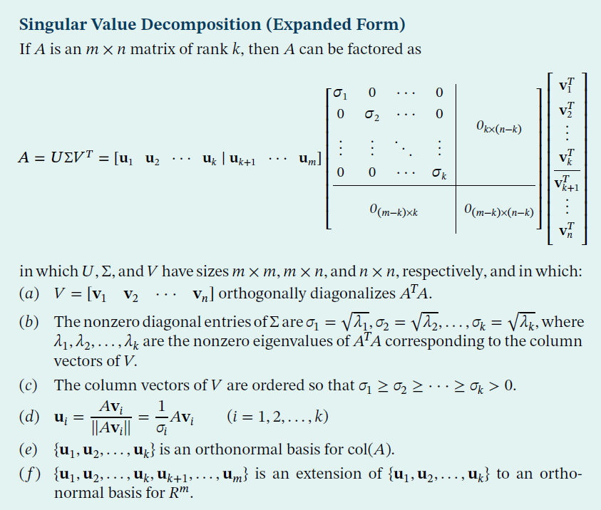
13 | numerical methods | LU decomposition: a factorization of square matrix A as A = LU where L is lower triangular and U is upper triangular solving linear systems with LU decomp/factor: Ax = b --> LUx = b --> Ly = b --> solve for y --> Ux = y --> solve for x. Breaking down solving linear equations into two components. solving for y (Ly = b): forward substitution (solve from top down to bottom)- solve the lower triangular. solving for Ux = y: backward substitution | advantage of LU decomp over Gaussian methods: when solving a sequence of linear systems Ax = b1 …. Ax = bk, factorize A = LU once, then Ly = b and Ux = y many times. Saves time in certain situations condition for LU decomp: reduce a square matrix to REF without row interchanges (pivoting), then A will have an LU decomposition | steps for LU decomp: reduce A to row echelon form (without swapping rows), keep track of sole row scalar multiplications for each row. L diagonal entries are the reciprocals of each row's sole scalar multiple. Below the diagonal are the negatives of scalar addition of rows, placed in the 0's spot they induced. | cholesky decomp: decomposition of a Hermitian, positive definite into a lower (L) and upper triangular conjugate transpose
 |  | types of decompositions: Eigenvalue - A = PDPT - D as diagonal eigenvalue matrix for symmetric A Hesseberg - A = PHPT - H as upper Hessenberg form for non-symmetric A Schur - A = PSPT - S as upper triangular form for non-symmetric A with real eigenvalues | properties of Singular Values (ATA & sqrtλ) if A is mxn, then A and ATA - has same null space, row space, column space & rank, is orthogonally diagonalizable, and positive real eigenvalues. Where λ1 > λ2 > …. > λn | main diagonal: for mxn where m!=n, main diagonal = start from left and move diagonally- diagonal entries SVD: A = UΣVT Vi = eigenvectors of ATA
 |  |  | Differential Equations (Boyce & Mead), (Chapman & Hall)
1 | introduction | differential equation intuition: variables involved and their rates of change connected to one another, experessed in mathematical notation
2

81
82
83
84
85
86
87
88
89
90
91
92
93
94
95
96
97
98
99
100
101
102
103
104
105
106
107
108
109
110
111
112
113
114
115
116
117
118
119
120
121
122
123
124
125
126
127
128
129
130
131
132
133
134
135
136
137
138
139
140
141
142
143
144
145
146
147
148
149
150
151
152
153
154
155
156
157
158
159
160
161
162
163
164
165
166
167
168
169
170
171
172
173
174
175
176
177
178
179
180
181
182
183
184
185
186
187
188
189
190
191
192
193
194
195
196
197
198
199
200
201
202
203
204
205
206
207
208
209
210
211
212
213
214
215
216
217
218
219
220
221
222
223
224
225
226
227
228
229
230
231
232
233
234
235
236
237
238
239
240
241
242
243
244
245
246
247
248
249
250
251
252
253
254
255
256
257
258
259
260
261
262
263
264
265
266
267
268
269
270

