CS
CS
CS: Contents |  |  |  |  |  | Jump to bottom
0 | Contents | Contents: 1. Nisham - Elements of Computing Systems (EOCS) 2. Kurose - Computer Networks (CS) 3. Cormen (CLRS) - Data Structures & Algorithms (CLRS) 4. O'Hallaron - Computer Systems (CS) 5. Sussman - Structure & Interpretation of Computer Programs (SICP) 6. Linux setup

 |  |  | Nisham: Elements of Computing Systems
0 | Content | Nisham's Elements of Computing Systems: ---0. Introduction--- ---1. Boolean logic--- ---2. Boolean arithmetic--- ---3. Sequential logic--- ---4. Machine language--- ---5. Computer architecture--- ---6. Assembler--- ---7. VM1 - stack arithmetic--- ---8. VM2 - program control--- | (cont.): ---9. High-level language--- ---10. Compiler 1 - Syntax analysis--- ---11. Compiler 2 - Code generation--- ---12. Operating system--- |  |  | 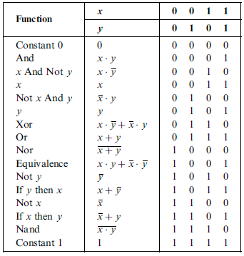
1 | boolean logic and gates | computer abstraction overview: physics -> electrical engineering (Transistors) -> chips & logic gates -> hardware platform -> computer architecture -> machine language -> assembler -> assembly language -> virtual machine -> compiler -> high level language andOS -> applications & system design. transistors: PMOS, NMOS,CMOS - P-channel metal-oxide-semiconductor, N channel, complementary metal oxide semiconductor. NPN, electron flow, semiconductors, doping. bit/bit string: bit - binary digit (0 or 1) bit string/bit vector/bit array/byte - group of bits | boolean function: domain(B), range(B) ∈ {0,1}, B(i1....in) = 01 truth table representation: enumeration of domain and range combinations set of boolean functions on n binary variables: 22^n canonical representation: every boolean function can be represented by 3 boolean operators |, ∧, ¬ B(x,y,z) = xyz + xyz + xyz. Any complex boolean function can be broken down into a combination of fundamental boolean operators, AND, NOT, OR. | gate/chip: physical device that implements a boolean function. intuition- simple in and simple out in binary/booleans Gate logic/input/output pins: if boolean function f operates on n variables and returns m binary results, then f has n input pins and m output pins input pins (v1,v2 … vn) and output f(v1,v2 … vn) elementary gates: simple one operation gate composite gates: gate composed of other gates logic design: the task of interconnecting gates in order to implement more complex functionality/composite gates | interface vs implementation: interface - i/o abstraction Xor(a,b) (unique) implementation - internal workings Xor(a,b) = Or(And(a, Not(b)), And(Not(a),b)) chip complexity and hardware description language (HDL): complex chips cannot be "proven", so a hardware simulator is used to design chips, written in HDL.
 |  | VHDL: header - interface parts - names and topology of lower level parts HDL program (xor.hdl)- implementation test script (xor.tst) - case by case enumeration output file (xor.out) - truth tables. Hardware simulator: computer program that parses HDL Code | multiplexor: in- a,b,sel out- out function - if sel = 0 then out = a else out = b demultiplexor: in- in, sel out- a, b | bus: multi-bit/bit array hardware (e.g multibit input pin) multibit gates: operate on multiple bits, but max two i/o pins multiway gates/multibit:: multiple i/o pins, each with multibit functionality
2 | boolean arithmetic | 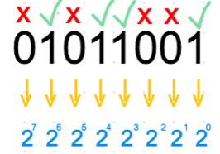 binary numbers (base 2: sum of each xi raised to the base (2i) Storing numbers: input number --> computer converts number to bit array --> stores as 01010101 (eg) in register. | binary addition: LSB least significant bit- rightmost digit RSB most significant bits - leftmost digit carry over bit - if >= 1+1, carry over 1. overflow- last bitwise addition generates carry of 1 | radix: base of a numerical system. E.g radix is 10. In binary, radix = 2. signed binary numbers: 2's complement/radix complement: x = {2n - x if x != 0 or x = 0 otherwise} split binary system into two equal subsets (one to represent +ve) and (one to represent -ve as RCs) radix complement trick: bit perspective - to find radix complement - flip the bits and add 1. add numbers, then throw away the overflow bit 2 + (-1) = 2 + radix 15 = 17 = 16 + 1 = 1 (throw 16)
 |  | adders: intuition - abstract an adder to it's truth table, which is then expressed using logic gates. half adder- inputs (a,b), outputs (carry (RSB), sum(LSB) full adder- inputs (a,b,c), output(carry(RSB), sum(LSB) 16-bit adder- inputs(a[16], b[16]), output (out[16])- just chain 16 full adders together. etc... | Arithmetic Logic Unit (ALU): fi(x,y), where x = 2 16-bit inputs, y = 16 bit output, fi = arithmetic or logical function control bits- (e.g zx, nx, zy, ny, f, no)- control ALU functionality ALU intuition: a complex chip that can perform different arithmetic functions depending on the control bits and internal structure, thats the abstraction. | 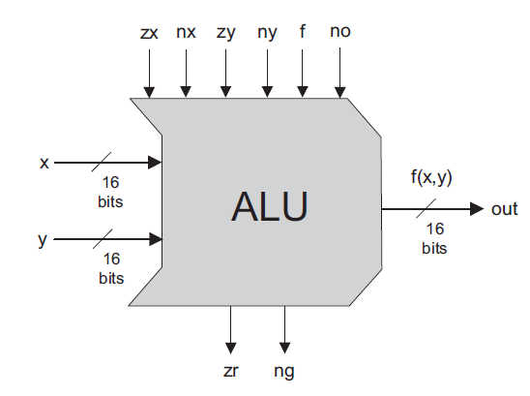
3 | sequential logic chips | chip logic: combinational chip - (stateless) functions only depend on combinations of input sequential chip - has state, can maintain state (time dependent) clock: master clock that delivers continuous train of alternating signals (0,1 etc)- oscillator. cycle - elapsed time of one oscillation - models one discrete time unit clock phase - binary signal signal is simultaneously broadcast to every sequential chip in the platform. (clock wire?) | data/delay flip flop (DFF): single bit data input and output with clock input out(t) = in(t-1) state maintenance continuously outputs the previous state. register: DFF with circular input and multiplexor storage. out(t) = out(t-1), continuously outputs same state. multiplexor with 1 as select new input, 0 as keep old input width - number of bits of register words - multibit content of each register. | RAM (random access memory): random access memory unit - n registers inputs (in, load (read - load = 0, write - load = 1), address), output address - 0 - n-1 integer for each register width - number of bits of the word (each register) size - number of words in RAM (number of registers) RAM operations: read - load bit 0, the RAM will emit the value of the selected register write - load bit 1, the RAM takes in the input and stores it in the selected register direct access property - read/write operations can access any word in memory in equal speed. Thus, the Random Access property. | counter: sequential chip whose state is an integer number that increments every time unit. Sequential chip: a chip that embeds one or more DFF gates (endows ability to maintain state, feed delayed input into combinational logic chips)
 |  | Time matters: -immediacy of combinational chips: outputs of combinational chip change when their inputs change -sequential property of DFF integration: DFF integration into architecture imbues a chip with sequential properties. -clock cycle length synchronization: to ensure the ALU computes properly, the clock cycle length must be longer than the longest time taken for information to travel within architecture, such that operations are complete in that cycle before the next cycle.
4 | machine language | machine language/code: agreed upon formalism designed to manipulate a memory using a processor and a set of registers. CPU does stuff to memory/ram ISA: rules of the machine language (how the processor interprets the binary code) runtime/execution time: final stage of computer program's lifecycle - code being executed on CPU as machine code. | cpu memory access operations: load - main RAM to register (towards CPU) store - register to main memory (away from CPU) addressing modes - direct addressing (literal address), immediate addressing (load the literal value), indirect addressing (pointer - load memory location that holds the required address) | memory/storage hierarchy: level 0 internal - processor registers and cache level 1 and 2 - Cache memory SRAM and DRAM level 3 - disk/hard drive programs are stored in disk, computer reads it from disk, and places the instructions in the RAM, which the CPU interfaces with memory concepts: physical distance - literal physical distance travelled for operations. Capacity - number of registers and their width access time - again, related with distance read- retrieve value, write - replace value
 |  | cpu arithmetic & logic operations: arithmetic - subtraction/addition- e.g Add R2 logic- bitwise logic operations (literally bit manipulation) | 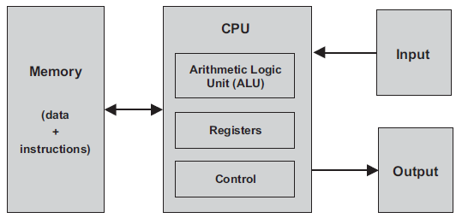
5 | computer architecture | stored program concept: the computer, a fixed hardware platform can execute a fixed repetoire of instructions. However, software, or the program code stored in the computers memory, makes the computer behave completely differently. | von neumann architecture: A CPU interacting with a memory device, receiving data from an input device and sending data to an output device von neumann bottleneck - data memory and instruction memory sent through same bus and thus instruction fetch and data operation cannot occur at the same time. | memory: data memory (variables, arrays, objects) instruction memory (program is translated into machine code - stored in instruction memory). CPU fetches word from instruction memory, decodes, executes, then figures out which instruction to execute next.
 |  | cpu registers (memory): data register - for data addressing register - for address program counter register - if no goto, PC points to next instruction, if goto, CPU loads N into PC. | I/O input output: memory map - each output device allocated exclusive area in memory. Input device, memory maps continuously reflect physical state of device. Output device, memory maps drive physical state of device
6 | Assembler | Software Hierachy: Assembler, VM, Compiler, Operating System Assembler: Input- assembly commands, Output - equivalent binary instructions. A-instruction (@) - replace symbolic reference with corresponding memory address- assigns at which memory to execute the C instruction. C-instruction (generate binary code for each field) | Symbols: Variables - variable with value, automatically assigned to a memory address, either first or last, and mapped consecutively Labels - marked memory address. Symbol resolution: Translated code stored at memory 0, variables and labels used to build symbol table. Symbol table: map variable and label to their memory locations | Assembler Process: -Parse symbolic commands into underlying fields -For each field, generate corresponding bits in machine language -replace symbolic references with numeric addresses -Assemble binary codes into complete machine instruction | loading machine code in instruction memory: when machine code is loaded into instruction memory, nth line of binary code --> stored in address n.
7 | Virtual Machine 1 - Arithmetic & Logic | Compilation: translation of high level code to machine language Two step compiler/VM model: Compiler outputs VM code VM reads VM code and outputs assembly Assembler outputs machine code | stack: abstract data structure, allocated as an array in RAM. push - add element to top of stack (stack[sp]=x, sp = sp + 1) pop - retrieves and removes top element (sp = sp - 1; return stack[sp] top down readable and lossy (reading causes loss/removal), storage space for variables stack pointer: variable that points to available location just above topmost element (sp) frame: group or subset of memory in the stack, e.g variables within a certain function. | heap: ram area for storing objects. Free growing (dynamic). Tree based. Used for objects, or variables that you need for the duration of the application (e.g objects), or variables that are too large for the stack (dynamic) garbage collection: heap memory management, when heap is full, objects that are no longer in use in the program are removed | intuition: any arithmetic & boolean expression can be converted to a sequence of simple operations on the stack. | 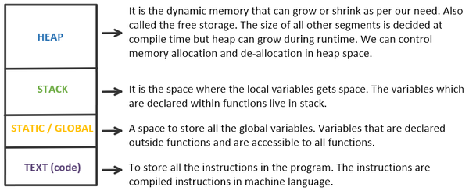
 |  | VM Specification stack-based: all operations done on stack function-based: organized in units called functions VM language commands: arithmetic, memory access, program flow, function calls | VM arithmetic/logical operations: binary/unary - number of operands popped - 2 operands popped, binary operation, push result back onto stack memory access operations: push segment index and pop segment index - transfer memory values to and fro stack and memory where segment is (static, this, local, argument, that, constant, pointer, temp) - local vs global memory segments | interpreted vs compiled: interpreted language - one by one (line by line) execution of code - stops at first error (Slow). Python Interpreter converts Python to ByteCode which is fed into the Virtual Machine, dynamic typing Slower because the ByteCode is being executed by the VM (an extension of the CPU), not directly on the CPU itself. compiled language - execute code entirely and lists all possible errors at a time (Fast)
8 | Virtual Machine 2 - Program Control | Program flow: intuition - the VM (by extension CPU) executes linearly, one command after the other. Sequential flow broken by branching commands (e.g iteration on loop), which jumps to another memory address to execute that. Intuition for a call stack: control flow can be executed with LIFO stack- variables from subroutines can be pushed for queueing/waiting while other subroutines execute, and popped off when their time comes. | Subroutine: sequence of program instructions that performs a specific task, packaged as a unit. Callable. It is something you can call that returns to you (completion) Function: Subroutine that returns a value Method: Subroutine or function that you call on an object in OO language | called vs calling subroutine: calling subroutine - caller called subroutine - called | class: basic unit in OOP language. Class structure - name { field and static variable definitions \\ subroutine declarations \\ constructor, method and function declarations }
9 | Compiler 1- Syntax Analysis | Compiler: Syntax analyzer (tree-like structure, XML style) code generator program(syntactic form): sequence of characters stored in a text file tokens: single element of a programming language. Distinct categories/types - keyword, identifier, operator etc. | 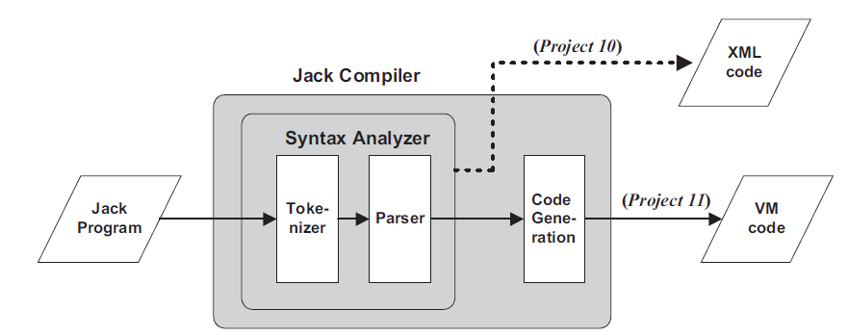 Syntax analyzer: tokenizer/scanning/lexical analysis - group sequence of characters into stream of tokens (or terminals) parser - parse tree/derivation tree. | 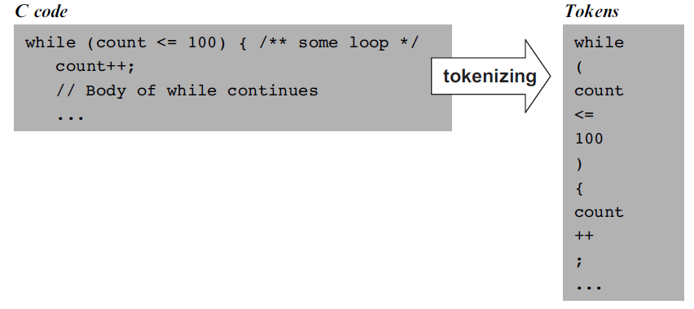
 |  | terminals: tokens. The basic unit of a language nonterminals: higher level syntactic element, a grouping of terminals grammar: what kind of groupings are valid parsing: execute the grammar on the token stream | parse tree: Builds a top-down tree of a hierarchical grammar structure (where each nonterminal/grammar represents an instruction, and the root nodes are the terminals/tokens. Key intuition- recursive structure/top-down (statement >> if statement >> statement sequence >> expression >> etc etc0
10 | Compiler 2- Code Generation | background: code generation - data translation and command translation data translation (how the compiler handles data - aka memory and variables) variables - type, kind and scope symbol table - whenever a new identifier is encountered in source code for the first time, compiler adds it to the symbol table (Rosetta stone idea), then for other times, compiler looks it up in the symbol table for information, e.g (name, type, kind (static, field, argument), scope (hash tables)) array handling- when array is declared, identifier becomes pointer to actual address (1 word), and array is dynamically allocated elsewhere in RAM- e.g allocated at runtime object handling- when class type variable is declared, compiler allocates a pointer variable. Memory is then allocated when the object is created via constructor (in Python- "self" just refers to the object and must be explicitly declared). fields/property data has different copies for each object, but methods kept at target code level. | commands translation: evaluating expressions - tree in postfix notation, RPN right polish notation, push, pop, call functions translating flow control - translate flow control to unconditional goto and conditional goto
 |  |  | Kurose: Computer Networks
0 | Content | Kurose's Computer Networks: ---1. Computer networks and the Internet--- ---2. Application layer--- ---3. Transport layer--- ---4. Network layer (data plane)--- ---5. Network layer (control plane)--- ---6. Link layer and LAN--- ---7. Wireless and mobile networks--- ---8. Security---
1 | Basic Introduction | Internet/End system: Computer network connecting billions of devices around the world End System/Host A Node connected by communication links & packet switch. Aka a host Communication Link: Physical medium - coaxial wire, copper wire, optical fibre, radio spectrum Transmission rate - bits/second, rate of data transmitted through comlink. | packets: series of bits of information and meta structure. Packets are constructed in such a way that layers for each protocol are wrapped around the packets. Protocols are thus a way to standardize packet construction and reading. application layer - packet with no layer. TCP layer - header attached. IP layer- header attached. Internet layer- header attached. Encapsulation - process of preserving data but adding headers. De-encapsulation - on the receiving end, the reverse occurs. packet switch: device that takes an incoming packet switch from inc com link and forwards packet onto outgoing com link example - router & link layer switches route/path: sequence of communication links & packet switches traversed by a packet from sending system to receiving end system | ISP (Internet service provider): a network of communication links and packet switchers protocol: set of rules TCP/IP: TCP (Transmission Control Protocol) IP (Internet Protocol) - format of packets sent and received along packet switch and end systems. Internet application: any application/program that involves multiple end system exchanging data | socket interface: set of rules for sending program asks Internet infrastructure to deliver data to the program on ther receiving end system analogy - postal service (stamps, mailbox etc)
2 | more terms | protocol formal definition: defines the format and order of messages exchanged between entities and actions taken on transmission/receipt of event e.g device sends TCP connection request, server sends TCP connection reply, device sends GET url, server sends <file> end system/host: end system -sit at "end of the system" host = anything that runs (hosts) an application prograem clients and servers (large machines that store web pages files) | access network: network that physically connects end system to first router. E.g- your internet wire at home edge router: router connected to the "edge" network home internet: DSL (digital subscriber line)/cable - modem/cable modem connects to DSLAM (DSL access multiplexer) in the telco's CO (central office). One CO connects to many households modem/wifi-router: connects to Internet using cables. Wifi Router- broadcasts wifi from modem to device) | physical media: guided - waves/data travels along solid medium unguided - waves propogate in atmosphere/outer space |  | 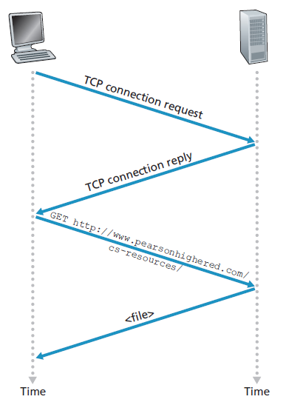
3 | Protocol stack (top down) | application layer: Internet application layer- HTTP (Web), SMTP (email), FTP (files), DNS message - packet of information at the application layer, API. transport layer: transports application layer messages between application endpoints TCP/UDP segment - a packet of information at the transport layer TCP - Transmission Control Protocol- requires an established connection to transmit data, connection closed while complete. UDP - User Datagram Protocol- connectionless, no error checking, faster | network layer: moving network layer segments (datagrams). IP protocol link layer: link physical layer: physical
4 | Application Layer | Socket: Interface between the application layer and the transport layer within a host. API. socket = combination of IP address & port number (S# = IP# & P#) IP address: intuition - 32 bit quantity that uniquely identifies the host/device Port (Port number): identifies the application or service running on the computer (since one IP address/device can have many applications running). e.g web servers uses port 80 | HTTP: HTTP client sends a request message to the server via it's own socket. Server receives request message from client via it's own socket. File is sent (HTML/JS/CSS, file, etc) for client's computer to interpret. Stateless property - each request message can be understood in isolation, not dependent on state. HTTP request structure: request line - method field, URL field, HTTP version field header lines - Host, Connection, User-Agent (Browser type), Accept Language HTTP response structure: status line - protocol version, status code, status message header lines - date, server, last-mod, content length, content-type entity body - content | HTTP request methods (verbs): POST - "create" new resources to the destination host (change in state of server/host)- can have multiple values GET- read or retrieve/request an object, with requested object identified in the URL field PUT - send data to a server/host. Idempotent (only one value max) HEAD - same as GET but without response body, useful for testing DELETE - delete resource | Cookies: Intuition - unique ID/user number that allows web server to track/identify user. Process: client sends http request, server sends response with set-cookie. Browser will append hostname and ID number in set cookie to it's local cookie file. For future requests, browser will send HTTP request with cookie, server can track and store info on back-end about user.
 |  | 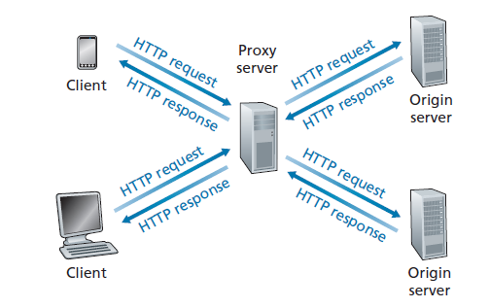 web cache/proxy server: intermediate server/network entity that satisfies HTTP requests on behalf of original web server. | DNS - Domain Name Server: DNS lookup/resolution - convert hostname to IP address DNS Recursive Resolver > Root nameserver > DNS TLD nameserver > Authoritative nameserver. Hierarchy of nameserver | CDN- Content Delivery Network: CDN manages servers in multiple geographically distributed locations cluster selection strategy - mechanism for dynamically directing clients to a server cluster within CDN
 |  | socket programming: programs for creating sockets and sending data from client socket to server socket and back. Skipped socket programming with UDP socket programming with TCP (welcoming socket and customsocket for client- two way connection, but 3-way handshake concept)
 |  |  | Data Structures & Algorithms (Cormen)
0 | Content | Cormen's Introduction to Algorithms: [foundations] ---1. Role of algorithms in computing--- ---2. Getting started--- ---3. Growth of functions--- ---4. Divide-and-conquer--- 5. Probabilistic analysis and randomized algorithms--- [sorting and order statistics] ---6. Heapsort--- ---7. Quicksort--- ---8. Sorting in linear time--- ---9. Medians and order statistics--- [data structures] ---10. Elementary data structures--- ---11. Hash tables--- ---12. Binary search trees--- ---13. Red-Black trees--- ---14. Augmenting data structures--- | (Cont.): [Advanced analysis and design] ---15. Dynamic programming--- ---16. Greedy algorithms--- ---17. Amortized analysis--- [Advanced data structures] ---18. B-trees--- ---19. Fibonacci heaps--- ---20. Van Emde Boas trees--- ---21. Disjoint set data structures--- [Graph algorithms] ---22. Elementary graph algorithms--- ---23. Minimum spanning trees--- ---24. Single-source shortest paths--- ---25. All pairs shortest paths--- ---26. Maximum flow--- | (Cont.): [Selected topics] ---27. Multithreaded algorithms--- ---28. Matrix operations--- ---29. Linear programming--- ---30. Polynomials and Fast Fourier Transforms--- ---31. Number-theoretic algorithms--- ---32. String matching--- ---33. Computational geometry--- ---34. NP-completeness--- ---35. Approximation algorithm---
1 | introduction and insertion sort | book structure: chapter 1 - algorithm overview and place in sorting system chapter 2 - sorting algorithms chapter 3 - asymptotic notation chapter 4 - divide and conquery algorithms chapter 5 - probabilistic analysis and randomized algorithms algorithm as a function: a computational procedure that takes a set of values as inputs in the format of a data structure and produces a set of values as outputs. So: F: ℝn --> ℝn and y = f(x). algorithms operate on data structures algorithm as a computational process (bridge): computational problem - the general input/output relationship algorithm - the computational process that transforms the input into the output under the hood - just a sequence of operations to transform the input into the desired output | instance (of a problem): an instance of input correctness of algorithm: correct - ∀i, it halts with the correct output. incorrect - ∀i, it may not halt with the correct output big O notation: O(f(n)) - the number of operations needed to reach correctness for an instance of size n. | insertion sort: <insert here> loop invariant: loop invariant - a property of a loop that is true before and after each iteration of a loop (initialization, maintenance, termination) loop stages: initialization - property is true before first iteration of loop maintenance - is true before next iteration termination - what happens to this property after the loop? in the acse of insertion sort, if the loop invariant property P of the subarray A[1-j] being sorted holds true for 3 phases, then this is "proof". | types of data structures: arrays linked list stacks queues hash tables trees (binary tree, binary search tree, heaps, treaps) heaps graphs bubblesort: inefficient sorting algorithm to "bubble" the largest element per pass to the rightmost position.
 |  | analysis (of algorithm): analysis refers to predicting resources it will require RAM implementation model for book: arithmetic, data movement (load, store, copy), control (call, [un]conditional branch, return] input size: the size of input. Varies per algorithm (array size, total number of bits, etc) running time: number of primitive steps executed cost: statement cost (Ci) - the time it takes to execute that line of code breaking down the algorithm into ∑ci ni - cost for that step c multiplied by the number of times it is ran, where i is each command in the program | cost functions C(n): linear - C(n) = an+b quadratic - C(n) = an2+bn+c running time scenarios: worst case - upper bound running time average case - expected running time best case - lower bound running time usually varies due to input/domain variation order of growth/rate of growth ϴ(f(n)) abstract away individual statement cost Ci abstract away non-leading terms abstract constants
2 | divide and conquer (merge sort) | approaches: incremental (step by step) divide and conquer (recursive) divide and conquer/recursive approach: divide - divide problem into small subproblems conquer - solve the subproblems to yield solutions combine - combine solutions to yield overall solution divide and conquer is always recursive | merge sort (recursive sort) divide and conquer. Divide n-length sequence into n/2, sort each one, then compare the two least elements in L & R, then assign the first element of the main array A to be the least element from that comparison. Do it again until L or R exhausts, then fill up the rest. But recurse this until we break the n-length sequence into root nodes of one element only. Under the hood, the basic operation is just a comparison. merge(L,R,A) - algorithm to pick from two sorted arrays mergesort(A): //form your L, R call mergesort(L) call mergesort(R) merge(L,R,A) | recurrence relation: not series recurrence relation in math. This one describes the time T taken to solve the problem of size n in terms of the running time on smaller inputs a - number of subproblems 1/b - fraction of subproblem size of original ϴ(nlogn) - log n splits, n for D and C step
3 | growth of functions | asymptotic efficiency of algorithm: f(n) = ϴ(g(n)) lim n-->∞, Big O vs big ϴ vs big Ω: O - upper bound ϴ - range/sandwich Ω - lower bound ϴ(g(n)) = {f(n): ∃ c1,c2,n0 | 0 <= c1 g(n) <= f(n) <= c2 g(n) ∀ n >= n0) ϴ(g(n)) = {f(n): ∃ c,n0 | 0 <= f(n) <= cg(n) ∀ n >= n0) Ω(g(n)) = {f(n): ∃ c,n0 | 0 <= cg(n) <= f(n) ∀ n>= n0) | asymptotic tight bound: tight means it gets closer/approaches but never crosses or hits. asymptotically tight means it never crosses or hits at asymptotic levels (e.g lim n --> ∞) recurrence solving methods (skipped): methods for obtaining ϴ or O bounds (complexity) from a recurrence relation function Substitution method - guess bound, then use mathematical induction to prove guess correct. Recursion tree method - convert into tree with base cases and use bounding summations (like above) master method | maximum subarray problem: finding the largest possible sum of a contiguous subarray (skipped details) - brute force (O(n3)/O(n2), D&C (O(nlogn)), Kadane (n) strassen's algorithm: standard algorithm for matrix multiplication
5 | sorting and order statistics | contents: heapsort quicksort sorting in linear time medians and order statistics in place: a sort is in place if at most for any n, a constant number of elements of the input array are ever stored outside the array, in sorting, inplace sorts are usually by changing positions, but not creating new copies | 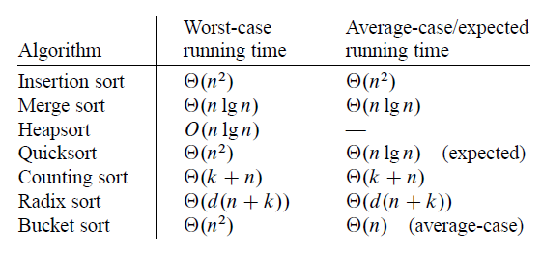 | order statistic: the ith order statistic of the set of n numbers is the ith smallest number in the set
6 | data structures (dynamic sets | dynamic set (computer science): a mathematical set that can grow, shrink or change over time. Each element in the dynamic set is represented by an object, with attributes Dictionary: dynamic set that with operations of insert elements into, delete elements from, and test membership | dynamic set operations: stuff (operations) we can perform on the set queries - return information about the set modifying operations - operations that change the set SEARCH, INSERT, DELETE, MINIMUM, MAXIMUM, SUCCESSOR, PREDESESSOR
7 | heaps | heap indexing: parent- floor[(i-2)]/2] left child- 2i right child- 2i+1 | heap: An array that satisfies the heap property. Max heap - A[Parent(i) >= A[i] Min heap- A[Parent(i) <= A[i] height of heap: |E(N)|- number of edges on downward path of a node N to leaf node. ϴ(lg(n)) heap construction: under the hood, if you implement a heap object which is an array with some properties and methods, you now have an array that behaves like a heap! | heap object: MAX-HEAPIFY(A,i) - check if A[i] satisfies max heap property (it is larger than it's L/R children), if not, float it down BUILD-MAX-HEAP(A) HEAPSORT(A) priority queue abstraction: MAX-HEAP-INSERT, HEAP-EXTRACT-MAX HEAP-INCREASE-KEY HEAP-MAXIMUM | heapsort: (here) intuition- essentially, use max-heapify to push up the largest element to the root, then swap it with the smallest element, remove the largest element, and repeat. This has a recurisve sorting effect.
8 | stacks and queues | stack: LIFO - a literal stack, you can only PUSH and POP the top element. Last piece of data must come out first. stack pointer: S.top - index value of the top of the stack. If S.top = 0, it is an empty stack. This attribute creates the stack abstraction STACK-EMPTY(S) PUSH(S,x)- s.top = s.top + 1, s[s.top] = x. Increment pointer by 1, assign new value. POP(S,x)- s.top = s.top - 1, return s.top-1. O(1) time. overflow/underflow: overflow - S.top > n (where n is size of array) underflow - if we pop an empty stack | 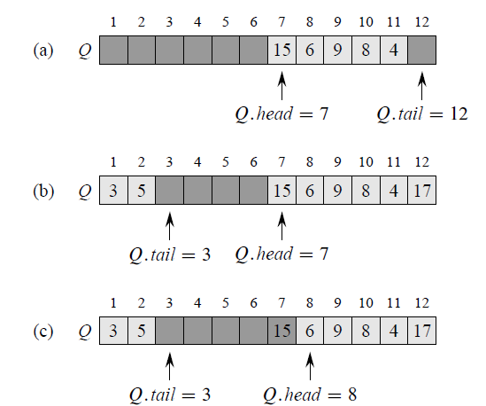 queue: q.head - first element pointer q.tail - pointer that points to the last element + 1 ENQUEUE(Q,x) - Q[Q.tail] = x, if Q.tail == Q.length: Q.tail = 1, else Q.tail = Q.tail+1 - simply assign x to the tail and increment the tail. DEQUEUE(Q) - simply increment the head by 1.
9 | linked list | linked list: head, tail, next, previous, key single-linked- object consists of {key, next pointer} doubly-linked- object consists of {previous,key,next] circular-linked link intuition: data structure with objects in linear fashion, but linear order is determined by the pointer for each object. Under the hood, you are just using the pointer to jump memory addresses creatively. |  | searching a linked list: LIST-SEARCH(L,K) - assign a head, then while x != nil and x.key != k: x = x.next. Start from head and jump pointers till insertion/deletion: intuition - splicing pointers | implementing pointers and objects: ()
10 | hash tables | intuition: dynamic set that only supports INSERT, SEARCH, DELETE operations key --> hash --> index/pointer/memory address (slot). No order. hash function: deterministic (no randomness), uniformly distributed. h(k) h: U --> {0,1,...,m-1} collision: h(k1) = h(kj) | 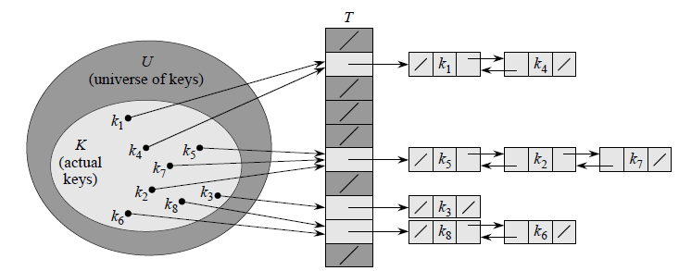 direct addressing: small subset S of universe U of keys - S = {0,1, ..m-1}. Direct address table T[0,1,…m-1], slots. No hashing. Depends on a small subset S, e.g positive integers. Chaining: T[j] is the head of a linked list of all keys where H(ki) = j |  | implementation (surface level): CHAINED-HASH-INSERT(T,x)- insert x at the head of T[h(x.key)] - Ω(1) CHAINED-HASH-SEARCH(T,k)- search for an element with key k in list T[h(k)] CHAINED-HASH-DELETE
11 | hash functions | load factor: hash table T with m slots and stores n elements - load factor α for T = n/m - average number of elements stored in a chain. Worse case - all n elements map to 1 slot - O(n) simple uniform hashing: any given element is equally likely to has into m slots. E[nj] = α - expected value of n, or the number of elements in the list at any given slot m, is α , under the SUH assumption. unsuccessful/successful search average time: ϴ(1+α)- the average search time for both unsuccessful and successful search. unsuccessful - key k is not within table. successful - key k is within table. | common hash functions: N assumption - keys as natural numbers (character string as integer in radix/ASCII) division method - h(k) = k mod n multiplication method - h(k) = floor( n( kA mod 1 ) ) universal hashing: P(h(x) = h(y)) <= 1/m for h є H by randomizing choice of hash functions at runtime, guarantee that every sequence of operations has good average case running time | designing universal hash function set: uses number theory. Prime number p and linear transformation or something. Something to do with varying prime numbers as inputs to a function that outputs a domain of universal hashes | open addressing: open addressing - all elements occupy the hash table itself. Probe- successfully examine the hash table until we find an empty slot to put the key Linear probing quadratic probing double hashing
12 | binary search trees (BST) | binary search tree property: x.key >= y.key if y is a node of the left subtree of x. y.key >= x.key if y is a node of the right subtree of x. each node is greater than every node in it's left subtree
1 | disjoint set data structures | disjoint set data structure: S = {S1,S2, …, Sk}. Representative - some member of the set, which does not matter operations: MAKE-SET(x) - creates new set whose only member (and representative) is x. UNION(x,y) - unites dynamic sets Sx and Sy into a new set that is the union of the two sets FIND-SET(x) - returns pointer to representative of Sx.
2 | graph representations and list of algorithms | adjacency matrix: consider G = (V,E) be a (p,q)-graph. Then p x p matrix A = [Aij], where each row and column corresponds to a distinct vertex of V. aij = 1 if vi is adjacent to vj in G and aij = 0 otherwise. Symmetric (0,1) matrix, zeros down main diagonal. adjacency list: array adj of |V| lists, one for each vertex in V (length of array). Each u є V(G), adj[u] contains all vertices v such that there is an edge (u,v) є E(G) | list of algorithms: BFS/DFS - for traversing and computing distances and finding connected components UFDS - connecting components Prim's - find MST of weighted undirected graph, better for dense graphs Kruskal's - find MST of weighted undirected graph Sollin/Borůvka's - find MST of weighted undirected Djikstra's - find SPT Bellman-Ford's - more generalized Djikstra that can be used with negative weights
 |  |  | Computer Systems (O' Hallaron)
0 | content | O' Hallorans Computer Systems: ---1. A tour of computer systems--- ---2. Representing and manipulating information--- ---3. Machine-level representation of programs--- ---4. Processor architecture--- ---5. Optimizing program performance--- ---6. The memory hierarchy--- ---7. Linking--- ---8. Exceptional control flow--- ---9. Virtual memory--- | (Cont.): ---10. System level I/O--- ---11. Network programming--- ---12. Concurrent programming---
1 | A tour of computer systems | information is bits: covered concepts in EOCS programs that are translated into other programs by other programs: see picture | Processor (CPU): Program counter (PC)- word sized register that points to (contains the address of) some machine-language instruction in main memory at any point in time. Repeated execution - from power on to off, processor repeatedly executes the instruction pointed at by PC and updates PC to point to next instruction. Register file - CPU's internal registers that can load from main memory or store it's own contents into main memory Instructions - CPU will execute the instruction in the program counter and load the next one (e.g load, store, operate, jump, etc) Overall hello.c process: 1. USB device → i/o bridge → CPU register → main memory 2. disk → main memory (instructions) 3. CPU copies machine language in memory → CPU register → executes instructions → i/o bridge → graphics adapter → screen output | Caching/Cache: speed of access vs size of memory - the larger the memory, the slower the copy (physical laws) processor-memory gap - processor can read and execute much faster from register than memory cache memories - additional memory in close proximity to CPU/register. L1, L2, L3. Exploit locailty by storing commonly accessed information in cache. A larger, slower register. Optimization | 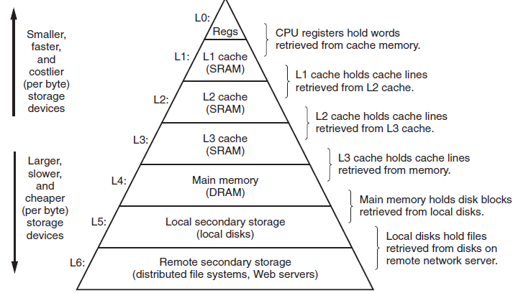 memory hierarchy: The notion of inserting a smaller, faster storage device between processor and large, slow memory = memory hierarchy
 | (Computer System - OS, Processes, Context Switching, Kernel, Threads) | 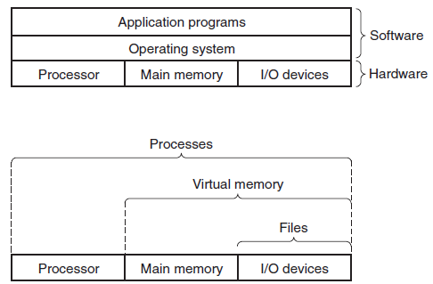 Operating system: definition - layer of software interposed between the program and hardware. processes virtual memory files | Process (OS): The operating system's abstraction for a running program. Each program is represented by a process. Multiple processes can run concurrently on the same program. Concurrency (context-switching, multiprocessing) (OS): context switching - instructions of one process are interweaved with instructions of another process. Not "true" concurrency at time t. multiprocessing - multiple processes execute on different cores at time t. Cores - Multiprocessor system (many cores) vs uniprocessor system (1 core) The core of a CPU. Multiple cores allows for actual concurrent execution of programs. Context and context switching (OS): Context-Set of all state information that the process needs in order to run. Context switch - save context of current process, restore context of new process, pass control to new process. | 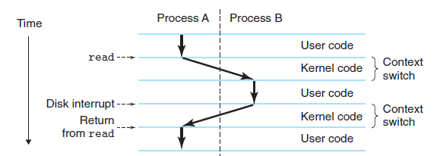 System call (process): A special function call from the process to the OS/Kernel, who saves the context of the process and switches over to another one. Kernel: Core of the computer's operating system. Always resident in memory. Loading at boot - Entire Kernel is loaded into memory at boot. Complete Control - complete control over everything in OS
 | (Systems of systems) | Threads: Basic component of a process. Multiple components/threads can be executed at the same (as long as they do not do the same thing). Concurrency control done through locking (SICP) Components - Thread ID, program counter, register set and stack. Threads share from their base process a code section, data section etc.. Virtual memory: Virtual address space - space of all memory. Column format with height Virtual memory - abstraction that provides each process with illusion that it has exclusive control of the main memory. Partitions (bottom to top) - Program code and data, heap, shared library, stack, kernel VM. Files: A file is a sequence of bytes. I/O devices - every I/O device is modelled as a file. I/O device - for input to a device, and output to a device (humanistic) | Network: A system of systems (where each individual system is the aforementioned system). Communication - just as components of the machine send data as streams of bytes to one another intra-system, systems can receive data from other systems and send them as streams of bytes, allowing interconnectedness, interactivity. Network as another i/o device - the key idea/abstraction. This way, your input on one computer can be send to another computer as input, and conversely. Network as an extension of functionality idea - if you have access to one element (system) of the set, you have access to the entire set (system of systems) | 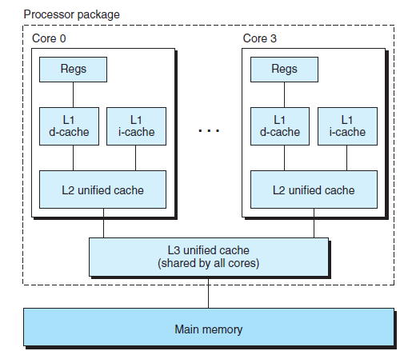 Amdahls law: S = 1/[(1-a) + a/k], where a = fraction of time of part of system, k = improvement factor. The idea is that you need to speedup all parts of the system to have a significant speedup.
 | (Concurrency and Parallelism) | Concurrency (CS): General concept of a system with multiple, simultaneous activities Parallelism: Use of concurrency to make a system run faster. 3 levels of concurrency abstraction/parallelism from high to low level | Thread level concurrency: Hyperthreading - simultaneous multi-threading on multicore systems - each core takes e.g 2 threads and total 4 cores so 8 threads running at the same time. Instruction level parallelism: ??? SIMD parallelism: Single instruction, multiple data parallelism - one instruction causes multiple operations to be performed in parallel | key idea - layers of abstraction: files as an abstr(I/O device), virtual memory = abstr(program memory) virtual machine - abstraction of a computer
9 | Network programming | client server model: a server process with multiple client processes (many-to-one), that performs transactions. resource: structured data on a server (content), or connected to a server. service: a resource manipulation, that is then sent to client. Transaction: a fundamental operation in the client server model. Requests, service, response, client side manipulation | request: the client initiates a transaction specifying what kind of service it wants service: the server receives the request and performs the service response: the server sends the service to the client client side manipulation: the client receives the service and does client side manipulation | host: a a machine that can run multiple client-server models, it can be a server to multiple clients, or be a client to a server. Connection: a medium/process by which a clients and servers perform transactions consisting of sockets on either end, which must go through the 4 layers of Internet (application, transport, network and link) socket: an endpoint of connection, consisting of a socket address. socket address: an IP address (unsigned 32-bit integer) and a 16-bit integer port port: represents a connection. Because one IP address can have multiple connections, hence Ports to distinguish.
 |  |  | Structure and Interpretation of Computer Programming (Sussman)
0 | Content | Sussman and Abelson's SICP: [Building abstractions with procedures] ---1. Elements of programming--- ---2. Procedures--- ---3. Formulating abstractions with higher order procedures--- [Building abstractions with data] ---4. Introduction to data abstraction--- ---5. Hierarchical data and closure property--- ---6. Symbolic data--- ---7. Representations for abstract data--- ---8. Systems with generic operations--- [Modularity, objects and state] ---9. Assignment and local state--- ---10. Environment model of evaluation--- ---11. Modelling with mutable data--- ---12. Concurrency--- ---13. Streams--- | (Cont.): [Metalinguistic abstraction] ---14. The metacircular evaluator--- ---15. Lazy evaluation--- ---16. Nondeterministic computing--- ---17. Logic programming--- ---18. How the query system works--- ---19. Implementing the query system--- [Computing with register machines] ---20. Designing register machines--- ---21. Register-machine simulator--- ---22. Storage collection and garbage allocation--- ---23. The explicit-control evaluator--- ---24. Compilation--- | The three Foci of phenomena: The human mind, collections of computer programs, the computer Procedural epistemology: the study of the structure of knowledge from an imperative point of view Book intuition: SICP seems to provide a "rigorous" style mathematical framework for viewing computer programming.
1 | Building abstractions with procedures | Meta concepts: Computational process: Result of the execution of a program. Modular nature of system design: parts can be constructed, replaced, and debugged separately Procedure: abstraction of an operation (execution of instructions) - basically a function. | The Elements of Programming: The 3 core mechanisms of a language: primitive expressions -the simplest entities the language is concerned with means of combination- which compound expressions are built from simpler ones and evaluated. means of abstraction (humanistic)- means by which compound elements can be named and manipulated as units (inherently humanistic process) 3 core mechanisms illustrated with simple arithmetic: primitive expressions example: operator, operands (arguments), delimiters. evaluation rule (means of combination): evaluation rule - a system of evaluating a combination of primitive expressions, recursive nature, tree accumulation, special forms - to produce a result naming (means of abstraction): naming/variable | environment (humanistic): the memory the interpreter uses to keep track of name-object pairs (e.g variable-value pairs). Essentially a lookup table. In different contexts, the program uses a different environment syntax: the various kinds of expressions and their respective evaluation rules types of evaluations: normal order evaluation (fully expand and then reduce) applicative order evaluation (evaluate arguments then apply) | Case analysis (logic): cond Predicate: an expression whose value is interpreted as True or False
 |  | procedure definitions (functions): abstraction of a compound operation (give it a name) and then referred to as a unit. Procedural abstraction: a black box - we care not the details of the procedure, but merely it's implementation | locality, scope, bound and free variables: a procedure should be independent of the parameter names used by it's author. This implies parameter names of a procedure must be local. bound variable - declaration of formal parameters in a procedure by definition binds these parameters and they become bound variables. free variable - the complement of a bound variable scope - set of expressions for which a binding defines a name. In local scope (e.g the expressions of the procedure, the parameter is thus bound) | procedure as local evolution: a procedure is a pattern for local evolution of a computational process. Stonks...
 |  | Procedures and the processes they generate: ---skipped--- | Higher order procedures: Procedures as arguments: a procedure can be used as the actual argument of another procedure, provided they share the same formal parameter. Procedures as lambda: used when you need a function for a short period of time (no need for longevity). Quick one. Procedures as returned values: ---skipped---
2 | Building abstractions with data | Introduction to data abstraction: Constructing and abstracting compound data structures: constructor - an operation that constructs the data object selector - an operation to select an element/subset of data from the compound data structure mutator - an operation to modify data objects Data Abstraction: a methodology that enables us to isolate a compound data object from the details of it's construction Abstraction barriers: ---skipped--- | Hierarchical data and the closure property: Representing sequences: Hierarchical structures: Sequences as conventional numbers: Symbolic data: Multiple representations for abstract data: Systems with generic operations:
3 | Modularity, objects, and state | List: 1. Assignments and local state 2. Environments 3. Mutable data 4. Concurrency 5. Streams Modularity: A system that is divided naturally into coherent parts that can be separately developed and maintained Program design strategy ("world view"): Object oriented - view a large system as a collection of distinct objects whose behaviors may change over time (state evolution) Streams - concentrate on the streams of informational flow in the system Functional - programming without the use of assignment of state | Assignment and local state: Local state variables of the computational object: state of an object is defined by a local state variable benefits of assignment (of local state): costs of assignments | Environment model of evaluation: the environment model: environment - sequence of frames frames - table of bindings binding - associates a variable name with their corresponding values enclosing environment - the environment that "encloses" another. pointer - each environment should have pointers to it's enclosing environment evaluation in a global environment: in the global, all procedure names are evaluated as λ-expression, then given a name. intuition: new environments can be created, containing frames, with bindings, when necessary. e.g in a procedure scope, then it must run a local environment. | 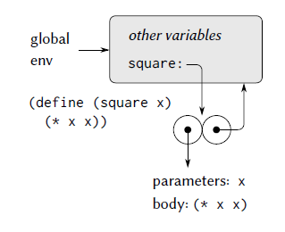
 |  | Frames as the Repository of Local State: Internal definitions: functions (procedures) names may be evaluated globally, but within the procedure (block structure), a new environment that is subordinate to global is created to store procedurally local variables. | Modelling with mutable data: Mutable list structure: Sharing and identity: Mutation is just assignment: | Concurrency: Time is of the essence: Time element/dimension of object-state model: Successive evaluation of same expression can yield different values depending on order of assignment. Serialization (concurrency control mechanism): serialization creates distinguished sets of procedures such that only one execution of a procedure per set can happen at a time. S1 = {A,B,C}, S2 = {X,Y,Z}, then A⋂Z can occur but A⋂B cannot. Grouping intuition. Mutex (mutual exclusion)/lock: an object that can be acquired and released. Synchronization primitive. Each serializer has an associated mutex.
4 | Metalinguistic abstraction | The metacircular evaluator (interpreter): Lazy evaluation Nondeterministic programming Logic programming
 |  |  | Linux (Bash)
0 | Contents | Ubuntu: Linux distribution based on Debian WSL- Windows Subsystem for Linux: Windows Subsystem for Linux (WSL) is a compatibility layer for running Linux binary executables (in ELF format) natively on Windows 10 and Windows Server 2019. | Corey Schafer - Running Linux/Bash using WSL in Windows 10: 1. Download and install Ubuntu 2. Try it out.
 |  |  |  |  |  | x

