Sheet1
 | Russia | Ukraine
Coordinated Inauthentic Behavior |  | 2
Cyber-Enabled Information Operation | 6 | 4
Cyberespionage | 3 | 17
DDoS | 62 | 130
Defacement | 6 | 12
Financial Fraud
Hack and Leak | 68 | 6
Malware | 2 | 17
Other/Unknown | 11 | 21
Phishing | 2 | 16
Ransomware | 5 | 1
Spam |  | 1
Wiper | 15 | 2
 | Russia | Ukraine
January |  | 8
February | 10 | 28
March | 33 | 31
April | 33 | 12
May | 11 | 6
June | 16 | 9
July | 8 | 21
August | 22 | 31
Spetember | 18 | 34
October | 11 | 23
November | 5 | 37
December |  | 2
Type | Russia | Ukraine | Total | Month | Russia | Ukraine | Total
Coordinated Inauthentic Behavior |  | 2 | 2 | January |  | 8 | 8
Cyber-Enabled Information Operation | 6 | 4 | 10 | February | 10 | 28 | 38
Cyberespionage | 3 | 17 | 20 | March | 33 | 31 | 64
DDoS | 62 | 130 | 192 | April | 33 | 12 | 45
Defacement | 6 | 12 | 18 | May | 11 | 6 | 17
Financial Fraud |  |  | 0 | June | 16 | 9 | 25
Hack and Leak | 68 | 6 | 74 | July | 8 | 21 | 29
Malware | 2 | 17 | 19 | August | 22 | 31 | 53
Other/Unknown | 11 | 21 | 32 | Spetember | 18 | 34 | 52
Phishing | 2 | 16 | 18 | October | 11 | 23 | 34
Ransomware | 5 | 1 | 6 | November | 5 | 37 | 42
Spam |  | 1 | 1 | December |  | 2 | 2
Wiper | 15 | 2 | 17 |  | Total Attacks |  | 409
 | Total Attacks |  | 409

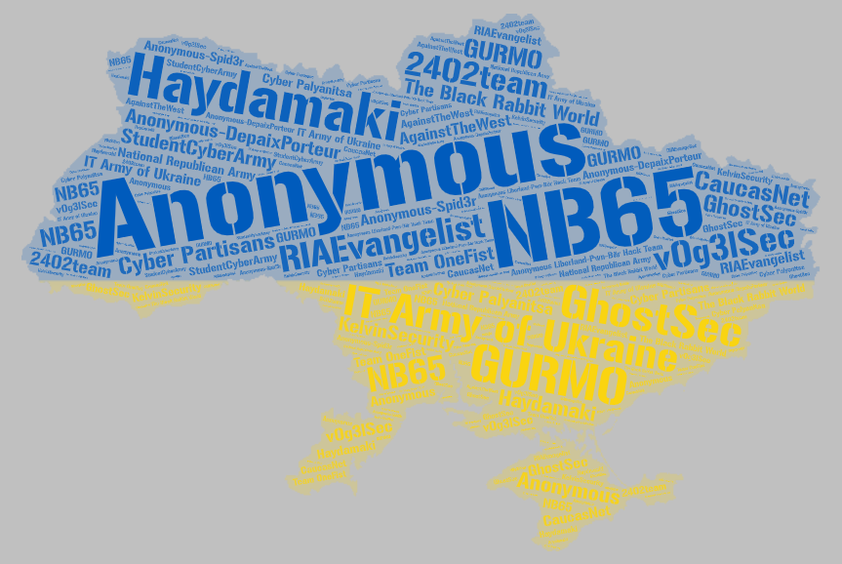
Allegiance to Ukraine
Name | Type | Country | Attacks
Anonymous | Collective | Unknown | 55
IT Army of Ukraine | Nation State | Ukraine | 39
NB65 | Collective | Unknown | 9
Haydamaki | Collective | Ukraine | 9
GhostSec | Collective | USA | 4
Anonymous-DepaixPorteur | Collective | Unknown | 3
GURMO | Nation State | Ukraine | 2
RIAEvangelist | Individual | USA | 2
The Black Rabbit World | Collective | Unknown | 2
StudentCyberArmy | Collective | Ukraine | 2
v0g3lSec | Collective | Unknown | 2
Cyber Partisans | Collective | Belarus | 2
2402team | Collective | Unknown | 1
Cyber Palyanitsa | Collective | Ukraine | 1
National Republican Army | Collective | Russia | 1
AgainstTheWest | Collective | Unknown | 1
KelvinSecurity | Cybercriminal | Unknown | 1
CaucasNet | Unknown | Unknown | 1
Team OneFist | Collective | Ukraine | 1
Anonymous-Spid3r | Collective | Unknown | 1
Anonymous Liberland-Pwn-Bär Hack Team | Collective | Unknown | 1

Allegiance to Russia
Name | Type | Country | Attacks
NoName057(16) | Collective | Russia | 171
Anonymous Russia | Nation State | Russia | 100
Killnet | Collective | Russia | 85
People's CyberArmy | Collective | Russia | 64
Russian Hackers Team | Collective | Unknown | 19
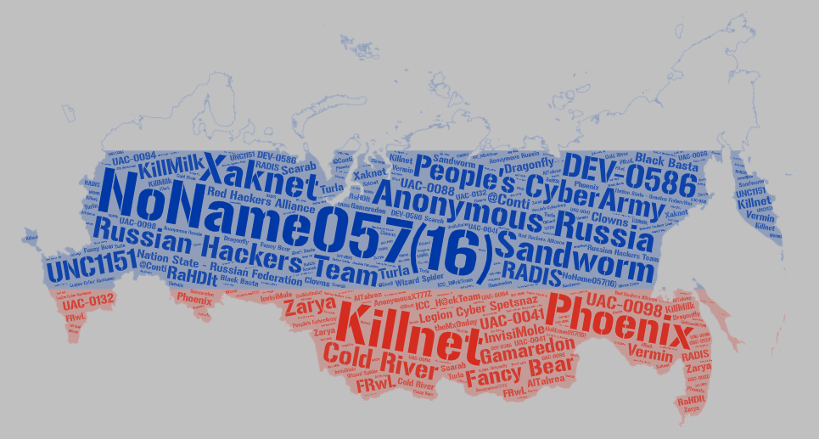
Phoenix | Collective | Russia | 18
Sandworm | Nation State | Russia | 16
Xaknet | Individual | Russia | 14
DEV-0586 | Collective | Russia | 10
Legion Cyber Spetsnaz | Collective | Russia | 8
Fancy Bear | Collective | Russia | 8
UNC1151 | Collective | Belarus | 7
Gamaredon | Collective | Russia | 6
Nation State - Russian Federation | Collective | Russia | 5
Cold River | Collective | Russia | 3
KillMilk | Collective | Russia | 3
RADIS | Cybercriminal | Unknown | 3
UAC-0098 | Unknown | Russia | 2
UAC-0041 | Collective | Russia | 2
Zarya | Collective | Russia | 2
ICC_H@ckTeam | Collective | Russia | 2
Red Hackers Alliance | Collective | Unknown | 1
InvisiMole | Collective | Russia | 1
Dragonfly | Collective | Russia | 1
RaHDIt | Collective | Russia | 1
UAC-0132 | Collective | Unknown | 1
Black Basta | Collective | Russia | 1
AnonymousX777Z | Collective | Unknown | 1
Vermin | Collective | Ukraine | 1
Wizard Spider | Collective | Russia | 1
FRwL | Collective | Russia | 1
@Conti | Collective | Russia | 1
AlTahrea | Collective | Iran | 1
UAC-0094 | Collective | Unknown | 1
Scarab | Collective | China | 1
UAC-0088 | Collective | Unknown | 1
Turla | Collective | Russia | 1
Clowns | Collective | Unknown | 1
theMx0nday | Collective | Brazil | 1

