SELECT
Query # | Name | Author | Checked? | Difficulty | Points | Task | Sample Call | Sample Results
S1 | hospital_transactions_report | ty.zhang@ | KA | H | 6 | For a given hospital, retrieve all transaction records, including transaction id, total_price, and date. Input: hospital's name and sort column and sort direction. | hospital_transactions_report("Children's Healthcare of Atlanta", 'id', 'DESC');
S2 | num_of_admin_list | ty.zhang@ | KA | M | 0 | Retrieve the type and number of adminstrators for each business. | num_of_admin_list(); | 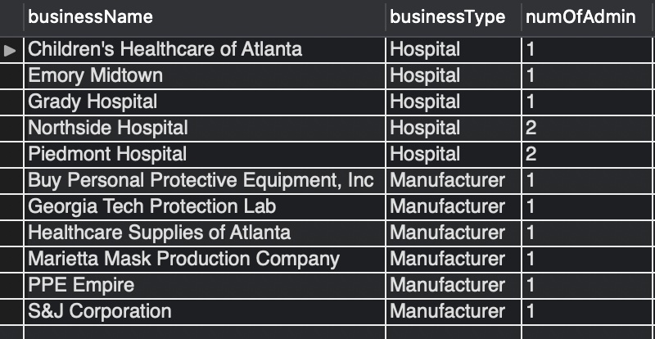
S3 | product_usage_list | ty.zhang@ | KA | M | 4 | For each product, display how many of the product has been used by doctors, In order of most used to least used. | product_usage_list(); | 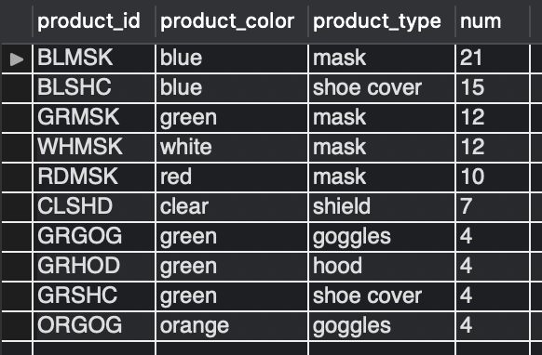
S4 | hospital_total_expenditure | ty.zhang@ | KA | H | 6 | Retrieve each hospital's total expenditure, number of transactions, and average cost per transaction. | hospital_total_expenditure();
S5 | manufacturer_catalog_report | kachtani3@ | KA | H | 6 | Retrieve the given manufacturer’s catalog with the product offering’s color, type, price, # sold, and revenue, in order of decreasing revenue. | manufacturer_catalog_report('Marietta Mask Production Company'); | 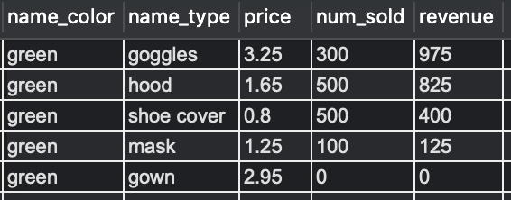
S6 | doctor_subordinate_usage_log_report | kachtani3@ | KA | M | 4 | For the given doctor, retrieve usage log entries for that doctor and all of his/her direct reports. | doctor_subordinate_usage_log_report(‘drmcdaniel’) | 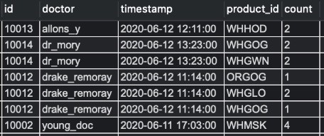
S7 | explore_product | klin83@ | KA | E | 2 | For a given product ID, retrieve all manufacturers that have this product, with their quantity and price. | explore_product('GRHOD')
S8 | show_product_usage | klin83@ | KA | M | 4 | For all products, show: A - The number of times that product has been used B - How much is currently available across all manufacturers Ratio of A/B (0 if either A or B is 0) | show_product_usage() | 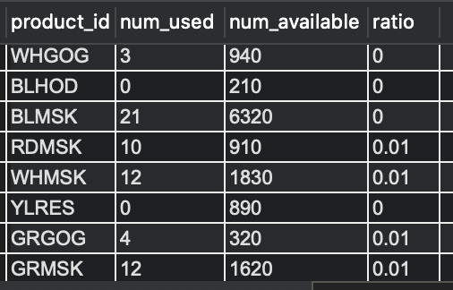
S9 | show_hospital_aggregate_usage | klin83@ | KA | M | 4 | Show the total count of PPE products that have been used by doctors in each hospital. | show_hospital_aggregate_usage()
S10 | business_search | ftsang3@ | KA | E | 2 | Displays all the businesses whose specified attribute (i_search_parameter) contains the given value (i_search_value). Displays all business values if search parameter unspecified. | call business_search('street','rd');
S11 | manufacturer_transactions_report | ftsang3@ | KA | M | 4 | For a given manufacturer, retrieve all transactions, including transaction id, date, hospital, transaction cost, and quantity of items sold | manufacturer_transaction_report('PPE Empire');
S12 | get_user_types | yxie@ | KA | M | 4 | For each user, show which of the five following types they fall into: {Doctor, Doctor-Manager, Doctor-Admin, Admin, Doctor-Admin-Manager} | get_user_types() | 