P1
HA1

HA2

HA1 looking north.
HA2 looking northwest.

Photos
[project name]
[city], California
[photo date]

P2
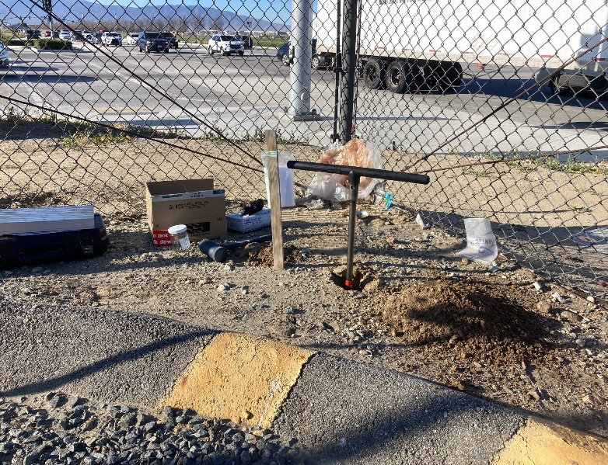
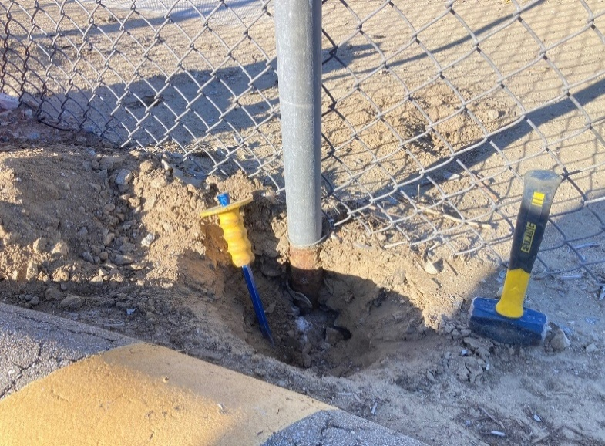

HA1
HA1
C1

Photo 1. Hand auger boring location HA1.
Photo taken looking southwest.
Photo 2. Concrete sample C1 from two fence post footings. Photo taken looking southwest.

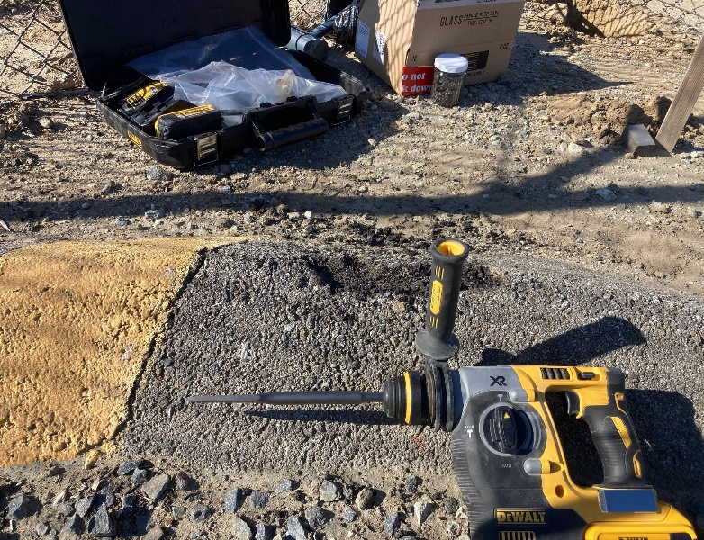
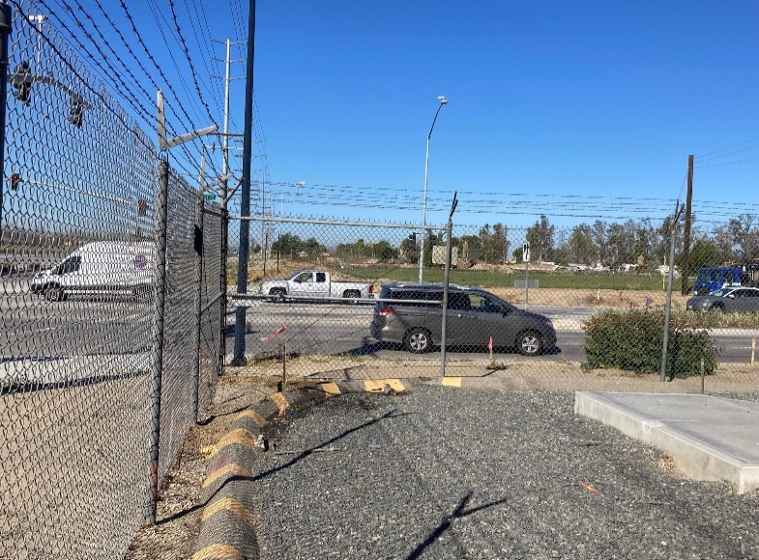

AC1
C1

HA1
AC1

Photo 3. Asphalt sample AC1 from asphalt berm.
Photo taken looking southwest.
Photo 4. Sample locations in southwest corner of Archibald Substation. Photo taken looking west.

Photos
Archibald Sub Fence

Northeast C/O Archibald Ave. & Ontario Ranch Rd., Mira Loma, CA

Photos obtained on March 11, 2022

P3
HA1
HA1
C1

Photo 1. Hand auger boring location HA1.
Photo taken looking southwest.
Photo 2. Concrete sample C1 from two fence post footings. Photo taken looking southwest.

AC1
C1

HA1
AC1

Photo 3. Asphalt sample AC1 from asphalt berm.
Photo taken looking southwest.
Photo 4. Sample locations in southwest corner of Archibald Substation. Photo taken looking west.

Photos
Archibald Sub Fence

Northeast C/O Archibald Ave. & Ontario Ranch Rd., Mira Loma, CA

Photos obtained on March 11, 2022

