Sheet1
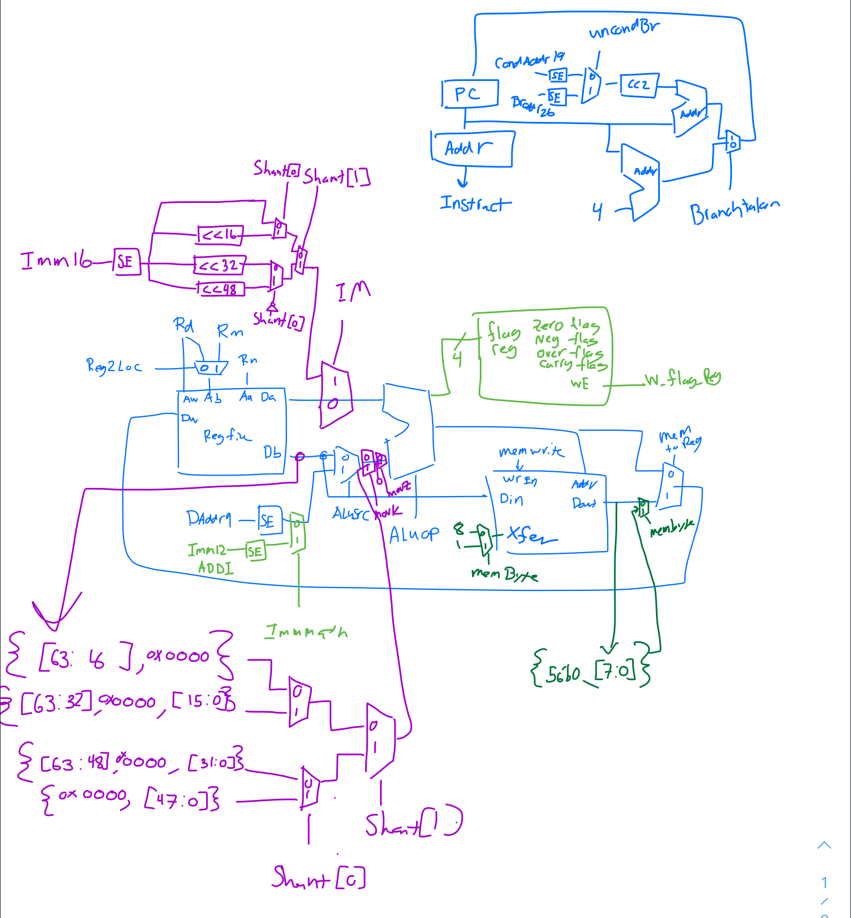

Opcode[31:21] | 1001000100x | 10101011000 | 000101xxxxx | 01010100xxx | 10110100xxx | 11111000010 | 00111000010 | 111100101xx | 110100101xx | 11111000000 | 00111000000 | 11101011000
Type | I | R | B | CB | CB | D | D | IM | IM | D | D | R
 | ADDI | ADDS | B | B.LT | CBZ | LDUR | LDURB | MOVK | MOVZ | STUR | STURB | SUBS
Reg2Loc | x | 1 | x | x | 0 | x | x | 0 | 0 | 0 | 0 | 1
ALUSrc | 1 | 0 | x | x | 0 | 1 | 1 | x | x | 1 | 1 | 0
MemToReg | 0 | 0 | x | x | x | 1 | 1 | 0 | 0 | x | x | 0
RegWrite | 1 | 1 | 0 | 0 | 0 | 1 | 1 | 1 | 1 | 0 | 0 | 1
MemWrite | 0 | 0 | 0 | 0 | 0 | 0 | 0 | 0 | 0 | 1 | 1 | 0
BrTaken | 0 | 0 | 1 | NegFlag | ALUZero | 0 | 0 | 0 | 0 | 0 | 0 | 0
UncondBr | x | x | 1 | 0 | 0 | x | x | x | x | x | x | x
ALUOp | add | add | x | x | pass B | add | add | or | or | add | add | sub
ImmMath | 1 | x | x | x | x | 0 | 0 | x | x | 0 | 0 | 0
FlagRegWrite | 0 | 1 | 0 | 0 | 0 | 0 | 0 | 0 | 0 | 0 | 0 | 1
IM | 0 | 0 | x | x | x | 0 | 0 | 1 | 1 | 0 | 0 | 0
MovK | 0 | 0 | x | x | 0 | 0 | 0 | 1 | 0 | 0 | 0 | 0
MovZ | 0 | 0 | x | x | 0 | 0 | 0 | 0 | 1 | 0 | 0 | 0
MemByte | x | x | x | x | x | 0 | 1 | x | x | 0 | 1 | x

