1. Title Page
[Instacart Grocery Basket Analysis]

Date: April 2024
Analyst Name: Ryan Smitz

Data source: "The Instacart Online Online Grocery Shopping Dataset 2017, Accessed from www.instacart.com/datasets/grocery-shopping-2017" via Kaggle

Contents:
Population Flow
Consistency checks
Wrangling steps
Column derivations
Visualizations
Recommendations

2. Population Flow
 |  |  | Title page

Population flow

Exclusion flag
Condition: max_order < 5
Obervations to be removed: 1440295
Final total count of order_products_all: 30964564

Orders_products_combined
Orders_products_merged
Orders_products_all

Total:
Total:
Total:
32434489 | 32404859 | 32404859

1.) The grey boxes in the first row of the population flow represent the original data sets as they were when you downloaded them. In the Total fields you need to add the count of the rows when you imported the data set into Jupyter.
2.) The second row of boxes (coloured) represents the data sets after you manipulated them, e.g., removed missing values and duplicates. In the Total fields you need to add the count of the rows after conducting these operations. This offers a visual oveview of how the data flows throughout the data consistency checks.
3.) The third row, where also the arrows are coloured, represents the merges you performed between the datasets. In the Total fields you need to add the count of the rows in the merged datasets, so that you end up with the final dataset (in the red box). Keep in mind the final dataset should be without exclusions (based on the exclusion flag).

3. Consistency checks
 |  |  |  | Title page
Consistency checks

Dataset | Missing values | Missing values treatment | Duplicates
orders | 206209 | no action taken as data correct | 0
products | 16 | removed rows with null values | 5
orders_products_prior | 0 | N/A | 0
customers | 0 | N/A | 0

4. Wrangling steps
 |  |  |  | Title page
Wrangling steps

Columns dropped | Columns renamed | Columns' type changed | Comment/Reason
eval set' |  |  | not relevant to analysis
 | order_dow to order_day_of_week |  | makes column title more intuitive and reader friendly
 |  | prices from float64 to int64 | easier calculations with price label
 |  | first_name in df_customers | mixed data type
 | Surnam to last_name, STATE to state, First Name to first_name, Gender to gender, Age to age, n_dependants to n_depdenents |  | makes each column more intutive, consistent, or spelled correclty

5. Column derivations
 |  |  |  | Title page

Column derivations and aggregations

In this tab you should add tables below that the frequences of flags/label variables that you produced after deriving them. NB: don't do this for continuous variables, only for flags.
Dataset | New column | Column/s it was derived from | Conditions
df_ords_prods_merge | price_range_loc | prices | 'High-range product' if the price is greater than 15, 'Mid-range product' if the price is between 5 and 15, and 'Low-range product' if the price is less than or equal to 5
df_ords_prods_merge | order_day_of_week_label | order_day_of_week | "Saturday" if the value is 0, "Sunday" if the value is 1, "Monday" if the value is 2, "Tuesday" if the value is 3, "Wednesday" if the value is 4, "Thursday" if the value is 5, and "Friday" if the value is 6
df_ords_prods_merge | busiest_day | order_day_of_week_label | If Saturday, then 'Busiest day'. If Wednesday, then 'Least busy'. For other days, then 'Regularly busy'.
df_ords_prods_merge | busiest_days | order_day_of_week_label | If Saturday, then 'Busiest day'. If Sunday, then 'Second busiest day'. If Wednesday, then 'Slowest day'. If Tuesday, then 'Second slowest day'. For other days, then 'Regularly busy day'.
df_ords_prods_merge | busiest_period_of_day | order_hour_of_day | If the order hour is 10, 11, 12, 13, 14, 15, 16, or 9, then 'Most_orders'. If the order hour is 7, 8, 17, 18, 19, 20, 21, or 22, then 'Average_orders'. If the order hour is 0, 1, 2, 3, 4, 5, 6, or 23, then 'Fewest_orders'.
df_ords_prods_merge_2 | loyalty_flag | max_order | If 'max_order' is greater than 40, then 'Loyal customer'. If 'max_order' is between 10 and 40, then 'Regular customer'. If 'max_order' is 10 or less, then 'New customer'
df_ords_prods_merge_2 | purchase_flag | average_purchase | If the average purchase is less than 10, then label it as 'Low Spender'. If the average purchase is 10 or more, then label it as 'High Spender'.
df_ords_prods_merge_2 | order_frequency_flag | median_order_frequency | If the median order frequency is greater than 20, then 'Non-frequent customer'. If the median order frequency is 10 or less, then 'Frequent customer'. If the median order frequency is more than 10 but 20 or less, then 'Regular customer'.
df_merged | region | state | If the state is Maine, New Hampshire, Vermont, Massachusetts, Rhode Island, Connecticut, New York, Pennsylvania, or New Jersey, then 'Northeast'. If the state is Wisconsin, Michigan, Illinois, Indiana, Ohio, North Dakota, South Dakota, Nebraska, Kansas, Minnesota, Iowa, or Missouri, then 'Midwest'. If the state is Delaware, Maryland, District of Columbia, Virginia, West Virginia, North Carolina, South Carolina, Georgia, Florida, Kentucky, Tennessee, Mississippi, Alabama, Oklahoma, Texas, Arkansas, or Louisiana, then 'South'. If the state is Idaho, Montana, Wyoming, Nevada, Utah, Colorado, Arizona, New Mexico, Alaska, Washington, Oregon, California, or Hawaii, then 'West'. Otherwise, 'Unknown'.
df_merged | activity_flag | max_order | If the maximum order is 5 or more, then 'Regular activity'. If the maximum order is less than 5, then 'Low activity'.
df_merged_regular_activity | parent_profile | department_id, age, n_dependents | If the age is between 19 and 55 inclusive, the department ID is 18, and there is at least one dependent, then 'infant parent'. If the age is between 19 and 55 inclusive and there is at least one dependent, then 'regular parent'. Otherwise, 'other'.
df_merged_regular_activity | income_profile | income | If the income is 45,000 or less, then 'low income'. If the income is more than 45,000 but less than 100,000, then 'mid income'. If the income is more than 100,000, then 'high income'. Otherwise, 'income unknown'.

price_range_loc Mid-range product 21859490 Low-range product 10127691 High-range product 417678 | order_day_of_week_label Saturday 6204182 Sunday 5660230 Friday 4496490 Monday 4213830 Thursday 4205791 Tuesday 3840534 Wednesday 3783802 | busiest_day Regularly busy 22416875 Busiest day 6204182 Least busy 3783802 | busiest_days Regularly busy day 12916111 Busiest day 6204182 Second busiest day 5660230 Second slowest day 3840534 Slowest day 3783802

order_hour_of_day 10 2761760 11 2736140 14 2689136 15 2662144 13 2660954 12 2618532 16 2535202 9 2454203 17 2087654 8 1718118 18 1636502 19 1258305 20 976156 7 891054 21 795637 22 634225 23 402316 6 290493 0 218769 1 115700 5 87961 2 69375 4 53242 3 51281 | busiest_period_of_day Most_orders 21118071 Average_orders 9997651 Fewest_orders 1289137 | loyalty_flag Regular customer 15876776 Loyal customer 10284093 New customer 6243990 | purchase_flag Low Spender 31772240 High Spender 632619

order_frequency_flag Frequent customer 21559853 Regular customer 7208564 Non-frequent customer 3636437 NaN 5 | region South 10791885 West 8292913 Midwest 7597325 Northeast 5722736 | activity_flag Regular activity 30964564 Low activity 1440295 | parent_profile other 17461932 regular parent 13322422 infant parent 180210

income_profile mid income 14238342 high income 14207028 low income 2518820 income unknown 374

6. Visualizations
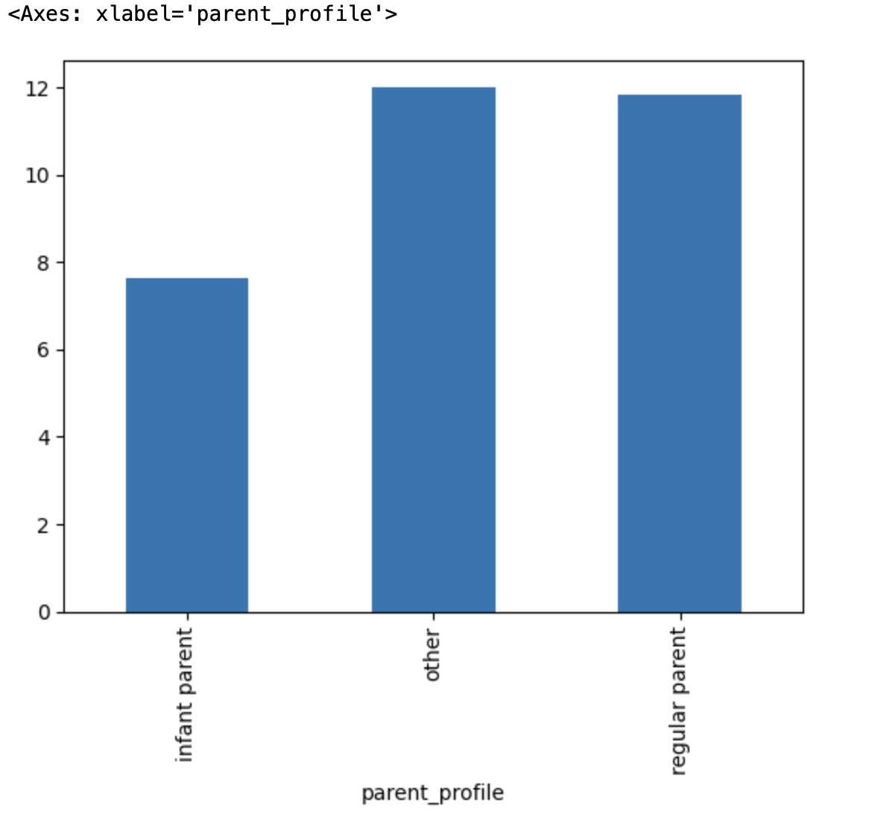
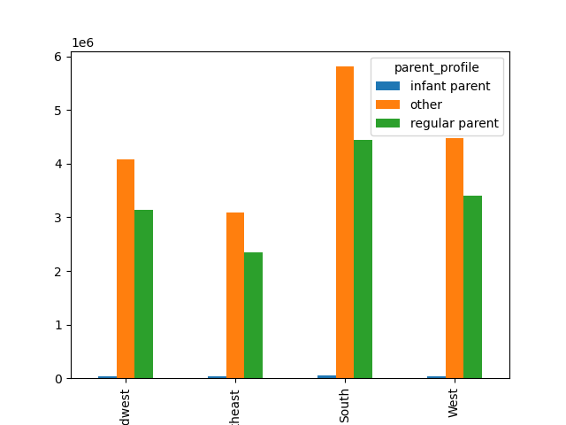

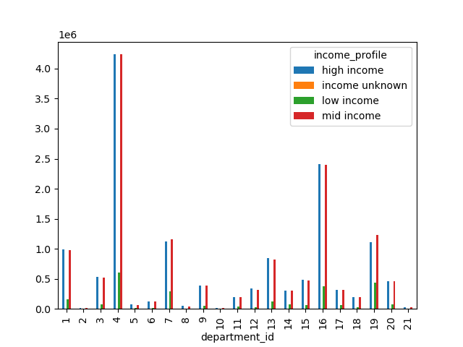
 | Title page

Visualisations

In this tab you should include all the visualtions from Exercises 4.9 and 4.10, alongside the questions from the project brief that they answer. Include any commentary on the relationship between different variables.


The sales team needs to know what the busiest days of the week and hours of the day are (i.e., the days and times with the most orders) in order to schedule ads at times when there are fewer orders.


Are there particular times of the day when people spend the most money?
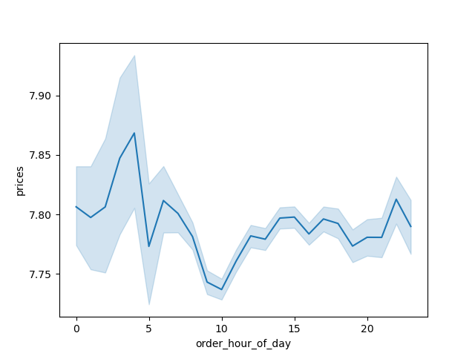

Instacart has a lot of products with different price tags. Marketing and sales want to use simpler price range groupings to help direct their efforts.

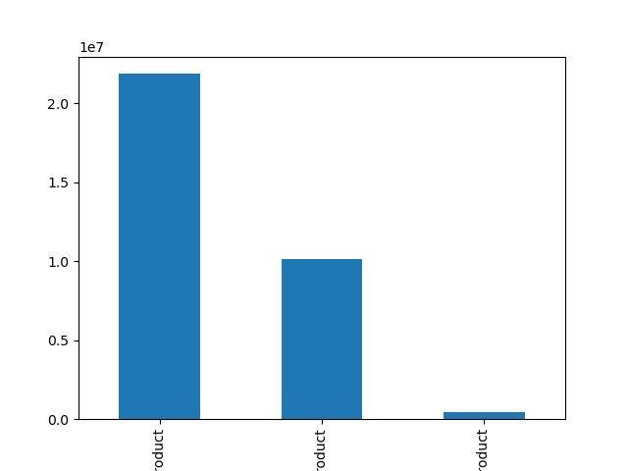

mid range
low range
high range

Are there certain types of products that are more popular than others? The marketing and sales teams want to know which departments have the highest frequency of product orders.
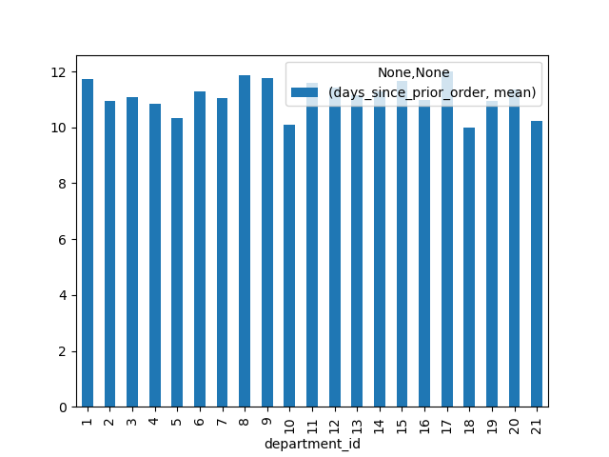

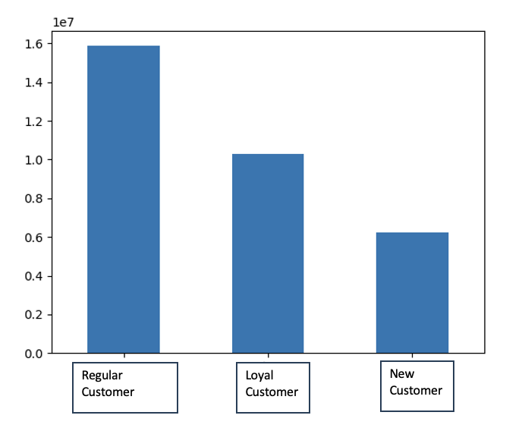
What’s the distribution among users in regards to their brand loyalty? Order follows: Regular customer, loyal customer, new customer.

Are there differences in ordering habits based on a customer’s loyalty status? This bar chart shows the relationship between prices and customer loyalty. New customers tend to have the most expensive purchases, while loyal customers the least expensive.

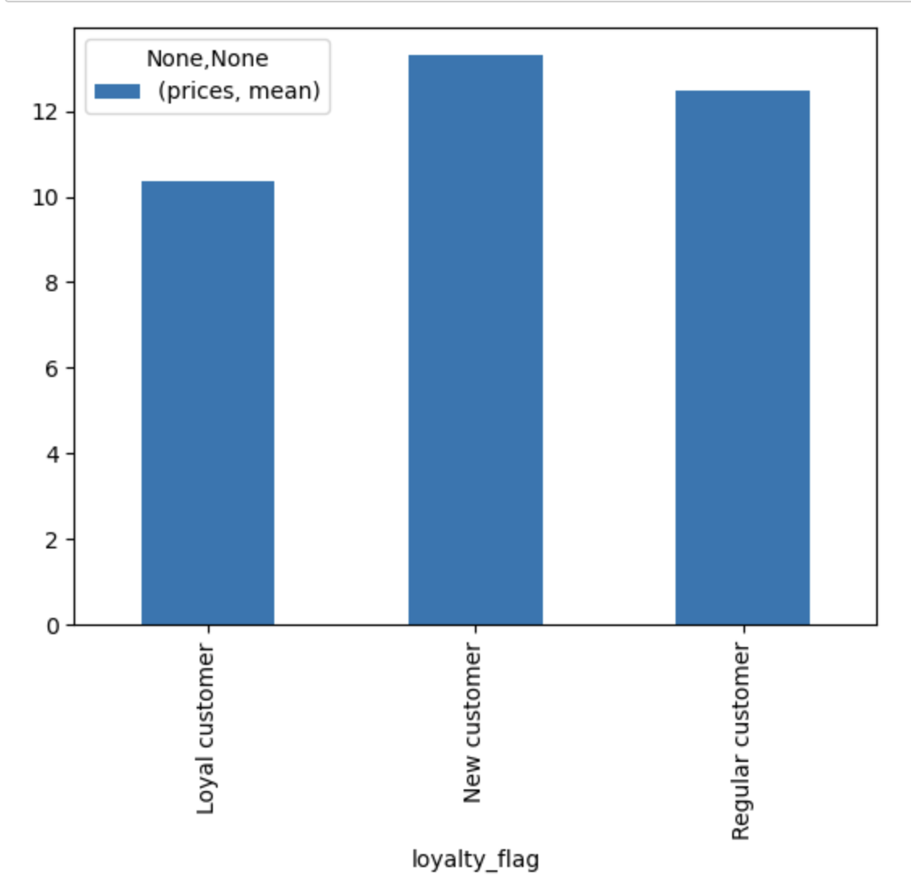

Are there differences in ordering habits based on a customer’s region?

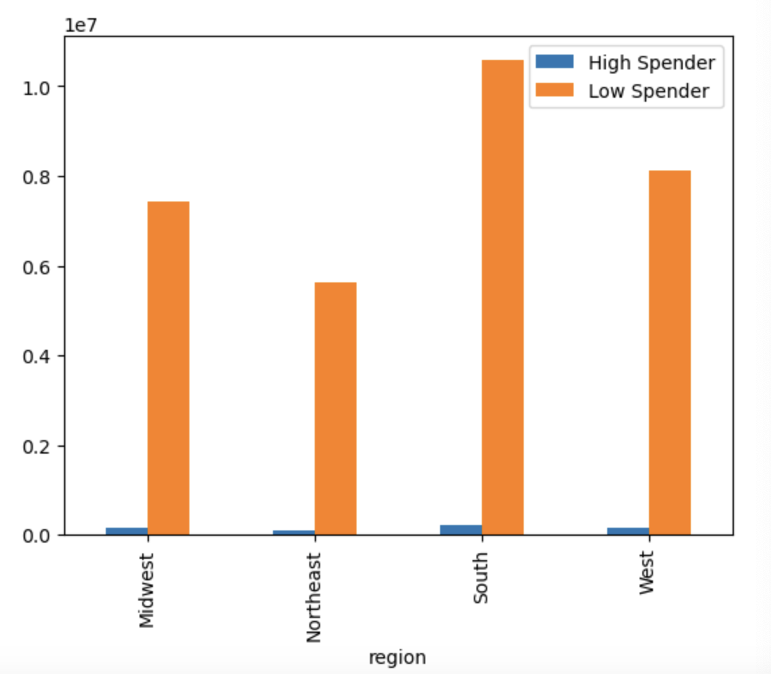

Is there a connection between age and family status in terms of ordering habits?

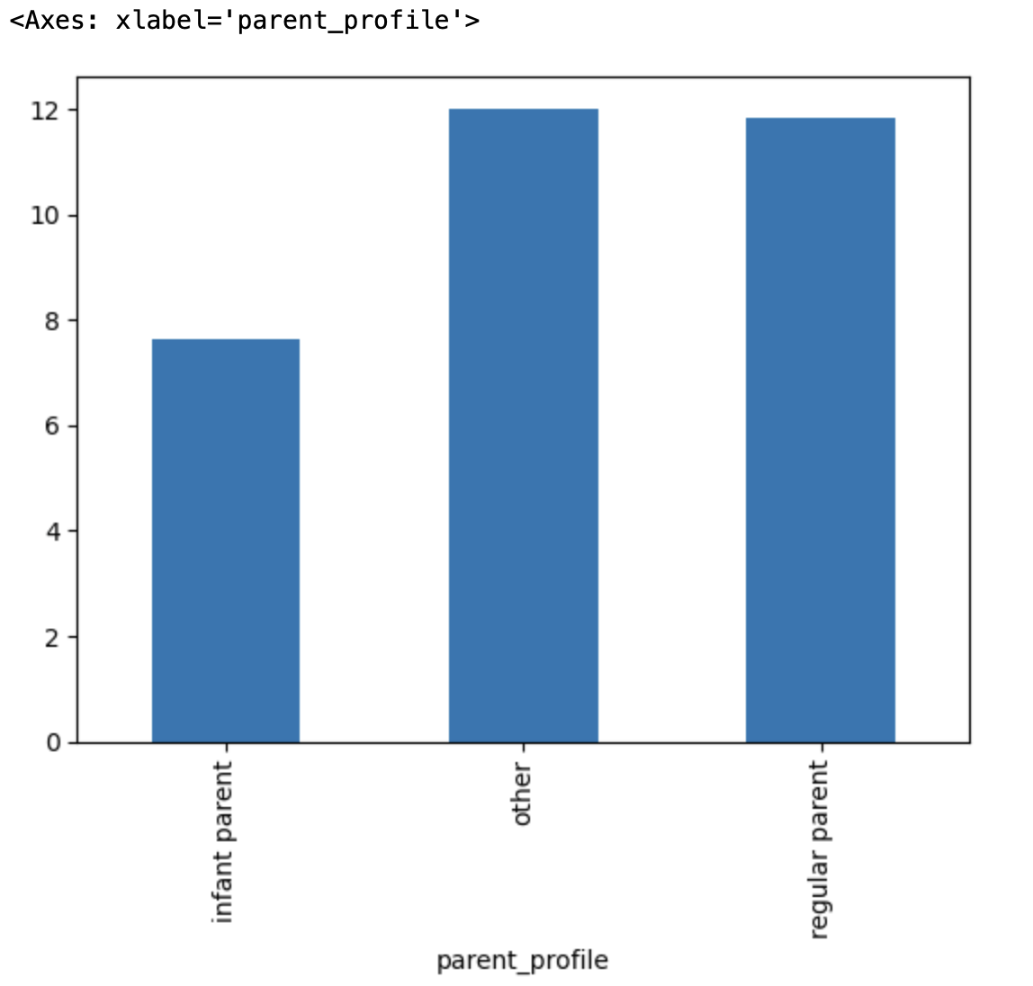

What different classifications does the demographic information suggest?

What differences can you find in ordering habits of different customer
profiles?

7. Recommendations
 |  |  |  | Title page

Recommendations

In this tab you should include any recommendations you would made to Instcart in terms of their marketing strategy based on the questions posed in the brief. Every key question has been covered in the Tasks of the Exercises - here you need to add an item - a visualisation or table/crosstable that is showing the answer in the data, acompanied by a comment from you. Please, list the questions below and add the answer underneath.

Question |  | Answer
Key Question 1
Key Question 2
Key Question 3
Key Question 4
Key Question 5
Key Question 6

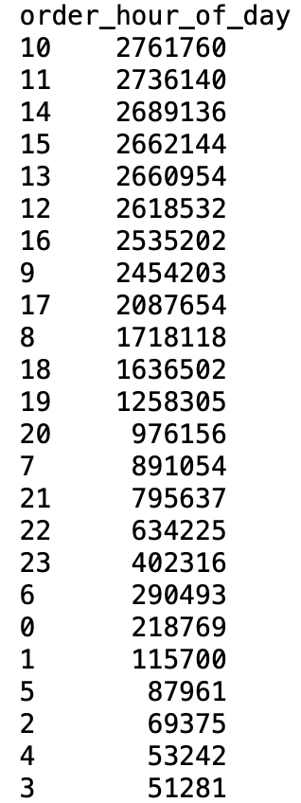
What are the busiest days of the week and hours of the day?

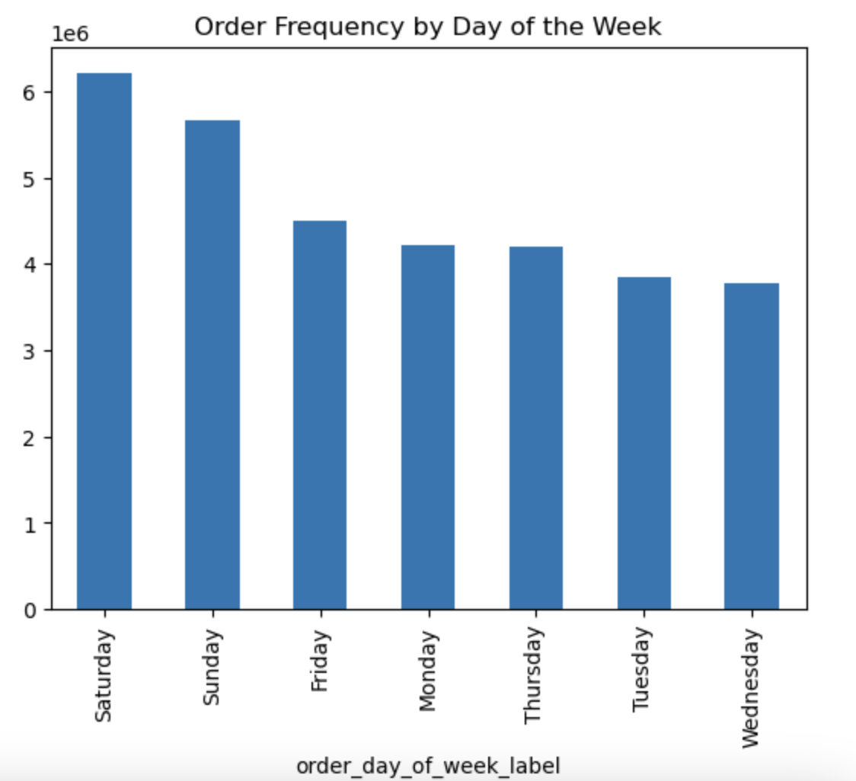
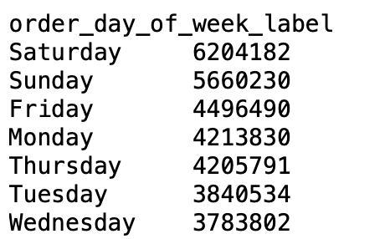

Answer and recommendation:
Saturday is the busiest day of the week with 6,204,182 orders. Wednesday is the least busy with 3,783,802 orders. 10am is the busiest hour with 2,761,760 orders.
The least busy hours are in the early morning, from midnight to 5am, with the lowest at 3am having 51,281 orders.
As far as ad scheduling, the sales team might consider placing ads during the late evening, to potentially reach customers during a time of lower volume.

What are the most popular types of product?
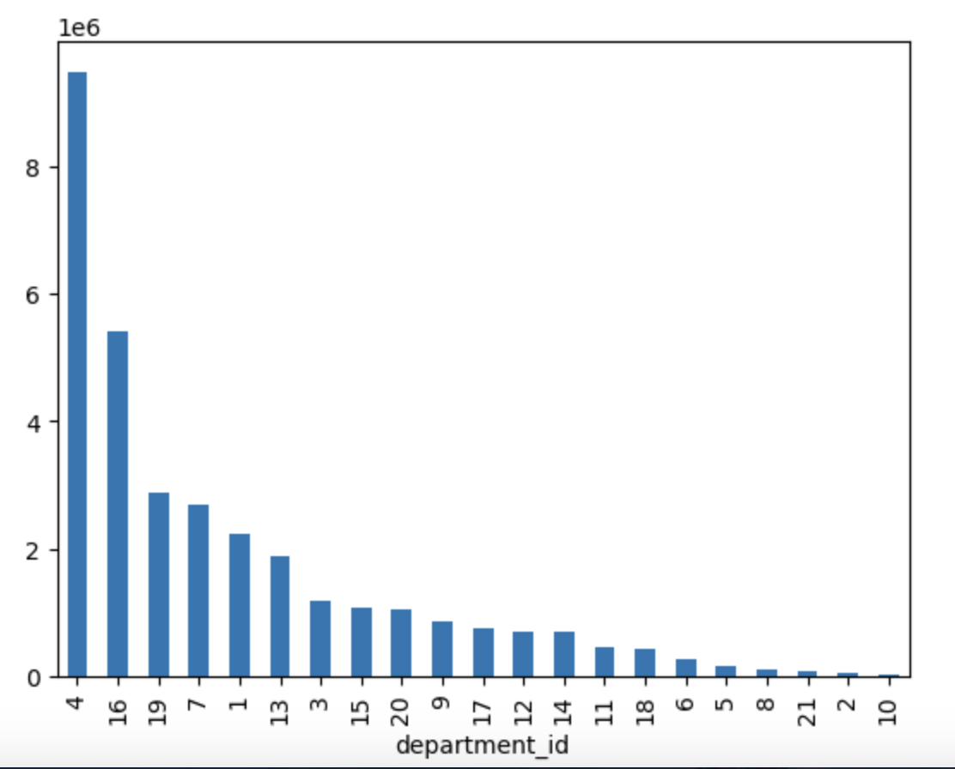
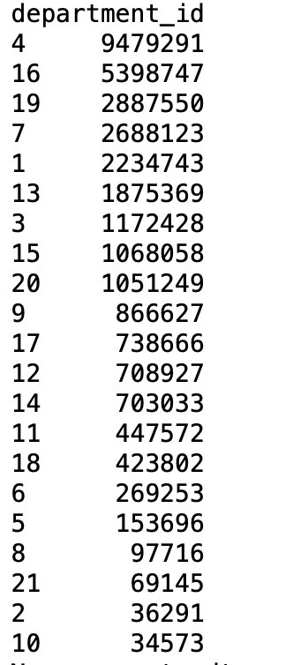

Answer and recommendation:

The graph on the left shows a comparison between the value counts of each department_id in the dataframe. Produce (4) is the most popular department, followed by dairy eggs (16).
The graph on the right shows a comprison between the mean days_since_prior_order between departments. The chart suggests that the mean days between orders is relatively consistent across departments, averaging around 10 days. The reommendation is, in order to maximize profit, the sales and marketing teams should prioritize the most popular departments like produce and dairy eggs.

What is the distribution among users in regards to their brand loyalty?


Regular Customer
Loyal Customer
New Customer

Answer and recommendation:

Regular customers form the largest group while new customers is the smallest group among the three. This distriubtion suggests that much of the user base is repeat customers, which is a good sign. However, there is also significant opportunity to develop new customers into loyal or regular customers.

Are there differences in ordering habits based on a customer's loyalty status and a customer's location?
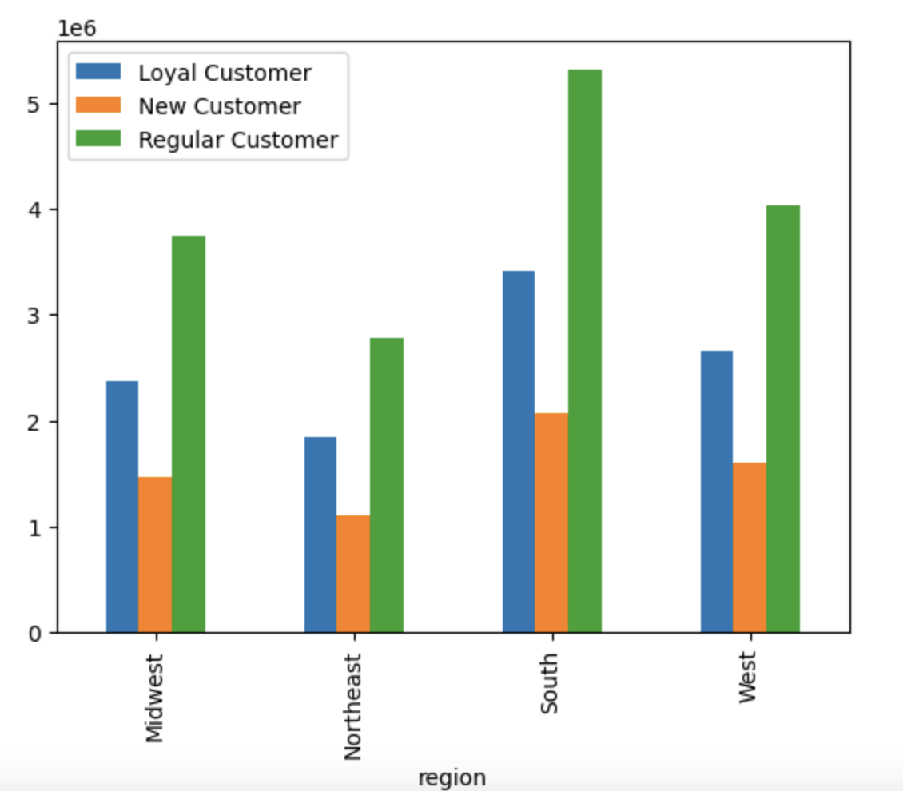

region | Loyal customer | New customer | Regular customer
Midwest | 2373774 | 1472573 | 3750978
Northeast | 1841785 | 1100207 | 2780744
South | 3405844 | 2074410 | 5311631
West | 2662690 | 1596800 | 4033423

Answer and recommendation:

The South has the highest number of regular and loyal customers among all regions. Overall, regular customers dominate in all regions. The recommendation is to leverage regular customers, convert new customers to regular and engage loyal customers.

Is there a connection between age and family status in terms of ordering habits?
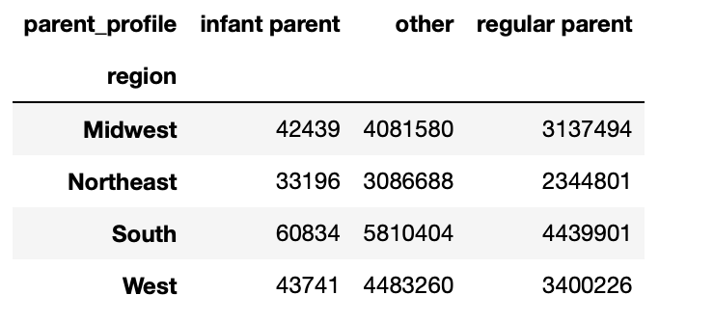

Answer and recommendation:

In the graph on the left, regular parents and the other category dominate across all regions, with the South having the highest number of overall customers in each category.
In the graph on the right, income increases as age incerases, especially after 40.
Middle-aged individuals, many of whom would likely be categorized under 'regular parent', is a demograhic with great purchasing power that marketing should be interested in.

Are there differences in ordering habits of different customer profiles?

Answer and recommendation:

Some departments have a very high number of orders from different income profiles across various departments. The mid to high income groups tend to have more orders in every department, possibly meaning that they have more disposable income to spend on items in those categories. The snacks (19) department has a proportionally high number of low income orders, potentially meaning that this income group is more able to afford items in this category.
The sales and marketing team might target high income customers with premium products in produce, frozen, dairy eggs, and alcohol departments, while promoting value to lower income customers in other departments, such as snacks.

