Sheet1
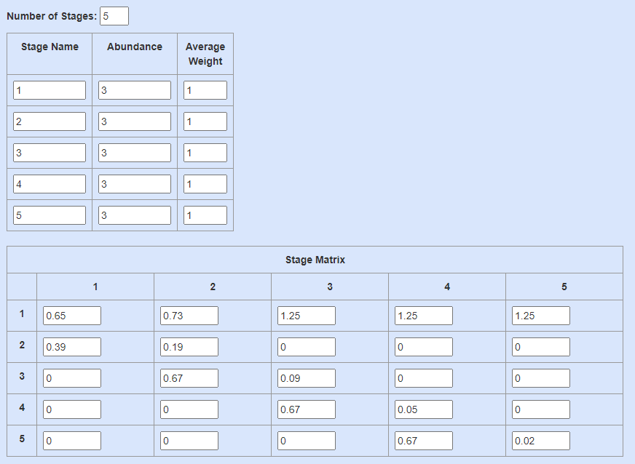
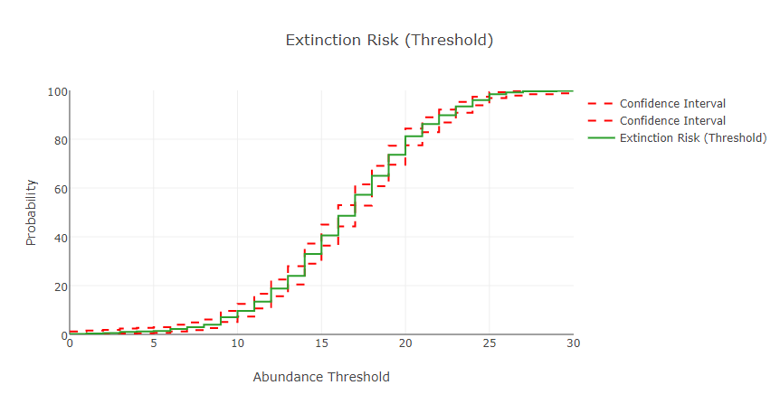
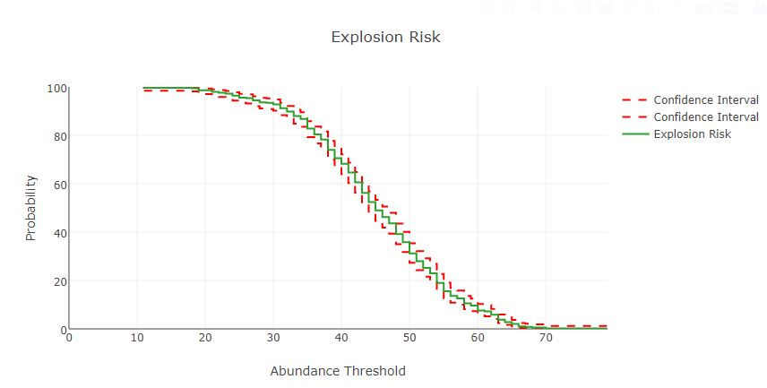
Uninfected population

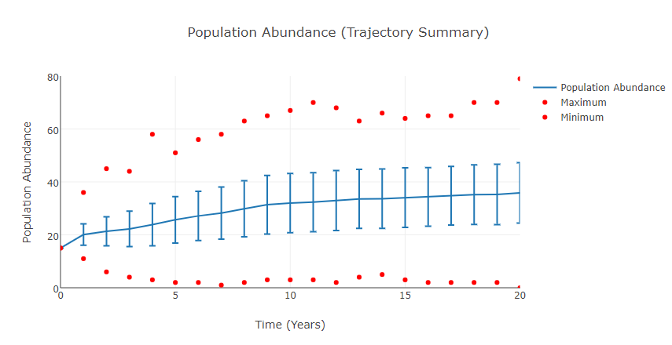
lambda | 1.32
age class | 1 | 2 | 3 | 4 | 5
stable distribution | 0.6 | 0.2 | 0.1 | 0.06 | 0.03
final distribution | 21.3 | 7.3 | 4 | 2.1 | 1.1
reproductive values | 1 | 1.7 | 1.8 | 1.5 | 0.96

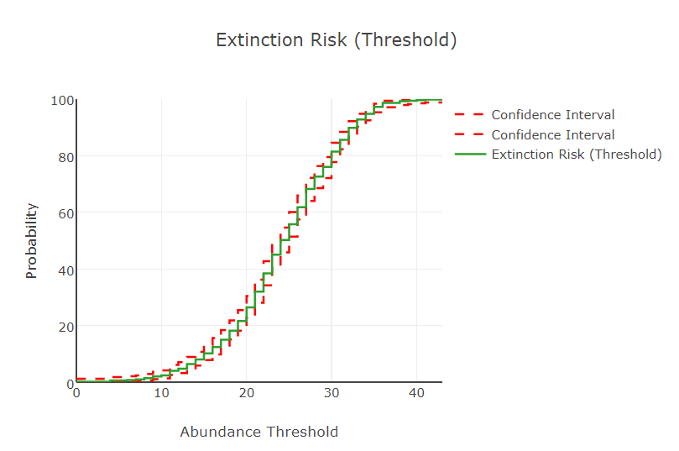
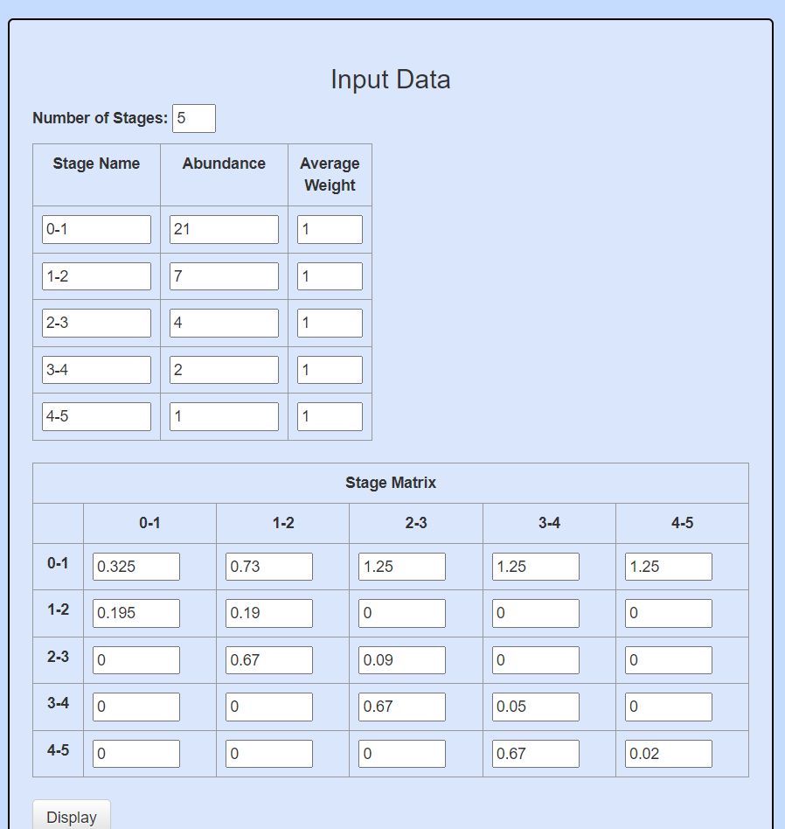
50% reduction in P and F
Young Infection
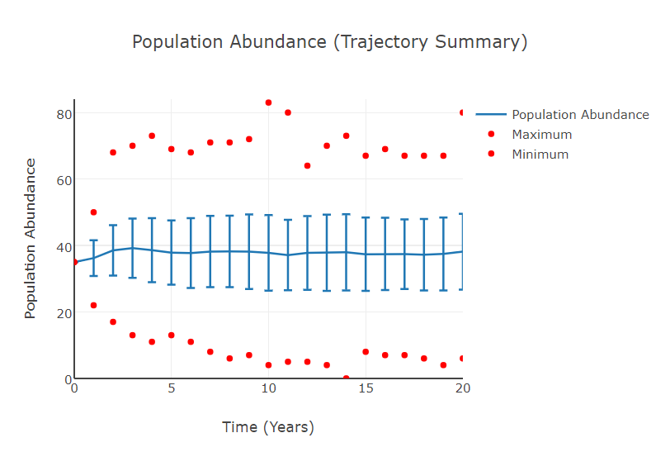
lambda | 0.99
age class | 1 | 2 | 3 | 4 | 5
stable distribution | 0.6 | 0.15 | 0.11 | 0.08 | 0.05 |  | uninfected | model_1 | mode_2 | mode_3
final distribution | 23.3 | 5.7 | 4.1 | 3 | 2 | lambda
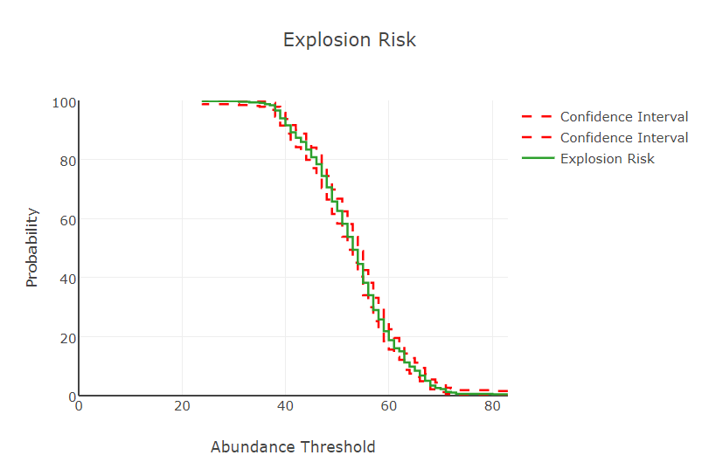
reproductive values | 1 | 3.4 | 3.03 | 2.2 | 1.3
 |  |  |  |  |  | model | metric | value | age class
 |  |  |  |  |  | uninfected | lambda | 1.32 | 1
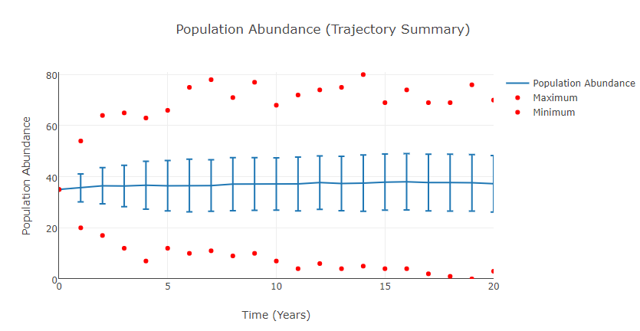
Old Infection |  |  |  |  |  | uninfected | lambda | 1.32 | 2
 |  |  |  |  |  | uninfected | lambda | 1.32 | 3
lambda | 1.31 |  |  |  |  | uninfected | lambda | 1.32 | 4
age class | 1 | 2 | 3 | 4 | 5 | uninfected | lambda | 1.32 | 5
stable distribution | 0.59 | 0.21 | 0.11 | 0.06 | 0.03 | uninfected | stable_distribution | 0.6 | 1
final distribution | 22.1 | 7.5 | 4.2 | 2.3 | 1.1 | uninfected | stable_distribution | 0.2 | 2
reproductive values | 1 | 1.7 | 1.7 | 1.3 | 0.48 | uninfected | stable_distribution | 0.1 | 3
 |  |  |  |  |  | uninfected | stable_distribution | 0.06 | 4
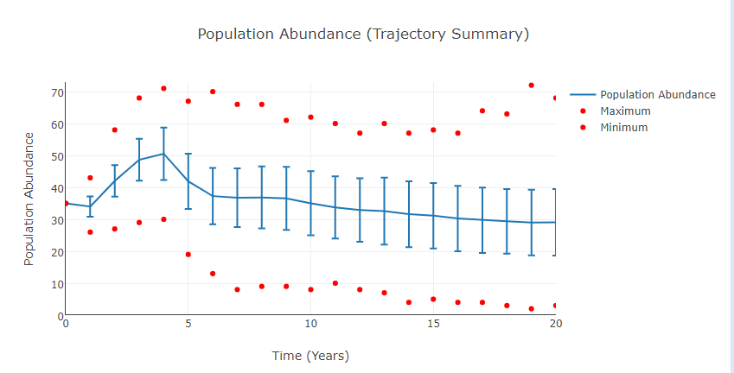
 |  |  |  |  |  | uninfected | stable_distribution | 0.03 | 5
90% reduction in F |  |  |  |  |  | uninfected | final_distribution | 21.3 | 1
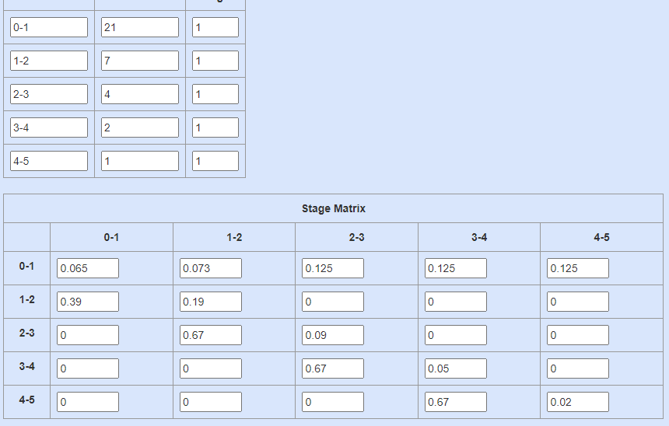
 |  |  |  |  |  | uninfected | final_distribution | 7.3 | 2
All Age Class F Reduction | lambda |  |  |  |  | uninfected | final_distribution | 4 | 3
sim 2 | 0.623 |  |  |  |  | uninfected | final_distribution | 2.1 | 4
age class | 1 | 2 | 3 | 4 | 5 | uninfected | final_distribution | 1.1 | 5
stable distribution | 0.17 | 0.15 | 0.19 | 0.23 | 0.26 | uninfected | reproductive_value | 1 | 1
final distribution | 5.2 | 4.8 | 5.9 | 6.4 | 6.7 | uninfected | reproductive_value | 1.7 | 2
reproductive values | 1 | 1.4 | 0.8 | 0.46 | 0.21 | uninfected | reproductive_value | 1.8 | 3
 |  |  |  |  |  | uninfected | reproductive_value | 1.5 | 4
 |  |  |  |  |  | uninfected | reproductive_value | 0.96 | 5
 |  |  |  |  |  | model_1 | lambda | 0.99 | 1
 |  |  |  |  |  | model_1 | lambda | 0.99 | 2
 |  |  |  |  |  | model_1 | lambda | 0.99 | 3
 |  |  |  |  |  | model_1 | lambda | 0.99 | 4
 |  |  |  |  |  | model_1 | lambda | 0.99 | 5
 |  |  |  |  |  | model_1 | stable_distribution | 0.6 | 1
 |  |  |  |  |  | model_1 | stable_distribution | 0.15 | 2
 |  |  |  |  |  | model_1 | stable_distribution | 0.11 | 3
 |  |  |  |  |  | model_1 | stable_distribution | 0.08 | 4
 |  |  |  |  |  | model_1 | stable_distribution | 0.05 | 5
 |  |  |  |  |  | model_1 | final_distribution | 23.2 | 1
 |  |  |  |  |  | model_1 | final_distribution | 5.7 | 2
 |  |  |  |  |  | model_1 | final_distribution | 4.1 | 3
 |  |  |  |  |  | model_1 | final_distribution | 3 | 4
 |  |  |  |  |  | model_1 | final_distribution | 2 | 5
 |  |  |  |  |  | model_1 | reproductive_value | 1 | 1
 |  |  |  |  |  | model_1 | reproductive_value | 3.4 | 2
 |  |  |  |  |  | model_1 | reproductive_value | 3.03 | 3
 |  |  |  |  |  | model_1 | reproductive_value | 2.2 | 4
 |  |  |  |  |  | model_1 | reproductive_value | 1.3 | 5
 |  |  |  |  |  | model_2 | lambda | 1.31 | 1
 |  |  |  |  |  | model_2 | lambda | 1.31 | 2
 |  |  |  |  |  | model_2 | lambda | 1.31 | 3
 |  |  |  |  |  | model_2 | lambda | 1.31 | 4
 |  |  |  |  |  | model_2 | lambda | 1.31 | 5
 |  |  |  |  |  | model_2 | stable_distribution | 0.59 | 1
 |  |  |  |  |  | model_2 | stable_distribution | 0.21 | 2
 |  |  |  |  |  | model_2 | stable_distribution | 0.11 | 3
 |  |  |  |  |  | model_2 | stable_distribution | 0.06 | 4
 |  |  |  |  |  | model_2 | stable_distribution | 0.03 | 5
 |  |  |  |  |  | model_2 | final_distribution | 22.1 | 1
 |  |  |  |  |  | model_2 | final_distribution | 7.5 | 2
 |  |  |  |  |  | model_2 | final_distribution | 4.2 | 3
 |  |  |  |  |  | model_2 | final_distribution | 2.3 | 4
 |  |  |  |  |  | model_2 | final_distribution | 1.1 | 5
 |  |  |  |  |  | model_2 | reproductive_value | 1 | 1
 |  |  |  |  |  | model_2 | reproductive_value | 1.7 | 2
 |  |  |  |  |  | model_2 | reproductive_value | 1.7 | 3
 |  |  |  |  |  | model_2 | reproductive_value | 1.3 | 4
 |  |  |  |  |  | model_2 | reproductive_value | 0.48 | 5
 |  |  |  |  |  | model_3 | lambda | 0.623 | 1
 |  |  |  |  |  | model_3 | lambda | 0.623 | 2
 |  |  |  |  |  | model_3 | lambda | 0.623 | 3
 |  |  |  |  |  | model_3 | lambda | 0.623 | 4 |  | All Age Class F Reduction | lambda
 |  |  |  |  |  | model_3 | lambda | 0.623 | 5 |  | sim 2 | 0.623
 |  |  |  |  |  | model_3 | stable_distribution | 0.17 | 1 |  | age class | 1 | 2 | 3 | 4 | 5
 |  |  |  |  |  | model_3 | stable_distribution | 0.15 | 2 |  | stable distribution | 0.17 | 0.15 | 0.19 | 0.23 | 0.26
 |  |  |  |  |  | model_3 | stable_distribution | 0.19 | 3 |  | final distribution | 5.2 | 4.8 | 5.9 | 6.4 | 6.7
 |  |  |  |  |  | model_3 | stable_distribution | 0.23 | 4 |  | reproductive values | 1 | 1.4 | 0.8 | 0.46 | 0.21
 |  |  |  |  |  | model_3 | stable_distribution | 0.26 | 5
 |  |  |  |  |  | model_3 | final_distribution | 5.2 | 1
 |  |  |  |  |  | model_3 | final_distribution | 4.8 | 2
 |  |  |  |  |  | model_3 | final_distribution | 5.9 | 3
 |  |  |  |  |  | model_3 | final_distribution | 6.4 | 4
 |  |  |  |  |  | model_3 | final_distribution | 6.7 | 5
 |  |  |  |  |  | model_3 | reproductive_value | 1 | 1
 |  |  |  |  |  | model_3 | reproductive_value | 1.4 | 2
 |  |  |  |  |  | model_3 | reproductive_value | 0.8 | 3
 |  |  |  |  |  | model_3 | reproductive_value | 0.46 | 4
 |  |  |  |  |  | model_3 | reproductive_value | 0.21 | 5

