ABOUT
(super) Cost-minimization network flow optimization
This is a common problem, useful in a lot of real-world scenarios. A typical example is supply chain transshipment, where you have multiple stages (layers) of product shipment (factories -> warehouses -> retailers), and a unit cost associated with every possible route (edge) between entities (nodes) of shipping (Factory #3 -> Warehouse #5 = $0.50 per unit). Each factory can only produce so many units, and each retailer has a demand requirement.
Problem: Determine how much product to send through each edge so that cost is minimized, and capacity and demand constraints are satisfied.
Base case (normal version of this problem)
- There are 2 or more layers of nodes.
- All nodes in a layer share edges with all nodes in its adjacent layers.
- Each node in layer 0 has a capacity constraint (upper bound) on number of units that can flow through it
- Each node in layer -1 (final layer) has a demand constraint.
- Every edge in the network has a unique cost associated with it.
- Problem: Solve for the quantity to flow through each edge so that total cost is minimized
Super Version
- Network setup is the same: 2 or more layers, with cost edges for each node between adjacent layers.
- Any layer in the network may have capacity, demand, (or both) constraints on one or all of its nodes.
- This may subject the network to a capacity less than than the input capacity, or a demand greater than the final layer demand, as long as the highest-demanding layer doesn't require more than the lowest-capacity layer.
- Any individual edge in the network may have its own upper or lower bounds, or both.
Technical Challenge
- If we give our end user this much freedom, constraint validation is extremely important. We need to make sure the model is actually feasible before solving it. More importantly, when a set of constraints is infeasible, we must be able to explain to the user exactly why it cannot work, using specific names of edges or nodes. This is critical for edge constraints, where it may be near-impossible for the end user to identify the problem themselves.
- Validating layer/node constraints is very easy, because it's done first. Demand can't exceed capacity. Simple.
- Validating edge constraint feasibility has proven incredibly difficult, and I'm unsure whether it's even possible without solving the model.
Notes about current implementation
It's as described under "Super Version", except...
- Any demand or capacity constraint placed on a layer must constrain all of its nodes
- Capacity constraint on all nodes in first layer, and demand on all nodes in final layer, are required.
- Layer constraints are declared first (before any edge constraints), so validating them against each other is easy
On the following sheets you'll find examples of upper-bound edge constraints, and attempts at validating them.
The examples will follow the format below.
- Center grid represents edges between nodes. The values are upper bound constraints on those edges, which we're trying to validate.
- The adjacent numbers outside the center grid are upper and lower bound (capacity and demand) constraints for the nodes. Assume these are already validated.

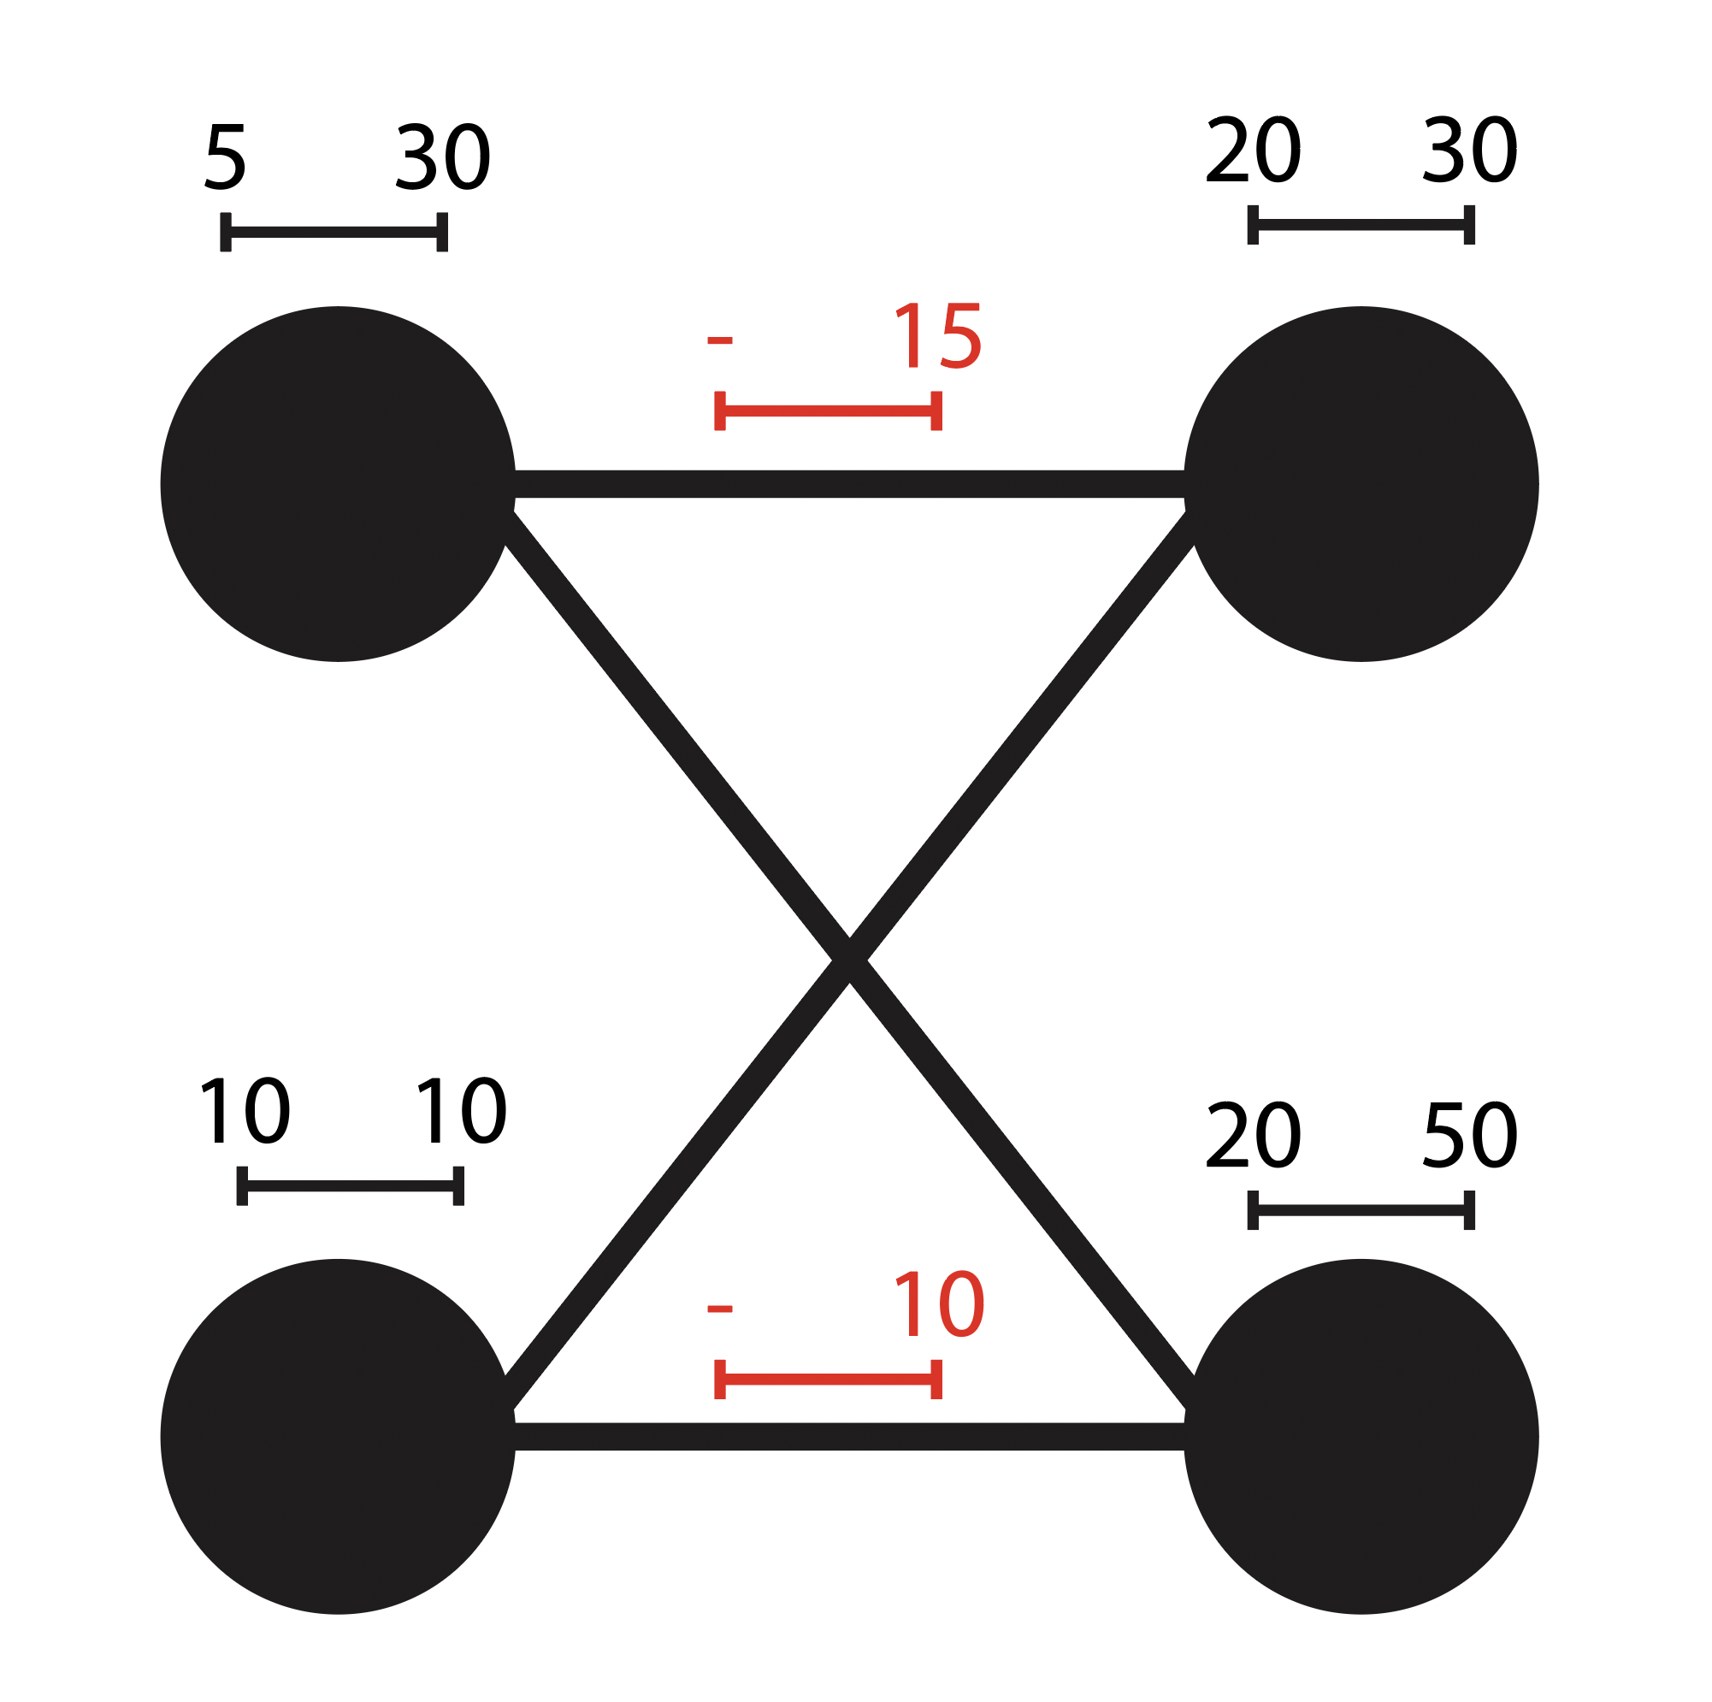
 | 2x Factory -> 2x Retailer
 |  |  | R1 | R2
 |  |  | 30 | 50 | <- capacity
 |  |  | 20 | 20 | <- demand
F1 | 30 | 5 | 15 |  | <- edge constraints (upper bound)
F2 | 10 | 10 |  | 10

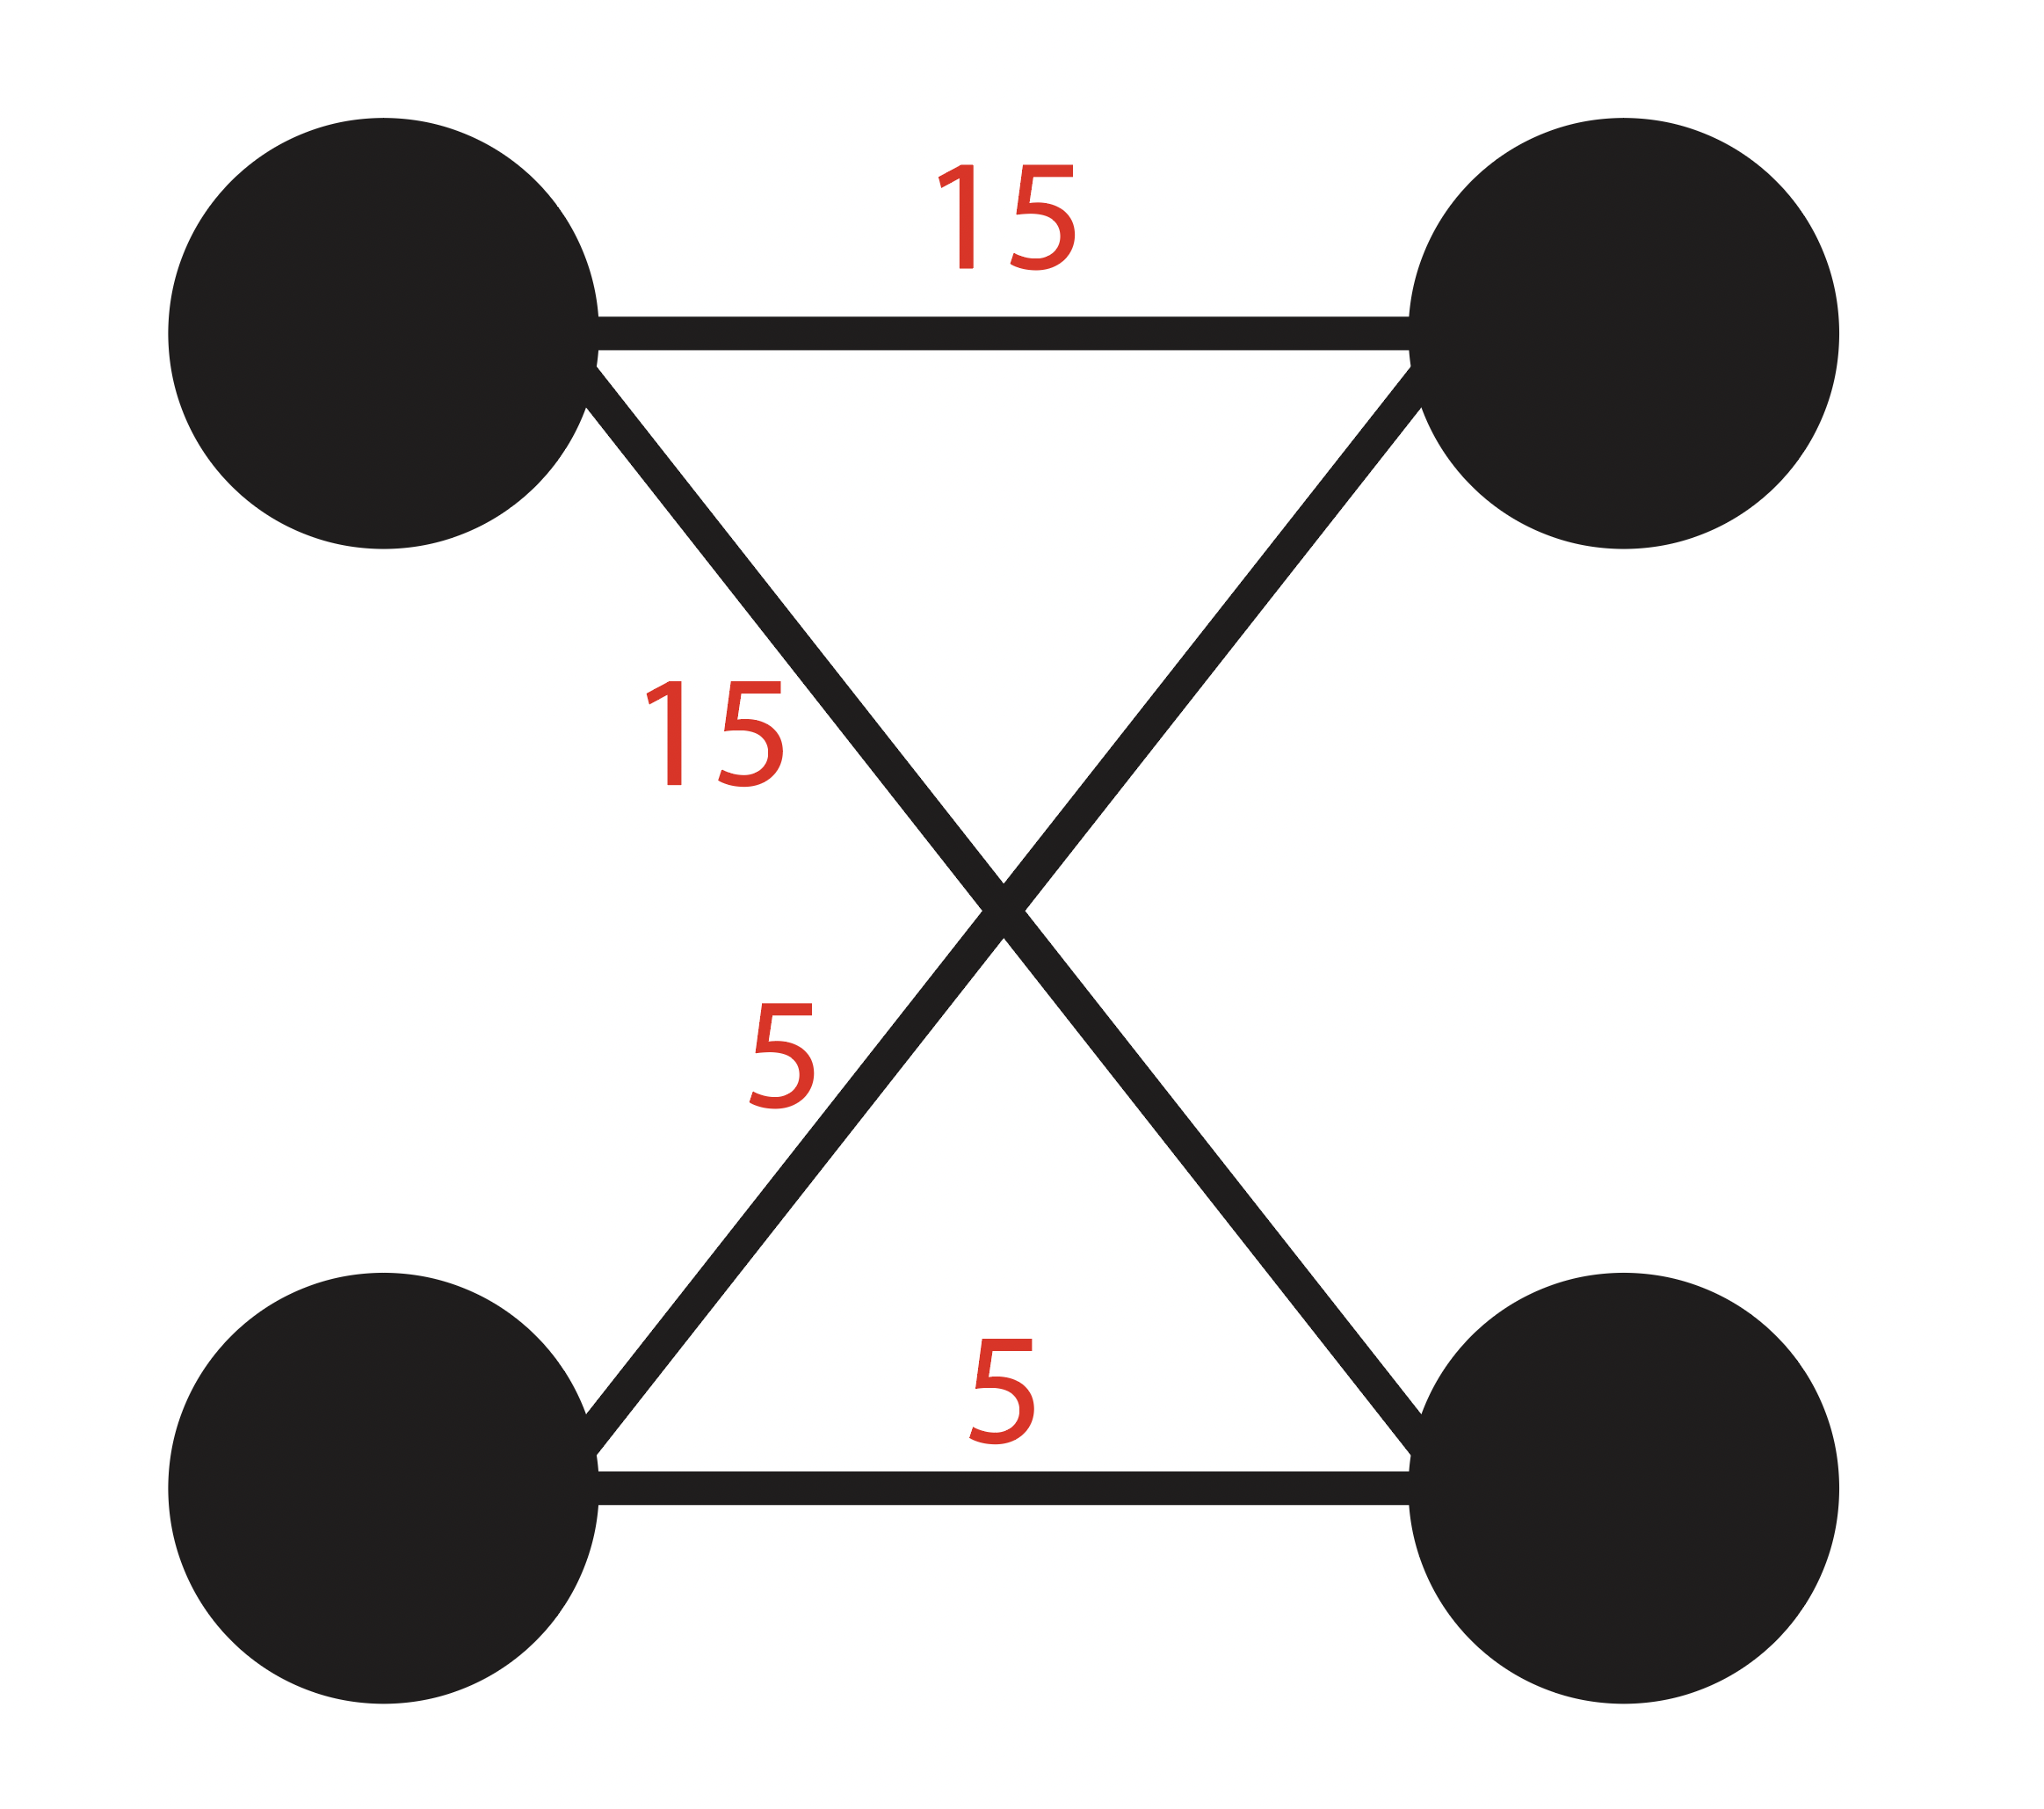
 | Possible Solution
 |  |  | 15 | 15
 |  |  | 5 | 5

a.) Solved
Error A: sum of upper bounds in stage with fully constrained edges must be < network demand

Explanation
Since any layer can have a demand constraint on its nodes, the network demand is determined by whichever layer has the highest total demand.
In this case, that's Retailer, which demands 60 units. This demanded amount must flow through all layers.
We placed upper bounds on all nodes between Distributor and Warehouse. This means the maximum that can flow between these layers is the sum of our edges' upper bounds.
Although our constraints are completely valid under the Distributor and Warehouse constraints, their sum is 45 units, whereas the network demand is 60. Infeasible.
3x Butchers -> 3x Distributors -> 2x Supermarkets
Infeasible edge upper bound constraints |  |  |  | D1 | D2 | D3 |  | S1 | S2
 |  |  |  | 20 | 20 | 20 |  | 40 | 40
 |  |  |  | 15 | 15 | 15 |  | 30 | 30
 | B1 | 20 | 10 | 5 | 5 | 5 | D1
 | B2 | 20 | 10 | 5 | 5 | 5 | D2
 | B3 | 20 | 10 | 5 | 5 | 5 | D3

Python error output

b.) Solved
Error B: When all edges under a node are constrained, the sum must be < node demand

Explanation
When all edges under a node are constrained to an upper bound, the sum of those constraints must be >= that node's demand
3x Gigafactories -> 2x Retailers
Infeasible edge upper bound constraints |  |  |  | R1 | R2
 |  |  |  | 20 | 20
 |  |  |  | 15 | 15
 | G1 | 20 | 10 |  | 5
 | G2 | 20 | 10 |  | 4
 | G3 | 20 | 10 |  | 5

Python error output

c.) Solved
Error C: Remaining demand by vector of unconstrained edges must not exceed cross capacities

4x Suppliers -> 5x Trap houses
 |  |  |  |  | INFEASIBLE |  |  |  |  |  |  |  |  |  | FEASIBLE
 |  |  |  |  | T1 | T2 | T3 | T4 | T5 |  |  |  |  |  | T1 | T2 | T3 | T4 | T5
 |  |  |  |  | 22 | 22 | 182 | 42 | 80 |  |  |  |  |  | 22 | 22 | 182 | 42 | 80
 |  |  |  |  | 20 | 20 | 180 | 40 | 40 |  |  |  |  |  | 20 | 20 | 180 | 40 | 40
 |  | S1 | 40 | 38 | 10 |  |  |  |  |  |  | S1 | 40 | 38 | 10
 |  | S2 | 20 | 18 |  |  |  |  |  |  |  | S2 | 20 | 18
 |  | S3 | 180 | 178 | 10 | 6 | 119 | 6 |  |  |  | S3 | 180 | 178 | 10 | 10 | 120 | 6
 |  | S4 | 60 | 58 |  | 6 | 36 | 6 | 10 |  |  | S4 | 60 | 58 |  | 4 | 36 | 6 | 10

Python error output:

Explanation
- We've declared upper bounds on some of the edges between Suppliers and Trap houses.
These constraints are infeasible, and we're able to catch this:
Solution: T2, T3, and T4 have upper bound constraints on their edges with S3 and S4, and they each have unconstrained edges with S1 and S2. Assuming its constrained edges are used to their full capacities, T2 needs at least 8 units from S1 and S2 to meet its demand. T3 needs 25 units from S1 and S2 to meet its demand, and T3 needs 28 units. In total, these 3 trap houses require 61 units from S1 and S2. But S1's capacity is 40 units, and S2's is 20. So together they can only carry 60 units.
We could only solve this by finding fully unconstrained vectors, (green, and blue), where all the other nodes in these columns were constrained. On the next sheet, we'll have to solve for when this pattern can't be found
INDIVIDUAL EDGES
S1 | T1 | 10
S1 | T2 | 0
S1 | T3 | 0
S1 | T4 | 0 |  |  |  |  |  |  |  | 10
S1 | T5 | 0
S2 | T1 | 0 |  |  |  |  |  |  |  | 10 | 6 | 119 | 6
S2 | T2 | 0 |  |  |  |  |  |  |  |  | 6 | 36 | 6 | 10
S2 | T3 | 0
S2 | T4 | 0
S2 | T5 | 0
S3 | T1 | 10
S3 | T2 | 6
S3 | T3 | 119
S3 | T4 | 6
S3 | T5 | 0
S4 | T1 | 0
S4 | T2 | 6
S4 | T3 | 36
S4 | T4 | 6
S4 | T5 | 10

d.) Unsolved
Error D: Unknown

4x Distributors -> 5x Warehouses
 |  |  |  |  | INFEASIBLE |  |  |  |  |  |  |  | FEASIBLE
 |  |  |  |  | W1 | W2 | W3 | W4 | W5 |  |  |  | W1 | W2 | W3 | W4 | W5
 |  |  |  |  | 22 | 22 | 182 | 42 | 80 |  |  |  | 22 | 22 | 182 | 42 | 80
 |  |  |  |  | 20 | 20 | 180 | 40 | 40 |  |  |  | 20 | 20 | 180 | 40 | 40 | SOLUTION
 |  | D1 | 40 | 38 | 10 |  |  |  |  | D1 | 40 | 38 | 10 |  |  |  |  | 0 | 4 | 14 | 22 | 0
 |  | D2 | 20 | 18 |  | 4 |  | 6 |  | D2 | 20 | 18 |  | 4 |  | 6 |  | 0 | 0 | 14 | 6 | 0
 |  | D3 | 180 | 178 | 10 | 10 | 116 | 6 |  | D3 | 180 | 178 | 10 | 10 | 116 | 6 |  | 10 | 10 | 116 | 6 | 38
 |  | D4 | 60 | 58 |  | 4 | 36 | 6 | 10 | D4 | 60 | 58 |  | 6 | 36 | 6 | 10 | 10 | 6 | 36 | 6 | 2

Example: upper-bounded edges.
- We've declared upper bounds on some of the edges between Distributors and Warehouses.
These edge constraints are infeasible. But, if we simply increase the D4 - W2 edge from 4 to 6, then it becomes feasible. See the following sheet ("Unsolved, (cont.)") for a possible solution if this edge were changed to 6.
The challenge is, can we use logic to prove that these constraints are infeasible? Then, can we explain this issue to the user?

INDIVIDUAL EDGES
D1 | W1 | 10
D1 | W2 | 0
D1 | W3 | 0
D1 | W4 | 0
D1 | W5 | 0
D2 | W1 | 0
D2 | W2 | 4
D2 | W3 | 0
D2 | W4 | 6
D2 | W5 | 0
D3 | W1 | 10
D3 | W2 | 10
D3 | W3 | 116
D3 | W4 | 6
D3 | W5 | 0
D4 | W1 | 0
D4 | W2 | 4
D4 | W3 | 36
D4 | W4 | 6
D4 | W5 | 10

