Step 1.6
Vo vs. Time Characteristics
0.00E+00 | 1.53E-01
2.61E-05 | 1.53E-01
5.22E-05 | 1.54E-01
7.83E-05 | 1.54E-01
1.04E-04 | 1.54E-01
1.31E-04 | 1.54E-01
1.57E-04 | 1.54E-01
1.83E-04 | 1.55E-01
2.33E-04 | 1.55E-01
2.65E-04 | 1.55E-01
3.14E-04 | 1.55E-01
3.64E-04 | 1.54E-01
4.14E-04 | 1.54E-01
4.89E-04 | 1.53E-01
5.64E-04 | 1.52E-01
6.14E-04 | 1.52E-01
6.64E-04 | 1.51E-01
7.14E-04 | 1.51E-01
7.57E-04 | 1.51E-01
8.01E-04 | 1.51E-01
8.51E-04 | 1.51E-01
9.01E-04 | 1.52E-01
9.76E-04 | 1.53E-01
1.00E-03 | 1.53E-01
1.03E-03 | 1.53E-01
1.05E-03 | 1.53E-01
1.08E-03 | 1.54E-01
1.10E-03 | 1.54E-01
1.13E-03 | 1.54E-01
1.15E-03 | 1.54E-01
1.20E-03 | 1.55E-01
1.24E-03 | 1.55E-01
1.28E-03 | 1.55E-01
1.33E-03 | 1.55E-01
1.38E-03 | 1.54E-01
1.43E-03 | 1.54E-01
1.46E-03 | 1.53E-01
1.48E-03 | 1.53E-01
1.51E-03 | 1.53E-01
1.53E-03 | 1.52E-01
1.56E-03 | 1.52E-01
1.58E-03 | 1.52E-01
1.61E-03 | 1.52E-01
1.66E-03 | 1.51E-01
1.71E-03 | 1.51E-01
1.75E-03 | 1.51E-01
1.80E-03 | 1.51E-01
1.85E-03 | 1.51E-01
1.90E-03 | 1.52E-01
1.97E-03 | 1.52E-01
...
Time | v(vo)
Seconds | Volts
0.00E+00 | 1.53E-01
2.61E-05 | 1.53E-01
5.22E-05 | 1.54E-01
7.83E-05 | 1.54E-01
1.04E-04 | 1.54E-01
1.31E-04 | 1.54E-01
1.57E-04 | 1.54E-01
1.83E-04 | 1.55E-01
2.33E-04 | 1.55E-01
2.65E-04 | 1.55E-01
3.14E-04 | 1.55E-01
3.64E-04 | 1.54E-01
4.14E-04 | 1.54E-01
4.89E-04 | 1.53E-01
5.64E-04 | 1.52E-01
6.14E-04 | 1.52E-01
6.64E-04 | 1.51E-01
7.14E-04 | 1.51E-01
7.57E-04 | 1.51E-01
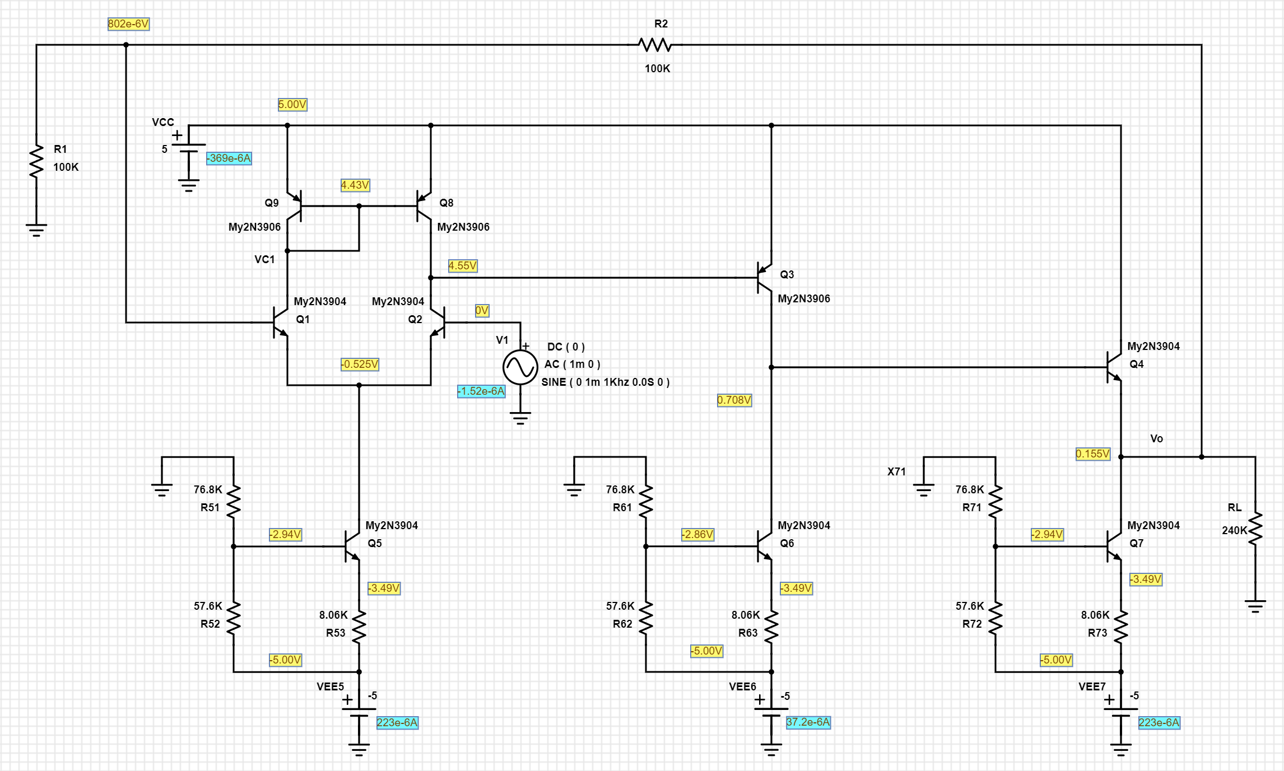
8.01E-04 | 1.51E-01
8.51E-04 | 1.51E-01
9.01E-04 | 1.52E-01
9.76E-04 | 1.53E-01
1.00E-03 | 1.53E-01
1.03E-03 | 1.53E-01
1.05E-03 | 1.53E-01
1.08E-03 | 1.54E-01
1.10E-03 | 1.54E-01
1.13E-03 | 1.54E-01
1.15E-03 | 1.54E-01
1.20E-03 | 1.55E-01
1.24E-03 | 1.55E-01
1.28E-03 | 1.55E-01
1.33E-03 | 1.55E-01
1.38E-03 | 1.54E-01
1.43E-03 | 1.54E-01
1.46E-03 | 1.53E-01
1.48E-03 | 1.53E-01
1.51E-03 | 1.53E-01
1.53E-03 | 1.52E-01
1.56E-03 | 1.52E-01
1.58E-03 | 1.52E-01
1.61E-03 | 1.52E-01
1.66E-03 | 1.51E-01
1.71E-03 | 1.51E-01
1.75E-03 | 1.51E-01
1.80E-03 | 1.51E-01
1.85E-03 | 1.51E-01
1.90E-03 | 1.52E-01
1.97E-03 | 1.52E-01
2.00E-03 | 1.53E-01
2.02E-03 | 1.53E-01
2.05E-03 | 1.53E-01
2.07E-03 | 1.54E-01
2.10E-03 | 1.54E-01
2.12E-03 | 1.54E-01
2.15E-03 | 1.54E-01
2.20E-03 | 1.55E-01
2.24E-03 | 1.55E-01
2.28E-03 | 1.55E-01
2.33E-03 | 1.55E-01
2.38E-03 | 1.54E-01
2.43E-03 | 1.54E-01
2.46E-03 | 1.53E-01
2.48E-03 | 1.53E-01
2.51E-03 | 1.53E-01
2.53E-03 | 1.52E-01
2.56E-03 | 1.52E-01
2.58E-03 | 1.52E-01
2.61E-03 | 1.52E-01
2.66E-03 | 1.51E-01
2.71E-03 | 1.51E-01
2.75E-03 | 1.51E-01
2.79E-03 | 1.51E-01
2.84E-03 | 1.51E-01
2.89E-03 | 1.52E-01
2.94E-03 | 1.52E-01
2.96E-03 | 1.52E-01
2.99E-03 | 1.53E-01
3.01E-03 | 1.53E-01
3.04E-03 | 1.53E-01
3.06E-03 | 1.54E-01
3.09E-03 | 1.54E-01
3.11E-03 | 1.54E-01
3.16E-03 | 1.55E-01
3.21E-03 | 1.55E-01
3.26E-03 | 1.55E-01
3.30E-03 | 1.55E-01
3.35E-03 | 1.54E-01
3.40E-03 | 1.54E-01
3.48E-03 | 1.53E-01
3.50E-03 | 1.53E-01
3.53E-03 | 1.53E-01
3.55E-03 | 1.52E-01
3.58E-03 | 1.52E-01
3.60E-03 | 1.52E-01
3.63E-03 | 1.51E-01
3.65E-03 | 1.51E-01
3.70E-03 | 1.51E-01
3.74E-03 | 1.51E-01
3.78E-03 | 1.51E-01
3.83E-03 | 1.51E-01
3.88E-03 | 1.52E-01
3.93E-03 | 1.52E-01
3.96E-03 | 1.52E-01
3.98E-03 | 1.53E-01
4.01E-03 | 1.53E-01
4.03E-03 | 1.53E-01
4.06E-03 | 1.54E-01
4.08E-03 | 1.54E-01
4.11E-03 | 1.54E-01
4.16E-03 | 1.55E-01
4.21E-03 | 1.55E-01
4.25E-03 | 1.55E-01
4.29E-03 | 1.55E-01
4.34E-03 | 1.55E-01
4.39E-03 | 1.54E-01
4.47E-03 | 1.53E-01
4.49E-03 | 1.53E-01
4.52E-03 | 1.53E-01
4.54E-03 | 1.52E-01
4.57E-03 | 1.52E-01
4.59E-03 | 1.52E-01
4.62E-03 | 1.52E-01
4.64E-03 | 1.51E-01
4.69E-03 | 1.51E-01
4.74E-03 | 1.51E-01
4.78E-03 | 1.51E-01
4.83E-03 | 1.51E-01
4.88E-03 | 1.52E-01
4.93E-03 | 1.52E-01
4.96E-03 | 1.52E-01
4.98E-03 | 1.53E-01
5.01E-03 | 1.53E-01
5.03E-03 | 1.53E-01
5.06E-03 | 1.54E-01
5.08E-03 | 1.54E-01
5.11E-03 | 1.54E-01
5.16E-03 | 1.55E-01
5.21E-03 | 1.55E-01
5.25E-03 | 1.55E-01
5.29E-03 | 1.55E-01
5.34E-03 | 1.55E-01
5.39E-03 | 1.54E-01
5.44E-03 | 1.54E-01
5.46E-03 | 1.53E-01
5.49E-03 | 1.53E-01
5.51E-03 | 1.53E-01
5.54E-03 | 1.52E-01
5.56E-03 | 1.52E-01
5.59E-03 | 1.52E-01
5.61E-03 | 1.52E-01
5.66E-03 | 1.51E-01
5.71E-03 | 1.51E-01
5.76E-03 | 1.51E-01
5.80E-03 | 1.51E-01
5.85E-03 | 1.51E-01
5.90E-03 | 1.52E-01
5.98E-03 | 1.53E-01
6.00E-03 | 1.53E-01

Step 1.11
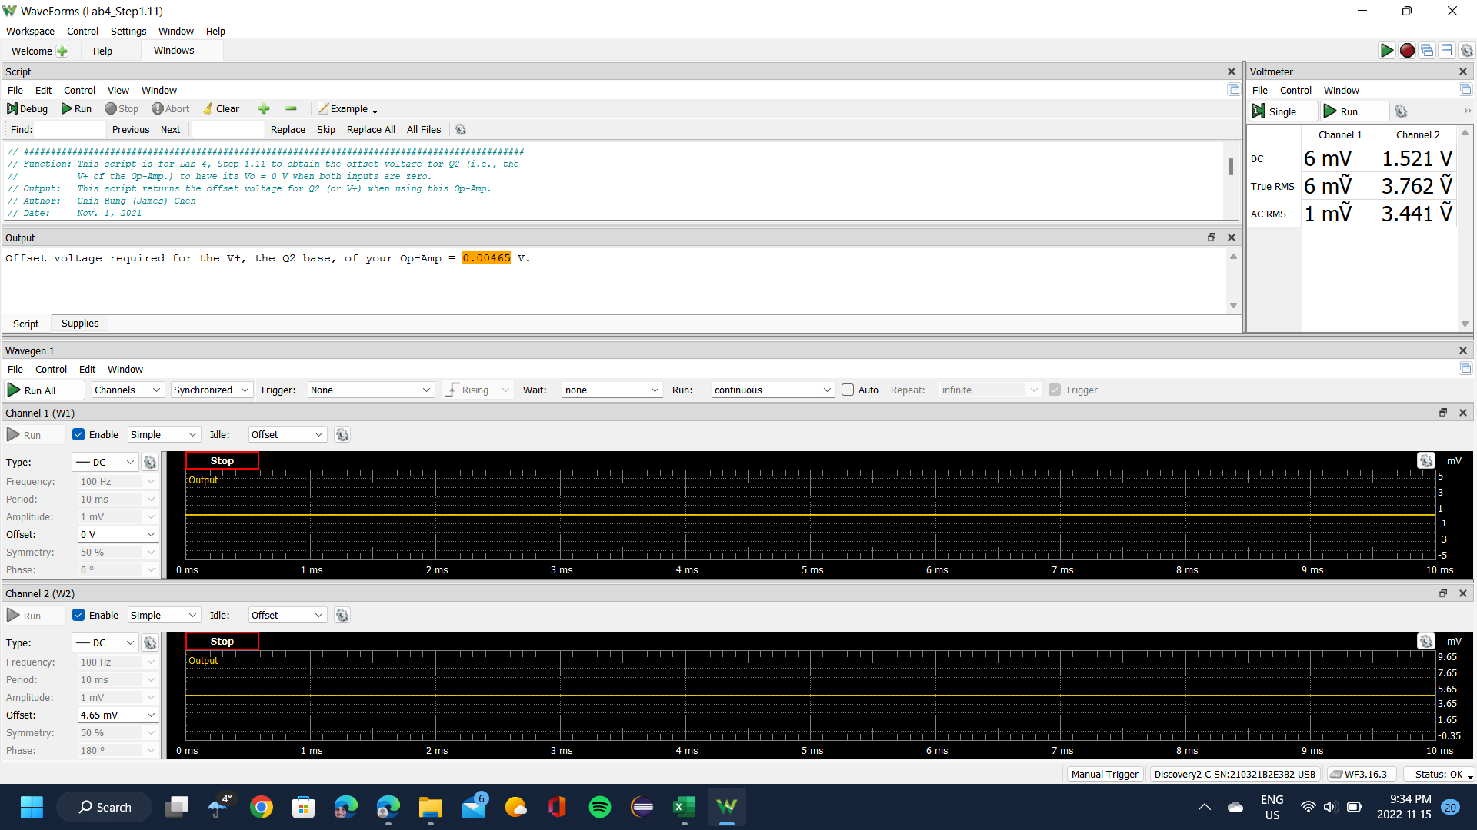
Offset Voltage for Q2
Volt
0.00465

Step 1.13
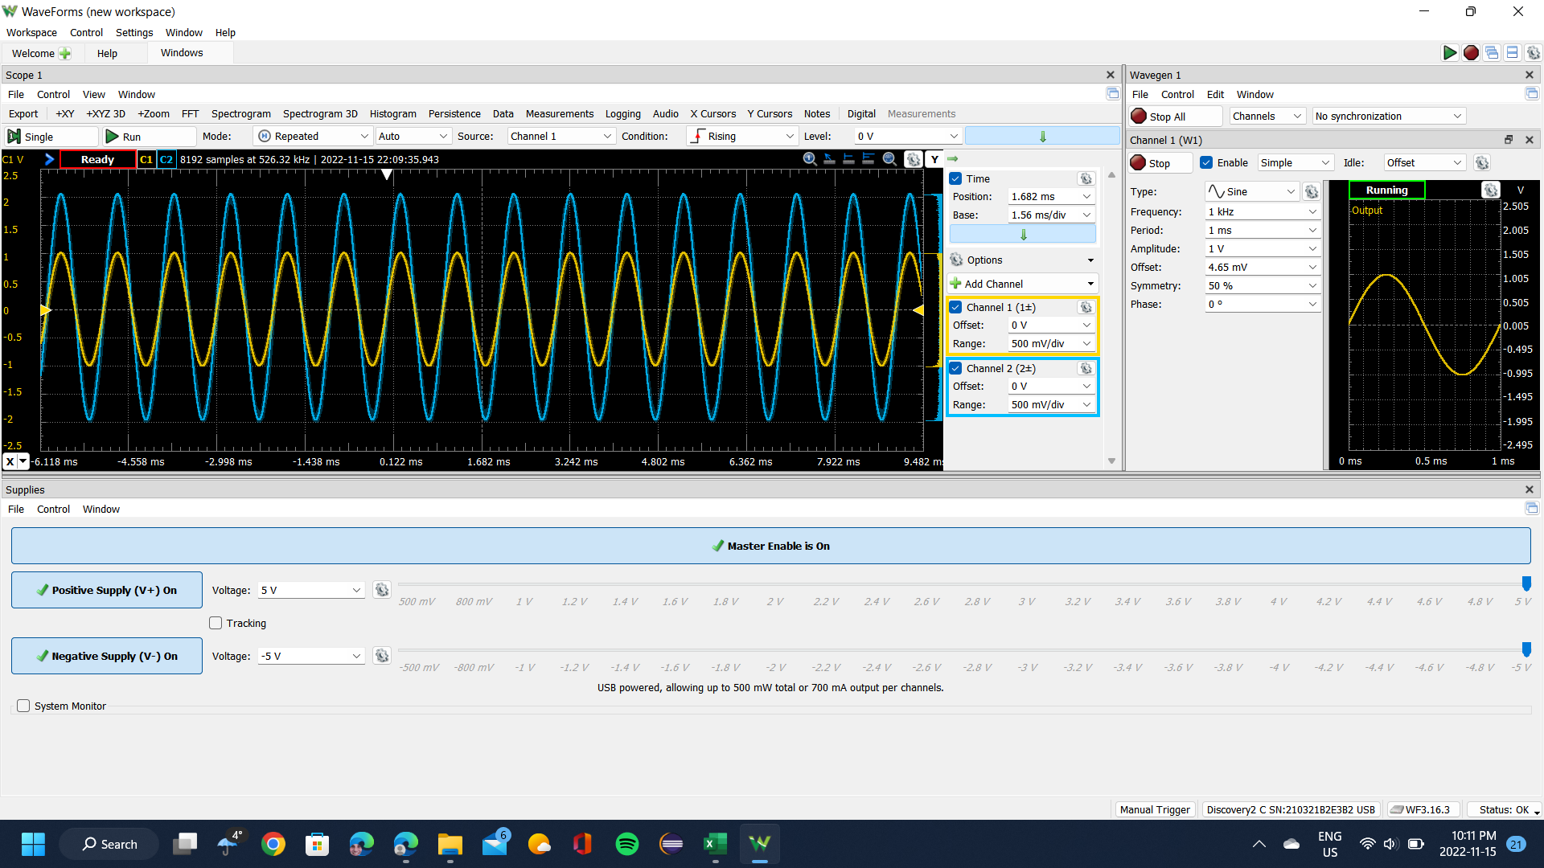
Time (s) | Channel 1 (V) | Channel 2 (V)
-0.0060993970359 | -0.60352129927 | -1.1660662117
-0.0060974970359 | -0.59466389773 | -1.1486797065
-0.0060955970359 | -0.58580649619 | -1.1292477301
-0.0060936970359 | -0.57592708679 | -1.1098157536
-0.0060917970359 | -0.56672901596 | -1.0907246891
-0.0060898970359 | -0.55514626011 | -1.0695881533
-0.0060879970359 | -0.54560751999 | -1.0501561769
-0.0060860970359 | -0.53709078775 | -1.0286787292
-0.0060841970358 | -0.52653003976 | -1.0119740478
-0.0060822970358 | -0.51665063036 | -0.99254207133
-0.0060803970358 | -0.50574921308 | -0.96970097623
-0.0060784970358 | -0.49450712652 | -0.9482235286
-0.0060765970358 | -0.48530905569 | -0.92981428777
-0.0060746970358 | -0.4747483077 | -0.90731410454
-0.0060727970358 | -0.46452822901 | -0.88549574504
-0.0060708970358 | -0.45362681173 | -0.86435920928
-0.0060689970358 | -0.44272539446 | -0.84424540912
-0.0060670970358 | -0.43250531576 | -0.82174522588
-0.0060651970358 | -0.42160389849 | -0.80265416132
-0.0060632970358 | -0.41002114263 | -0.78151762556
-0.0060613970358 | -0.39877905607 | -0.75526741179
-0.0060594970358 | -0.38821830808 | -0.73447178789
-0.0060575970358 | -0.3776575601 | -0.71503981146
-0.0060556970358 | -0.36675614282 | -0.69219871636
-0.0060537970358 | -0.35551405626 | -0.6679939738
-0.0060518970358 | -0.3439313004 | -0.64685743803
-0.0060499970358 | -0.33200787526 | -0.62299360733
-0.0060480970358 | -0.32246913514 | -0.60322071903
-0.0060461970358 | -0.30952370213 | -0.57833415273
-0.0060442970358 | -0.29794094627 | -0.55549305763
-0.0060423970358 | -0.28738019829 | -0.53333378627
-0.0060404970358 | -0.27647878101 | -0.5101517793
-0.0060385970358 | -0.26387401729 | -0.48662886047
-0.0060366970358 | -0.25297260001 | -0.46481050097
-0.0060347970358 | -0.24036783629 | -0.43821937533
-0.0060328970358 | -0.23048842688 | -0.41946922264
-0.0060309970358 | -0.21822433245 | -0.39560539193
-0.0060290970358 | -0.20664157659 | -0.37174156123
-0.0060271970358 | -0.19403681287 | -0.34753681867
-0.0060252970358 | -0.1831353956 | -0.32605937103
-0.0060233970358 | -0.17121197045 | -0.29980915726
-0.0060214970358 | -0.1596292146 | -0.27696806216
-0.0060195970358 | -0.14702445087 | -0.2527633196
-0.0060176970358 | -0.13646370289 | -0.23128587197
-0.0060157970358 | -0.12351826987 | -0.20469474633
-0.0060138970358 | -0.11159484473 | -0.18253547496
-0.0060119970358 | -0.10001208887 | -0.15935346799
-0.0060100970358 | -0.087407325149 | -0.13617146103
-0.0060081970358 | -0.076505907874 | -0.10958033539
-0.0060062970358 | -0.06390114415 | -0.085034680954
-0.0060043970358 | -0.052999726875 | -0.06389814519
-0.0060024970358 | -0.042098309599 | -0.042079785691
-0.0060005970358 | -0.028130868716 | -0.015147748186
-0.0059986970358 | -0.016207443571 | 0.0073524350466
-0.0059967970358 | -0.0046246877164 | 0.032920825083
-0.0059948970358 | 0.0072987374283 | 0.056784655785
-0.0059929970358 | 0.018881493283 | 0.078262103416
-0.0059910970358 | 0.031486257007 | 0.10451231719
-0.0059891970358 | 0.043750351442 | 0.13042161909
-0.0059872970358 | 0.056014445876 | 0.15530818539
-0.0059853970358 | 0.066575193862 | 0.17371742622
-0.0059834970358 | 0.078839288296 | 0.2030358468
-0.0059815970359 | 0.09144405202 | 0.22178599949
-0.0059796970359 | 0.10336747716 | 0.24735438953
-0.0059777970359 | 0.11426889444 | 0.26849092529
-0.0059758970359 | 0.12789566603 | 0.29917299334
-0.0059739970359 | 0.13845641402 | 0.31690041043
-0.0059720970359 | 0.15037983916 | 0.3441733598
-0.0059701970359 | 0.16230326431 | 0.3670144549
-0.0059682970359 | 0.17388602016 | 0.38917372626
-0.0059663970359 | 0.18580944531 | 0.41337846883
-0.0059644970359 | 0.19705153187 | 0.4365604758
-0.0059625970359 | 0.20931562631 | 0.4604243065
-0.0059606970359 | 0.21987637429 | 0.4801971948
-0.0059587970359 | 0.23282180731 | 0.50747014417
-0.0059568970359 | 0.24542657103 | 0.53372035794
-0.0059549970359 | 0.25632798831 | 0.55451598184
-0.0059530970359 | 0.26722940558 | 0.574629782
-0.0059511970359 | 0.2798341693 | 0.6015618195
-0.0059492970359 | 0.290054248 | 0.62167561967
-0.0059473970359 | 0.30163700386 | 0.64451671477
-0.0059454970359 | 0.31253842113 | 0.66633507427
-0.0059435970359 | 0.32480251557 | 0.6908807287
-0.0059416970359 | 0.33536326355 | 0.71201726446
-0.0059397970359 | 0.34762735798 | 0.7365629189
-0.0059378970359 | 0.35886944455 | 0.759404014
-0.0059359970359 | 0.37113353898 | 0.78258602097
-0.0059340970359 | 0.37999094052 | 0.79894979059
-0.0059321970359 | 0.39225503496 | 0.82520000436
-0.0059302970359 | 0.40281578294 | 0.84463198079
-0.0059283970359 | 0.41337653092 | 0.86679125215
-0.0059264970359 | 0.42461861749 | 0.88895052352
-0.0059245970359 | 0.43586070405 | 0.91213253049
-0.0059226970359 | 0.44676212133 | 0.93258724252
-0.0059207970359 | 0.45527885358 | 0.95236013081
-0.0059188970359 | 0.46720227872 | 0.97451940218
-0.0059169970359 | 0.478103696 | 0.99736049728
-0.0059150970359 | 0.48866444398 | 1.0164515618
-0.0059131970359 | 0.49888452268 | 1.0386108332
-0.0059112970359 | 0.50944527066 | 1.0580428096
-0.0059093970359 | 0.51898401078 | 1.0771338742
-0.0059074970359 | 0.52954475876 | 1.0992931456
-0.0059055970359 | 0.53976483746 | 1.1204296813
-0.0059036970359 | 0.54998491615 | 1.1381570984
-0.0059017970359 | 0.55918298698 | 1.1555436036
-0.0058998970359 | 0.56940306567 | 1.1780437869
-0.0058979970359 | 0.57928247508 | 1.198157587
-0.0058960970359 | 0.58984322307 | 1.2189532109
-0.0058941970359 | 0.5987006246 | 1.2353169805
-0.0058922970359 | 0.6089207033 | 1.2564535163
-0.0058903970359 | 0.61743743554 | 1.2728172859
-0.0058884970359 | 0.62731684495 | 1.2946356454
-0.0058865970359 | 0.63753692364 | 1.3144085337
-0.0058846970359 | 0.64605365589 | 1.3307723034
-0.0058827970359 | 0.65422971885 | 1.3433860424
-0.0058808970359 | 0.66342778967 | 1.3669089613
-0.0058789970358 | 0.67296652979 | 1.3832727309
-0.0058770970358 | 0.68216460061 | 1.4016819717
-0.0058751970358 | 0.69136267144 | 1.42145486
-0.0058732970358 | 0.6995387344 | 1.4350913347
-0.0058713970358 | 0.70737412806 | 1.4531596637
-0.0058694970358 | 0.71555019102 | 1.4705461689
-0.0058675970358 | 0.72508893113 | 1.4892963216
-0.0058656970358 | 0.73190231693 | 1.5005464132
-0.0058637970358 | 0.74110038776 | 1.5199783896
-0.0058618970358 | 0.74927645071 | 1.5349785118
-0.0058599970358 | 0.75745251367 | 1.5527059289
-0.0058580970358 | 0.76426589947 | 1.5646378442
-0.0058561970358 | 0.77278263171 | 1.5837289088
-0.0058542970358 | 0.77891467893 | 1.5963426479
-0.0058523970358 | 0.78777208047 | 1.6133882412
-0.0058504970358 | 0.79458546626 | 1.6253201566
-0.0058485970358 | 0.80208019064 | 1.6427066618
-0.0058466970358 | 0.80889357644 | 1.654979489
-0.0058447970358 | 0.81638830081 | 1.6692977874
-0.0058428970358 | 0.82422369448 | 1.6836160859
-0.0058409970358 | 0.82865239525 | 1.6955480012
-0.0058390970358 | 0.83614711962 | 1.7095253878
-0.0058371970358 | 0.84296050542 | 1.7248664218
-0.0058352970358 | 0.85011456051 | 1.7385028965
-0.0058333970358 | 0.85488393057 | 1.7470256932
-0.0058314970358 | 0.86203798565 | 1.7596394322
-0.0058295970358 | 0.86851070216 | 1.7742986425
-0.0058276970358 | 0.87464274938 | 1.7875942054
-0.0058257970358 | 0.88009345802 | 1.7974806495
-0.0058238970358 | 0.88622550523 | 1.8073670936
-0.0058219970358 | 0.89133554458 | 1.8220263039
-0.0058200970358 | 0.89678625322 | 1.8308900125
-0.0058181970358 | 0.90087428469 | 1.8404355448
-0.0058162970358 | 0.90802833978 | 1.8530492838
-0.0058143970358 | 0.91245704055 | 1.8625948161
-0.0058124970358 | 0.91790774919 | 1.8717994365
-0.0058105970358 | 0.9209737728 | 1.8799813214
-0.0058086970358 | 0.92540247356 | 1.8905495892
-0.0058067970358 | 0.93221585936 | 1.901458769
-0.0058048970358 | 0.93698522942 | 1.9103224775
-0.0058029970358 | 0.94073259161 | 1.9185043623
-0.0058010970358 | 0.94277660735 | 1.9246407759
-0.0057991970358 | 0.94788664669 | 1.9311181014
-0.0057972970358 | 0.95333735533 | 1.9420272812
-0.0057953970358 | 0.95708471752 | 1.9491864304
-0.0057934970358 | 0.95946940255 | 1.9560046677
-0.0057915970358 | 0.96253542616 | 1.9621410813
-0.0057896970358 | 0.96594211906 | 1.9696411424
-0.0057877970358 | 0.97037081982 | 1.9781639391
-0.0057858970358 | 0.97309617414 | 1.9825957934
-0.0057839970358 | 0.97479952059 | 1.9873685595
-0.0057820970358 | 0.97922822136 | 1.9965731799
-0.0057801970358 | 0.98059089852 | 1.9958913562
-0.0057782970358 | 0.98331625284 | 2.0030505054
-0.0057763970359 | 0.98604160716 | 2.0102096546
-0.0057744970359 | 0.9880856229 | 2.0136187733
-0.0057725970359 | 0.99047030793 | 2.0180506276
-0.0057706970359 | 0.99183298508 | 2.0197551869
-0.0057687970359 | 0.99387700082 | 2.0258916005
-0.0057668970359 | 0.99592101656 | 2.0265734242
-0.0057649970359 | 0.99762436301 | 2.0313461904
-0.0057630970359 | 0.99830570159 | 2.0340734853
-0.0057611970359 | 0.99932770946 | 2.0357780446
-0.0057592970359 | 1.0006903866 | 2.0364598684
-0.0057573970359 | 1.0020530638 | 2.0408917227
-0.0057554970359 | 1.0027344024 | 2.0443008413
-0.0057535970359 | 1.0034157409 | 2.0422553701
-0.0057516970359 | 1.0040970795 | 2.0439599295
-0.0057497970359 | 1.005800426 | 2.0470281363
-0.0057478970359 | 1.0047784181 | 2.0443008413
-0.0057459970359 | 1.0037564102 | 2.042596282
-0.0057440970359 | 1.0044377488 | 2.0443008413
-0.0057421970359 | 1.0051190874 | 2.0463463125
-0.0057402970359 | 1.0044377488 | 2.0446417532
-0.0057383970359 | 1.0051190874 | 2.0439599295
-0.0057364970359 | 1.0023937331 | 2.042596282
-0.0057345970359 | 1.0010310559 | 2.0364598684
-0.0057326970359 | 1.0023937331 | 2.0412326345
-0.0057307970359 | 1.0006903866 | 2.0364598684
-0.0057288970359 | 1.000009048 | 2.034755309
-0.0057269970359 | 0.99864637088 | 2.0316871022
-0.0057250970359 | 0.99660235514 | 2.029641631
-0.0057231970359 | 0.99592101656 | 2.027255248
-0.0057212970359 | 0.99319566224 | 2.0207779225
-0.0057193970359 | 0.99149231579 | 2.0197551869
-0.0057174970359 | 0.98842629219 | 2.0125960377
-0.0057155970359 | 0.98774495361 | 2.0098687427
-0.0057136970359 | 0.98570093787 | 2.0050959766
-0.0057117970359 | 0.98229424497 | 2.0006641223
-0.0057098970359 | 0.97922822136 | 1.9941867968
-0.0057079970359 | 0.9778655442 | 1.9907776782
-0.0057060970359 | 0.97514018988 | 1.9839594408
-0.0057041970359 | 0.97139282769 | 1.9788457628
-0.0057022970359 | 0.96866747338 | 1.9713457018
-0.0057003970359 | 0.96492011119 | 1.9645274644
-0.0056984970359 | 0.96253542616 | 1.9607774339
-0.0056965970359 | 0.95844739468 | 1.9519137253
-0.0056946970359 | 0.95299668604 | 1.93998181
-0.0056927970359 | 0.95027133172 | 1.9355499557
-0.0056908970359 | 0.94618330024 | 1.9277089828
-0.0056889970359 | 0.94277660735 | 1.9215725691
-0.0056870970359 | 0.93868857587 | 1.9123679487
-0.0056851970359 | 0.93391920581 | 1.9024815046
-0.0056832970359 | 0.92949050504 | 1.8942996198
-0.0056813970359 | 0.92472113498 | 1.8830495281
-0.0056794970359 | 0.92063310351 | 1.8765722027
-0.0056775970359 | 0.91484172558 | 1.8636175517
-0.0056756970359 | 0.90973168623 | 1.8544129313
-0.0056737970358 | 0.90428097759 | 1.842481016
-0.0056718970358 | 0.90053361541 | 1.837367338
-0.0056699970358 | 0.89474223748 | 1.8240717751
-0.0056680970358 | 0.88929152884 | 1.8117989479
-0.0056661970358 | 0.8838408202 | 1.7991852088
-0.0056642970358 | 0.87770877299 | 1.7886169409
-0.0056623970358 | 0.87157672577 | 1.7763441137
-0.0056604970358 | 0.86612601713 | 1.7650940221
-0.0056585970358 | 0.85931263133 | 1.7528211949
-0.0056566970358 | 0.85420259199 | 1.7419120152
-0.0056547970358 | 0.84738920619 | 1.7279346286
-0.0056528970358 | 0.83989448181 | 1.7149799777
-0.0056509970358 | 0.8337624346 | 1.7003207674
-0.0056490970358 | 0.82660837951 | 1.6853206452
-0.0056471970358 | 0.82081700158 | 1.6750932892
-0.0056452970358 | 0.81332227721 | 1.6594113433
-0.0056433970358 | 0.80753089928 | 1.6464566923
-0.0056414970358 | 0.79867349774 | 1.629411099
-0.0056395970358 | 0.79117877336 | 1.6171382718
-0.0056376970358 | 0.78470605686 | 1.6024790615
-0.0056357970358 | 0.77857400964 | 1.5898653224
-0.0056338970358 | 0.76869460024 | 1.570433346
-0.0056319970358 | 0.76085920657 | 1.5540695764
-0.0056300970358 | 0.75268314361 | 1.5380467186
-0.0056281970358 | 0.74518841924 | 1.5244102439
-0.0056262970358 | 0.73599034841 | 1.5056600912
-0.0056243970358 | 0.72985830119 | 1.4899781453
-0.0056224970358 | 0.72100089966 | 1.4746371113
-0.0056205970358 | 0.71384684457 | 1.4603188129
-0.0056186970358 | 0.70396743516 | 1.4408868365
-0.0056167970358 | 0.6961320415 | 1.4228185075
-0.0056148970358 | 0.68693397067 | 1.4064547379
-0.0056129970358 | 0.67807656914 | 1.3897500564
-0.0056110970358 | 0.66955983689 | 1.3720226393
-0.0056091970358 | 0.66036176606 | 1.3532724866
-0.0056072970358 | 0.65082302595 | 1.3334995983
-0.0056053970358 | 0.64196562441 | 1.3164540049
-0.0056034970358 | 0.63208621501 | 1.2990674997
-0.0056015970358 | 0.62425082134 | 1.2809991707
-0.0055996970358 | 0.61471208122 | 1.2595217231
-0.0055977970358 | 0.60517334111 | 1.2411124823
-0.0055958970358 | 0.59495326241 | 1.2230441533
-0.0055939970358 | 0.5854145223 | 1.2015667057
-0.0055920970358 | 0.57621645147 | 1.1858847598
-0.0055901970358 | 0.56497436491 | 1.1630436647
-0.0055882970358 | 0.55543562479 | 1.1439526001
-0.0055863970358 | 0.54555621539 | 1.1245206237
-0.0055844970358 | 0.53567680598 | 1.1050886473
-0.0055825970358 | 0.52545672729 | 1.0836111997
-0.0055806970358 | 0.51523664859 | 1.0645201351
-0.0055787970358 | 0.5046759006 | 1.0433835993
-0.0055768970358 | 0.49411515262 | 1.021224328
-0.0055749970358 | 0.48491708179 | 1.0021332634
-0.0055730970358 | 0.47299365665 | 0.98133763952
-0.0055711970359 | 0.46277357795 | 0.95986019189
-0.0055692970359 | 0.45323483784 | 0.94145095106
-0.0055673970359 | 0.44301475914 | 0.91792803223
-0.0055654970359 | 0.43006932613 | 0.89304146592
-0.0055635970359 | 0.42018991672 | 0.8736094895
-0.0055616970359 | 0.40894783016 | 0.8507683944
-0.0055597970359 | 0.39838708217 | 0.83065459423
-0.0055578970359 | 0.38680432632 | 0.808154411
-0.0055559970359 | 0.37692491691 | 0.78667696337
-0.0055540970359 | 0.36500149177 | 0.76622225134
-0.0055521970359 | 0.3537594052 | 0.74406297998
-0.0055502970359 | 0.34217664935 | 0.71713094247
-0.0055483970359 | 0.33297857852 | 0.69838078978
-0.0055464970359 | 0.31969247622 | 0.67213057601
-0.0055445970359 | 0.30879105894 | 0.65235768771
-0.0055426970359 | 0.29754897238 | 0.62883476888
-0.0055407970359 | 0.28596621652 | 0.60667549751
-0.0055388970359 | 0.27370212209 | 0.58247075494
-0.0055369970359 | 0.26348204339 | 0.56133421918
-0.0055350970359 | 0.25121794896 | 0.53678856474
-0.0055331970359 | 0.23895385452 | 0.51190199844
-0.0055312970359 | 0.22771176796 | 0.49008363894
-0.0055293970359 | 0.21681035068 | 0.46894710318
-0.0055274970359 | 0.20420558696 | 0.44133324194
-0.0055255970359 | 0.19228216181 | 0.42019670618
-0.0055236970359 | 0.18240275241 | 0.39940108228
-0.0055217970359 | 0.16979798869 | 0.37315086851
-0.0055198970359 | 0.15685255567 | 0.3482643022
-0.0055179970359 | 0.14526979982 | 0.32780959018
-0.0055160970359 | 0.13402771325 | 0.29985481707
-0.0055141970359 | 0.1224449574 | 0.27803645757
-0.0055122970359 | 0.11052153225 | 0.2558771862
-0.0055103970359 | 0.097916768527 | 0.23064970804
-0.0055084970359 | 0.087356020542 | 0.20644496547
-0.0055065970359 | 0.074751256818 | 0.18258113477
-0.0055046970359 | 0.063509170253 | 0.1604218634
-0.0055027970359 | 0.050223067949 | 0.1365580327
-0.0055008970359 | 0.037958973514 | 0.11303511387
-0.0054989970359 | 0.02569487908 | 0.084739428892
-0.0054970970359 | 0.014793461805 | 0.063261981261
-0.0054951970359 | 0.0021886980806 | 0.03939815056
-0.0054932970359 | -0.0087127191945 | 0.016897967327
-0.0054913970359 | -0.020636144339 | -0.0073067752412
-0.0054894970359 | -0.032900238774 | -0.033556989013
-0.0054875970359 | -0.044823663918 | -0.054693524776
-0.0054856970359 | -0.057428427643 | -0.080943738548
-0.0054837970359 | -0.069692522077 | -0.10446665738
-0.0054818970359 | -0.080593939352 | -0.12696684061
-0.0054799970359 | -0.093198703076 | -0.15253523065
-0.0054780970359 | -0.10444078964 | -0.17673997322
-0.0054761970359 | -0.11568287621 | -0.19958106832
-0.0054742970359 | -0.12965031709 | -0.22412672275
-0.0054723970359 | -0.14089240365 | -0.24594508225
-0.0054704970359 | -0.15179382093 | -0.27083164856
-0.0054685970358 | -0.16405791536 | -0.29128636059
-0.0054666970358 | -0.17530000193 | -0.31685475062
-0.0054647970358 | -0.18688275778 | -0.34105949319
-0.0054628970358 | -0.19914685222 | -0.36492332389
-0.0054609970358 | -0.21072960807 | -0.38810533086
-0.0054590970358 | -0.22265303322 | -0.41162824969
-0.0054571970358 | -0.23389511978 | -0.43412843292
-0.0054552970358 | -0.24581854493 | -0.45901499923
-0.0054533970358 | -0.2567199622 | -0.47844697565
-0.0054514970358 | -0.26898405664 | -0.50162898262
-0.0054495970358 | -0.27988547391 | -0.52481098959
-0.0054476970358 | -0.2904462219 | -0.54935664402
-0.0054457970358 | -0.30305098562 | -0.57185682726
-0.0054438970358 | -0.31463374148 | -0.59503883422
-0.0054419970358 | -0.32689783591 | -0.61822084119
-0.0054400970358 | -0.33779925319 | -0.64242558376
-0.0054381970358 | -0.34870067046 | -0.66151664832
-0.0054362970358 | -0.35926141845 | -0.68401683155
-0.0054343970358 | -0.37016283572 | -0.70617610292
-0.0054324970358 | -0.38208626087 | -0.73072175735
-0.0054305970358 | -0.39264700885 | -0.75049464565
-0.0054286970358 | -0.40388909542 | -0.77299482888
-0.0054267970358 | -0.41479051269 | -0.79617683585
-0.0054248970358 | -0.42398858352 | -0.8132224292
-0.0054229970358 | -0.4379560244 | -0.83947264298
-0.0054210970358 | -0.4481761031 | -0.86060917874
-0.0054191970358 | -0.45771484321 | -0.88038206703
-0.0054172970358 | -0.4682755912 | -0.90117769093
-0.0054153970358 | -0.47883633918 | -0.92265513856
-0.0054134970358 | -0.48973775646 | -0.94379167433
-0.0054115970358 | -0.49961716586 | -0.96424638636
-0.0054096970358 | -0.50983724456 | -0.98401927465
-0.0054077970358 | -0.52039799254 | -1.0058376341
-0.0054058970358 | -0.52959606337 | -1.0218604919
-0.0054039970358 | -0.54049748065 | -1.0457243226
-0.0054020970358 | -0.55003622076 | -1.0648153872
-0.0054001970358 | -0.56093763804 | -1.0842473636
-0.0053982970358 | -0.57081704744 | -1.1050429875
-0.0053963970358 | -0.57967444898 | -1.1258386114
-0.0053944970358 | -0.58921318909 | -1.142202381
-0.0053925970358 | -0.5990925985 | -1.1606116218
-0.0053906970358 | -0.60829066932 | -1.1810663339
-0.0053887970358 | -0.61748874015 | -1.1998164866
-0.0053868970358 | -0.62770881884 | -1.2185666393
-0.0053849970358 | -0.63656622038 | -1.2356122326
-0.0053830970358 | -0.64474228334 | -1.2540214734
-0.0053811970358 | -0.65564370061 | -1.2744761855
-0.0053792970358 | -0.66416043286 | -1.2915217788
-0.0053773970358 | -0.6726771651 | -1.3099310197
-0.0053754970358 | -0.68153456664 | -1.3262947893
-0.0053735970358 | -0.6897106296 | -1.3426585589
-0.0053716970358 | -0.699590039 | -1.3610677997
-0.0053697970358 | -0.7064034248 | -1.3760679219
-0.0053678970358 | -0.71560149563 | -1.3941362508
-0.0053659970359 | -0.72309622 | -1.4077727255
-0.0053640970359 | -0.73195362154 | -1.4289092613
-0.0053621970359 | -0.7397890152 | -1.4428866478
-0.0053602970359 | -0.74932775532 | -1.4609549768
-0.0053583970359 | -0.75477846396 | -1.4739096278
-0.0053564970359 | -0.76261385763 | -1.4902733974
-0.0053545970359 | -0.77044925129 | -1.5042507839
-0.0053526970359 | -0.77862531425 | -1.5206145536
-0.0053507970359 | -0.78612003862 | -1.5342510282
-0.0053488970359 | -0.79259275513 | -1.5465238555
-0.0053469970359 | -0.80008747951 | -1.5639103607
-0.0053450970359 | -0.80826354246 | -1.5799332184
-0.0053431970359 | -0.81473625897 | -1.593910605
-0.0053412970359 | -0.82120897548 | -1.6034561373
-0.0053393970359 | -0.8273410227 | -1.6191380832
-0.0053374970359 | -0.83449507778 | -1.6317518223
-0.0053355970359 | -0.84096779429 | -1.6464110325
-0.0053336970359 | -0.84709984151 | -1.6562974767
-0.0053317970359 | -0.85357255801 | -1.6685703039
-0.0053298970359 | -0.85902326665 | -1.6794794837
-0.0053279970359 | -0.86549598316 | -1.6948205177
-0.0053260970359 | -0.8709466918 | -1.70436605
-0.0053241970359 | -0.87639740043 | -1.7176616128
-0.0053222970359 | -0.88150743978 | -1.7255025857
-0.0053203970359 | -0.88832082558 | -1.7387981485
-0.0053184970359 | -0.89445287279 | -1.750389152
-0.0053165970359 | -0.89956291214 | -1.7616392436
-0.0053146970359 | -0.9043322822 | -1.7701620403
-0.0053127970359 | -0.90910165226 | -1.7817530438
-0.0053108970359 | -0.9145523609 | -1.7895940167
-0.0053089970359 | -0.91898106166 | -1.7977759016
-0.0053070970359 | -0.92340976243 | -1.8103896406
-0.0053051970359 | -0.92749779391 | -1.8158442305
-0.0053032970359 | -0.9312451561 | -1.8264124984
-0.0053013970359 | -0.93601452616 | -1.8359580307
-0.0052994970359 | -0.94044322693 | -1.8400489731
-0.0052975970359 | -0.9445312584 | -1.8502763291
-0.0052956970359 | -0.94725661272 | -1.8567536546
-0.0052937970359 | -0.95100397491 | -1.8652764513
-0.0052918970359 | -0.95406999852 | -1.8714128649
-0.0052899970359 | -0.95849869929 | -1.8785720141
-0.0052880970359 | -0.96258673077 | -1.886412987
-0.0052861970359 | -0.96394940792 | -1.8898221057
-0.0052842970359 | -0.96769677011 | -1.8980039905
-0.0052823970359 | -0.96940011656 | -1.9034585804
-0.0052804970359 | -0.97280680946 | -1.9072086109
-0.0052785970359 | -0.97519149449 | -1.9116404652
-0.0052766970359 | -0.97723551023 | -1.9167541432
-0.0052747970359 | -0.97927952597 | -1.9222087331
-0.0052728970359 | -0.98268621886 | -1.9273224111
-0.0052709970359 | -0.98404889603 | -1.9286860586
-0.0052690970359 | -0.98609291176 | -1.9331179128
-0.0052671970359 | -0.98677425034 | -1.9372088552
-0.0052652970359 | -0.98881826608 | -1.9412997976
-0.0052633970358 | -0.99120295111 | -1.9423225332
-0.0052614970358 | -0.99086228182 | -1.9440270926
-0.0052595970358 | -0.99290629756 | -1.948118035
-0.0052576970358 | -0.99324696685 | -1.950504418
-0.0052557970358 | -0.99529098259 | -1.9511862418
-0.0052538970358 | -0.9949503133 | -1.9528908011
-0.0052519970358 | -0.99529098259 | -1.9535726249
-0.0052500970358 | -0.99699432904 | -1.9556180961
-0.0052481970358 | -0.99631299046 | -1.9535726249
-0.0052462970358 | -0.99665365975 | -1.9539135367
-0.0052443970358 | -0.99665365975 | -1.9542544486
-0.0052424970358 | -0.99665365975 | -1.9552771842
-0.0052405970358 | -0.99631299046 | -1.9545953604
-0.0052386970358 | -0.99563165188 | -1.9559590079
-0.0052367970358 | -0.99529098259 | -1.9515271537
-0.0052348970358 | -0.99529098259 | -1.9515271537
-0.0052329970358 | -0.99426897472 | -1.9508453299
-0.0052310970358 | -0.99290629756 | -1.9464134756
-0.0052291970358 | -0.99188428969 | -1.9447089163
-0.0052272970358 | -0.99086228182 | -1.9416407095
-0.0052253970358 | -0.98881826608 | -1.937890679
-0.0052234970358 | -0.98711491963 | -1.9355042959
-0.0052215970358 | -0.9847302346 | -1.9314133535
-0.0052196970358 | -0.98234554958 | -1.9276633229
-0.0052177970358 | -0.98132354171 | -1.924936028
-0.0052158970358 | -0.97962019526 | -1.9194814381
-0.0052139970358 | -0.97893885668 | -1.9170950551
-0.0052120970358 | -0.97553216378 | -1.9116404652
-0.0052101970358 | -0.97246614017 | -1.9051631397
-0.0052082970358 | -0.96940011656 | -1.8997085498
-0.0052063970358 | -0.96701543153 | -1.8952766956
-0.0052044970358 | -0.9646307465 | -1.8908448413
-0.0052025970358 | -0.9612240536 | -1.8809583971
-0.0052006970358 | -0.95747669142 | -1.8755038073
-0.0051987970358 | -0.95441066781 | -1.8676628343
-0.0051968970358 | -0.9513446442 | -1.86323098
-0.0051949970358 | -0.94725661272 | -1.8567536546
-0.0051930970358 | -0.94214657337 | -1.8451626511
-0.0051911970358 | -0.93976188834 | -1.8373216781
-0.0051892970358 | -0.93567385687 | -1.8301625289
-0.0051873970358 | -0.93226716397 | -1.8192533492
-0.0051854970358 | -0.92579444746 | -1.8124351118
-0.0051835970358 | -0.92136574669 | -1.8045941389
-0.0051816970358 | -0.91864039237 | -1.8001622846
-0.0051797970358 | -0.91250834516 | -1.7875485455
-0.0051778970358 | -0.90807964439 | -1.773571159
-0.0051759970358 | -0.90399161291 | -1.7647074504
-0.0051740970358 | -0.89785956569 | -1.7548210063
-0.0051721970358 | -0.89206818777 | -1.7439118265
-0.0051702970358 | -0.88798015629 | -1.7367526773
-0.0051683970358 | -0.88252944765 | -1.7244798501
-0.0051664970358 | -0.87639740043 | -1.7122070229
-0.0051645970358 | -0.87026535322 | -1.6999341957
-0.0051626970358 | -0.86515531387 | -1.6886841041
-0.0051607970359 | -0.85800125878 | -1.6764112768
-0.0051588970359 | -0.85289121943 | -1.6651611852
-0.0051569970359 | -0.84675917222 | -1.6515247105
-0.0051550970359 | -0.84130846358 | -1.6389109715
-0.0051531970359 | -0.8338137392 | -1.6269790561
-0.0051512970359 | -0.8273410227 | -1.614365317
-0.0051493970359 | -0.82086830619 | -1.5993651949
-0.0051474970359 | -0.81473625897 | -1.5864105439
-0.0051455970359 | -0.80621952672 | -1.5714104218
-0.0051436970359 | -0.79872480235 | -1.555387564
-0.0051417970359 | -0.79293342442 | -1.5417510893
-0.0051398970359 | -0.78543870004 | -1.5277737028
-0.0051379970359 | -0.77794397567 | -1.5137963162
-0.0051360970359 | -0.77147125916 | -1.5011825771
-0.0051341970359 | -0.76295452691 | -1.4837960719
-0.0051322970359 | -0.75511913325 | -1.4687959498
-0.0051303970359 | -0.74728373958 | -1.4531140039
-0.0051284970359 | -0.73774499947 | -1.434704763
-0.0051265970359 | -0.73059094438 | -1.4180000815
-0.0051246970359 | -0.72309622 | -1.4026590475
-0.0051227970359 | -0.71423881847 | -1.3862952779
-0.0051208970359 | -0.7064034248 | -1.3716360676
-0.0051189970359 | -0.69856803113 | -1.3545904742
-0.0051170970359 | -0.68800728315 | -1.3358403216
-0.0051151970359 | -0.68119389735 | -1.3194765519
-0.0051132970359 | -0.67131448795 | -1.3003854874
-0.0051113970359 | -0.6627977557 | -1.2826580703
-0.0051094970359 | -0.65359968487 | -1.2656124769
-0.0051075970359 | -0.64542362192 | -1.2478850598
-0.0051056970359 | -0.6358848818 | -1.2281121715
-0.0051037970359 | -0.62634614169 | -1.2110665782
-0.0051018970359 | -0.61646673228 | -1.1929982492
-0.0050999970359 | -0.60829066932 | -1.1749299203
-0.0050980970359 | -0.59943326779 | -1.1548161201
-0.0050961970359 | -0.5888725198 | -1.1364068793
-0.0050942970359 | -0.57865244111 | -1.1159521672
-0.0050923970359 | -0.56911370099 | -1.0972020146
-0.0050904970359 | -0.55821228372 | -1.0747018313
-0.0050885970359 | -0.54969555147 | -1.0569744142
-0.0050866970359 | -0.54015681136 | -1.0378833497
-0.0050847970359 | -0.52993673266 | -1.0170877258
-0.0050828970359 | -0.51971665396 | -0.9969739256
-0.0050809970359 | -0.50881523669 | -0.97720103731
-0.0050790970359 | -0.49859515799 | -0.95708723715
-0.0050771970359 | -0.48803441001 | -0.93424614205
-0.0050752970359 | -0.47849566989 | -0.91515507749
-0.0050733970359 | -0.46759425262 | -0.89333671799
-0.0050714970359 | -0.4580555125 | -0.87185927036
-0.0050695970359 | -0.44579141807 | -0.84969999899
-0.0050676970359 | -0.43625267795 | -0.83129075816
-0.0050657970359 | -0.42262590636 | -0.80572236813
-0.0050638970359 | -0.41410917411 | -0.78765403917
-0.0050619970359 | -0.40286708755 | -0.7634492966
-0.0050600970359 | -0.39162500098 | -0.7416309371
-0.0050581970358 | -0.37970157584 | -0.71913075387
-0.0050562970358 | -0.37118484359 | -0.70003968931
-0.0050543970358 | -0.35926141845 | -0.67378947554
-0.0050524970358 | -0.34767866259 | -0.65367567537
-0.0050505970358 | -0.33575523745 | -0.63117549214
-0.0050486970358 | -0.32451315088 | -0.60867530891
-0.0050467970358 | -0.3139524029 | -0.58515239007
-0.0050448970358 | -0.30271031633 | -0.56606132551
-0.0050429970358 | -0.29146822977 | -0.54083384734
-0.0050410970358 | -0.2802261432 | -0.51867457598
-0.0050391970358 | -0.26864338735 | -0.49515165715
-0.0050372970358 | -0.25603862362 | -0.47026509084
-0.0050353970358 | -0.24479653706 | -0.44742399574
-0.0050334970358 | -0.2332137812 | -0.42492381251
-0.0050315970358 | -0.22197169464 | -0.40140089368
-0.0050296970358 | -0.2097076002 | -0.38060526978
-0.0050277970358 | -0.19880618293 | -0.35605961535
-0.0050258970358 | -0.18586074992 | -0.33015031344
-0.0050239970358 | -0.17530000193 | -0.30969560141
-0.0050220970358 | -0.16303590749 | -0.28378629951
-0.0050201970358 | -0.1528158288 | -0.26230885188
-0.0050182970358 | -0.13884838792 | -0.23537681437
-0.0050163970358 | -0.12726563206 | -0.2121948074
-0.0050144970358 | -0.1160235455 | -0.19003553604
-0.0050125970358 | -0.10375945106 | -0.16889900027
-0.0050106970358 | -0.092176695207 | -0.14128513904
-0.0050087970358 | -0.080593939352 | -0.11912586767
-0.0050068970358 | -0.067989175628 | -0.092534742031
-0.0050049970358 | -0.057428427643 | -0.071739118134
-0.0050030970358 | -0.043460986759 | -0.045147992496
-0.0050011970358 | -0.031878230904 | -0.022647809263
-0.0049992970358 | -0.020636144339 | 0.0022387570392
-0.0049973970358 | -0.0080313806148 | 0.024398028405
-0.0049954970358 | 0.0035513752399 | 0.047920947239
-0.0049935970358 | 0.015134131095 | 0.072125689807
-0.0049916970358 | 0.027057556239 | 0.096671344242
-0.0049897970358 | 0.039321650674 | 0.12155791054
-0.0049878970358 | 0.051245075818 | 0.14576265311
-0.0049859970358 | 0.063168500963 | 0.16655827701
-0.0049840970358 | 0.075773264687 | 0.19485396198
-0.0049821970358 | 0.087696689832 | 0.21837688082
-0.0049802970358 | 0.098257437817 | 0.23883159285
-0.0049783970358 | 0.11154354012 | 0.26405907102
-0.0049764970358 | 0.12278562669 | 0.28758198985
-0.0049745970358 | 0.13470905183 | 0.31144582055
-0.0049726970358 | 0.14629180769 | 0.33462782752
-0.0049707970358 | 0.15855590212 | 0.35985530569
-0.0049688970358 | 0.16979798869 | 0.38133275332
-0.0049669970358 | 0.18172141383 | 0.40758296709
-0.0049650970358 | 0.19364483897 | 0.42940132659
-0.0049631970358 | 0.2062496027 | 0.45462880476
-0.0049612970358 | 0.21817302784 | 0.47508351679
-0.0049593970358 | 0.22907444512 | 0.50065190683
-0.0049574970358 | 0.24065720097 | 0.52383391379
-0.0049555970359 | 0.25258062612 | 0.54701592076
-0.0049536970359 | 0.26382271268 | 0.56747063279
-0.0049517970359 | 0.27404279138 | 0.58997081602
-0.0049498970359 | 0.28596621652 | 0.61383464672
-0.0049479970359 | 0.29823031096 | 0.64008486049
-0.0049460970359 | 0.31049440539 | 0.66360777933
-0.0049441970359 | 0.3203738148 | 0.68235793202
-0.0049422970359 | 0.33263790923 | 0.70485811525
-0.0049403970359 | 0.34353932651 | 0.72667647475
-0.0049384970359 | 0.35546275165 | 0.75224486479
-0.0049365970359 | 0.36636416893 | 0.77269957682
-0.0049346970359 | 0.37896893265 | 0.79826796686
-0.0049327970359 | 0.38782633419 | 0.81497264835
-0.0049308970359 | 0.40009042862 | 0.84292742145
-0.0049289970359 | 0.40962916874 | 0.86201848601
-0.0049270970359 | 0.4208712553 | 0.88145046244
-0.0049251970359 | 0.43211334187 | 0.90395064567
-0.0049232970359 | 0.44301475914 | 0.92610991704
-0.0049213970359 | 0.45323483784 | 0.94554189347
-0.0049194970359 | 0.46379558582 | 0.9680420767
-0.0049175970359 | 0.47367499523 | 0.98849678873
-0.0049156970359 | 0.48525775108 | 1.0103151482
-0.0049137970359 | 0.49513716049 | 1.0304289484
-0.0049118970359 | 0.50569790847 | 1.051906396
-0.0049099970359 | 0.51659932575 | 1.0740656674
-0.0049080970359 | 0.52613806586 | 1.0917930845
-0.0049061970359 | 0.53669881385 | 1.1119068846
-0.0049042970359 | 0.54657822326 | 1.1320206848
-0.0049023970359 | 0.55782030982 | 1.1541799562
-0.0049004970359 | 0.56599637278 | 1.1698619021
-0.0048985970359 | 0.57621645147 | 1.1920211734
-0.0048966970359 | 0.5854145223 | 1.211112238
-0.0048947970359 | 0.59699727815 | 1.2308851263
-0.0048928970359 | 0.60517334111 | 1.2503171027
-0.0048909970359 | 0.61505275051 | 1.2694081673
-0.0048890970359 | 0.62322881347 | 1.285431025
-0.0048871970359 | 0.63378956146 | 1.3065675608
-0.0048852970359 | 0.64400964015 | 1.3242949779
-0.0048833970359 | 0.65150436453 | 1.3413405712
-0.0048814970359 | 0.66036176606 | 1.3570225171
-0.0048795970359 | 0.67024117547 | 1.3808863478
-0.0048776970359 | 0.68012058488 | 1.3972501175
-0.0048757970359 | 0.68863731712 | 1.4146366227
-0.0048738970359 | 0.69579137221 | 1.4299776567
-0.0048719970359 | 0.70396743516 | 1.4466823382
-0.0048700970359 | 0.71350617528 | 1.4623642841
-0.0048681970359 | 0.7230449154 | 1.4838417317
-0.0048662970359 | 0.73019897048 | 1.4964554708
-0.0048643970359 | 0.73837503344 | 1.5135010641
-0.0048624970359 | 0.7462104271 | 1.5298648338
-0.0048605970359 | 0.75472715935 | 1.547251339
-0.0048586970359 | 0.76154054515 | 1.5619105493
-0.0048567970359 | 0.7697166081 | 1.5786152308
-0.0048548970359 | 0.77721133248 | 1.5919107936
-0.0048529970358 | 0.78572806473 | 1.6082745632
-0.0048510970358 | 0.79186011194 | 1.621570126
-0.0048491970358 | 0.80071751348 | 1.6369111601
-0.0048472970358 | 0.80650889141 | 1.649865811
-0.0048453970358 | 0.81298160791 | 1.6645250213
-0.0048434970358 | 0.820135663 | 1.6802069672
-0.0048415970358 | 0.82728971809 | 1.6914570588
-0.0048396970358 | 0.83512511176 | 1.7078208284
-0.0048377970358 | 0.84159782826 | 1.7214573031
-0.0048358970358 | 0.84738920619 | 1.7330483066
-0.0048339970358 | 0.8538619227 | 1.744980222
-0.0048320970358 | 0.8603346392 | 1.7565712254
-0.0048301970358 | 0.86680735571 | 1.7708895239
-0.0048282970358 | 0.87225806435 | 1.780775968
-0.0048263970358 | 0.87907145014 | 1.7950942664
-0.0048244970358 | 0.88418148949 | 1.8060034462
-0.0048225970358 | 0.88963219813 | 1.8158898903
-0.0048206970358 | 0.89508290677 | 1.8274808938
-0.0048187970358 | 0.90053361541 | 1.8394128092
-0.0048168970358 | 0.90632499333 | 1.8496401652
-0.0048149970358 | 0.9107536941 | 1.85782205
-0.0048130970358 | 0.91518239487 | 1.8690721416
-0.0048111970358 | 0.9209737728 | 1.8775949383
-0.0048092970358 | 0.92642448143 | 1.8888450299
-0.0048073970358 | 0.93017184362 | 1.8970269147
-0.0048054970358 | 0.93460054439 | 1.906572447
-0.0048035970358 | 0.93834790658 | 1.9144134199
-0.0048016970358 | 0.94379861522 | 1.9229362166
-0.0047997970358 | 0.9475459774 | 1.9304362777
-0.0047978970358 | 0.95061200101 | 1.9386181625
-0.0047959970358 | 0.95470003249 | 1.9461182236
-0.0047940970358 | 0.95810672539 | 1.9539591965
-0.0047921970358 | 0.961172749 | 1.9614592576
-0.0047902970358 | 0.96594211906 | 1.9658911119
-0.0047883970358 | 0.96866747338 | 1.9737320848
-0.0047864970358 | 0.97241483556 | 1.9802094103
-0.0047845970358 | 0.97479952059 | 1.9870276476
-0.0047826970358 | 0.97752487491 | 1.993845885
-0.0047807970358 | 0.98093156781 | 1.9982777392
-0.0047788970358 | 0.98263491426 | 2.0010050342
-0.0047769970358 | 0.98570093787 | 2.0071414478
-0.0047750970358 | 0.98774495361 | 2.0125960377
-0.0047731970358 | 0.99012963864 | 2.0149824207
-0.0047712970358 | 0.9911516465 | 2.0187324513
-0.0047693970358 | 0.99353633153 | 2.0231643056
-0.0047674970358 | 0.99489900869 | 2.0269143361
-0.0047655970358 | 0.99660235514 | 2.0306643666
-0.0047636970358 | 0.99830570159 | 2.0330507497
-0.0047617970358 | 1.000009048 | 2.0361189565
-0.0047598970358 | 1.0010310559 | 2.0385053396
-0.0047579970358 | 1.0017123945 | 2.0391871633
-0.0047560970358 | 1.0027344024 | 2.0422553701
-0.0047541970358 | 1.0034157409 | 2.0422553701
-0.0047522970358 | 1.0040970795 | 2.0432781057
-0.0047503970359 | 1.0040970795 | 2.0446417532
-0.0047484970359 | 1.0040970795 | 2.0449826651
-0.0047465970359 | 1.0047784181 | 2.0460054007
-0.0047446970359 | 1.0054597567 | 2.0466872244
-0.0047427970359 | 1.0047784181 | 2.0449826651
-0.0047408970359 | 1.0047784181 | 2.0456644888
-0.0047389970359 | 1.0040970795 | 2.042596282
-0.0047370970359 | 1.0034157409 | 2.0422553701
-0.0047351970359 | 1.0027344024 | 2.0412326345
-0.0047332970359 | 1.0020530638 | 2.0402098989
-0.0047313970359 | 1.0017123945 | 2.0381644277
-0.0047294970359 | 1.0006903866 | 2.0364598684
-0.0047275970359 | 0.9979650323 | 2.0310052785
-0.0047256970359 | 0.99728369372 | 2.0286188954
-0.0047237970359 | 0.99489900869 | 2.0262325124
-0.0047218970359 | 0.99387700082 | 2.0228233937
-0.0047199970359 | 0.99217365437 | 2.0197551869
-0.0047180970359 | 0.99081097721 | 2.0153233326
-0.0047161970359 | 0.98740428432 | 2.0095278309
-0.0047142970359 | 0.98536026858 | 2.0064596241
-0.0047123970359 | 0.98263491426 | 2.0027095935
-0.0047104970359 | 0.98195357568 | 1.998959563
-0.0047085970359 | 0.9778655442 | 1.9928231494
-0.0047066970359 | 0.97514018988 | 1.9846412646
-0.0047047970359 | 0.97309617414 | 1.9788457628
-0.0047028970359 | 0.9710521584 | 1.975777556
-0.0047009970359 | 0.96526078048 | 1.9648683763
-0.0046990970359 | 0.96185408758 | 1.9594137864
-0.0046971970359 | 0.95878806397 | 1.9522546372
-0.0046952970359 | 0.95572204036 | 1.9464591355
-0.0046933970359 | 0.95197467817 | 1.9392999862
-0.0046914970359 | 0.94686463883 | 1.9317999252
-0.0046895970359 | 0.94345794593 | 1.9215725691
-0.0046876970359 | 0.93971058374 | 1.9140725081
-0.0046857970359 | 0.93562255226 | 1.9041860639
-0.0046838970359 | 0.93289719794 | 1.8994132978
-0.0046819970359 | 0.92608381214 | 1.886117735
-0.0046800970359 | 0.92233644996 | 1.8769131145
-0.0046781970359 | 0.91688574132 | 1.868049406
-0.0046762970359 | 0.91177570197 | 1.8591856975
-0.0046743970359 | 0.90700633191 | 1.8486174296
-0.0046724970359 | 0.90155562328 | 1.8383900736
-0.0046705970359 | 0.89678625322 | 1.8261172463
-0.0046686970359 | 0.89133554458 | 1.8155489785
-0.0046667970359 | 0.88520349736 | 1.8042988868
-0.0046648970359 | 0.8807747966 | 1.7923669715
-0.0046629970359 | 0.87293940293 | 1.7797532324
-0.0046610970359 | 0.86782936358 | 1.7698667883
-0.0046591970359 | 0.86169731636 | 1.7562303136
-0.0046572970359 | 0.85556526915 | 1.7439574864
-0.0046553970359 | 0.84977389122 | 1.7344119541
-0.0046534970359 | 0.84261983613 | 1.7187300082
-0.0046515970359 | 0.83580645034 | 1.7033889742
-0.0046496970359 | 0.82933373383 | 1.6914570588
-0.0046477970358 | 0.82252034803 | 1.6788433197
-0.0046458970358 | 0.81604763152 | 1.6635022857
-0.0046439970358 | 0.80855290715 | 1.6495248992
-0.0046420970358 | 0.80208019064 | 1.6365702482
-0.0046401970358 | 0.79390412768 | 1.6205473904
-0.0046382970358 | 0.78640940331 | 1.6069109158
-0.0046363970358 | 0.77925534822 | 1.5925926173
-0.0046344970358 | 0.77039794668 | 1.575547024
-0.0046325970358 | 0.76392523018 | 1.5605469018
-0.0046306970358 | 0.7564305058 | 1.5448649559
-0.0046287970358 | 0.74825444284 | 1.5281602744
-0.0046268970358 | 0.74075971847 | 1.5128192404
-0.0046249970358 | 0.73258365551 | 1.4974782064
-0.0046230970358 | 0.72440759255 | 1.4800917012
-0.0046211970358 | 0.71384684457 | 1.4606597247
-0.0046192970358 | 0.70669278948 | 1.4466823382
-0.0046173970358 | 0.69851672653 | 1.4313413042
-0.0046154970358 | 0.69068133286 | 1.4139547989
-0.0046135970358 | 0.68148326203 | 1.3935000869
-0.0046116970358 | 0.67126318334 | 1.3761135817
-0.0046097970358 | 0.66308712038 | 1.3583861646
-0.0046078970358 | 0.65320771098 | 1.3396360119
-0.0046059970358 | 0.64435030944 | 1.3219085948
-0.0046040970358 | 0.63583357719 | 1.3045220896
-0.0046021970358 | 0.62527282921 | 1.2830446419
-0.0046002970358 | 0.61845944341 | 1.2694081673
-0.0045983970358 | 0.6089207033 | 1.249635279
-0.0045964970358 | 0.5987006246 | 1.2302033026
-0.0045945970358 | 0.58813987662 | 1.2077031193
-0.0045926970358 | 0.57791979792 | 1.1872484073
-0.0045907970358 | 0.56940306567 | 1.1708846377
-0.0045888970358 | 0.55816097911 | 1.1511117494
-0.0045869970358 | 0.54964424686 | 1.1313388611
-0.0045850970358 | 0.53942416817 | 1.1115659728
-0.0045831970358 | 0.52954475876 | 1.0914521726
-0.0045812970358 | 0.51864334149 | 1.069974725
-0.0045793970358 | 0.50740125492 | 1.0498609248
-0.0045774970358 | 0.49854385339 | 1.0304289484
-0.0045755970358 | 0.48832377469 | 1.0086105889
-0.0045736970358 | 0.47708168813 | 0.98781496499
-0.0045717970358 | 0.46720227872 | 0.96633751736
-0.0045698970358 | 0.45527885358 | 0.944178246
-0.0045679970358 | 0.44505877488 | 0.92406444584
-0.0045660970358 | 0.4344980269 | 0.9015642626
-0.0045641970358 | 0.42359660962 | 0.88110955057
-0.0045622970358 | 0.41201385377 | 0.85690480801
-0.0045603970358 | 0.40213444436 | 0.83917739091
-0.0045584970358 | 0.3905516885 | 0.81497264835
-0.0045565970358 | 0.38101294839 | 0.79417702445
-0.0045546970358 | 0.36943019253 | 0.77304048868
-0.0045527970358 | 0.35682542881 | 0.74815392238
-0.0045508970358 | 0.34558334225 | 0.72531282728
-0.0045489970358 | 0.33434125568 | 0.70281264405
-0.0045470970358 | 0.3237805077 | 0.68269884389
-0.0045451970359 | 0.31117574397 | 0.65678954198
-0.0045432970359 | 0.30197767315 | 0.63735756556
-0.0045413970359 | 0.28903224013 | 0.61383464672
-0.0045394970359 | 0.27744948428 | 0.59031172789
-0.0045375970359 | 0.26586672842 | 0.56678880905
-0.0045356970359 | 0.25598731902 | 0.54497044956
-0.0045337970359 | 0.243041886 | 0.51906114765
-0.0045318970359 | 0.23111846086 | 0.49724278815
-0.0045299970359 | 0.21919503571 | 0.47406078119
-0.0045280970359 | 0.20795294915 | 0.44917421488
-0.0045261970359 | 0.19568885471 | 0.42701494352
-0.0045242970359 | 0.18478743744 | 0.40485567215
-0.0045223970359 | 0.17320468158 | 0.38099184145
-0.0045204970359 | 0.16128125644 | 0.35951439382
-0.0045185970359 | 0.14935783129 | 0.33258235632
-0.0045166970359 | 0.13811574473 | 0.31144582055
-0.0045147970359 | 0.1258516503 | 0.28417287118
-0.0045128970359 | 0.11358755586 | 0.26201359981
-0.0045109970359 | 0.1023454693 | 0.23951341658
-0.0045090970359 | 0.089400036281 | 0.21360411468
-0.0045071970359 | 0.078839288296 | 0.19144484331
-0.0045052970359 | 0.066575193862 | 0.16724010074
-0.0045033970359 | 0.054651768717 | 0.14473991751
-0.0045014970359 | 0.041706335703 | 0.11883061561
-0.0044995970359 | 0.029782910558 | 0.093944049305
-0.0044976970359 | 0.017178146834 | 0.068716571135
-0.0044957970359 | 0.0072987374283 | 0.049966418441
-0.0044938970359 | -0.0063280341656 | 0.020647997866
-0.0044919970359 | -0.016207443571 | 0.00019328583625
-0.0044900970359 | -0.030856223034 | -0.027761487271
-0.0044881970359 | -0.04107630173 | -0.047534375566
-0.0044862970359 | -0.054021734744 | -0.073102765603
-0.0044843970359 | -0.065263821309 | -0.095602948835
-0.0044824970359 | -0.077868585033 | -0.12014860327
-0.0044805970359 | -0.088770002308 | -0.14367152211
-0.0044786970359 | -0.10205610461 | -0.17026264774
-0.0044767970359 | -0.1126168526 | -0.19003553604
-0.0044748970359 | -0.12419960845 | -0.21526301421
-0.0044729970359 | -0.13714504147 | -0.24117231611
-0.0044710970359 | -0.1494091359 | -0.26469523495
-0.0044691970359 | -0.16065122247 | -0.28617268258
-0.0044672970359 | -0.17155263974 | -0.30969560141
-0.0044653970359 | -0.18381673418 | -0.33321852024
-0.0044634970359 | -0.19574015932 | -0.35708235095
-0.0044615970359 | -0.20732291518 | -0.38026435791
-0.0044596970359 | -0.21856500174 | -0.40344636488
-0.0044577970359 | -0.23185110404 | -0.42867384305
-0.0044558970359 | -0.24173051345 | -0.44946946695
-0.0044539970359 | -0.25467594646 | -0.47503785698
-0.0044520970359 | -0.26421468658 | -0.49617439275
-0.0044501970359 | -0.27716011959 | -0.52003822345
-0.0044482970359 | -0.28840220616 | -0.54219749481
-0.0044463970359 | -0.29964429272 | -0.56401585431
-0.0044444970359 | -0.31224905645 | -0.58617512568
-0.0044425970358 | -0.32280980443 | -0.61106169198
-0.0044406970358 | -0.33371122171 | -0.63458461081
-0.0044387970358 | -0.34427196969 | -0.65367567537
-0.0044368970358 | -0.35653606413 | -0.68094862475
-0.0044349970358 | -0.3674374814 | -0.70038060118
-0.0044330970358 | -0.37799822939 | -0.72049440134
-0.0044311970358 | -0.38958098524 | -0.74435823204
-0.0044292970358 | -0.40082307181 | -0.76754023901
-0.0044273970358 | -0.41138381979 | -0.78867677477
-0.0044254970358 | -0.42262590636 | -0.8081087512
-0.0044235970358 | -0.43318665434 | -0.83060893443
-0.0044216970358 | -0.4447694102 | -0.85310911766
-0.0044197970358 | -0.45533015818 | -0.87629112463
-0.0044178970358 | -0.46555023688 | -0.89606401292
-0.0044159970358 | -0.47440763841 | -0.91481416562
-0.0044140970358 | -0.48599039427 | -0.93731434885
-0.0044121970358 | -0.49621047296 | -0.95708723715
-0.0044102970358 | -0.50711189024 | -0.97958742038
-0.0044083970358 | -0.51630996107 | -0.99663301374
-0.0044064970358 | -0.52789271692 | -1.0184513732
-0.0044045970358 | -0.53743145704 | -1.0385651734
-0.0044026970358 | -0.54697019715 | -1.0579971498
-0.0044007970358 | -0.55719027585 | -1.0784518619
-0.0043988970358 | -0.56706968525 | -1.0995883976
-0.0043969970358 | -0.57660842537 | -1.116633991
-0.0043950970358 | -0.58716917335 | -1.1394750861
-0.0043931970358 | -0.59602657489 | -1.1565206794
-0.0043912970358 | -0.605565315 | -1.1749299203
-0.0043893970358 | -0.6157853937 | -1.1950437204
-0.0043874970358 | -0.62464279524 | -1.2127711375
-0.0043855970358 | -0.63418153535 | -1.2304985546
-0.0043836970358 | -0.64337960618 | -1.2495896192
-0.0043817970358 | -0.65121499984 | -1.2656124769
-0.0043798970358 | -0.66075373996 | -1.2857262771
-0.0043779970358 | -0.6696111415 | -1.3037946061
-0.0043760970358 | -0.6794905509 | -1.3222038469
-0.0043741970358 | -0.68698527528 | -1.3375448809
-0.0043722970358 | -0.69652401539 | -1.3549313861
-0.0043703970358 | -0.70435940906 | -1.3726588032
-0.0043684970358 | -0.71185413344 | -1.3869771016
-0.0043665970358 | -0.72241488142 | -1.4053863425
-0.0043646970358 | -0.72854692864 | -1.4207273765
-0.0043627970358 | -0.73706366089 | -1.4384547936
-0.0043608970358 | -0.74421771597 | -1.4531140039
-0.0043589970358 | -0.75409712538 | -1.4705005091
-0.0043570970358 | -0.75988850331 | -1.4841369838
-0.0043551970358 | -0.76840523555 | -1.4991371059
-0.0043532970358 | -0.77589995993 | -1.5151599637
-0.0043513970358 | -0.78475736146 | -1.5325464689
-0.0043494970358 | -0.79088940868 | -1.5455011199
-0.0043475970358 | -0.79804346377 | -1.5594785064
-0.0043456970358 | -0.80451618028 | -1.5703876862
-0.0043437970358 | -0.81235157394 | -1.5867514558
-0.0043418970358 | -0.81882429045 | -1.6007288423
-0.0043399970359 | -0.82563767625 | -1.6153880526
-0.0043380970359 | -0.83211039275 | -1.6276608799
-0.0043361970359 | -0.83892377855 | -1.6385700596
-0.0043342970359 | -0.84573716435 | -1.6552747411
-0.0043323970359 | -0.85152854227 | -1.6648202734
-0.0043304970359 | -0.85834192807 | -1.6781158362
-0.0043285970359 | -0.864133306 | -1.6897068397
-0.0043266970359 | -0.86992468393 | -1.7012978432
-0.0043247970359 | -0.87469405398 | -1.7111842873
-0.0043228970359 | -0.8808261012 | -1.7241389383
-0.0043209970359 | -0.88627680984 | -1.735048118
-0.0043190970359 | -0.89172751848 | -1.7469800334
-0.0043171970359 | -0.89717822711 | -1.7578892131
-0.0043152970359 | -0.90262893575 | -1.7681165691
-0.0043133970359 | -0.90637629794 | -1.7773211895
-0.0043114970359 | -0.91250834516 | -1.7868667218
-0.0043095970359 | -0.91795905379 | -1.796753166
-0.0043076970359 | -0.92170641598 | -1.8045941389
-0.0043057970359 | -0.92545377817 | -1.8120942
-0.0043038970359 | -0.93056381752 | -1.8247079391
-0.0043019970359 | -0.93328917184 | -1.8298216171
-0.0043000970359 | -0.93976188834 | -1.8417535324
-0.0042981970359 | -0.94248724266 | -1.8475490342
-0.0042962970359 | -0.94623460485 | -1.8553900071
-0.0042943970359 | -0.95032263633 | -1.86323098
-0.0042924970359 | -0.95338865994 | -1.8676628343
-0.0042905970359 | -0.95747669142 | -1.8775492785
-0.0042886970359 | -0.96088338431 | -1.8830038684
-0.0042867970359 | -0.96429007721 | -1.8905039294
-0.0042848970359 | -0.96599342366 | -1.8945948718
-0.0042829970359 | -0.96837810869 | -1.8986858142
-0.0042810970359 | -0.97348814804 | -1.9078904347
-0.0042791970359 | -0.97451015591 | -1.9102768177
-0.0042772970359 | -0.97655417165 | -1.9153904957
-0.0042753970359 | -0.97962019526 | -1.9225496449
-0.0042734970359 | -0.98098287242 | -1.9259587636
-0.0042715970359 | -0.98404889603 | -1.930049706
-0.0042696970359 | -0.98609291176 | -1.9320951772
-0.0042677970359 | -0.98711491963 | -1.935163384
-0.0042658970359 | -0.98847759679 | -1.9368679434
-0.0042639970359 | -0.99052161253 | -1.9412997976
-0.0042620970359 | -0.99256562827 | -1.9464134756
-0.0042601970359 | -0.99256562827 | -1.9464134756
-0.0042582970359 | -0.99392830543 | -1.9511862418
-0.0042563970359 | -0.99460964401 | -1.9515271537
-0.0042544970359 | -0.99529098259 | -1.9508453299
-0.0042525970359 | -0.99631299046 | -1.9549362723
-0.0042506970359 | -0.99699432904 | -1.9542544486
-0.0042487970359 | -0.99699432904 | -1.9559590079
-0.0042468970359 | -0.99733499833 | -1.9552771842
-0.0042449970359 | -0.99699432904 | -1.9525498892
-0.0042430970359 | -0.99631299046 | -1.9545953604
-0.0042411970359 | -0.99631299046 | -1.9545953604
-0.0042392970359 | -0.99563165188 | -1.9542544486
-0.0042373970358 | -0.9949503133 | -1.9518680655
-0.0042354970358 | -0.99392830543 | -1.950504418
-0.0042335970358 | -0.99290629756 | -1.9477771231
-0.0042316970358 | -0.99392830543 | -1.9484589468
-0.0042297970358 | -0.99256562827 | -1.9460725638
-0.0042278970358 | -0.99086228182 | -1.9426634451
-0.0042259970358 | -0.98984027395 | -1.940277062
-0.0042240970358 | -0.98677425034 | -1.9337997366
-0.0042221970358 | -0.98609291176 | -1.9337997366
-0.0042202970358 | -0.9847302346 | -1.930049706
-0.0042183970358 | -0.98302688815 | -1.9259587636
-0.0042164970358 | -0.98064220313 | -1.9232314687
-0.0042145970358 | -0.97893885668 | -1.9177768788
-0.0042126970358 | -0.97621350236 | -1.9126632008
-0.0042107970358 | -0.97280680946 | -1.906867699
-0.0042088970358 | -0.97042212443 | -1.9020949329
-0.0042069970358 | -0.96735610082 | -1.8945948718
-0.0042050970358 | -0.9646307465 | -1.8881175464
-0.0042031970358 | -0.96224606148 | -1.8830038684
-0.0042012970358 | -0.95918003787 | -1.8799356615
-0.0041993970358 | -0.95577334497 | -1.8717537767
-0.0041974970358 | -0.95236665207 | -1.8649355394
-0.0041955970358 | -0.94861928988 | -1.858117302
-0.0041936970358 | -0.9445312584 | -1.8489126816
-0.0041917970358 | -0.94044322693 | -1.8407307968
-0.0041898970358 | -0.93635519545 | -1.832548912
-0.0041879970358 | -0.93192649468 | -1.8247079391
-0.0041860970358 | -0.92886047107 | -1.8168669661
-0.0041841970358 | -0.92340976243 | -1.8052759626
-0.0041822970358 | -0.92068440811 | -1.7987986372
-0.0041803970358 | -0.91421169161 | -1.788912193
-0.0041784970358 | -0.90910165226 | -1.7800484845
-0.0041765970358 | -0.90535429007 | -1.7701620403
-0.0041746970358 | -0.89956291214 | -1.7589119487
-0.0041727970358 | -0.89479354208 | -1.7493664164
-0.0041708970358 | -0.88968350274 | -1.740161796
-0.0041689970358 | -0.88389212481 | -1.7265253213
-0.0041670970358 | -0.87844141617 | -1.7166388772
-0.0041651970358 | -0.87230936895 | -1.7026614906
-0.0041632970358 | -0.86549598316 | -1.6890250159
-0.0041613970358 | -0.86038594381 | -1.6798203955
-0.0041594970358 | -0.85561657375 | -1.6695930395
-0.0041575970358 | -0.84812184938 | -1.6566383886
-0.0041556970358 | -0.84301181003 | -1.6447064732
-0.0041537970358 | -0.83585775494 | -1.6307290866
-0.0041518970358 | -0.82870369986 | -1.6181153476
-0.0041499970358 | -0.82325299122 | -1.604137961
-0.0041480970358 | -0.81609893613 | -1.5901605745
-0.0041461970358 | -0.80758220388 | -1.5751604523
-0.0041442970358 | -0.80247216454 | -1.5628876251
-0.0041423970358 | -0.79395543229 | -1.5455011199
-0.0041404970358 | -0.7868013772 | -1.5315237333
-0.0041385970358 | -0.7803286607 | -1.519591818
-0.0041366970358 | -0.77283393632 | -1.5042507839
-0.0041347970359 | -0.76567988123 | -1.4909552211
-0.0041328970359 | -0.75716314899 | -1.4725459803
-0.0041309970359 | -0.75034976319 | -1.4592504175
-0.0041290970359 | -0.74115169236 | -1.4394775292
-0.0041271970359 | -0.73365696799 | -1.4261819664
-0.0041252970359 | -0.72514023574 | -1.4087954611
-0.0041233970359 | -0.71764551136 | -1.3934544271
-0.0041214970359 | -0.70844744054 | -1.3733406269
-0.0041195970359 | -0.70027137758 | -1.3597041523
-0.0041176970359 | -0.69141397605 | -1.3409539996
-0.0041157970359 | -0.68357858238 | -1.3259538774
-0.0041138970359 | -0.67438051155 | -1.3082264603
-0.0041119970359 | -0.66654511789 | -1.2901581314
-0.0041100970359 | -0.65700637777 | -1.2710670668
-0.0041081970359 | -0.64780830695 | -1.2543623853
-0.0041062970359 | -0.63895090541 | -1.2342485852
-0.0041043970359 | -0.62907149601 | -1.2158393443
-0.0041024970359 | -0.62021409447 | -1.1981119272
-0.0041005970359 | -0.61033468506 | -1.1783390389
-0.0040986970359 | -0.60215862211 | -1.1616343574
-0.0040967970359 | -0.59091653554 | -1.1404978217
-0.0040948970359 | -0.58342181117 | -1.1251567877
-0.0040929970359 | -0.57183905531 | -1.1026566044
-0.0040910970359 | -0.56332232306 | -1.0842473636
-0.0040891970359 | -0.5520802365 | -1.0624290041
-0.0040872970359 | -0.54356350425 | -1.0453834107
-0.0040853970359 | -0.53129940982 | -1.0198150207
-0.0040834970359 | -0.52244200828 | -1.0027694274
-0.0040815970359 | -0.51324393746 | -0.98367836278
-0.0040796970359 | -0.50200185089 | -0.96220091515
-0.0040777970359 | -0.49144110291 | -0.94208711499
-0.0040758970359 | -0.4815616935 | -0.91992784363
-0.0040739970359 | -0.47066027623 | -0.89879130786
-0.0040720970359 | -0.46112153611 | -0.87901841957
-0.0040701970359 | -0.44885744168 | -0.85617732447
-0.0040682970359 | -0.43931870156 | -0.83810899551
-0.0040663970359 | -0.42875795358 | -0.81697245974
-0.0040644970359 | -0.41819720559 | -0.79379045278
-0.0040625970359 | -0.40627378045 | -0.76958571021
-0.0040606970359 | -0.39469102459 | -0.74844917445
-0.0040587970359 | -0.38481161519 | -0.72526716748
-0.0040568970359 | -0.37391019791 | -0.70583519105
-0.0040549970359 | -0.36232744206 | -0.68401683155
-0.0040530970359 | -0.35006334762 | -0.65878935338
-0.0040511970359 | -0.34018393821 | -0.64003920069
-0.0040492970359 | -0.32826051307 | -0.61447081065
-0.0040473970359 | -0.31735909579 | -0.59197062742
-0.0040454970359 | -0.30645767852 | -0.56878862045
-0.0040435970359 | -0.29555626125 | -0.54901573216
-0.0040416970359 | -0.28261082823 | -0.52378825399
-0.0040397970359 | -0.27170941096 | -0.50162898262
-0.0040378970359 | -0.26114866297 | -0.48151518246
-0.0040359970359 | -0.24922523783 | -0.45731043989
-0.0040340970359 | -0.23696114339 | -0.43208296172
-0.0040321970358 | -0.22503771825 | -0.40890095475
-0.0040302970358 | -0.21379563168 | -0.38605985966
-0.0040283970358 | -0.20255354512 | -0.36424150016
-0.0040264970358 | -0.19063011997 | -0.33867311012
-0.0040245970358 | -0.17802535625 | -0.31412745568
-0.0040226970358 | -0.16542059252 | -0.28924088938
-0.0040207970358 | -0.15485984454 | -0.26776344175
-0.0040188970358 | -0.14327708868 | -0.24560417038
-0.0040169970358 | -0.13169433283 | -0.22276307529
-0.0040150970358 | -0.11908956911 | -0.19549012591
-0.0040131970358 | -0.10784748254 | -0.17503541388
-0.0040112970358 | -0.096605395975 | -0.15219431878
-0.0040093970358 | -0.082978624381 | -0.12560319315
-0.0040074970358 | -0.071736537816 | -0.10208027431
-0.0040055970358 | -0.060494451251 | -0.077193708009
-0.0040036970358 | -0.047549018237 | -0.053329877308
-0.0040017970358 | -0.035284923802 | -0.029466046607
-0.0039998970358 | -0.025064845107 | -0.0073067752412
-0.0039979970358 | -0.012460081383 | 0.01655705546
-0.0039960970358 | -0.00053665623821 | 0.040079974294
-0.0039941970358 | 0.012068107486 | 0.066330188065
-0.0039922970358 | 0.023650863341 | 0.08848945943
-0.0039903970358 | 0.035914957775 | 0.11542149694
-0.0039884970358 | 0.04715704434 | 0.13621712083
-0.0039865970358 | 0.060102477355 | 0.16212642274
-0.0039846970358 | 0.071685233209 | 0.18564934157
-0.0039827970358 | 0.084289996934 | 0.21189955534
-0.0039808970358 | 0.094850744919 | 0.23133153177
-0.0039789970358 | 0.10677417006 | 0.25689992181
-0.0039770970358 | 0.11835692592 | 0.27837736944
-0.0039751970358 | 0.13062102035 | 0.30292302387
-0.0039732970358 | 0.14288511479 | 0.32951414951
-0.0039713970358 | 0.15514920922 | 0.35099159714
-0.0039694970358 | 0.16741330366 | 0.37553725158
-0.0039675970358 | 0.17831472093 | 0.39940108228
-0.0039656970358 | 0.19091948465 | 0.42360582485
-0.0039637970358 | 0.20148023264 | 0.44542418435
-0.0039618970358 | 0.21442566565 | 0.47065166252
-0.0039599970358 | 0.22498641364 | 0.49212911015
-0.0039580970358 | 0.23759117736 | 0.51599294085
-0.0039561970358 | 0.24815192535 | 0.53747038848
-0.0039542970358 | 0.26075668907 | 0.56337969038
-0.0039523970358 | 0.27165810635 | 0.58417531428
-0.0039504970358 | 0.28221885433 | 0.60633458564
-0.0039485970358 | 0.29448294877 | 0.63122115195
-0.0039466970358 | 0.30606570462 | 0.65542589452
-0.0039447970358 | 0.31730779119 | 0.67485787094
-0.0039428970358 | 0.32957188562 | 0.70008534911
-0.0039409970358 | 0.34081397219 | 0.72190370861
-0.0039390970358 | 0.3503527123 | 0.74304024438
-0.0039371970358 | 0.36261680674 | 0.76519951574
-0.0039352970358 | 0.37351822401 | 0.78769969897
-0.0039333970358 | 0.38544164916 | 0.81088170594
-0.0039314970358 | 0.39532105856 | 0.83235915357
-0.0039295970359 | 0.407585153 | 0.85520024867
-0.0039276970359 | 0.41780523169 | 0.87701860817
-0.0039257970359 | 0.42870664897 | 0.89815514393
-0.0039238970359 | 0.43994873553 | 0.92065532716
-0.0039219970359 | 0.45085015281 | 0.94042821546
-0.0039200970359 | 0.46004822363 | 0.96054201562
-0.0039181970359 | 0.4712903102 | 0.98133763952
-0.0039162970359 | 0.48151038889 | 1.0028150871
-0.0039143970359 | 0.49241180617 | 1.0246334467
-0.0039124970359 | 0.50297255415 | 1.0447472468
-0.0039105970359 | 0.51285196356 | 1.06724743
-0.0039086970359 | 0.52273137297 | 1.0859975827
-0.0039067970359 | 0.53397345953 | 1.1074750304
-0.0039048970359 | 0.54351219965 | 1.1262251831
-0.0039029970359 | 0.55441361692 | 1.1477026307
-0.0039010970359 | 0.56327101846 | 1.1627027529
-0.0038991970359 | 0.57383176644 | 1.1872484073
-0.0038972970359 | 0.58234849869 | 1.2042940006
-0.0038953970359 | 0.59290924667 | 1.2247487127
-0.0038934970359 | 0.60142597892 | 1.2414533942
-0.0038915970359 | 0.6123273962 | 1.2636126655
-0.0038896970359 | 0.62288814418 | 1.2830446419
-0.0038877970359 | 0.63004219927 | 1.2990674997
-0.0038858970359 | 0.64094361654 | 1.3184994761
-0.0038839970359 | 0.6491196795 | 1.3362268932
-0.0038820970359 | 0.65831775032 | 1.3559997815
-0.0038801970359 | 0.66615314399 | 1.3720226393
-0.0038782970358 | 0.67705456127 | 1.3904318801
-0.0038763970358 | 0.68523062422 | 1.4085002091
-0.0038744970358 | 0.69442869505 | 1.4262276262
-0.0038725970358 | 0.702604758 | 1.4436141314
-0.0038706970358 | 0.71044015167 | 1.4586142535
-0.0038687970358 | 0.71929755321 | 1.4777053181
-0.0038668970358 | 0.72679227758 | 1.4927054403
-0.0038649970358 | 0.7363310177 | 1.5094101218
-0.0038630970358 | 0.74450708066 | 1.524069332
-0.0038611970358 | 0.75166113574 | 1.5397512779
-0.0038592970358 | 0.7598371987 | 1.557478695
-0.0038573970358 | 0.76699125379 | 1.5731606409
-0.0038554970358 | 0.77584865532 | 1.5891834987
-0.0038535970358 | 0.78266204112 | 1.6031608852
-0.0038516970358 | 0.79049743479 | 1.6171382718
-0.0038497970358 | 0.79799215916 | 1.6331611295
-0.0038478970358 | 0.80480554496 | 1.6464566923
-0.0038459970358 | 0.81264093862 | 1.6617977264
-0.0038440970358 | 0.81809164726 | 1.6747523773
-0.0038421970358 | 0.82524570235 | 1.6870252045
-0.0038402970358 | 0.83205908815 | 1.7023662386
-0.0038383970358 | 0.83750979678 | 1.7132754183
-0.0038364970358 | 0.84636719832 | 1.7303210117
-0.0038345970358 | 0.85318058412 | 1.7439574864
-0.0038326970358 | 0.85863129275 | 1.7535030186
-0.0038307970358 | 0.86408200139 | 1.7650940221
-0.0038288970358 | 0.87021404861 | 1.7777077612
-0.0038269970359 | 0.87600542654 | 1.7892987647
-0.0038250970359 | 0.88247814304 | 1.8005488563
-0.0038231970359 | 0.88792885168 | 1.8138444191
-0.0038212970359 | 0.89235755245 | 1.8247535989
-0.0038193970359 | 0.89883026896 | 1.8353218667
-0.0038174970359 | 0.9039403083 | 1.8458901346
-0.0038155970359 | 0.90973168623 | 1.8561174906
-0.0038136970359 | 0.91450105629 | 1.8656630229
-0.0038117970359 | 0.91892975706 | 1.8752085552
-0.0038098970359 | 0.92403979641 | 1.8850949994
-0.0038079970359 | 0.92880916646 | 1.8949814435
-0.0038060970359 | 0.93323786723 | 1.901458769
...

Step 1.14
Frequency (Hz) | Channel1 (V1) Magnitude (X) | Channel2 (V2) Magnitude (X) | Channel2 (V2) Phase (°)
Frequency (Hz) | Channel 1 Magnitude (X) | Channel 2 Magnitude (X) | Channel 2 Phase (°)
100 | 1.0011338524 | 1.9981903619 | 0.010629756737
101.15216905 | 1.0011711107 | 1.9981335817 | 0.011121248486
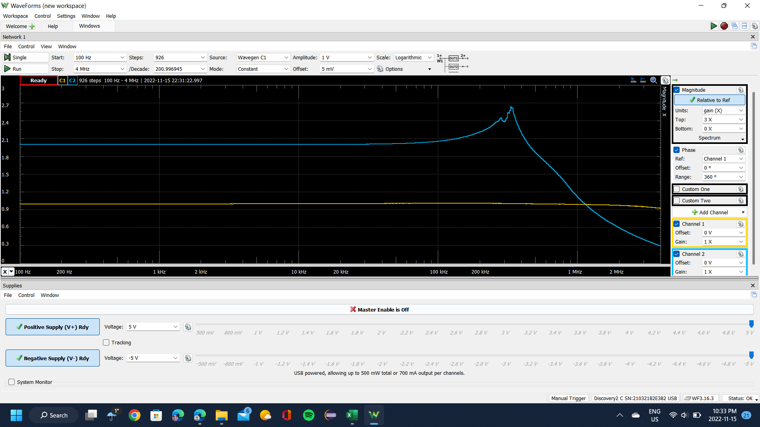
102.31761304 | 1.0011793034 | 1.998128749 | 0.011448769578
103.49648492 | 1.0011769773 | 1.9981038276 | 0.011207484601
104.68893939 | 1.0012110885 | 1.9980511457 | 0.012904347378
105.89513295 | 1.0011725037 | 1.9980368402 | 0.011274757087
107.1152239 | 1.0011580683 | 1.9981115647 | 0.012057308208
108.34937237 | 1.0011863096 | 1.9980976284 | 0.012312297071
109.59774031 | 1.0011851828 | 1.9981298891 | 0.012779691068
110.86049155 | 1.0011766367 | 1.9981088926 | 0.011590529114
112.13779183 | 1.0012027338 | 1.9980721579 | 0.012485919535
113.42980877 | 1.0011849785 | 1.9980951054 | 0.01174561221
114.73671192 | 1.0011977674 | 1.9981253466 | 0.013094557717
116.05867281 | 1.0011732727 | 1.9981842189 | 0.012968669876
117.39586492 | 1.0011795604 | 1.9981556572 | 0.013246644744
118.74846375 | 1.0011808399 | 1.9980908181 | 0.013666224371
120.1166468 | 1.0011898521 | 1.9981285868 | 0.013302426615
121.50059363 | 1.0011797186 | 1.9980878454 | 0.012894107087
122.90048588 | 1.0011942137 | 1.9980448566 | 0.013057446555
124.31650724 | 1.0012055982 | 1.9980849468 | 0.014148833683
125.74884357 | 1.001215069 | 1.9980354956 | 0.01315050739
127.19768283 | 1.0011619172 | 1.9981387984 | 0.013958543481
128.66321517 | 1.001190888 | 1.9981190207 | 0.013138865008
130.14563292 | 1.0011919096 | 1.9981307379 | 0.014798784018
131.64513063 | 1.0011871163 | 1.9980800432 | 0.013583923617
133.16190508 | 1.0011774495 | 1.9981316659 | 0.013843785263
134.69615534 | 1.0012150489 | 1.9980572291 | 0.014082215624
136.24808276 | 1.0011819285 | 1.9981248263 | 0.014145559098
137.81789101 | 1.0011831369 | 1.9980855075 | 0.014610301298
139.4057861 | 1.0012110898 | 1.998093041 | 0.016149114012
141.01197643 | 1.0011914762 | 1.9980872405 | 0.013863995143
142.63667278 | 1.0012036695 | 1.9980734479 | 0.01442685281
144.28008839 | 1.0012057499 | 1.9980604171 | 0.016941468737
145.94243892 | 1.0011808715 | 1.9981244559 | 0.016012656974
147.62394254 | 1.0011651508 | 1.9981435863 | 0.016127352923
149.32481992 | 1.0011878916 | 1.9980726832 | 0.017558058188
151.04529428 | 1.0011975892 | 1.9980914289 | 0.017617051887
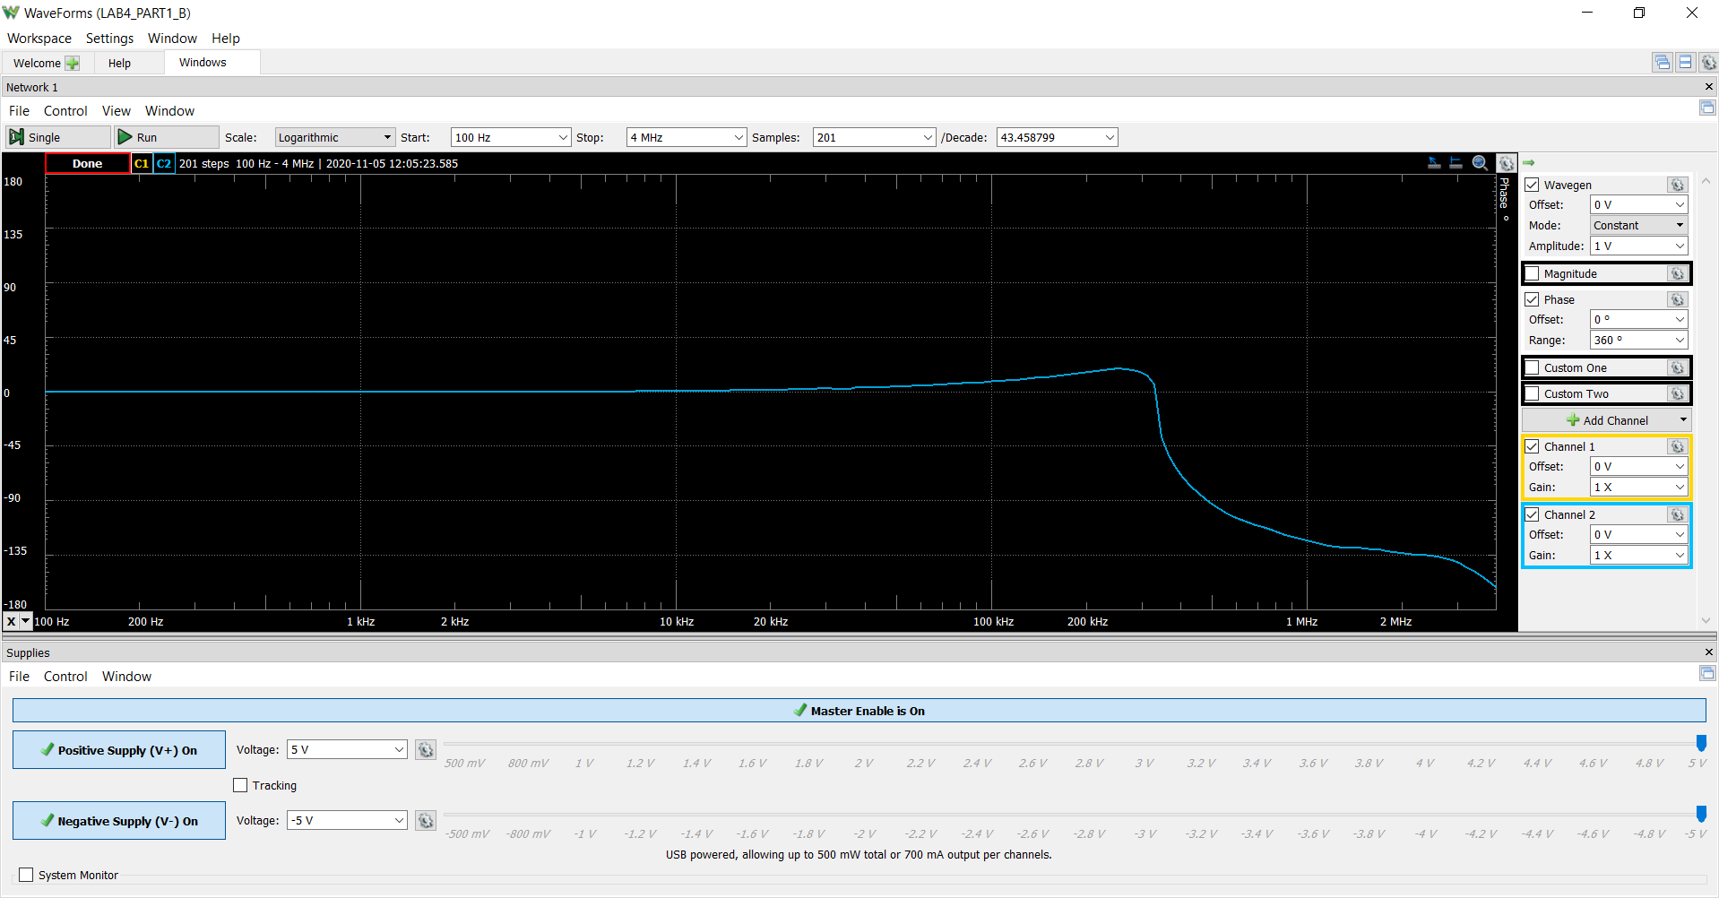
152.78559142 | 1.0011796848 | 1.9981125206 | 0.017552111251
154.54593973 | 1.001196905 | 1.9980961702 | 0.01702053474
156.32657022 | 1.0011856002 | 1.9981141933 | 0.01590616399
158.12771658 | 1.0011697901 | 1.9981858583 | 0.016391281572
159.9496152 | 1.0011902789 | 1.9980879226 | 0.017399073219
161.79250517 | 1.0011814375 | 1.9981013014 | 0.017958084273
163.65662835 | 1.0011944895 | 1.9981415697 | 0.016920686878
165.54222937 | 1.0011673707 | 1.9981122744 | 0.017948057498
167.44955571 | 1.0011485505 | 1.9981804314 | 0.018843192572
169.37885767 | 1.0011485909 | 1.9981565758 | 0.018595276978
171.33038846 | 1.0011699078 | 1.9981080149 | 0.018199023582
173.30440417 | 1.0011921835 | 1.9980457903 | 0.020073487517
175.30116389 | 1.0011445731 | 1.9981399368 | 0.019131927201
177.32092965 | 1.0011897562 | 1.9980894087 | 0.020286314117
179.36396653 | 1.0011939005 | 1.9980927369 | 0.019614388781
181.43054264 | 1.0011911826 | 1.9980782259 | 0.020283673335
183.52092921 | 1.0011877706 | 1.9981385538 | 0.019888921156
185.63540057 | 1.0011972552 | 1.9981246665 | 0.020507378085
187.77423421 | 1.0011842479 | 1.998104431 | 0.020632855019
189.93771082 | 1.0011974141 | 1.9980964367 | 0.020999712579
192.12611435 | 1.0011909529 | 1.9981567786 | 0.019870115139
194.33973198 | 1.0011909277 | 1.998111056 | 0.02145197076
196.57885424 | 1.0011503155 | 1.9981450616 | 0.022536532966
198.84377496 | 1.0012173214 | 1.9980682584 | 0.022142780851
201.1347914 | 1.0011908452 | 1.9981066749 | 0.022681934406
203.45220423 | 1.0011662188 | 1.9981560773 | 0.02162059066
205.79631757 | 1.0011740407 | 1.998132782 | 0.022276497229
208.16743905 | 1.0011705595 | 1.9981667428 | 0.02223088926
210.56587987 | 1.0011685265 | 1.9981466189 | 0.023159681687
212.99195477 | 1.0011995986 | 1.9981140714 | 0.022898692726
215.44598216 | 1.0012012751 | 1.9980372256 | 0.024862370882
217.9282841 | 1.0011759526 | 1.9980843045 | 0.023159307849
220.43918635 | 1.0011959184 | 1.9980504016 | 0.023983975087
222.97901844 | 1.0011816517 | 1.9980871779 | 0.024456038854
225.54811368 | 1.0012046876 | 1.9980202257 | 0.02425918232
228.14680925 | 1.0011810936 | 1.9980490623 | 0.024844746134
230.77544619 | 1.0011969242 | 1.9980745335 | 0.025179050684
233.43436946 | 1.0012024195 | 1.9980919081 | 0.02540633851
...

Step 2.4
Vout vs Time Characteristics for R2 = 240 kΩ
0.00E+00 | 6.13E-07
7.62E-04 | -7.73E-07
7.68E-04 | -4.05E-06
7.74E-04 | -5.30E-06
7.80E-04 | -4.52E-06
7.85E-04 | -1.71E-06
7.91E-04 | 3.13E-06
7.97E-04 | 1.00E-05
8.03E-04 | 1.89E-05
8.07E-04 | 7.00E-06
8.12E-04 | -3.25E-06
8.16E-04 | -1.18E-05
8.20E-04 | -1.88E-05
8.24E-04 | -2.40E-05
8.28E-04 | -2.76E-05
8.32E-04 | -2.96E-05
8.36E-04 | -8.10E-06
8.39E-04 | 1.07E-05
8.43E-04 | 2.67E-05
8.46E-04 | 4.00E-05
8.50E-04 | 5.05E-05
8.54E-04 | 5.83E-05
8.57E-04 | 6.34E-05
8.64E-04 | 1.69E-05
8.75E-04 | -1.00E-04
8.81E-04 | -1.28E-04
8.84E-04 | -1.15E-04
8.87E-04 | -7.66E-05
8.95E-04 | 6.36E-05
8.99E-04 | 1.51E-04
9.02E-04 | 2.05E-04
9.05E-04 | 2.39E-04
9.08E-04 | 2.39E-04
9.11E-04 | 2.01E-04
9.15E-04 | 1.12E-04
9.18E-04 | -1.40E-05
9.22E-04 | -1.79E-04
9.25E-04 | -3.11E-04
9.28E-04 | -4.06E-04
9.31E-04 | -4.59E-04
9.35E-04 | -4.50E-04
9.38E-04 | -3.66E-04
9.41E-04 | -1.92E-04
9.45E-04 | 5.83E-05
9.49E-04 | 3.68E-04
9.52E-04 | 6.04E-04
9.55E-04 | 7.82E-04
9.58E-04 | 8.78E-04
9.61E-04 | 8.54E-04
9.64E-04 | 6.84E-04
...
Time | v(vout)
Seconds | Volts
0.00E+00 | 6.13E-07
7.62E-04 | -7.73E-07
7.68E-04 | -4.05E-06
7.74E-04 | -5.30E-06
7.80E-04 | -4.52E-06
7.85E-04 | -1.71E-06
7.91E-04 | 3.13E-06
7.97E-04 | 1.00E-05
8.03E-04 | 1.89E-05
8.07E-04 | 7.00E-06
8.12E-04 | -3.25E-06
8.16E-04 | -1.18E-05
8.20E-04 | -1.88E-05
8.24E-04 | -2.40E-05
8.28E-04 | -2.76E-05
8.32E-04 | -2.96E-05
8.36E-04 | -8.10E-06
8.39E-04 | 1.07E-05
8.43E-04 | 2.67E-05
8.46E-04 | 4.00E-05
8.50E-04 | 5.05E-05
8.54E-04 | 5.83E-05
8.57E-04 | 6.34E-05
8.64E-04 | 1.69E-05
8.75E-04 | -1.00E-04
8.81E-04 | -1.28E-04
8.84E-04 | -1.15E-04
8.87E-04 | -7.66E-05
8.95E-04 | 6.36E-05
8.99E-04 | 1.51E-04
9.02E-04 | 2.05E-04
9.05E-04 | 2.39E-04
9.08E-04 | 2.39E-04
9.11E-04 | 2.01E-04
9.15E-04 | 1.12E-04
9.18E-04 | -1.40E-05
9.22E-04 | -1.79E-04
9.25E-04 | -3.11E-04
9.28E-04 | -4.06E-04
9.31E-04 | -4.59E-04
...

Step 2.6
Vout vs Time Characteristics for R3 = R4 = 4.02 kΩ
0.00E+00 | 6.27E-07
5.76E-04 | 9.02E-07
5.78E-04 | -3.34E-06
5.81E-04 | -5.43E-06
5.84E-04 | -5.38E-06
5.87E-04 | -3.19E-06
5.90E-04 | 1.14E-06
5.92E-04 | 7.62E-06
5.95E-04 | 1.62E-05
5.97E-04 | 1.29E-05
5.99E-04 | 8.46E-06
6.00E-04 | 2.90E-06
6.02E-04 | -3.76E-06
6.04E-04 | -1.15E-05
6.06E-04 | -2.04E-05
6.07E-04 | -3.04E-05
6.12E-04 | -1.25E-05
6.17E-04 | 4.47E-05
6.21E-04 | 6.39E-05
6.24E-04 | 4.44E-05
6.29E-04 | -6.87E-05
6.30E-04 | -9.79E-05
6.32E-04 | -1.20E-04
6.33E-04 | -1.27E-04
6.35E-04 | -1.15E-04
6.36E-04 | -7.73E-05
6.40E-04 | 6.31E-05
6.42E-04 | 1.50E-04
6.43E-04 | 2.07E-04
6.45E-04 | 2.47E-04
6.46E-04 | 2.52E-04
6.48E-04 | 2.16E-04
6.49E-04 | 1.27E-04
6.51E-04 | -2.34E-06
6.53E-04 | -1.75E-04
6.55E-04 | -3.29E-04
6.56E-04 | -4.37E-04
6.57E-04 | -5.01E-04
6.59E-04 | -4.93E-04
6.60E-04 | -4.01E-04
6.62E-04 | -2.05E-04
6.64E-04 | 7.46E-05
6.66E-04 | 4.23E-04
6.67E-04 | 6.98E-04
6.69E-04 | 9.22E-04
6.70E-04 | 1.01E-03
6.72E-04 | 9.64E-04
6.73E-04 | 7.33E-04
6.75E-04 | 3.08E-04
6.77E-04 | -2.96E-04
...
Time | v(vout)
Seconds | Volts
0.00E+00 | 6.27E-07
5.76E-04 | 9.02E-07
5.78E-04 | -3.34E-06
5.81E-04 | -5.43E-06
5.84E-04 | -5.38E-06
5.87E-04 | -3.19E-06
5.90E-04 | 1.14E-06
5.92E-04 | 7.62E-06
5.95E-04 | 1.62E-05
5.97E-04 | 1.29E-05
5.99E-04 | 8.46E-06
6.00E-04 | 2.90E-06
6.02E-04 | -3.76E-06
6.04E-04 | -1.15E-05
6.06E-04 | -2.04E-05
6.07E-04 | -3.04E-05
6.12E-04 | -1.25E-05
6.17E-04 | 4.47E-05
6.21E-04 | 6.39E-05
6.24E-04 | 4.44E-05
6.29E-04 | -6.87E-05
6.30E-04 | -9.79E-05
6.32E-04 | -1.20E-04
6.33E-04 | -1.27E-04
6.35E-04 | -1.15E-04
6.36E-04 | -7.73E-05
6.40E-04 | 6.31E-05
6.42E-04 | 1.50E-04
6.43E-04 | 2.07E-04
6.45E-04 | 2.47E-04
6.46E-04 | 2.52E-04
6.48E-04 | 2.16E-04
6.49E-04 | 1.27E-04
6.51E-04 | -2.34E-06
6.53E-04 | -1.75E-04
6.55E-04 | -3.29E-04
6.56E-04 | -4.37E-04
6.57E-04 | -5.01E-04
6.59E-04 | -4.93E-04
6.60E-04 | -4.01E-04
...

Step 2.9
Time (s) | Channel 1 (V) | C1 | Frequency | 17.682 kHz
Time (s) | Channel 1 (V) | C1 | Period | 56.554 us
-0.00028670133333 | -3.2767132978 | C1 | Amplitude | 5.0775 V
-0.00028663133333 | -3.2392827587 | C1 | Maximum | 5.1302 V
-0.00028656133333 | -3.1981091656 | C1 | Minimum | -5.09584 V
-0.00028649133333 | -3.141963357
-0.00028642133333 | -3.0820744944
-0.00028635133333 | -3.0221856318
-0.00028628133333 | -2.9622967692
-0.00028621133333 | -2.8986648527
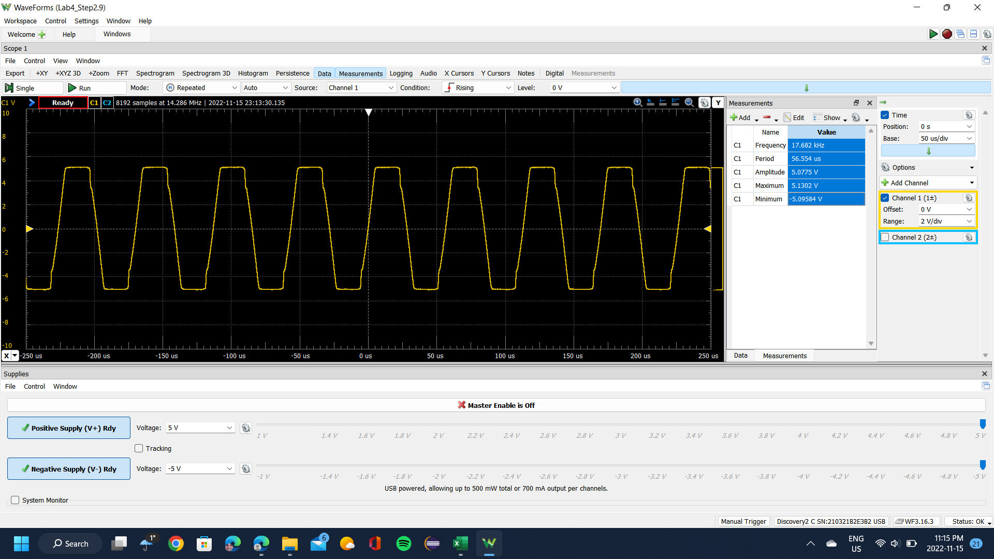
-0.00028614133333 | -2.8500051519
-0.00028607133333 | -2.7938593432
-0.00028600133333 | -2.7451996424
-0.00028593133333 | -2.6778246719
-0.00028586133333 | -2.6216788633
-0.00028579133333 | -2.5655330546
-0.00028572133333 | -2.5093872459
-0.00028565133333 | -2.4607275451
-0.00028558133333 | -2.4008386825
-0.00028551133333 | -2.3446928738
-0.00028544133333 | -2.2885470652
-0.00028537133333 | -2.2473734721
-0.00028530133333 | -2.1949707174
-0.00028523133333 | -2.1425679626
-0.00028516133333 | -2.0864221539
-0.00028509133333 | -2.0377624531
-0.00028502133333 | -1.9853596983
-0.00028495133333 | -1.9329569436
-0.00028488133333 | -1.873068081
-0.00028481133333 | -1.8169222723
-0.00028474133333 | -1.7645195176
-0.00028467133333 | -1.7008876011
-0.00028460133333 | -1.6409987385
-0.00028453133333 | -1.5848529298
-0.00028446133333 | -1.5287071212
-0.00028439133333 | -1.4763043664
-0.00028432133333 | -1.4164155038
-0.00028425133333 | -1.3527835873
-0.00028418133333 | -1.2966377786
-0.00028411133333 | -1.2367489161
-0.00028404133333 | -1.1693739457
-0.00028397133333 | -1.1094850831
-0.00028390133333 | -1.0458531666
-0.00028383133333 | -0.98970735791
-0.00028376133333 | -0.92981849533
-0.00028369133333 | -0.86618657884
-0.00028362133333 | -0.80629771625
-0.00028355133333 | -0.74640885367
-0.00028348133333 | -0.67903388327
-0.00028341133333 | -0.62663112851
-0.00028334133333 | -0.5592561581
-0.00028327133333 | -0.49562424161
-0.00028320133333 | -0.42450621729
-0.00028313133333 | -0.35713124689
-0.00028306133333 | -0.30098543822
-0.00028299133333 | -0.2298674139
-0.00028292133333 | -0.1624924435
-0.00028285133333 | -0.10260358091
-0.00028278133333 | -0.038971664421
-0.00028271133333 | 0.028403305984
-0.00028264133333 | 0.095778276388
-0.00028257133333 | 0.16315324679
-0.00028250133333 | 0.23427127111
-0.00028243133333 | 0.30164624151
-0.00028236133333 | 0.36527815801
-0.00028229133333 | 0.43265312841
-0.00028222133333 | 0.50377115273
-0.00028215133333 | 0.57114612313
-0.00028208133333 | 0.63103498572
-0.00028201133333 | 0.70963911786
-0.00028194133333 | 0.77701408826
-0.00028187133333 | 0.84064600475
-0.00028180133333 | 0.90802097516
-0.00028173133333 | 0.96416678383
-0.00028166133333 | 1.0390278621
-0.00028159133333 | 1.1026597786
-0.00028152133333 | 1.1737778029
-0.00028145133333 | 1.2448958272
-0.00028138133333 | 1.3122707976
-0.00028131133333 | 1.3908749297
-0.00028124133333 | 1.4582499001
-0.00028117133333 | 1.5331109784
...

Step 2.10
Time (s) | Channel 1 (V) | C1 | Frequency | 33.258 kHz
-0.0002867025 | 2.3491 | C1 | Period | 30.068 us
-0.0002866325 | 2.16194 | C1 | Amplitude | 5.0531 V
-0.0002865625 | 1.97479 | C1 | Maximum | 5.1002 V
-0.0002864925 | 1.80261 | C1 | Minimum | -5.07338 V
-0.0002864225 | 1.6454
-0.0002863525 | 1.48071
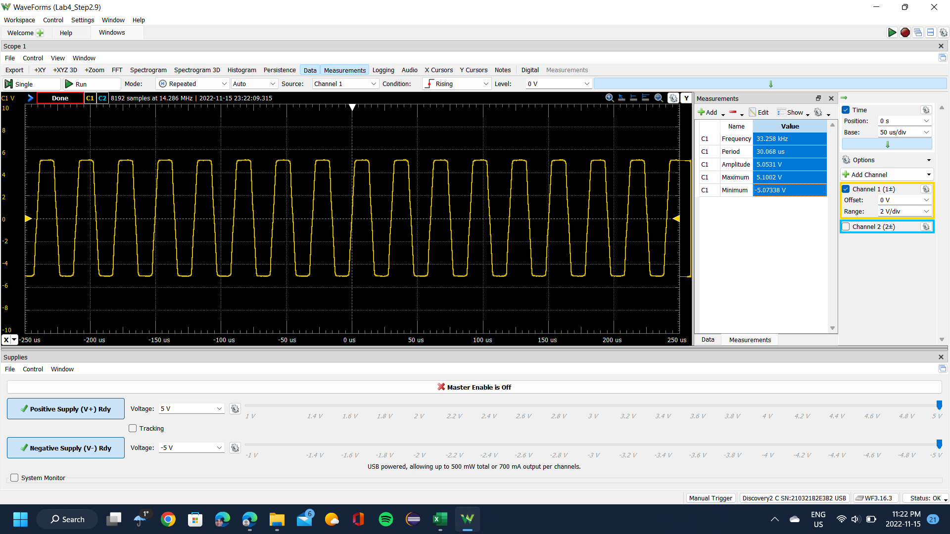
-0.0002862825 | 1.32724
-0.0002862125 | 1.18875
-0.0002861425 | 1.09517
-0.0002860725 | 1.0016
-0.0002860025 | 0.878077
-0.0002859325 | 0.758299
-0.0002858625 | 0.638521
-0.0002857925 | 0.518743
-0.0002857225 | 0.39148
-0.0002856525 | 0.260473
-0.0002855825 | 0.12198
-0.0002855125 | -0.0277425
-0.0002854425 | -0.173722
-0.0002853725 | -0.319701
-0.0002853025 | -0.46568
-0.0002852325 | -0.619145
-0.0002851625 | -0.765124
-0.0002850925 | -0.922332
-0.0002850225 | -1.07954
-0.0002849525 | -1.24798
-0.0002848825 | -1.40144
-0.0002848125 | -1.56614
-0.0002847425 | -1.72335
-0.0002846725 | -1.8843
-0.0002846025 | -2.04151
-0.0002845325 | -2.20994
-0.0002844625 | -2.37089
-0.0002843925 | -2.5281
-0.0002843225 | -2.69654
-0.0002842525 | -2.85375
-0.0002841825 | -3.02593
-0.0002841125 | -3.18688
-0.0002840425 | -3.35157
-0.0002839725 | -3.51253
-0.0002839025 | -3.67722
-0.0002838325 | -3.83443
-0.0002837625 | -3.99912
-0.0002836925 | -4.14136
-0.0002836225 | -4.29108
-0.0002835525 | -4.42583
-0.0002834825 | -4.55684
-0.0002834125 | -4.6579
-0.0002833425 | -4.73276
-0.0002832725 | -4.79265
-0.0002832025 | -4.83757
-0.0002831325 | -4.87125
-0.0002830625 | -4.9012
-0.0002829925 | -4.93114
-0.0002829225 | -4.94986
-0.0002828525 | -4.96483
-0.0002827825 | -4.97232
-0.0002827125 | -4.9798
-0.0002826425 | -4.98729
-0.0002825725 | -4.99852
-0.0002825025 | -4.99478
-0.0002824325 | -5.00226
-0.0002823625 | -5.00226
-0.0002822925 | -5.006
-0.0002822225 | -5.00975
-0.0002821525 | -5.01349
-0.0002820825 | -5.01723
-0.0002820125 | -5.01723
-0.0002819425 | -5.02472
-0.0002818725 | -5.02472
-0.0002818025 | -5.03221
-0.0002817325 | -5.02472
-0.0002816625 | -5.02098
-0.0002815925 | -5.01723
-0.0002815225 | -5.01723
-0.0002814525 | -5.02098
-0.0002813825 | -5.01723
-0.0002813125 | -5.01723
...

