Dashboard
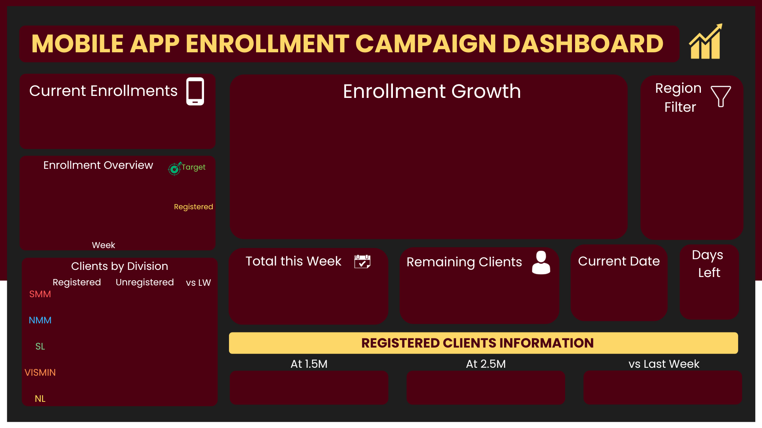

6,369
 | NMM | SMM | NL | SL | VISMIN | *Total Enrolled Weekly
Week 1 | 100 | 89 | 80 | 30 | 20
Week 2 | 250 | 200 | 120 | 180 | 100
Week 3 | 300 | 170 | 300 | 210 | 120
Week 4 | 280 | 320 | 250 | 180 | 210
Week 5 | 240 | 200 | 140 | 350 | 200
Week 6 | 400 | 410 | 300 | 320 | 300

 | *Total Enrolled Weekly | Target Enrolled per Week
 | 319 | 400
 | 850 | 850
 | 1,100 | 1,200
 | 1,240 | 1,600
 | 1,130 | 2,000
 | 1,730 | 2,400

1,730
2,081
Nov, 29
398
 | 1,570 | 5000
67%

 | 1,389 | 5000
105%

 | 1,190 | 4000
114%

 | 1,270 | 3500
-9%
23%
vs Target
76%
vs Target
37%
vs Target
 | 950 | 4500
50%

D

Data
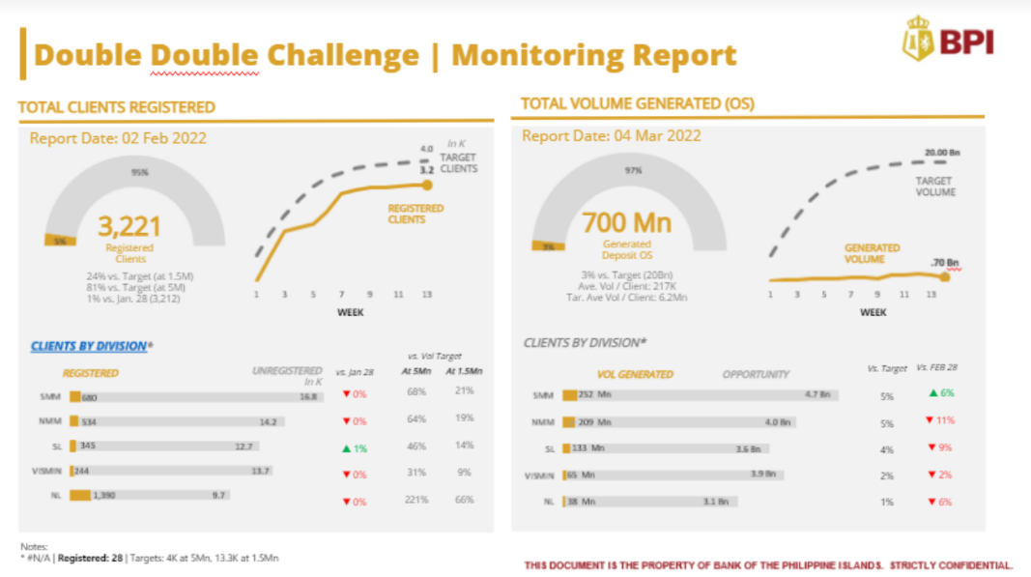
NG Enrollment Campaign Table and Dashboard v5
Internship Task - Lotilla, Ryan J.

How to use dashboard:
1. Input campaign end date in DD/MM/YYYY format in first table
2. Input details in edit here (Enrollees per Division and Target Enrolled per Week) in 1st, 2nd and last table
3. The other tables and dashboard should update accordingly
4. For the dashboard, line chart and other info can be filtered by clicking the departments slicer/filter button on the right side.

Date | Time Function | Today
Today's Date | 2023-11-29 | Nov, 29
Campaign End | 2024-12-31
Days Remaining | 398

EDIT HERE:
TOTAL Enrollees | NMM | SMM | NL | SL | VISMIN | Total Enrolled Weekly | Target Enrolled per Week | Percentage Weekly
Week 1 | 100 | 89 | 80 | 30 | 20 | 319 | 400 | 80%
Week 2 | 250 | 200 | 120 | 180 | 100 | 850 | 850 | 100%
Week 3 | 300 | 170 | 300 | 210 | 120 | 1,100 | 1,200 | 92%
Week 4 | 280 | 320 | 250 | 180 | 210 | 1,240 | 1,600 | 78%
Week 5 | 240 | 200 | 140 | 350 | 200 | 1,130 | 2,000 | 57%
Week 6 | 400 | 410 | 300 | 320 | 300 | 1,730 | 2,400 | 72%
Target Per Division | 5,000 | 5,000 | 4,000 | 3,500 | 4,500

TOTAL Enrollees | Week 1 | Week 2 | Week 3 | Week 4 | Week 5 | Week 6 | Total Each Division | Target Per Division
NMM | 100 | 250 | 300 | 280 | 240 | 400 | 1,570 | 5000
SMM | 89 | 200 | 170 | 320 | 200 | 410 | 1,389 | 5000
NL | 80 | 120 | 300 | 250 | 140 | 300 | 1,190 | 4000
SL | 30 | 180 | 210 | 180 | 350 | 320 | 1,270 | 3500
VISMIN | 20 | 100 | 120 | 210 | 200 | 300 | 950 | 4500

TOTAL Enrollees | Week 1 | Week 2 | Week 3 | Week 4 | Week 5 | Week 6
*Total Enrolled Weekly | 319 | 850 | 1,100 | 1,240 | 1,130 | 1,730
Target Enrolled per Week | 400 | 850 | 1,200 | 1,600 | 2,000 | 2,400
Percentage Weekly | 80% | 100% | 92% | 78% | 57% | 72%

Weekly Enrollment | *Total Enrolled Weekly | Remaining till Target | Target Enrolled per Week | Percentage Weekly | Percentage Change | Percentage Change
Week 1 | 319 | 81 | 400 | 80%
Week 2 | 850 | - | 850 | 100% | 62% | 62% | 62%▲ | ▲
Week 3 | 1,100 | 100 | 1,200 | 92% | 23% | 23% | 23%▲ | ▲
Week 4 | 1,240 | 360 | 1,600 | 78% | 11% | 11% | 11%▲ | ▲
Week 5 | 1,130 | 870 | 2,000 | 57% | -10% | -10% | -10%▼ | ▼
Week 6 | 1,730 | 670 | 2,400 | 72% | 35% | 35% | 35%▲ | ▲
Total Enrolled | 6,369 | 2,081 | 8,450 | 75%

Column1 | Latest Week | Previous Week | Percent Change | vs Last Week
NMM | 400 | 240 | 67% | 67%
SMM | 410 | 200 | 105% | 105%
NL | 300 | 140 | 114% | 114%
SL | 320 | 350 | -9% | -9%
VISMIN | 300 | 200 | 50% | 50%
EDIT HERE
Table | Total Clients | Total Clients before latest week | Percent
vs Target Last Week | 6,369 | 4,639 | 37%
vs Target (1.5m) |  |  | 23%
vs Target (5mn) |  |  | 76%

