Start Page
UCC217xx Calculator: Getting Started
© Copyright 2020 Texas Instruments Incorporated. All rights reserved.

Version Number | 1.0
UCC217XX Calculator Tool Description and Instructions

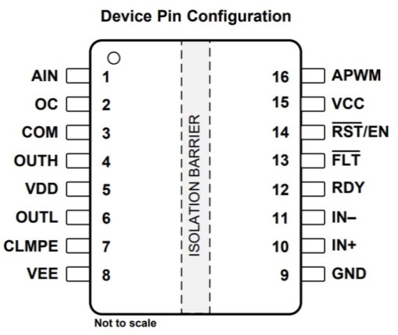 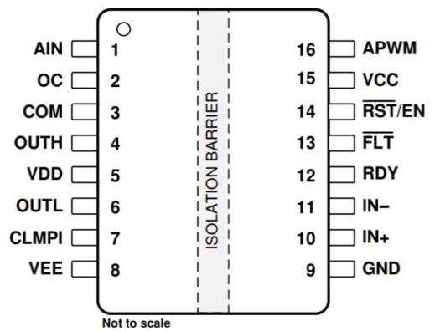 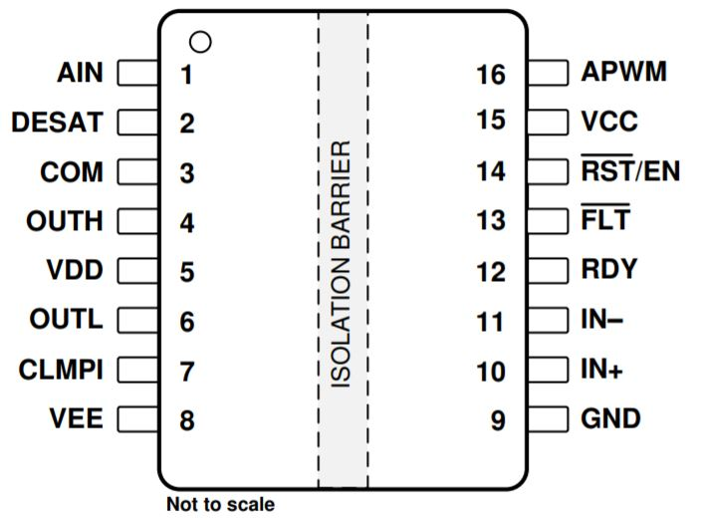 UCC217xx is a +/-10A isolated gate driver with integrated short circuit protection circuitry. This calculator tool provides the guidance to design UCC217xx to drive high power IGBT or SiC MOSFET switches and protect them. Three variants of UCC217xx are specified in this workbook: UCC21732, UCC21710 and UCC21750. The differences are given below, as not all calculations apply to every variant. Click the variant part number to navigate to the Product Folder on ti.com. The user should input their system parameters in the "User Inputs" to get the result from the "Calculator Output". The "Fixed Value" section includes the gate driver typical datasheet specifications for the given parameters. For more information on the device performance, always refer to the datasheet. The calculator outputs may be used for guidance for the design and should not be taken as the final and exact specification. Various system-level parameters may affect these results and true performance in the final system. Refer to the Typical Application Section of the datasheet for more calculation descriptions and recommended circuit components.

UCC21732
UCC21710
UCC21750

● +/-10 drive strength
● OC protection
● 2 level turn off
● External Miller clamp
● +/-10 drive strength
● OC protection
● Soft turn off
● Internal Miller clamp
● +/-10 drive strength
● DESAT protection
● Soft turn off
● Internal Miller clamp

The following calculator sheets are given in this workbook (click to navigate):

Peak Drive Current Calculator
Driver IC peak current based on RG
Driver power dissipation based on RG, fsw and power switch parameters
Driver IC Thermal Calculator

Swith Shutdown Calculator
Shutdown energy and voltage overshoot based on soft or 2 level turn off

DESAT Calculator
DESAT threshold and timing based on IC parameters and external components

DESAT Using OC Calculator
DESAT threshold and timing configuration using OC pin with external components

Soft Turn Off Calculator
Soft turn off timing calculation when external totem pole buffer is used

Peak Drive Current Calculator
UCC217xx Calculator: Peak Drive
© Copyright 2020 Texas Instruments Incorporated. All rights reserved.

How to use this calculator:
1) Input system information in User Input (parameter descriptions are shown under Definitions).
2) Driver parameters from the datasheet are given in the Fixed Value section.
3) See Calculator Output for Peak Source and Sink Current of the gate driver based on the System and Driver Parameter values.

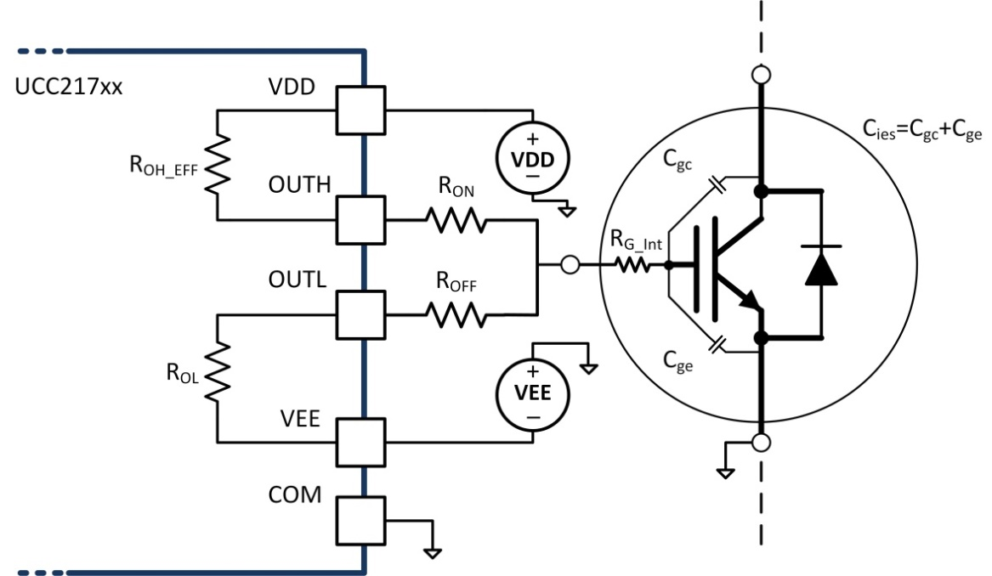
User Input |  |  |  | Fixed Value |  | Calculator Output
System Parameters |  |  |  | Driver Parameters
VDD - VEE (V) | RG_int (Ω) | RON (Ω) | ROFF (Ω) | ROH_EFF (Ω) | ROL (Ω) | Peak Source Current (A) | Peak Sink Current (A)
19 | 6 | 0 | 0 | 0.7 | 0.3 | 2.84 | 3.02

Parameter | Definition
VDD-VEE | VDD to VEE voltage (Total drive output voltage)
RG_int | IGBT/SiC power switch internal gate resistance
RON | External turn-ON gate resistance
ROFF | External turn-OFF gate resistance
ROH_EFF | Driver IC internal equivalent turn-ON resistance
ROL | Driver IC internal equivalent turn-OFF resistance

Driver IC Thermal Calculator
UCC217xx Calculator: Driver IC Thermal
© Copyright 2020 Texas Instruments Incorporated. All rights reserved.

How to use this calculator:
1) Input system information in User Input (parameter descriptions are shown under Definitions).
2) Driver parameters from the datasheet are given in the Fixed Value section.
3) See Calculator Output for Driver IC Thermal performance based on the System and Driver Parameter values.
Note: The junction temperature of the driver IC, Tj, should be limited to below 150⁰.

User Input |  |  |  |  |  | Fixed Value |  |  |  |  | Calculator Output
System Parameters |  |  |  |  |  | Temperature Info |  | Driver Parameters
VDD - VEE (V) | RG_int (Ω) | RON (Ω) | ROFF (Ω) | Qg (nC) | Cg-equiv (nF) | Tb (⁰C) | ψjb (⁰C/W) | ROH_EFF (Ω) | ROL (Ω) | Iq_VDD (mA) | Pq (W) | fsw (kHz) | Psw (W) | Tj (⁰C)
19 | 6 | 0 | 0 | 28 | 1.4736842105 | 85 | 32.3 | 0.7 | 0.3 | 5.9
 |  |  |  |  |  |  |  |  |  |  | 0.1121 | 0 | 0.000 | 88.6
 |  |  |  |  |  |  |  |  |  |  |  | 5 | 0.000 | 88.6
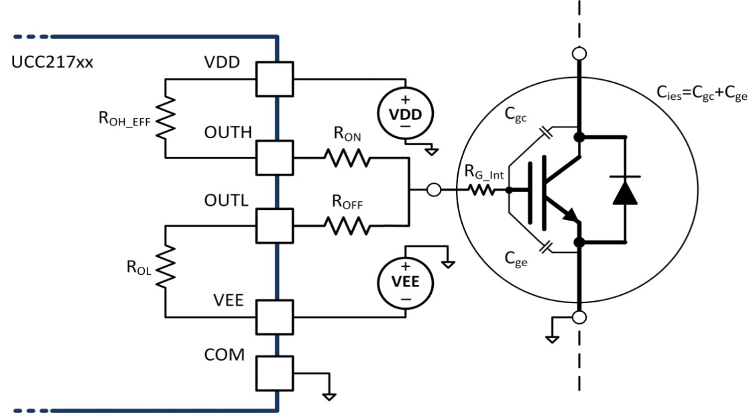
Parameter | Definition |  |  |  |  |  |  |  |  |  |  | 10 | 0.000 | 88.6
VDD-VEE | VDD to VEE voltage |  |  |  |  |  |  |  |  |  |  | 15 | 0.001 | 88.6
RG_int | IGBT/SiC power switch internal gate resistance |  |  |  |  |  |  |  |  |  |  | 20 | 0.001 | 88.6
RON | External turn-ON gate resistance |  |  |  |  |  |  |  |  |  |  | 25 | 0.001 | 88.7
ROFF | External turn-OFF gate resistance |  |  |  |  |  |  |  |  |  |  | 30 | 0.001 | 88.7
Qg | Total gate charge of power switch (Note: Please use Qgs+Qgd) |  |  |  |  |  |  |  |  |  |  | 35 | 0.001 | 88.7
Cg-equiv | Equivalent Cg calculated from Qg |  |  |  |  |  |  |  |  |  |  | 40 | 0.002 | 88.7
ROH_EFF | Driver IC internal equivalent turn-ON resistance |  |  |  |  |  |  |  |  |  |  | 45 | 0.002 | 88.7
ROL | Driver IC internal equivalent turn-OFF resistance |  |  |  |  |  |  |  |  |  |  | 50 | 0.002 | 88.7
fsw | System PWM switching frequency |  |  |  |  |  |  |  |  |  |  | 55 | 0.002 | 88.7
Tb | Board temperature
ψjb | Junction-to-board characterization parameter
Iq_VDD | Driver IC quiescent current consumption on the secondary side
Pq | Driver IC quiescent power loss
Psw | Driver IC internal switching loss
Tj | Driver IC internal junction temperature

Switch Shutdown Calculator
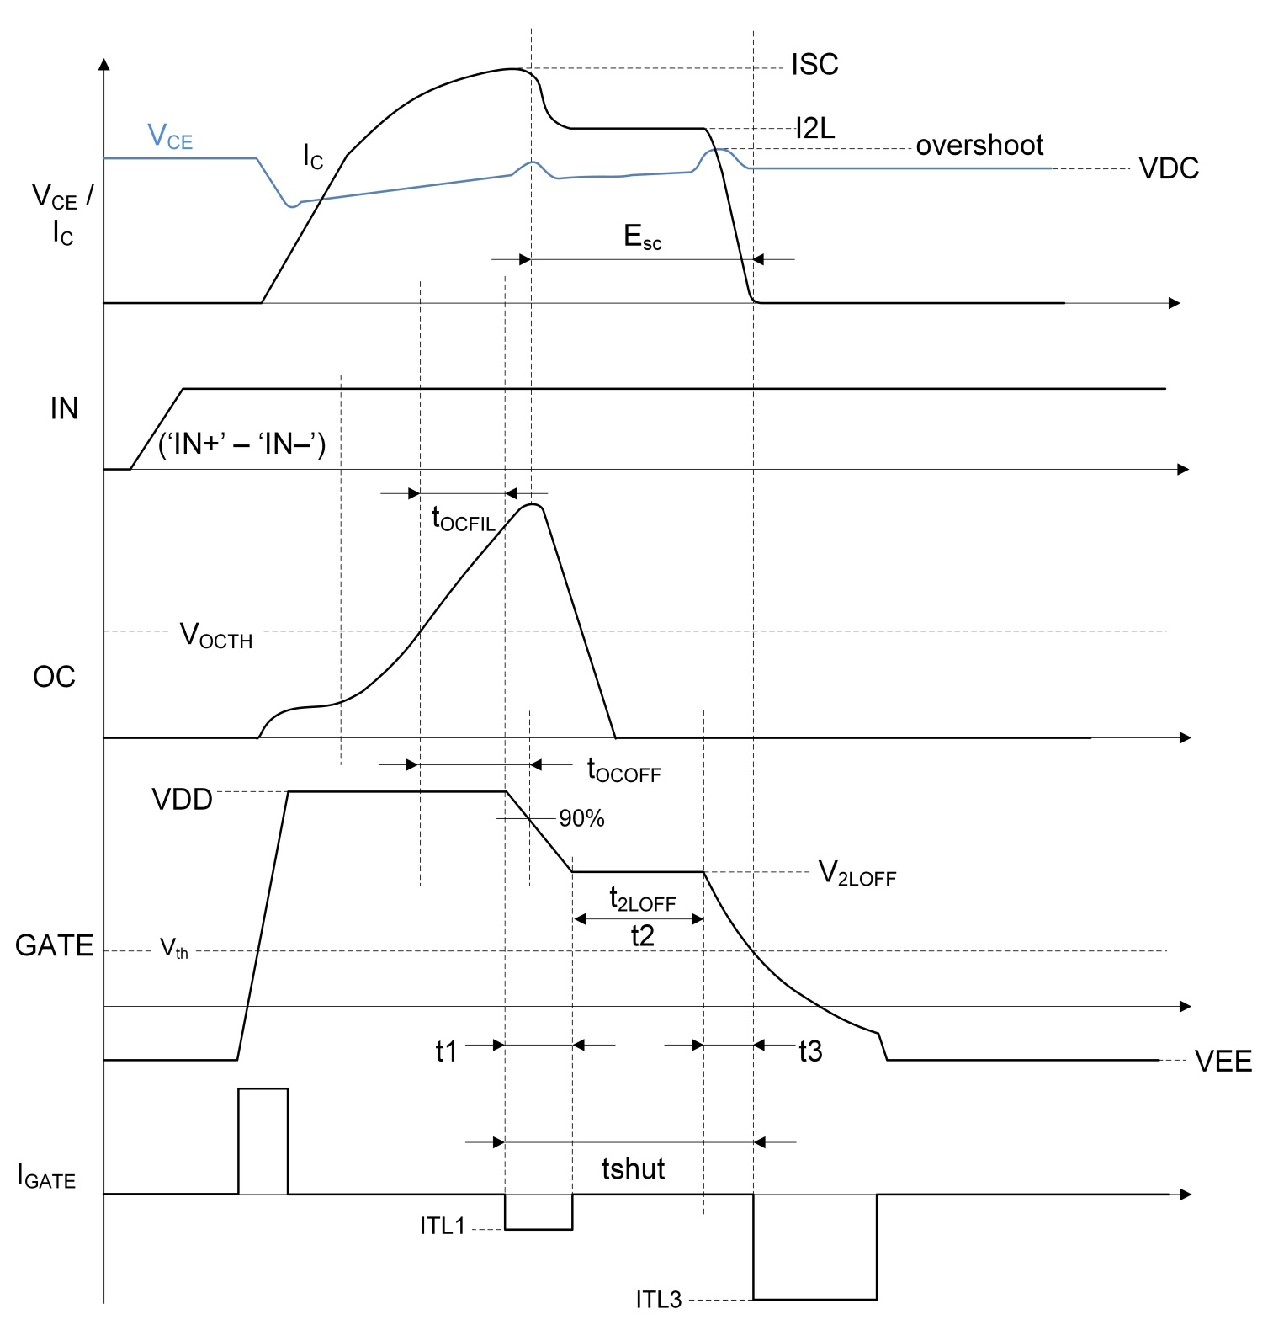
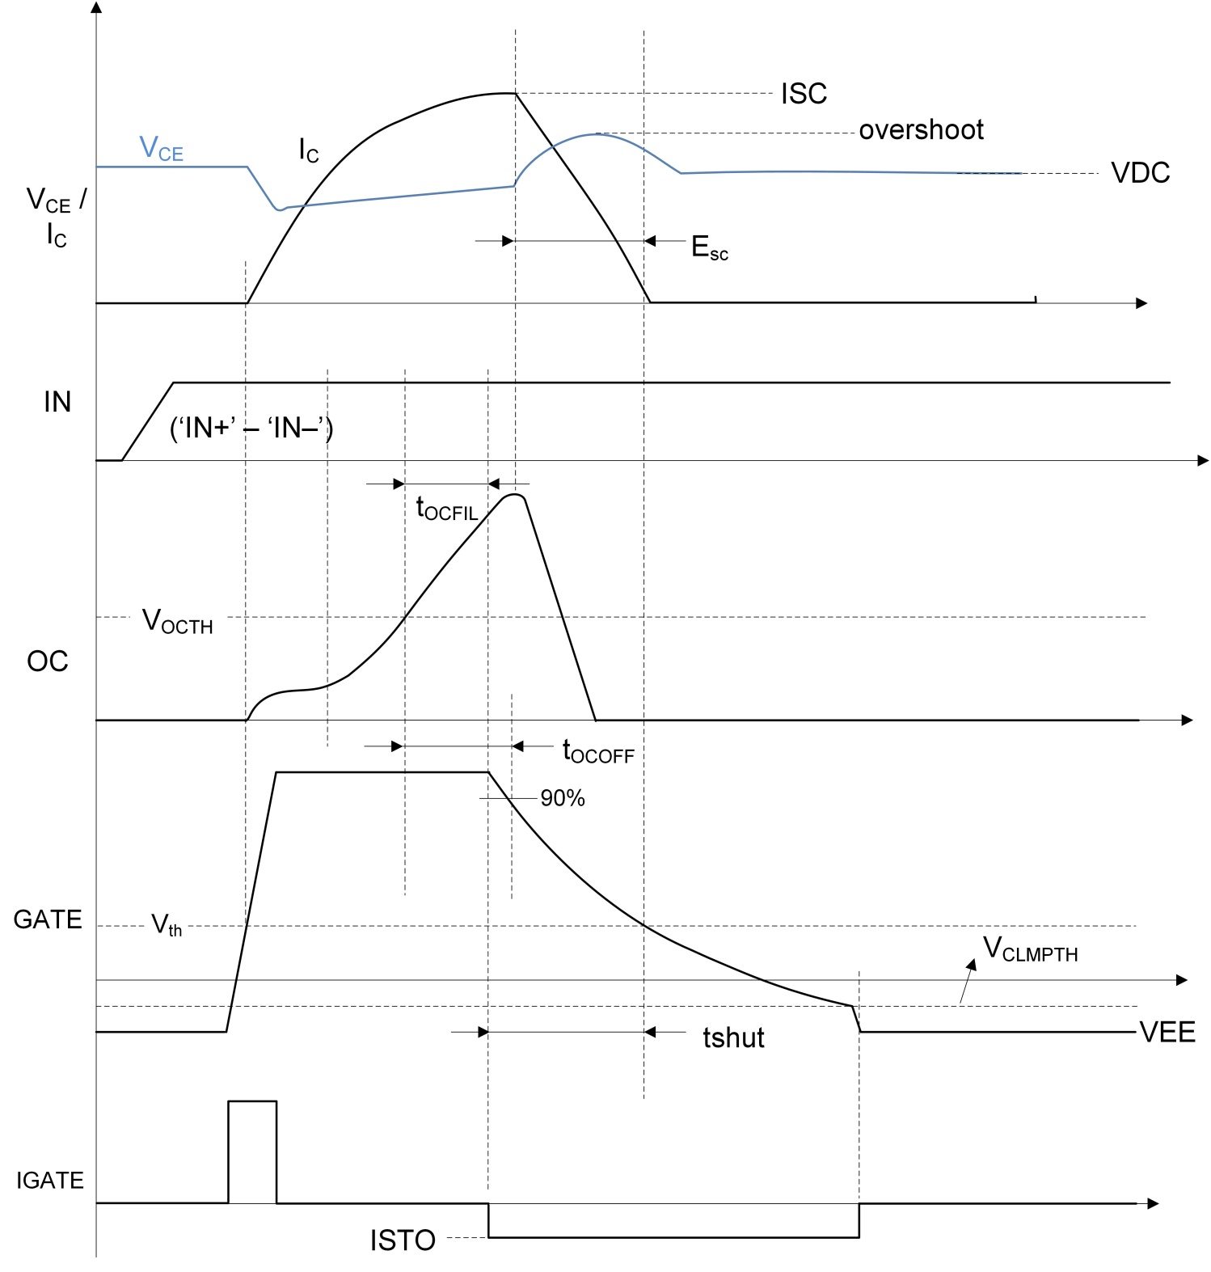
UCC217xx Calculator: Switch Shutdown
© Copyright 2020 Texas Instruments Incorporated. All rights reserved.

How to use this calculator:
1) Input system information in User Input (parameter descriptions are shown under Definitions).
2) Driver parameters from the datasheet are given in the Fixed Value section.
3) See Calculator Output for Switch Shutdown calculations based on the System and Driver Parameter values.
Note: 2-Level Turn-OFF is only applicable to UCC21732; Soft Turn-OFF is applicable to UCC21710 and UCC21750.

User Input |  |  |  |  |  |  | Fixed Value |  |  |  |  | Calculator Output
Device Parameters |  |  | System Parameters |  |  |  | Driver Parameters |  |  |  |  | STO Shutdown | tshut (µs) | 0.03
 |  |  |  |  |  |  | 2-Level Turn-OFF (2LTO) |  |  |  | Soft Turn-OFF (STO) |  | Esc (J) | 0.03
VDD (V) | Vth (V) | Cies / Ciss (nF) | VDC (V) | ISC (A) | I2L (A) | Lstray (nH) | ITL1 (A) | ITL3 (A) | V2LOFF (V) | t2LOFF (ns) | ISTO (A) |  | overshoot (V) | 5613.77
19 | 2.3 | 0.64 | 450 | 5000 | 2006 | 30 | 0.9 | 0.9 | 9 | 700 | 0.4 | 2LTO Shutdown | tshut (µs) | 0.71
 |  |  |  |  |  |  |  |  |  |  |  |  | Esc (J) | 0.65
 |  |  |  |  |  |  |  |  |  |  |  |  | overshoot (V) | 12630.99
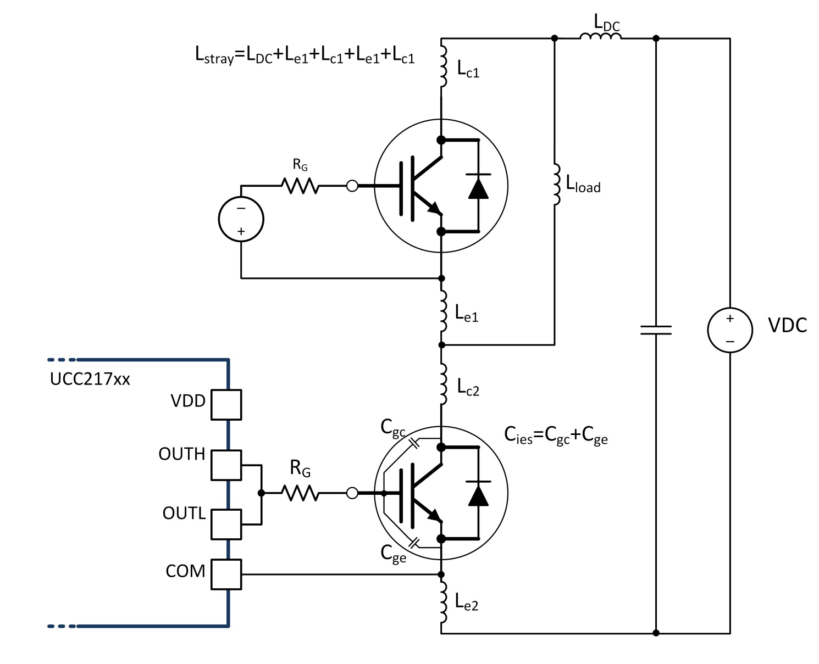
Parameter | Definition |  |  |  |  |  |  |  |  |  |  |  | t1 (ns) | 7
VDD | VDD voltage |  |  |  |  |  |  |  |  |  |  |  | t2 (ns) | 700
Vth | IGBT/SiC power switch threshold voltage |  |  |  |  |  |  |  |  |  |  |  | t3 (ns) | 5
Cies / Ciss | IGBT/SiC power switch input capacitance |  |  |  |  |  |  |  |  |  |  |  | Esc1(J) | 0
VDC | System DC BUS voltage |  |  |  |  |  |  |  |  |  |  |  | Esc2 (J) | 1
ISC | Short circuit peak drain current |  |  |  |  |  |  |  |  |  |  |  | Esc3 (J) | 0
I2L | Drain current @ VGS = V2LOFF
Lstray | System DC BUS stray inductance
ITL1 | UCC21732 2LTO 1st interval pull down current
ITL3 | UCC21732 2LTO 3rd interval pull down current
V2LOFF | UCC21732 2LTO mid-voltage
t2LOFF | 2LOFF time
ISTO | UCC21710/50 soft turn-OFF current
2LTO Shutdown
t1 | Gate voltage discharge time from VDD to V2LOFF
t2 | t2LOFF time
t3 | Gate voltage discharge time from V2LOFF to Vth
tshut | Total shutdown time of gate voltage
overshoot | Overshoot voltage on Vce or Vds
Esc1 | Power switch short-circuit energy during t1
Esc2 | Power switch short-circuit energy during t2
Esc3 | Power switch short-circuit energy during t3
Esc | Total energy dissipated in power switch during shutdown
STO Shutdown
tshut | Total shutdown time of gate voltage
overshoot | Overshoot voltage on Vce or Vds
Esc | Total energy dissipated in power switch during shutdown

2-Level Turn-OFF Timing Diagram and System Example
Soft Turn-OFF Timing Diagram and System Example

DESAT Calculator
UCC217xx Calculator: DESAT
© Copyright 2020 Texas Instruments Incorporated. All rights reserved.

How to use this calculator:
1) Input system information in User Input (parameter descriptions are shown under Definitions).
2) Driver parameters from the datasheet are given in the Fixed Value section.
3) See Calculator Output for DESAT calculations based on the System and Driver Parameter values.
Note: DESAT in this configuration is only available with UCC21750.

DESAT Timing Diagram (DESAT is the voltage at the DESAT pin and GATE is the voltage at the IGBT/MOSFET)
User Input |  |  |  | Fixed Value |  | Calculator Output
System Parameters |  |  |  | Driver Parameters
RDESAT (Ω) | Vfw (V) | # of diodes | CBLK (nF) | VDESAT (V) | ICHG (µA) | VDESAT_Actual (V) | tBLK (µs)
1000 | 1.1 | 1 | 0.22 | 9 | 500 | 7.40 | 3.96
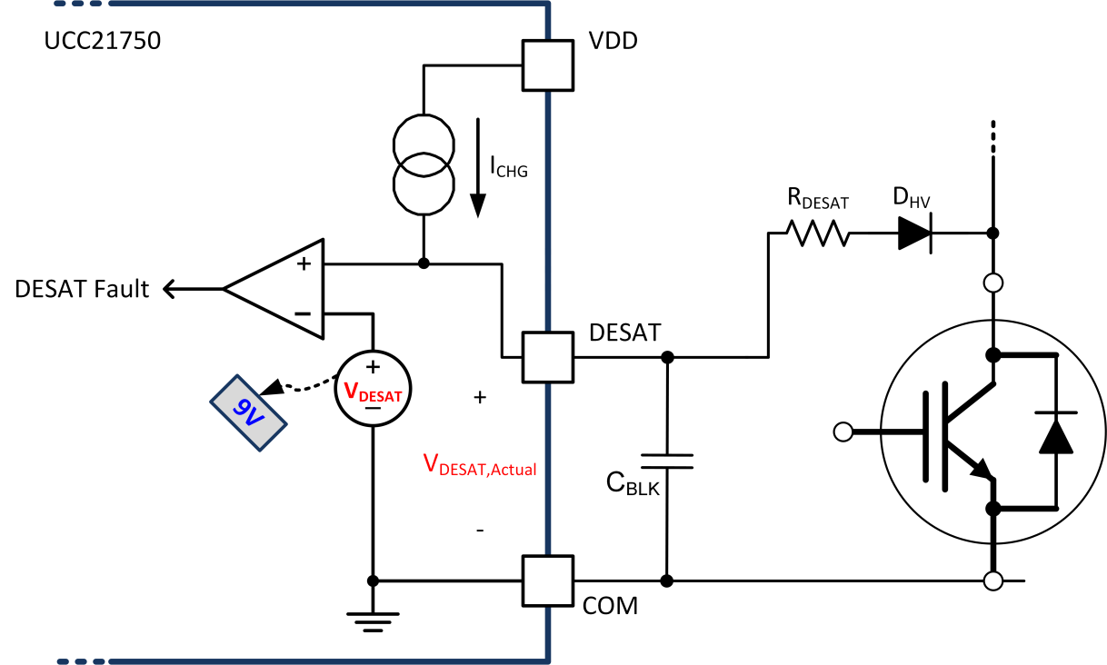
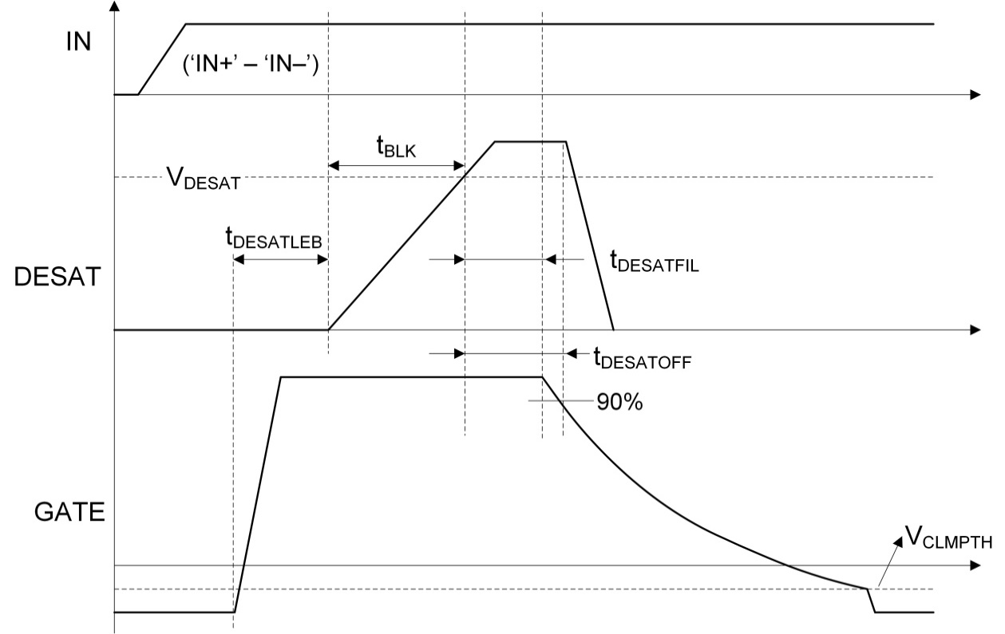
Parameter | Definition
VDD-VEE | VDD to VEE voltage (Total drive output voltage)
RDESAT | Resistor in series with HV blocking diode to limit current
Vfw | Forward voltage drop across HV blocking diode
# of diodes | Number of HV blocking diodes in series
CBLK | Blanking capacitor to control DESAT blanking time
VDESAT | Driver IC internal DESAT threshold voltage
ICHG | Driver IC internal DESAT charging current
VDESAT_Actual | Actual DESAT threshold based on external components
tBLK | Blanking time to charge CBLK to DESAT threshold voltage

DESAT using OC Calculator
UCC217xx Calculator: OC (Over-Current)
© Copyright 2020 Texas Instruments Incorporated. All rights reserved.

How to use this calculator:
1) Input system information in User Input (parameter descriptions are shown under Definitions).
2) Driver parameters from the datasheet are given in the Fixed Value section.
3) See Calculator Output for OC calculations based on the System and Driver Parameter values.
Note: OC configuration is only available with UCC21732 and UCC21710.

OC Timing Diagram (OC is the voltage at the OC pin and GATE is the voltage at the IGBT/MOSFET)
User Inputs |  |  |  |  |  |  | Fixed Value | Calculator Output
System Parameters |  |  |  |  |  |  | Driver Parameters
VDD | R1 (Ω) | R2 (Ω) | R3 (Ω) | Vfw (V) | n | CBLK (nF) | VOCTH (V) | VOCDET (V) | tBLK (ns)
15 | 1000 | 3300 | 1000 | 0.6 | 1 | 1 | 0.7 | 2.41 | 230.52

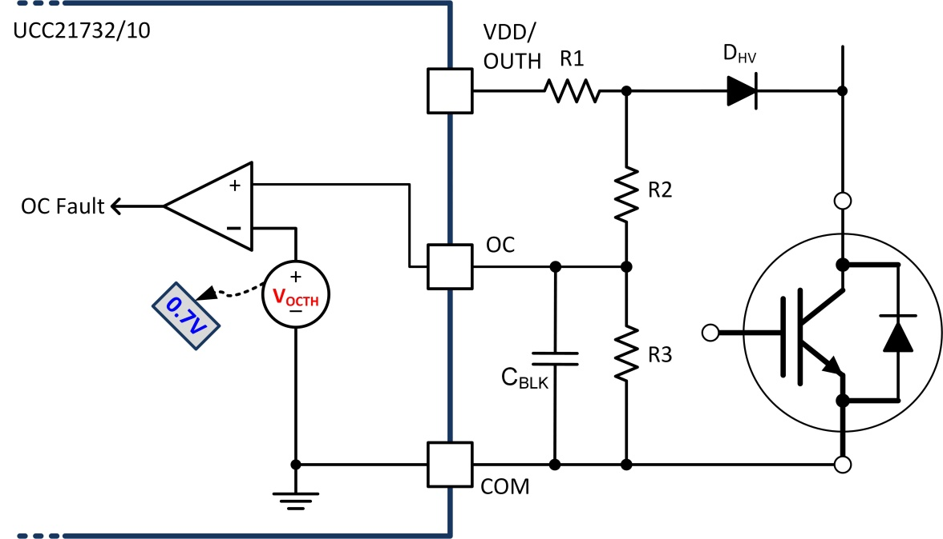
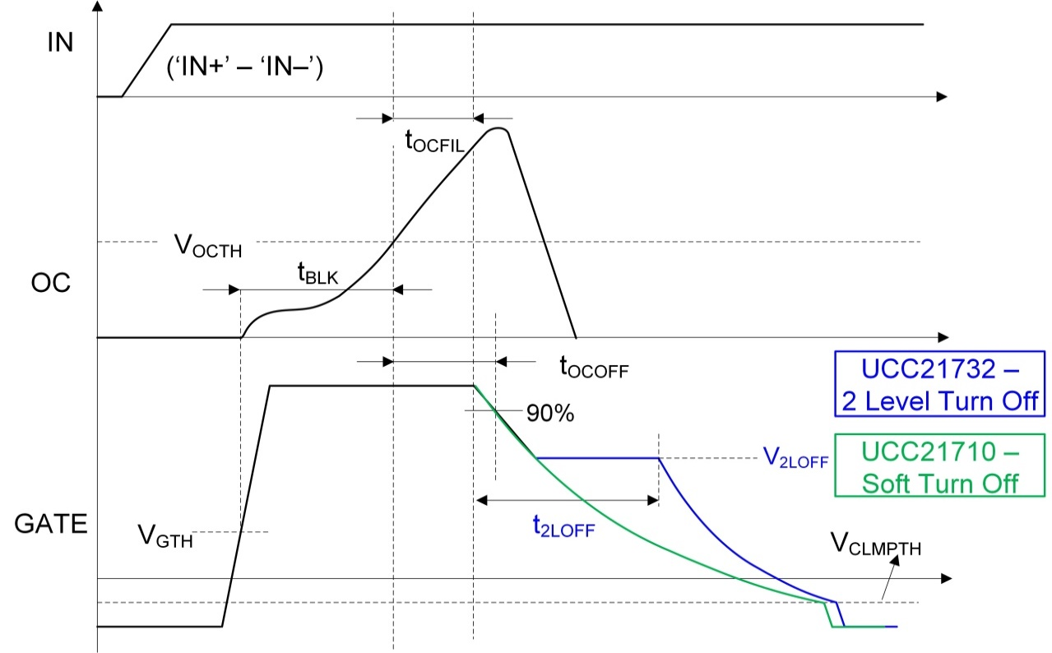
Parameter |  | Definition
VDD |  | Positive drive voltage
RDESAT |  | Resistor in series with HV blocking diode to limit current
R1 |  | Resistor to set blanking capacitor charge current
R2 |  | Part of resistor divider to control DESAT threshold voltage
R3 |  | Part of resistor divider to control DESAT threshold voltage
Vfw |  | Forward voltage drop across HV blocking diode
n |  | Number of HV blocking diodes in series
CBLK |  | Capacitor to set blanking time (C1 in equation)
VOCTH |  | Internal OC detection threshold voltage
VOCDET |  | Actual detection voltage considering all external components
tBLK |  | Blanking time before DESAT detection

Soft Turn-Off Calculator
UCC217xx Calculator: Soft Turn-Off
© Copyright 2020 Texas Instruments Incorporated. All rights reserved.

How to use this calculator:
1) Input system information in User Input (parameter descriptions are shown under Definitions).
2) Driver parameters from the datasheet are given in the Fixed Value section.
3) See Calculator Output for external Resistor and Capacitor values needed to enable Soft Turn-Off when a BJT totem pole is used based on the System and Driver Parameter values.
Note: BJT totem pole buffer is used if 10A is not sufficient drive strength. In order to control the Soft Turn-Off when OC/DESAT is detected, additional R and C component is needed on the OUTL pin to control the pulldown current.

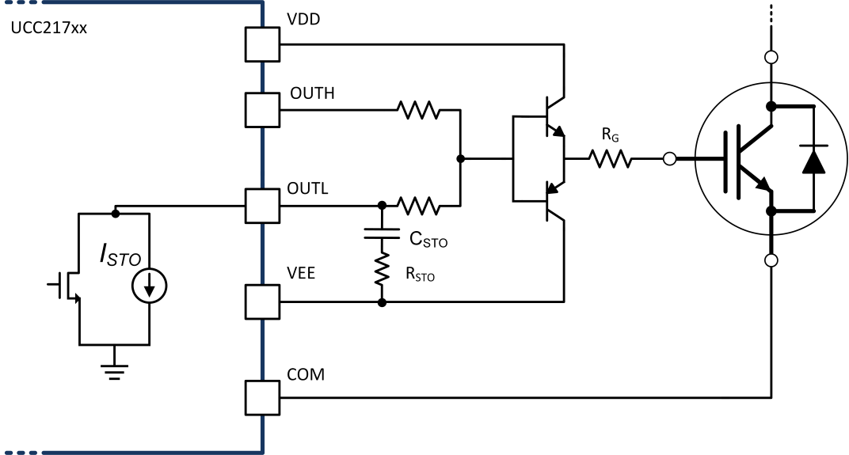
User Input |  | Fixed Value |  | Calculator Output
System Parameters |  | Driver Parameters
VDD - VEE (V) | tSTO (ns) | ISTO (mA) | IOUTL_pk (A) | RSTO_min (Ω) | CSTO (µF)
20 | 600 | 400 | 10 | 2.00 | 0.01

Parameter | Definition
VDD-VEE | VDD to VEE voltage (Total drive output voltage)
tSTO | Desired timing for soft turn-off of IGBT or SiC MOSFET
ISTO | Driver IC internal soft turn-off current
IOUTL_pk | Driver IC peak sink current through sink FET
RSTO_min | Minimum resistance in series with STO capacitor to limit inrush current
CSTO | STO capacitance required for desired STO timing

