AlljoynType
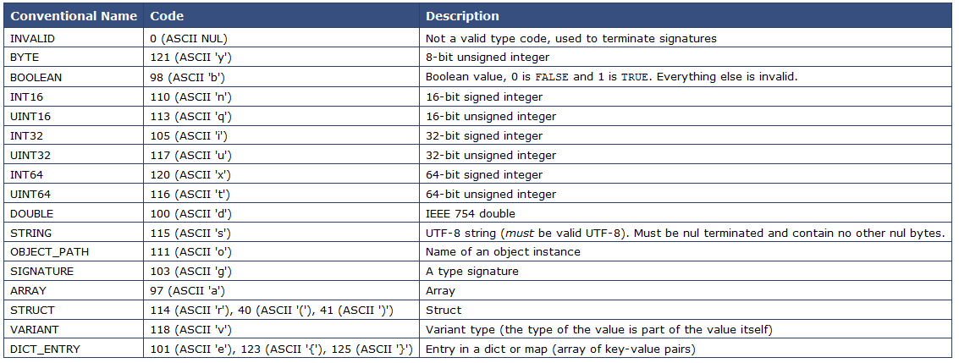
AllJoyn Type Signatures

