key
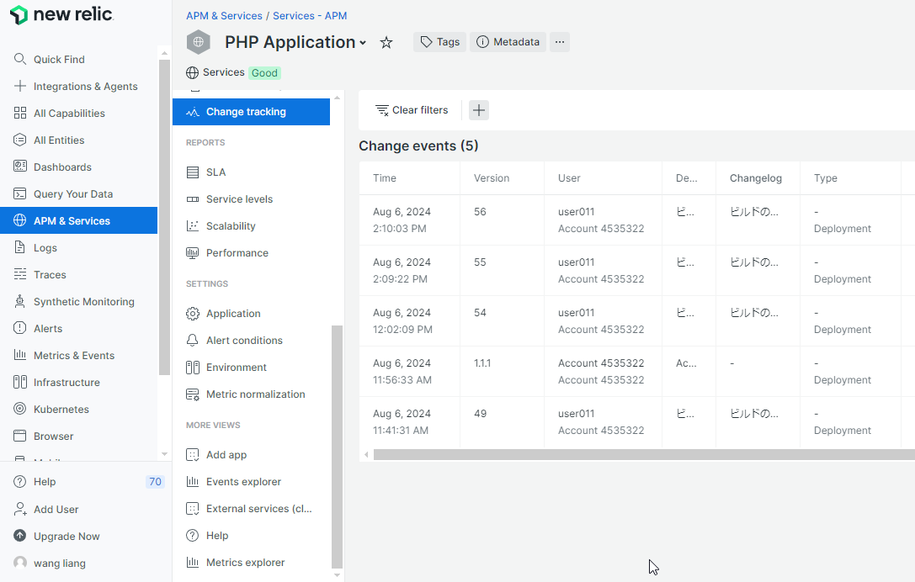

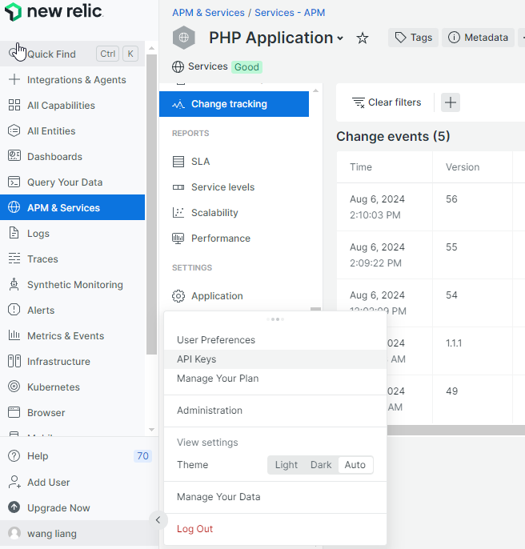

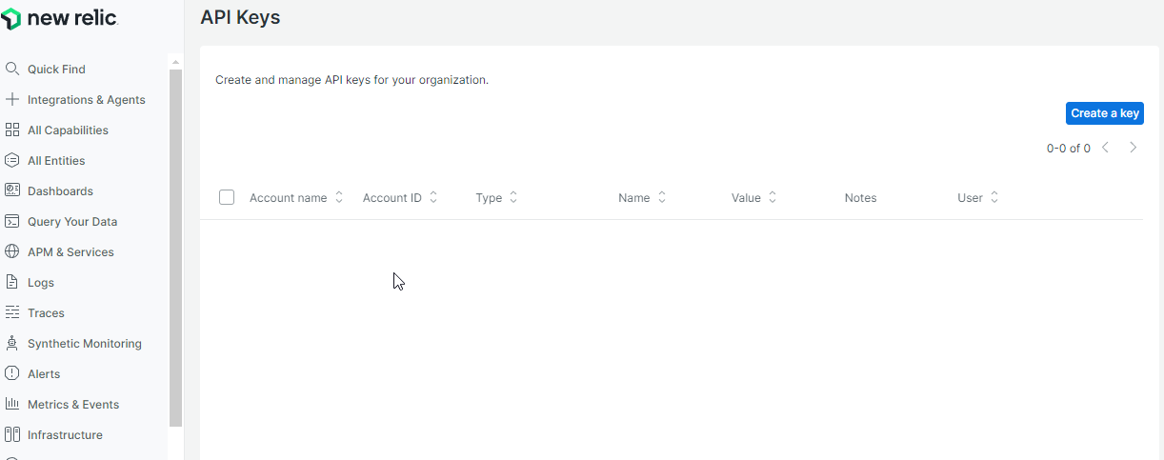

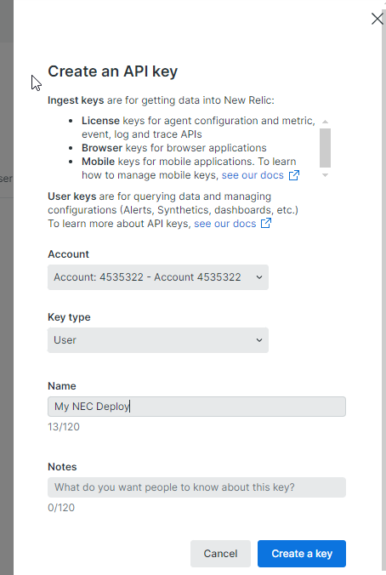

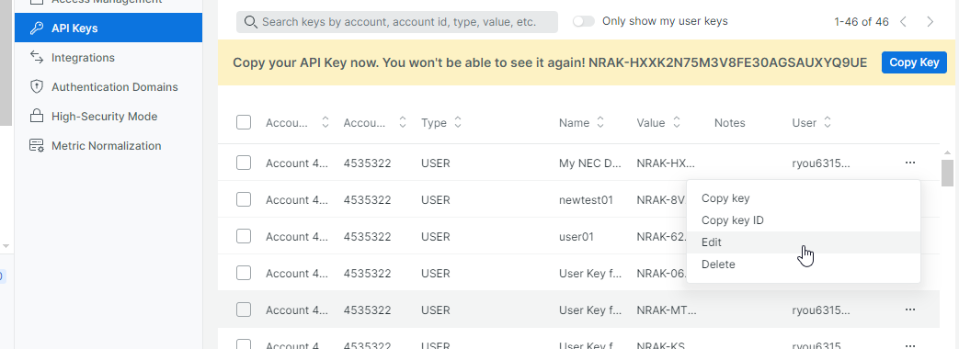

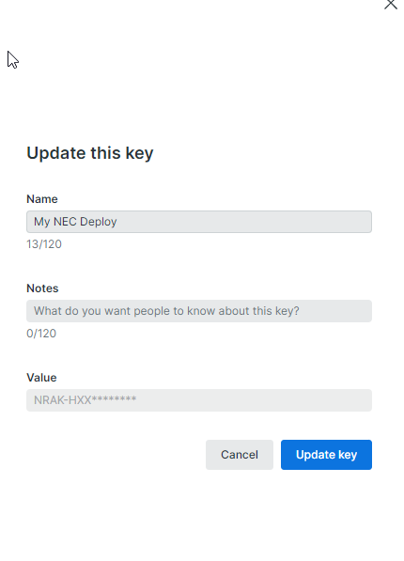

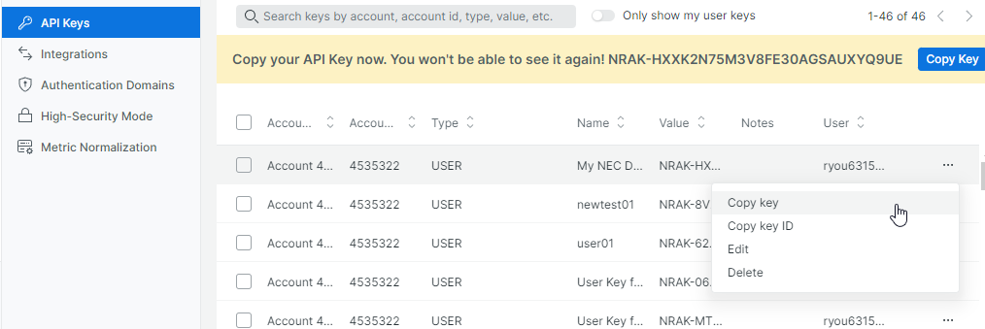

plugin
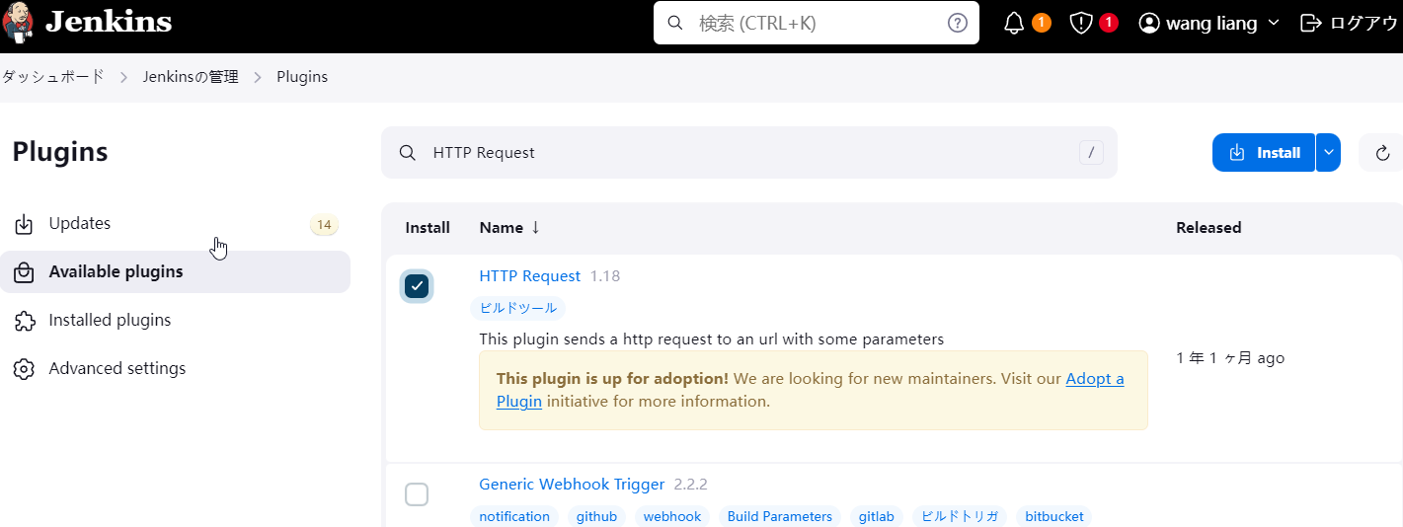
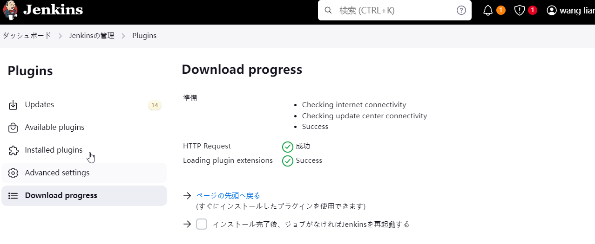
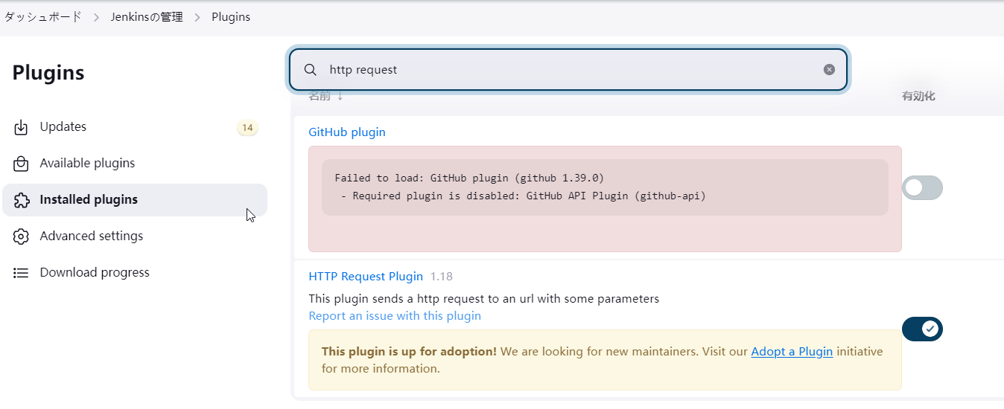
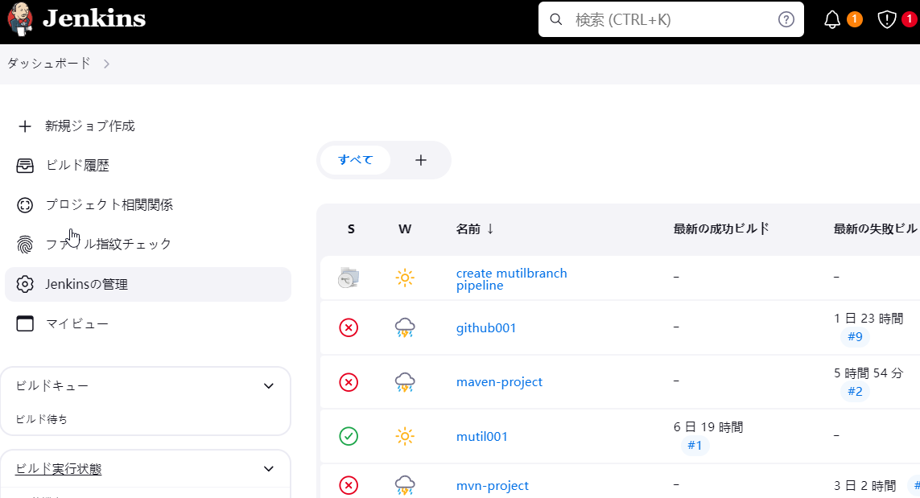

HTTP Request Plugin

P-b
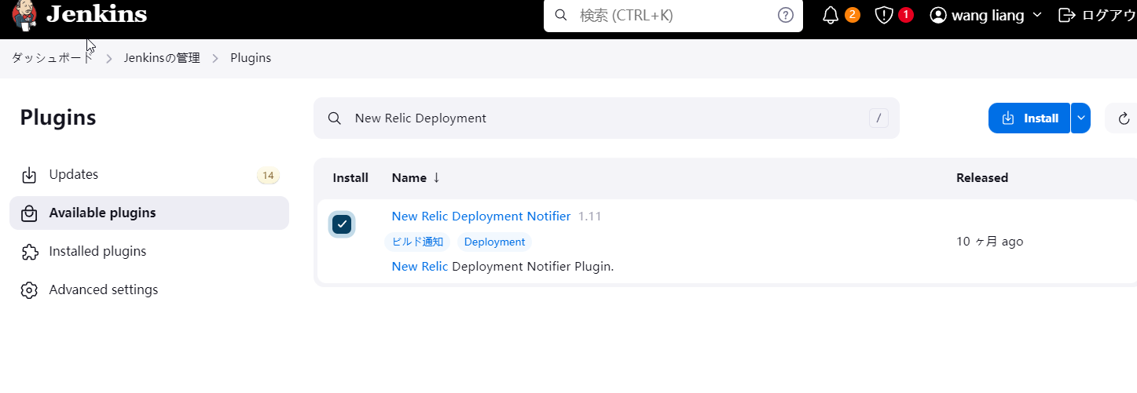
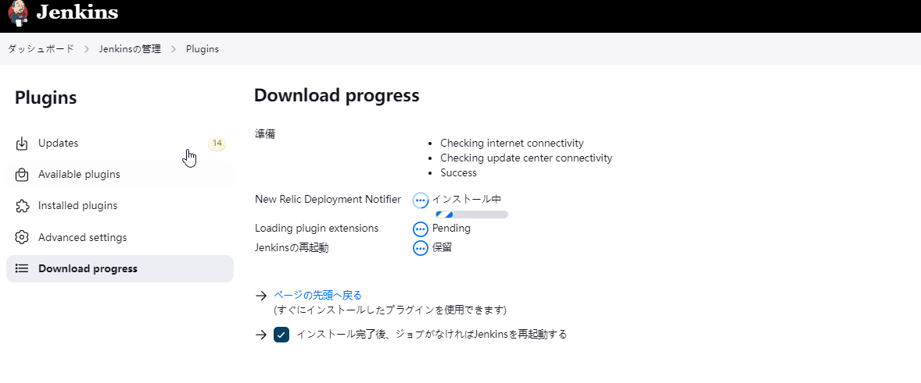
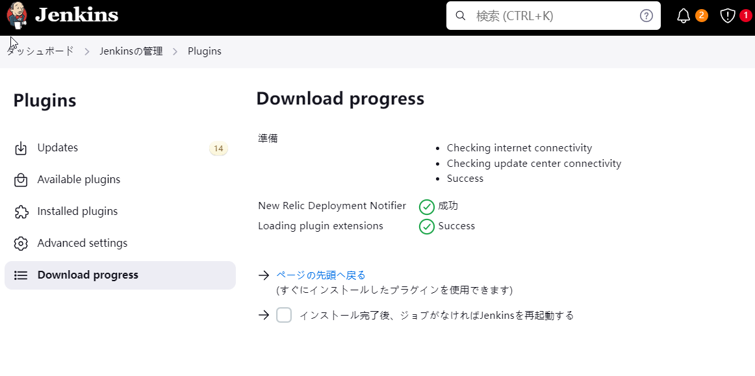
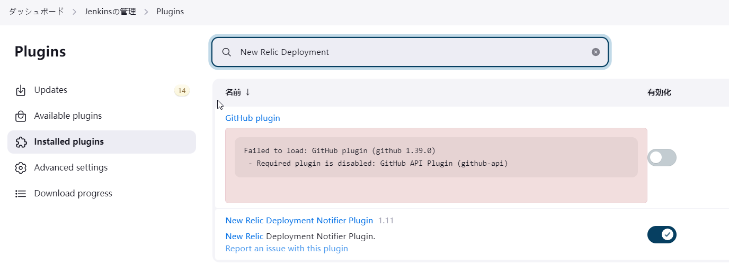
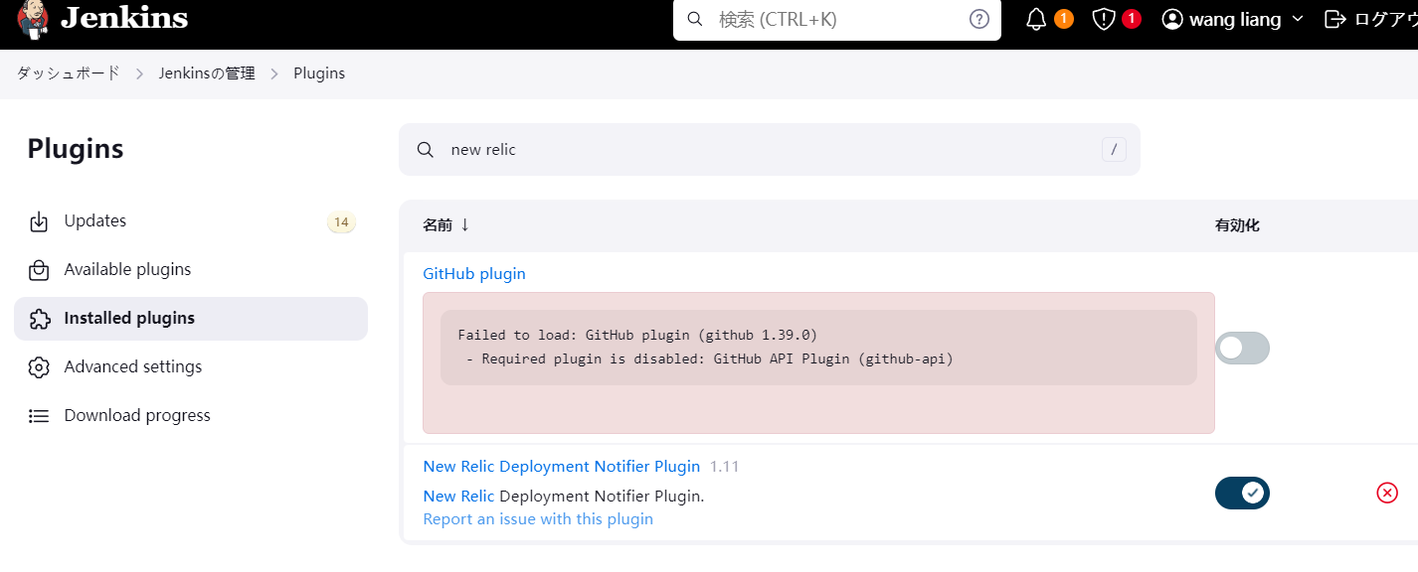

New Relic Deployment Notifier Pluginバージョン

pipe
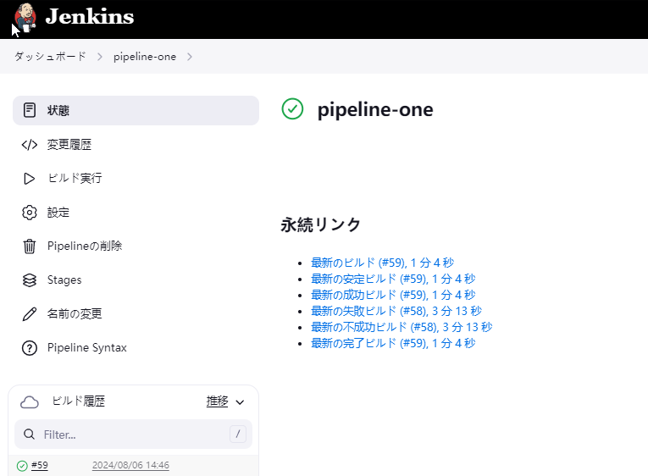
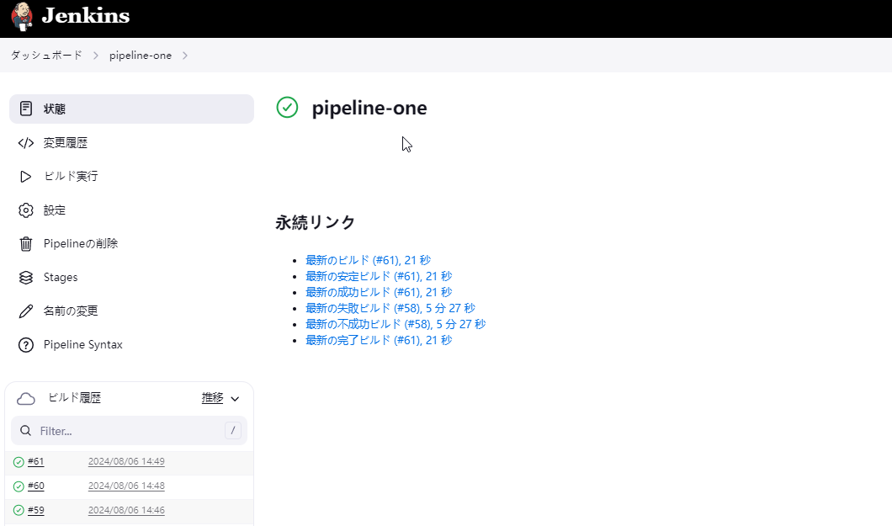
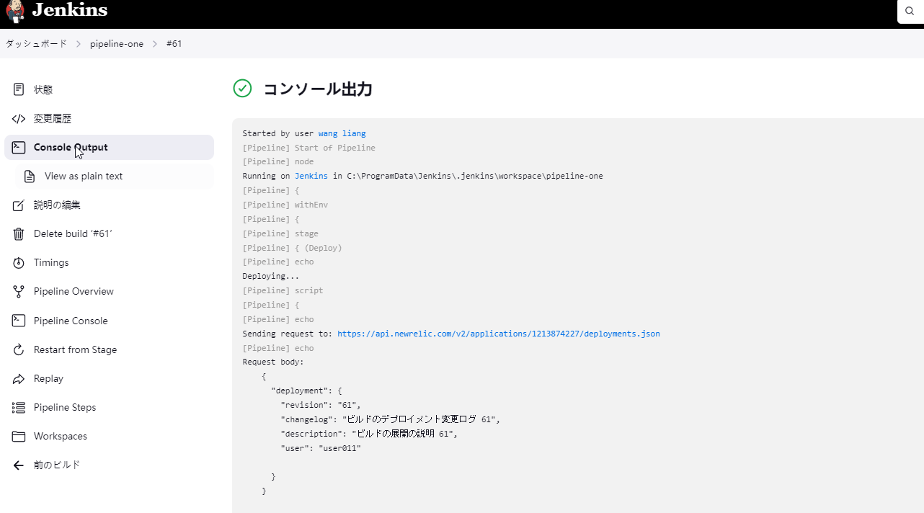
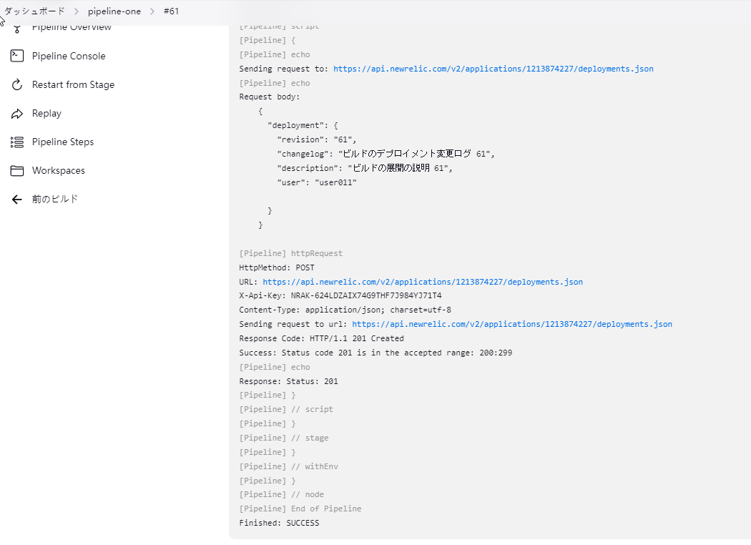
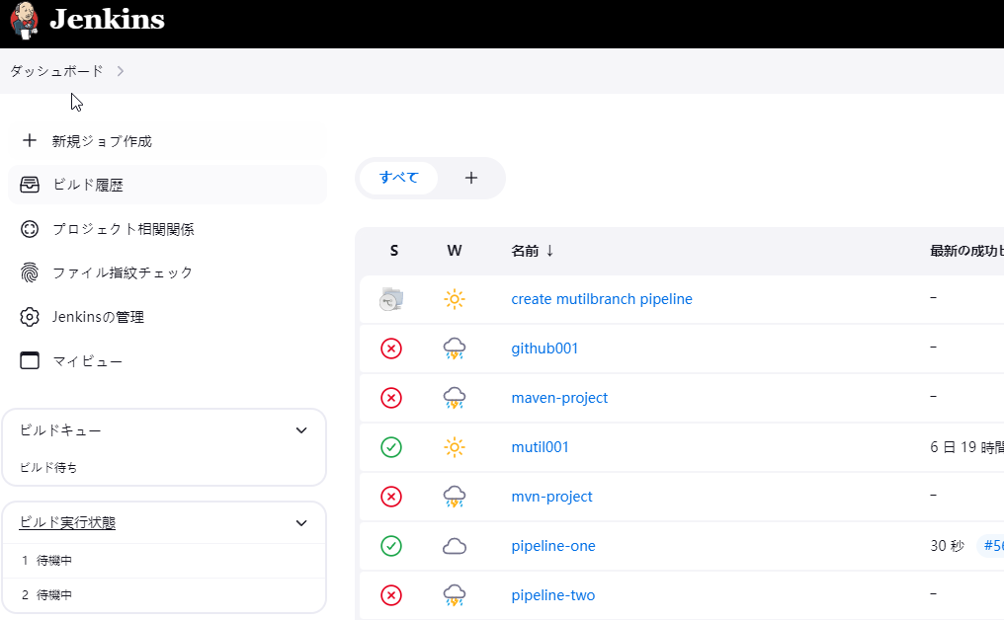

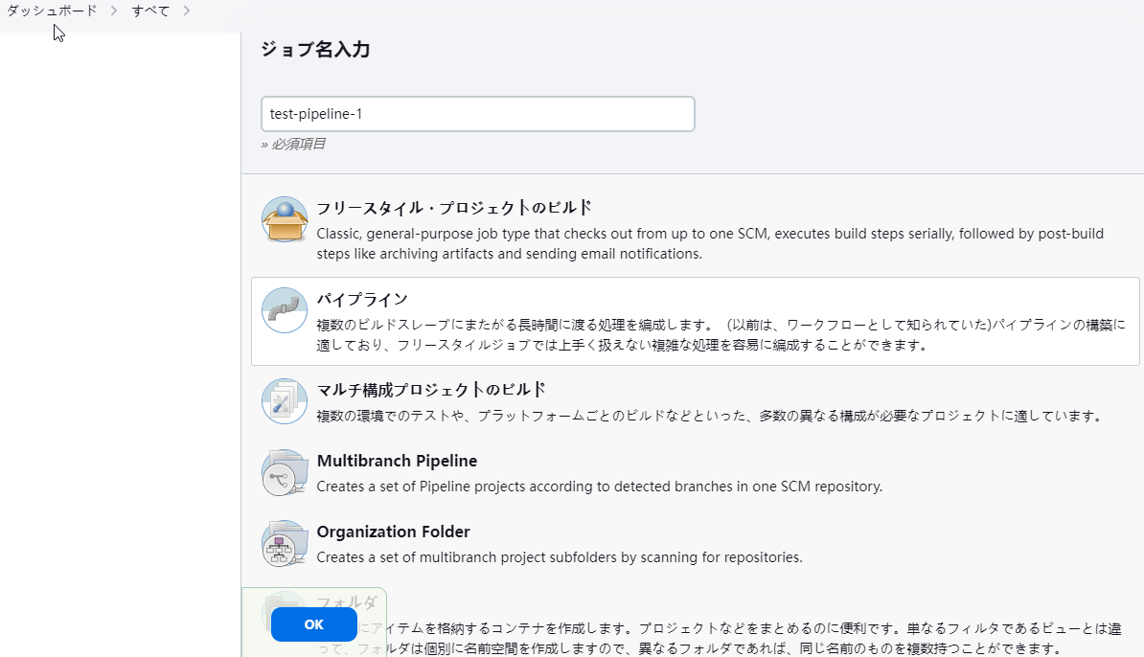

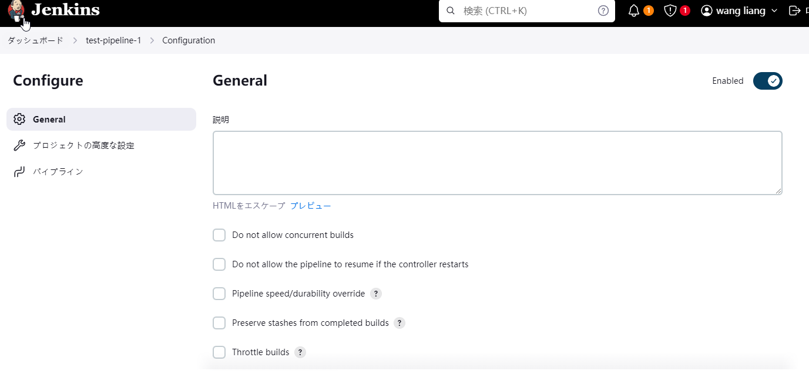

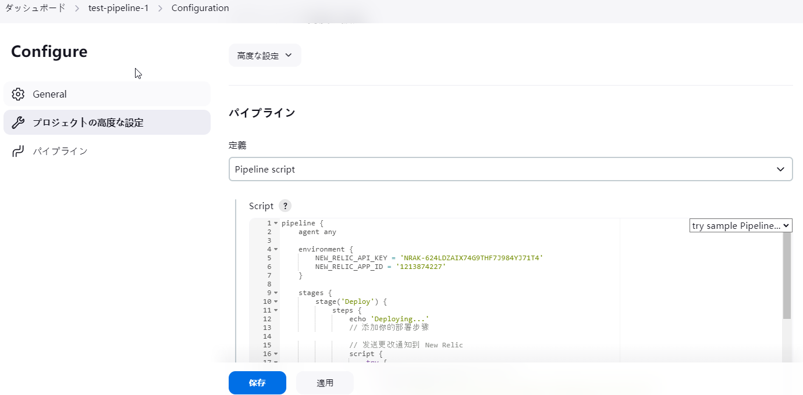

pipeline {
agent any
environment {
NEW_RELIC_API_KEY = 'NRAK-624LDZAIX74G9THF7J984YJ71T4'
NEW_RELIC_APP_ID = '1213874227'
}
stages {
stage('Deploy') {
steps {
echo 'Deploying...'
// 添加你的部署步骤
// 发送更改通知到 New Relic
script {
try {
sendNewRelicChangeNotification()
} catch (Exception e) {
echo "Failed to send New Relic change notification: ${e.message}"
error("Pipeline failed due to New Relic notification error.")
}
}
}
}
}
}
def sendNewRelicChangeNotification() {
def newRelicUrl = "https://api.newrelic.com/v2/applications/${env.NEW_RELIC_APP_ID}/deployments.json"
def requestBody = """
{
"deployment": {
"revision": "${env.BUILD_ID}",
"changelog": "ビルドのデプロイメント変更ログ ${env.BUILD_ID}",
"description": "ビルドの展開の説明 ${env.BUILD_ID}",
"user": "user011"
}
}
"""
echo "Sending request to: ${newRelicUrl}"
echo "Request body: ${requestBody}"
def response = httpRequest(
httpMode: 'POST',
url: newRelicUrl,
customHeaders: [
[name: 'X-Api-Key', value: env.NEW_RELIC_API_KEY],
[name: 'Content-Type', value: 'application/json; charset=utf-8']
],
requestBody: requestBody,
validResponseCodes: '200:299'
)
echo "Response: ${response}"
}

new-relicの確認
