今回の実行結果
画面照会
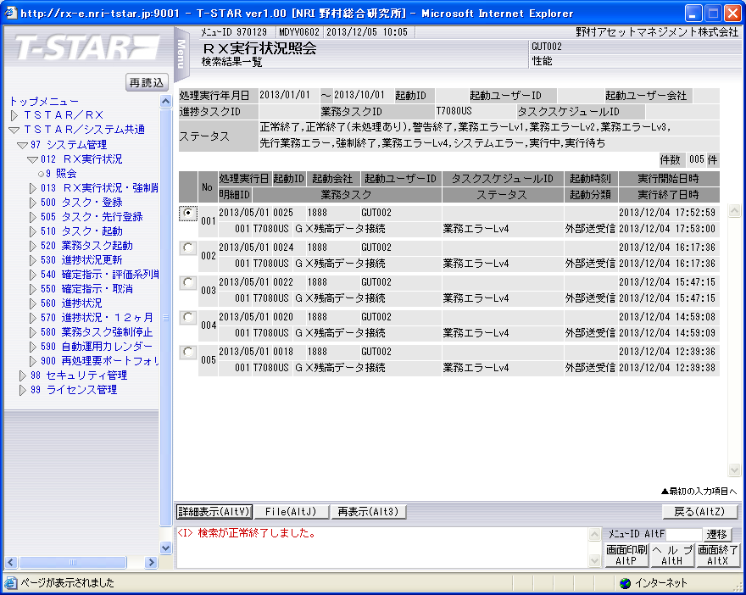

ソース「MUSR2651.pco」と「SUSR2602」のDEBUGG ONして、画面で「T7080US：GX残高接続」を起動されました。
実行ログ：BUSG1020.sh_0025.log
#*****************************************************************************************
#
2013/12/04 17:52:59 BUSG1020.sh JOB-START
#
#*****************************************************************************************
*** GAMMA残高データ生成起動 ***
#-----------------------------------------------------------------------------------------
# STEPID = 0010 START
#-----------------------------------------------------------------------------------------
*********************************************************************
**********利用会社コード、処理実行日、起動ID、業務タスクID取得*******
利用会社コード = 1888
処理実行日 = 20130501
起動ID = 0025
業務タスクID = T7080US
#-----------------------------------------------------------------------------------------
# STEPID = 0010 NORMAL-END
#-----------------------------------------------------------------------------------------
#-----------------------------------------------------------------------------------------
# STEPID = 0020 START
#-----------------------------------------------------------------------------------------
*********************************************************************
********************** 実行状況管理UPDメイン ************************
MCZY7070 1888 20130501 0025 1 0 0
2013/12/04 17:52:59 MCZY7070 Is Started.
2013/12/04 17:52:59 MCZY7070 Is Ended Normally.
RIYO_CMPCD=1888 KIJYUN_YMD=20130501 EXEC_ID=T7080US KIDO_ID=0025
【MCZY7070】(セッション区分=1) 戻り値＝0
#-----------------------------------------------------------------------------------------
# STEPID = 0020 NORMAL-END
#-----------------------------------------------------------------------------------------
#-----------------------------------------------------------------------------------------
# STEPID = 0030 START
#-----------------------------------------------------------------------------------------
*********************************************************************
********************** GAMMA残高データ生成 **************************
MUSR2651 1888 20130501 T7080US 0025
MUSR2651:*** MUSR2651 START ***
プログラムID: [MUSR2651]
セクション: [BASE-RTN]
セクションの開始時間:[20131204175300]
MUSR2651:*** 前処理 START ***
MUSR2651:*** ワークエリアの初期化 START ***
MUSR2651:*** ワークエリアの初期化 END ***
MUSR2651:*** 開始メッセージ出力処理 START ***
MUSR2651:汎用残高ダウンロード処理起動O3W START *
MUSR2651:SUSR2602-ARG:
MUSR2651:AIFA-HDR=[RLBLV035 US02 SRV_MUSR2610 008867 00 0 00172.107.47.4 1888 RLPLV025 GUT002 0000< RLPLV025US201312041752440000]
MUSR2651:USER-ATTR-HDR=[0337201405301GUT002 0SEINO 性能 1111888野村アセットマネジメント株式会社 1001 1230 0 2013030120130430$0021000101A]
MUSR2651:SUSR2602-ARG-IN=[LL 200010 01 940800940805 ]
MUSR2651:*** CALL SUSR2602 START ***
プログラムID: [SUSR2602]
セクション: [MAIN-PRC-RTN]
セクションの開始時間:[20131204175300]
SUSR2602: *** INIT-RTN START ***
SUSR2602: *** INIT-RTN START ***
SUSR2602: *** INIT-RTN END ***
SUSR2602: *** CHECK-RTN START ***
SUSR2602: *** SERVICE-0001-RTN START ***
SUSR2602: *** KOUMOKU-0001-RTN START ***
SUSR2602: *** SCZY9001-INIT-RTN START ***
SUSR2602: *** SCZY9001-INIT-RTN END ***
SUSR2602: *** SCZY9001-CALL-RTN START ***
SUSR2602: *** SCZY9001-CALL-RTN END ***
SUSR2602: *** SCZY5060-CALL-RTN START ***
プログラムID: [SUSR2602]
セクション: [SERVICE-0001-RTN_4]
セクションの開始時間:[20131204175300]
SUSR2602: *** KOUMOKU-0011-RTN START ***
SUSR2602: *** SCZY9001-INIT-RTN START ***
SUSR2602: *** SCZY9001-INIT-RTN END ***
SUSR2602: *** SCZY9001-CALL-RTN START ***
SUSR2602: *** SCZY9001-CALL-RTN END ***
SUSR2602:IX1=[00001]
SUSR2602:IX3=[0001]
SUSR2602:IX4=[0005]
SUSR2602: *** KOUMOKU-0011-RTN END ***
SUSR2602: *** KOUMOKU-0011-RTN START ***
SUSR2602: *** SCZY9001-INIT-RTN START ***
SUSR2602: *** SCZY9001-INIT-RTN END ***
SUSR2602: *** SCZY9001-CALL-RTN START ***
SUSR2602: *** SCZY9001-CALL-RTN END ***
SUSR2602:IX1=[00001]
SUSR2602:IX3=[0001]
SUSR2602:IX4=[0005]
SUSR2602: *** KOUMOKU-0011-RTN END ***
SUSR2602: *** KOUMOKU-0011-RTN START ***
SUSR2602: *** SCZY9001-INIT-RTN START ***
SUSR2602: *** SCZY9001-INIT-RTN END ***
SUSR2602: *** SCZY9001-CALL-RTN START ***
SUSR2602: *** SCZY9001-CALL-RTN END ***
SUSR2602:IX1=[00001]
SUSR2602:IX3=[0001]
SUSR2602:IX4=[0005]
SUSR2602: *** KOUMOKU-0011-RTN END ***
SUSR2602: *** KOUMOKU-0011-RTN START ***
SUSR2602: *** SCZY9001-INIT-RTN START ***
SUSR2602: *** SCZY9001-INIT-RTN END ***
SUSR2602: *** SCZY9001-CALL-RTN START ***
SUSR2602: *** SCZY9001-CALL-RTN END ***
SUSR2602:IX1=[00001]
SUSR2602:IX3=[0001]
SUSR2602:IX4=[0005]
SUSR2602: *** KOUMOKU-0011-RTN END ***
SUSR2602: *** KOUMOKU-0011-RTN START ***
SUSR2602: *** SCZY9001-INIT-RTN START ***
SUSR2602: *** SCZY9001-INIT-RTN END ***
SUSR2602: *** SCZY9001-CALL-RTN START ***
SUSR2602: *** SCZY9001-CALL-RTN END ***
SUSR2602:IX1=[00001]
SUSR2602:IX3=[0001]
SUSR2602:IX4=[0005]
SUSR2602: *** KOUMOKU-0011-RTN END ***
SUSR2602: *** KOUMOKU-0011-RTN START ***
SUSR2602: *** SCZY9001-INIT-RTN START ***
SUSR2602: *** SCZY9001-INIT-RTN END ***
SUSR2602: *** SCZY9001-CALL-RTN START ***
SUSR2602: *** SCZY9001-CALL-RTN END ***
SUSR2602:IX1=[00001]
SUSR2602:IX3=[0001]
SUSR2602:IX4=[0005]
SUSR2602: *** KOUMOKU-0011-RTN END ***
SUSR2602: *** KOUMOKU-0011-RTN START ***
SUSR2602: *** SCZY9001-INIT-RTN START ***
SUSR2602: *** SCZY9001-INIT-RTN END ***
SUSR2602: *** SCZY9001-CALL-RTN START ***
SUSR2602: *** SCZY9001-CALL-RTN END ***
SUSR2602:IX1=[00001]
SUSR2602:IX3=[0001]
SUSR2602:IX4=[0005]
SUSR2602: *** KOUMOKU-0011-RTN END ***
SUSR2602: *** KOUMOKU-0011-RTN START ***
SUSR2602: *** SCZY9001-INIT-RTN START ***
SUSR2602: *** SCZY9001-INIT-RTN END ***
SUSR2602: *** SCZY9001-CALL-RTN START ***
SUSR2602: *** SCZY9001-CALL-RTN END ***
SUSR2602:IX1=[00001]
SUSR2602:IX3=[0001]
SUSR2602:IX4=[0005]
SUSR2602: *** KOUMOKU-0011-RTN END ***
SUSR2602: *** KOUMOKU-0011-RTN START ***
SUSR2602: *** SCZY9001-INIT-RTN START ***
SUSR2602: *** SCZY9001-INIT-RTN END ***
SUSR2602: *** SCZY9001-CALL-RTN START ***
SUSR2602: *** SCZY9001-CALL-RTN END ***
SUSR2602:IX1=[00001]
SUSR2602:IX3=[0001]
SUSR2602:IX4=[0005]
SUSR2602: *** KOUMOKU-0011-RTN END ***
SUSR2602: *** KOUMOKU-0011-RTN START ***
SUSR2602: *** SCZY9001-INIT-RTN START ***
SUSR2602: *** SCZY9001-INIT-RTN END ***
SUSR2602: *** SCZY9001-CALL-RTN START ***
SUSR2602: *** SCZY9001-CALL-RTN END ***
SUSR2602:IX1=[00001]
SUSR2602:IX3=[0001]
SUSR2602:IX4=[0005]
SUSR2602: *** KOUMOKU-0011-RTN END ***
プログラムID: [SUSR2602]
セクション: [SERVICE-0001-RTN_4]
セクションの終了時間:[20131204175300]
SUSR2602: *** KOUMOKU-0012-RTN START ***
SUSR2602: *** SCZY9001-INIT-RTN START ***
SUSR2602: *** SCZY9001-INIT-RTN END ***
SUSR2602: *** SCZY9001-CALL-RTN START ***
SUSR2602: *** SCZY9001-CALL-RTN END ***
SUSR2602:IX1=[00001]
SUSR2602:IX3=[0001]
SUSR2602:IX4=[0005]
SUSR2602: *** KOUMOKU-0012-RTN END ***
SUSR2602: *** KOUMOKU-0013-RTN START ***
SUSR2602: *** SCZY9001-INIT-RTN START ***
SUSR2602: *** SCZY9001-INIT-RTN END ***
SUSR2602: *** SCZY9001-CALL-RTN START ***
SUSR2602: *** SCZY9001-CALL-RTN END ***
SUSR2602:IX1=[00001]
SUSR2602:IX3=[0001]
SUSR2602:IX4=[0005]
SUSR2602: *** KOUMOKU-0013-RTN END ***
SUSR2602: *** KOUMOKU-0014-RTN START ***
SUSR2602: *** SCZY9001-INIT-RTN START ***
SUSR2602: *** SCZY9001-INIT-RTN END ***
SUSR2602: *** SCZY9001-CALL-RTN START ***
SUSR2602: *** SCZY9001-CALL-RTN END ***
SUSR2602:IX1=[00001]
SUSR2602:IX3=[0001]
SUSR2602:IX4=[0005]
SUSR2602: *** KOUMOKU-0014-RTN END ***
SUSR2602: *** KOUMOKU-0015-RTN START ***
SUSR2602: *** SCZY9001-INIT-RTN START ***
SUSR2602: *** SCZY9001-INIT-RTN END ***
SUSR2602: *** SCZY9001-CALL-RTN START ***
SUSR2602: *** SCZY9001-CALL-RTN END ***
SUSR2602:IX1=[00001]
SUSR2602:IX3=[0001]
SUSR2602:IX4=[0005]
SUSR2602: *** KOUMOKU-0015-RTN END ***
SUSR2602: *** KOUMOKU-0016-RTN START ***
SUSR2602: *** SCZY9001-INIT-RTN START ***
SUSR2602: *** SCZY9001-INIT-RTN END ***
SUSR2602: *** SCZY9001-CALL-RTN START ***
SUSR2602: *** SCZY9001-CALL-RTN END ***
SUSR2602:IX1=[00001]
SUSR2602:IX3=[0001]
SUSR2602:IX4=[0005]
SUSR2602: *** KOUMOKU-0016-RTN END ***
SUSR2602: *** SERVICE-0001-RTN END ***
SUSR2602: *** CHECK-RTN END ***
SUSR2602: *** END-RTN START ***
SUSR2602: *** END-RTN END ***
SUSR2602: *** INIT-RTN END ***
プログラムID: [SUSR2602]
セクション: [MAIN-PRC-RTN]
セクションの終了時間:[20131204175300]
MUSR2651:*** CALL SUSR2602 END ***
MUSR2651:I-KJN-YMD-TO =[ ]
MUSR2651:RTN-CD(SUSR2602) =[1]
MUSR2651:汎用残高ダウンロード処理起動O3Wエラー *
MUSR2651:*** 後処理 START ***
MUSR2651:WK-RTN-CODE=[08]
MUSR2651:*** 転送制御ファイル作成 START ***
MUSR2651:PARM-SCZY7180-ARG1:
MUSR2651:利用会社コード =[1888]
MUSR2651:処理実行日 =[20130501]
MUSR2651:起動ID =[0025]
MUSR2651:実行処理ID=[T7080US]
MUSR2651:拠点サーバ区分=[02]
MUSR2651:最大連番=[08]
MUSR2651:*** CALL SCZY7180 START ***
MUSR2651:*** CALL SCZY7180 END ***
MUSR2651:RTN-CD(SCZY7180) =[000]
MUSR2651:COUNTER OF PARM-RTNPKG =[01]
MUSR2651:転送制御ファイル作成 正常
MUSR2651:*** 転送制御ファイル作成 END ***
MUSR2651:FLG-GYOMU-ERR=[1]
MUSR2651:*** 業務エラー2処理 START ***
MUSR2651:利用会社コード=[1888]
MUSR2651:処理実行日=[20130501]
MUSR2651:起動ID=[0025]
MUSR2651:業務タスクID=[T7080US]
MUSR2651:メッセージエリア=[ E000353基準日FROM 0000 日付チェックエラー E000353銘柄リファレンス系列 0000 必須チェックエラー E000353ポートフォリオ処理区分 0000 必須チェックエラー E000353評価系列処理区分 0000 必須チェックエラー

MUSR2651: *** CALL SCZY7080 START ***
MUSR2651: *** CALL SCZY7080 END ***
MUSR2651:RTN-CD(SCZY7080) =[000]
MUSR2651:COUNTER OF PARM-RTNPKG=[01]
MUSR2651:*** ＤＢコミット処理 START ***
MUSR2651:SQLCODE(COMMIT)=[+0000000000]
MUSR2651:ＤＢコミット処理 正常
MUSR2651:*** ＤＢコミット処理 END ***
MUSR2651:*** 業務エラー2処理 正常 ***
MUSR2651:*** 業務エラー2処理 END ***
MUSR2651:**** カーソルクローズ処理しない ****
MUSR2651:**** カーソルクローズ処理2しない ****
MUSR2651:**** カーソルクローズ処理3しない ****
MUSR2651:FLG-FILE-OPEN=[0]
MUSR2651:*** ファイル1をクローズしない ***
MUSR2651:FLG-FILE-OPEN-2=[0]
MUSR2651:*** ファイル2をクローズしない ***
MUSR2651:FLG-FILE-OPEN-3=[0]
MUSR2651:*** ファイル3をクローズしない ***
MUSR2651:FLG-FILE-OPEN-4=[0]
MUSR2651:*** ファイル4をクローズしない ***
MUSR2651:FLG-FILE-OPEN-5=[0]
MUSR2651:*** ファイル5をクローズしない ***
MUSR2651:FLG-FILE-OPEN-6=[0]
MUSR2651:*** ファイル6をクローズしない ***
MUSR2651:FLG-FILE-OPEN-7=[0]
MUSR2651:*** ファイル7をクローズしない ***
MUSR2651:FLG-FILE-OPEN-8=[0]
MUSR2651:*** ファイル8をクローズしない ***
MUSR2651:*** ＤＢコミットリリース処理 START ***
MUSR2651:FLG-ORA-CONNECT=[1]
MUSR2651:SQLCODE(COMMIT RELEASE)=[+0000000000]
MUSR2651:ＤＢコミットリリース処理 正常
MUSR2651:FLG-ORA-CONNECT=[0]
MUSR2651:*** ＤＢコミットリリース処理 END ***
MUSR2651:*** 処理件数メッセージ出力処理 START ***
MUSR2651:SCZY7040-ARG:
MUSR2651:テーブル・ファイル数=[000005]
MUSR2651:識別子(1) =[TKUSZT01_1888 ]
MUSR2651:対象処理(1) =[FETCH ]
MUSR2651:処理件数(1) =[000000000]
MUSR2651:識別子(2) =[ ]
MUSR2651:対象処理(2) =[WRITE ]
MUSR2651:処理件数(2) =[000000000]
MUSR2651:識別子(3) =[ ]
MUSR2651:対象処理(3) =[WRITE ]
MUSR2651:処理件数(3) =[000000000]
MUSR2651:識別子(4) =[ ]
MUSR2651:対象処理(4) =[WRITE ]
MUSR2651:処理件数(4) =[000000000]
MUSR2651:識別子(5) =[ ]
MUSR2651:対象処理(5) =[WRITE ]
MUSR2651:処理件数(5) =[000000000]
MUSR2651:*** CALL SCZY7040 START ***
TKUSZT01_1888 FETCH : 000000000
WRITE : 000000000
WRITE : 000000000
WRITE : 000000000
WRITE : 000000000
MUSR2651:*** CALL SCZY7040 END ***
MUSR2651:*** 処理件数メッセージ出力処理 END ***
MUSR2651:WK-RTN-CODE=[08]
MUSR2651:*** 終了メッセージ出力処理 START ***
MUSR2651:WK-ERR-SYUBETU=[U]
MUSR2651:SCZY7020-ARG:
MUSR2651:エラー種別 =[U]
MUSR2651:プログラムID =[MUSR2651 ]
MUSR2651:利用会社コード=[1888]
MUSR2651:実行処理ID =[T7080US]
MUSR2651:基準日 =[20130501]
MUSR2651:起動ID =[0025]
MUSR2651:PARM-RTNPKG=[00 000000000
MUSR2651:*** CALL SCZY7020 START ***
2013/12/04 17:53:00 MUSR2651 Is Ended Abnormally(User).
RIYO_CMPCD=1888 KIJYUN_YMD=20130501 EXEC_ID=T7080US KIDO_ID=0025
業務エラーが発生しました。詳細は実行状況照会画面で参照してください
MUSR2651:*** CALL SCZY7020 END ***
MUSR2651:*** 終了メッセージ出力処理 END ***
MUSR2651:*** 後処理 END ***
MUSR2651:ワークリターンコード=[08]
MUSR2651 戻り値＝8
業務エラー（処理中メイン続行不可）終了
#-----------------------------------------------------------------------------------------
# STEPID = 0030 ABNORMAL-END
#-----------------------------------------------------------------------------------------
#-----------------------------------------------------------------------------------------
# STEPID = 0240 START
#-----------------------------------------------------------------------------------------
会社が存在しない
#-----------------------------------------------------------------------------------------
# STEPID = 0240 NORMAL-END
#-----------------------------------------------------------------------------------------
#-----------------------------------------------------------------------------------------
# STEPID = 0230 START
#-----------------------------------------------------------------------------------------
*********************************************************************
********************実行状況管理UPDメイン****************************
MCZY7070 1888 20130501 0025 2 0 0
2013/12/04 17:53:00 MCZY7070 Is Started.
2013/12/04 17:53:00 MCZY7070 Is Ended Normally.
RIYO_CMPCD=1888 KIJYUN_YMD=20130501 EXEC_ID=T7080US KIDO_ID=0025
MCZY7070 戻り値＝0
#-----------------------------------------------------------------------------------------
# STEPID = 0230 NORMAL-END
...

別紙 テーブル参照
テーブルTKDYAA31
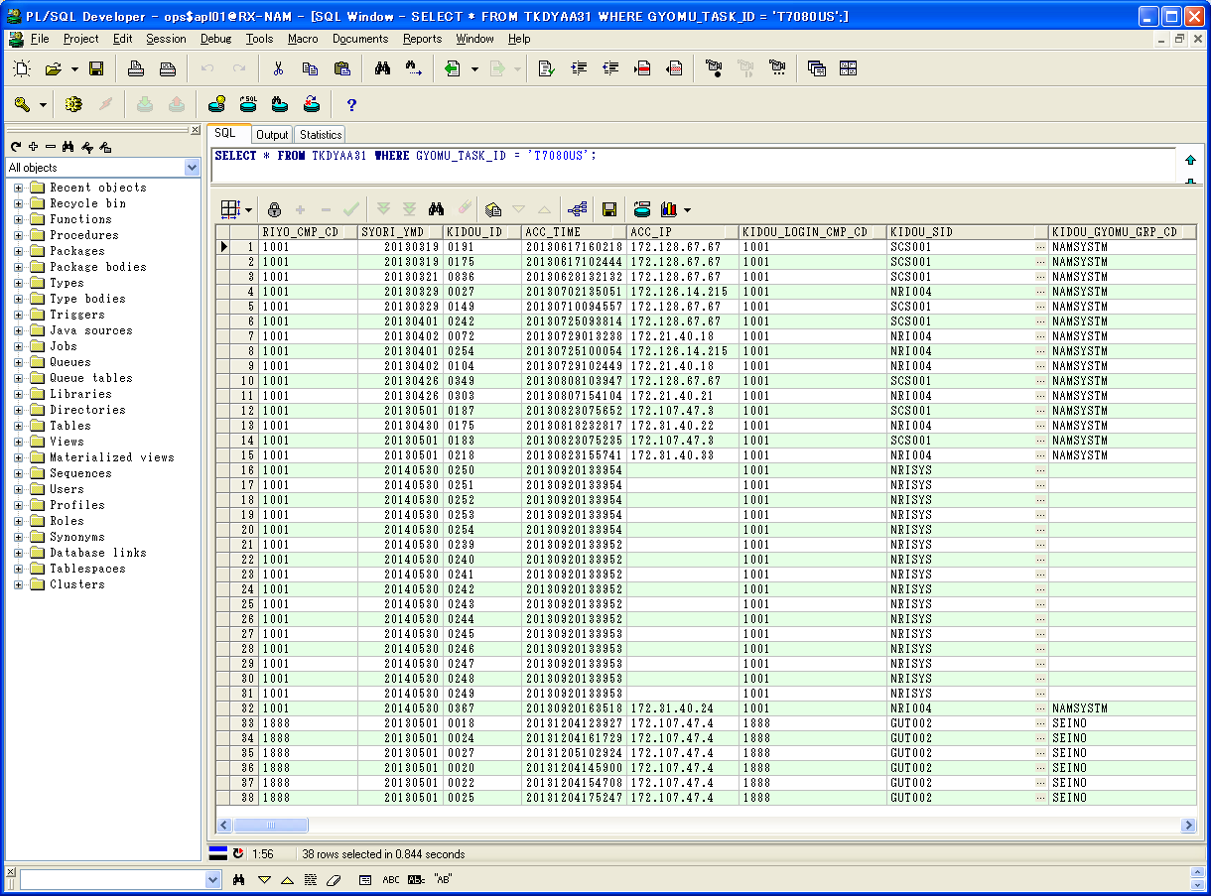

 | RIYO_CMP_CD | SYORI_YMD | KIDOU_ID | ACC_TIME | ACC_IP | KIDOU_LOGIN_CMP_CD | KIDOU_SID | KIDOU_GYOMU_GRP_CD | TSK_SCHE_KIDOU_ID | TSK_SCHE_ID | TSK_SCHE_MS_ID | GYOMU_TASK_ID | SK_TSK_SCHE_MS_ID1 | SK_TSK_SCHE_MS_ID2 | SK_TSK_SCHE_MS_ID3 | SK_TSK_SCHE_MS_ID4 | SK_TSK_SCHE_MS_ID5 | SK_TSK_SCHE_MS_ID6 | SK_TSK_SCHE_MS_ID7 | SK_TSK_SCHE_MS_ID8 | SK_TSK_SCHE_MS_ID9 | SK_TSK_SCHE_MS_ID10
1 | 1001 | 20130319 | 0191 | 20130617160218 | 172.128.67.67 | 1001 | SCS001 | NAMSYSTM | 0146 | TASKRT | 8 | T7080US | 0 | 0 | 0 | 0 | 0 | 0 | 0 | 0 | 0 | 0
2 | 1001 | 20130319 | 0175 | 20130617102444 | 172.128.67.67 | 1001 | SCS001 | NAMSYSTM | 0145 | 3Gx | 8 | T7080US | 1 | 2 | 3 | 4 | 5 | 6 | 0 | 0 | 0 | 0
3 | 1001 | 20130321 | 0836 | 20130628132132 | 172.128.67.67 | 1001 | SCS001 | NAMSYSTM | 0822 | 3GxOfL2 | 8 | T7080US | 0 | 0 | 0 | 0 | 0 | 0 | 0 | 0 | 0 | 0
4 | 1001 | 20130329 | 0027 | 20130702135051 | 172.126.14.215 | 1001 | NRI004 | NAMSYSTM |  |  | 1 | T7080US | 0 | 0 | 0 | 0 | 0 | 0 | 0 | 0 | 0 | 0
5 | 1001 | 20130329 | 0149 | 20130710094557 | 172.128.67.67 | 1001 | SCS001 | NAMSYSTM | 0127 | 3GxOfL2 | 8 | T7080US | 0 | 0 | 0 | 0 | 0 | 0 | 0 | 0 | 0 | 0
6 | 1001 | 20130401 | 0242 | 20130725093814 | 172.128.67.67 | 1001 | SCS001 | NAMSYSTM |  |  | 1 | T7080US | 0 | 0 | 0 | 0 | 0 | 0 | 0 | 0 | 0 | 0
7 | 1001 | 20130402 | 0072 | 20130729013238 | 172.21.40.18 | 1001 | NRI004 | NAMSYSTM | 0052 | 4GxOfL2 | 8 | T7080US | 0 | 0 | 0 | 0 | 0 | 0 | 0 | 0 | 0 | 0
8 | 1001 | 20130401 | 0254 | 20130725100054 | 172.126.14.215 | 1001 | NRI004 | NAMSYSTM | 0225 | 4GxOfL2 | 8 | T7080US | 0 | 0 | 0 | 0 | 0 | 0 | 0 | 0 | 0 | 0
9 | 1001 | 20130402 | 0104 | 20130729102449 | 172.21.40.18 | 1001 | NRI004 | NAMSYSTM | 0058 | 4GxOfL2 | 8 | T7080US | 0 | 0 | 0 | 0 | 0 | 0 | 0 | 0 | 0 | 0
...
 |  |  |  |  |  |  |  |  |  |  |  |  |  |  |  |  |  |  |  |  |  |  | 0 | A | 280 | 0 | 0 | 0 | 20130823075658 | 20130823080212 | 1001_20130501_0187.zip
 |  |  |  |  |  |  |  |  |  |  |  |  |  |  |  |  |  |  |  |  |  |  | 0 | B | 280 | 0 | 0 | 0 | 20130818232842 | 20130819024420 | 1001_20130430_0175.zip
 |  |  |  |  |  |  |  |  |  |  |  |  |  |  |  |  |  |  |  |  |  |  | 0 | A | 280 | 0 | 0 | 0 | 20130823075243 | 20130823093346 | 1001_20130501_0183.zip
 |  |  |  |  |  |  |  |  |  |  |  |  |  |  |  |  |  |  |  |  |  |  | 0 | B | 280 | 0 | 0 | 0 | 20130823160254 | 20130823181620 | 1001_20130501_0218.zip
 |  |  |  |  |  |  |  |  |  |  |  |  |  |  |  |  |  |  |  |  |  |  | 0 | B | 280 | 0 | 0 | 0 | 20130920135537 | 20130920172848 | 1001_20140530_0250.zip
 |  |  |  |  |  |  |  |  |  |  |  |  |  |  |  |  |  |  |  |  |  |  | 0 | B | 280 | 0 | 0 | 0 | 20130920135608 | 20130920172717 | 1001_20140530_0251.zip
 |  |  |  |  |  |  |  |  |  |  |  |  |  |  |  |  |  |  |  |  |  |  | 0 | B | 280 | 0 | 0 | 0 | 20130920135720 | 20130920172740 | 1001_20140530_0252.zip
 |  |  |  |  |  |  |  |  |  |  |  |  |  |  |  |  |  |  |  |  |  |  | 0 | B | 280 | 0 | 0 | 0 | 20130920135721 | 20130920172740 | 1001_20140530_0253.zip
 |  |  |  |  |  |  |  |  |  |  |  |  |  |  |  |  |  |  |  |  |  |  | 0 | B | 280 | 0 | 0 | 0 | 20130920135740 | 20130920174735 | 1001_20140530_0254.zip
 |  |  |  |  |  |  |  |  |  |  |  |  |  |  |  |  |  |  |  |  |  |  | 0 | B | 280 | 0 | 0 | 0 | 20130920134159 | 20130920172007 | 1001_20140530_0239.zip
今回のステータスは375ですが、
以前の実行結果は280です。
 |  |  |  |  |  |  |  |  |  |  |  |  |  |  |  |  |  |  |  |  |  |  | 0 | B | 280 | 0 | 0 | 0 | 20130920134207 | 20130920171436 | 1001_20140530_0240.zip
 |  |  |  |  |  |  |  |  |  |  |  |  |  |  |  |  |  |  |  |  |  |  | 0 | B | 280 | 0 | 0 | 0 | 20130920134218 | 20130920172717 | 1001_20140530_0241.zip
 |  |  |  |  |  |  |  |  |  |  |  |  |  |  |  |  |  |  |  |  |  |  | 0 | B | 280 | 0 | 0 | 0 | 20130920134219 | 20130920171806 | 1001_20140530_0242.zip
 |  |  |  |  |  |  |  |  |  |  |  |  |  |  |  |  |  |  |  |  |  |  | 0 | B | 280 | 0 | 0 | 0 | 20130920134221 | 20130920171748 | 1001_20140530_0243.zip
 |  |  |  |  |  |  |  |  |  |  |  |  |  |  |  |  |  |  |  |  |  |  | 0 | B | 280 | 0 | 0 | 0 | 20130920134437 | 20130920180915 | 1001_20140530_0244.zip
 |  |  |  |  |  |  |  |  |  |  |  |  |  |  |  |  |  |  |  |  |  |  | 0 | B | 280 | 0 | 0 | 0 | 20130920134752 | 20130920172533 | 1001_20140530_0245.zip
 |  |  |  |  |  |  |  |  |  |  |  |  |  |  |  |  |  |  |  |  |  |  | 0 | B | 280 | 0 | 0 | 0 | 20130920134807 | 20130920172422 | 1001_20140530_0246.zip
 |  |  |  |  |  |  |  |  |  |  |  |  |  |  |  |  |  |  |  |  |  |  | 0 | B | 280 | 0 | 0 | 0 | 20130920135010 | 20130920172037 | 1001_20140530_0247.zip
 |  |  |  |  |  |  |  |  |  |  |  |  |  |  |  |  |  |  |  |  |  |  | 0 | B | 280 | 0 | 0 | 0 | 20130920135037 | 20130920172608 | 1001_20140530_0248.zip
 |  |  |  |  |  |  |  |  |  |  |  |  |  |  |  |  |  |  |  |  |  |  | 0 | B | 280 | 0 | 0 | 0 | 20130920135426 | 20130920172854 | 1001_20140530_0249.zip
 |  |  |  |  |  |  |  |  |  |  |  |  |  |  |  |  |  |  |  |  |  |  | 0 | B | 280 | 0 | 0 | 0 | 20130920164546 | 20130920184551 | 1001_20140530_0367.zip
 |  |  |  |  |  |  |  |  |  |  |  |  |  |  |  |  |  |  |  |  |  |  | 0 | A | 375 | 0 | 0 | 0 | 20131204123936 | 20131204123938 | 1888_20130501_0018.zip
 |  |  |  |  |  |  |  |  |  |  |  |  |  |  |  |  |  |  |  |  |  |  | 0 | A | 375 | 0 | 0 | 0 | 20131204161736 | 20131204161736 | 1888_20130501_0024.zip
 |  |  |  |  |  |  |  |  |  |  |  |  |  |  |  |  |  |  |  |  |  |  | 0 | A | 375 | 0 | 0 | 0 | 20131205102933 | 20131205102934 | 1888_20130501_0027.zip
 |  |  |  |  |  |  |  |  |  |  |  |  |  |  |  |  |  |  |  |  |  |  | 0 | A | 375 | 0 | 0 | 0 | 20131204145908 | 20131204145909 | 1888_20130501_0020.zip
 |  |  |  |  |  |  |  |  |  |  |  |  |  |  |  |  |  |  |  |  |  |  | 0 | A | 375 | 0 | 0 | 0 | 20131204154715 | 20131204154715 | 1888_20130501_0022.zip
 |  |  |  |  |  |  |  |  |  |  |  |  |  |  |  |  |  |  |  |  |  |  | 0 | A | 375 | 0 | 0 | 0 | 20131204175259 | 20131204175300 | 1888_20130501_0025.zip
...
テーブルTKDYAA35に関連データがありません。

